상성표 등록 SQL
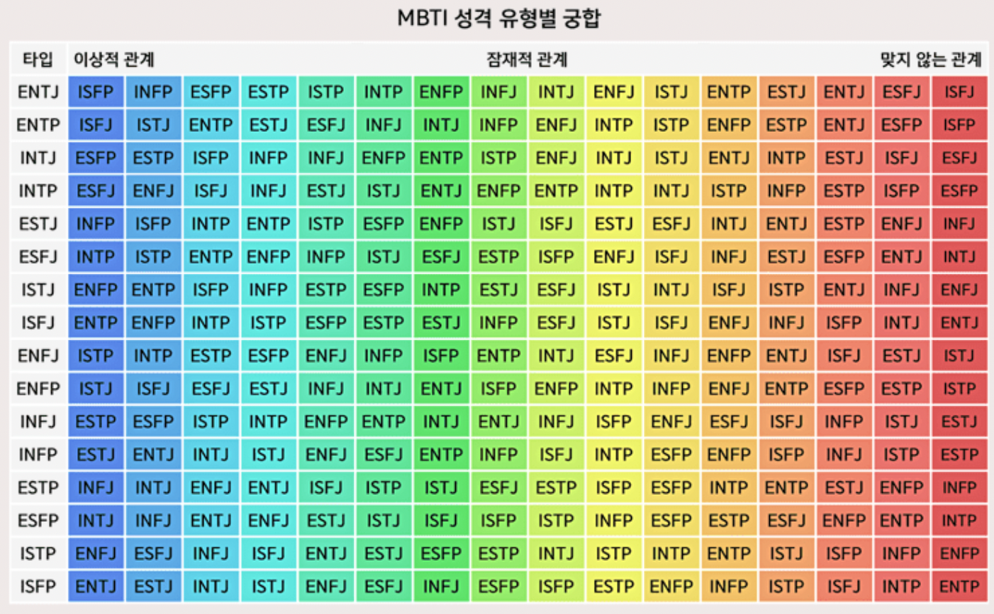
INSERT INTO IdealMBTI(MBTI, Idea1, Ideal2, Ideal3, Ideal4, Ideal5, Ideal6, Ideal7, Ideal8, Ideal9, Ideal10, Ideal11, Ideal12, Ideal13, Ideal14, Ideal15, Ideal16) VALUES (ENTJ, ISFP, INFP, ESFP, ESTP, ISTP, INTP, ENFP, INFJ, INTJ, ENFJ, ISTJ, ENTP, ESTJ, ENTJ, ESFJ, ISFJ);

INSERT INTO IdealMBTI(MBTI, Idea1, Ideal2, Ideal3, Ideal4, Ideal5, Ideal6, Ideal7, Ideal8, Ideal9, Ideal10, Ideal11, Ideal12, Ideal13, Ideal14, Ideal15, Ideal16) VALUES (ENTP, ISFJ, ISTJ, ENTP, ESTJ, ESFJ, INFJ, INTJ, INTP, ENFJ, INTP, ISTP, ENFP, ESTP, ENTJ, ESFP, ISFP) | ;

INSERT INTO IdealMBTI(MBTI, Idea1, Ideal2, Ideal3, Ideal4, Ideal5, Ideal6, Ideal7, Ideal8, Ideal9, Ideal10, Ideal11, Ideal12, Ideal13, Ideal14, Ideal15, Ideal16) VALUES (INTJ, ESFP, ESTP, ISFP, INFP, INFJ, ENFP, ENTP, ISTP, ENFJ, INTJ, ISTJ, ENTJ, INTP, ESTJ, ISFJ, ESFJ);

INSERT INTO IdealMBTI(MBTI, Idea1, Ideal2, Ideal3, Ideal4, Ideal5, Ideal6, Ideal7, Ideal8, Ideal9, Ideal10, Ideal11, Ideal12, Ideal13, Ideal14, Ideal15, Ideal16) VALUES (INTP, ESFJ, ENFJ, ISFJ, INFJ, ESTJ, ISTJ, ENTJ, ENFP, ENTP, INTP, INTJ, ISTP, INFP, ESTP, ISFP, ESFP);

INSERT INTO IdealMBTI(MBTI, Idea1, Ideal2, Ideal3, Ideal4, Ideal5, Ideal6, Ideal7, Ideal8, Ideal9, Ideal10, Ideal11, Ideal12, Ideal13, Ideal14, Ideal15, Ideal16) VALUES (ESTJ, INFP, ISFP, INTP, ENTP, ISTP, ESFP, ENFP, ISTJ, ISFJ, ESTJ, ESFJ, INTJ, ENTJ, ESTP, ENFJ, INFJ);

INSERT INTO IdealMBTI(MBTI, Idea1, Ideal2, Ideal3, Ideal4, Ideal5, Ideal6, Ideal7, Ideal8, Ideal9, Ideal10, Ideal11, Ideal12, Ideal13, Ideal14, Ideal15, Ideal16) VALUES (ESFJ, INTP, ISTP, ENTP, ENFP, INFP, ISTJ, ESFJ, ESTP, ISFP, ENFJ, ISFJ, INFJ, ESTJ, ESFP, ENTJ, INTJ);

INSERT INTO IdealMBTI(MBTI, Idea1, Ideal2, Ideal3, Ideal4, Ideal5, Ideal6, Ideal7, Ideal8, Ideal9, Ideal10, Ideal11, Ideal12, Ideal13, Ideal14, Ideal15, Ideal16) VALUES (ISTJ, ENFP, ENTP, ISFP, INFP, ESTP, ESFP, INTP, ESTJ, ESFJ, ISTJ, INTJ, ISFJ, ISTP, ENTJ, INFJ, ENFJ);

INSERT INTO IdealMBTI(MBTI, Idea1, Ideal2, Ideal3, Ideal4, Ideal5, Ideal6, Ideal7, Ideal8, Ideal9, Ideal10, Ideal11, Ideal12, Ideal13, Ideal14, Ideal15, Ideal16) VALUES (ISFJ, ENTP, ENFP, INTP, ISTP, ESFP, ESTP, ESTJ, INFP, ESFJ, ISTJ, ISFJ, ENFJ, INFJ, ISFP, INTJ, ENTJ);

INSERT INTO IdealMBTI(MBTI, Idea1, Ideal2, Ideal3, Ideal4, Ideal5, Ideal6, Ideal7, Ideal8, Ideal9, Ideal10, Ideal11, Ideal12, Ideal13, Ideal14, Ideal15, Ideal16) VALUES (ENFJ, ISTP, INTP, ESTP, ESFP, ENFJ, INFP, ISFP, ENTP, INTJ, ESFJ, INFJ, ENFP, ENTJ, ISFJ, ESTJ, ISTJ);

INSERT INTO IdealMBTI(MBTI, Idea1, Ideal2, Ideal3, Ideal4, Ideal5, Ideal6, Ideal7, Ideal8, Ideal9, Ideal10, Ideal11, Ideal12, Ideal13, Ideal14, Ideal15, Ideal16) VALUES (ENFP, ISTJ, ISFJ, ESFJ, ESTJ, INFJ, INTJ, ENTJ, ISFP, ENFP, INTP, INFP, ENFJ, ENTP, ESFP, ESTP, ISTP);

INSERT INTO IdealMBTI(MBTI, Idea1, Ideal2, Ideal3, Ideal4, Ideal5, Ideal6, Ideal7, Ideal8, Ideal9, Ideal10, Ideal11, Ideal12, Ideal13, Ideal14, Ideal15, Ideal16) VALUES (INFJ, ESTP, ESFP, ISTP, INTP, ENFP, ENTP, INTJ, ENTJ, INFJ, ISFP, ENFJ, ESFJ, ISFJ, INFP, ISTJ, ESTJ);

INSERT INTO IdealMBTI(MBTI, Idea1, Ideal2, Ideal3, Ideal4, Ideal5, Ideal6, Ideal7, Ideal8, Ideal9, Ideal10, Ideal11, Ideal12, Ideal13, Ideal14, Ideal15, Ideal16) VALUES (INFP, ESTJ, ENTJ, INTJ, ISTJ, ENFJ, ESFJ, ENTP, INFP, ISFJ, INTP, ESFP, ENFP, ISFP, INFJ, ISTP, ESTP);

INSERT INTO IdealMBTI(MBTI, Idea1, Ideal2, Ideal3, Ideal4, Ideal5, Ideal6, Ideal7, Ideal8, Ideal9, Ideal10, Ideal11, Ideal12, Ideal13, Ideal14, Ideal15, Ideal16) VALUES (ESTP, INFJ, INTJ, ENFJ, ENTJ, ISFJ, ISTP, ISTJ, ESFJ, ESTP, ISFP, ESFP, INTP, ENTP, ESTJ, ENFP, INFP);

INSERT INTO IdealMBTI(MBTI, Idea1, Ideal2, Ideal3, Ideal4, Ideal5, Ideal6, Ideal7, Ideal8, Ideal9, Ideal10, Ideal11, Ideal12, Ideal13, Ideal14, Ideal15, Ideal16) VALUES (ESFP, INTJ, INFJ, ENTJ, ENFJ, ESTJ, ISTJ, ISFJ, ISFP, ISTP, INFP, ESFP, ESTP, ESFJ, ENFP, ENTP, INTP);

INSERT INTO IdealMBTI(MBTI, Idea1, Ideal2, Ideal3, Ideal4, Ideal5, Ideal6, Ideal7, Ideal8, Ideal9, Ideal10, Ideal11, Ideal12, Ideal13, Ideal14, Ideal15, Ideal16) VALUES (ISTP, ENFJ, ESFJ, INFJ, ISFJ, ENTJ, ESTJ, ESFP, ESTP, INTJ, ISTP, INTP, ENTP, ISTJ, ISFP, INFP, ENFP);

INSERT INTO IdealMBTI(MBTI, Idea1, Ideal2, Ideal3, Ideal4, Ideal5, Ideal6, Ideal7, Ideal8, Ideal9, Ideal10, Ideal11, Ideal12, Ideal13, Ideal14, Ideal15, Ideal16) VALUES (ISFP, ENTJ, ESTJ, INTJ, ISTJ, ENFJ, ESFJ, INFJ, ESFP, ISFP, ESTP, ENFP, INFP, ISTP, ISFJ, INTP, ENTP);

