Table 1
JOB POS
15000 |  |  | Do Fake
10000
5000
 |  |  | 3077
0 |  |  | 583
 |  |  | 0
4000 Experience vs Fraud Postings 3000 2000 1000 Fake 0 Real
GB AU US 0 100 200 300 400 500 6

 | Real vs. Fake Jobs: Global Distribu 23 Country

 |  | 40

 |  |  | 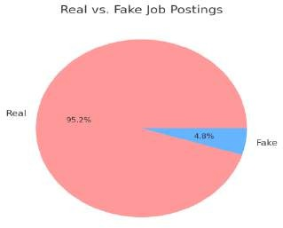

Table 2
TING FRAUD ANALYSIS
Job Postings Lack Logos 13936 283 |  | Real Fake
1
160 140 120 100 80 60 40 20 0 | Recruitment Risks b 152 143
 | 68 TX CA NY
ution by 730 00 700 800
300 250 200 150 100 50 0 | Industry Level Fraud Analysis

6

y State
57
35
MD

