Enterprise ATT&CK (v14)
Reconnaissance | Resource Development |  | Initial Access | Execution |  | Persistence |  | Privilege Escalation | Defense Evasion |  | Credential Access |  | Discovery | Lateral Movement | Collection | Command and Control | Exfiltration | Impact
Active Scanning | Acquire Access |  | Content Injection | Cloud Administration Command |  | Account Manipulation |  | Abuse Elevation Control Mechanism | Abuse Elevation Control Mechanism |  | Adversary-in-the-Middle |  | Account Discovery | Exploitation of Remote Services | Adversary-in-the-Middle | Application Layer Protocol | Automated Exfiltration | Account Access Removal
Gather Victim Host Information | Acquire Infrastructure | Botnet | Drive-by Compromise | Command and Scripting Interpreter | AppleScript | BITS Jobs |  | Access Token Manipulation | Access Token Manipulation |  | Brute Force | Credential Stuffing | Application Window Discovery | Internal Spearphishing | Archive Collected Data | Communication Through Removable Media | Data Transfer Size Limits | Data Destruction
Gather Victim Identity Information |  | DNS Server | Exploit Public-Facing Application |  | Cloud API | Boot or Logon Autostart Execution |  | Account Manipulation | BITS Jobs |  |  | Password Cracking | Browser Information Discovery | Lateral Tool Transfer | Audio Capture | Content Injection | Exfiltration Over Alternative Protocol | Data Encrypted for Impact
Gather Victim Network Information |  | Domains | External Remote Services |  | JavaScript | Boot or Logon Initialization Scripts |  | Boot or Logon Autostart Execution | Build Image on Host |  |  | Password Guessing | Cloud Infrastructure Discovery | Remote Service Session Hijacking | Automated Collection | Data Encoding | Exfiltration Over C2 Channel | Data Manipulation
Gather Victim Org Information |  | Malvertising | Hardware Additions |  | Network Device CLI | Browser Extensions |  | Boot or Logon Initialization Scripts | Debugger Evasion |  |  | Password Spraying | Cloud Service Dashboard | Remote Services | Browser Session Hijacking | Data Obfuscation | Exfiltration Over Other Network Medium | Defacement
Phishing for Information |  | Server | Phishing |  | PowerShell | Compromise Client Software Binary |  | Create or Modify System Process | Deobfuscate/Decode Files or Information |  | Credentials from Password Stores |  | Cloud Service Discovery | Replication Through Removable Media | Clipboard Data | Dynamic Resolution | Exfiltration Over Physical Medium | Disk Wipe
Search Closed Sources |  | Serverless | Replication Through Removable Media |  | Python | Create Account | Cloud Account | Domain Policy Modification | Deploy Container |  | Exploitation for Credential Access |  | Cloud Storage Object Discovery | Software Deployment Tools | Data from Cloud Storage | Encrypted Channel | Exfiltration Over Web Service | Endpoint Denial of Service
Search Open Technical Databases |  | Virtual Private Server | Supply Chain Compromise |  | Unix Shell |  | Domain Account | Escape to Host | Direct Volume Access |  | Forced Authentication |  | Container and Resource Discovery | Taint Shared Content | Data from Configuration Repository | Fallback Channels | Scheduled Transfer | Financial Theft
Search Open Websites/Domains |  | Web Services | Trusted Relationship |  | Visual Basic |  | Local Account | Event Triggered Execution | Domain Policy Modification |  | Forge Web Credentials |  | Debugger Evasion | Use Alternate Authentication Material | Data from Information Repositories | Ingress Tool Transfer | Transfer Data to Cloud Account | Firmware Corruption
Search Victim-Owned Websites | Compromise Accounts | Cloud Accounts | Valid Accounts |  | Windows Command Shell | Create or Modify System Process |  | Exploitation for Privilege Escalation | Execution Guardrails |  | Input Capture |  | Device Driver Discovery |  | Data from Local System | Multi-Stage Channels |  | Inhibit System Recovery
 |  | Email Accounts |  | Container Administration Command |  | Event Triggered Execution |  | Hijack Execution Flow | Exploitation for Defense Evasion |  | Modify Authentication Process |  | Domain Trust Discovery |  | Data from Network Shared Drive | Non-Application Layer Protocol |  | Network Denial of Service
 |  | Social Media Accounts |  | Deploy Container |  | External Remote Services |  | Process Injection | File and Directory Permissions Modification |  | Multi-Factor Authentication Interception |  | File and Directory Discovery |  | Data from Removable Media | Non-Standard Port |  | Resource Hijacking
 | Compromise Infrastructure |  |  | Exploitation for Client Execution |  | Hijack Execution Flow |  | Scheduled Task/Job | Hide Artifacts |  | Multi-Factor Authentication Request Generation |  | Group Policy Discovery |  | Data Staged | Protocol Tunneling |  | Service Stop
 | Develop Capabilities |  |  | Inter-Process Communication |  | Implant Internal Image |  | Valid Accounts | Hijack Execution Flow |  | Network Sniffing |  | Log Enumeration |  | Email Collection | Proxy |  | System Shutdown/Reboot
 | Establish Accounts |  |  | Native API |  | Modify Authentication Process |  |  | Impair Defenses |  | OS Credential Dumping |  | Network Service Discovery |  | Input Capture | Remote Access Software
 | Obtain Capabilities |  |  | Scheduled Task/Job |  | Office Application Startup |  |  | Impersonation |  | Steal Application Access Token |  | Network Share Discovery |  | Screen Capture | Traffic Signaling
 | Stage Capabilities |  |  | Serverless Execution |  | Power Settings |  |  | Indicator Removal |  | Steal or Forge Authentication Certificates |  | Network Sniffing |  | Video Capture | Web Service
 |  |  |  | Shared Modules |  | Pre-OS Boot |  |  | Indirect Command Execution |  | Steal or Forge Kerberos Tickets |  | Password Policy Discovery
 |  |  |  | Software Deployment Tools |  | Scheduled Task/Job |  |  | Masquerading |  | Steal Web Session Cookie |  | Peripheral Device Discovery
 |  |  |  | System Services |  | Server Software Component |  |  | Modify Authentication Process |  | Unsecured Credentials |  | Permission Groups Discovery
 |  |  |  | User Execution |  | Traffic Signaling |  |  | Modify Cloud Compute Infrastructure |  |  |  | Process Discovery
 |  |  |  | Windows Management Instrumentation |  | Valid Accounts |  |  | Modify Registry |  |  |  | Query Registry
 |  |  |  |  |  |  |  |  | Modify System Image |  |  |  | Remote System Discovery
 |  |  |  |  |  |  |  |  | Network Boundary Bridging |  |  |  | Software Discovery
 |  |  |  |  |  |  |  |  | Obfuscated Files or Information |  |  |  | System Information Discovery
 |  |  |  |  |  |  |  |  | Plist File Modification |  |  |  | System Location Discovery
 |  |  |  |  |  |  |  |  | Pre-OS Boot |  |  |  | System Network Configuration Discovery
 |  |  |  |  |  |  |  |  | Process Injection |  |  |  | System Network Connections Discovery
 |  |  |  |  |  |  |  |  | Reflective Code Loading |  |  |  | System Owner/User Discovery
 |  |  |  |  |  |  |  |  | Rogue Domain Controller |  |  |  | System Service Discovery
 |  |  |  |  |  |  |  |  | Rootkit |  |  |  | System Time Discovery
 |  |  |  |  |  |  |  |  | Subvert Trust Controls |  |  |  | Virtualization/Sandbox Evasion
 |  |  |  |  |  |  |  |  | System Binary Proxy Execution
 |  |  |  |  |  |  |  |  | System Script Proxy Execution
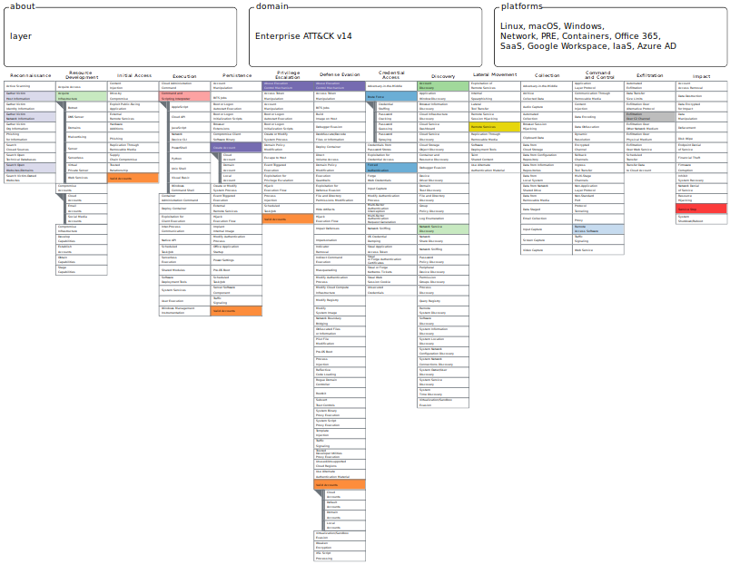
 |  |  |  |  |  |  |  |  | Template Injection
 |  |  |  |  |  |  |  |  | Traffic Signaling
 |  |  |  |  |  |  |  |  | Trusted Developer Utilities Proxy Execution
 |  |  |  |  |  |  |  |  | Unused/Unsupported Cloud Regions
 |  |  |  |  |  |  |  |  | Use Alternate Authentication Material
 |  |  |  |  |  |  |  |  | Valid Accounts | Cloud Accounts
 |  |  |  |  |  |  |  |  |  | Default Accounts
 |  |  |  |  |  |  |  |  |  | Domain Accounts
 |  |  |  |  |  |  |  |  |  | Local Accounts
 |  |  |  |  |  |  |  |  | Virtualization/Sandbox Evasion
 |  |  |  |  |  |  |  |  | Weaken Encryption
 |  |  |  |  |  |  |  |  | XSL Script Processing

