3C-D
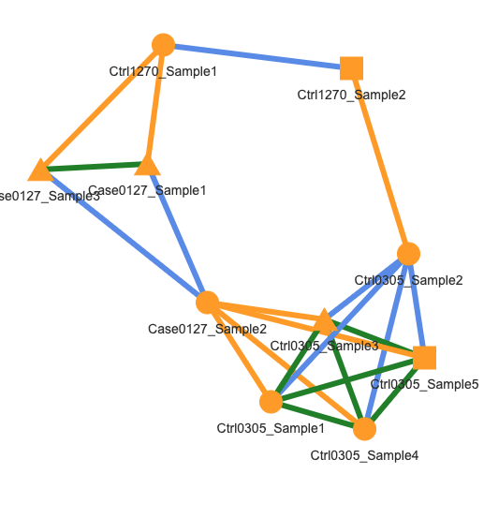
Sample_ID | Subject_ID | Genotype_Group_ID
Case0127_Sample1 | Case0127 | A
Case0127_Sample2 | Case0127 | C
Case0127_Sample3 | Case0127 | A
Ctrl1270_Sample1 | Ctrl1270 | A
Ctrl1270_Sample2 | Ctrl1270 | B
Ctrl0305_Sample1 | Ctrl0305 | C
Ctrl0305_Sample3 | Ctrl0305 | C
Ctrl0305_Sample4 | Ctrl0305 | C
Ctrl0305_Sample5 | Ctrl0305 | C

