Sheet1
 | Hướng dẫn sử dụng

1 | Update Sources
 | Update sheet "Sources", cần update:
1.1 | Update ngày
1.2 | Update người trực theo từng buổi morning, afternoon, night, peak hour day và peak hour night
2 | Consolidate sources
2.1 | Ở sheet "Consolidated"
 | Bấm button "Update data"

2.2 | Nhập số ô chứa ngày cuối cùng của tháng, ở ví dụ này là số 28 |  | 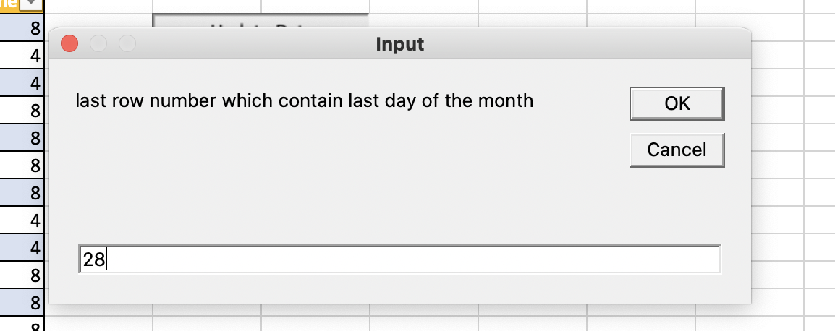

2.3 | Sau đó kéo bảng đến ô cuối cùng để update dữ liệu, khúc này hơi khó giải thích, có thể sau nãy sẽ automate mọi thứ | 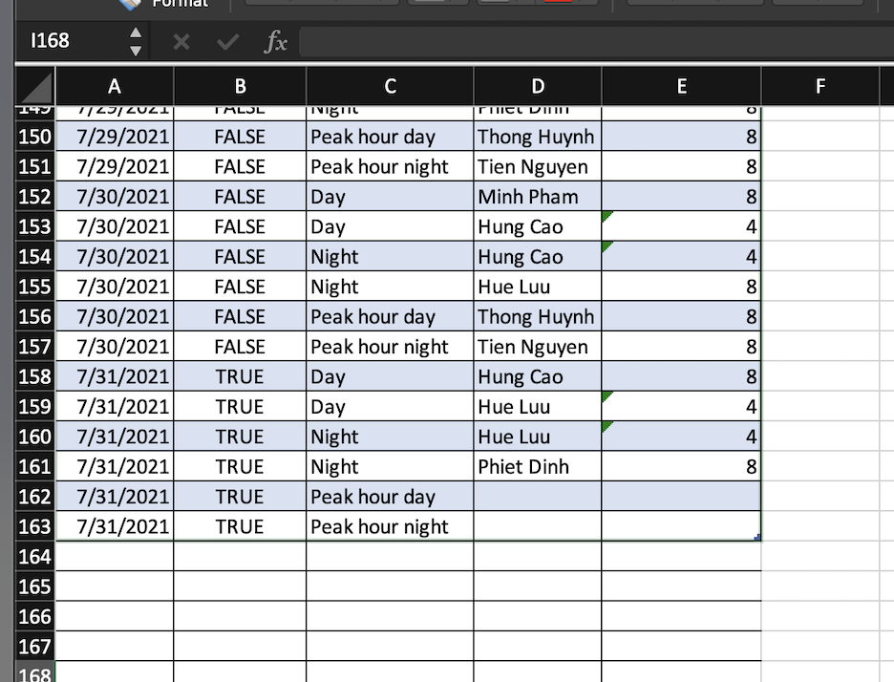

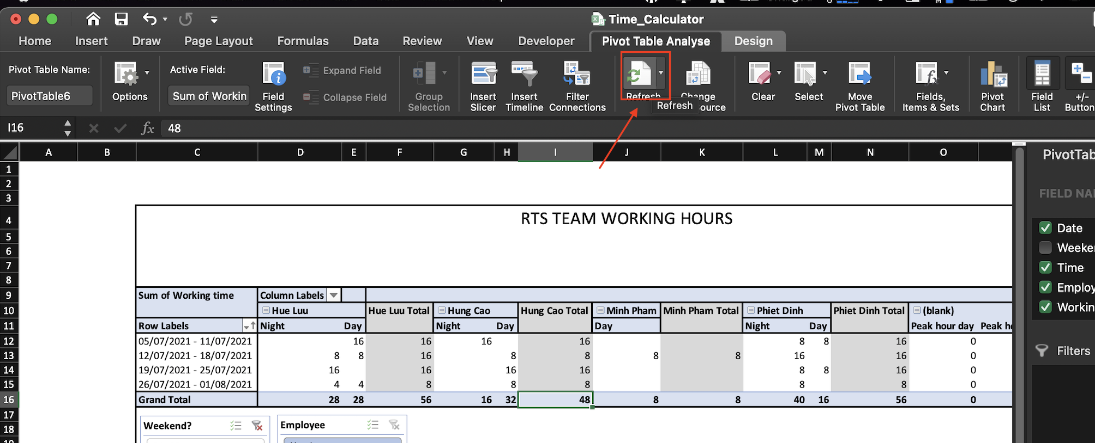
2.4 | Sau đó sang sheet "Dashboard", chọn 1 ô bất kì trong bảng -> trong tab "Pivot Table Analyse" -> chọn Refresh

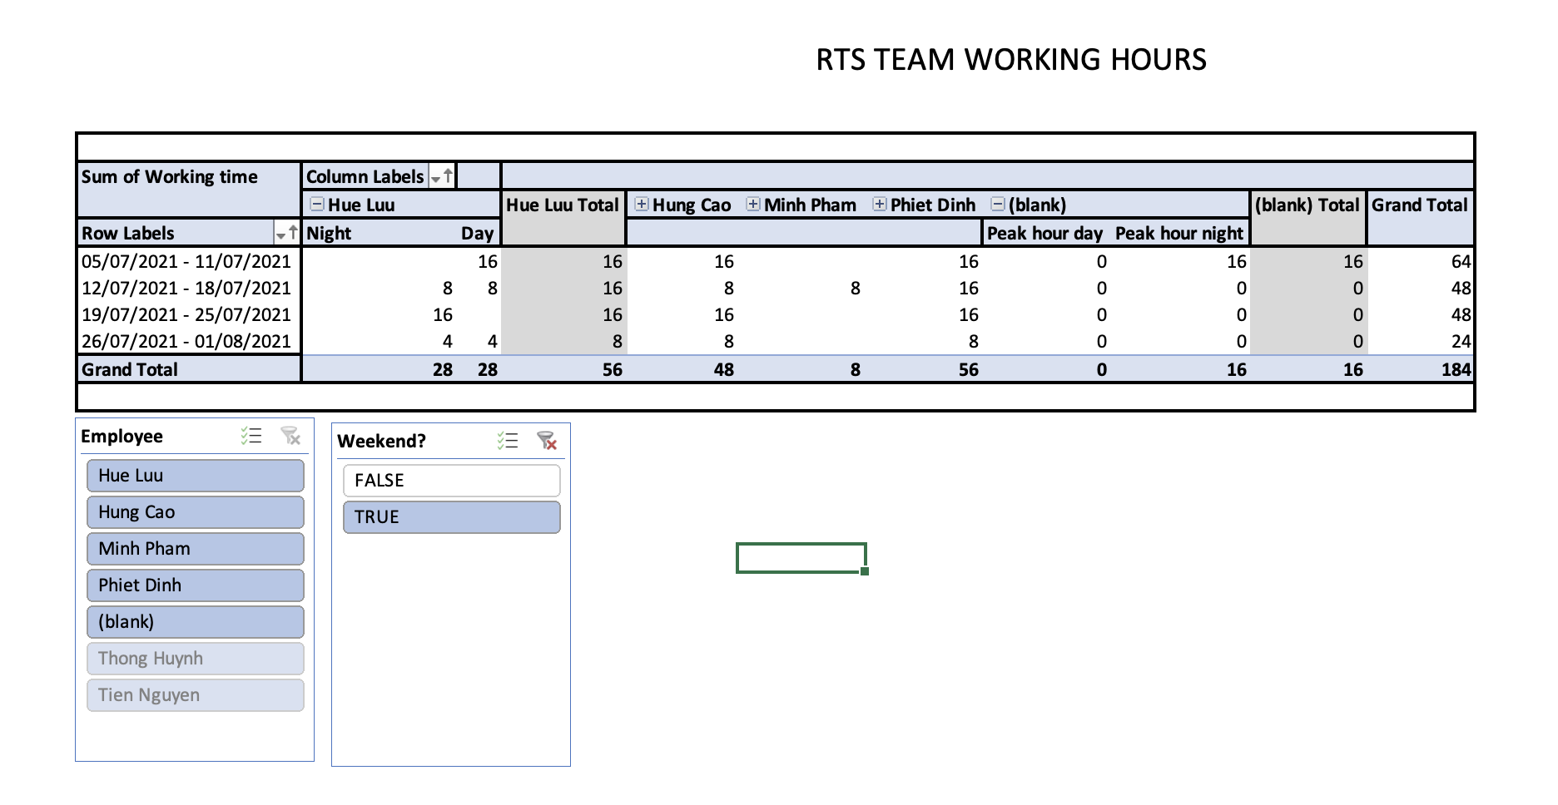

2.5 | Sử dụng slicer để filter thông tin cần thiết

