Tab 6
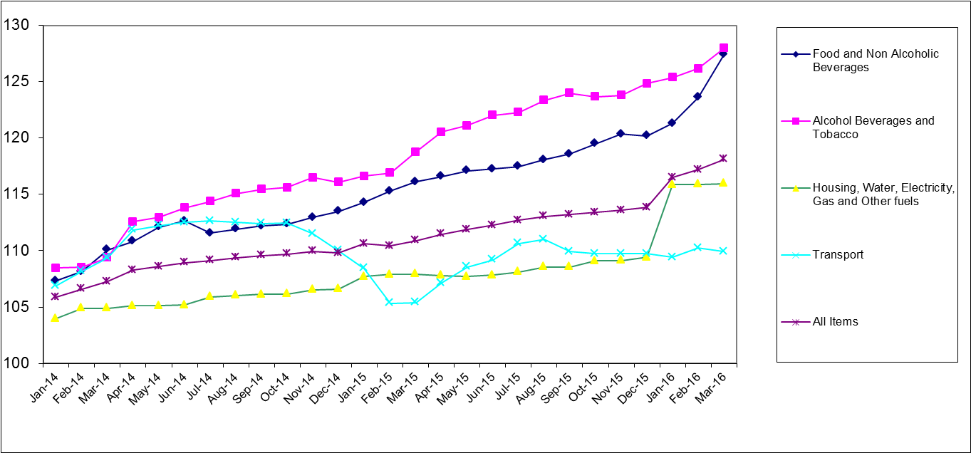
Table 6: Namibia CPI from January 2002 to March 2016 by major groups and corresponding sub-groups (Dec.2012=100)
 |  | Feb-15 | Mar-15 | Apr-15 | May-15 | Jun-15 | Jul-15 | Aug-15 | Sep-15 | Oct-15 | Nov-15 | Dec-15 | Jan-16 | Feb-16 | Mar-16

00 | ALL ITEMS | 110.4 | 110.9 | 111.5 | 111.9 | 112.3 | 112.7 | 113.1 | 113.2 | 113.4 | 113.6 | 113.8 | 116.5 | 117.2 | 118.1

01 | FOOD AND NON-ALCOHOLIC BEVERAGES | 115.3 | 116.1 | 116.6 | 117.1 | 117.3 | 117.5 | 118.1 | 118.6 | 119.5 | 120.4 | 120.2 | 121.3 | 123.6 | 127.4
 | Food | 116.0 | 116.8 | 117.4 | 117.9 | 118.1 | 118.2 | 118.8 | 119.4 | 120.4 | 121.3 | 121.1 | 122.1 | 124.7 | 128.9
 | Bread and cereals | 110.1 | 110.8 | 111.8 | 113.5 | 113.4 | 114.9 | 114.9 | 117.4 | 117.5 | 118.5 | 117.5 | 117.4 | 121.0 | 127.6
 | Meat | 123.4 | 122.9 | 123.5 | 121.8 | 122.8 | 121.8 | 122.8 | 121.0 | 124.3 | 124.9 | 123.9 | 124.5 | 126.3 | 127.8
 | Fish | 111.9 | 112.2 | 112.2 | 111.6 | 112.4 | 116.1 | 116.5 | 116.5 | 111.3 | 110.1 | 111.8 | 113.2 | 115.0 | 124.9
 | Milk, cheese and eggs | 127.0 | 127.1 | 125.9 | 124.7 | 124.1 | 126.0 | 126.4 | 126.3 | 126.9 | 126.4 | 126.9 | 128.5 | 129.0 | 130.2
 | Oils and fats | 106.9 | 108.4 | 106.6 | 108.1 | 108.3 | 108.0 | 111.0 | 112.5 | 113.5 | 114.3 | 117.4 | 117.9 | 119.6 | 121.6
 | Fruit | 122.7 | 123.5 | 125.1 | 120.9 | 119.2 | 118.7 | 117.0 | 119.9 | 122.2 | 127.6 | 129.0 | 133.1 | 134.9 | 144.2
 | Vegetables including potatoes and other tubers | 119.9 | 123.2 | 123.5 | 127.3 | 127.3 | 122.6 | 122.0 | 123.1 | 124.5 | 127.5 | 128.6 | 134.3 | 138.6 | 141.7
 | Sugar, jam, honey, syrups, chocolate and confectionery | 112.5 | 116.1 | 118.2 | 119.7 | 119.2 | 119.5 | 121.1 | 120.7 | 121.7 | 122.5 | 122.1 | 122.8 | 125.7 | 130.6
 | Food products n.e.c. | 113.2 | 112.5 | 114.0 | 114.4 | 114.1 | 112.3 | 114.6 | 114.9 | 117.4 | 117.8 | 117.9 | 119.3 | 119.9 | 118.8
 | Non-alcoholic beverages | 108.8 | 109.6 | 109.0 | 109.8 | 110.1 | 111.2 | 111.5 | 111.6 | 111.3 | 112.3 | 112.2 | 113.8 | 114.0 | 114.5
 | Coffee, tea and cocoa | 118.7 | 119.0 | 117.0 | 117.2 | 118.6 | 118.9 | 119.1 | 120.1 | 120.7 | 119.7 | 121.3 | 122.6 | 123.4 | 126.2
 | Mineral waters, soft drinks and juices | 106.6 | 107.5 | 107.1 | 108.1 | 108.2 | 109.5 | 109.7 | 109.6 | 109.2 | 110.6 | 110.2 | 111.8 | 111.8 | 111.8
02 | ALCOHOLIC BEVERAGES AND TOBACCO | 116.9 | 118.8 | 120.6 | 121.1 | 122.0 | 122.3 | 123.4 | 124.0 | 123.7 | 123.8 | 124.9 | 125.4 | 126.2 | 128.0
 | Alcoholic beverages | 117.7 | 119.6 | 121.1 | 121.7 | 122.6 | 122.8 | 123.8 | 124.5 | 124.2 | 124.3 | 125.8 | 126.3 | 127.4 | 129.0
 | Tobacco | 114.0 | 115.5 | 118.6 | 118.8 | 119.8 | 120.2 | 121.9 | 121.9 | 121.9 | 121.8 | 121.4 | 121.8 | 121.6 | 124.0
04 | HOUSING, WATER, ELECTRICITY, GAS AND OTHER FUELS | 107.9 | 107.9 | 107.8 | 107.7 | 107.8 | 108.1 | 108.6 | 108.6 | 109.1 | 109.1 | 109.4 | 115.9 | 115.9 | 116.0
 | Rental payments for dwelling (both owners and renters) | 105.3 | 105.3 | 105.3 | 105.3 | 105.3 | 105.3 | 105.3 | 105.3 | 105.3 | 105.3 | 105.3 | 112.7 | 112.7 | 112.7
 | Regular maintenance and repair of dwelling | 112.9 | 114.6 | 114.4 | 115.4 | 116.1 | 116.5 | 116.9 | 117.6 | 119.2 | 119.0 | 118.6 | 119.2 | 120.4 | 122.0
 | Water supply, sewerage service and refuse collection | 124.2 | 124.2 | 124.2 | 124.2 | 124.2 | 127.5 | 136.0 | 136.3 | 136.2 | 137.0 | 137.0 | 137.0 | 138.1 | 138.1
 | Electricity gas and other fuels | 119.1 | 119.1 | 118.3 | 117.5 | 118.3 | 119.7 | 120.5 | 120.6 | 124.2 | 124.3 | 126.6 | 129.4 | 129.4 | 129.7
07 | TRANSPORT | 105.3 | 105.4 | 107.1 | 108.5 | 109.2 | 110.7 | 111.0 | 109.9 | 109.7 | 109.7 | 109.7 | 109.4 | 110.3 | 109.9
 | Purchase of vehicles | 119.2 | 119.1 | 120.5 | 121.2 | 120.9 | 121.7 | 122.5 | 122.6 | 121.8 | 123.1 | 122.2 | 123.9 | 125.4 | 129.7
 | Operation of personal transport equipment | 98.5 | 98.6 | 101.0 | 103.0 | 104.1 | 106.2 | 106.5 | 104.7 | 104.6 | 104.2 | 104.5 | 103.5 | 104.3 | 102.4
 | Public transportation services | 114.1 | 114.1 | 114.0 | 114.1 | 114.1 | 114.1 | 114.1 | 114.1 | 114.2 | 114.2 | 114.2 | 114.2 | 114.2 | 114.2

Tab 8
Table 8: Namibia CPI trends over the last four months (Dec 2012=100)
 |  | Index (Dec. 2012 = 100) |  |  |  | Annual changes for last four months
 |  | Dec-15 | Jan-16 | Feb-16 | Mar-16 | Dec-15 | Jan-16 | Feb-16 | Mar-16
00 | All- Items index | 113.8 | 116.5 | 117.2 | 118.1 | 3.7 | 5.3 | 6.1 | 6.5
01 | Food etc. | 120.2 | 121.3 | 123.6 | 127.4 | 5.9 | 6.1 | 7.2 | 9.7
02 | Alcohol and Tobacco | 124.9 | 125.4 | 126.2 | 128.0 | 7.6 | 7.5 | 7.9 | 7.8
03 | Clothing etc | 107.6 | 108.1 | 107.1 | 105.9 | 0.2 | 1.4 | 0.9 | -0.8
04 | Housing, Water, Electricity | 109.4 | 115.9 | 115.9 | 116.0 | 2.7 | 7.6 | 7.4 | 7.5
05 | Furnishing, Household etc | 112.5 | 113.6 | 114.0 | 114.9 | 2.9 | 3.3 | 3.8 | 4.0
06 | Health | 111.8 | 117.0 | 117.1 | 117.5 | 5.9 | 7.2 | 7.0 | 7.3
07 | Transport | 109.7 | 109.4 | 110.3 | 109.9 | -0.3 | 0.9 | 4.7 | 4.3
08 | Communications | 101.2 | 100.7 | 100.9 | 101.0 | 1.1 | -1.0 | 0.8 | 1.0
09 | Recreations and Culture | 114.9 | 116.4 | 116.5 | 117.5 | 3.9 | 5.5 | 5.6 | 5.5
10.0 | Education | 117.3 | 125.6 | 126.2 | 126.2 | 4.3 | 7.1 | 7.6 | 7.6
11.0 | Hotels, etc | 117.8 | 120.8 | 122.9 | 123.7 | 6.9 | 6.1 | 5.8 | 5.7
12.0 | Miscellaneous etc | 112.9 | 114.9 | 115.3 | 115.6 | 5.4 | 3.7 | 3.2 | 3.4

 | Education related expenses | 117.0 | 123.8 | 124.6 | 124.82614939 | 4.3 | 7.0 | 7.6 | 7.7

 | Goods | 117.1 | 117.7 | 118.7 | 120.33233831 | 4.1 | 4.8 | 6.1 | 6.8
 | Services | 109.5 | 115.0 | 115.2 | 115.20204122 | 3.1 | 6.1 | 6.2 | 6.1
 | Annual changes by main groups (Dec 2012=100)
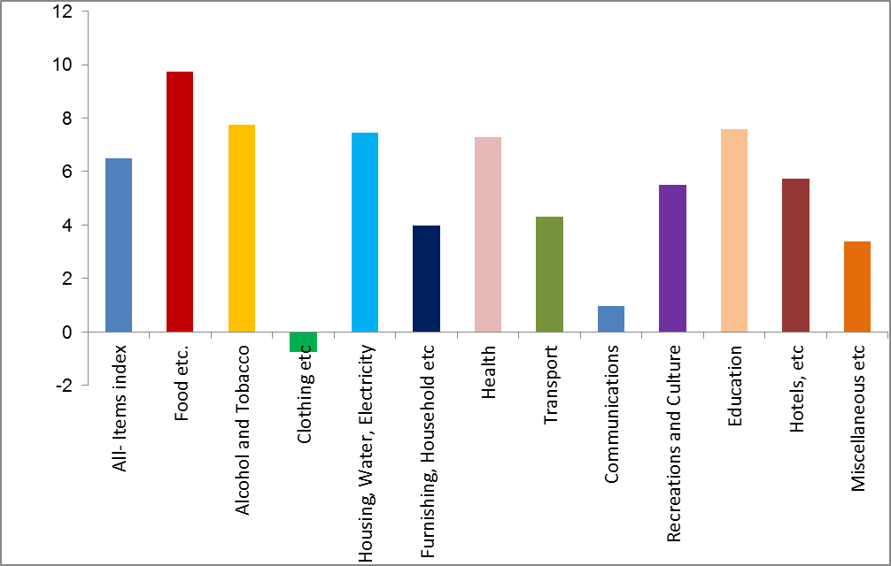

 |  | 193.21120688

 |  | 203.05109653 | 0.17362465065 | 6.075060011

 |  | 239.79490616 | 254.86340711 | 131.41184892 | 195.44527153 | 170.49881807 | 148.40030499 | 225.30891093 | 130.77277173 | 168.58946171 | 213.17175334 | 223.5097708 | 160.60002166 | 203.1

Tab 10
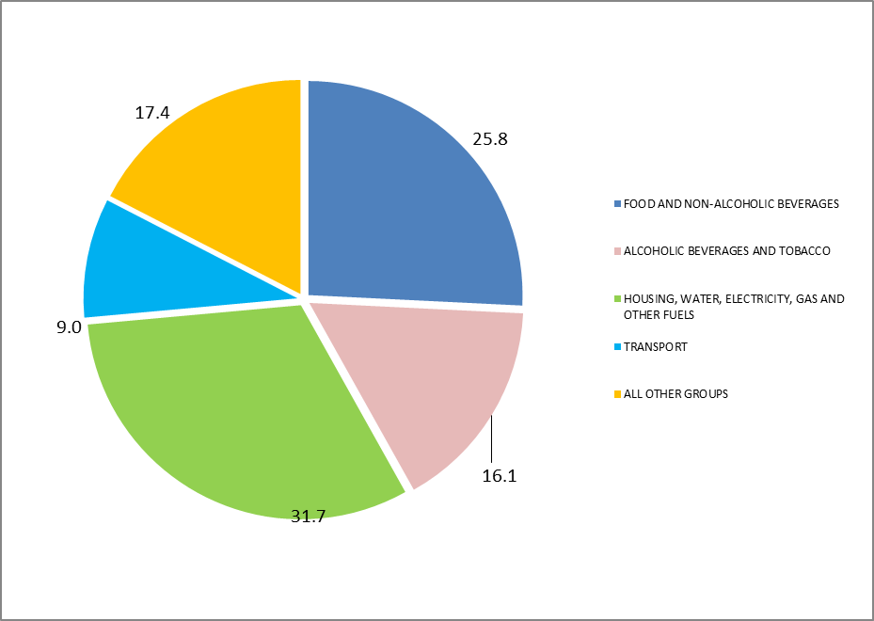
 | Table 10: Namibia CPI; Group contribution to overall CPI (Dec 2012=100)
 |  | Weights | Base index | Index |  | Annual inflation rate | Contribution
 |  |  | Dec-12 | Mar-15 | Mar-16 | Mar-16 | % points of total change | % of total change
01 | FOOD AND NON-ALCOHOLIC BEVERAGES | 16.45 | 100.00 | 116.1 | 127.4 | 9.7 | 1.7 | 25.78
02 | ALCOHOLIC BEVERAGES AND TOBACCO | 12.59 | 100.00 | 118.8 | 128.0 | 7.8 | 1.0 | 16.10
03 | CLOTHING AND FOOTWEAR | 3.05 | 100.00 | 106.7 | 105.9 | -0.8 | 0.0 | -0.34
04 | HOUSING, WATER, ELECTRICITY, GAS AND OTHER FUELS | 28.36 | 100.00 | 107.9 | 116.0 | 7.5 | 2.1 | 31.68
05 | FURNISHINGS, HOUSEHOLD EQUIPMENT AND ROUTINE MAINTENANCE OF THE HOUSE | 5.47 | 100.00 | 110.5 | 114.9 | 4.0 | 0.2 | 3.35
06 | HEALTH | 2.01 | 100.00 | 109.5 | 117.5 | 7.3 | 0.1 | 2.23
07 | TRANSPORT | 14.28 | 100.00 | 105.4 | 109.9 | 4.3 | 0.6 | 9.01
08 | COMMUNICATIONS | 3.81 | 100.00 | 100.0 | 101.0 | 1.0 | 0.0 | 0.51
09 | RECREATION AND CULTURE | 3.55 | 100.00 | 111.3 | 117.5 | 5.5 | 0.2 | 3.02
10 | EDUCATION | 3.65 | 100.00 | 117.3 | 126.2 | 7.6 | 0.3 | 4.51
11 | HOTELS, CAFES AND RESTAURANTS | 1.39 | 100.00 | 117.0 | 123.7 | 5.7 | 0.1 | 1.30
12 | MISCELLANEOUS GOODS AND SERVICES | 5.39 | 100.00 | 111.8 | 115.6 | 3.4 | 0.2 | 2.84

 | ALL ITEMS | 100.0 | 100.0 | 110.9 | 118.1 | 6.5 | 6.5 | 100.00

