DVIRReport
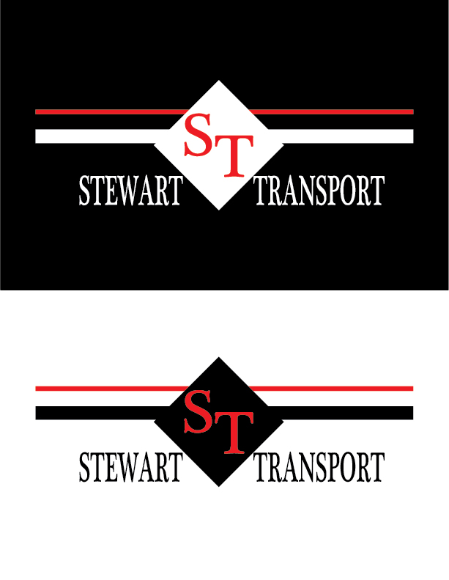

Tractor # | Comments | Trac Status | Trailer # | Comments | Trail Status
141009 | waiting for part to come from paint shop to install | Pending | 576 |  | Pending
171328 |  | Pending | 576 |  | Pending
172313 |  | Pending | 401 |  | Pending
Vehicle 202343 |  | Pending | D17101 | trailer tag and looked down | Pending
257 |  | Pending | 20675 |  | In the Shop
 |  |  | 17652 |  | Pending
 |  |  | 17652 |  | Pending
 |  |  | 16638 |  | Pending

