28_front
Odd Squad

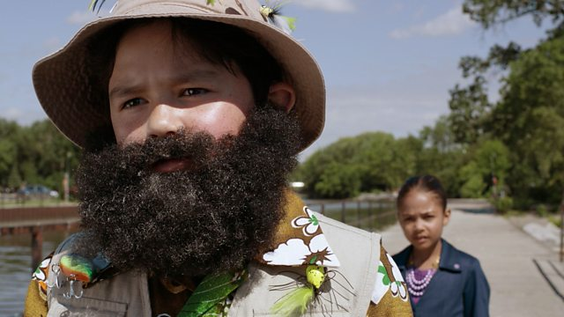

 | Series 1 | 28 th
 | https://subsaga.com/bbc/childrens/odd-squad/28-the-one-that-got-away.html

