Main
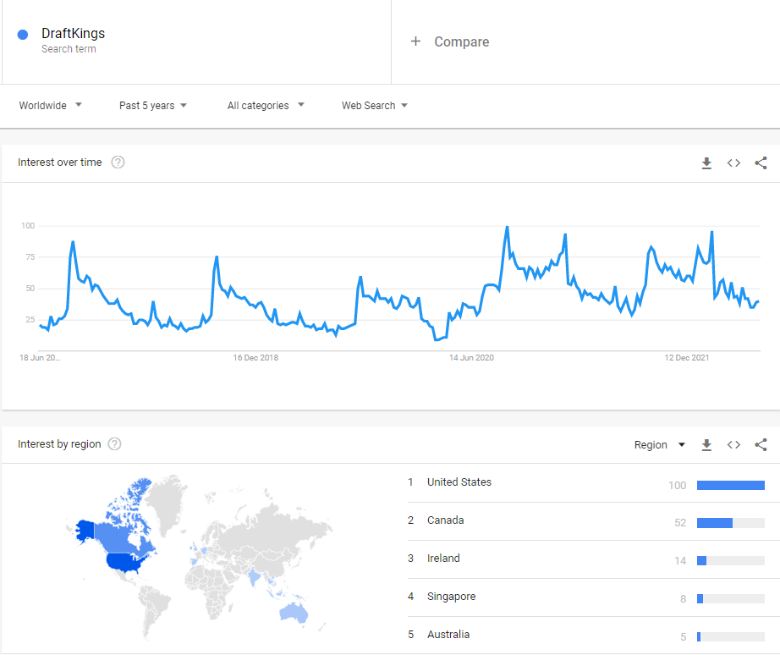
$DKNG
DraftKings Inc.

Stock Snapshot |  |  |  | Key Events
Price | 11.26
Shares | 448.848235 | Q322
MC | 5,054.0
Cash | 1,382.7 | Q322
Debt | 1,250.4 | Q322
Net Cash | 132.2 | Q322
EV | 4,921.8 |  |  | Apr-20 | DraftKings lists on NASDAQ following SPAC merger
 |  |  |  |  | Reverse merger with SBTech, Bulgarian tech firm

Management |  |  |  | Jul-17 | Merger between FanDuel & DK blocked by FTC
CEO | Jason Robins |  | Founder |  | Company would've controlled 90% of fantasy sports
COO | Paul Liberman |  | Founder
CRO | Matt Kalish |  | Founder

Profile
Founded | 2011
HQ | Boston, US

Update | Q322 | 4-Nov-22
IR | Link

Key Metrics
P/B | 6.1x
P/S | 2.7x
EV/S | 2.6x
P/E | -3.3x

