Main

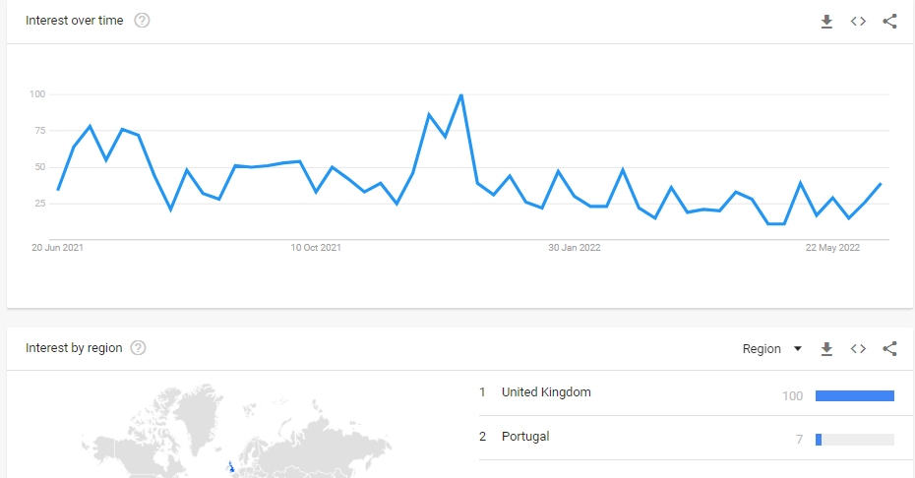
£MHC |  |  |  |  |  | Profile
MyHealthChecked Plc. |  |  |  |  |  | HQ | Cardiff, UK
 |  |  |  |  |  | Founded
Stock Snapshot |  |  |  |  |  | Update | H122 | 2022-09-21
Price | 0.17 |  |  |  |  | IR | Link
Shares | 52.0 | H122
MC | 8.8
Cash | 7.8 | H223 | Key Events
Debt | 0.0 | H223 | Nov-19 | Penny McCormick appointed as CEO
Net Cash | 7.8 |  | Mar-20 | First UK lockdown due to COVID-19 Pandemic
EV | 1.1 |  | Dec-20 | Concepta renamed to MyHealthChecked
 |  |  | Dec-20 | Change of strategy to sell at-home generic wellbeing tests
 |  |  | Jan-21 | UKAS Stage 2 accreditation passed
Management |  |  | Apr-21 | Agreement with Boots to launch MHC COVID-19 PCR kits
CEO | Penny McCormick |  | May-21 | Second contract signed with Boots for Day 2&8 COVID tests
CFO | Nick Edwards |  | Jun-21 | Acquisition of Nell Health for £1.2m
CSO |  |  | Aug-21 | Agreement with Lloyds to supply PCR kits & lab services
 |  |  | Sep-21 | Awarded ISO 15189:2012 accreditation across COVID testing services
Chairman | Adam Reynolds |  | Nov-21 | COVID lateral flow tests in-store at Boots
 |  |  | Apr-22 | CFO Nick Edwards joins MHC
 |  |  | Jun-22 | Food intolerance, Vitamins, Weight mgt, Glucose & Heart wellness tests release
 |  |  |  | on myhealthchecked.com, "unavailable" on Amazon, no retail stores
Share Consolodations |  |  | Jul-22 | MHC report strong revenue in H1 22 & due to issue July trading update |  |  |  |  | Presentations |  | FY22 Results Presentation
May-23 | 15:1 consolodation |  | Jul-22 | First batch of DNA Wellness tests release on Amazon |  |  |  |  | FY 22 | Link | 36% Y/Y revenue growth
 |  |  | Aug-22 | Chairman Adam Reynolds buys 1m shares @ average of 2p per share (£20k) |  |  |  |  | FY 21 | Link | Over 17.3m tests delivered into the market in FY 2022
Share Placings |  |  | Oct-22 | 16m share options granted to Exec. Dirs @ exercise price of 1.6p per share |  |  |  |  |  |  | Soft-launched DNA portfolio in Summer 2022 (Genome Store acq.)
Apr-20 | £1.9m gross @ 0.8p |  | May-23 | 15:1 share consolodation approved & undertaken to boost liquidity |  |  |  |  |  |  | D2C is not the aim of MHC, B2B2C distribution network is the goal
Feb-21 | £3.4m @ 1.75p |  | May-23 | MHC sign 12-month non-exclusive retail contact with Boots for wellness tests |  |  |  |  |  |  | £0.5m reinvestment into digital platform that came from Nell Health
 |  |  | Jul-23 | CFO Nick Edwards leaves MHC after only 15 months in position |  |  |  |  |  |  | Digital platform aims to lock-in long-term testing relationship
Acquisitions |  |  | Jan-24 | Trading Update shows strong cash, LFT's still strongest product in H223 |  |  |  |  |  |  | Wide range of products aiming for Spring 2023 release
Nov-20 | Genome Store |  | Jan-25 | MHC receive regulatory approval for Phlebotomy Testing in UK & EU |  |  |  |  |  |  | 12 blood & urine tests, 5 DNA products, 6 lateral flow screeners
Jun-21 | Nell Health |  |  |  |  |  |  |  |  |  | Digital platform built with customer & possibly B2B needs in mind
 |  |  |  |  |  |  |  |  |  |  | "Looking to launch products this year in a very short space of time"
 |  |  |  |  |  |  |  |  |  |  | We want to drive marketing & awareness of why tests are important
Ratios |  |  | Products |  |  |  |  |  |  |  | Focused on growing distribution network in the UK
P/E | 53.0x |  | COVID-19 |  | Fit to Fly PCR, Fit to Fly Antigen, COVID Recovery Cert |  |  |  |  |  | "To do that we will grow our team and commercial heads"
P/B | 15.6x |  | Pregnancy |  | myLotus |  |  |  |  |  | Also aim to grow B2B channels
P/S | 0.4x |  | Wellbeing |  | Food Intolerance, Vitamins/minerals, Weight Mgmt, Glucose, Heart Profile |  |  |  | Launched 14th June 2022 |  | New product portfolios launch-ready for Q2 2023
EV/S | 0.0x |  |  |  |  |  |  |  |  |  | "Strong cash position so we can fund our own growth"
EV/E | 0.5x
ROCE | 17% |  |  |  |  |  |  |  |  |  | What are you going to do about the share price & shareholder value?
 |  |  |  |  |  |  |  |  |  |  | "We can't do anything about share price"
 |  |  |  |  |  |  |  |  |  |  | "We are committed to providing shareholder value"
 |  |  |  |  |  |  |  |  |  |  | "Strong market presense, expanding team & delivering further growth"
 |  |  |  |  |  |  |  |  |  |  | "We are already expanding our team this year"
 |  |  |  |  |  |  |  |  |  |  | "I want to run the business as well as I can"
 |  |  |  |  |  |  |  |  |  |  | "There are some levers we can use as a Plc and important we consider those"
 |  |  |  |  |  |  |  |  |  |  | "Share consolodation (reduce volatility), move us out of penny share"
 |  |  |  |  |  |  |  |  |  |  | "Thinking about how we can really use our cash" [share buyback]
 |  |  |  |  |  |  |  |  |  |  | "My commitment is always on shareholder value"

 |  |  |  |  |  |  |  |  |  |  | Adam: "The current share price is effectively the cash we have in the business"
 |  |  |  |  |  |  |  |  |  |  | Adam: "There are big disparities in the market that hopefully will resolve"

 |  |  |  |  |  |  |  |  |  |  | Why are the new produts late & where was the explaination to the market?
 |  |  |  |  |  |  |  |  |  |  | "We are a business 2 business 2 consumer organisation"
 |  |  |  |  |  |  |  |  |  |  | "Our most effective product launches will always be driven alongside our retailer base"
 |  |  |  |  |  |  |  |  |  |  | "We are going to work alongside THEIR timescales alongside that"
 |  |  |  |  |  |  |  |  |  |  | "The kind of partnerships we're looking to work with are extremely considered
 |  |  |  |  |  |  |  |  |  |  | and researched and that takes time"
 |  |  |  |  |  |  |  |  |  |  | "We're looking forward to updating shareholders WHEN we can"
 |  |  |  |  |  |  |  |  |  |  | "The most successful releases will be executed in partnerships"

 |  |  |  |  |  |  |  |  |  |  | Why is there no marketing and sales strategy for wellness products?
 |  |  |  |  |  |  |  |  |  |  | "Along the same lines as previous answer"
 |  |  |  |  |  |  |  |  |  |  | "There is a marketing strategy but NOT in the public domain"
 |  |  |  |  |  |  |  |  |  |  | "We're building out launch campaigns with the relevant parties"
 |  |  |  |  |  |  |  |  |  |  | "Essential that we don't burn through cash which can be easily done
 |  |  |  |  |  |  |  |  |  |  | with pointless marketing such as PPC campaigns"

 |  |  |  |  |  |  |  |  |  |  | What will be different in regards to release of next line of products?
 |  |  |  |  |  |  |  |  |  |  | "Original portfolio was a soft launch & were keen to demonstrate
 |  |  |  |  |  |  |  |  |  |  | ability to bring products to market that they previously announced"
 |  |  |  |  |  |  |  |  |  |  | "We could have held back but we wanted to show shareholders that
 |  |  |  |  |  |  |  |  |  |  | we can actually release products"
 |  |  |  |  |  |  |  |  |  |  | "Always planned to be rolled out with a greater distribution channel"
 |  |  |  |  |  |  |  |  |  |  | "We put them on the shop window, soft launch with a view to something
 |  |  |  |  |  |  |  |  |  |  | much bigger"
 |  |  |  |  |  |  |  |  |  |  | "We have a truly unique offering from LFT to DNA sampling"
 |  |  |  |  |  |  |  |  |  |  | "We have been building through a retailer partner, really unique"
 |  |  |  |  |  |  |  |  |  |  | "We're looking to 2023 being the year where this all happens"

 |  |  |  |  |  |  |  |  |  |  | Competative landscape & MyHealthChecked's USP
 |  |  |  |  |  |  |  |  |  |  | "It is a busy market out there and a new category for consumers"
 |  |  |  |  |  |  |  |  |  |  | "As time goes on there will be greater demand but finite number
 |  |  |  |  |  |  |  |  |  |  | of suppliers who will be successful with that"
 |  |  |  |  |  |  |  |  |  |  | "The winners will be well-tuned into the customer with great
 |  |  |  |  |  |  |  |  |  |  | digital solutions tailored to the needs and wants of customers"
 |  |  |  |  |  |  |  |  |  |  | "It is still early-days for us, just the start of our post-COVID strategy"
 |  |  |  |  |  |  |  |  |  |  | "Quality of our service is really key to us, demonstrated this through
 |  |  |  |  |  |  |  |  |  |  | COVID. Selected by Lloyds & Boots is evidence of this"

 |  |  |  |  |  |  |  |  |  |  | Closing Comments
 |  |  |  |  |  |  |  |  |  |  | "We couldn't be more proud of what we've delivered & the results
 |  |  |  |  |  |  |  |  |  |  | we do understand the market is tricky & share price is frustrating
 |  |  |  |  |  |  |  |  |  |  | we feel it all of the time."
 |  |  |  |  |  |  |  |  |  |  | "We can't control the stock market but we are committed to
 |  |  |  |  |  |  |  |  |  |  | delivering the best shareholder value that we can"
 |  |  |  |  |  |  |  |  |  |  | "Really exciting time for consumer healthcare, front and centre
 |  |  |  |  |  |  |  |  |  |  | with the most important health care retailers in the country"
 |  |  |  |  |  |  |  |  |  |  | "Continued to be well placed to rolling out the portfolio and
 |  |  |  |  |  |  |  |  |  |  | building the digital assets & building the team"
 |  |  |  |  |  |  |  |  |  |  | "Most importantly to get close to our customer to meet their needs"

