Main
 |  |  |  |  |  |  | Press Releases |  |  |  |  |  |  |  |  | Statistica Data
$RBLX |  |  |  |  |  |  | (15/2/2022) | (15/3/2022) |  | (15/4/2022) | (15/6/2022) |  | 2022-07-15 | 2022-08-15
Roblox Corporation |  |  |  |  |  | Roblox Metrics | Jan-22 | Feb-22 | Mar-22 | Apr-22 | May-22 | Jun-22 | Jul-22 | Aug-22 | Sep-22 | Q418 | Q119 | Q219 | Q319 | Q419 | Q120 | Q220 | Q320 | Q420 | Q121 | Q221 | Q321 | Q421 | Q122 | Q222
 |  |  |  |  | (In millions) | DAU | 54.7 | 55.1 |  | 53.1 | 50.4 |  | 58.5 | 59.9 | 57.8 | 13.7 | 15.8 | 17.1 | 18.4 | 19.1 | 23.6 | 33.4 | 36.2 | 37.1 | 42.1 | 43.2 | 47.3 | 49.5 | 54.1 | 52.2
Stock Snapshot |  |  | Profile |  |  | DAU Q/Q | - | - |  | - | - | - | - | - | - | - | 15% | 8% | 8% | 4% | 24% | 42% | 8% | 2% | 13% | 3% | 9% | 5% | 9% | -4%
Price | 40.8 |  | HQ | California, US |  | DAU Y/Y | 32% | 28% |  | 23% | 17% |  | 26% | 24% | 27% | - | - | - | - | 39% | 49% | 95% | 97% | 94% | 78% | 29% | 31% | 33% | 29% | 21%
Shares | 593.9 | Q222 | Founded | 2004
MC | 24,202.6 |  | DAU | 52.2 |  | DAU <= 13 | - | - |  | - | - | - | - | - | - | - | 9 | 9.9 | 10.8 | 11 | 13.3 | 17.9 | 19.3 | 19.5 | 21.3 | 21.5 | 23.1 | 23.6 | 25.5 | 24.2
Cash | 3,075.5 | Q222 |  |  |  | DAU <= 13 Q/Q | - | - |  | - | - | - | - | - | - | - | - | 10% | 9% | 2% | 21% | 35% | 8% | 1% | 9% | 1% | 7% | 2% | 8% | -5%
Debt | 988.3 | Q222 |  |  |  | DAU <= 13 Y/Y | - | - |  | - | - | - | - | - | - | - | - | - | - | - | 48% | 81% | 79% | 77% | 60% | 20% | 20% | 21% | 20% | 13%
Net Cash | 2,087.1 | Q222 | Update | Q222
EV | 22,115.4 |  | IR | Link |  | DAU > 13 | - | - |  | - | - | - | - | - | - | - | 6.4 | 6.7 | 7.1 | 7.7 | 9.7 | 7.7 | 9.7 | 16.1 | 17.2 | 21.4 | 23.8 | 25.6 | 28.3 | 27.2
 |  |  |  |  |  | DAU > 13 Q/Q | - | - |  | - | - | - | - | - | - | - | - | 5% | 6% | 8% | 26% | -21% | 26% | 66% | 7% | 24% | 11% | 8% | 11% | -4%
 |  |  |  |  |  | DAU > 13 Y/Y | - | - |  | - | - | - | - | - | - | - | - | - | - | - | 52% | 15% | 37% | 109% | 77% | 178% | 145% | 59% | 65% | 27%
Management |  |  | Ratios
Founder/CEO | David Baszucki |  | P/B | 43.9x | (In million hours) | User Engagement | 4,200 | 3,800 |  | 3,800 | 3,600 |  | 4,700 | 4,700 | 4,000 | 2,530 | 2,974 | 3,248 | 3,730 | 3,701 | 4,875 | 8,586 | 8,711 | 8,430 | 9,674 | 9,738 | 11,184 | 10,818 | 12,116 | 11,300
CFO | Mike Guthrie |  | P/S | 12.6x |  | User Engagement Q/Q | - | - |  | - | - |  | - | - | - | - | 18% | 9% | 15% | -1% | 32% | 76% | 1% | -3% | 15% | 1% | 15% | -3% | 12% | -7%
CTO | Daniel Sturman |  | P/E |  |  | User Engagement Y/Y | 26% | 21% |  | 18% | 10% |  | 25% | 18% | 16% | - | - | - | - | 46% | 64% | 164% | 134% | 128% | 98% | 13% | 28% | 28% | 25% | 16%

 |  |  |  |  |  | New data centre in India & Continuing to hire same as Q122
 |  |  |  |  |  | Innovative, immersive monitisation system (ads) "Sometime later this year" - investments in infrastructure to support this
 |  |  |  |  |  | "Layered clothing system JUST A FIRST STEP until personalised avatars" (physical based material system is next step)
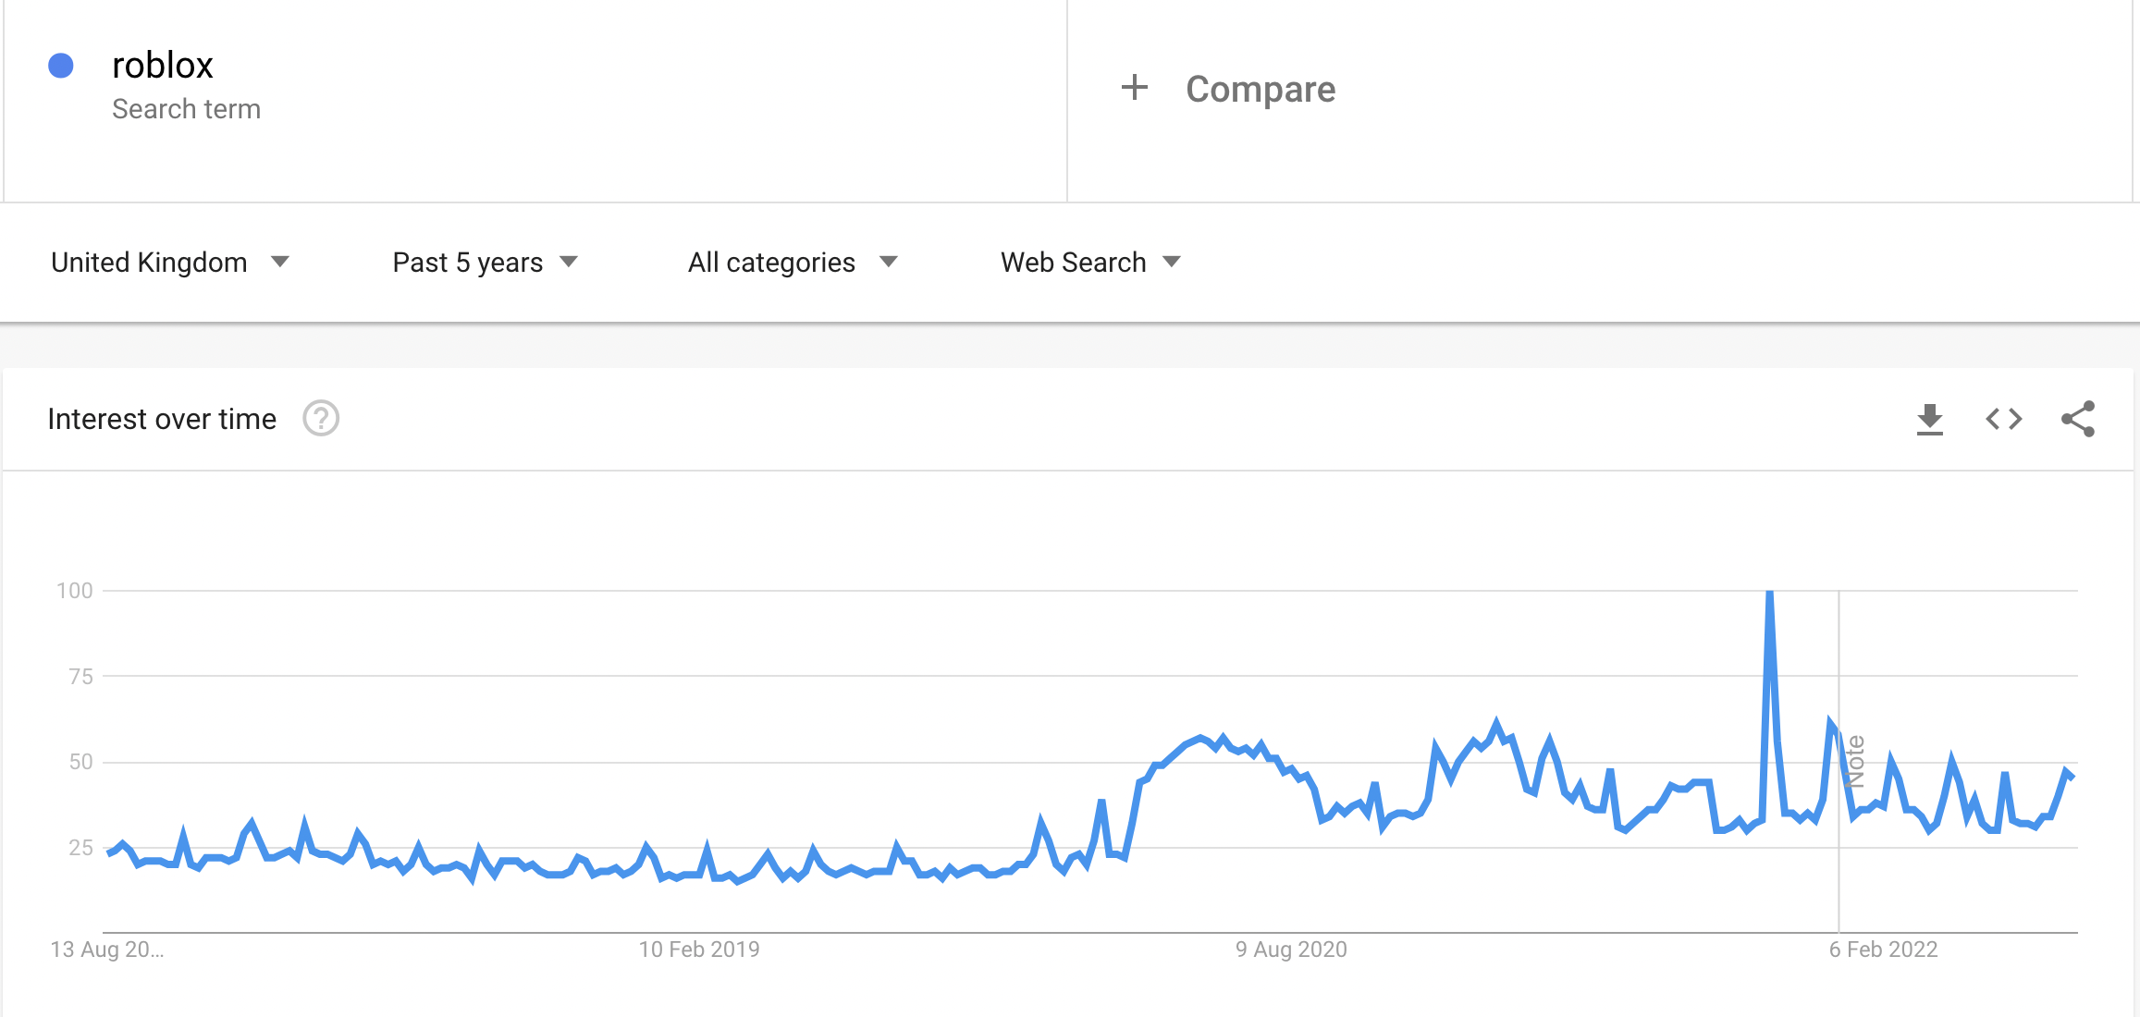
Development Pipeline |  |  |  |  |  | "Getting to point where 17-24 cohort is going to pass 9-12 cohort in size"
Dynamic Player Heads & Facial Animations (rolling out) |  |  |  |  |  | "Bookings highly correlated with hours engaged"
Custom Materials (beta) |  |  |  |  |  | Pre Covid | Pre covid 2million DAU < 5m hours per week
 |  |  |  |  |  | Covid | 3million 10m hours per week
Roblox Immersive Advertising System |  |  |  |  |  | Post Covid | 3million 8m hours per week
In-game billboard, in-game teleports - dynamic ad servers
(not just image/video but 3d units) |  |  |  |  |  | Growth markets | India & Japan
Any game developer will have ability to use the dynamic ads
Parallel economy to support brands bringing traffic to their experiences |  |  |  |  |  | Brand Experiences
 |  |  |  |  |  | Good Gaming Inc
Key Events |  |  |  |  |  | Puma | Layered Clothing
Jul-22 | July was "biggest engagement month in Roblox history" |  |  |  |  | Clarks | Immersive sports experience
 | including peak COVID time, peak across regions/demogs |  |  |  | 30m | Gucci | Gucci Town' Metaverse
 |  |  |  |  |  | McClaren
 |  |  |  |  |  | Chiptole
 |  |  |  |  |  | American Eagle
 |  |  |  |  |  | Nike
May-22 | Strengthened USD against EUR, GBP & others during 2022 |  |  |  | 3m since June | Tommy Hilfiger
 | had an inverse impact on bookings. Major in May |  |  |  |  | Ralph Lauren

 |  |  |  |  |  | Wimbledon | Wimbleworld tennis game
 |  |  |  |  |  | BRIT Awards
Roblox announce in-game ads at RDC 2022 |  |  |  |  |  | Grammy
 |  |  |  |  |  | David Guetta
 |  |  |  |  |  | SONY virtual concert
 |  |  |  |  |  | Spotify Island

 |  |  |  |  |  | TODO List:
 |  |  |  |  |  | Basic company info
 |  |  |  |  |  | Metrics (DAU etc.)
 |  |  |  |  |  | Update search trends, find better stats
 |  |  |  |  |  | https://backlinko.com/roblox-users
 |  |  |  |  |  | https://activeplayer.io/roblox/
 |  |  |  |  |  | https://d18rn0p25nwr6d.cloudfront.net/CIK-0001315098/6af8d034-0014-4cf6-a720-eb0aef28a9af.html#
 |  |  |  |  |  | Further monitization options?? (In game ads? Brand deals?)

 |  |  |  |  |  | https://seekingalpha.com/article/4510104-roblox-corporation-rblx-ceo-david-baszucki-on-q1-2022-results-earnings-call-transcript
 |  |  |  |  |  | Recent Updates
 |  |  |  |  |  | Spatial Voice (VOIP)
 |  |  |  |  |  | Layered Clothing/Fashion System (Brand experience opportunities, e.g. nike trainers)
 |  |  |  |  |  | Age Verification System (works hand in hand with Spatial Voice)
 |  |  |  |  |  | ROBLOX Cloud - access backend through API
 |  |  |  |  |  | Roblox bespoke translate system (better long term engagement growth than other translate systems)
 |  |  |  |  |  | Added datacentre in India, decreased latency by 50%

Metrics
 | Roblox Metrics | Q418 | Q119 | Q219 | Q319 | Q419 | Q120 | Q220 | Q320 | Q420 | Q121 | Q221 | Q321 | Q421 | Q122 | Q222 | Q222 | Q322 | Q422 | FY19 | FY20 | FY21 | FY22 | FY23 | FY24 | FY25
(In millions) | DAU | 13.7 | 15.8 | 17.1 | 18.4 | 19.1 | 23.6 | 33.4 | 36.2 | 37.1 | 42.1 | 43.2 | 47.3 | 49.5 | 54.1 | 52.2 | 57.6 | 60.7 | 63.4 | 17.6 | 32.6 | 45.5 | 57.6
 | DAU Q/Q | - | 15% | 8% | 8% | 4% | 24% | 42% | 8% | 2% | 13% | 3% | 9% | 5% | 9% | -4% | 7% | 5% | 4% | - | - | - | -
 | DAU Y/Y | - | - | - | - | 39% | 49% | 95% | 97% | 94% | 78% | 29% | 31% | 33% | 29% | 21% | 33% | 28% | 28% | - | 85% | 40% | 27%

 | DAU <= 13 | - | 9 | 9.9 | 10.8 | 11 | 13.3 | 17.9 | 19.3 | 19.5 | 21.3 | 21.5 | 23.1 | 23.6 | 25.5 | 24.2 | 26.7 | 27.6 | 28.3 | 10.2 | 17.5 | 22.4 | 26.5
 | DAU <= 13 Q/Q | - | - | 10% | 9% | 2% | 21% | 35% | 8% | 1% | 9% | 1% | 7% | 2% | 8% | -5% | 5% | 3% | 3% | - | - | - | -
 | DAU <= 13 Y/Y | - | - | - | - | - | 48% | 81% | 79% | 77% | 60% | 20% | 20% | 21% | 20% | 13% | 24% | 19% | 20% | - | 72% | 28% | 18%

 | DAU > 13 | - | 6.4 | 6.7 | 7.1 | 7.7 | 9.7 | 7.7 | 9.7 | 16.1 | 17.2 | 21.4 | 23.8 | 25.6 | 28.3 | 27.7 | 32.1 | 34.7 | 37.3 | 7.0 | 10.8 | 22.0 | 32.0
 | DAU > 13 Q/Q | - | - | 5% | 6% | 8% | 26% | -21% | 26% | 66% | 7% | 24% | 11% | 8% | 11% | -2% | 13% | 8% | 8% | - | - | - | -
 | DAU > 13 Y/Y | - | - | - | - | - | 52% | 15% | 37% | 109% | 77% | 178% | 145% | 59% | 65% | 29% | 50% | 46% | 46% | - | 55% | 104% | 46%

(In million hours) | User Engagement | 2,530 | 2,974 | 3,248 | 3,730 | 3,701 | 4,875 | 8,586 | 8,711 | 8,430 | 9,674 | 9,738 | 11,184 | 10,818 | 12,116 | 11,924 | 12,850 | 13,571 | 14,082 | 3,413.3 | 9,756.5 | 10,353.5 | 12,908.7
 | User Engagement Q/Q | - | 18% | 9% | 15% | -1% | 32% | 76% | 1% | -3% | 15% | 1% | 15% | -3% | 12% | -2% | 6% | 6% | 4% | - | - | - | -
 | User Engagement Y/Y | - | - | - | - | 46% | 64% | 164% | 134% | 128% | 98% | 13% | 28% | 28% | 25% | 22% | 32% | 21% | 30% | - | 186% | 6% | 25%

(In USD) | Bookings Per DAU | 10.44 | 8.98 | 8.78 | 9 | 12.37 | 10.58 | 14.81 | 13.73 | 17.3 | 15.48 | 15.41 | 13.49 | 15.56 | 11.67 | 12.25 | 14.03 | 13.40 | 13.38
(In USD Millions) | Est Bookings | 143.0 | 141.9 | 150.1 | 165.6 | 236.3 | 249.7 | 494.7 | 497.0 | 641.8 | 651.7 | 665.7 | 638.1 | 770.2 | 631.3 | 639.5 | 808.59 | 813.00 | 848.01
 | Bookings per DAU Q/Q | - | -14% | -2% | 3% | 37% | -14% | 40% | -7% | 26% | -11% | 0% | -12% | 15% | -25% | 5%
 | Bookings per DAU Y/Y | - | - | - | - | 18% | 18% | 69% | 53% | 40% | 46% | 4% | -2% | -10% | -25% | -21%

