Main
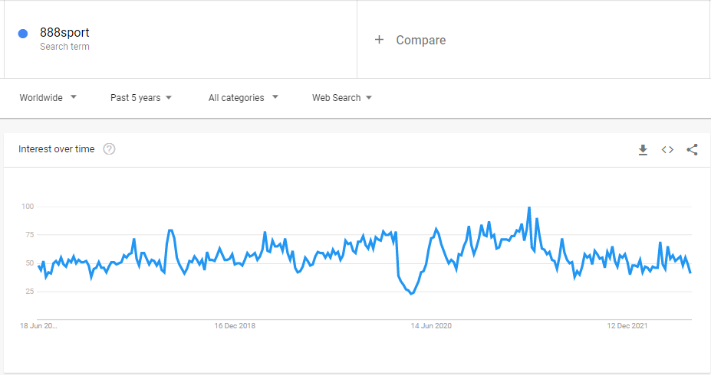
£888
888 Holdings Plc.

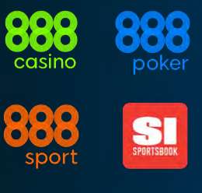
Stock Snapshot |  |  |  | Key Events
Price | 0.75
Shares | 426.54 | FY22 |  | 888 shares fall 40% as CEO quits following suspension of Middle East VIP service
MC | 319.90 |  |  | Non-exec Chair John Mendelsohn will takeover in the interim
Cash | 186.00 | Q322
Debt | 1,810.00 | Q322 |  | 888 Holdings launch 888bet in Kenya, Tanzania, Mozambique & Zambia via 888Africa
Net Cash | -1,624.00 |  |  | 888Africa hit target of four regulated markets within 6 months of founding business
EV | 1,943.90
USDGBP |  | 0.88 |  | 888 Complete Acquisition of William Hill
 |  |  |  | Following acquisition group will initially report results in four segments 888 & 3 William Hill segments

Management |  |  |  | UK Government review of 2005 Gambling Act
CEO | Mr. Itai Pazner |  |  | Maximum stakes of £2-5 for online casinos, ban on free bets/vip for heavy losers
CFO | Mr. Yariv Dafna |  | TODO: | New ombudsman, Gambling commission given new powers & more funding
COO | Ms. Naama Kushnir |  | Revenue breakdown | Online gambling revenues could fall as much as £700m if all proposed goes ahead
 |  |  | List of fines | Analysts suggest this could have a £40m impact on 888]
Chairman | Lord Jon Mendelsohn |  |  |  | Heavy debt in a high rate environment for WH acquisition
 |  |  |  | Issues £1.02bn debt and borrows further £900m to fund WH acquisition | Uncertainty over ever-delayed UK Govt. whitepaper on gambling
 |  |  |  | Combined £2.08bn from debt, borrowing & cash (inc. that raised by April placing)
Profile
HQ | Gibraltar |  |  | 888 Warn of Dent to HY22 Profits, expects £330-335 broadly in-line with expectations
Founded | 1997 |  |  | Admit tighter UK gambling restrictions & temp Dutch exit
IPO
 |  |  |  | 888 Launch Sports Illustrated Sportsbook in Virginia
Update | FY22 | Apr-14 |  | Second state launched following 2021 arrival in Colorado.
IR | Link |  |  | Offer enhanced in-play markets powered by official data from NBA, NFL, NHL + more
 |  |  |  | 888 aim to launch into more states in the coming months

Key Ratios |  |  |  | Strategic investment to launch 888 brand in Africa
P/B | 1.1x |  |  | In March 2022 888 has launched a ploy to break into Africa
P/E | 4.6x |  |  | Joined with 5 industry veterans to launch 888Africa

P/B | 2.4x |  |  | 888 Holdings Launch 'Made to Play' global brand
P/S |  |  |  | For the first time 888 launch 'master brand' to unite 888casino, 888sport & 888poker
EV/S |  |  |  | Under 'Made to Play' brand
P/E
EV/E |  |  |  | Granted iGaming license in Canada
ROCE |  |  |  | Secured a license in newly regulated market in Canada,
 |  |  |  | set to launch April 4 w/ casino, sport & poker. 888 now holds
 |  |  |  | licenses in 19 local regulated markets, including 7 US states

 |  |  |  | 2022 Fine by UK Gambling Commission
 |  |  |  | £9.4m fine after investigation revealed social responsibility
 |  |  |  | and money laundering failings
 |  |  |  | 888 also received official warning & will undergo auditing

 |  |  |  | William Hill Takeover
 |  |  |  | Processing acquisition of William Hill Intl. (non-US)
 |  |  |  | Includes all technology, real estate & talent at William Hill
 |  |  |  | (Excludes US William Hill which is owned by Caesars)
 |  |  |  | Expecting WH takeover to be complete in Q2 2022

 |  |  |  | 2021 revenue warning
 |  |  |  | Following 888 2020FY results company warned it expects tighter regulation
 |  |  |  | to knock-off £50-70m in 2021 revenues

 |  |  |  | 50% revenue growth in 2020
 |  |  |  | Company cites increased Gambling activity during 2020 COVID-19 lockdowns

 |  |  |  | Loss in revenue 2018
 |  |  |  | Fined record £7.8m by Gambling Commission in August 2017

 |  |  |  | Company History
 |  |  |  | Founded in 1997, first listed on LSE in 2005. Based in Gibraltar

