Main

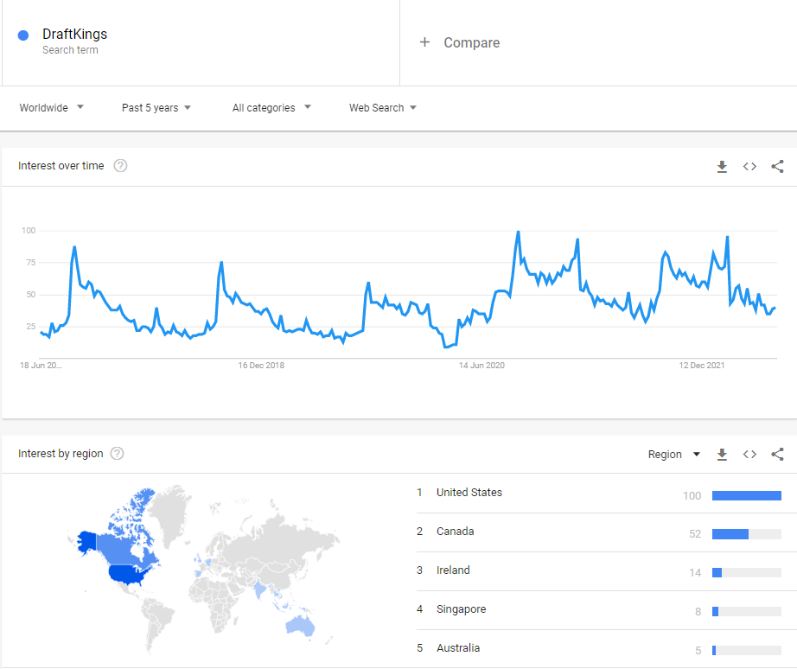
$DKNG
DraftKings Inc.

Stock Snapshot
Price | 12.37
Shares | 437.34
MC | 5,409.9
Cash | 1,772.9 |  | Key Events
Debt | 1,249.1
Net Cash | 523.8
EV | 4,886.1

Management
CEO | Jason Robins | Founder | Apr-20 | DraftKings lists on NASDAQ following SPAC merger
COO | Paul Liberman | Founder |  | Reverse merger with SBTech, Bulgarian tech firm
CRO | Matt Kalish | Founder
 |  |  | Jul-17 | Merger between FanDuel & DK blocked by FTC
 |  |  |  | Company would've controlled 90% of fantasy sports
Profile
Founded | 2011
HQ | Boston, US

