Main
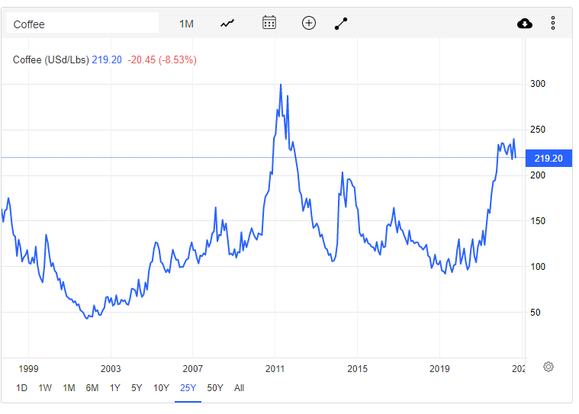
 | $SBUX
 | Starbucks Corporation

 | Stock Snapshot |  | Key Events
 | Price | 92.26
 | Shares | 1,150.0
 | MC | 106,099.0
 | Cash
 | Debt
 | Net Cash | 0.0
 | EV | 106,099.0

 | Management
Founder | CEO | Howard Shultz
Exc. VP | CFO | Rachel Ruggeri
 | COO | John Culver
 | Chair

 | Profile
 | HQ | Seattle, WA
 | Founded | 1971
 | Stores
 | Inventory

 | Update
 | IR | Link

 | Ratios
 | P/B
 | P/S
 | P/E

