Main
 | $CNVS
 | Cineverse Corp.

 | Stock Snapshot |  | Key Events |  | Channels TV & Streaming
 | Price | 2.52 |  |  | AsianCrunch
 | Shares | 15.706341 |  |  | The Bob Ross Channel
 | MC | 40 |  |  | Comedy Dynamics
 | Cash |  |  |  | CONtv
 | Debt |  |  |  | Docurama
 | Net Cash | 0 |  |  | Dog Whsiperer Channel
 | EV | 40 |  |  | The Dove Channel
 |  |  | May-23 | Corporation changed name to Cineverse | El Rey Network
 |  |  |  |  | The Elvis Presley Channel
 | Management |  |  |  | Entrepreneur TV
 | CEO | Chris McGurk |  |  | Fandor
 | CFO |  | Sep-21 | Acquired Bloody Disgusting | First Responders Network
 | CSO | Erick Opeka |  |  | Gusto TV
 | Pres. | Gary Loffredo | Feb-21 | Acquired horrror-genre streaming service Screambox | Insight TV
 |  |  |  |  | Maverick Black Cinema
 |  |  | Feb-21 | Cinedigm regains NASDAQ listing compliance after it regains minimum requirement of $1 per share | MeatEater TV
 | Profile |  |  |  | Midnight Pulp
 | HQ | LA, CA |  |  | Nacelle Pop
 | Founded | 2000 |  |  | QTTV
? | IPO | 2014 |  |  | Real Madrid TV
 |  |  |  |  | RetroCrush
 |  |  |  |  | Row8
 |  |  |  |  | Screambox
 | Update |  | 2000 | Incorporated as Cinedigm Corp | Sid & Marty Krofft
 | IR | Link |  |  | So… Real
 |  |  |  |  | So… Dramatic
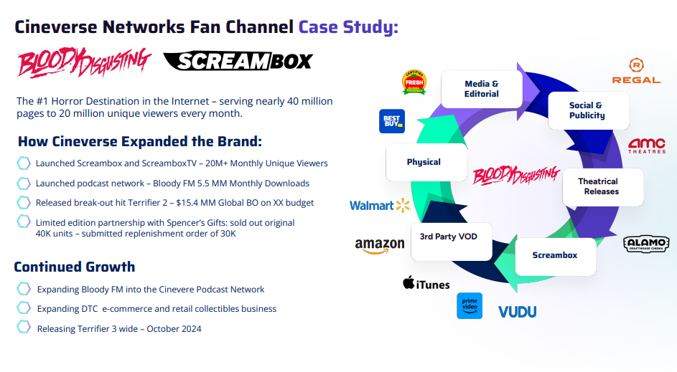
 | Valuation Metrics
 | P/B
 | P/S
 | EV/S
 | P/E
 | EV/E

