Main

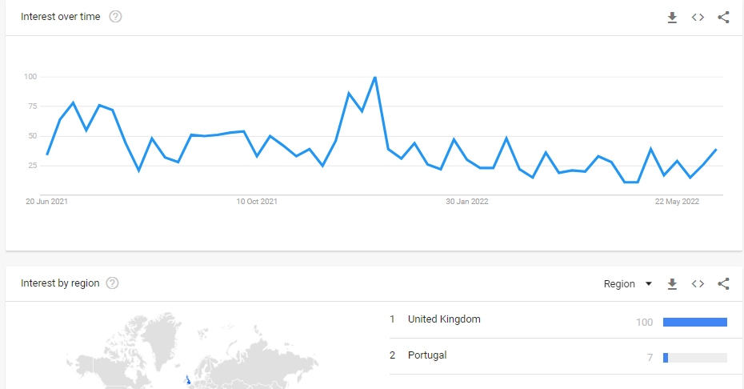
£MHC |  |  |  |  |  | Profile
MyHealthChecked Plc. |  |  |  |  |  | HQ | Cardiff, UK
 |  |  |  |  |  | Founded
Stock Snapshot |  |  |  |  |  | Update | H122 | 2022-09-21
Price | 0.0165 |  |  |  |  | IR | Link
Shares | 780.1 | H122
MC | 12.9
Cash | 7.0 | H122 | Key Events
Debt | 0.0 | H122 | Nov-19 | Penny McCormick appointed as CEO
Net Cash | 7.0 |  | Mar-20 | First UK lockdown due to COVID-19 Pandemic
EV | 5.9 |  | Dec-20 | Concepta renamed to MyHealthChecked
 |  |  | Dec-20 | Change of strategy to sell at-home generic wellbeing tests
 |  |  | Jan-21 | UKAS Stage 2 accreditation passed
Management |  |  | Apr-21 | Agreement with Boots to launch MHC COVID-19 PCR kits
CEO | Penny McCormick |  | May-21 | Second contract signed with Boots for Day 2&8 COVID tests
CFO | Nick Edwards |  | Jun-21 | Acquisition of Nell Health for £1.2m
CSO |  |  | Aug-21 | Agreement with Lloyds to supply PCR kits & lab services
 |  |  | Sep-21 | Awarded ISO 15189:2012 accreditation across COVID testing services
Chairman | Adam Reynolds |  | Nov-21 | COVID lateral flow tests in-store at Boots
 |  |  | Apr-22 | CFO Nick Edwards joins MHC
 |  |  | Jun-22 | Food intolerance, Vitamins, Weight mgt, Glucose & Heart wellness tests release
 |  |  |  | on myhealthchecked.com, "unavailable" on Amazon, no retail stores
 |  |  | Jul-22 | MHC report strong revenue in H1 22 & due to issue July trading update |  |  |  |  | Presentations
 |  |  | Jul-22 | First batch of DNA Wellness tests release on Amazon |  |  |  |  | FY 22 | Link
 |  |  | Aug-22 | Chairman Adam Reynolds buys 1m shares @ average of 2p per share (£20k) |  |  |  |  | FY 21 | Link
Share Placings |  |  | Oct-22 | 16m share options granted to Exec. Dirs @ exercise price of 1.6p per share
Apr-20 | £1.9m gross @ 0.8p
Feb-21 | £3.4m @ 1.75p

Acquisitions
Nov-20 | Genome Store |  | Products
Jun-21 | Nell Health |  | COVID-19 |  | Fit to Fly PCR, Fit to Fly Antigen, COVID Recovery Cert
 |  |  | Pregnancy |  | myLotus
 |  |  | Wellbeing |  | Food Intolerance, Vitamins/minerals, Weight Mgmt, Glucose, Heart Profile |  |  |  | Launched 14th June 2022
Ratios
P/E | 5.1x
P/B | 1.5x
P/S | 0.6x
EV/S | 0.3x
EV/E | 2.6x
ROCE | 17%

