Main

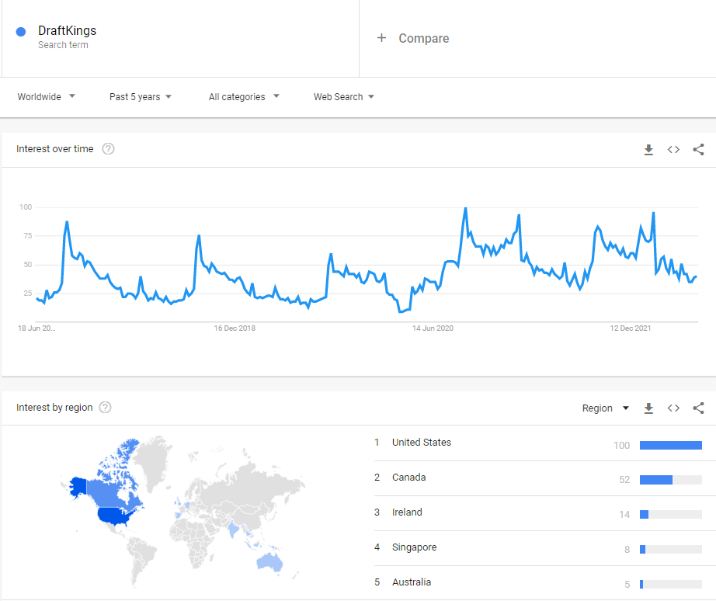
$DKNG
DraftKings Inc.

Stock Snapshot
Price | 11.26
Shares | 448.848235 | Q322
MC | 5,054.0
Cash | 1,964.0 | Q322 |  | Key Events
Debt | 1,250.4 | Q322
Net Cash | 713.6 | Q322
EV | 4,340.4

Management
CEO | Jason Robins |  | Founder | Apr-20 | DraftKings lists on NASDAQ following SPAC merger
COO | Paul Liberman |  | Founder |  | Reverse merger with SBTech, Bulgarian tech firm
CRO | Matt Kalish |  | Founder
 |  |  |  | Jul-17 | Merger between FanDuel & DK blocked by FTC
 |  |  |  |  | Company would've controlled 90% of fantasy sports
Profile
Founded | 2011
HQ | Boston, US

Update | Q322 | 4-Nov-22
IR | Link

