Main
 | $ATSG
 | Air Transport Services Group, Inc.

 | Stock Snapshot |  |  |  | Key Events |  | Company Info
 | Price | 28.47 |  |  |  |  | American holding aviation company
 | Shares | 74.0 | Q322
 | MC | 2,106.7 |  |  |  |  | Primary US DoD Contractor
 | Cash | 54.5 | Q322
 | Debt | 1,369.6 | Q322
 | Net Cash | -1,315.2 | Q322 |  |  |  | Subsidiaries
 | EV | 3,421.9 |  |  |  |  | Cargo Aircraft Management
 |  |  |  |  |  |  | Airborne Global Solutions
 |  |  |  |  |  |  | Air Transport International (Cargo & Pax)
 | Management |  |  |  |  |  | ABX Air (Cargo Airline)
 | CEO | Richard Corrado |  |  |  |  | Omni Air International (Pax leasing, Charter)
 | CFO | Quint Turner |  |  | May-21 | ATSG & GA Telesis announced a joint-venture that will establish an engine hospital facility in the United States | Airborne Maintenance & Engineering Services
 | COO | Edward Koharik III |  |  |  |  | PEMCO Conversions (737 & A321 to freight)
 | Chair | Joseph Hete |  | Retired 40yr CEO (2020) |  |  | LGSTX Services (Airport Support Services)
 |  |  |  |  |  |  | TriFactor Distribution Solutions

 | Airline Profile
Fleet | Aircraft |  | 117
 | Orders |  | 2 | A321-200 (Cargo Convert)
 | Destinations |  | N/A

 | Company Profile |  |  |  | Oct-18 | ATSG announced it was to acquire Omni Air International based in Tulsa, Oklahoma - a passenger & charter services specialised in serving US & foreign Govt.
 | HQ | Wilmington, OH
 | Founded | 1980
 | IPO | 2003 |  | (Formerly ABX Air)

 | Update | Q322 | 2022-11-03
 | IR | Link

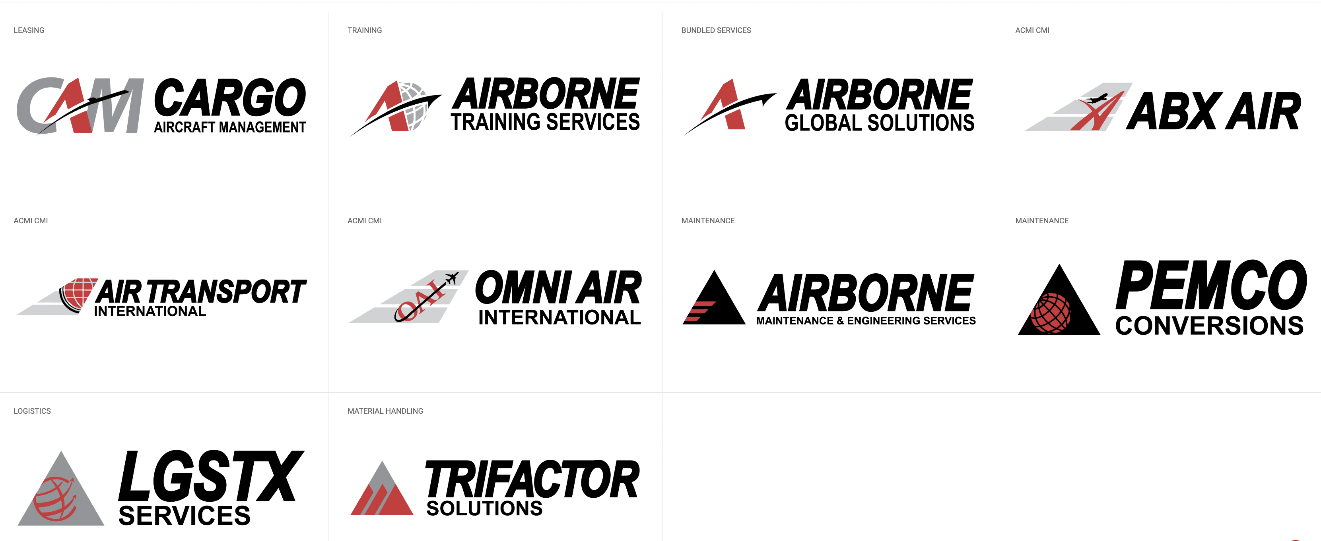
 | Key Metrics
 | P/B | 1.4x
 | P/S
 | EV/S
 | P/E

