Main
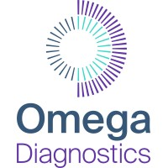
£ODX
Omega Diagnostics Group

Stock Snapshot
Price | 0.0393
Shares | 232.7 | FY21
MC | 9.1
Cash | 0.2 | FY21
Debt | 0.9 | FY21
Net Cash | -0.7
EV | 9.8

Management
CEO | Jag Grewal
CFO | Chris Lea

Chairman | Simon Douglas

Profile
HQ
Founded

IPO

Update
IR

