Main
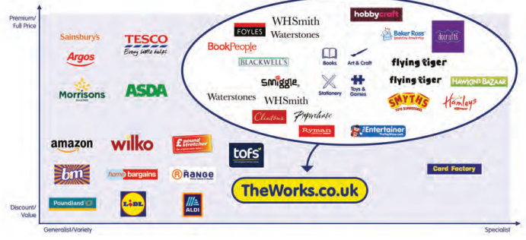
£WRK
TheWorks.co.uk Plc.

Stock Snapshot |  |  | Key Events
Price | 0.401
Shares | 62.5 | FY23
MC | 25.1
Cash | 10.2 | FY23
Debt | 1.0 | FY23
Net Cash | 9.1 | FY23
EV | 15.9

Management
CEO | Gavin Peck
CFO | Stephen Alldridge
COO
Chair

Profile
HQ | Birmingham, UK
Founded | 1981
IPO | 2018

Stores | 526
Inventory | 33.4
Headcount | 4,044

Update | FY23 | Aug-23
IR | Link

Valuation Metrics
P/B | 15.2x
P/S | 0.1x
EV/S | 0.1x
P/E | 0.1x
EV/E | 3.0x

