Main
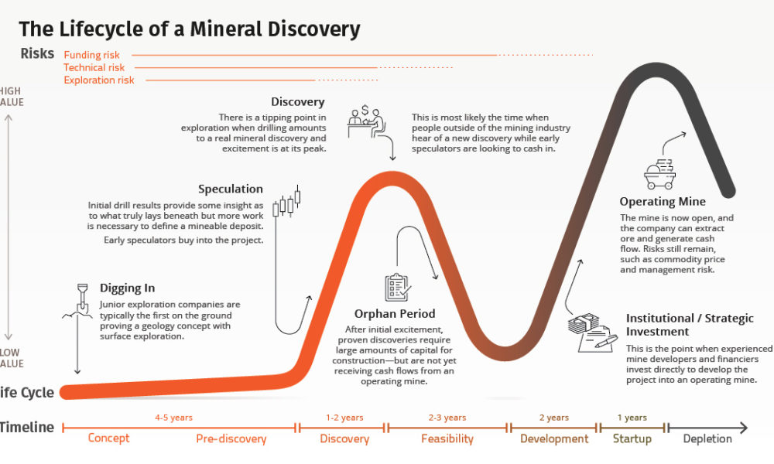
£KOD |  |  |  | Exploration of Lithium & Gold deposits in Mali, Africa
Kodal Minerals Plc.

Stock Snapshot |  |  |  | Key Events |  |  |  | Projects
Price | 0.0053 |  |  | Sep-23 | KOD confirm they are not impacted by new Mali Govt. mining rules which would've seen larger % interest sacrificed |  |  | Bougouni Lithium Project | Mali | Flagship
Shares | 17,010.0 | FY21 |  |  |  |  |  | 4-Year Mine Life
MC | 89.3 |  |  |  |  |  |  | 130,000 tonnes per annum of spodumene
Cash | 2.0 | FY21 |  |  |  |  |  | concentrate
Debt | 0.0 | FY21 |  | Mar-23 | RNS detailing new admission of shares for JV investment, 106,250,000 new shares added to the total share capital
Net Cash | 2.0 | FY21
EV | 87.3 |  |  | Feb-23 | Kodal Minerals confirm receipt of $7 million for JV subsidiary as mentioned in previous finance agreement

 |  |  |  | Jan-23 | Kodal Minerals spikes +60% on news of $117.75m funding secured via a Joint Venture to fully finance lithium project
Management
CEO | Bernard Aylward |  | B.Sc, MAusIMM | Sep-22 | Kodal Minerals consider DMS plant "fast-track" option on Mali project
CFO
COO | Steven Zaninovich |  | B.E Civil, B.E.
Chair
 |  |  |  |  |  |  |  | Gold mining permits held in Mali & Cote d'Ivoire

Profile
HQ | London, UK
Founded | 2010 |  |  | May-21 | 2021 Malian coup d'etat begins led by the Malian Army & Vice President of Mali. Third coup in Mali in 10 years

Update
IR | Link

 |  |  |  | Pending financing & Mali Government approval |  | Funding Options:
 |  |  |  |  |  | Go-it Alone | Risk, Highest valuation
 |  |  |  | 10-Oct-22 "Financing due to be announced in next 8 weeks (Dec-05~)" |  | JV | Risk, Out of KOD control
 |  |  |  |  |  | Buyout | Low Risk, lower valuation

 |  |  |  | https://kodalminerals.com/wp-content/uploads/2022/09/Kodal-MineralsAnnual-Report.pdf

