Main
£CINE
Cineworld Group Plc.

Stock Overview |  |  |  | Notes |  | Key Events
Price | 0.03 |  |  | #2 Top shorted UK listed share |  | Aug-22 | WSJ report breaks news that CINE is preparing to file for bankruptcy, shares drop
Shares | 1,370.0 | FY21
MC | 37.0 |  |  | Currently Cineworld is the second largest
Cash | 294.1 | FY21 |  | cinema chain in the world |  | Jul-22 | Cineworld CEO Mooky Greidinger found guilty by Israeli court of infringing merger
Debt | 4,307.4 | FY21 |  |  |  |  | conditions dating back to 2010. | Link
Net Cash | -4,013.3 | FY21 |  | CEO "consumed with becoming worlds #1 |  |  | Fine will be set in October. CEO handed suspended sentence
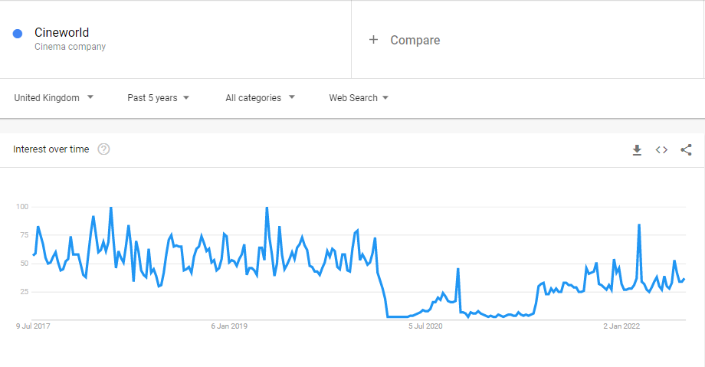
EV | 4,050.3 |  |  | cinema chain in the world" -Globes 2020
USDGBP |  | 0.83 |  |  |  | Mar-22 | Cineworld exit FTSE250 after share price crash due to COVID pandemic
 |  |  |  | Cineworld fined £720m by Canadian court
Management |  |  |  | over aborted Cineplex Ent. Bid |  | Dec-21 | Cineworld announce they plan to appeal decision
CEO | Mooky Greidinger |  |  |  |  | Dec-21 | Ontario Court of Superior Justice order Cineworld to pay damages of $1.23bn CAD
Dep CEO |  |  |  | Cineworld CEO found guilty by Israeli |  |  | This decision caused share price to fall by 30% overnight (CAD -> £730m)
COO |  |  |  | court over 2010 merger. Fine TBD
Chair |  |  |  | CEO was handed suspended sentence!
 |  |  |  |  |  | Aug-21 | Cineworld considers dual-US listing for it's US based "Regal" business

Profile |  |  |  | Chains/Brands
HQ | Brentford, UK |  |  | Regal | US | Jun-20 | Cineworld terminate the purchase agreement causing Cineplex to sue Cineworld over
Founded | 1995 |  |  | United Artists |  |  | the aborted purchase
Screens | 9,181 |  |  | Edwards Theatres
Sites | 751 |  |  | Cineworld | UK/IE | Dec-19 | Cineworld announce proposed acquisition of Cineplex Entertainment for $2.1bn
Update | FY21 | Apr-21 |  | Picturehouse |  |  | The deal would have made it North America's largest cinema chain
IR | Link |  |  | Cinema City
 |  |  |  | Yes Planet | Israel
 |  |  |  | Rav-Chen

 |  |  | "In the event that Cineworld is unsuccessful on appeal the group would not have sufficient liquidity to pay the existing level of damages awarded"

