Sheet1
CE Amp

Input (Vpp) | Output (Vpp) | Gain | Freq
1 | 5.9 | 5.9 | 1kHz

CE AC Sweep
Frequency (Hz) | Output (Vpp) | Gain
1 | 0.190 | 0.19
2 | 0.363 | 0.363
5 | 0.853 | 0.853
10 | 1.649 | 1.649
20 | 2.967 | 2.967
50 | 4.656 | 4.656
100 | 5.360 | 5.36 |  |  |  | Without Ce Bypass Cap
200 | 5.790 | 5.79 |  |  |  | Input | Output | Gain
500 | 5.890 | 5.89 |  |  |  | 0.969 | 5.192 | 5.3581011352
1000 | 5.900 | 5.9
2000 | 5.887 | 5.887
5000 | 5.736 | 5.736 |  |  |  | With Ce Bypassing Re1 and Re2
10000 | 5.576 | 5.576 |  |  |  | Input | Output | Gain
20000 | 5.392 | 5.392 |  |  |  | 0.0096 | 0.92 | 95.833333333
50000 | 5.370 | 5.37
100000 | 5.360 | 5.36
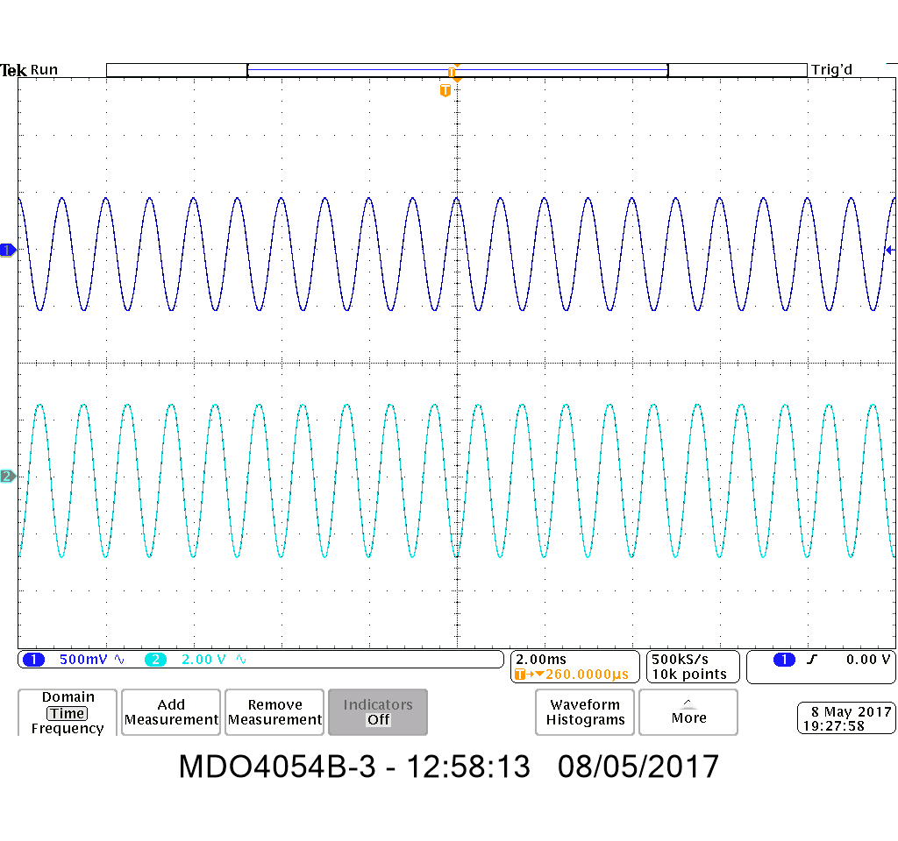
200000 | 5.440 | 5.44
500000 | 5.440 | 5.44
1000000 | 5.360 | 5.36
2000000 | 5.200 | 5.2
5000000 | 4.400 | 4.4
10000000 | 2.800 | 2.8
20000000 | 2.200 | 2.2
50000000 | 1.300 | 1.3

DC Operating Voltages | Measured (V)
Vb1 | 1.154
Vc1 | 7.136
Ve1 | 0.504
V(Re1) | 0.073

Input Impedance | 54.959k
Vc at no input load | 5.840 |  |  |  | Z=R(V-V_L)/V_L
Vc at input impedance | 2.92 |  |  |  | http://www.zen22142.zen.co.uk/Theory/inzoz.htm
Input R | 54.959k
 |  |  |  | Actual | Simulated
Output Impedance | 2183.3138696 |  | V_L | 5.8228 | 5.9
 |  |  | V_OC | 7.0941 | 7.16
 |  |  | R_L | 10000 | 10000
 |  |  | Impedance | 2183.3138696 | 2135.5932203

CC Amp

Input (Vpp) | Output (Vpp) | Gain | Freq | WITH Cc!
0.96 | 0.96 | 1 | 1kHz

CC AC Sweep with Cc
Frequency (Hz) | Output (Vpp) | Gain
1 | 0.480 | 0.5
2 | 0.520 | 0.54166666667
5 | 0.680 | 0.70833333333
10 | 0.800 | 0.83333333333
20 | 0.900 | 0.9375
50 | 0.962 | 1.0020833333
100 | 0.967 | 1.0072916667
200 | 0.963 | 1.003125
500 | 0.980 | 1.0208333333
1000 | 0.991 | 1.0322916667
2000 | 0.983 | 1.0239583333
5000 | 0.940 | 1.0140237325
10000 | 0.920 | 1.0454545455
20000 | 0.900 | 1.0169491525
50000 | 0.880 | 1.0476190476
100000 | 0.880 | 1.0476190476
200000 | 0.900 | 1.0227272727
500000 | 0.900 | 1.0227272727
1000000 | 0.900 | 1.0227272727
2000000 | 0.900 | 1.0227272727
5000000 | 0.900 | 1.0227272727
10000000 | 1.200 | 1.0526315789
20000000 | 1.140 | 1.0555555556

CC AC Sweep with no Cc
Frequency (Hz) | Input (Vpp) | Output (Vpp) | Gain
1 | 0.809 | 0.0024 | 0.0029666254635
2 | 0.924 | 0.0024 | 0.0025974025974
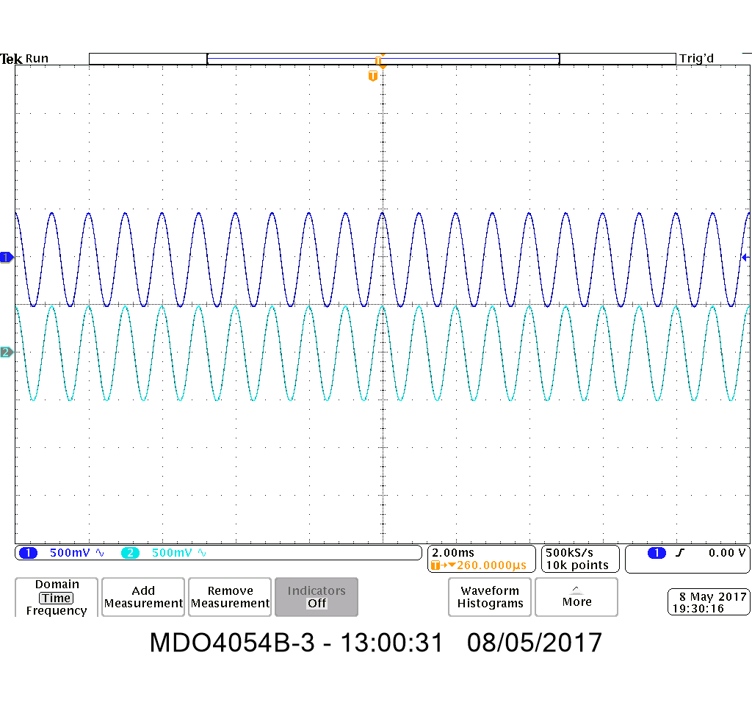
5 | 0.983 | 0.0023 | 0.0023397761953
10 | 0.988 | 0.0024 | 0.0024291497976
20 | 0.966 | 0.003 | 0.0031055900621
50 | 0.966 | 0.003 | 0.0031055900621
100 | 0.966 | 0.0031 | 0.0032091097308
200 | 0.966 | 0.003 | 0.0031055900621
500 | 0.984 | 0.0036 | 0.0036585365854
1000 | 0.983 | 0.0036 | 0.0036622583927
2000 | 0.962 | 0.004 | 0.004158004158
5000 | 0.920 | 0.0041 | 0.0044565217391
10000 | 0.920 | 0.028 | 0.030434782609
20000 | 0.880 | 0.028 | 0.031818181818
50000 | 0.880 | 0.031 | 0.035227272727
100000 | 0.880 | 0.034 | 0.038636363636
200000 | 0.900 | 0.048 | 0.053333333333
500000 | 0.900 | 0.091 | 0.10111111111
1000000 | 0.880 | 0.132 | 0.15
2000000 | 0.880 | 0.244 | 0.27727272727
5000000 | 0.900 | 0.436 | 0.48444444444
10000000 | 0.940 | 0.544 | 0.57872340426
20000000 | 1.120 | 0.7 | 0.625

DC Operating Voltages | Measured (V)
Vb2 | 5.2966
Ve2 | 4.65095

Input Impedance | 24456.356128
Rp | 1000000
V1 | 0.353
V2 | 0.008427
V_Rp | 0.345 |  |  |  | Z=R(V-V_L)/V_L
I_Rp | 0.00000034 |  |  |  | http://www.zen22142.zen.co.uk/Theory/inzoz.htm
Input R | 24456
 |  |  |  | Actual | Simulated
Output Impedance | 139.41406394 |  | V_L | 4.08065 | 4.58475
 |  |  | V_OC | 4.13754 | 4.62766
 |  |  | R_L | 10000 | 10000
 |  |  | Impedance | 139.41406394 | 93.592889471

Combined

Input (Vpp) | Output (Vpp) | Gain | Freq
0.985 | 5.363 | 5.4446700508 | 1kHz

Input Impedance | 46259
Rp | 1000000 |  |  | Simulated Input Imp
V1 | 0.353 |  |  | 0.353
V2 | 0.015625 |  |  | 0.293
V_Rp | 0.338 |  |  | 0.06
I_Rp | 0.00000034 |  |  | 0.000006
Input R | 46259 |  |  | 48833.333333
 |  |  |  | Actual | Simulated
Output Impedance | 80.540680601 |  | V_L | 4.6312 | 4.58
 |  |  | V_OC | 4.6685 | 4.63
 |  |  | R_L | 10000 | 10000
 |  |  | Impedance | 80.540680601 | 109.17030568

Combined AC Sweep
Frequency (Hz) | Input (Vpp) | Output (Vpp) | Gain
1 | 0.800 | 0.0312 | 0.039000
2 | 0.800 | 0.1340 | 0.167500
5 | 0.985 | 0.6222 | 0.631803
10 | 0.991 | 1.4180 | 1.431311
20 | 0.967 | 2.5840 | 2.673288
50 | 0.966 | 4.1780 | 4.325052
100 | 0.967 | 4.9380 | 5.108628
200 | 0.966 | 5.2100 | 5.393375
500 | 0.986 | 5.3450 | 5.419244
1000 | 0.984 | 5.3320 | 5.421454
2000 | 0.962 | 5.2850 | 5.492621
5000 | 0.941 | 5.1790 | 5.503719
10000 | 0.921 | 5.0450 | 5.477742
20000 | 0.900 | 4.9200 | 5.466667
50000 | 0.880 | 4.8400 | 5.500000
100000 | 0.880 | 4.8400 | 5.500000
200000 | 0.900 | 4.9600 | 5.511111
500000 | 0.900 | 4.9200 | 5.466667
1000000 | 0.910 | 4.9200 | 5.406593
2000000 | 0.920 | 4.7600 | 5.173913
5000000 | 0.900 | 4.0400 | 4.488889
10000000 | 0.660 | 2.0800 | 3.151515
20000000 | 0.920 | 1.5600 | 1.695652

