Sheet2
色彩 | (全部)
材质 | (全部)

款式 | 计数项:ASIN | 求和项:# of Reviews
单肩包 | 1 | 61
双肩包 | 4 | 454
水桶包 | 1 | 249
小方包 | 8 | 2754
子母 | 6 | 1059
总计 | 20 | 4577

款式 | 计数项:ASIN
单肩包 | 1
双肩包 | 4
水桶包 | 1
小方包 | 8
子母 | 6
总计 | 20

TOP100
# | Product Name | Brand | Price | Category | Rank | 功能 | 款式 | 材质 | 色彩 | Est. Sales | Est. Revenue | # of Reviews | Rating | BB Seller | ASIN | Link
1 | ALARION Women Top Handle Satchel Handbags Shoulder Bag Messenger Tote Bag Purse | ALARION | $26.98 | Clothing, Shoes & Jewelry | 1,674 | 斜跨 | 小方包 | 皮 | 黑色 | 1,394 | $37,610 | 186 | 4 | FBA | B071RRMWBH | https://www.amazon.com/dp/B071RRMWBH
2 | LoZoDo Women Top Handle Satchel Handbags Shoulder Bag Tote Purse | LoZoDo | $25.98 | Clothing, Shoes & Jewelry | 3,363 | 斜跨 | 水桶包 | 皮 | 黑色 | 1,014 | $26,344 | 249 | 3.5 | FBA | B06XF365D8 | https://www.amazon.com/dp/B06XF365D8
3 | YNIQUE Women Top Handle Handbags Satchel Purse Tote Bag Shoulder Bag | YNIQUE | $25.89 | Clothing, Shoes & Jewelry | 3,377 | 斜跨 | 小方包 | 皮 | 黑色 | 1,012 | $26,201 | 90 | 4.5 | FBA | B073R89NY7 | https://www.amazon.com/dp/B073R89NY7
4 | Scarleton Stylish Reversible Tote Bag H1842 | Scarleton | $25.99 | Clothing, Shoes & Jewelry | 3,985 | 斜跨 | 小方包 | 皮 | 黑色 | 931 | $24,197 | 640 | 4 | FBA | B014K09RHM | https://www.amazon.com/dp/B014K09RHM
5 | MICHAEL Michael Kors Jet Set Top-Zip Tote | N.A. | $208.49 | Clothing, Shoes & Jewelry | 6,120 | 斜跨 | 小方包 | 皮 | 黑色 | 736 | $153,449 | 1087 | 4.5 | FBA | B003CN6362 | https://www.amazon.com/dp/B003CN6362
6 | SiMYEER Women's Pu Leather Backpack Purse Ladies Casual Shoulder Bag School Bag for Girls | SiMYEER | $26.98 | Clothing, Shoes & Jewelry | 6,165 | 斜跨 | 子母 | 皮 | 黑色 | 733 | $19,776 | 78 | 4.5 | FBA | B073Z9ZB7F | https://www.amazon.com/dp/B073Z9ZB7F
7 | ToLFE Women Top Handle Satchel Handbags Tote Purse Shoulder Bag | ToLFE | $19.98 | Clothing, Shoes & Jewelry | 6,170 | 双肩 | 子母 | 布 | 黑色 | 732 | $14,625 | 95 | 4.5 | N.A. | B06XSBN7L3 | https://www.amazon.com/dp/B06XSBN7L3
8 | Cadier Womens Designer Purses and Handbags Ladies Tote Bags, Color Maroon | Cadier | $24.99 | Clothing, Shoes & Jewelry | 6,332 | 双肩 | 子母 | 皮 | 黑色 | 721 | $18,018 | 45 | 4.5 | FBA | B0747RM49Q | https://www.amazon.com/dp/B0747RM49Q
9 | YNIQUE Women Top Handle Satchel Handbags Tote Purse Crocodile Leather Tote Bag | YNIQUE | $24.99 | Clothing, Shoes & Jewelry | 6,728 | 双肩 | 子母 | 皮 | 黑色 | 696 | $17,393 | 288 | 3.5 | FBA | B01NAH0U55 | https://www.amazon.com/dp/B01NAH0U55
10 | Hiigoo Canvas Shoulder Bag | Hiigoo | $19.98 | Clothing, Shoes & Jewelry | 6,797 | 双肩 | 子母 | 皮 | 黑色 | 692 | $13,826 | 314 | 4.5 | FBA | B01I38WWTM | https://www.amazon.com/dp/B01I38WWTM
11 | COCIFER Women Top Handle Satchel Handbags Tote Purse | COCIFER | $27.98 | Clothing, Shoes & Jewelry | 7,074 | 双肩 | 小方包 | 皮 | 黑色 | 675 | $18,887 | 150 | 3.5 | FBA | B01N6AZVNE | https://www.amazon.com/dp/B01N6AZVNE
12 | Cadier Womens Designer Purses and Handbags Ladies Tote Bags | Cadier | $24.99 | Clothing, Shoes & Jewelry | 7,105 | 双肩 | 单肩包 | 皮 | 黑色 | 674 | $16,843 | 61 | 4.5 | FBA | B073H7CWTB | https://www.amazon.com/dp/B073H7CWTB
13 | Fantastic Zone Women Handbags Fashion Handbags for Women PU Leather Shoulder Bags Messenger Tote Bags | Fantastic Zone | $24.99 | Clothing, Shoes & Jewelry | 7,743 | 双肩 | 双肩包 | 皮 | 黑色 | 639 | $15,969 | 13 | 4 | FBA | B073WW94SQ | https://www.amazon.com/dp/B073WW94SQ
14 | TcIFE Women Top Handle Satchel Handbags Tote Purse | TcIFE | $24.99 | Clothing, Shoes & Jewelry | 8,539 | 装饰 | 双肩包 | 皮 | 黑色 | 600 | $14,994 | 365 | 4 | FBA | B01LSEIPBM | https://www.amazon.com/dp/B01LSEIPBM
15 | GEARONIC TM Fashion Women Handbag Shoulder Bags Envelope Clutch Crossbody Satchel Purse Leather Lady Bag | GEARONIC TM | $6.99 | Clothing, Shoes & Jewelry | 8,582 | 装饰 | 子母 | 皮 | 黑色 | 598 | $4,180 | 239 | 3.5 | FBA | B010OT9ZV6 | https://www.amazon.com/dp/B010OT9ZV6
16 | Women Purse Handbags Wallets Bag Set Shoulder Bag Large Tote Bag Top Handle Satchel | YNIQUE | $24.98 | Clothing, Shoes & Jewelry | 9,126 | 装饰 | 双肩包 | 皮 | 黑色 | 575 | $14,364 | 7 | 5 | FBA | B075867CB5 | https://www.amazon.com/dp/B075867CB5
17 | BNWVC Women Top Handle Satchel Handbags Tote Purse Shoulder Bag | BNWVC | $26.99 | Clothing, Shoes & Jewelry | 9,161 | 装饰 | 双肩包 | 皮 | 黑色 | 574 | $15,492 | 69 | 4 | FBA | B072NZM1FC | https://www.amazon.com/dp/B072NZM1FC
18 | Women Bag Casual Vintage Shoulder Bag Handbags Cross Body Bag Large Capacity Bags JUNDUN | JUNDUN | $27.99 | Clothing, Shoes & Jewelry | 9,771 | 装饰 | 小方包 | 皮 | 黑色 | 549 | $15,367 | 125 | 4.5 | FBA | B0756C31SS | https://www.amazon.com/dp/B0756C31SS
19 | COCIFER Women Top Handle Satchel Handbags Shoulder Bags Tote Purse | COCIFER | $26.98 | Clothing, Shoes & Jewelry | 10,104 | 野外 | 小方包 | 皮 | 黑色 | 537 | $14,488 | 184 | 3.5 | FBA | B06XK5B8HP | https://www.amazon.com/dp/B06XK5B8HP
20 | Micom Casual Signature Printing Pu Leather Tote Shoulder Handbag with Metal Decoration for Women | MICOM | $18.90 | Clothing, Shoes & Jewelry | 10,357 | 野外 | 小方包 | 皮 | 黑色 | 528 | $9,979 | 292 | 4 | FBA | B00WLLOAO8 | https://www.amazon.com/dp/B00WLLOAO8

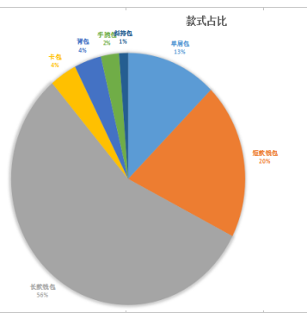
1.TOP100款式占比
 | 款式 | 数量 | 价格 | 评论量
 | 双带 | 20
 | 背包 | 2
 | 手提 | 1
 | 斜跨 | 1

2.TOP100品牌市场占比分析
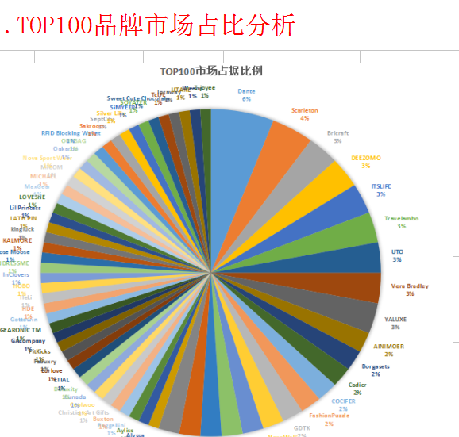

价格款式
 |  | 0-15 | 15-30 | 30-45 | 45-60 |  | 60以上
双带 |  | 4 | 14
背包 |  | 2 | 5 | 1 | 1
手提 |  | 13 | 3
斜跨 |  | 22 | 10 | 6
其他1 |  | 3
其他2 |  |  | 2 | 3
其他3 |  |  |  |  |  |  | 1
其他4 |  |  | 1
3.价格区间划分
款式 |  | 0-15 | 15-30 | 30-45 | 45-60 |  | 60以上
双带 |  | 4 | 14
背包 |  | 2 | 5 | 1 | 1
手提 |  | 13 | 3
斜跨 |  | 22 | 10 | 6
其他1 |  | 3
其他2 |  |  | 2 | 3
其他3 |  |  |  |  |  |  | 1
其他4 |  |  | 1
4.发货模式分析
发货模式占比
AMZ | 3
FBA | 90
FBM | 7

5.评分与计数
评分筛选
评分 |  | 计数
3.5 |  | 7
4 |  | 22
4.5 |  | 60
5 |  | 11
6.rank与计数
7.rank与价格计数

图片
