Testing
User Story: | Acceptance Criteria | Description | Test | ref | Expected Result | Actual Result
As a user, I want to play an interactive game. | The hero character should be moveable. | The character will be able to move using buttons or keys. | Does the character move up, down, left and right using the arrow keys? | MS2 - 001 | Yes. When key is pressed the character moves in the expected direction (if the move is allowed). | Yes. When key is pressed the character moves in the expected direction (if the move is allowed). BUG - screen moves when up/down keys are pressed
 |  |  | Does the character move up, down, left and right using the W A S & D keys? | MS2 - 002 | Yes. When key is pressed the character moves in the expected direction (if the move is allowed). | Yes. When key is pressed the character moves in the expected direction (if the move is allowed).
 |  |  | Does the character move up, down, left and right using the 8 4 6 & 2 keys? | MS2 - 003 | Yes. When key is pressed the character moves in the expected direction (if the move is allowed). | Yes. When key is pressed the character moves in the expected direction (if the move is allowed).
 |  |  | Does the character move up, down, left and right using the buttons? | MS2 - 004 | Yes. When key is pressed the character moves in the expected direction (if the move is allowed). | Yes. When key is pressed the character moves in the expected direction (if the move is allowed).
 |  |  | Does the character move when a different key is pressed? | MS2 - 005 | No. When key any other key is pressed. | No. When key any other key is pressed.
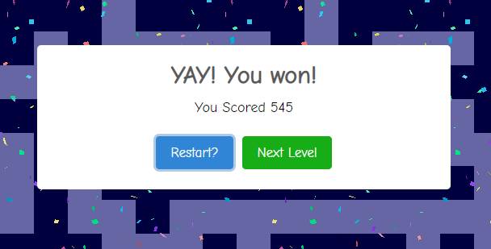
 | There should be rules for the environment. | The character will not be able to walk off the edge of the map or through the Maze walls. | Can the character walk through a wall? | MS2 - 006 | No. | No. Score reduces but cannot walk through the wall.
 |  |  | Can the character walk through off the edge of the board? | MS2 - 007 | No. | No. Score reduces but cannot walk through the wall.
 | The should be multiple game maps. | There will be at least two maze maps, with a clear exit on each map. | Is there more that one maze map? | MS2 - 008 | Yes. | Yes. There are 3 maze maps.
 |  |  | Is the exit clearly marked? | MS2 - 009 | Yes. | Yes. Marked by green door or square.

As a user, I want to know if I have won or lost the game. | There should be a clear end point. | There will be a clear exit on each map. | Is the exit clearly marked? | MS2 - 010 | Yes. Marked by green door or square. | Yes. Marked by green door or square.
 | It should be clear that the user has won/lost the game. | Modal will be used to tell the user that they have Won or Lost the game. | Is there a modal to say that the user won? | MS2 - 011 | Yes. Modal says "You Win" | Yes. Modal pops up saying "YAY! You WON! You scored xxx" with buttons saying "Restart?" and "Next Level?" and confeti falling down behind the modal.
 |  |  | Is there a modal to say that the user lose? | MS2 - 012 | Yes. Modal says "You Lose" | Yes. Modal pops up saying "You Lose! You ghost will wander lost in this maze forever." with a ghost moving back and forth above it and a button saying "Play Again!"
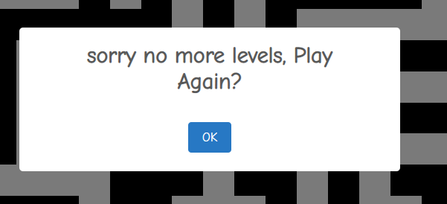
 | If the user loses / finishes the game there should be an option to re-start. | The loose modal will have the option to play again. When you get to the end a modal will pop up with the option to play again. | Is there the option to play again on the loose modal? | MS2 - 013 | Yes.
 |  |  | Is it clear that we have go to the end of the game? | MS2 - 014 | Yes. Modal says "Sory no more levels." | Yes. Modal pops up saying "sorry no more levels, Play Again?" with a "OK" button.
 |  |  | Is there the option to play again on the end game modal? | MS2 - 015 | Yes.

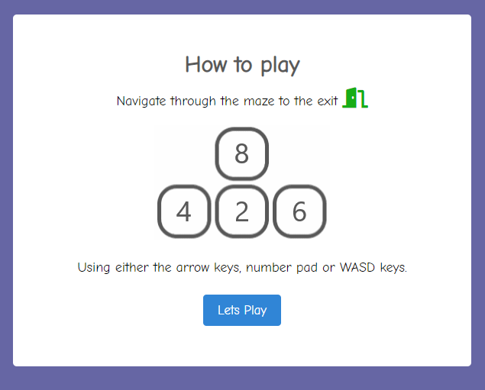
As a user, I want to play know how to play the game. | The instruction to play the game should be clear and visible on first playing. | The instruction will pop up on game start. | Does the Modal pop up on start up? | MS2 - 016 | Yes. Modal has instruction on how to play. | On opening the How to modal pops up with a gif that runs through each of the key choices. The exit is clearly indicated in the discription. On mobile there is no gif and the buttons are shown. You cannot close the modal by clicking out of the modal.
 | The keys should be clearly indicated. | Instructions will indicate the keys needed to play | Are the keys clearly defined? | MS2 - 017 | Yes. Modal indicates keys.
 | Instructions should tell the user how to win the game | The game is won by getting to the exit. | Is the Exit shown on the instructions? | MS2 - 018 | Yes. Modal indicates exit.
 | The instruction to play the game should be accessible whist playing. | The instruction will be accessible using a 'how to play' link on the game page. | Is there a 'how to play' link? | MS2 - 019 | Yes. On the bottom of the page. | The How to link is on the bottom of the page on desktop. BUG - on mobile - cannot scroll to bottom of page.
 |  |  | Does the how to play modal 're-start' the game? | MS2 - 020 | No. Can be called at any time and doesn't re-start the game. | When called during game play the 'lets play' button doesn't re-start play. You cannot click out the the modal.

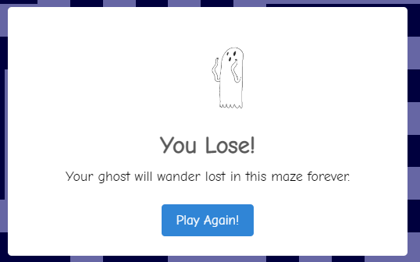
As a returning user, I want to get better at the game. | Have a score that takes into account the number of keystrokes used to get to the exit. | Have a Visible score. | Is the score visible on the game page? | MS2 - 021 | Yes, clearly displayed above the game board. | The score is clearly displayed above the board on the left on desktop and in the centre above the board on mobile.
 |  | For each keystroke 5 points will be taken of the starting score of 1,000. | Does the score reduce by 5 for every key I press? | MS2 - 022 | Yes. | Yes. Score reduces by 5 each time I press the key on both mobile and desktop. BUG - score doesn't change the first time you move the character.
 |  |  | Does the score reduce when wrong key is used? | MS2 - 023 | Yes. | Yes. No matter what key on the keyboard you press the score reduces.
 |  |  | Does the score reduce when the character fails to go through a wall? | MS2 - 024 | Yes. | Yes. Walking into a wall reduces your score.
 |  | If you get to a score of 0 you will lose. | Is it clear you loose when you get to 0? | MS2 - 025 | Yes. Modal pops up saying "You Loose" | Yes. Modal pops up saying "You Lose! You ghost will wander lost in this maze forever." with a ghost moving back and forth above it and a button saying "Play Again!"
 |  | For each level you clear 500 points will be added to the score. | Does 500 get added when level one is completed? | MS2 - 026 | Yes. Score increased from x to y. | Yes. Score increased from 490 to 985.
 |  |  | Does 500 get added when level two is completed? | MS2 - 027 | Yes. Score increased from x to y. | Yes. Score increased from 545 to 1040.
 |  |  | Does 500 get added when level three is completed? | MS2 - 028 | Yes. Score increased from x to y. | Yes. Score increased from 335 to 830.
 |  |  | Does 500 get added when level four is completed? | MS2 - 029 | Yes. Score increased from x to y. | Yes. Score increased from 435 to 930.
 |  |  | Does 500 get added when level five is completed? | MS2 - 030 | Yes. Score increased from x to y. | Yes. Score increased from 690 to 1185.
 |  |  | Does 500 get added when level six is completed? | MS2 - 031 | No. There are only 6 levels. | No. End Modal pops up

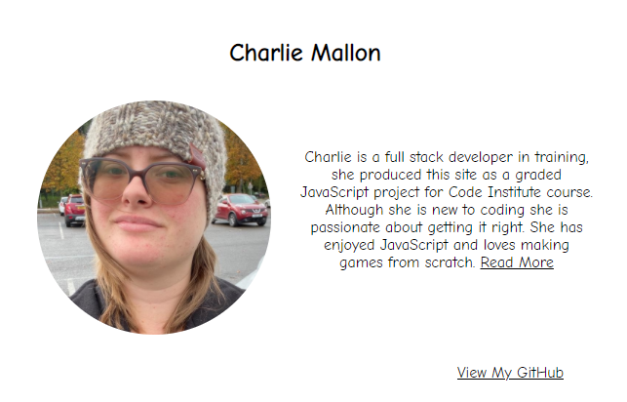
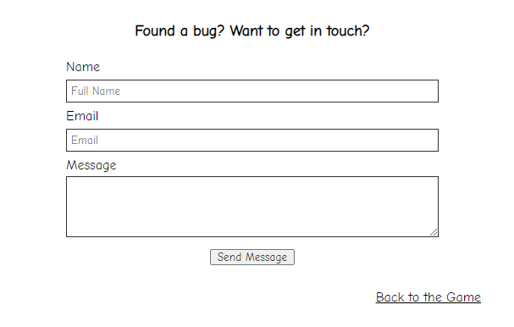
As a user, I want to know more about the developer and see anything else they have been working on. | A short description of the developer of this game. | This will be achieved with an about the developer page. Which will have a short description of the developer and why this site was created. | Is there an about the developer page? | MS2 - 032 | Yes. | Yes. Linked from the game page by link in bottom left corner
 |  |  | Is there a description of the developer? | MS2 - 033 | Yes. | Yes. Image and Short discription of the developer.
 | A way to see any other projects. | It will also have a link to the developers gitHub page where more up-to-date information will be displayed. | Is there a link to the developers gitHub? | MS2 - 034 | Yes. It opens in a new tab. | Yes. Link to GitHub on bottom right of the discription. It opens in a new tab. | https://github.com/CharlieMallon
 | A way to get in touch. | There will be a contact form that uses the JS email service to get in touch with the developer. | Is there a contact form? | MS2 - 035 | Yes. | Yes.
 | A way to get back to the game. | There will be a link back to the game | Is there a link back to the game? | MS2 - 036 | Yes. | Yes. Bottom right of the get in touch section.

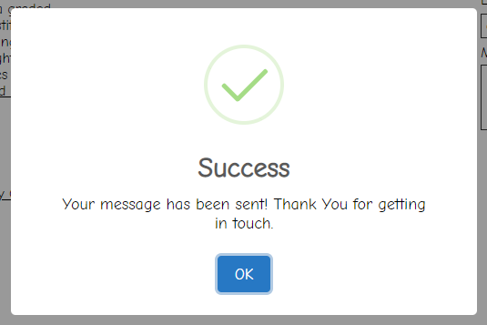
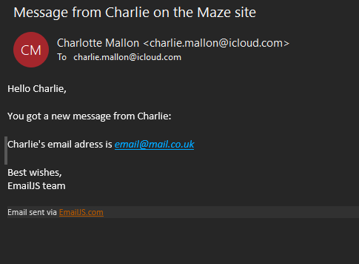
As a user, I want give feedback on this game. | A way to send an email to the developer. | This will be achieved using a contact form and the JS email service. | Does the contact form us the JS email service? | MS2 - 037 | Yes. | Yes. Email recived with Email sent via EmailJS.com at bottom of it.
 |  |  | Does the service work? | MS2 - 038 | Yes. Email received when the form completed correctly.
 | To be alerted when the email has sent or failed to send. | With a pop up modal to tell the user that the message has been sent or failed to send. | Is there a modal that pops up when an email is sent? | MS2 - 039 | Yes. | Yes. Modal says "Success Your message has been sent! Thank You for getting in touch" with an "OK" button. Clears form when OK pressed.
 |  |  | Is there a modal that pops up when an email fails to send? (note - you have to break the code to get this error) | MS2 - 040 | Yes. | Yes. Modal says "Oops... Something went wrong! Your message was not sent!" with an "OK" button. Clears form when OK pressed. Note - to test this I renamed the .send js name to Charlie
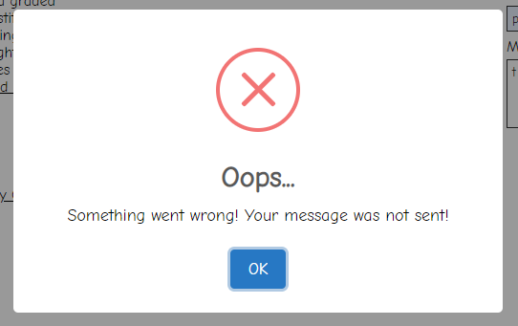
 | Validation on the boxes to ensure that all relevant boxes are filed in. | The required attribute will be added to each of the required boxes. | Is the required attribute on the name form input? | MS2 - 041 | Yes. (line number of the code) | Yes. Line 74 of contact.html
 |  |  | Is an error given when the box is left blank? | MS2 - 042 | Yes. | Yes.
 |  |  | Is the required attribute on the email form input? | MS2 - 043 | Yes. (line number of the code) | Yes. Line 91 of contact.html
 |  |  | Is an error given when the box is left blank? | MS2 - 044 | Yes. | Yes.
 |  |  | Is the required attribute on the message form input? | MS2 - 045 | Yes. (line number of the code) | No.
 |  |  | Is an error given when the box is left blank? | MS2 - 046 | Yes. | BUG - Email sent with blank message. This is expected as the rquired attribute was not selected.
 | Validation on the email address to say an email has been inputted. | The email attribute will be added to the email box | Is the email attribute on the email form input? | MS2 - 047 | Yes. (line number of the code) | Yes. Line 86 of contact.html
 |  |  | Is an error given when the address is not an email (with an @)? | MS2 - 048 | Yes. | Yes

As a user, I want to view the website and content clearly on any device | Website layout is well displayed and readable across all sized devices and different orientations. | No elements should overlap their containers and all items should be responsive. Where practical the game board should be displayed on one screen (i.e. no scrolling). | Get screenshots from development tools of the indicated resolutions and orientations. | MS2 - 049 | phone - portrait | see imgs
 |  |  |  | MS2 - 050 | phone - landscape | see imgs
 |  |  |  | MS2 - 051 | tablet - portrait | see imgs
 |  |  |  | MS2 - 052 | tablet - landscape | see imgs
 |  |  |  | MS2 - 053 | large tablet - portrait | see imgs
 |  |  |  | MS2 - 054 | large tablet - landscape | see imgs
 |  |  |  | MS2 - 055 | small desktop | see imgs
 |  |  |  | MS2 - 056 | large desktop | see imgs

Further testing
Test that the game works on these devices. | iPhone | Yes - but cant scroll
 | iPad | Yes - but cant scroll
 | iPad pro | Yes
 | Chrome | Yes - on windows Laptop
 | safari | Yes - on Mac

imgs
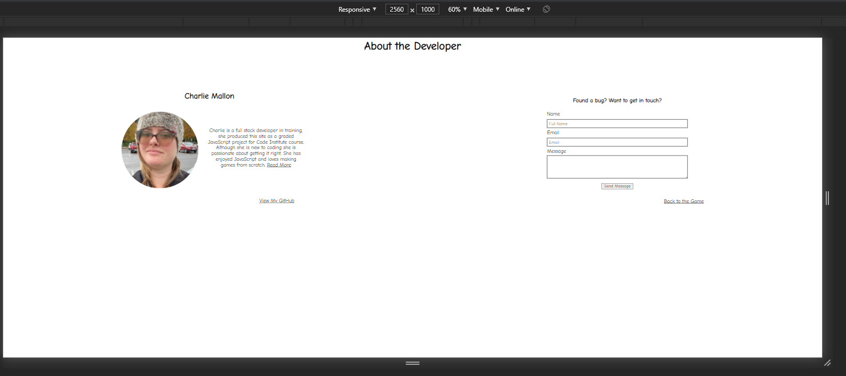
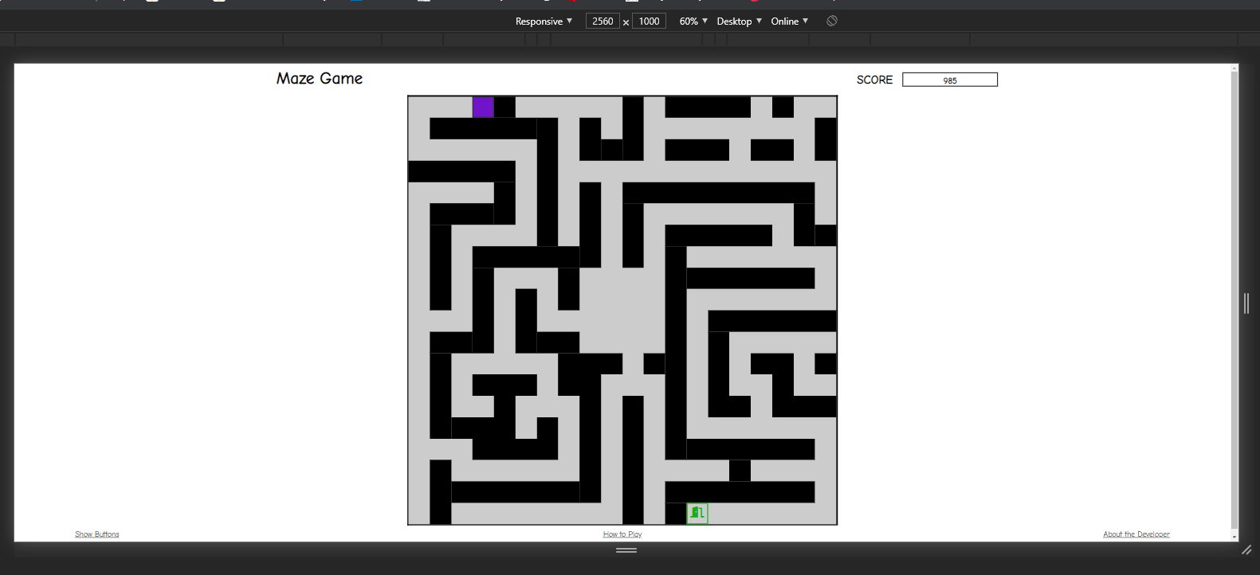

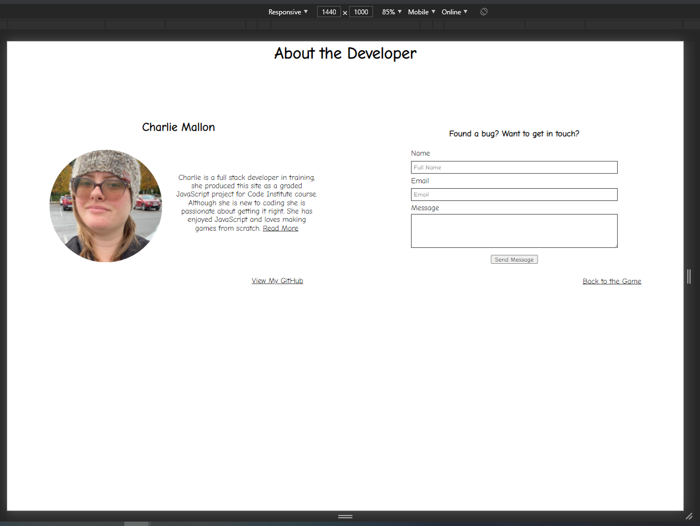
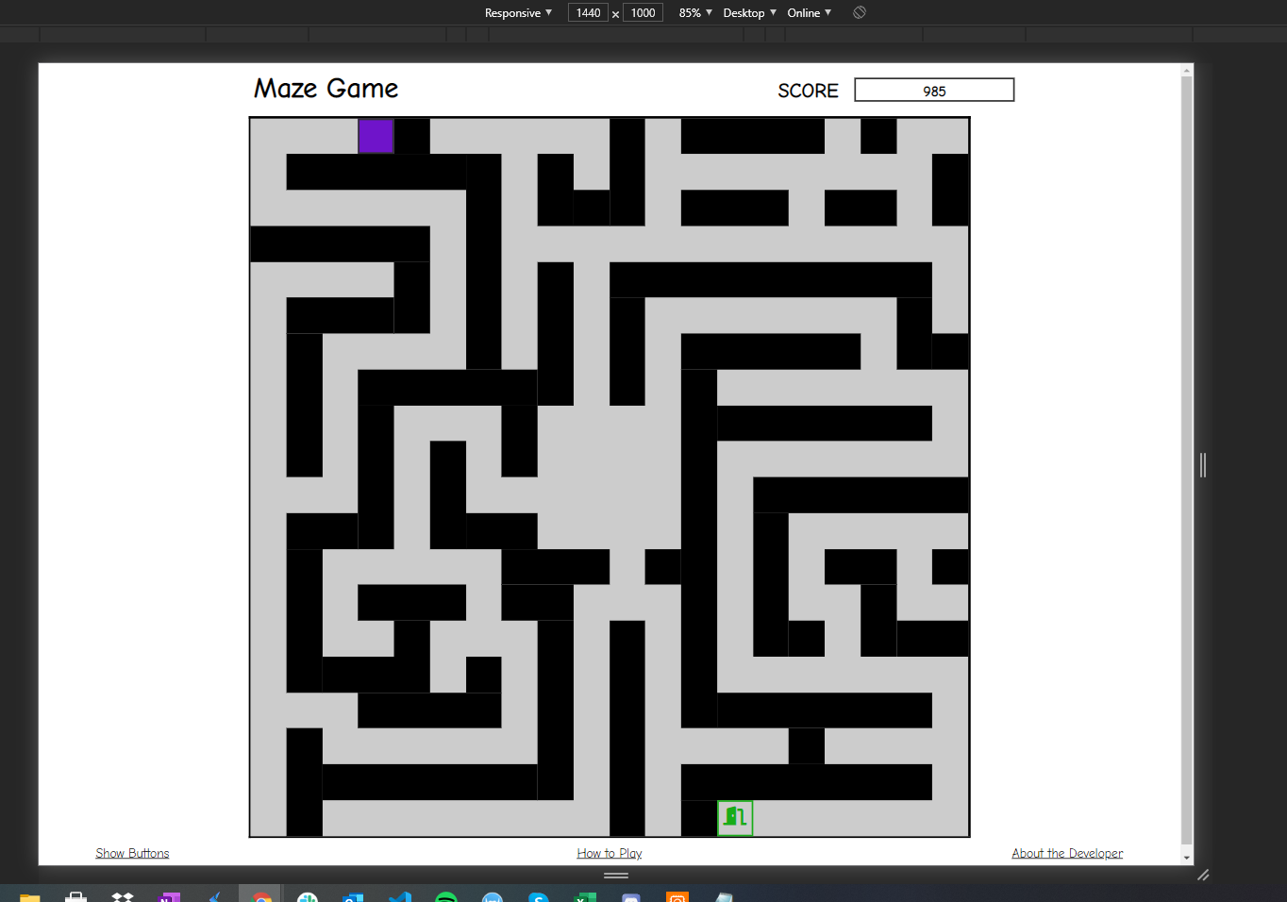

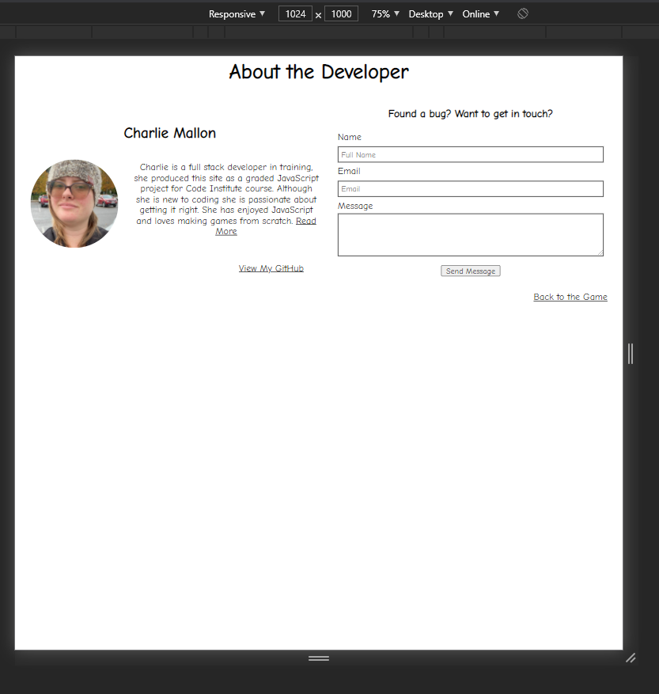
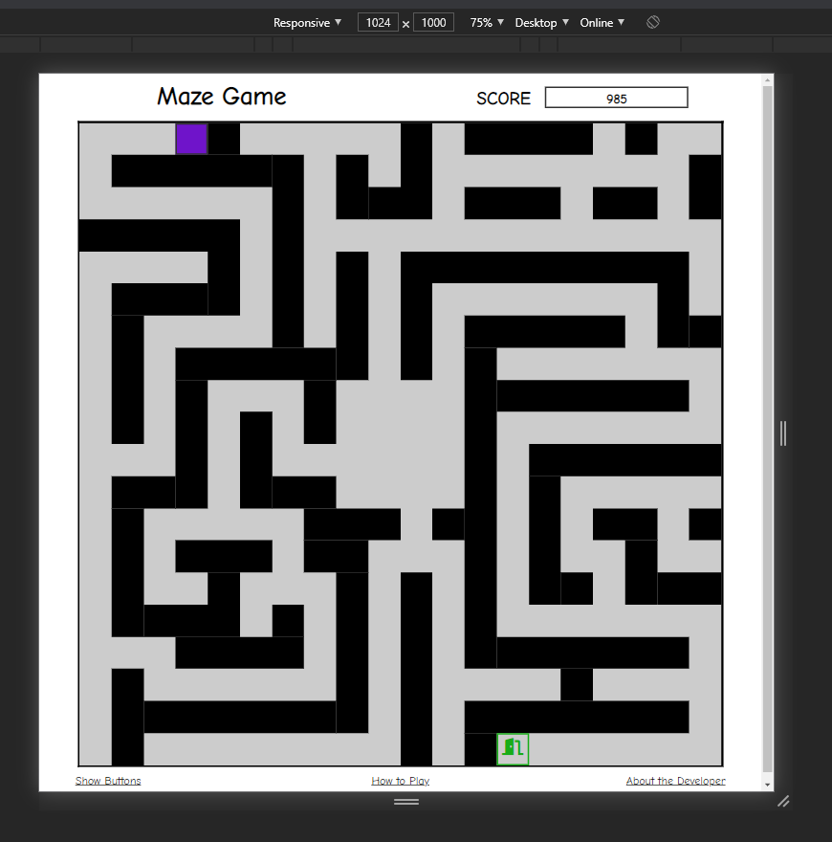

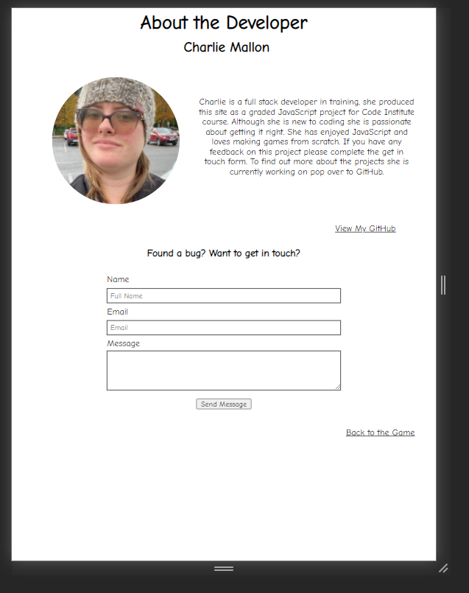
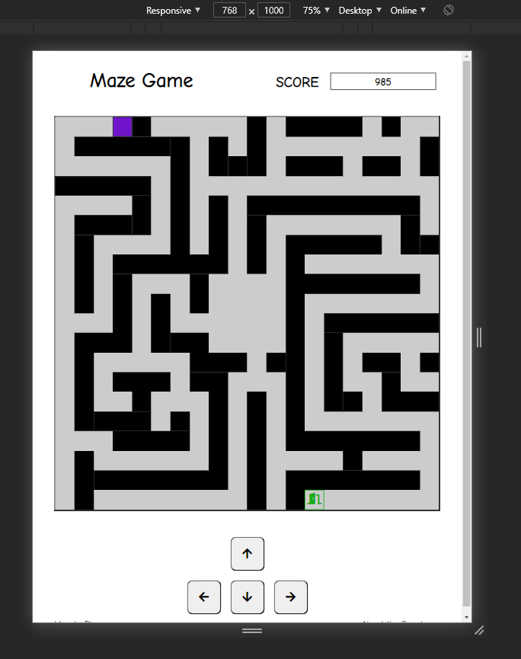
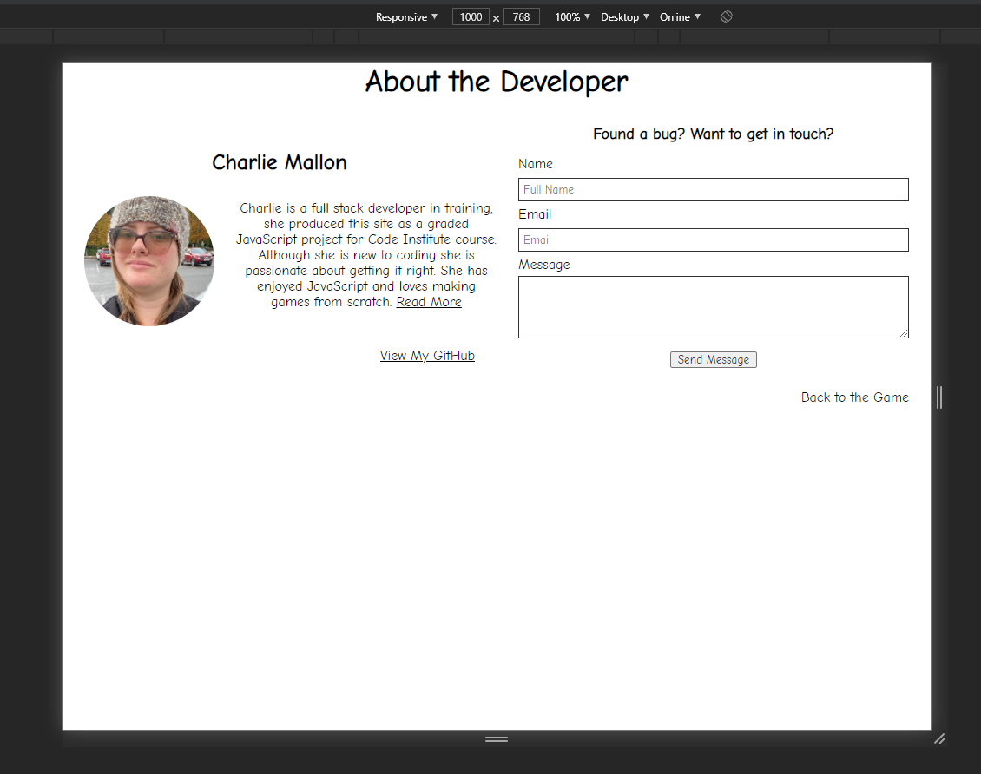
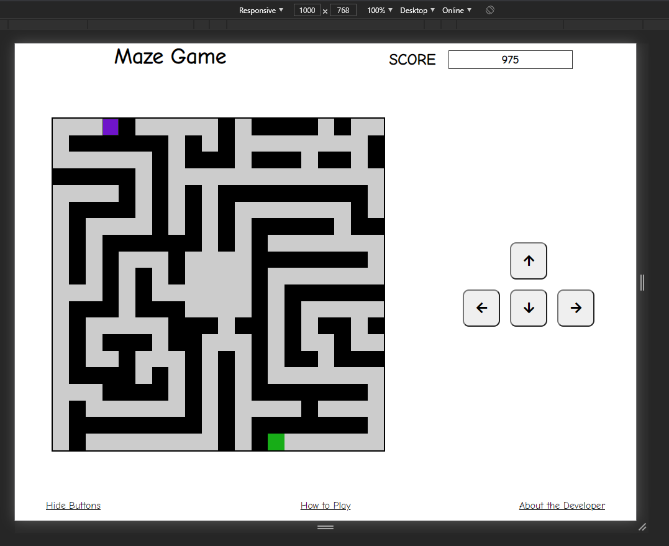
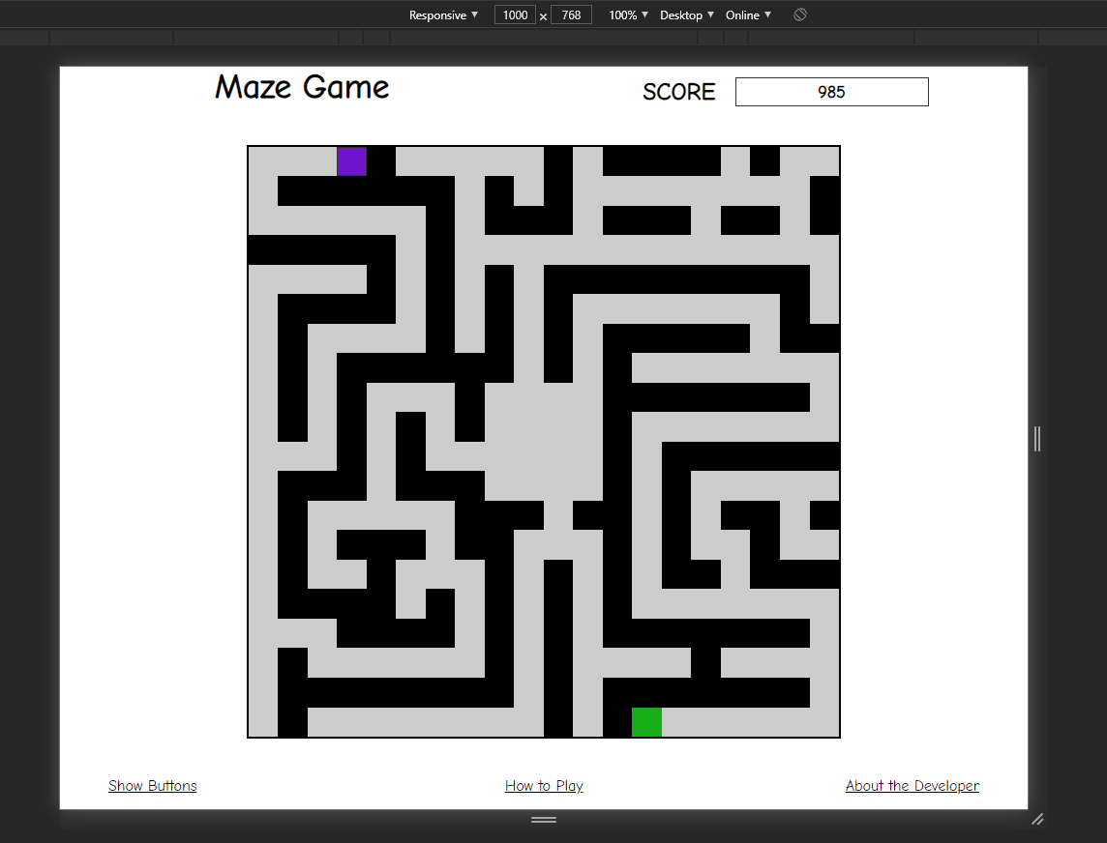

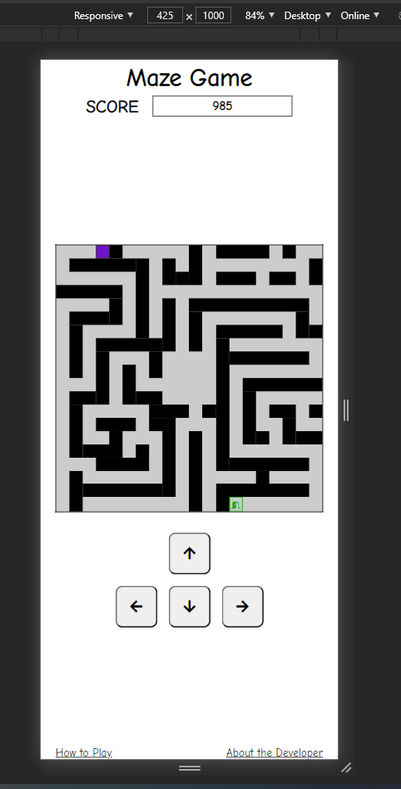
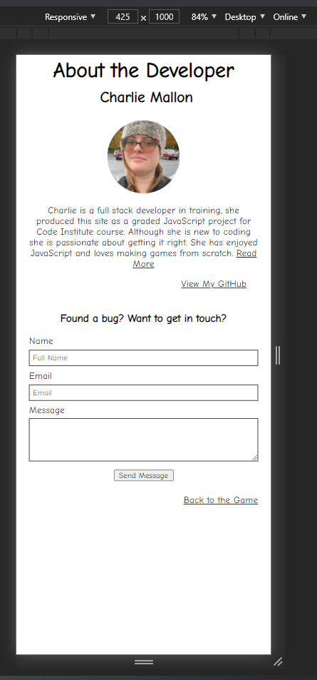

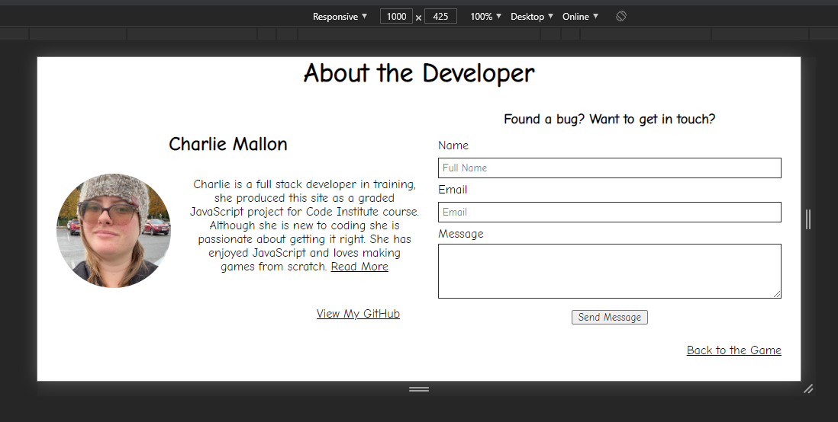

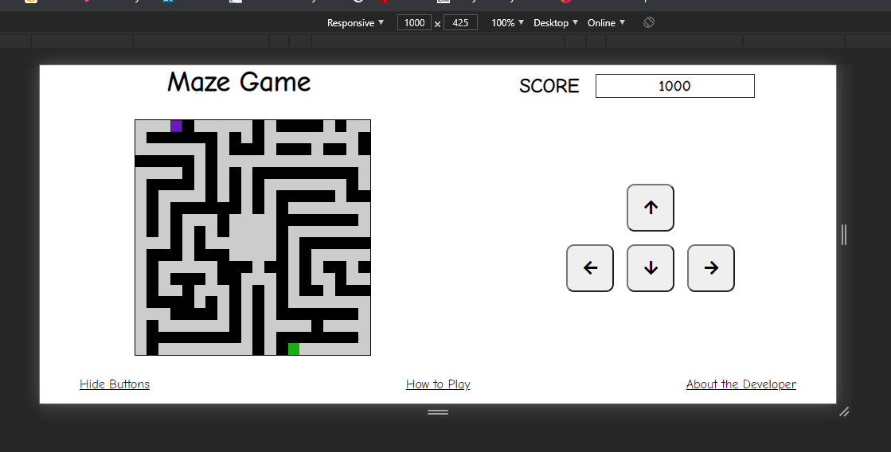
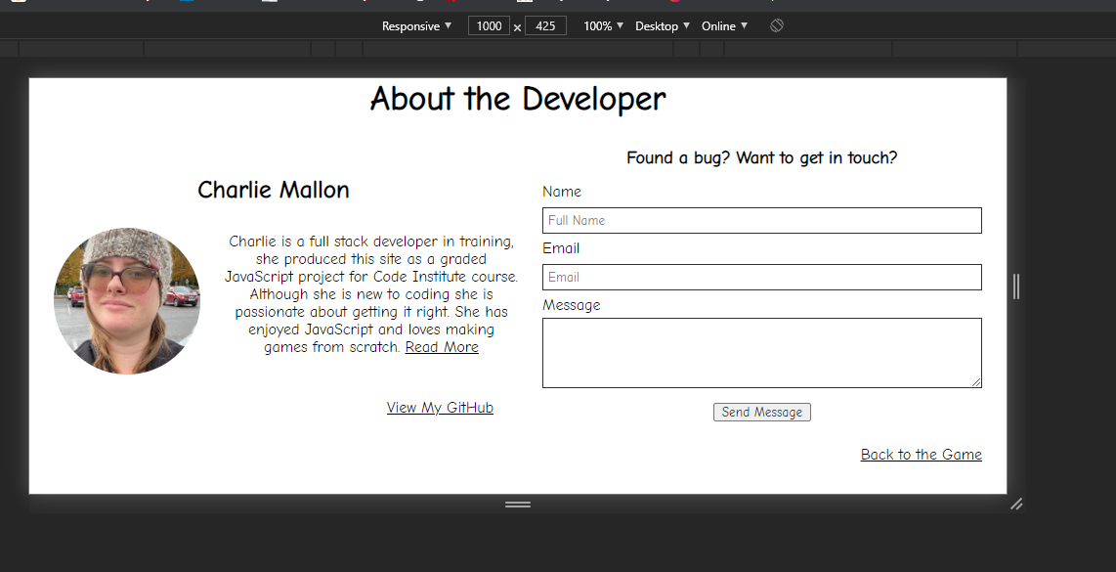

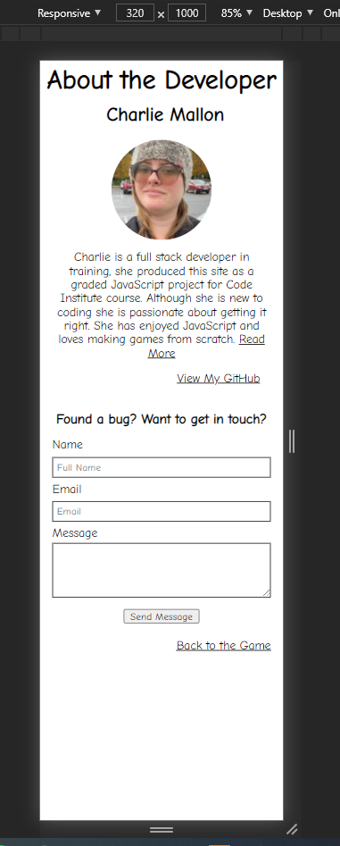
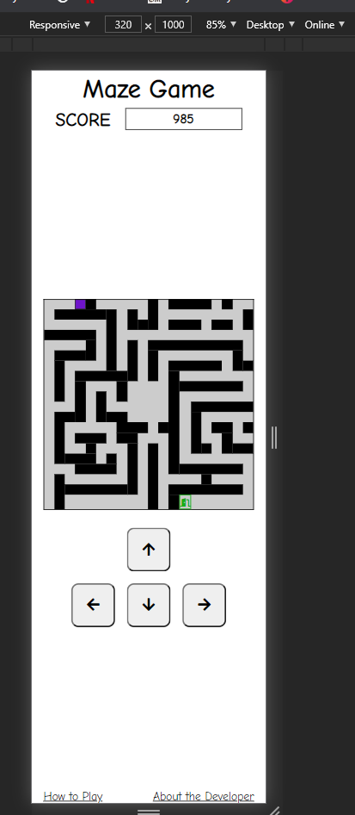

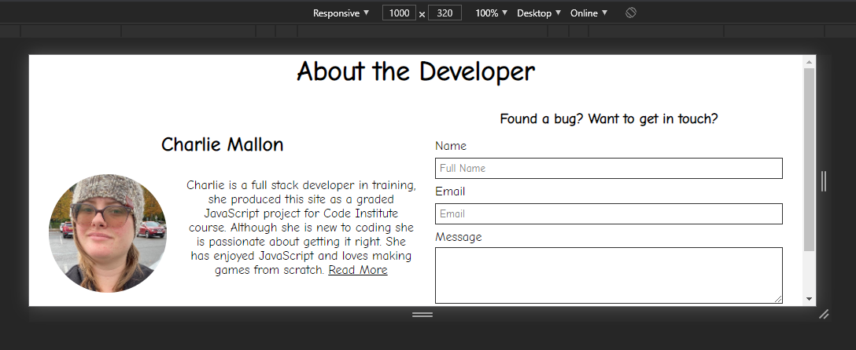
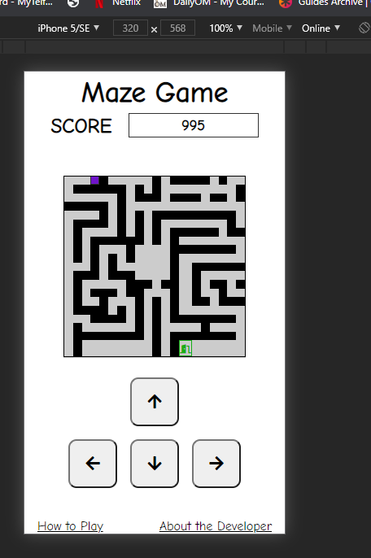

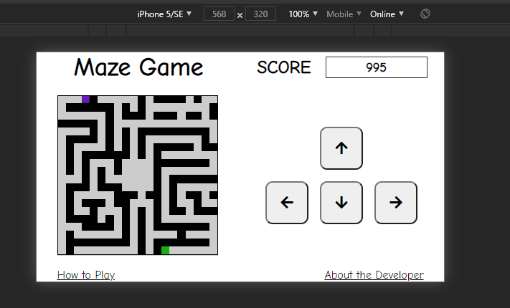

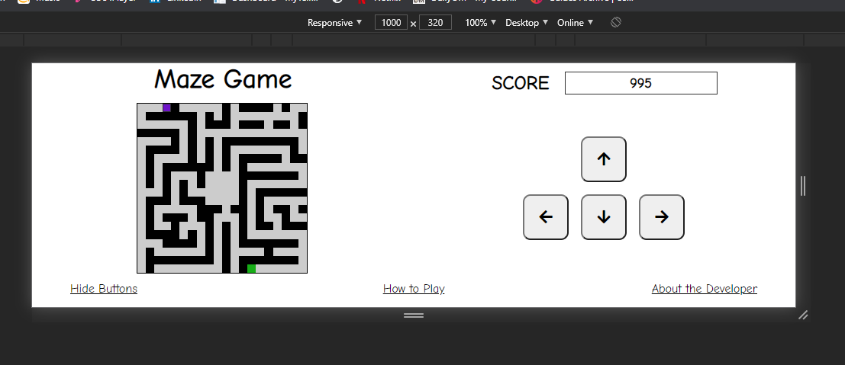

imgs - regression
