Tabelle1
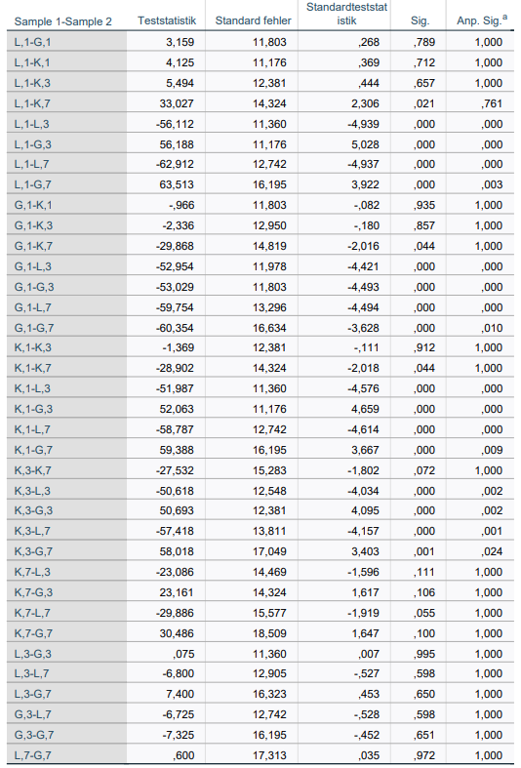
3'SL
Paarweise Vergleiche von group
Sample 1-Sample 2 | Teststatistik | Standard fehler | Standardteststatistik | Sig. | Anp. Sig.a
K,7-K,3 | 12,989 | 14,822 | ,876 | ,381 | 1,000
K,7-G,3 | 28,688 | 13,812 | 2,077 | ,038 | 1,000
K,7-G,1 | 45,087 | 14,334 | 3,145 | ,002 | ,060
K,7-K,1 | 47,500 | 13,812 | 3,439 | ,001 | ,021
K,7-L,1 | -49,750 | 13,812 | -3,602 | ,000 | ,011
K,7-L,7 | -61,825 | 15,131 | -4,086 | ,000 | ,002
K,7-G,7 | 65,825 | 18,185 | 3,620 | ,000 | ,011
K,7-L,3 | -70,158 | 13,965 | -5,024 | ,000 | ,000
K,3-G,3 | 15,699 | 12,494 | 1,257 | ,209 | 1,000
K,3-G,1 | 32,098 | 13,068 | 2,456 | ,014 | ,505
K,3-K,1 | 34,511 | 12,494 | 2,762 | ,006 | ,207
K,3-L,1 | -36,761 | 12,494 | -2,942 | ,003 | ,117
K,3-L,7 | -48,836 | 13,937 | -3,504 | ,000 | ,017
K,3-G,7 | 52,836 | 17,205 | 3,071 | ,002 | ,077
K,3-L,3 | -57,170 | 12,662 | -4,515 | ,000 | ,000
G,3-G,1 | 16,399 | 11,911 | 1,377 | ,169 | 1,000
G,3-K,1 | -18,812 | 11,278 | -1,668 | ,095 | 1,000
G,3-L,1 | -21,062 | 11,278 | -1,868 | ,062 | 1,000
G,3-L,7 | -33,137 | 12,859 | -2,577 | ,010 | ,359
G,3-G,7 | -37,137 | 16,343 | -2,272 | ,023 | ,830
G,3-L,3 | -41,471 | 11,464 | -3,617 | ,000 | ,011
G,1-K,1 | -2,413 | 11,911 | -,203 | ,839 | 1,000
G,1-L,1 | -4,663 | 11,911 | -,392 | ,695 | 1,000
G,1-L,7 | -16,738 | 13,417 | -1,248 | ,212 | 1,000
G,1-G,7 | -20,738 | 16,786 | -1,235 | ,217 | 1,000
G,1-L,3 | -25,072 | 12,087 | -2,074 | ,038 | 1,000
K,1-L,1 | -2,250 | 11,278 | -,200 | ,842 | 1,000
K,1-L,7 | -14,325 | 12,859 | -1,114 | ,265 | 1,000
K,1-G,7 | 18,325 | 16,343 | 1,121 | ,262 | 1,000
K,1-L,3 | -22,658 | 11,464 | -1,976 | ,048 | 1,000
L,1-L,7 | -12,075 | 12,859 | -,939 | ,348 | 1,000
L,1-G,7 | 16,075 | 16,343 | ,984 | ,325 | 1,000
L,1-L,3 | -20,408 | 11,464 | -1,780 | ,075 | 1,000
L,7-G,7 | 4,000 | 17,471 | ,229 | ,819 | 1,000
L,7-L,3 | 8,333 | 13,022 | ,640 | ,522 | 1,000
G,7-L,3 | -4,333 | 16,472 | -,263 | ,792 | 1,000

3'FL

