Checklist
Environment | Windows 11 pro 21H2
Date | 2022-05-15
Tester | Yaugeniy Dzemyanenka

#1 | Summary | Menu bar: Edit bar has misprint in the title | Attachment
 | Severity | Minor | 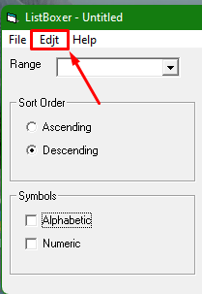
 | Description | STR 1. Open programm ListBoxer.exe 2. Pay attantion to the Menu bar Expected result: 3rd bar (from the left) should be titled as "Edit" Actual result: 3rd bar (from the left) should be titled as "Edjt"
#2 | Summary | Records counter specific: empty records counts as alphabetic records | Attachment
 | Severity | Minor | 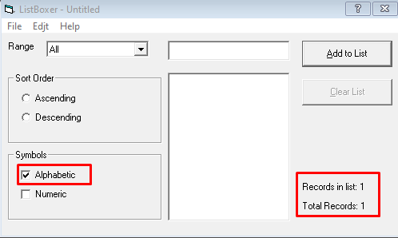
 | Description | STR 1. Open programm ListBoxer.exe 2. Press "Add to List" button 3. Pay attention to the symbols area (Alphabetic checkbox must be checked by default if not, then check it) 4. Pay attention to the records counters Expected result: Records in list - 0, Total records - 1 Actual result: Records in list - 1, Total records - 1
#3 | Summary | Invalid input value of 10 000 allowed | Attachment
 | Severity | critical | 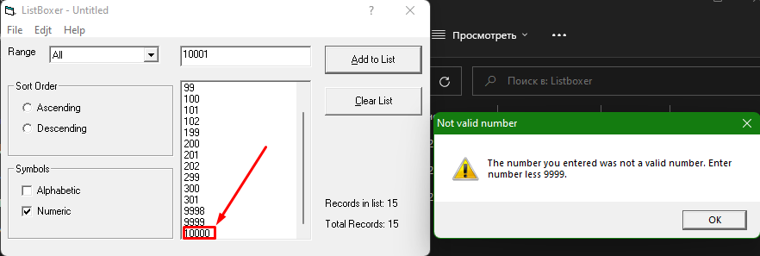
 | Description | STR 1. Open programm ListBoxer.exe 2. Input 10000 in the value input field 3. Press "Add to List" button Expected result: invalid/out of the range error notification Actual result: record with invalid value 10000 added to the list
#4 | Summary | Descending sorting: multiple issues in desceding sorting of the records | Attachment
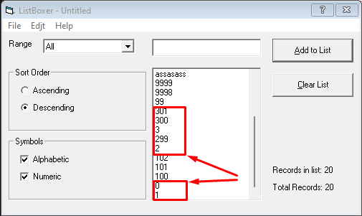
 | Severity | Major
 | Description | STR 1. Open programm ListBoxer.exe 2. Check ''Alphabetic'' and ''Numeric'' checkboxes in ''Symbols'' area 3. Input value ''0'' in the value input dield 4. Press ''Add to List'' button 5. Reapeat steps 3, 4 for all the range boundry values you can imagine 6. Choose ''All'' in Range fallout list 7. Choose ''Descending'' in the ''Sort Order'' area Expected result: All the records sorted in descebding order Actual result: Multiple violations of the descending order of the values: ''1'' goes after ''0'', ''299'' goes after ''3'', ''102'' goes after ''2'', ''301'' goes after ''99''
#5 | Summary | Ascending sorting: multiple issues in desceding sorting of the records | Attachment
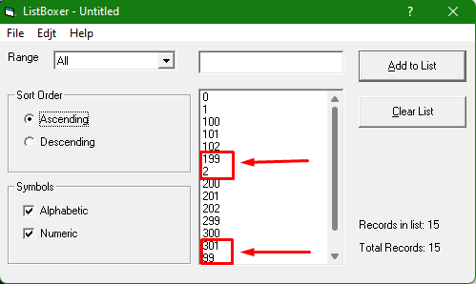
 | Severity | Major
 | Description | STR 1. Open programm ListBoxer.exe 2. Check ''Alphabetic'' and ''Numeric'' checkboxes in ''Symbols'' area 3. Input value ''0'' in the value input dield 4. Press ''Add to List'' button 5. Reapeat steps 3, 4 for all the range boundry values you can imagine 6. Choose ''All'' in Range fallout list 7. Choose ''Ascending'' in the ''Sort Order'' area Expected result: All the records sorted in descebding order Actual result: Multiple violations of the descending order of the values: ''2'' goes after ''199'', ''99'' goes after ''301''
#6 | Summary | The range ''300 - 9999'' doesn't take into account the value of ''300'' | Attachment
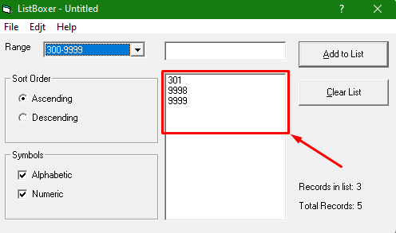
 | Severity | Major
 | Description | STR 1. Open programm ListBoxer.exe 2. Check ''Numeric'' checkboxes in ''Symbols'' area 3. Input value ''300'' in the value input dield 4. Press ''Add to List'' button 5. Reapeat steps 3, 4 for the values ''201, 301, 9998, 9999'' 6. Choose ''300 - 9999'' in Range fallout list Expected result: the valuse '300, 301, 9998, 9999'' showed in the list Actual result: the valuse ''301, 9998, 9999'' showed in the list
#7 | Summary | Save function doesn't save every value of the inputed and saved records | Attachment
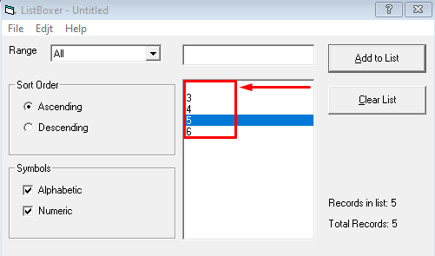
 | Severity | critical
 | Description | STR 1. Open programm ListBoxer.exe 2. Check ''Numeric'' checkboxes in ''Symbols'' area 3. Input value ''2'' in the value input dield 4. Press ''Add to List'' button 5. Reapeat steps 3, 4 for the values ''3, 4, 5, 6'' 6. Choose ''File'' bar in menu 7. Choose ''Save as ...'' in appeared menu 8. Input name of the file infile name field 9. Press ''Save'' button 10. Choose ''File'' bar in menu 11. Choose ''Open ...'' in appeared menu 12. Choose saved in step 9 file 13. Press ''open'' button Expected result: Saved file opened and all saved values showed Actual result: Saved file opened but not all the saved values showed (One of the values transformed into empty record)
#8 | Summary | Contents bar issue | Attachment
 | Severity | Minor
 | Description | 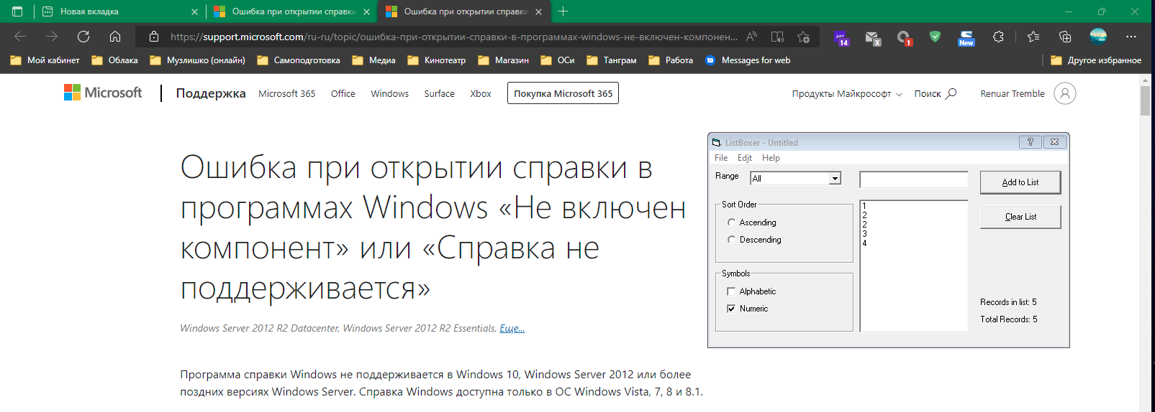 STR 1. Open programm ListBoxer.exe 2. Press ''Help'' in menu bar 3. Press ''Contents'' in appeared list 4. Choose first preposed product and enter to its page Expected result: Contents window apeared Actual result: Browser opened the MS referens error page
#9 | Summary | Edit menu: cut, copy, paste buttons always unabled | Attachment
 | Severity | Major | 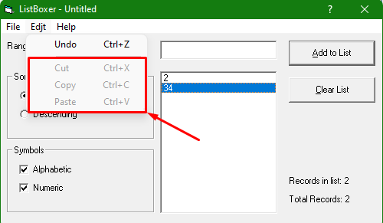
 | Description | STR 1. Open programm ListBoxer.exe 2. Add to list two random records 3. Press "Edit" at the menu bar 4. Pay attention to the apeared menu list Expected result: All edit buttons avaliable/enabled Actual result: cut, copy, paste buttons unabled

