Sheet1
Cora Charneskey
Scott Childer
Mockup of Existing App
Due: 8.29.12

Link to Android "Assignment Planner" app we are recreating:
https://play.google.com/store/apps/details?id=gene.android&hl=en

 |  | Android Phone
 |  | Screen 1
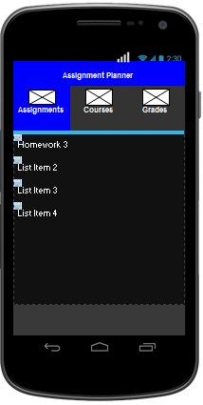

 | 1

 | 2

 | 3

 | Control | Native Control Info | Related Jquery Control

 | 1 | Custom Title Bar | Header Bar
 | 2 | Options Menu | Navbar
 | 3 | List View | Basic Linked List

 |  | Screen 2
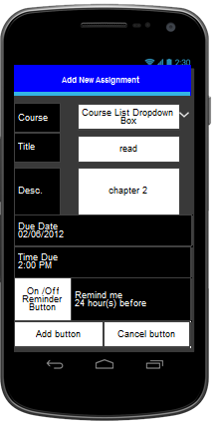

 | 1

 |  |  |  | 8
 | 2

 |  |  |  | 9

 | 3

 | 4
 |  |  |  | 7
 | 5

 | 6 |  |  | 6

 | Control | Native Control Info | Releated Jquery Control

 | 1 | Custom Title Bar | Header Bar
 | 2 | Text Field | Read only text
 | 3 | Date Picker | Date Picker
 | 4 | Time Picker | Time Picker
 | 5 | ToggleButton | Flip Toggle Switch
 | 6 | Action Bar or Button | Buttons
 | 7 | Pickers | Select Menu
 | 8 | Spinner | Select Menu
 | 9 | Text Field <Edit Text> | Text Area

 |  | Screen 3

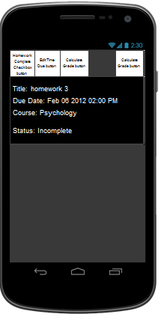

 | 1

 | 2

 | Control | Native Control Info | Releated Jquery Control
 | 1 | image buttons | buttons
 | 2 | Text Field | Read Only Text

 |  | Screen 4

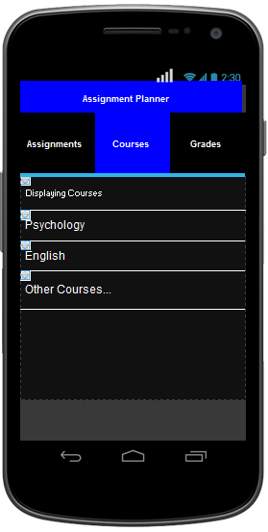

 | see screen
 | 1

 |  | Screen 5
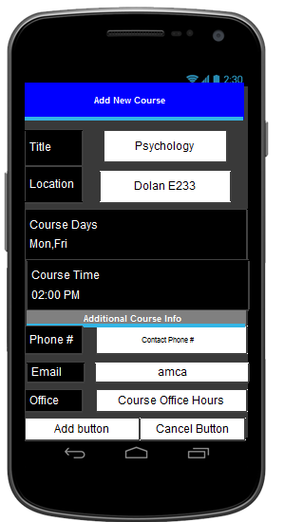

see screen 2

 |  | Screen 6

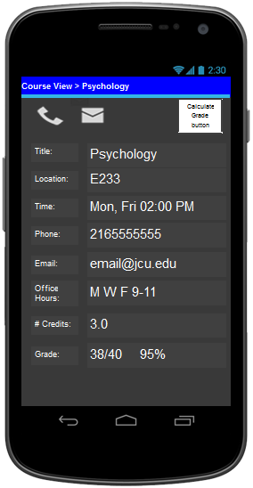

 | see screen 3
 | control 1

1

 | Control | Native Control Info | Releated Jquery Control
 | 1 | Table of Text Fields | Table of Read Only Text

 |  | Screen 7

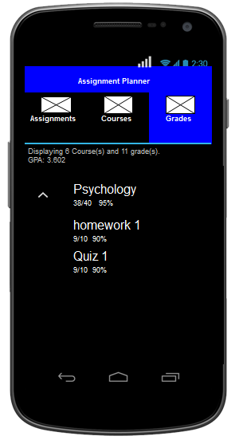

 | Control | Native Control Info | Releated Jquery Control

 |  | Screen 8

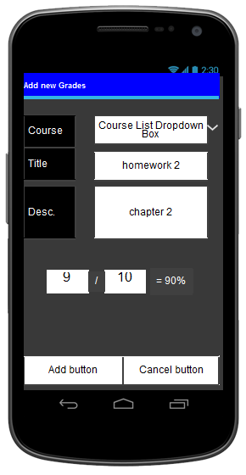

 | Control | Native Control Info | Releated Jquery Control

