Feuil1
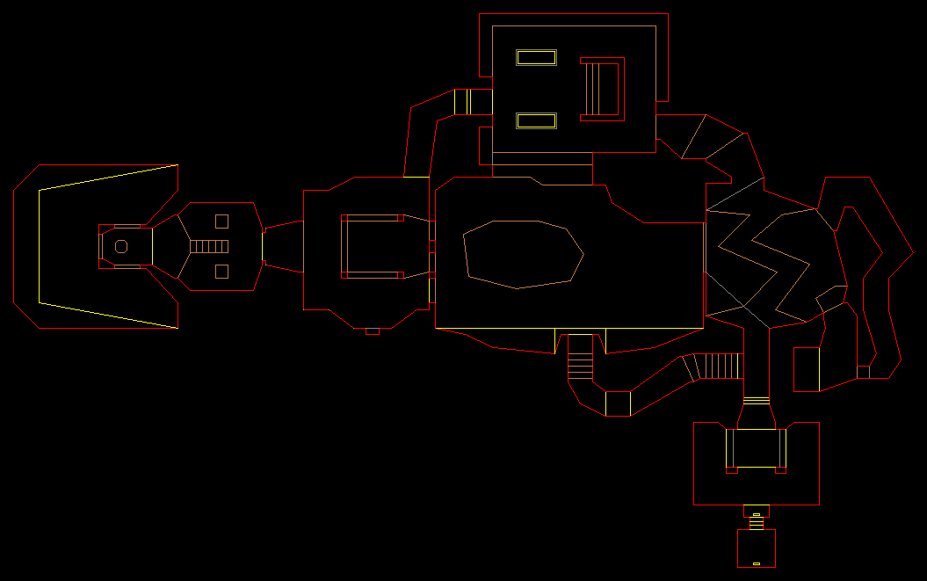
 | doom original |  | carte
 | x | y | x | y
 | 402 | 373 | 330 | 51 | (330,51),
 | 416 | 373 | 372 | 51 | (372,51),
 | 416 | 380 | 372 | 30 | (372,30),
 | 431 | 380 | 417 | 30 | (417,30),
 | 431 | 373 | 417 | 51 | (417,51),
 | 445 | 373 | 459 | 51 | (459,51),
 | 474 | 352 | 546 | 114 | (546,114),
 | 488 | 352 | 588 | 114 | (588,114),
 | 488 | 201 | 588 | 567 | (588,567),
 | 403 | 201 | 333 | 567 | (333,567),
 | 374 | 216 | 246 | 522 | (246,522),
 | 345 | 216 | 159 | 522 | (159,522),
 | 345 | 251 | 159 | 417 | (159,417),
 | 302 | 259 | 30 | 393 | (30,393),
 | 302 | 301 | 30 | 267 | (30,267),
 | 345 | 309 | 159 | 243 | (159,243),
 | 345 | 352 | 159 | 114 | (159,114),
 | 374 | 352 | 246 | 114 | (246,114),

 | 388 | 316 | 288 | 222 | (288,222),
 | 395 | 316 | 309 | 222 | (309,222),
 | 395 | 309 | 309 | 243 | (309,243),
 | 388 | 309 | 288 | 243 | (288,243),

 | 452 | 316 | 480 | 222 | (480,222),
 | 459 | 316 | 501 | 222 | (501,222),
 | 459 | 309 | 501 | 243 | (501,243),
 | 452 | 309 | 480 | 243 | (480,243),

 | 452 | 251 | 480 | 417 | (480,417),
 | 459 | 251 | 501 | 417 | (501,417),
 | 459 | 244 | 501 | 438 | (501,438),
 | 452 | 244 | 480 | 438 | (480,438),

 | 388 | 251 | 288 | 417 | (288,417),
 | 395 | 251 | 309 | 417 | (309,417),
 | 395 | 244 | 309 | 438 | (309,438),
 | 388 | 244 | 288 | 438 | (288,438),

max | 488 | 380 | 588 | 567
min | 302 | 201 | 30 | 30

delta | 186 | 179 | 558 | 537

