Timing
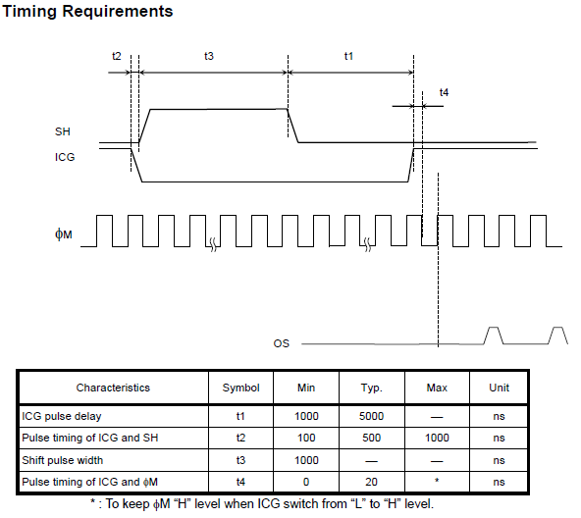
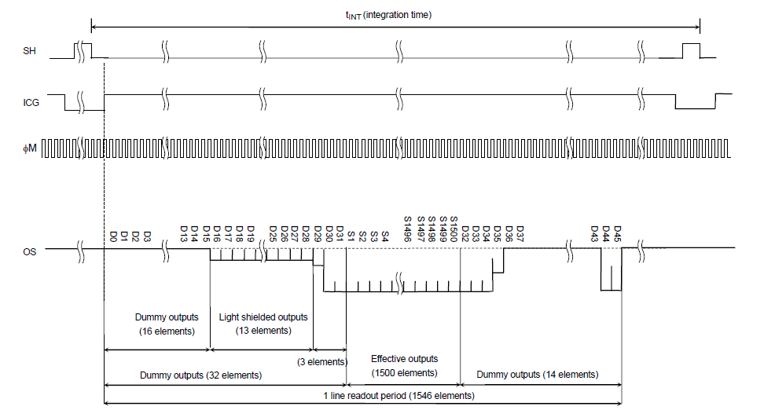
GCLK | 48000000
CGCLK Period | 2.0833333333E-08
Master Clock (φM) | 500000
Clock Period | 0.000002
Data rate | 250000
Per data time | 0.000004
Total Elements | 1546
To read all elements | 0.006184 | s

t1 | 5.00E-06
t2 | 5.00E-07
t3 | 1.00E-04 | exposure time
t1+t2+t3 | 1.06E-04 | s
ICG time period | 6.29E-03
ICG Freq | 159 | Hz

For Master Clock Timer
PER | 95
CCB | 47.5

For ICG
PER | 301895
ICG off time percentage | 1.68%
CCB | 5063.98

SH on time percentage | 1.59%
CCB | 4799.98

t2 | 5.00E-07
no of clocks for t1 | 24.00

