Product_backlog_START
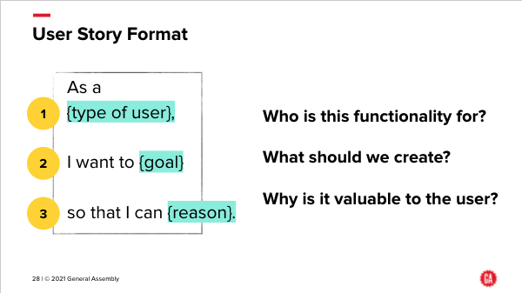
ID | User Story | Additional detail | Priority # | Story Points
001 | As an analyst, I need to understand the datasets that we have, so we can produce a sound analysis as the basis for the predictive model | - Examine data sets (ones provided and any additional ones) - Work out which features to include in analysis | 1 | 3
002 | As an analyst, I need to clean the data so that it can be analysed appropriately | - Rename columns to make them easy to understand - Handle nulls in the data - Create new features | 1 | 3
003 | As an analyst, I need to conduct an exporatory data analysis (EDA) in order to know which areas to analyse in depth | - EDA | 2 | 5
004 | As an analyst, I need to identify the features that have the most significant impact on the model's predictions to improve model performance | - Feature Importance Analysis should reveal valuable insights about which factors most influence HDB resale prices. | 1 | 8
005 | As an analyst, I need to summarize the model's performance metrics and explain its strengths and weaknesses. | - Model Evaluation | 1 | 3
006 | As an analyst, I need to ensure that the model achieves a low Mean Squared Error (MSE) or high R-squared value, indicating accurate resale price predictions | - Model Evaluation | 1 | 5
007 | As an analyst, I need to develop an interactive dashboard to visualise the impact of different factors on actual and predicted resale prices. | - Data Visualization | 1 | 8
008 | As an analyst, I need to develop a model that is interpretable, allowing stakeholders to understand the rationale behind its predictions. | - Explainable Model | 1 | 10
009 | As an agent, I want to know what assumptions have been made in any recommendations that are made so I can check I agree with them, and what their impact is | - Document all key assumptions that are made as part of the data analysis (cleaning, processing, etc) - Include these assumptions in the Investment Committee presentation | 2 | 5
010 | As an agent, I want to know what the limitations are of using this data to try to understand the HDB resale market | - Biases in the data - Possible other data sources that may be necessary to look at | 2 | 5
011 | As an agent, I want to understand the dynamics of the HDB resale market in Singapore, so I can decide whether to invest in it. | - How strong is the HDB resale market in Singapore? - Is the HDB resale market a good market to be in? | 2 | 5
012 | As an agent, I want to better understand HDB resale prices and trends over time, so I can make informed investment decisions. | - Analyze HDB resale prices and trends in recent years. | 1 | 8
013 | As an agent, I want to know the locations of HDB resale flats and how they match with demographic data, so I can assess investment opportunities. | - Analyze the demographics of the locations of HDB resale flats. - Connect the data to census data using relevant features. | 3 | 5
014 | As an agent, I want to see a map showing the distribution of HDB resale flats across Singapore, to visualize potential sales opportunities. | - Map showing the distribution of HDB resale flats in Singapore. | 3 | 5
015 | As an agent, I want to understand the average resale price per flat type (e.g., 3-room, 4-room) in different regions of Singapore, to identify potential sales opportunities. | - Analyze average resale prices per flat type in different regions. | 3 | 5
016 | As an agent, I want to identify key players in the HDB resale market, including top sellers and buyers, to assess market competition and trends. | - Identify top sellers and buyers in the HDB resale market. | 3 | 5
017 | As an agent, I want to develop a model to predict fair market value for HDB flats based on historical data and current market trends. | - Use machine learning to predict HDB resale prices based on selected features | 1 | 10
018 | As an agent, I want to predict future trends in HDB resale prices using machine learning techniques, to guide my sales strategy. | - Use machine learning to predict future HDB resale prices. - Are there seasonal variations? - How have resale prices changed over the past 5 or 10 years? | 1 | 10
019 | As an agent, I want to know the average transaction volume and frequency in the HDB resale market, to gauge market liquidity and activity. | - Analyze transaction volume and frequency in the HDB resale market. | 2 | 5
020 | As an agent, I want to assess any potential risks or challenges associated with engaging in the HDB resale market, including regulatory changes and economic factors. | - Identify potential risks and challenges in the HDB resale market. | 3 | 5
021 | As an agent, I want to understand the impact of external factors (e.g., economic indicators, government policies) on HDB resale prices, to make informed sales decisions. | - Analyze the impact of external factors on HDB resale prices. | 3 | 5
022 | As an agent, I want to Identify location-based trends to guide my sales strategy | - Are there areas experiencing significant price hikes or dips? - How does proximity to amenities or MRT stations affect pricing? | 3 | 5
023 | As an agent, I want to compare resale prices across different flat types (e.g., Studio, 3-Room, Executive) to guide my sales strategy | - Do certain flat types see higher demand or appreciate faster? | 3 | 5
024 | As an agent, I want to predict my buyer profile to better market my properties | - Based on flat characteristics, location, and transaction data, can you develop a model to predict the buyer profile (e.g., young couples, families, investors)? | 2 | 8
025 | As an agent, I want to study the impact of government policies to better guide my sales strategy | - Investigate how government policies and initiatives (e.g., grants, cooling measures) affect HDB resale prices. | 3 | 5

 | Notes
 | - User Stories The User Stories listed above serve as a starting point for this Data Sprint. You and your team should decide on which User Stories to proceed with as well as if other Users Stories are needed for this Data Sprint - Story Points These are estimates, and are not fixed units of time. They are relative to each other, so an item with a Story Point estimate of 8 is bigger than one with Story Point estimate of 5. The Story Point scale used is a Fibonacci scale, where each number in the scale is the sum of the two previous numbers, so 1,2,3,5,8,13,21,34,55,89. It's used so it's easier to estimate an item: rather than saying 'this one is a 13 and that one is a 12', you are saying things are considerably different in size to each other (or roughly the same, if you give them the same Story Points value). This is common in Spring and Backlog planning, and reflects the fact that things are estimated with the knowledge that the estimation won't be that accurate.

 | - User Stories: as a reminder, this slide shows the ideal format for a User Story

