TEM00
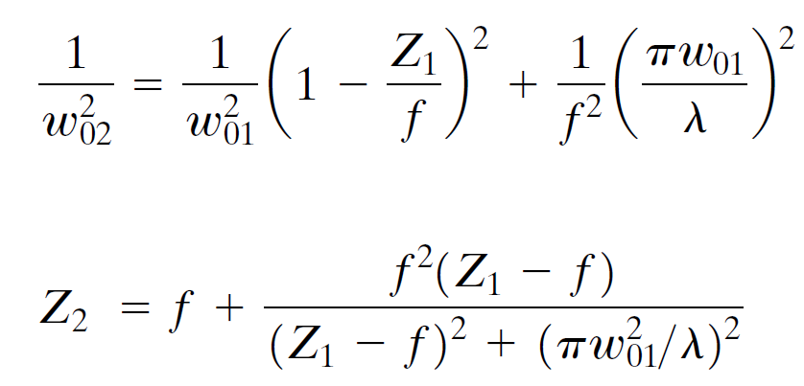
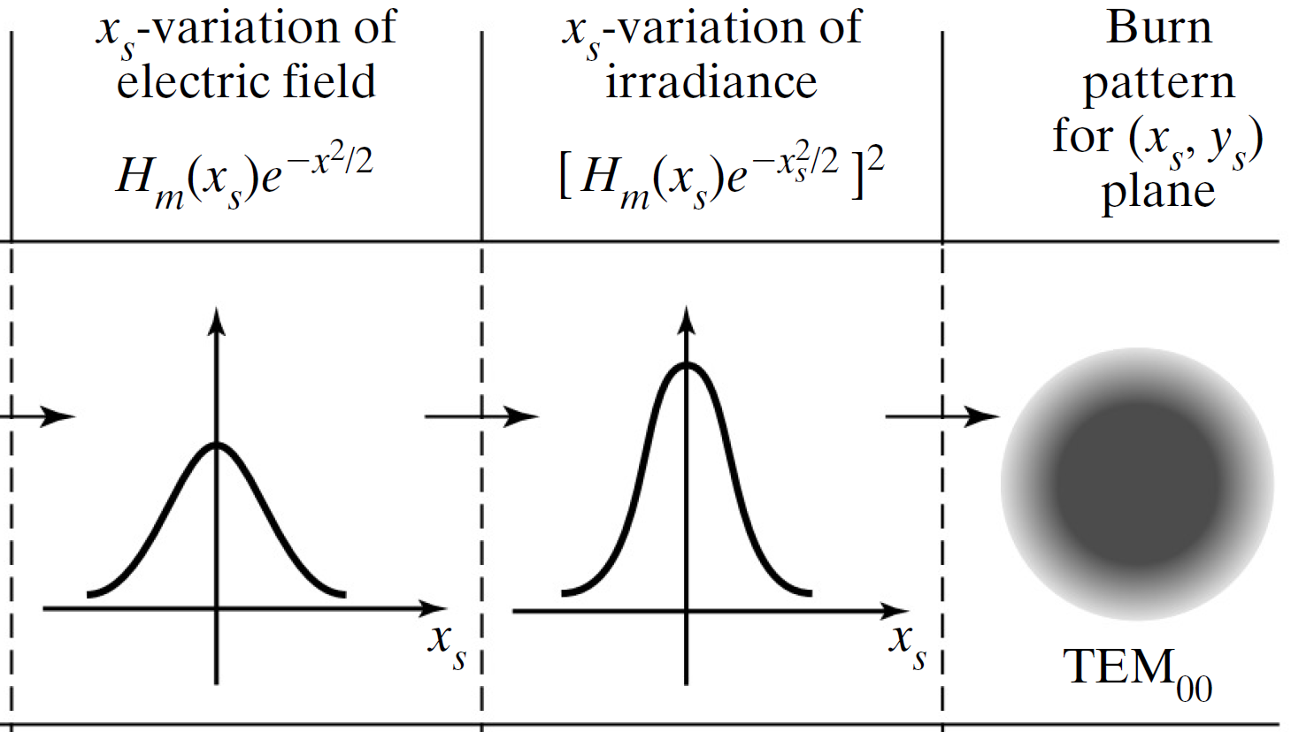
λ (nm) | 2w0 (mm) | D (mm) | f (mm) | s (m) | z (m)
632.8 | 1.00 | 2.0 | 22.0 | 2.00 | 2.00
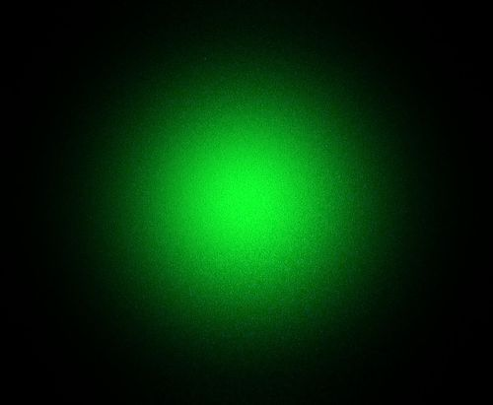

2θ (mrad)
0.806
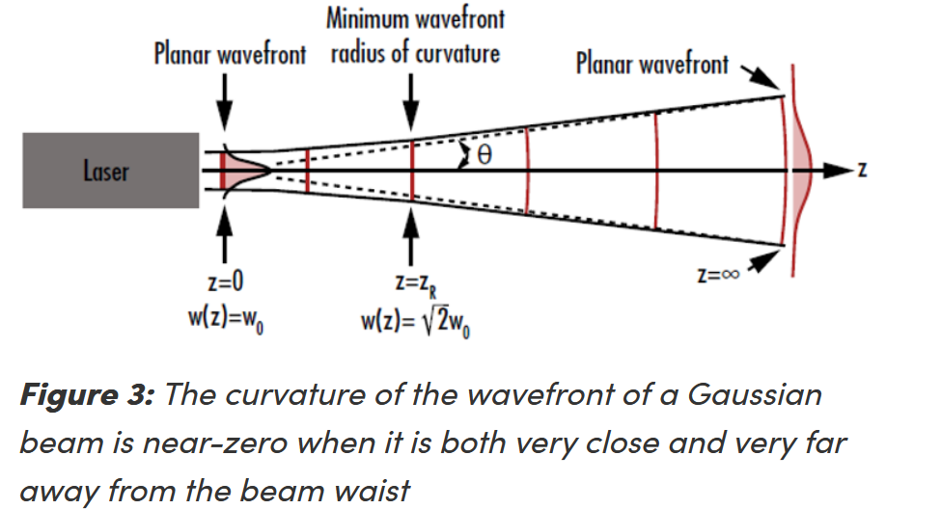

zR (m)
1.24

2w(z = s) (mm)
1.90
Beam clipping? | No.

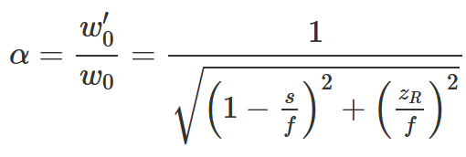
α (×)
0.00942
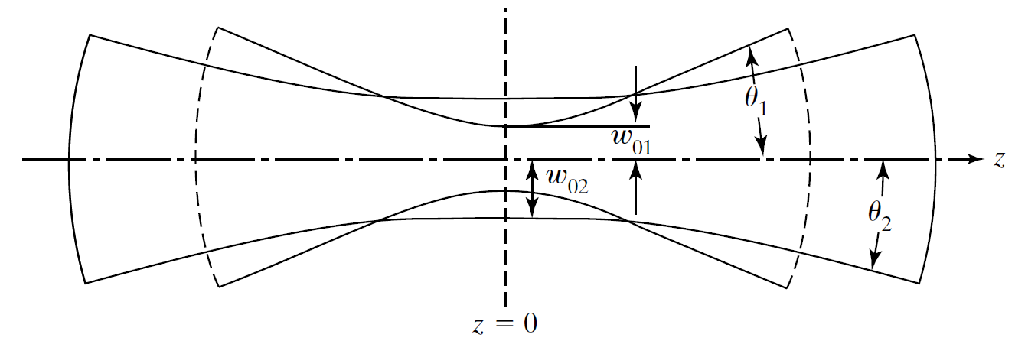

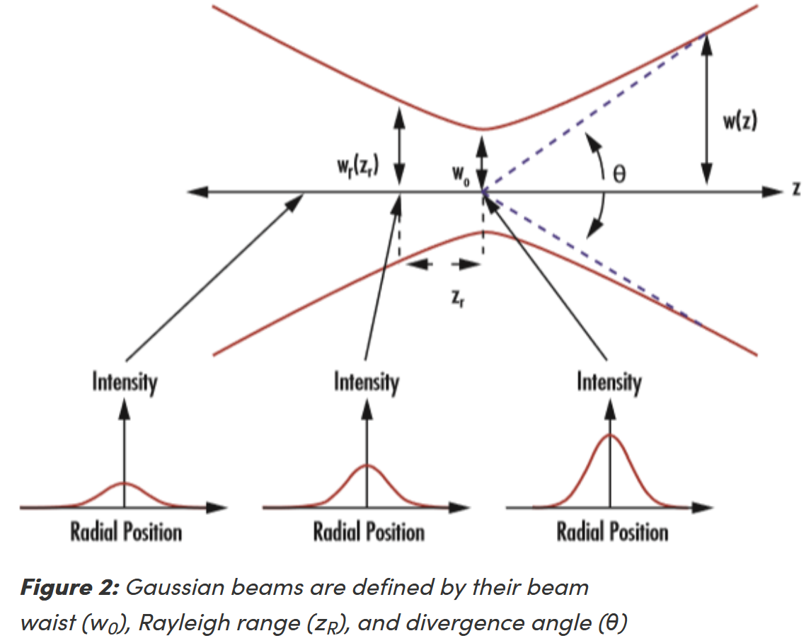
2w0' (µm)
9.421

2θ' (mrad)
85.52

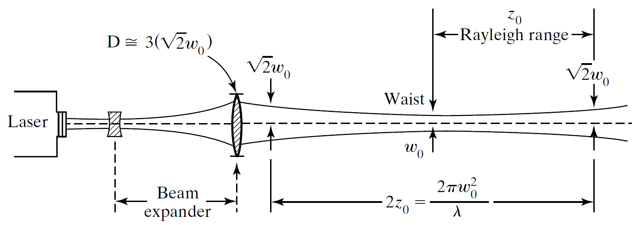
Lens f#
11.0

Beam f#
22.0 |  | f# = f / (2w0)
vs.
11.6 |  | f# = f / (2w(z = s))

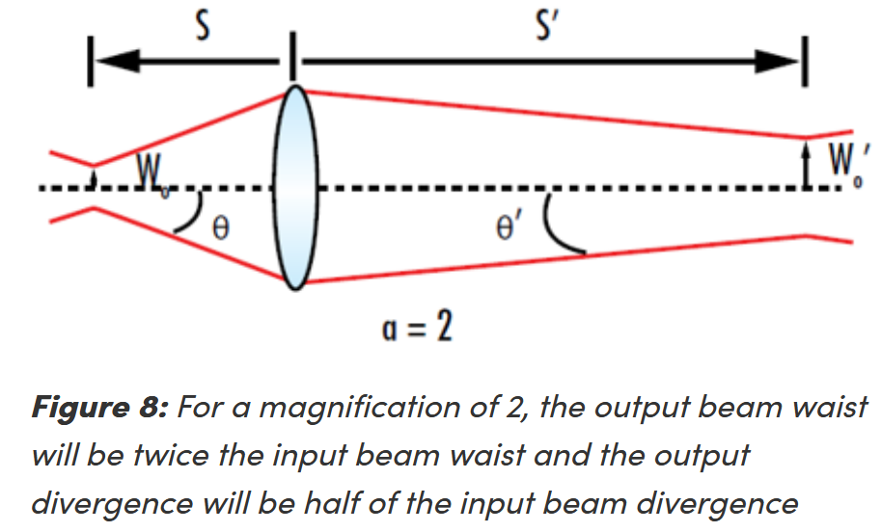
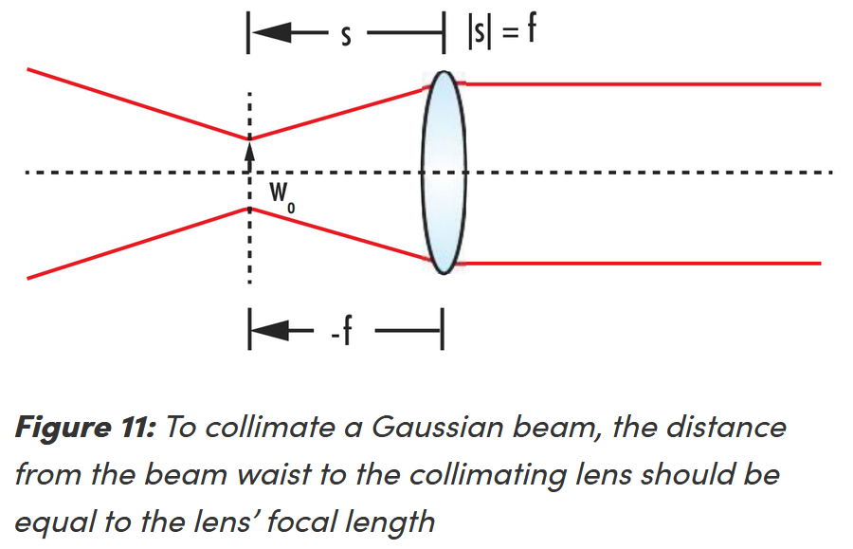
2w0' (µm)
17.726 | Term 2 only |  |  |  |  | <--- OK w/o Term 1?
vs.
Term 1
Term 2
9.421 | Terms 1 & 2

Term 1: | 32335
Term 2: | 12731
Check: | 9.421

Z2 (mm)
22.176

2w(z = f - Z2) (mm)
17.726

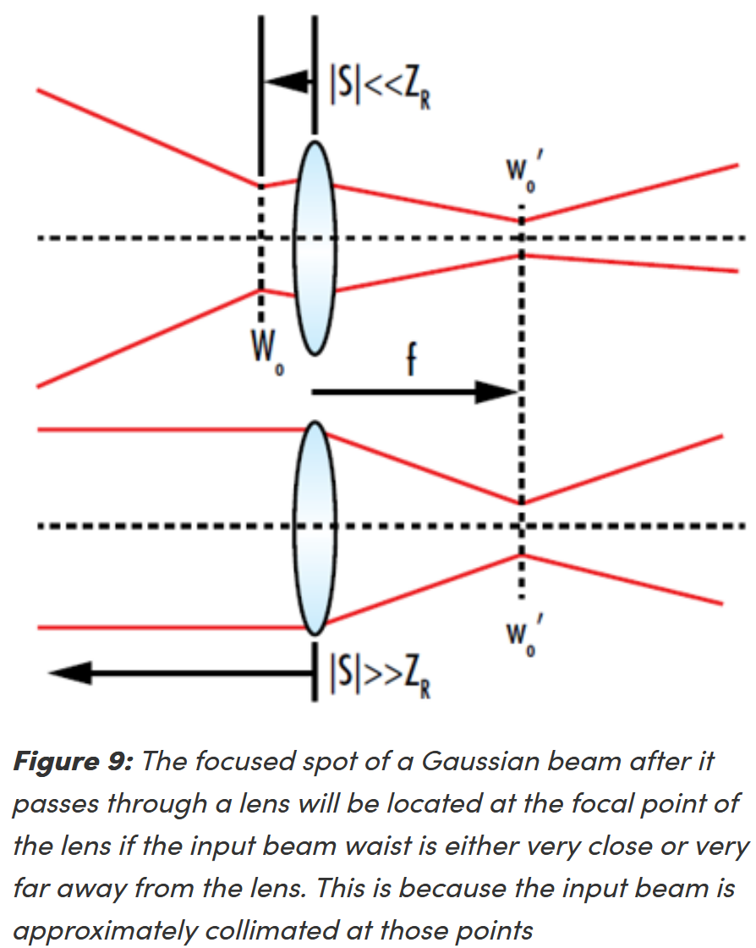
2w0' (µm)
17.726
vs. | Check:
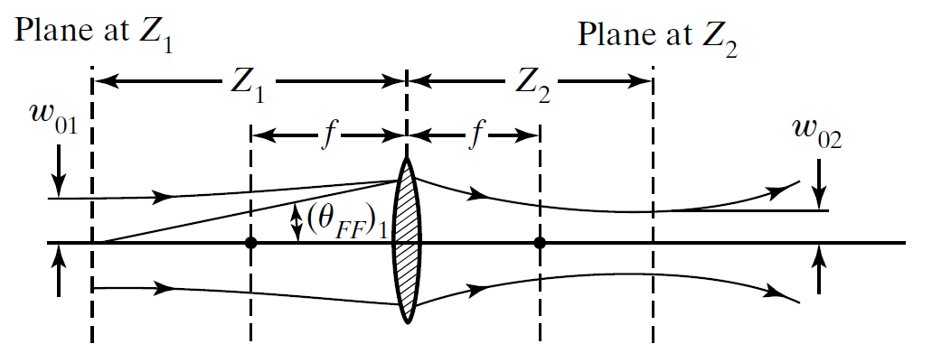
9.347 | 9.347
 | vs.
 | 9.421 | <--- Z2 in place of f

2w0' (µm)
17.911

2w0' (µm)
11.000 |  | w0' = w0 (s' / s) ≈ w0 (f / s)

