Exercise 2 (ANS)
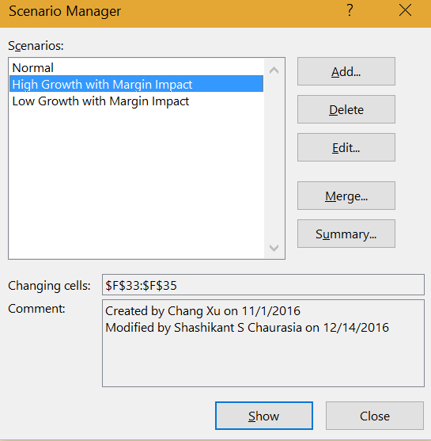
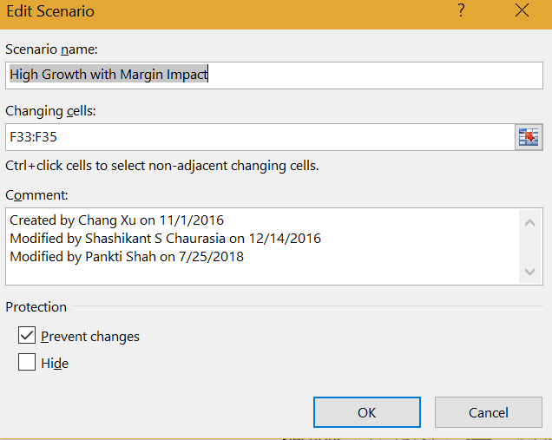
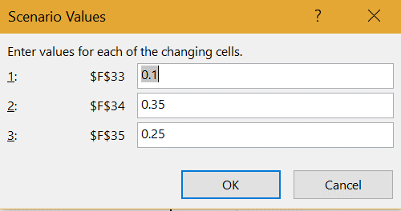
Data Driven Decision Making - Course 3
Week 2
Scenario Analysis
Exercise 2

 | Exercise 2 - Scenario Manager

 | The retail company wants to explore the potential profitability and growth potential of the company with the new store, under different market environments for demand growth.
 | Marketing and Finance has come up with the following scenarios:

 | 1. Normal: No Change
 | 2. High Growth with Margin Impact: Sales growth at 10%, which drives higher margins of 35% but includes slightly higher SG&A at 25%
 | 3. Low Growth with Margin Impact: Sales growth drops to 3.5% growth which drove lower margins of 30% with no effect on SG&A

 | 2a) Using Scenario Manager, simulate the operating income for this new store using the scenarios listed above.

 |  | Historical Year Ending Dec. 31, |  |  | Projected Year Ending Dec. 31, |  |  |  |  | 2015 - 2020
 |  | 2019 | 2020 | 2021 | 2022 | 2023 | 2024 | 2025 | 2026 | CAGR (%)

 | In-Store Revenue | $3,950,500 | $4,225,000 | $4,575,800 | $4,941,864 | $5,337,213 | $5,764,190 | $6,225,325 | $6,723,351 | 8.0%
 | Online Revenue | $975,000 | $1,150,000 | $1,280,000 | $1,382,400 | $1,492,992 | $1,612,431 | $1,741,426 | $1,880,740 | 8.0%
 | Cost of Sales | $2,350,000 | $2,514,000 | $2,745,500 | $4,300,500 | $4,644,539 | $5,016,103 | $5,417,391 | $5,850,782 | 16.3%
 | Gross Profit | $2,575,500 | $2,861,000 | $3,110,300 | $2,023,764 | $2,185,666 | $2,360,519 | $2,549,360 | $2,753,309 | (2.4%)

 | SG&A Expense | $1,042,800 | $1,119,700 | $1,254,600 | $988,373 | $1,067,443 | $1,152,838 | $1,245,065 | $1,344,670 | 1.4%
 | Operating Income | $1,532,700 | $1,741,300 | $1,855,700 | $1,035,392 | $1,118,223 | $1,207,681 | $1,304,295 | $1,408,639 | (5.4%)

 | Ratios & Assumptions | Historical Year Ending Dec. 31, |  |  | Projected Year Ending Dec. 31,
 |  | 2019 | 2020 | 2021 | 2022 | 2023 | 2024 | 2025 | 2026
 | Revenue Growth Rate | N/A | 9.1% | 8.9% | 8.0% | 8.0% | 8.0% | 8.0% | 8.0%
 | Gross Margin | 52.3% | 53.2% | 53.1% | 32.0% | 32.0% | 32.0% | 32.0% | 32.0%
 | SG&A Expense as % of Ticket Revenue | N/A | N/A | N/A | 20.0% | 20.0% | 20.0% | 20.0% | 20.0%

 | Steps to access different scenarios:

 | 1 |  | In Excel 2010 and 2013, you can find scenario manager on the “data” tab, under “data tools”, “what if analysis”.

 |  | 2 | Add different scenarios, provide a name, refer the cells that change, provide the new values for each scenario, and then click on "Show". For example, for the "High growth and Margin Impact" scenario, put revenue growth rate as 10% for 2016, Gross Margin as 35% and SG&A as % of Expense as 25%; once you click on "Show" you will find the result as shown below.

Exercise 3 (ANS)
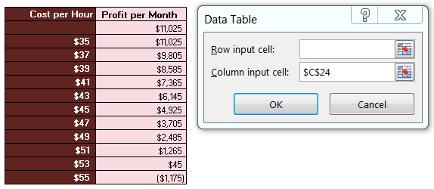
Data Driven Decision Making - Course 3
Week 2
Scenario Analysis
Exercise 3

 | Exercise 3 - One-way Data Tables

 | Our employer wants to analyze the impact of store-related costs, such as labor and store maintenance, on monthly profit for the proposed store. The operations
 | team has determined the minimum cost per hour is $35 and the maximum cost per hour is $55. The operations team has also provided estimates for the number
 | of purchases per month and revenue per purchase, 185 and $175, respectively. We've summarized this information in cells B20:C27. Using the information
 | provided by the operations team we've determined an estimated monthly profit in cell C27. However, recall that we'd like to analyze how profit is impacted by cost
 | per hour. This table only calculates profit for one value of cost per hour at a time. This is where the Data Table tool comes in.

 | We're going to use a one-way Data Table to analyze the impact of cost per hour on profit and summarize our findings in cells F20:G31.

 | 3a) Create a one-way data table using the Cost per Hour in cell C24.

 | Input Parameters - New Store |  |  | Cost per Hour | Profit per Month
 | Purchases | 185 |  |  | $11,025
 | Hours Needed | 610 |  | $35 | $11,025
 | Revenue per Purchase | $175 |  | $37 | $9,805
 | Cost per Hour | $35 |  | $39 | $8,585
 | Total Revenue | $32,375 |  | $41 | $7,365
 | Total Costs | $21,350 |  | $43 | $6,145
 | Profit per Month | $11,025 |  | $45 | $4,925
 |  |  |  | $47 | $3,705
 |  |  |  | $49 | $2,485
 |  |  |  | $51 | $1,265
 |  |  |  | $53 | $45
 |  |  |  | $55 | ($1,175)

 | Steps for using one-way data table:

 | 1 |  | In Excel 2010 and 2013, you can find data table on the “data” tab, under “data tools”, “what if analysis”.

 |  | 2 | Refer Cell G21 to Cell C27. Select the entire table F21:G32, select Data table, insert Column input as the variable which needs to be changed (i.e., in our example Cell C24) once you press enter, the data table will be created.

Exercise 4 (ANS)
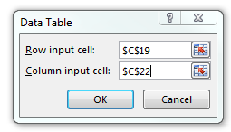
Data Driven Decision Making - Course 3
Week 2
Scenario Analysis
Exercise 4

 | Exercise 4 - Two-way Data Tables

 | Building upon the example of the one-way data table, let's add an additional variable, the number of purchases per month. The operations team has analyzed historical
 | demand and determined that the minimum demand is 175 purchases and the maximum demand is 200 purchases. Now, we'll analyze how profit changes when
 | we have two variable inputs demand (Purchases) and costs (Cost per Hour).

 | The Two-way data table requires a slightly different setup, so now the objective (Profit per Month), must be placed directly above the column input variable (Cost per Hour).

 | 4a) Determine the range of monthly profit given the range of Cost per Hour and Purchases using a Two-Way data table.

 |  |  |  |  | Purchases
 | Input Parameters - New Store |  |  | $11,025 | 175 | 180 | 185 | 190 | 195 | 200
 | Purchases | 185 | Cost per Hour | $35 | $9,275 | $10,150 | $11,025 | $11,900 | $12,775 | $13,650
 | Hours Needed | 610 |  | $37 | $8,055 | $8,930 | $9,805 | $10,680 | $11,555 | $12,430
 | Revenue per Purchase | $175 |  | $39 | $6,835 | $7,710 | $8,585 | $9,460 | $10,335 | $11,210
 | Cost per Hour | $35 |  | $41 | $5,615 | $6,490 | $7,365 | $8,240 | $9,115 | $9,990
 | Total Revenue | $32,375 |  | $43 | $4,395 | $5,270 | $6,145 | $7,020 | $7,895 | $8,770
 | Total Costs | $21,350 |  | $45 | $3,175 | $4,050 | $4,925 | $5,800 | $6,675 | $7,550
 | Profit per Month | $11,025 |  | $47 | $1,955 | $2,830 | $3,705 | $4,580 | $5,455 | $6,330
 |  |  |  | $49 | $735 | $1,610 | $2,485 | $3,360 | $4,235 | $5,110
 |  |  |  | $51 | ($485) | $390 | $1,265 | $2,140 | $3,015 | $3,890
 |  |  |  | $53 | ($1,705) | ($830) | $45 | $920 | $1,795 | $2,670
 |  |  |  | $55 | ($2,925) | ($2,050) | ($1,175) | ($300) | $575 | $1,450

 | Steps for using two-way data table:

 | 1 | In Excel 2010 and 2013, you can find data table on the “data” tab, under “data tools”, “what if analysis”.

 | 2 | Refer Cell F18 to Cell C25. Select the entire table F18:L29, select Data table under "What if Analysis", insert Row input as the first variable which is Cell C19, Column input as the 2nd variable, i.e., in our example Cell C22, once you press enter, the data table will be created.

Exercise 6 (ANS)
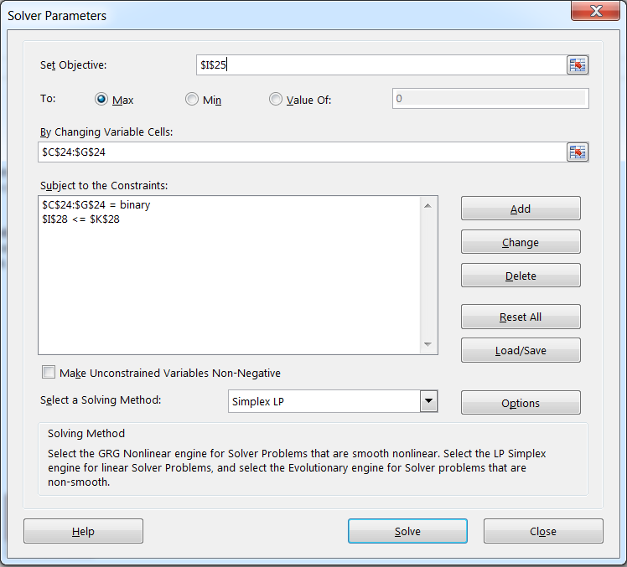
Data Driven Decision Making - Course 3
Week 2
Scenario Analysis
Exercise 6

 | Exercise 6 - Solver

 | Often times we're in a situation where we'd like to optimize a particular measure. For example, we might want to know what decisions to make in order to maximize profit, while
 | still meeting constraints. Or the situation might warrant a minimization problem, where we'd like to know the scheduling of resources that minimizes cost while still meeting
 | customer demand.

 | In the scenario below, we've been presented with five business initiatives which come with an estimated total cost and a net benefit. We'd like to know which initiatives to execute
 | against, subject to a $30m budget. In other words, our decision variables are binary (Yes/No) and we want to determine which initiatives to say "Yes" to. To accomplish this task
 | we're going to use Excel Solver, a free add-in. Solver requires a few inputs, such as the objective function, the type of optimization problem, and any constraints.
 | In our scenario, we want to maximize Net Benefit, while keeping Total Cost at or below $30m.

 | 6a) Calculate the total Net Benefit from the initiatives based on the Decision Variables in row 24.
 | 6b) Calculate the Total Cost of the initiatives based on the Decision Variables in row 24.
 | 6c) Determine the optimal mix of initiatives to execute against in order to maximize the Net Benefits whole maintaining a budget of $30M using Excel Solver.

 | Initiatives | Open New Store | Enter new regional market | Technology Investment | Launch new product line | Process Improvement Plan
 | Decision Variables | 0 | 1 | 0 | 0 | 1 | Objective
 | Net Benefit | $356,194 | $2,751,289 | $906,251 | $1,556,269 | $2,115,634 | $4,866,923

 | Constraints | Open New Store | Enter new regional market | Technology Investment | Launch new product line | Process Improvement Plan | Total Cost |  | Budget
 | Total Cost | $8,741,614 | $20,145,723 | $7,101,337 | $12,598,983 | $4,007,743 | $24,153,466 | <= | $30,000,000

 | Steps for Excel Solver

 | 1 | In Excel 2010 and 2013, you can find solver on the “data” tab under the "Analysis" section once you have downloaded the Solver add-in.
 | 2 | Once you click on Solver, fill in the details as shown in image below.

