澳洲谷仓
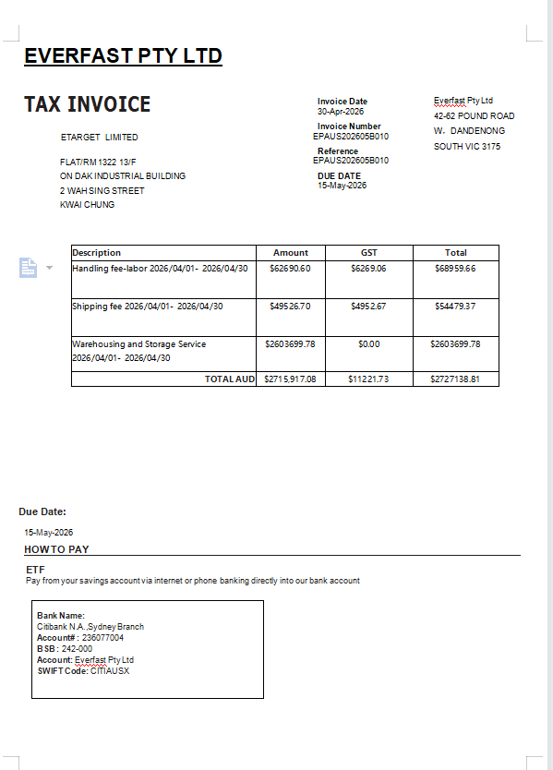
TAX INVOICE
 |  |  | Invoice Date | Everfast Pty Ltd | Invoice Date：格式（ 日-月-年） 来源系统为FPS，开票日期为发票审核日期 来源系统为ITS，开票日期为账单周期最后一天
 |  |  | 22-May-26 | 42-62 POUND ROAD W， DANDENONG SOUTH VIC 3175
客户名称 |  |  | Invoice Number |  | Invoice Number：发票号码 EPAUS+yyyy+mm+B+序号(3位）
客户地址 |  |  | EPAUS202605B019
 |  |  | Reference
 |  |  | EPAUS202605B019
 |  |  | ABN
 |  |  | 75 623 285 825 |  | ABN：默认

Description | Quantity | Unit Price | GST | Amount AUD | Description：开票品名-dd/mm/yyyy-dd/mm/yyyy（账期） Quantity：默认为1 Unit Price=Amount AUD GST：10%
Warehouse Storage Service Fees--01/02/2026-28/02/2026 | 1 | 14,546.00 | 10% | 14,546.00
Handling Fees-01/02/2026-28/02/2026 | 1 | 51,303.26 | 10% | 51,303.26

 |  |  | Subtotal | 65,849.26
 |  |  | TOTAL GST 10% | 6,584.93
 |  |  | TOTAL AUD | 72,434.19

Due Date: | 22-May-26 | 根据客户账期变动
Bank Name: Citibank |  |  |  |  | 默认
Account Name: Everfast Pty Ltd
BSB: 242-000
Account No: 236077004
发票备注 |  |  |  |  | 如有赋值发票备注

PAYMENT ADVICE
 |  |  | Customer | 客户名称
To: |  |  | Invoice Number | EPAUS202605B019
Everfast Pty Ltd |  |  | Amount Due | 72,434.19
42-62 POUND ROAD W， DANDENONG SOUTH VIC 3175 |  |  | Due Date | 22-May-26
 |  |  | Amount Enclosed

