SDC
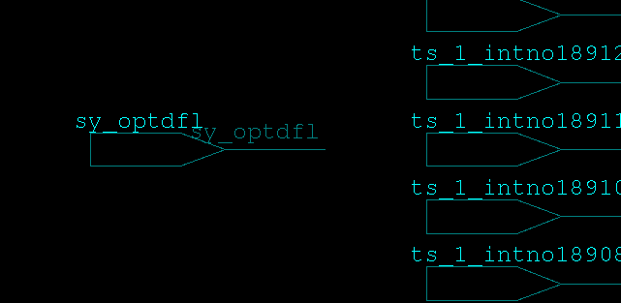
 |  | コメント
 | #---------------------------# | uscflfls4150_実装指示書_R0101.xlsx
 | #== No. FALSE-FLS-0004 ==# | 2.5(2) タイミング例外(FLASH)シート
 | #---------------------------# | のNo.4
 | set_false_path -through [r_get_cellpin cspf/fls/sy_optdfl] | 該当ピンはfloating
 | Warning (r_get_cellpin) : A reciever of cspf/fls/sy_optdfl can not be found !!
 | Error (r_get_cellpin) : A driver of cspf/fls/sy_optdfl can not be found !!
 | Error: Nothing matched for through_list (SEL-005)
 | 0

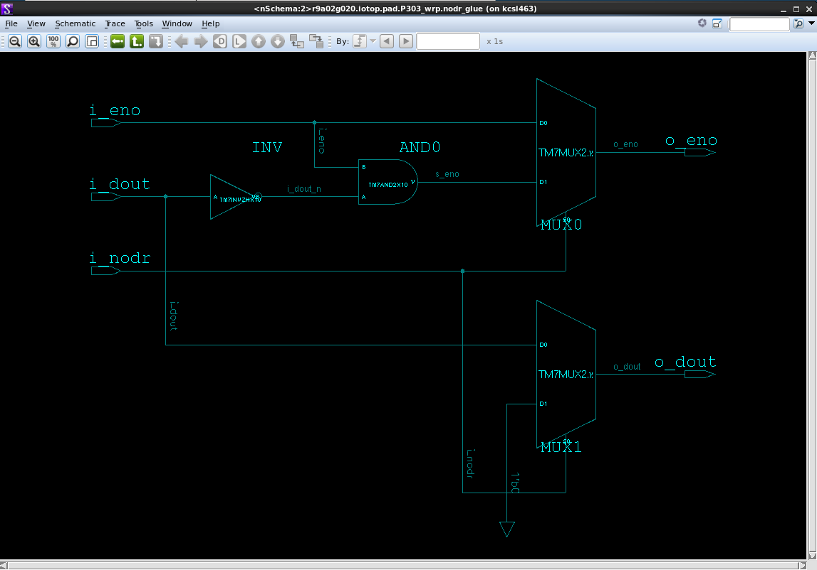
 | #------------------------------------------------# | risc-v-chip1_iotop_implementation_guideline_v00.08.xls
 | #== No. DISABLE Clock Gating Check TIMING-IOTOP_41 ==# | 7.timing_exceptionシート
 | #------------------------------------------------# | のNo.41
 | set_disable_clock_gating_check [get_cells iotop/pad/P303_wrp/nodr_glue/i_dout] | 該当セルをみつからない
 | Warning: No cell objects matched 'iotop/pad/P303_wrp/nodr_glue/i_dout' (SEL-004)
 | Error: Nothing matched for cells (SEL-005)
 | Error: Nothing matched for object_list (SEL-005)
 | 0

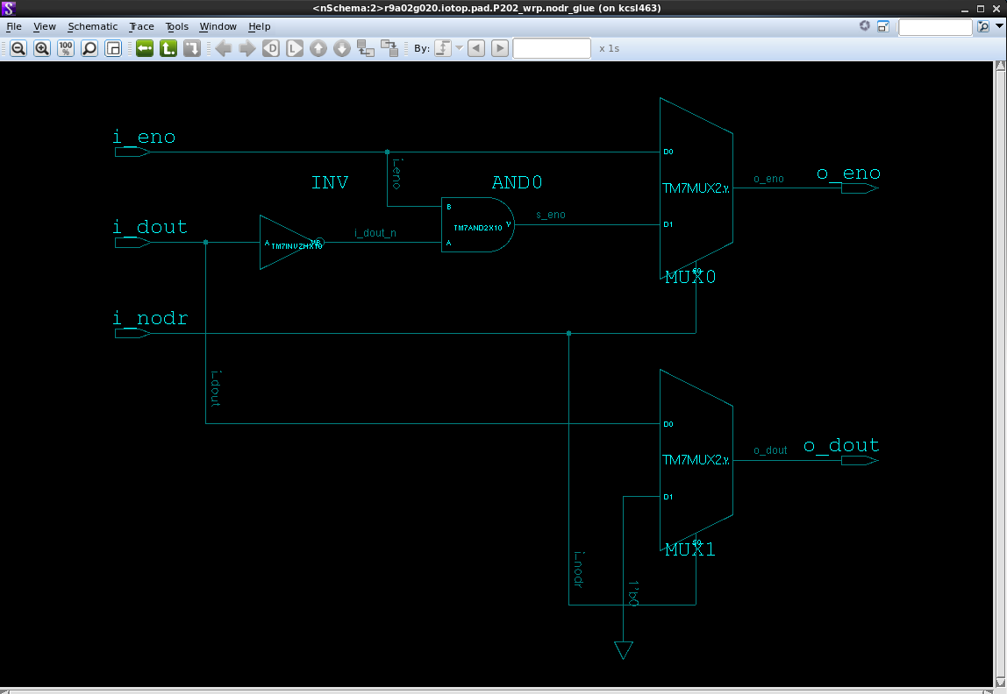
 | #------------------------------------------------# | risc-v-chip1_iotop_implementation_guideline_v00.08.xls
 | #== No. DISABLE Clock Gating Check TIMING-IOTOP_42 ==# | 7.timing_exceptionシート
 | #------------------------------------------------# | のNo.42
 | set_disable_clock_gating_check [get_cells iotop/pad/P202_wrp/nodr_glue/i_dout] | 該当セルをみつからない
 | Warning: No cell objects matched 'iotop/pad/P202_wrp/nodr_glue/i_dout' (SEL-004)
 | Error: Nothing matched for cells (SEL-005)
 | Error: Nothing matched for object_list (SEL-005)
 | 0

ここからatomのSDCのエラーです。該当ピンまたはセルv081ネットでみつからないので。
 | source -echo -verbose /design04/RISC_V_B/RISC_V_Motor/data/4_implement/42_sdc/${RTLVER}/ATOM/atom.sta_system.tcl

 | set_false_path -through [get_pins -of_objects [get_cells ${atom::STGN_6}/test_mode_STA_SO ] -filter "pin_direction==out"]
 | Warning: No cell objects matched 'cspf/sysss/syspf/cpg/atom/iSTGN_IWDTCLKS/test_mode_STA_SO' (SEL-004)
 | Error: Nothing matched for cells (SEL-005)
 | Error: Nothing matched for -of_objects collection (SEL-005)
 | Error: Nothing matched for through_list (SEL-005)
 | 0

 | ## Disable clock-gating check in tgn
 | set_disable_clock_gating_check [get_cells ${atom::STGN_1}/CL_AND2X_0_SO ]
 | Warning: No cell objects matched 'cspf/sysss/syspf/cpg/atom/iSTGN_PCLK4/CL_AND2X_0_SO' (SEL-004)
 | Error: Nothing matched for cells (SEL-005)
 | Error: Nothing matched for object_list (SEL-005)
 | 0
 | set_disable_clock_gating_check [get_cells ${atom::STGN_1}/CL_AND2X_1_SO ]
 | Warning: No cell objects matched 'cspf/sysss/syspf/cpg/atom/iSTGN_PCLK4/CL_AND2X_1_SO' (SEL-004)
 | Error: Nothing matched for cells (SEL-005)
 | Error: Nothing matched for object_list (SEL-005)
 | 0
 | set_disable_clock_gating_check [get_cells ${atom::STGN_2}/CL_AND2X_0_SO ]
 | Warning: No cell objects matched 'cspf/sysss/syspf/cpg/atom/iSTGN_USBCLK/CL_AND2X_0_SO' (SEL-004)
 | Error: Nothing matched for cells (SEL-005)
 | Error: Nothing matched for object_list (SEL-005)
 | 0
 | set_disable_clock_gating_check [get_cells ${atom::STGN_3}/CL_AND2X_0_SO ]
 | Warning: No cell objects matched 'cspf/sysss/syspf/cpg/atom/iSTGN_ICLK/CL_AND2X_0_SO' (SEL-004)
 | Error: Nothing matched for cells (SEL-005)
 | Error: Nothing matched for object_list (SEL-005)
 | 0
 | set_disable_clock_gating_check [get_cells ${atom::STGN_4}/CL_AND2X_0_SO ]
 | Warning: No cell objects matched 'cspf/sysss/syspf/cpg/atom/iSTGN_PCLK2/CL_AND2X_0_SO' (SEL-004)
 | Error: Nothing matched for cells (SEL-005)
 | Error: Nothing matched for object_list (SEL-005)
 | 0
 | set_disable_clock_gating_check [get_cells ${atom::STGN_4}/CL_AND2X_1_SO ]
 | Warning: No cell objects matched 'cspf/sysss/syspf/cpg/atom/iSTGN_PCLK2/CL_AND2X_1_SO' (SEL-004)
 | Error: Nothing matched for cells (SEL-005)
 | Error: Nothing matched for object_list (SEL-005)
 | 0
 | set_disable_clock_gating_check [get_cells ${atom::STGN_5}/CL_AND2X_0_SO ]
 | Warning: No cell objects matched 'cspf/sysss/syspf/cpg/atom/iSTGN_TCKOCDCLK/CL_AND2X_0_SO' (SEL-004)
 | Error: Nothing matched for cells (SEL-005)
 | Error: Nothing matched for object_list (SEL-005)
 | 0
 | set_disable_clock_gating_check [get_cells ${atom::STGN_6}/CL_AND2X_0_SO ]
 | Warning: No cell objects matched 'cspf/sysss/syspf/cpg/atom/iSTGN_IWDTCLKS/CL_AND2X_0_SO' (SEL-004)
 | Error: Nothing matched for cells (SEL-005)
 | Error: Nothing matched for object_list (SEL-005)
 | 0
 | set_disable_clock_gating_check [get_cells ${atom::STGN_6}/CL_AND2X_1_SO ]
 | Warning: No cell objects matched 'cspf/sysss/syspf/cpg/atom/iSTGN_IWDTCLKS/CL_AND2X_1_SO' (SEL-004)
 | Error: Nothing matched for cells (SEL-005)
 | Error: Nothing matched for object_list (SEL-005)
 | 0
 | set_disable_clock_gating_check [get_cells ${atom::STGN_6}/CL_AND2X_2_SO ]
 | Warning: No cell objects matched 'cspf/sysss/syspf/cpg/atom/iSTGN_IWDTCLKS/CL_AND2X_2_SO' (SEL-004)
 | Error: Nothing matched for cells (SEL-005)
 | Error: Nothing matched for object_list (SEL-005)
 | 0
 | set_disable_clock_gating_check [get_cells ${atom::STGN_6}/CL_AND2X_3_SO ]
 | Warning: No cell objects matched 'cspf/sysss/syspf/cpg/atom/iSTGN_IWDTCLKS/CL_AND2X_3_SO' (SEL-004)
 | Error: Nothing matched for cells (SEL-005)
 | Error: Nothing matched for object_list (SEL-005)
 | 0

 | Warning: No cell objects matched 'cspf/sysss/syspf/cpg/atom/iSTGN_IWDTCLKS/GCK_TX_0_GTX_CK_TX_SO' (SEL-004)
 | Error: Nothing matched for cells (SEL-005)
 | Error: Nothing matched for object_list (SEL-005)
 | 0
 | set_disable_clock_gating_check [get_cells ${atom::STGN_6}/GCK_TX_1_GTX_CK_TX_SO ]
 | Warning: No cell objects matched 'cspf/sysss/syspf/cpg/atom/iSTGN_IWDTCLKS/GCK_TX_1_GTX_CK_TX_SO' (SEL-004)
 | Error: Nothing matched for cells (SEL-005)
 | Error: Nothing matched for object_list (SEL-005)
 | 0
 | set_disable_clock_gating_check [get_cells ${atom::STGN_6}/GCK_TX_2_GTX_CK_TX_SO ]
 | Warning: No cell objects matched 'cspf/sysss/syspf/cpg/atom/iSTGN_IWDTCLKS/GCK_TX_2_GTX_CK_TX_SO' (SEL-004)
 | Error: Nothing matched for cells (SEL-005)
 | Error: Nothing matched for object_list (SEL-005)
 | 0
 | set_disable_clock_gating_check [get_cells ${atom::STGN_6}/GCK_TX_3_GTX_CK_TX_SO ]
 | Warning: No cell objects matched 'cspf/sysss/syspf/cpg/atom/iSTGN_IWDTCLKS/GCK_TX_3_GTX_CK_TX_SO' (SEL-004)
 | Error: Nothing matched for cells (SEL-005)
 | Error: Nothing matched for object_list (SEL-005)
 | 0

 | atom_DisableTimingCell ${atom::STGN_1}/CL_AND2X_0_SO
 | Warning: No cell objects matched 'cspf/sysss/syspf/cpg/atom/iSTGN_PCLK4/CL_AND2X_0_SO' (SEL-004)
 | Error: Nothing matched for cells (SEL-005)
 | Error: Nothing matched for -of_objects collection (SEL-005)
 | atom_DisableTimingCell ${atom::STGN_1}/CL_AND2X_1_SO
 | Warning: No cell objects matched 'cspf/sysss/syspf/cpg/atom/iSTGN_PCLK4/CL_AND2X_1_SO' (SEL-004)
 | Error: Nothing matched for cells (SEL-005)
 | Error: Nothing matched for -of_objects collection (SEL-005)
 | atom_DisableTimingCell ${atom::STGN_2}/CL_AND2X_0_SO
 | Warning: No cell objects matched 'cspf/sysss/syspf/cpg/atom/iSTGN_USBCLK/CL_AND2X_0_SO' (SEL-004)
 | Error: Nothing matched for cells (SEL-005)
 | Error: Nothing matched for -of_objects collection (SEL-005)
 | atom_DisableTimingCell ${atom::STGN_3}/CL_AND2X_0_SO
 | Warning: No cell objects matched 'cspf/sysss/syspf/cpg/atom/iSTGN_ICLK/CL_AND2X_0_SO' (SEL-004)
 | Error: Nothing matched for cells (SEL-005)
 | Error: Nothing matched for -of_objects collection (SEL-005)
 | atom_DisableTimingCell ${atom::STGN_4}/CL_AND2X_0_SO
 | Warning: No cell objects matched 'cspf/sysss/syspf/cpg/atom/iSTGN_PCLK2/CL_AND2X_0_SO' (SEL-004)
 | Error: Nothing matched for cells (SEL-005)
 | Error: Nothing matched for -of_objects collection (SEL-005)
 | atom_DisableTimingCell ${atom::STGN_4}/CL_AND2X_1_SO
 | Warning: No cell objects matched 'cspf/sysss/syspf/cpg/atom/iSTGN_PCLK2/CL_AND2X_1_SO' (SEL-004)
 | Error: Nothing matched for cells (SEL-005)
 | Error: Nothing matched for -of_objects collection (SEL-005)
 | atom_DisableTimingCell ${atom::STGN_5}/CL_AND2X_0_SO
 | Warning: No cell objects matched 'cspf/sysss/syspf/cpg/atom/iSTGN_TCKOCDCLK/CL_AND2X_0_SO' (SEL-004)
 | Error: Nothing matched for cells (SEL-005)
 | Error: Nothing matched for -of_objects collection (SEL-005)
 | atom_DisableTimingCell ${atom::STGN_6}/CL_AND2X_0_SO
 | Warning: No cell objects matched 'cspf/sysss/syspf/cpg/atom/iSTGN_IWDTCLKS/CL_AND2X_0_SO' (SEL-004)
 | Error: Nothing matched for cells (SEL-005)
 | Error: Nothing matched for -of_objects collection (SEL-005)
 | atom_DisableTimingCell ${atom::STGN_6}/CL_AND2X_1_SO
 | Warning: No cell objects matched 'cspf/sysss/syspf/cpg/atom/iSTGN_IWDTCLKS/CL_AND2X_1_SO' (SEL-004)
 | Error: Nothing matched for cells (SEL-005)
 | Error: Nothing matched for -of_objects collection (SEL-005)
 | atom_DisableTimingCell ${atom::STGN_6}/CL_AND2X_2_SO
 | Warning: No cell objects matched 'cspf/sysss/syspf/cpg/atom/iSTGN_IWDTCLKS/CL_AND2X_2_SO' (SEL-004)
 | Error: Nothing matched for cells (SEL-005)
 | Error: Nothing matched for -of_objects collection (SEL-005)
 | atom_DisableTimingCell ${atom::STGN_6}/CL_AND2X_3_SO
 | Warning: No cell objects matched 'cspf/sysss/syspf/cpg/atom/iSTGN_IWDTCLKS/CL_AND2X_3_SO' (SEL-004)
 | Error: Nothing matched for cells (SEL-005)
 | Error: Nothing matched for -of_objects collection (SEL-005)

Capture
#------------------------- | Userモード下記の書き方でエラーなし
#-- Case No. CASE-md_xinen_a | get_pins -of_objects cspf/sysss/syspf/mdent/md_xinen_a -l -filter "pin_direction==out"
#-------------------------
set_case_analysis 0 "[r_get_cellpin ${syspf_hier_inst}mdent/md_xinen_a]"
Error (r_get_cellpin ) : The pin cspf/sysss/syspf/mdent/md_xinen_a can not be moved !!
Lower side output : Num = 1 : cspf/sysss/syspf/mdent/main/entry/U76/YB
Lower side input : Num = 2 : cspf/sysss/syspf/mdent/main/entry/U78/BB cspf/sysss/syspf/mdent/main/entry/MOSC_CLAND/and2_0/B
Error: Nothing matched for port_or_pin_list (SEL-005)
0

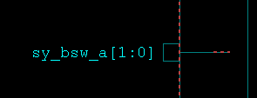
#------------------------- | open(階層ピンだけであります。)
#-- Case No. CASE-sy_bsw_a[1] | dont_touch設定がなし
#-------------------------
set_case_analysis 1 "[r_get_cellpin ${syspf_hier_inst}sydec/sy_bsw_a[1]]"
Warning (r_get_cellpin) : A reciever of cspf/sysss/syspf/sydec/sy_bsw_a[1] can not be found !!
Error (r_get_cellpin) : A driver of cspf/sysss/syspf/sydec/sy_bsw_a[1] can not be found !!
Error: Nothing matched for port_or_pin_list (SEL-005)
0
#-------------------------
#-- Case No. CASE-sy_bsw_a[0]
#-------------------------
set_case_analysis 0 "[r_get_cellpin ${syspf_hier_inst}sydec/sy_bsw_a[0]]"
Warning (r_get_cellpin) : A reciever of cspf/sysss/syspf/sydec/sy_bsw_a[0] can not be found !!
Error (r_get_cellpin) : A driver of cspf/sysss/syspf/sydec/sy_bsw_a[0] can not be found !!
Error: Nothing matched for port_or_pin_list (SEL-005)
0

#------------------------- | open(階層ピンだけであります。)
#-- Case No. CASE-sy_adfunce_a | dont_touch設定がなし
#-------------------------
set_case_analysis 0 "[r_get_cellpin ${syspf_hier_inst}sydec/sy_adfunce_a]"
Warning (r_get_cellpin) : A reciever of cspf/sysss/syspf/sydec/sy_adfunce_a can not be found !!
Error (r_get_cellpin) : A driver of cspf/sysss/syspf/sydec/sy_adfunce_a can not be found !!
Error: Nothing matched for port_or_pin_list (SEL-005)
0

#---------------------------#
#== No. FALSE-IOTOP_02 ==# | ELC削除したので不要。Iotopのインプリも更新した。
#---------------------------#
set_false_path -from [get_clocks SCAN_AC*] -to [get_clocks SCAN_AC*] -through [get_pins iotop/gpio/urv01gpistm0/elc_act_ext_p1/pxact_or/dly0/dy_0/A]
Warning: No pin objects matched 'iotop/gpio/urv01gpistm0/elc_act_ext_p1/pxact_or/dly0/dy_0/A' (SEL-004)
Error: Nothing matched for pins (SEL-005)
Error: Nothing matched for through_list (SEL-005)
0
#---------------------------#
#== No. FALSE-IOTOP_03 ==#
#---------------------------#
set_false_path -from [get_clocks SCAN_AC*] -to [get_clocks SCAN_AC*] -through [get_pins iotop/gpio/urv01gpistm0/elc_act_ext_p2/pxact_or/dly0/dy_0/A]
Warning: No pin objects matched 'iotop/gpio/urv01gpistm0/elc_act_ext_p2/pxact_or/dly0/dy_0/A' (SEL-004)
Error: Nothing matched for pins (SEL-005)
Error: Nothing matched for through_list (SEL-005)
0

例外制約
# No.105 SCAN_CAPTURE | クロック名変わりましたか？
set_false_path -through [get_pins cspf/sysss/syspf/cpg/cgtree/zx_clksi_cfl_d_0/cg_gclk/cg_gclk/CEN] -to [get_clocks AC_SCAN_32M_iclk] | SCAN_AC_32M_iclk
Warning: No clock objects matched 'AC_SCAN_32M_iclk' (SEL-004)
Error: Nothing matched for clocks (SEL-005)
Error: Nothing matched for to_list (SEL-005)
0

