R_Spica
4 | x | y
0 | 0 | -1.85
0.1 | 0.4 | -2.15
0.2 | 0.8 | -2.6
0.3 | 1.2 | -3.3
0.4 | 1.6 | -2.5
0.5 | 2 | -1.6
0.6 | 2.4 | -2.6
0.7 | 2.8 | -3.15
0.8 | 3.2 | -2.7
0.9 | 3.6 | -2.15
1 | 4 | -1.85
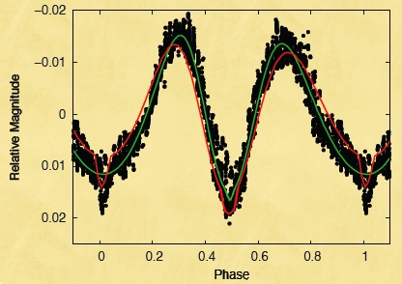
 |  |  | -3.5 | -3.5 | -0.02 | -0.02 | -0.02 | -0.02 | -0.02 | -0.02 | -0.02 | -0.02 | -0.02 | -0.02 | -0.02 | -0.02 | -0.02 | -0.02 | -0.02
 |  |  | -3.4 | -3.4 | -0.0175 | -0.0175 | -0.0175 | -0.0175 | -0.0175 | -0.0175 | -0.0175 | -0.0175 | -0.0175 | -0.0175 | -0.0175 | -0.0175 | -0.0175 | -0.0175 | -0.0175
 |  |  | -3.3 | -3.3 | -0.015 | -0.015 | -0.015 | -0.015 | -0.015 | -0.015 | -0.015 | -0.015 | -0.015 | -0.015 | -0.015 | -0.015 | -0.015 | -0.015 | -0.015
 |  |  | -3.15 | -3.15 | -0.0125 | -0.0125 | -0.0125 | -0.0125 | -0.0125 | -0.0125 | -0.0125 | -0.0125 | -0.0125 | -0.0125 | -0.0125 | -0.0125 | -0.0125 | -0.0125 | -0.0125
 |  |  | -3 | -3 | -0.01 | -0.01 | -0.01 | -0.01 | -0.01 | -0.01 | -0.01 | -0.01 | -0.01 | -0.01 | -0.01 | -0.01 | -0.01 | -0.01 | -0.01
 |  |  | -2.85 | -2.85 | -0.0075 | -0.0075 | -0.0075 | -0.0075 | -0.0075 | -0.0075 | -0.0075 | -0.0075 | -0.0075 | -0.0075 | -0.0075 | -0.0075 | -0.0075 | -0.0075 | -0.0075
 |  |  | -2.7 | -2.7 | -0.005 | -0.005 | -0.005 | -0.005 | -0.005 | -0.005 | -0.005 | -0.005 | -0.005 | -0.005 | -0.005 | -0.005 | -0.005 | -0.005 | -0.005
 |  |  | -2.6 | -2.6 | -0.0025 | -0.0025 | -0.0025 | -0.0025 | -0.0025 | -0.0025 | -0.0025 | -0.0025 | -0.0025 | -0.0025 | -0.0025 | -0.0025 | -0.0025 | -0.0025 | -0.0025
 |  |  | -2.5 | -2.5 | 0 | 0 | 0 | 0 | 0 | 0 | 0 | 0 | 0 | 0 | 0 | 0 | 0 | 0 | 0
 |  |  | -2.4 | -2.4 | 0.0025 | 0.0025 | 0.0025 | 0.0025 | 0.0025 | 0.0025 | 0.0025 | 0.0025 | 0.0025 | 0.0025 | 0.0025 | 0.0025 | 0.0025 | 0.0025 | 0.0025
 |  |  | -2.3 | -2.3 | 0.005 | 0.005 | 0.005 | 0.005 | 0.005 | 0.005 | 0.005 | 0.005 | 0.005 | 0.005 | 0.005 | 0.005 | 0.005 | 0.005 | 0.005
 |  |  | -2.15 | -2.15 | 0.0075 | 0.0075 | 0.0075 | 0.0075 | 0.0075 | 0.0075 | 0.0075 | 0.0075 | 0.0075 | 0.0075 | 0.0075 | 0.0075 | 0.0075 | 0.0075 | 0.0075
 |  |  | -2 | -2 | 0.01 | 0.01 | 0.01 | 0.01 | 0.01 | 0.01 | 0.01 | 0.01 | 0.01 | 0.01 | 0.01 | 0.01 | 0.01 | 0.01 | 0.01
 |  |  | -1.85 | -1.85 | 0.0125 | 0.0125 | 0.0125 | 0.0125 | 0.0125 | 0.0125 | 0.0125 | 0.0125 | 0.0125 | 0.0125 | 0.0125 | 0.0125 | 0.0125 | 0.0125 | 0.0125
 |  |  | -1.7 | -1.7 | 0.015 | 0.015 | 0.015 | 0.015 | 0.015 | 0.015 | 0.015 | 0.015 | 0.015 | 0.015 | 0.015 | 0.015 | 0.015 | 0.015 | 0.015
 |  |  | -1.6 | -1.6 | 0.0175 | 0.0175 | 0.0175 | 0.0175 | 0.0175 | 0.0175 | 0.0175 | 0.0175 | 0.0175 | 0.0175 | 0.0175 | 0.0175 | 0.0175 | 0.0175 | 0.0175
 |  |  | -1.5 | -1.5 | 0.02 | 0.02 | 0.02 | 0.02 | 0.02 | 0.02 | 0.02 | 0.02 | 0.02 | 0.02 | 0.02 | 0.02 | 0.02 | 0.02 | 0.02

R_Centauri
0.64252 | x | y | -0.72
0 | 0.00 | -0.64 | 4.66
0.1 | 0.06 | -0.72 | 4.58 | 5.3
0.2 | 0.13 | -0.8 | 4.5
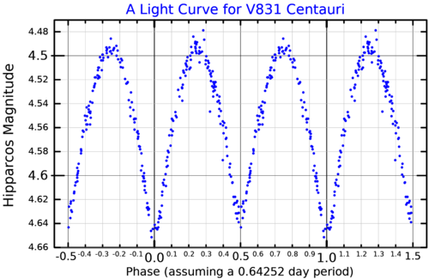
0.3 | 0.19 | -0.8 | 4.5
0.4 | 0.26 | -0.74 | 4.56
0.5 | 0.32 | -0.64 | 4.66
0.6 | 0.39 | -0.72 | 4.58
0.7 | 0.45 | -0.8 | 4.5
0.8 | 0.51 | -0.8 | 4.5
0.9 | 0.58 | -0.74 | 4.56
1 | 0.64 | -0.66 | 4.64

B_VZ_Librae
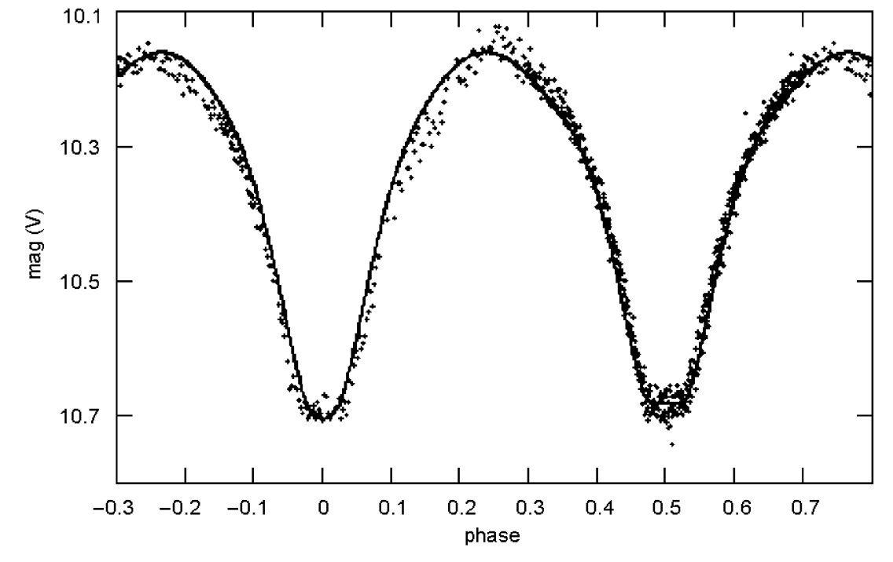
period: 8.6 hours | days
0.71666666667 | x | y |  | 10.1 | 10.1 | 10.1 | 10.1 | 10.1 | 10.1 | 10.1 | 10.1 | 10.1 | 10.1 | 10.1 | 10.1 | 10.1 | 10.1
0 | 0.00 | 3.65 | 10.2 | 10.15 | 10.15 | 10.15 | 10.15 | 10.15 | 10.15 | 10.15 | 10.15 | 10.15 | 10.15 | 10.15 | 10.15 | 10.15 | 10.15
0.1 | 0.07 | 3.6 | 10.15 | 10.2 | 10.2 | 10.2 | 10.2 | 10.2 | 10.2 | 10.2 | 10.2 | 10.2 | 10.2 | 10.2 | 10.2 | 10.2 | 10.2
0.2 | 0.14 | 3.8 | 10.35 | 10.25 | 10.25 | 10.25 | 10.25 | 10.25 | 10.25 | 10.25 | 10.25 | 10.25 | 10.25 | 10.25 | 10.25 | 10.25 | 10.25
0.3 | 0.22 | 4.15 | 10.7 | 10.3 | 10.3 | 10.3 | 10.3 | 10.3 | 10.3 | 10.3 | 10.3 | 10.3 | 10.3 | 10.3 | 10.3 | 10.3 | 10.3
0.4 | 0.29 | 3.8 | 10.35 | 10.35 | 10.35 | 10.35 | 10.35 | 10.35 | 10.35 | 10.35 | 10.35 | 10.35 | 10.35 | 10.35 | 10.35 | 10.35 | 10.35
0.5 | 0.36 | 3.6 | 10.15 | 10.4 | 10.4 | 10.4 | 10.4 | 10.4 | 10.4 | 10.4 | 10.4 | 10.4 | 10.4 | 10.4 | 10.4 | 10.4 | 10.4
0.6 | 0.43 | 3.65 | 10.2 | 10.45 | 10.45 | 10.45 | 10.45 | 10.45 | 10.45 | 10.45 | 10.45 | 10.45 | 10.45 | 10.45 | 10.45 | 10.45 | 10.45
0.7 | 0.50 | 3.8 | 10.35 | 10.5 | 10.5 | 10.5 | 10.5 | 10.5 | 10.5 | 10.5 | 10.5 | 10.5 | 10.5 | 10.5 | 10.5 | 10.5 | 10.5
0.8 | 0.57 | 4.15 | 10.7 | 10.55 | 10.55 | 10.55 | 10.55 | 10.55 | 10.55 | 10.55 | 10.55 | 10.55 | 10.55 | 10.55 | 10.55 | 10.55 | 10.55
0.9 | 0.65 | 3.85 | 10.4 | 10.6 | 10.6 | 10.6 | 10.6 | 10.6 | 10.6 | 10.6 | 10.6 | 10.6 | 10.6 | 10.6 | 10.6 | 10.6 | 10.6
1 | 0.72 | 3.65 | 10.2 | 10.65 | 10.65 | 10.65 | 10.65 | 10.65 | 10.65 | 10.65 | 10.65 | 10.65 | 10.65 | 10.65 | 10.65 | 10.65 | 10.65
 |  |  |  | 10.7 | 10.7 | 10.7 | 10.7 | 10.7 | 10.7 | 10.7 | 10.7 | 10.7 | 10.7 | 10.7 | 10.7 | 10.7 | 10.7
 |  |  |  | 10.75 | 10.75 | 10.75 | 10.75 | 10.75 | 10.75 | 10.75 | 10.75 | 10.75 | 10.75 | 10.75 | 10.75 | 10.75 | 10.75

https://www.universeguide.com/star/76050/vzlibrae#magnitude

 |  |  | 10.32 | 3.77 | 6.55

C_R_Trianguli_Australis
 | Days
3.4 | x | y
0 | 0 | 2.9
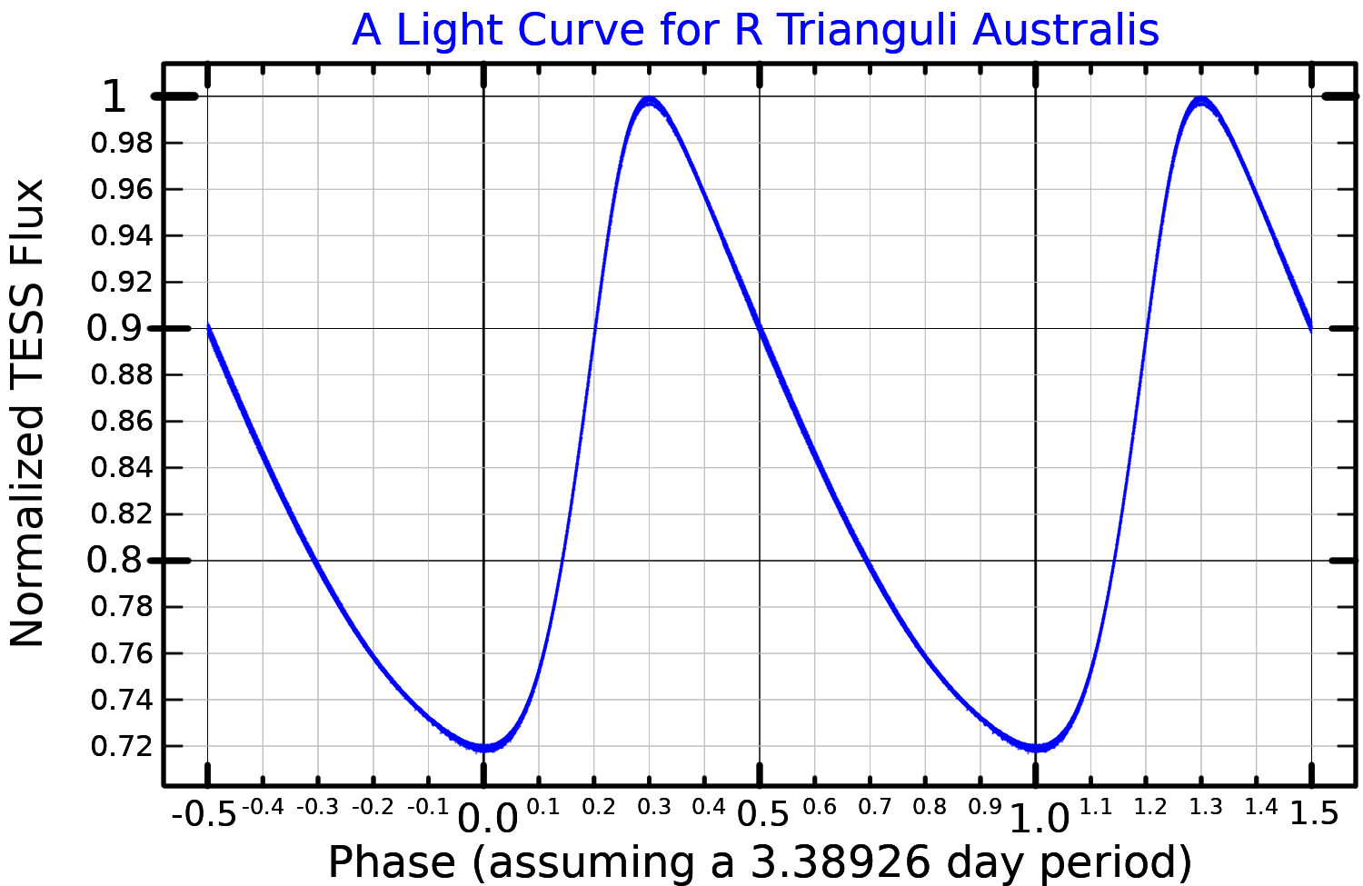
0.1 | 0.34 | 2.8
0.2 | 0.68 | 2.5
0.3 | 1.02 | 2.3
0.4 | 1.36 | 2.4
0.5 | 1.7 | 2.5
0.6 | 2.04 | 2.6
0.7 | 2.38 | 2.7
0.8 | 2.72 | 2.8
0.9 | 3.06 | 2.8
1 | 3.4 | 2.9

 |  | 0.020357142857
2.290 | 1 | 6.33
2.3103571429 | 0.99 | 6.3503571429
2.3307142857 | 0.98 | 6.3707142857
2.3510714286 | 0.97 | 6.3910714286
2.3714285714 | 0.96 | 6.4114285714
2.3917857143 | 0.95 | 6.4317857143
2.4121428571 | 0.94 | 6.4521428571
2.4325 | 0.93 | 6.4725
2.4528571429 | 0.92 | 6.4928571429
2.4732142857 | 0.91 | 6.5132142857
2.4935714286 | 0.9 | 6.5335714286
2.5139285714 | 0.89 | 6.5539285714
2.5342857143 | 0.88 | 6.5742857143
2.5546428571 | 0.87 | 6.5946428571
2.575 | 0.86 | 6.615
2.5953571429 | 0.85 | 6.6353571429
2.6157142857 | 0.84 | 6.6557142857
2.6360714286 | 0.83 | 6.6760714286
2.6564285714 | 0.82 | 6.6964285714
2.6767857143 | 0.81 | 6.7167857143
2.6971428571 | 0.8 | 6.7371428571
2.7175 | 0.79 | 6.7575
2.7378571429 | 0.78 | 6.7778571429
2.7582142857 | 0.77 | 6.7982142857
2.7785714286 | 0.76 | 6.8185714286
2.7989285714 | 0.75 | 6.8389285714
2.8192857143 | 0.74 | 6.8592857143
2.8396428571 | 0.73 | 6.8796428571
2.86 | 0.72 | 6.9

6.73 | 2.69 | 4.04

C_R_Muscae
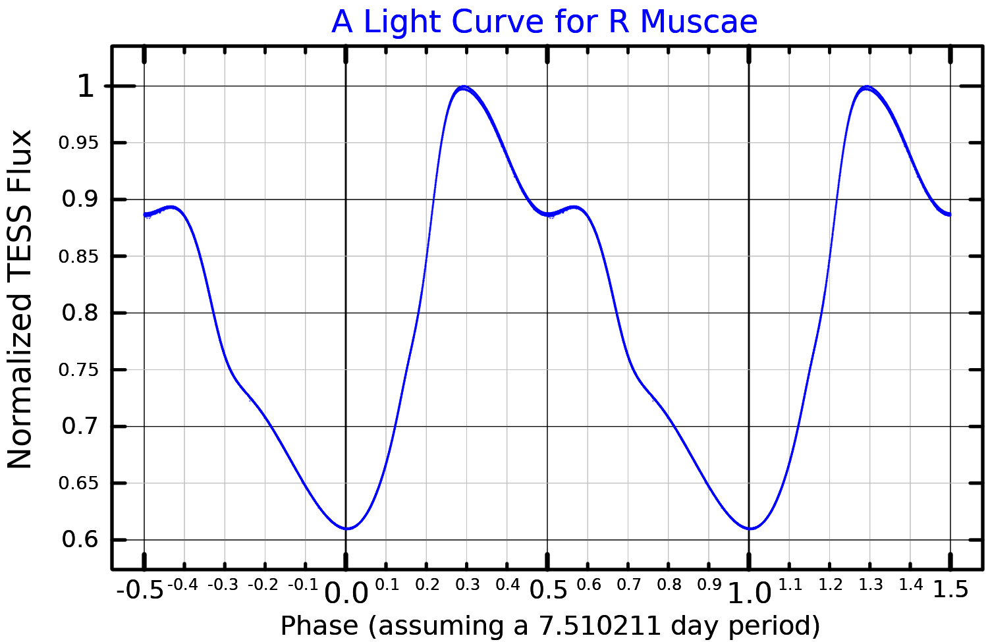
7.5 | x | y
0 | 0 | -3.2
0.1 | 0.75 | -3.4
0.2 | 1.5 | -3.7
0.3 | 2.25 | -4.0
0.4 | 3 | -3.9
0.5 | 3.75 | -3.8
0.6 | 4.5 | -3.8
0.7 | 5.25 | -3.5
0.8 | 6 | -3.4
0.9 | 6.75 | -3.3
1 | 7.5 | -3.2

0.1 | 9.95
5.93 | -4.02 | 1
6.03 | -3.92 | 0.95
6.13 | -3.82 | 0.9
6.23 | -3.72 | 0.85
6.33 | -3.62 | 0.8
6.43 | -3.52 | 0.75
6.53 | -3.42 | 0.7
6.63 | -3.32 | 0.65
6.73 | -3.22 | 0.6

C_V636_Scorpii
 | days
0.28333333333 | x | y
0 | 0.00 | -3.4
0.1 | 0.03 | -3.5
0.2 | 0.06 | -3.7
0.3 | 0.08 | -3.9
0.4 | 0.11 | -3.9
0.5 | 0.14 | -3.8
0.6 | 0.17 | -3.7
0.7 | 0.20 | -3.6
0.8 | 0.23 | -3.6
0.9 | 0.26 | -3.5
1 | 0.28 | -3.4

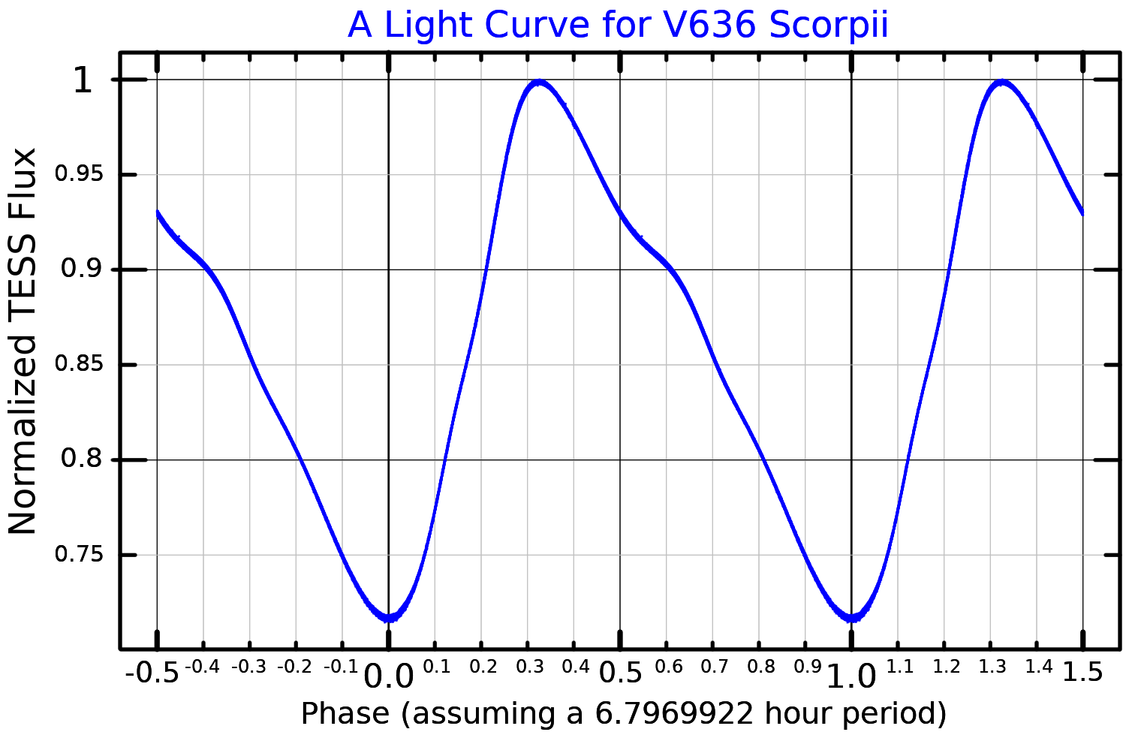

 | 0.017931034483 | 10.308965517 | -3.64
 | 6.4 | -3.9089655172 | 1 | 1 | 1 | 1 | 1 | 1 | 1 | 1 | 1 | 1 | 1 | 1 | 1 | 1 | 1 | 1 | 1 | 1 | 1
 | 6.4179310345 | -3.8910344828 | 0.99 | 0.99 | 0.99 | 0.99 | 0.99 | 0.99 | 0.99 | 0.99 | 0.99 | 0.99 | 0.99 | 0.99 | 0.99 | 0.99 | 0.99 | 0.99 | 0.99 | 0.99 | 0.99
 | 6.435862069 | -3.8731034483 | 0.98 | 0.98 | 0.98 | 0.98 | 0.98 | 0.98 | 0.98 | 0.98 | 0.98 | 0.98 | 0.98 | 0.98 | 0.98 | 0.98 | 0.98 | 0.98 | 0.98 | 0.98 | 0.98
 | 6.4537931034 | -3.8551724138 | 0.97 | 0.97 | 0.97 | 0.97 | 0.97 | 0.97 | 0.97 | 0.97 | 0.97 | 0.97 | 0.97 | 0.97 | 0.97 | 0.97 | 0.97 | 0.97 | 0.97 | 0.97 | 0.97
 | 6.4717241379 | -3.8372413793 | 0.96 | 0.96 | 0.96 | 0.96 | 0.96 | 0.96 | 0.96 | 0.96 | 0.96 | 0.96 | 0.96 | 0.96 | 0.96 | 0.96 | 0.96 | 0.96 | 0.96 | 0.96 | 0.96
 | 6.4896551724 | -3.8193103448 | 0.95 | 0.95 | 0.95 | 0.95 | 0.95 | 0.95 | 0.95 | 0.95 | 0.95 | 0.95 | 0.95 | 0.95 | 0.95 | 0.95 | 0.95 | 0.95 | 0.95 | 0.95 | 0.95
 | 6.5075862069 | -3.8013793103 | 0.94 | 0.94 | 0.94 | 0.94 | 0.94 | 0.94 | 0.94 | 0.94 | 0.94 | 0.94 | 0.94 | 0.94 | 0.94 | 0.94 | 0.94 | 0.94 | 0.94 | 0.94 | 0.94
 | 6.5255172414 | -3.7834482759 | 0.93 | 0.93 | 0.93 | 0.93 | 0.93 | 0.93 | 0.93 | 0.93 | 0.93 | 0.93 | 0.93 | 0.93 | 0.93 | 0.93 | 0.93 | 0.93 | 0.93 | 0.93 | 0.93
 | 6.5434482759 | -3.7655172414 | 0.92 | 0.92 | 0.92 | 0.92 | 0.92 | 0.92 | 0.92 | 0.92 | 0.92 | 0.92 | 0.92 | 0.92 | 0.92 | 0.92 | 0.92 | 0.92 | 0.92 | 0.92 | 0.92
 | 6.5613793103 | -3.7475862069 | 0.91 | 0.91 | 0.91 | 0.91 | 0.91 | 0.91 | 0.91 | 0.91 | 0.91 | 0.91 | 0.91 | 0.91 | 0.91 | 0.91 | 0.91 | 0.91 | 0.91 | 0.91 | 0.91
 | 6.5793103448 | -3.7296551724 | 0.9 | 0.9 | 0.9 | 0.9 | 0.9 | 0.9 | 0.9 | 0.9 | 0.9 | 0.9 | 0.9 | 0.9 | 0.9 | 0.9 | 0.9 | 0.9 | 0.9 | 0.9 | 0.9
 | 6.5972413793 | -3.7117241379 | 0.89 | 0.89 | 0.89 | 0.89 | 0.89 | 0.89 | 0.89 | 0.89 | 0.89 | 0.89 | 0.89 | 0.89 | 0.89 | 0.89 | 0.89 | 0.89 | 0.89 | 0.89 | 0.89
 | 6.6151724138 | -3.6937931034 | 0.88 | 0.88 | 0.88 | 0.88 | 0.88 | 0.88 | 0.88 | 0.88 | 0.88 | 0.88 | 0.88 | 0.88 | 0.88 | 0.88 | 0.88 | 0.88 | 0.88 | 0.88 | 0.88
 | 6.6331034483 | -3.675862069 | 0.87 | 0.87 | 0.87 | 0.87 | 0.87 | 0.87 | 0.87 | 0.87 | 0.87 | 0.87 | 0.87 | 0.87 | 0.87 | 0.87 | 0.87 | 0.87 | 0.87 | 0.87 | 0.87
 | 6.6510344828 | -3.6579310345 | 0.86 | 0.86 | 0.86 | 0.86 | 0.86 | 0.86 | 0.86 | 0.86 | 0.86 | 0.86 | 0.86 | 0.86 | 0.86 | 0.86 | 0.86 | 0.86 | 0.86 | 0.86 | 0.86
 | 6.6689655172 | -3.64 | 0.85 | 0.85 | 0.85 | 0.85 | 0.85 | 0.85 | 0.85 | 0.85 | 0.85 | 0.85 | 0.85 | 0.85 | 0.85 | 0.85 | 0.85 | 0.85 | 0.85 | 0.85 | 0.85
 | 6.6868965517 | -3.6220689655 | 0.84 | 0.84 | 0.84 | 0.84 | 0.84 | 0.84 | 0.84 | 0.84 | 0.84 | 0.84 | 0.84 | 0.84 | 0.84 | 0.84 | 0.84 | 0.84 | 0.84 | 0.84 | 0.84
 | 6.7048275862 | -3.604137931 | 0.83 | 0.83 | 0.83 | 0.83 | 0.83 | 0.83 | 0.83 | 0.83 | 0.83 | 0.83 | 0.83 | 0.83 | 0.83 | 0.83 | 0.83 | 0.83 | 0.83 | 0.83 | 0.83
 | 6.7227586207 | -3.5862068966 | 0.82 | 0.82 | 0.82 | 0.82 | 0.82 | 0.82 | 0.82 | 0.82 | 0.82 | 0.82 | 0.82 | 0.82 | 0.82 | 0.82 | 0.82 | 0.82 | 0.82 | 0.82 | 0.82
 | 6.7406896552 | -3.5682758621 | 0.81 | 0.81 | 0.81 | 0.81 | 0.81 | 0.81 | 0.81 | 0.81 | 0.81 | 0.81 | 0.81 | 0.81 | 0.81 | 0.81 | 0.81 | 0.81 | 0.81 | 0.81 | 0.81
 | 6.7586206897 | -3.5503448276 | 0.8 | 0.8 | 0.8 | 0.8 | 0.8 | 0.8 | 0.8 | 0.8 | 0.8 | 0.8 | 0.8 | 0.8 | 0.8 | 0.8 | 0.8 | 0.8 | 0.8 | 0.8 | 0.8
 | 6.7765517241 | -3.5324137931 | 0.79 | 0.79 | 0.79 | 0.79 | 0.79 | 0.79 | 0.79 | 0.79 | 0.79 | 0.79 | 0.79 | 0.79 | 0.79 | 0.79 | 0.79 | 0.79 | 0.79 | 0.79 | 0.79
 | 6.7944827586 | -3.5144827586 | 0.78 | 0.78 | 0.78 | 0.78 | 0.78 | 0.78 | 0.78 | 0.78 | 0.78 | 0.78 | 0.78 | 0.78 | 0.78 | 0.78 | 0.78 | 0.78 | 0.78 | 0.78 | 0.78
 | 6.8124137931 | -3.4965517241 | 0.77 | 0.77 | 0.77 | 0.77 | 0.77 | 0.77 | 0.77 | 0.77 | 0.77 | 0.77 | 0.77 | 0.77 | 0.77 | 0.77 | 0.77 | 0.77 | 0.77 | 0.77 | 0.77
 | 6.8303448276 | -3.4786206897 | 0.76 | 0.76 | 0.76 | 0.76 | 0.76 | 0.76 | 0.76 | 0.76 | 0.76 | 0.76 | 0.76 | 0.76 | 0.76 | 0.76 | 0.76 | 0.76 | 0.76 | 0.76 | 0.76
 | 6.8482758621 | -3.4606896552 | 0.75 | 0.75 | 0.75 | 0.75 | 0.75 | 0.75 | 0.75 | 0.75 | 0.75 | 0.75 | 0.75 | 0.75 | 0.75 | 0.75 | 0.75 | 0.75 | 0.75 | 0.75 | 0.75
 | 6.8662068966 | -3.4427586207 | 0.74 | 0.74 | 0.74 | 0.74 | 0.74 | 0.74 | 0.74 | 0.74 | 0.74 | 0.74 | 0.74 | 0.74 | 0.74 | 0.74 | 0.74 | 0.74 | 0.74 | 0.74 | 0.74
 | 6.884137931 | -3.4248275862 | 0.73 | 0.73 | 0.73 | 0.73 | 0.73 | 0.73 | 0.73 | 0.73 | 0.73 | 0.73 | 0.73 | 0.73 | 0.73 | 0.73 | 0.73 | 0.73 | 0.73 | 0.73 | 0.73
 | 6.9020689655 | -3.4068965517 | 0.72 | 0.72 | 0.72 | 0.72 | 0.72 | 0.72 | 0.72 | 0.72 | 0.72 | 0.72 | 0.72 | 0.72 | 0.72 | 0.72 | 0.72 | 0.72 | 0.72 | 0.72 | 0.72
6.92 | 6.92 | -3.3889655172 | 0.71 | 0.71 | 0.71 | 0.71 | 0.71 | 0.71 | 0.71 | 0.71 | 0.71 | 0.71 | 0.71 | 0.71 | 0.71 | 0.71 | 0.71 | 0.71 | 0.71 | 0.71 | 0.71
 |  |  | 0.7 | 0.7 | 0.7 | 0.7 | 0.7 | 0.7 | 0.7 | 0.7 | 0.7 | 0.7 | 0.7 | 0.7 | 0.7 | 0.7 | 0.7 | 0.7 | 0.7 | 0.7 | 0.7
 |  |  | 0.69 | 0.69 | 0.69 | 0.69 | 0.69 | 0.69 | 0.69 | 0.69 | 0.69 | 0.69 | 0.69 | 0.69 | 0.69 | 0.69 | 0.69 | 0.69 | 0.69 | 0.69 | 0.69

SN_2020
days
x | y
0 | -13.5
10 | -19
20 | -16.5
30 | -14.5
40 | -13.5
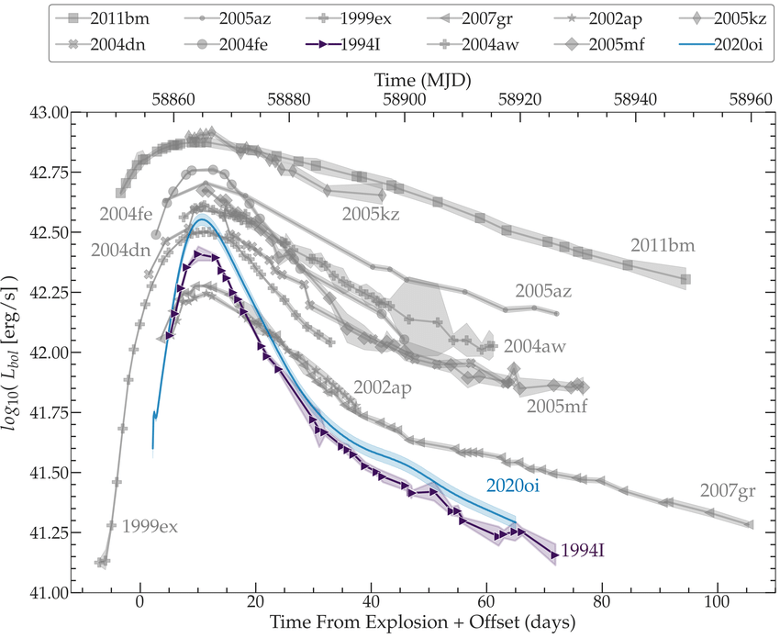
50 | -13
60 | -12.5
70 | -12

 |  | -19
 |  | -18.5
 |  | -18
 |  | -17.5
 |  | -17
 |  | -16.5
 |  | -16
 |  | -15.5
 |  | -15
 |  | -14.5
 |  | -14
 |  | -13.5
 |  | -13
 |  | -12.5
 |  | -12

DN_TV_Corvi
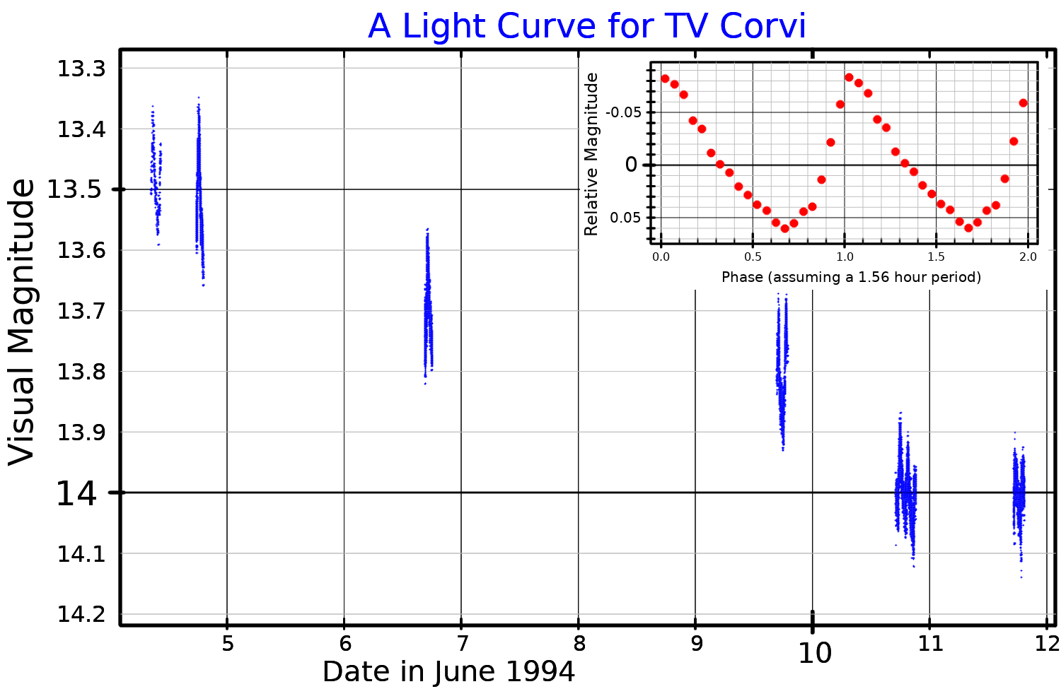
0.065 | x | y | 0.325
0 | 0 | -4.5 | -4.77674 | -1 | Absolute magnitude formula | https://www.phys.ksu.edu/personal/wysin/astro/magnitudes.html
0.1 | 0.0065 | -3.8 | -4.45174 | -0.09 |  | https://handwiki.org/wiki/Astronomy:TV_Corvi
0.2 | 0.013 | -2.8 | -4.12674 | -0.08
0.3 | 0.0195 | -1.5 | -3.80174 | -0.07
0.4 | 0.026 | -1.2 | -3.47674 | -0.06
0.5 | 0.0325 | -0.2 | -3.15174 | -0.05
0.6 | 0.039 | 0.1 | -2.82674 | -0.04
0.7 | 0.0455 | 0.4 | -2.50174 | -0.03
0.8 | 0.052 | -0.2 | -2.17674 | -0.02
0.9 | 0.0585 | -1.5 | -1.85174 | -0.01
1 | 0.065 | -4.1 | -1.52674 | 0
 |  |  | -1.20174 | 0.01
 |  |  | -0.87674 | 0.02
 |  |  | -0.55174 | 0.03
 |  |  | -0.22674 | 0.04
 |  |  | 0.09826 | 0.05
 |  |  | 0.42326 | 0.06
 |  |  | 0.74826 | 0.07
 |  |  | 1.07326 | 0.08
 |  |  | 1.39826 | 0.09
 |  |  | 1.72326 | 0.1

