时态
时态

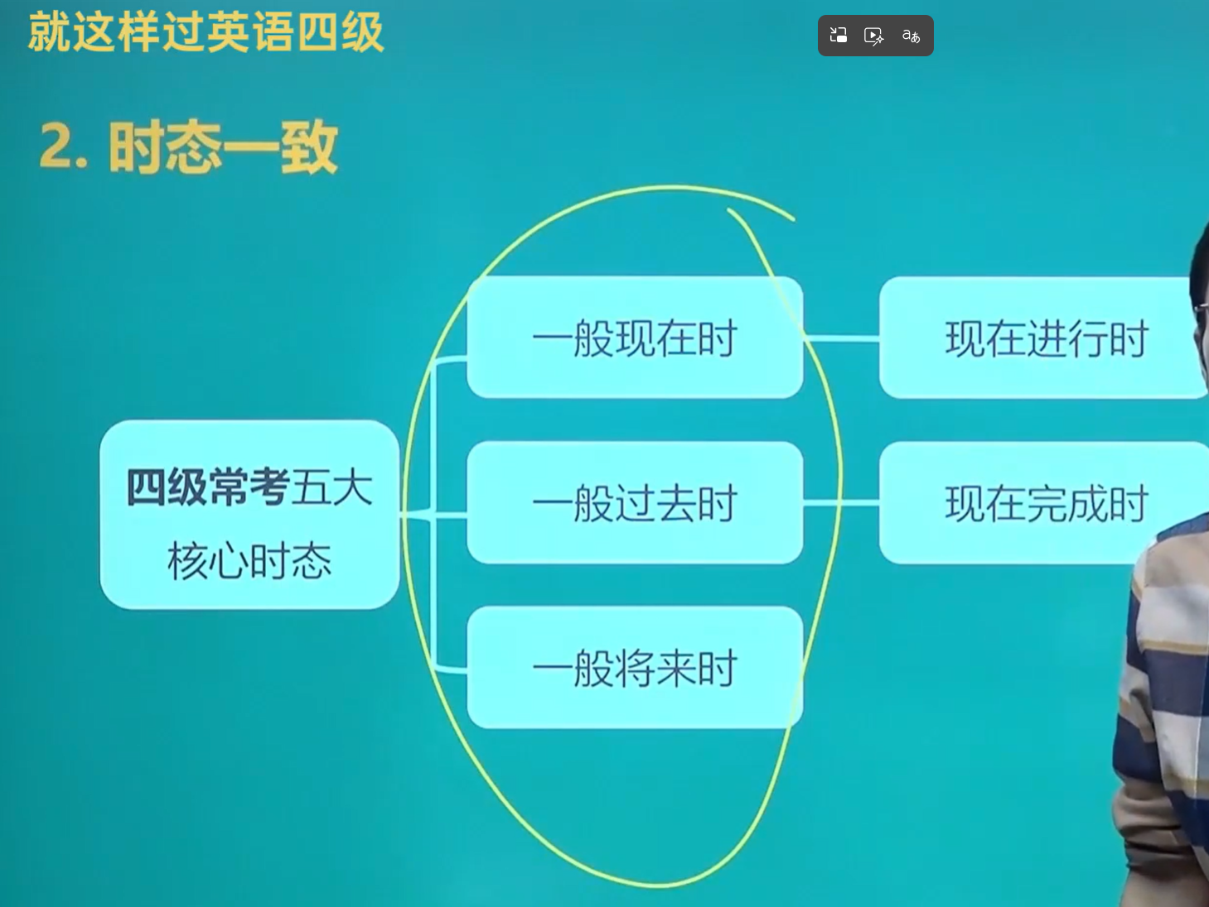

1. 一般现在时 | 经常做的事
The earth revolves around the sun.
Shanghai lies in the east of China.
Dayan drinks a cup of coffee every day. |  | Dayan blames me almost every day.
Custom makes all things easy.

2. 一般过去时 | 表示过去某个时间点/段中发生的事情或存在的状态无论主语单复数，谓语动词都需要转换为动词过去式。
 | 一定带有时间点
Dayan blamed me yesterday because of my carelessness

3. 现在完成时 | 表示过去发生的某一动作现在造成的影响或结果
 | 或过去某时开始一直持续到现在的动作或状态
 | 没有确切的时间点
Dayan has blamed me because of my carelessness. | 当写作文的时候 出现“已经” | “曾经” 就用现在完成时

4. 一般将来时 | 表示未来将发生的动作或状态
Dayan will blame me soon

5. 现在进行时 | 表示此刻正在发生的动作或状态
 | 核心结构：be doing
Dayan is blaming me for my carelessness.

