SRT
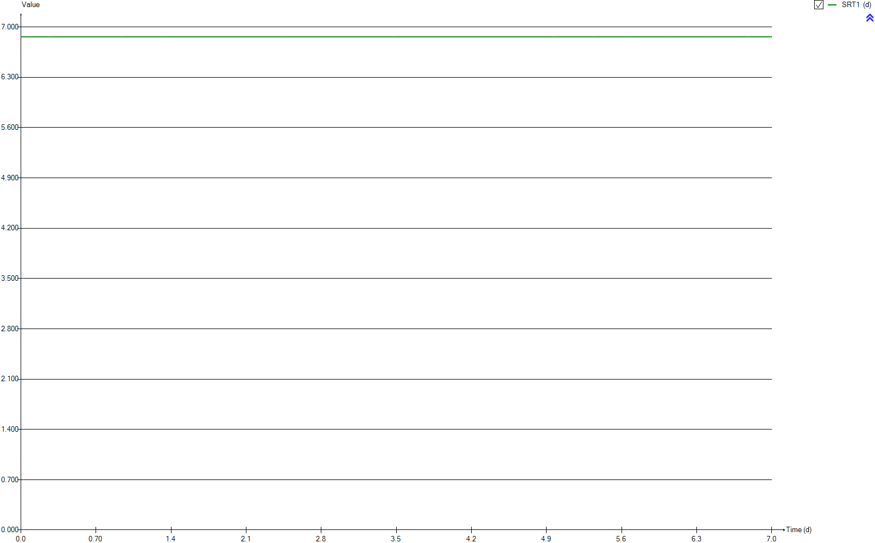
SRT
Time | SRT1
d | d
0 | 6.8642355086
0.0069444444444 | 6.8641048707
0.013888888889 | 6.8638956779
0.020833333333 | 6.863672983
0.027777777778 | 6.8634724078
0.034722222222 | 6.8632993767
0.041666666667 | 6.8631558683
0.048611111111 | 6.8629843086
0.055555555556 | 6.8628379712
0.0625 | 6.8627612116
0.069444444444 | 6.8627877303
0.076388888889 | 6.8628500182
0.083333333333 | 6.8629135936
0.090277777778 | 6.8630195696
0.097222222222 | 6.8630945775
0.10416666667 | 6.8631642617
0.11111111111 | 6.863228988
0.11805555556 | 6.8632176849
0.125 | 6.863192781
0.13194444444 | 6.8631548696
0.13888888889 | 6.8631238504
0.14583333333 | 6.8631872297
0.15277777778 | 6.86322124
0.15972222222 | 6.863266486
0.16666666667 | 6.8633346383
0.17361111111 | 6.8633931721
0.18055555556 | 6.8634060791
0.1875 | 6.8632820353
0.19444444444 | 6.8631660009
0.20138888889 | 6.8631260991
0.20833333333 | 6.8630835494
0.21527777778 | 6.8630990483
0.22222222222 | 6.8631823682
0.22916666667 | 6.8632938902
0.23611111111 | 6.8634150929
0.24305555556 | 6.8635184293
0.25 | 6.8635688027
0.25694444444 | 6.8635680927
0.26388888889 | 6.8636175869
0.27083333333 | 6.8636751736
0.27777777778 | 6.863675202
0.28472222222 | 6.8637045499
0.29166666667 | 6.863737629
0.29861111111 | 6.863756568
0.30555555556 | 6.8637490145
0.3125 | 6.8637869714
0.31944444444 | 6.8638014304
0.32638888889 | 6.8638005703
0.33333333333 | 6.8637222472
0.34027777778 | 6.8635228179
0.34722222222 | 6.8633775878
0.35416666667 | 6.8632476832
0.36111111111 | 6.8631250527
0.36805555556 | 6.8630158443
0.375 | 6.8629256121
0.38194444444 | 6.8628353775
0.38888888889 | 6.8628263279
0.39583333333 | 6.8628182898
0.40277777778 | 6.8628283606
0.40972222222 | 6.8629247165
0.41666666667 | 6.8630277699
0.42361111111 | 6.863135487
0.43055555556 | 6.8632208118
0.4375 | 6.8632227946
0.44444444444 | 6.8631546434
0.45138888889 | 6.8629885691
0.45833333333 | 6.8628796212
0.46527777778 | 6.8628782786
0.47222222222 | 6.8629570538
0.47916666667 | 6.8631294761
0.48611111111 | 6.8633390911
0.49305555556 | 6.8634997781
0.5 | 6.8635304425
0.50694444444 | 6.8634473247
0.51388888889 | 6.8633679946
0.52083333333 | 6.8632521855
0.52777777778 | 6.8632501125
0.53472222222 | 6.8632626602
0.54166666667 | 6.8632782393
0.54861111111 | 6.8632895422
0.55555555556 | 6.8632987375
0.5625 | 6.8633173024
0.56944444444 | 6.8633373938
0.57638888889 | 6.8634605423
0.58333333333 | 6.8635487897
0.59027777778 | 6.8636047113
0.59722222222 | 6.8636650288
0.60416666667 | 6.8637449398
0.61111111111 | 6.8638487363
0.61805555556 | 6.8639351855
0.625 | 6.8639307342
0.63194444444 | 6.8638611484
0.63888888889 | 6.8637855029
0.64583333333 | 6.8637345943
0.65277777778 | 6.8637181193
0.65972222222 | 6.8637272665
0.66666666667 | 6.8637463654
0.67361111111 | 6.8637487099
0.68055555556 | 6.8637150732
0.6875 | 6.8635289596
0.69444444444 | 6.8633871762
0.70138888889 | 6.8633094495
0.70833333333 | 6.8634831129
0.71527777778 | 6.8636364189
0.72222222222 | 6.8637638436
0.72916666667 | 6.8638611049
0.73611111111 | 6.8638793063
0.74305555556 | 6.8638532463
0.75 | 6.8639079103
0.75694444444 | 6.8639710959
0.76388888889 | 6.8640024292
0.77083333333 | 6.8639906076
0.77777777778 | 6.8637689191
0.78472222222 | 6.8636393964
0.79166666667 | 6.8635827003
0.79861111111 | 6.8635788715
0.80555555556 | 6.8637378251
0.8125 | 6.8638537659
0.81944444444 | 6.8637969465
0.82638888889 | 6.863721371
0.83333333333 | 6.863578807
0.84027777778 | 6.8634440069
0.84722222222 | 6.8634409587
0.85416666667 | 6.8633470788
0.86111111111 | 6.863213706
0.86805555556 | 6.8631847896
0.875 | 6.8632208146
0.88194444444 | 6.8632618012
0.88888888889 | 6.8632108666
0.89583333333 | 6.8630629748
0.90277777778 | 6.8630013579
0.90972222222 | 6.8630079391
0.91666666667 | 6.8631428304
0.92361111111 | 6.8632504731
0.93055555556 | 6.8632832047
0.9375 | 6.8632504686
0.94444444444 | 6.8633223263
0.95138888889 | 6.8634741288
0.95833333333 | 6.8636279639
0.96527777778 | 6.863724556
0.97222222222 | 6.8637070926
0.97916666667 | 6.86360887
0.98611111111 | 6.8634980574
0.99305555556 | 6.8634197939
1 | 6.8633767884
1.0069444444 | 6.8633573309
1.0138888889 | 6.8633312046
1.0208333333 | 6.8632809178
1.0277777778 | 6.8632046648
1.0347222222 | 6.8630105231
1.0416666667 | 6.8628440436
1.0486111111 | 6.8627254145
1.0555555556 | 6.8626986858
1.0625 | 6.8627743373
1.0694444444 | 6.8628574965
1.0763888889 | 6.8628598924
1.0833333333 | 6.862837453
1.0902777778 | 6.8629008774
1.0972222222 | 6.862984479
1.1041666667 | 6.863026941
1.1111111111 | 6.8631723252
1.1180555556 | 6.8633881292
1.125 | 6.8635617123
1.1319444444 | 6.863691114
1.1388888889 | 6.8637558064
1.1458333333 | 6.8637235058
1.1527777778 | 6.8636430014
1.1597222222 | 6.8635219162
1.1666666667 | 6.8633648726
1.1736111111 | 6.8632673757
1.1805555556 | 6.8632713899
1.1875 | 6.8633275791
1.1944444444 | 6.8633571222
1.2013888889 | 6.8632861973
1.2083333333 | 6.8632424811
1.2152777778 | 6.8632392586
1.2222222222 | 6.8634051165
1.2291666667 | 6.8635728595
1.2361111111 | 6.8636291817
1.2430555556 | 6.86362777
1.25 | 6.8635809566
1.2569444444 | 6.8635286397
1.2638888889 | 6.8635111072
1.2708333333 | 6.8634539121
1.2777777778 | 6.8633878569
1.2847222222 | 6.8633287211
1.2916666667 | 6.8632544139
1.2986111111 | 6.8631416938
1.3055555556 | 6.8631123945
1.3125 | 6.8630927935
1.3194444444 | 6.8630681781
1.3263888889 | 6.8630896833
1.3333333333 | 6.8631188383
1.3402777778 | 6.8632178114
1.3472222222 | 6.863314137
1.3541666667 | 6.8633689138
1.3611111111 | 6.86332876
1.3680555556 | 6.8632853467
1.375 | 6.8632784715
1.3819444444 | 6.8633820784
1.3888888889 | 6.8634290723
1.3958333333 | 6.8634893865
1.4027777778 | 6.8634975491
1.4097222222 | 6.8634699864
1.4166666667 | 6.8634325582
1.4236111111 | 6.8633820878
1.4305555556 | 6.8633627997
1.4375 | 6.8635423048
1.4444444444 | 6.863736651
1.4513888889 | 6.8638777956
1.4583333333 | 6.8639384542
1.4652777778 | 6.8638528567
1.4722222222 | 6.863786144
1.4791666667 | 6.8636053649
1.4861111111 | 6.8633754656
1.4930555556 | 6.863187127
1.5 | 6.8630713294
1.5069444444 | 6.8630841131
1.5138888889 | 6.8631628423
1.5208333333 | 6.8632358957
1.5277777778 | 6.8632180499
1.5347222222 | 6.8631765507
1.5416666667 | 6.8631613395
1.5486111111 | 6.8632385372
1.5555555556 | 6.8632970883
1.5625 | 6.8633408016
1.5694444444 | 6.8633519153
1.5763888889 | 6.8632603515
1.5833333333 | 6.8632529481
1.5902777778 | 6.8633089635
1.5972222222 | 6.8634018019
1.6041666667 | 6.8635046506
1.6111111111 | 6.8635800189
1.6180555556 | 6.8635995707
1.625 | 6.8635735062
1.6319444444 | 6.8636191341
1.6388888889 | 6.8635991375
1.6458333333 | 6.8635161981
1.6527777778 | 6.8634565261
1.6597222222 | 6.8634734491
1.6666666667 | 6.8635237844
1.6736111111 | 6.8635883623
1.6805555556 | 6.8636118518
1.6875 | 6.8634994715
1.6944444444 | 6.8634547726
1.7013888889 | 6.8634283618
1.7083333333 | 6.8633634035
1.7152777778 | 6.8633315342
1.7222222222 | 6.8633356371
1.7291666667 | 6.863517487
1.7361111111 | 6.8636575853
1.7430555556 | 6.8637572313
1.75 | 6.8638139052
1.7569444444 | 6.8638349127
1.7638888889 | 6.8638190948
1.7708333333 | 6.8637829296
1.7777777778 | 6.8637325781
1.7847222222 | 6.8636635058
1.7916666667 | 6.8635865202
1.7986111111 | 6.863536582
1.8055555556 | 6.8635300527
1.8125 | 6.8635766683
1.8194444444 | 6.8636404698
1.8263888889 | 6.863671119
1.8333333333 | 6.8636582769
1.8402777778 | 6.8636326153
1.8472222222 | 6.8636931381
1.8541666667 | 6.8638009339
1.8611111111 | 6.8638533575
1.8680555556 | 6.8638337788
1.875 | 6.8637240746
1.8819444444 | 6.8635022491
1.8888888889 | 6.863216307
1.8958333333 | 6.8631263303
1.9027777778 | 6.8631576862
1.9097222222 | 6.8632520175
1.9166666667 | 6.8634250331
1.9236111111 | 6.8635450042
1.9305555556 | 6.8635503597
1.9375 | 6.8635372141
1.9444444444 | 6.8635971407
1.9513888889 | 6.8637091758
1.9583333333 | 6.8638316038
1.9652777778 | 6.8639119368
1.9722222222 | 6.8639221364
1.9791666667 | 6.8638907302
1.9861111111 | 6.8638832221
1.9930555556 | 6.8638658098
2 | 6.8638092824
2.0069444444 | 6.8637407246
2.0138888889 | 6.8637109973
2.0208333333 | 6.8636652751
2.0277777778 | 6.8636828222
2.0347222222 | 6.8636634209
2.0416666667 | 6.8636046039
2.0486111111 | 6.8634532263
2.0555555556 | 6.8632644667
2.0625 | 6.8630888334
2.0694444444 | 6.8630520654
2.0763888889 | 6.8630548133
2.0833333333 | 6.8631160676
2.0902777778 | 6.8631851297
2.0972222222 | 6.8632421176
2.1041666667 | 6.8632879196
2.1111111111 | 6.8633160914
2.1180555556 | 6.8633189962
2.125 | 6.8633321982
2.1319444444 | 6.8633083611
2.1388888889 | 6.8632311328
2.1458333333 | 6.8632142527
2.1527777778 | 6.863298578
2.1597222222 | 6.8633759458
2.1666666667 | 6.8633786975
2.1736111111 | 6.8633514354
2.1805555556 | 6.8632847792
2.1875 | 6.8632013478
2.1944444444 | 6.8631122253
2.2013888889 | 6.8630757003
2.2083333333 | 6.8630938112
2.2152777778 | 6.8632234409
2.2222222222 | 6.8633553157
2.2291666667 | 6.8634091547
2.2361111111 | 6.863394344
2.2430555556 | 6.8633544229
2.25 | 6.8633125516
2.2569444444 | 6.8632142457
2.2638888889 | 6.8630815889
2.2708333333 | 6.8630212738
2.2777777778 | 6.8630161683
2.2847222222 | 6.8630270254
2.2916666667 | 6.8630569748
2.2986111111 | 6.8630688615
2.3055555556 | 6.8630423855
2.3125 | 6.863033569
2.3194444444 | 6.8630385036
2.3263888889 | 6.8629189713
2.3333333333 | 6.8628683318
2.3402777778 | 6.86297549
2.3472222222 | 6.863132957
2.3541666667 | 6.8632583993
2.3611111111 | 6.8633459622
2.3680555556 | 6.8634089417
2.375 | 6.8634581324
2.3819444444 | 6.863477742
2.3888888889 | 6.8633835308
2.3958333333 | 6.8633482459
2.4027777778 | 6.8634457802
2.4097222222 | 6.8636648064
2.4166666667 | 6.8638183431
2.4236111111 | 6.8639102682
2.4305555556 | 6.8637597449
2.4375 | 6.8636737015
2.4444444444 | 6.8636016755
2.4513888889 | 6.8635425364
2.4583333333 | 6.8635966288
2.4652777778 | 6.863602394
2.4722222222 | 6.8635905963
2.4791666667 | 6.8635013248
2.4861111111 | 6.8634746138
2.4930555556 | 6.8635746577
2.5 | 6.8636385698
2.5069444444 | 6.86365936
2.5138888889 | 6.863627989
2.5208333333 | 6.8636104835
2.5277777778 | 6.8636576994
2.5347222222 | 6.863702335
2.5416666667 | 6.8636917006
2.5486111111 | 6.8635850502
2.5555555556 | 6.8635646341
2.5625 | 6.8635296895
2.5694444444 | 6.8634392617
2.5763888889 | 6.8633343073
2.5833333333 | 6.8632398994
2.5902777778 | 6.8632280064
2.5972222222 | 6.8632588574
2.6041666667 | 6.8632139023
2.6111111111 | 6.8631875182
2.6180555556 | 6.8631905977
2.625 | 6.8631790935
2.6319444444 | 6.8632036934
2.6388888889 | 6.8632733202
2.6458333333 | 6.8633424181
2.6527777778 | 6.8634087777
2.6597222222 | 6.863446726
2.6666666667 | 6.8634219117
2.6736111111 | 6.8633545718
2.6805555556 | 6.8632643968
2.6875 | 6.8631675907
2.6944444444 | 6.8630830755
2.7013888889 | 6.8630119995
2.7083333333 | 6.8629690902
2.7152777778 | 6.8629704488
2.7222222222 | 6.8629756653
2.7291666667 | 6.8629089981
2.7361111111 | 6.8627619217
2.7430555556 | 6.8627130126
2.75 | 6.8627455444
2.7569444444 | 6.8628077078
2.7638888889 | 6.8628633935
2.7708333333 | 6.862924312
2.7777777778 | 6.8630446757
2.7847222222 | 6.8631893191
2.7916666667 | 6.8633430081
2.7986111111 | 6.8634796396
2.8055555556 | 6.8635820263
2.8125 | 6.8636664036
2.8194444444 | 6.8637340929
2.8263888889 | 6.8637495664
2.8333333333 | 6.8637174387
2.8402777778 | 6.8636381231
2.8472222222 | 6.8635151736
2.8541666667 | 6.8633394677
2.8611111111 | 6.8632569531
2.8680555556 | 6.8632283673
2.875 | 6.8632455772
2.8819444444 | 6.8633219861
2.8888888889 | 6.8634147256
2.8958333333 | 6.8634627445
2.9027777778 | 6.8634759608
2.9097222222 | 6.8635299647
2.9166666667 | 6.8635481183
2.9236111111 | 6.8635205792
2.9305555556 | 6.8635578605
2.9375 | 6.8635105869
2.9444444444 | 6.8634041491
2.9513888889 | 6.863206367
2.9583333333 | 6.8630658429
2.9652777778 | 6.8629500444
2.9722222222 | 6.8629008061
2.9791666667 | 6.8629621913
2.9861111111 | 6.8630605481
2.9930555556 | 6.8632613992
3 | 6.8634322769
3.0069444444 | 6.8635487975
3.0138888889 | 6.8636524896
3.0208333333 | 6.8637517353
3.0277777778 | 6.8637986438
3.0347222222 | 6.8637798019
3.0416666667 | 6.8638063367
3.0486111111 | 6.8637507756
3.0555555556 | 6.8635786833
3.0625 | 6.8633863967
3.0694444444 | 6.8632691154
3.0763888889 | 6.863212269
3.0833333333 | 6.8632205638
3.0902777778 | 6.8633044415
3.0972222222 | 6.8633749962
3.1041666667 | 6.863423569
3.1111111111 | 6.8634988238
3.1180555556 | 6.8634612054
3.125 | 6.8633539601
3.1319444444 | 6.8632172195
3.1388888889 | 6.8631485279
3.1458333333 | 6.863209003
3.1527777778 | 6.8633416324
3.1597222222 | 6.8634669253
3.1666666667 | 6.8635906883
3.1736111111 | 6.8636571108
3.1805555556 | 6.8635058936
3.1875 | 6.8633391089
3.1944444444 | 6.8632263428
3.2013888889 | 6.8631486499
3.2083333333 | 6.8631396772
3.2152777778 | 6.8632143429
3.2222222222 | 6.8632728076
3.2291666667 | 6.8633388765
3.2361111111 | 6.8634238747
3.2430555556 | 6.8634992885
3.25 | 6.863530196
3.2569444444 | 6.8635186201
3.2638888889 | 6.8634789602
3.2708333333 | 6.8634181322
3.2777777778 | 6.8634317736
3.2847222222 | 6.863534389
3.2916666667 | 6.8636432601
3.2986111111 | 6.8637365456
3.3055555556 | 6.8638151188
3.3125 | 6.8638198508
3.3194444444 | 6.8636638775
3.3263888889 | 6.8635590288
3.3333333333 | 6.863464276
3.3402777778 | 6.8634164012
3.3472222222 | 6.8634317238
3.3541666667 | 6.8634910028
3.3611111111 | 6.8636014355
3.3680555556 | 6.8636427325
3.375 | 6.8635122657
3.3819444444 | 6.863390866
3.3888888889 | 6.8632814122
3.3958333333 | 6.8631867707
3.4027777778 | 6.863269904
3.4097222222 | 6.8634281891
3.4166666667 | 6.8635413574
3.4236111111 | 6.863601652
3.4305555556 | 6.8636204831
3.4375 | 6.8636447673
3.4444444444 | 6.863661198
3.4513888889 | 6.8636325442
3.4583333333 | 6.8635770923
3.4652777778 | 6.8635033218
3.4722222222 | 6.8633272781
3.4791666667 | 6.8632517351
3.4861111111 | 6.8631693765
3.4930555556 | 6.8631120791
3.5 | 6.8631111165
3.5069444444 | 6.8631862101
3.5138888889 | 6.8633042267
3.5208333333 | 6.8634256201
3.5277777778 | 6.86350445
3.5347222222 | 6.8634824586
3.5416666667 | 6.8633555937
3.5486111111 | 6.8633584246
3.5555555556 | 6.8633371158
3.5625 | 6.8632873896
3.5694444444 | 6.8632289865
3.5763888889 | 6.8631833182
3.5833333333 | 6.863097016
3.5902777778 | 6.8629925785
3.5972222222 | 6.8629326256
3.6041666667 | 6.8629390345
3.6111111111 | 6.8629786218
3.6180555556 | 6.8630300149
3.625 | 6.8630894254
3.6319444444 | 6.8632755674
3.6388888889 | 6.8634363116
3.6458333333 | 6.8635651869
3.6527777778 | 6.8635852995
3.6597222222 | 6.8634823357
3.6666666667 | 6.8632366401
3.6736111111 | 6.8630193407
3.6805555556 | 6.8629243649
3.6875 | 6.8630309054
3.6944444444 | 6.8632073799
3.7013888889 | 6.8633731592
3.7083333333 | 6.8633975408
3.7152777778 | 6.8634131386
3.7222222222 | 6.8635270977
3.7291666667 | 6.863573084
3.7361111111 | 6.8634830522
3.7430555556 | 6.8633953018
3.75 | 6.8633216794
3.7569444444 | 6.8632825427
3.7638888889 | 6.8632681029
3.7708333333 | 6.8632630485
3.7777777778 | 6.8632551913
3.7847222222 | 6.8632595632
3.7916666667 | 6.8632524216
3.7986111111 | 6.8632443339
3.8055555556 | 6.8632683791
3.8125 | 6.8632821179
3.8194444444 | 6.8632631394
3.8263888889 | 6.8632416354
3.8333333333 | 6.8632335482
3.8402777778 | 6.8632320986
3.8472222222 | 6.8631919693
3.8541666667 | 6.8630785476
3.8611111111 | 6.8629223881
3.8680555556 | 6.862935083
3.875 | 6.8630396217
3.8819444444 | 6.8632191974
3.8888888889 | 6.8633062725
3.8958333333 | 6.863314189
3.9027777778 | 6.8632500636
3.9097222222 | 6.8631602079
3.9166666667 | 6.8631280382
3.9236111111 | 6.8631060926
3.9305555556 | 6.8631195154
3.9375 | 6.8631728138
3.9444444444 | 6.8632226469
3.9513888889 | 6.8632466231
3.9583333333 | 6.8632964599
3.9652777778 | 6.8633816835
3.9722222222 | 6.8634779244
3.9791666667 | 6.8635268365
3.9861111111 | 6.8635424128
3.9930555556 | 6.8636602348
4 | 6.8637844942
4.0069444444 | 6.8638489859
4.0138888889 | 6.8638702849
4.0208333333 | 6.8638601234
4.0277777778 | 6.863733281
4.0347222222 | 6.8635197856
4.0416666667 | 6.8633709305
4.0486111111 | 6.8632622793
4.0555555556 | 6.8632398406
4.0625 | 6.8632994609
4.0694444444 | 6.8633852046
4.0763888889 | 6.8634533503
4.0833333333 | 6.8635450752
4.0902777778 | 6.8636304095
4.0972222222 | 6.8636175845
4.1041666667 | 6.8635190095
4.1111111111 | 6.8635133632
4.1180555556 | 6.8635098361
4.125 | 6.8634253874
4.1319444444 | 6.8633237059
4.1388888889 | 6.8633314281
4.1458333333 | 6.8633043925
4.1527777778 | 6.863231597
4.1597222222 | 6.8630761982
4.1666666667 | 6.8628839438
4.1736111111 | 6.8627891956
4.1805555556 | 6.862739349
4.1875 | 6.8626623392
4.1944444444 | 6.8626694372
4.2013888889 | 6.8626996593
4.2083333333 | 6.8628055117
4.2152777778 | 6.8629533986
4.2222222222 | 6.863119147
4.2291666667 | 6.8632835739
4.2361111111 | 6.8634406131
4.2430555556 | 6.8635855164
4.25 | 6.8636819634
4.2569444444 | 6.8637621529
4.2638888889 | 6.8638426829
4.2708333333 | 6.8638032168
4.2777777778 | 6.8636225013
4.2847222222 | 6.8634181101
4.2916666667 | 6.8632723318
4.2986111111 | 6.8631884598
4.3055555556 | 6.8631324266
4.3125 | 6.8630633561
4.3194444444 | 6.8629396244
4.3263888889 | 6.8628892144
4.3333333333 | 6.8629603927
4.3402777778 | 6.8630293645
4.3472222222 | 6.863099849
4.3541666667 | 6.8631982017
4.3611111111 | 6.8632826095
4.3680555556 | 6.8633144815
4.375 | 6.8633919198
4.3819444444 | 6.8634813486
4.3888888889 | 6.8634524082
4.3958333333 | 6.8634233374
4.4027777778 | 6.863396514
4.4097222222 | 6.8633587547
4.4166666667 | 6.8633601948
4.4236111111 | 6.8634864328
4.4305555556 | 6.863535541
4.4375 | 6.8634996057
4.4444444444 | 6.8633741091
4.4513888889 | 6.8632022872
4.4583333333 | 6.8630483385
4.4652777778 | 6.8630503563
4.4722222222 | 6.863086072
4.4791666667 | 6.8630501837
4.4861111111 | 6.8629714289
4.4930555556 | 6.8629664819
4.5 | 6.8629398467
4.5069444444 | 6.8629174666
4.5138888889 | 6.862893499
4.5208333333 | 6.8628643952
4.5277777778 | 6.8627729918
4.5347222222 | 6.8627594028
4.5416666667 | 6.8629274261
4.5486111111 | 6.8630668539
4.5555555556 | 6.8631279181
4.5625 | 6.8631031089
4.5694444444 | 6.8630298092
4.5763888889 | 6.8629166597
4.5833333333 | 6.8628611258
4.5902777778 | 6.8628951559
4.5972222222 | 6.8629344264
4.6041666667 | 6.8629712819
4.6111111111 | 6.862999794
4.6180555556 | 6.8629949219
4.625 | 6.8630131456
4.6319444444 | 6.8631574061
4.6388888889 | 6.8632543365
4.6458333333 | 6.863307511
4.6527777778 | 6.8633708957
4.6597222222 | 6.8634498943
4.6666666667 | 6.8635450604
4.6736111111 | 6.8636654715
4.6805555556 | 6.8637465994
4.6875 | 6.8637775548
4.6944444444 | 6.8637950308
4.7013888889 | 6.86379194
4.7083333333 | 6.863816807
4.7152777778 | 6.8638550152
4.7222222222 | 6.863825832
4.7291666667 | 6.8637379414
4.7361111111 | 6.8636853029
4.7430555556 | 6.8636203364
4.75 | 6.8635930436
4.7569444444 | 6.8636104782
4.7638888889 | 6.8636207531
4.7708333333 | 6.8637396723
4.7777777778 | 6.8637738259
4.7847222222 | 6.8637393817
4.7916666667 | 6.8637041172
4.7986111111 | 6.863667663
4.8055555556 | 6.8635814206
4.8125 | 6.8635356004
4.8194444444 | 6.8634062187
4.8263888889 | 6.8632267132
4.8333333333 | 6.8630686928
4.8402777778 | 6.8629761163
4.8472222222 | 6.8629647832
4.8541666667 | 6.8629560433
4.8611111111 | 6.8628717226
4.8680555556 | 6.8627810572
4.875 | 6.8627058835
4.8819444444 | 6.862681397
4.8888888889 | 6.8627364485
4.8958333333 | 6.8628281443
4.9027777778 | 6.8629044768
4.9097222222 | 6.8628975905
4.9166666667 | 6.8629366738
4.9236111111 | 6.8629710533
4.9305555556 | 6.8629845389
4.9375 | 6.8629888674
4.9444444444 | 6.8630260564
4.9513888889 | 6.8632089191
4.9583333333 | 6.8633855793
4.9652777778 | 6.8635277724
4.9722222222 | 6.863651195
4.9791666667 | 6.8637618732
4.9861111111 | 6.8638123832
4.9930555556 | 6.8637009853
5 | 6.8635102357
5.0069444444 | 6.8634758225
5.0138888889 | 6.8634386995
5.0208333333 | 6.8633826973
5.0277777778 | 6.8634098186
5.0347222222 | 6.8634662085
5.0416666667 | 6.8636454942
5.0486111111 | 6.8637604241
5.0555555556 | 6.8638119185
5.0625 | 6.8637895717
5.0694444444 | 6.8637125915
5.0763888889 | 6.8635647274
5.0833333333 | 6.863503076
5.0902777778 | 6.8634885666
5.0972222222 | 6.8636186696
5.1041666667 | 6.8637489808
5.1111111111 | 6.8638226092
5.1180555556 | 6.8637981854
5.125 | 6.8637057958
5.1319444444 | 6.8636272134
5.1388888889 | 6.8634715507
5.1458333333 | 6.8633203117
5.1527777778 | 6.8632518745
5.1597222222 | 6.863298796
5.1666666667 | 6.8634231674
5.1736111111 | 6.8635487439
5.1805555556 | 6.8636649131
5.1875 | 6.8637333959
5.1944444444 | 6.8637454585
5.2013888889 | 6.8637783656
5.2083333333 | 6.8637623916
5.2152777778 | 6.863734918
5.2222222222 | 6.8637433777
5.2291666667 | 6.8637829193
5.2361111111 | 6.8638214404
5.2430555556 | 6.8638443169
5.25 | 6.8638735778
5.2569444444 | 6.863906923
5.2638888889 | 6.8639169911
5.2708333333 | 6.8638847833
5.2777777778 | 6.8638546663
5.2847222222 | 6.8638103358
5.2916666667 | 6.8636761048
5.2986111111 | 6.8634829949
5.3055555556 | 6.8633102417
5.3125 | 6.8631619456
5.3194444444 | 6.8630627804
5.3263888889 | 6.8630896576
5.3333333333 | 6.8632171335
5.3402777778 | 6.8633614531
5.3472222222 | 6.8635033411
5.3541666667 | 6.8636134323
5.3611111111 | 6.863698861
5.3680555556 | 6.8638184497
5.375 | 6.8639097118
5.3819444444 | 6.8639057831
5.3888888889 | 6.8638207197
5.3958333333 | 6.863695297
5.4027777778 | 6.8635607881
5.4097222222 | 6.8634320824
5.4166666667 | 6.8632883228
5.4236111111 | 6.8632596694
5.4305555556 | 6.863361948
5.4375 | 6.86347933
5.4444444444 | 6.863594583
5.4513888889 | 6.8636840332
5.4583333333 | 6.8636703228
5.4652777778 | 6.8636063809
5.4722222222 | 6.8635734337
5.4791666667 | 6.8635412834
5.4861111111 | 6.8633757881
5.4930555556 | 6.8632823457
5.5 | 6.8632426243
5.5069444444 | 6.8632059714
5.5138888889 | 6.8631666286
5.5208333333 | 6.8631465381
5.5277777778 | 6.863225702
5.5347222222 | 6.863263637
5.5416666667 | 6.8633236615
5.5486111111 | 6.8634415808
5.5555555556 | 6.8635779281
5.5625 | 6.8636843914
5.5694444444 | 6.8636948731
5.5763888889 | 6.863707211
5.5833333333 | 6.8638394515
5.5902777778 | 6.8639388976
5.5972222222 | 6.8640053897
5.6041666667 | 6.8640358014
5.6111111111 | 6.8640059779
5.6180555556 | 6.8636551993
5.625 | 6.8633605478
5.6319444444 | 6.8631189874
5.6388888889 | 6.8629339469
5.6458333333 | 6.8629546334
5.6527777778 | 6.8631590985
5.6597222222 | 6.863260131
5.6666666667 | 6.8632179755
5.6736111111 | 6.8631606476
5.6805555556 | 6.8631483959
5.6875 | 6.8632374933
5.6944444444 | 6.8633771449
5.7013888889 | 6.8634420695
5.7083333333 | 6.8634330564
5.7152777778 | 6.8633630743
5.7222222222 | 6.8632542124
5.7291666667 | 6.8631707522
5.7361111111 | 6.8631319411
5.7430555556 | 6.8631003412
5.75 | 6.8630604781
5.7569444444 | 6.8631105973
5.7638888889 | 6.863183966
5.7708333333 | 6.8632394637
5.7777777778 | 6.8632446089
5.7847222222 | 6.8632269
5.7916666667 | 6.8632335525
5.7986111111 | 6.8632728115
5.8055555556 | 6.8633413648
5.8125 | 6.8634105747
5.8194444444 | 6.8634377363
5.8263888889 | 6.8633557755
5.8333333333 | 6.863228729
5.8402777778 | 6.8630964797
5.8472222222 | 6.8629787845
5.8541666667 | 6.8629627286
5.8611111111 | 6.8630549527
5.8680555556 | 6.8631455531
5.875 | 6.8631678216
5.8819444444 | 6.8630662538
5.8888888889 | 6.862947423
5.8958333333 | 6.8628963486
5.9027777778 | 6.8629663845
5.9097222222 | 6.8631065969
5.9166666667 | 6.8632048302
5.9236111111 | 6.8632500262
5.9305555556 | 6.8633678371
5.9375 | 6.8634475289
5.9444444444 | 6.8634240194
5.9513888889 | 6.8634373046
5.9583333333 | 6.8635168149
5.9652777778 | 6.8635718032
5.9722222222 | 6.8635475146
5.9791666667 | 6.8633776257
5.9861111111 | 6.8632932228
5.9930555556 | 6.8632774529
6 | 6.863493193
6.0069444444 | 6.8636723208
6.0138888889 | 6.8638163833
6.0208333333 | 6.863908688
6.0277777778 | 6.863922952
6.0347222222 | 6.8638508396
6.0416666667 | 6.8637024715
6.0486111111 | 6.8635064044
6.0555555556 | 6.8632940275
6.0625 | 6.8630628014
6.0694444444 | 6.8628654619
6.0763888889 | 6.8627272518
6.0833333333 | 6.8626280085
6.0902777778 | 6.8625587324
6.0972222222 | 6.8625107102
6.1041666667 | 6.8625506316
6.1111111111 | 6.8627301546
6.1180555556 | 6.8628964967
6.125 | 6.8629722057
6.1319444444 | 6.8630113332
6.1388888889 | 6.8630512548
6.1458333333 | 6.8630979457
6.1527777778 | 6.8631570082
6.1597222222 | 6.8631592846
6.1666666667 | 6.8631017137
6.1736111111 | 6.8630264952
6.1805555556 | 6.8629516953
6.1875 | 6.8628807991
6.1944444444 | 6.8628049375
6.2013888889 | 6.8627991303
6.2083333333 | 6.8628705048
6.2152777778 | 6.8629623676
6.2222222222 | 6.8630553696
6.2291666667 | 6.8631440856
6.2361111111 | 6.8632531244
6.2430555556 | 6.8633889609
6.25 | 6.8635316484
6.2569444444 | 6.8636236533
6.2638888889 | 6.8636773356
6.2708333333 | 6.863731121
6.2777777778 | 6.8638024779
6.2847222222 | 6.863860437
6.2916666667 | 6.8639002711
6.2986111111 | 6.8638956907
6.3055555556 | 6.8637795537
6.3125 | 6.8635561562
6.3194444444 | 6.8633612935
6.3263888889 | 6.8632643575
6.3333333333 | 6.8632749274
6.3402777778 | 6.8633769727
6.3472222222 | 6.8634363694
6.3541666667 | 6.8634242539
6.3611111111 | 6.8634566322
6.3680555556 | 6.8634536347
6.375 | 6.8634171234
6.3819444444 | 6.8634422952
6.3888888889 | 6.8634292276
6.3958333333 | 6.8634187158
6.4027777778 | 6.863421136
6.4097222222 | 6.8633979564
6.4166666667 | 6.8633831228
6.4236111111 | 6.8634057447
6.4305555556 | 6.8634176261
6.4375 | 6.8634051049
6.4444444444 | 6.8633710034
6.4513888889 | 6.8632142307
6.4583333333 | 6.8631089157
6.4652777778 | 6.8631411981
6.4722222222 | 6.8631559673
6.4791666667 | 6.8631349434
6.4861111111 | 6.8630288472
6.4930555556 | 6.8629093542
6.5 | 6.8628870791
6.5069444444 | 6.8629235462
6.5138888889 | 6.863102424
6.5208333333 | 6.8632940866
6.5277777778 | 6.8634226457
6.5347222222 | 6.8634473009
6.5416666667 | 6.8634116233
6.5486111111 | 6.8633427735
6.5555555556 | 6.8632489215
6.5625 | 6.863164382
6.5694444444 | 6.8631638498
6.5763888889 | 6.8631320575
6.5833333333 | 6.8631171195
6.5902777778 | 6.86312817
6.5972222222 | 6.8631065688
6.6041666667 | 6.8629719171
6.6111111111 | 6.862899507
6.6180555556 | 6.8629128226
6.625 | 6.8629858412
6.6319444444 | 6.8630305301
6.6388888889 | 6.8630434029
6.6458333333 | 6.8630098863
6.6527777778 | 6.8628991753
6.6597222222 | 6.8629082229
6.6666666667 | 6.8629598679
6.6736111111 | 6.8630703775
6.6805555556 | 6.8631711908
6.6875 | 6.8632590106
6.6944444444 | 6.8633117719
6.7013888889 | 6.8633034272
6.7083333333 | 6.8633139893
6.7152777778 | 6.8633243509
6.7222222222 | 6.8633759122
6.7291666667 | 6.8634455811
6.7361111111 | 6.8634297966
6.7430555556 | 6.8634903598
6.75 | 6.8635403762
6.7569444444 | 6.8635357973
6.7638888889 | 6.863599396
6.7708333333 | 6.8636967587
6.7777777778 | 6.8636686417
6.7847222222 | 6.8635242071
6.7916666667 | 6.8633309939
6.7986111111 | 6.8631386926
6.8055555556 | 6.8629395065
6.8125 | 6.8628238995
6.8194444444 | 6.8627631122
6.8263888889 | 6.8627144895
6.8333333333 | 6.8627269793
6.8402777778 | 6.8627373085
6.8472222222 | 6.8626530911
6.8541666667 | 6.8626208251
6.8611111111 | 6.8627416145
6.8680555556 | 6.8629191652
6.875 | 6.8631205089
6.8819444444 | 6.8633276128
6.8888888889 | 6.8635068795
6.8958333333 | 6.8635888239
6.9027777778 | 6.8635388628
6.9097222222 | 6.8634875849
6.9166666667 | 6.8634782744
6.9236111111 | 6.8634846195
6.9305555556 | 6.8634976129
6.9375 | 6.8634963985
6.9444444444 | 6.86351122
6.9513888889 | 6.863547769
6.9583333333 | 6.8635743559
6.9652777778 | 6.8636737079
6.9722222222 | 6.8638390288
6.9791666667 | 6.8639205079
6.9861111111 | 6.8638715377
6.9930555556 | 6.8637554096
7 | 6.8635563805
 | 6.9
 | 6.9
 | 6.9
 | 0.0

InputD
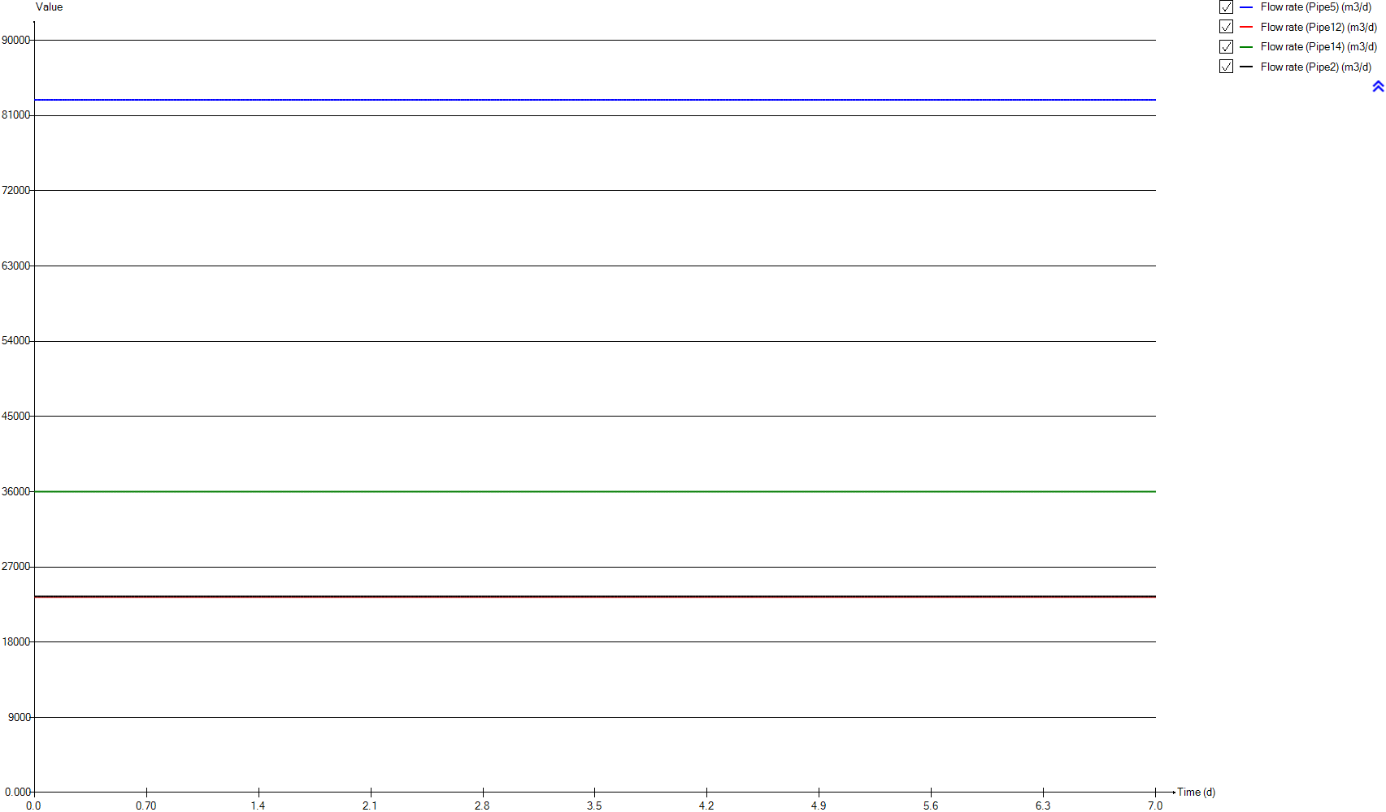
InputD
Time | Flow rate (Pipe5) | Flow rate (Pipe12) | Flow rate (Pipe14) | Flow rate (Pipe2)
d | m3/d | m3/d | m3/d | m3/d
0 | 82873.058067 | 23400 | 36000 | 23473.058067
0.0069444444444 | 82873.058067 | 23400 | 36000 | 23473.058067
0.013888888889 | 82873.058067 | 23400 | 36000 | 23473.058067
0.020833333333 | 82873.058067 | 23400 | 36000 | 23473.058067
0.027777777778 | 82873.058067 | 23400 | 36000 | 23473.058067
0.034722222222 | 82873.058067 | 23400 | 36000 | 23473.058067
0.041666666667 | 82873.058067 | 23400 | 36000 | 23473.058067
0.048611111111 | 82873.058067 | 23400 | 36000 | 23473.058067
0.055555555556 | 82873.058067 | 23400 | 36000 | 23473.058067
0.0625 | 82873.058067 | 23400 | 36000 | 23473.058067
0.069444444444 | 82873.058067 | 23400 | 36000 | 23473.058067
0.076388888889 | 82873.058067 | 23400 | 36000 | 23473.058067
0.083333333333 | 82873.058067 | 23400 | 36000 | 23473.058067
0.090277777778 | 82873.058067 | 23400 | 36000 | 23473.058067
0.097222222222 | 82873.058067 | 23400 | 36000 | 23473.058067
0.10416666667 | 82873.058067 | 23400 | 36000 | 23473.058067
0.11111111111 | 82873.058067 | 23400 | 36000 | 23473.058067
0.11805555556 | 82873.058067 | 23400 | 36000 | 23473.058067
0.125 | 82873.058067 | 23400 | 36000 | 23473.058067
0.13194444444 | 82873.058067 | 23400 | 36000 | 23473.058067
0.13888888889 | 82873.058067 | 23400 | 36000 | 23473.058067
0.14583333333 | 82873.058067 | 23400 | 36000 | 23473.058067
0.15277777778 | 82873.058067 | 23400 | 36000 | 23473.058067
0.15972222222 | 82873.058067 | 23400 | 36000 | 23473.058067
0.16666666667 | 82873.058067 | 23400 | 36000 | 23473.058067
0.17361111111 | 82873.058067 | 23400 | 36000 | 23473.058067
0.18055555556 | 82873.058067 | 23400 | 36000 | 23473.058067
0.1875 | 82873.058067 | 23400 | 36000 | 23473.058067
0.19444444444 | 82873.058067 | 23400 | 36000 | 23473.058067
0.20138888889 | 82873.058067 | 23400 | 36000 | 23473.058067
0.20833333333 | 82873.058067 | 23400 | 36000 | 23473.058067
0.21527777778 | 82873.058067 | 23400 | 36000 | 23473.058067
0.22222222222 | 82873.058067 | 23400 | 36000 | 23473.058067
0.22916666667 | 82873.058067 | 23400 | 36000 | 23473.058067
0.23611111111 | 82873.058067 | 23400 | 36000 | 23473.058067
0.24305555556 | 82873.058067 | 23400 | 36000 | 23473.058067
0.25 | 82873.058067 | 23400 | 36000 | 23473.058067
0.25694444444 | 82873.058067 | 23400 | 36000 | 23473.058067
0.26388888889 | 82873.058067 | 23400 | 36000 | 23473.058067
0.27083333333 | 82873.058067 | 23400 | 36000 | 23473.058067
0.27777777778 | 82873.058067 | 23400 | 36000 | 23473.058067
0.28472222222 | 82873.058067 | 23400 | 36000 | 23473.058067
0.29166666667 | 82873.058067 | 23400 | 36000 | 23473.058067
0.29861111111 | 82873.058067 | 23400 | 36000 | 23473.058067
0.30555555556 | 82873.058067 | 23400 | 36000 | 23473.058067
0.3125 | 82873.058067 | 23400 | 36000 | 23473.058067
0.31944444444 | 82873.058067 | 23400 | 36000 | 23473.058067
0.32638888889 | 82873.058067 | 23400 | 36000 | 23473.058067
0.33333333333 | 82873.058067 | 23400 | 36000 | 23473.058067
0.34027777778 | 82873.058067 | 23400 | 36000 | 23473.058067
0.34722222222 | 82873.058067 | 23400 | 36000 | 23473.058067
0.35416666667 | 82873.058067 | 23400 | 36000 | 23473.058067
0.36111111111 | 82873.058067 | 23400 | 36000 | 23473.058067
0.36805555556 | 82873.058067 | 23400 | 36000 | 23473.058067
0.375 | 82873.058067 | 23400 | 36000 | 23473.058067
0.38194444444 | 82873.058067 | 23400 | 36000 | 23473.058067
0.38888888889 | 82873.058067 | 23400 | 36000 | 23473.058067
0.39583333333 | 82873.058067 | 23400 | 36000 | 23473.058067
0.40277777778 | 82873.058067 | 23400 | 36000 | 23473.058067
0.40972222222 | 82873.058067 | 23400 | 36000 | 23473.058067
0.41666666667 | 82873.058067 | 23400 | 36000 | 23473.058067
0.42361111111 | 82873.058067 | 23400 | 36000 | 23473.058067
0.43055555556 | 82873.058067 | 23400 | 36000 | 23473.058067
0.4375 | 82873.058067 | 23400 | 36000 | 23473.058067
0.44444444444 | 82873.058067 | 23400 | 36000 | 23473.058067
0.45138888889 | 82873.058067 | 23400 | 36000 | 23473.058067
0.45833333333 | 82873.058067 | 23400 | 36000 | 23473.058067
0.46527777778 | 82873.058067 | 23400 | 36000 | 23473.058067
0.47222222222 | 82873.058067 | 23400 | 36000 | 23473.058067
0.47916666667 | 82873.058067 | 23400 | 36000 | 23473.058067
0.48611111111 | 82873.058067 | 23400 | 36000 | 23473.058067
0.49305555556 | 82873.058067 | 23400 | 36000 | 23473.058067
0.5 | 82873.058067 | 23400 | 36000 | 23473.058067
0.50694444444 | 82873.058067 | 23400 | 36000 | 23473.058067
0.51388888889 | 82873.058067 | 23400 | 36000 | 23473.058067
0.52083333333 | 82873.058067 | 23400 | 36000 | 23473.058067
0.52777777778 | 82873.058067 | 23400 | 36000 | 23473.058067
0.53472222222 | 82873.058067 | 23400 | 36000 | 23473.058067
0.54166666667 | 82873.058067 | 23400 | 36000 | 23473.058067
0.54861111111 | 82873.058067 | 23400 | 36000 | 23473.058067
0.55555555556 | 82873.058067 | 23400 | 36000 | 23473.058067
0.5625 | 82873.058067 | 23400 | 36000 | 23473.058067
0.56944444444 | 82873.058067 | 23400 | 36000 | 23473.058067
0.57638888889 | 82873.058067 | 23400 | 36000 | 23473.058067
0.58333333333 | 82873.058067 | 23400 | 36000 | 23473.058067
0.59027777778 | 82873.058067 | 23400 | 36000 | 23473.058067
0.59722222222 | 82873.058067 | 23400 | 36000 | 23473.058067
0.60416666667 | 82873.058067 | 23400 | 36000 | 23473.058067
0.61111111111 | 82873.058067 | 23400 | 36000 | 23473.058067
0.61805555556 | 82873.058067 | 23400 | 36000 | 23473.058067
0.625 | 82873.058067 | 23400 | 36000 | 23473.058067
0.63194444444 | 82873.058067 | 23400 | 36000 | 23473.058067
0.63888888889 | 82873.058067 | 23400 | 36000 | 23473.058067
0.64583333333 | 82873.058067 | 23400 | 36000 | 23473.058067
0.65277777778 | 82873.058067 | 23400 | 36000 | 23473.058067
0.65972222222 | 82873.058067 | 23400 | 36000 | 23473.058067
0.66666666667 | 82873.058067 | 23400 | 36000 | 23473.058067
0.67361111111 | 82873.058067 | 23400 | 36000 | 23473.058067
0.68055555556 | 82873.058067 | 23400 | 36000 | 23473.058067
0.6875 | 82873.058067 | 23400 | 36000 | 23473.058067
0.69444444444 | 82873.058067 | 23400 | 36000 | 23473.058067
0.70138888889 | 82873.058067 | 23400 | 36000 | 23473.058067
0.70833333333 | 82873.058067 | 23400 | 36000 | 23473.058067
0.71527777778 | 82873.058067 | 23400 | 36000 | 23473.058067
0.72222222222 | 82873.058067 | 23400 | 36000 | 23473.058067
0.72916666667 | 82873.058067 | 23400 | 36000 | 23473.058067
0.73611111111 | 82873.058067 | 23400 | 36000 | 23473.058067
0.74305555556 | 82873.058067 | 23400 | 36000 | 23473.058067
0.75 | 82873.058067 | 23400 | 36000 | 23473.058067
0.75694444444 | 82873.058067 | 23400 | 36000 | 23473.058067
0.76388888889 | 82873.058067 | 23400 | 36000 | 23473.058067
0.77083333333 | 82873.058067 | 23400 | 36000 | 23473.058067
0.77777777778 | 82873.058067 | 23400 | 36000 | 23473.058067
0.78472222222 | 82873.058067 | 23400 | 36000 | 23473.058067
0.79166666667 | 82873.058067 | 23400 | 36000 | 23473.058067
0.79861111111 | 82873.058067 | 23400 | 36000 | 23473.058067
0.80555555556 | 82873.058067 | 23400 | 36000 | 23473.058067
0.8125 | 82873.058067 | 23400 | 36000 | 23473.058067
0.81944444444 | 82873.058067 | 23400 | 36000 | 23473.058067
0.82638888889 | 82873.058067 | 23400 | 36000 | 23473.058067
0.83333333333 | 82873.058067 | 23400 | 36000 | 23473.058067
0.84027777778 | 82873.058067 | 23400 | 36000 | 23473.058067
0.84722222222 | 82873.058067 | 23400 | 36000 | 23473.058067
0.85416666667 | 82873.058067 | 23400 | 36000 | 23473.058067
0.86111111111 | 82873.058067 | 23400 | 36000 | 23473.058067
0.86805555556 | 82873.058067 | 23400 | 36000 | 23473.058067
0.875 | 82873.058067 | 23400 | 36000 | 23473.058067
0.88194444444 | 82873.058067 | 23400 | 36000 | 23473.058067
0.88888888889 | 82873.058067 | 23400 | 36000 | 23473.058067
0.89583333333 | 82873.058067 | 23400 | 36000 | 23473.058067
0.90277777778 | 82873.058067 | 23400 | 36000 | 23473.058067
0.90972222222 | 82873.058067 | 23400 | 36000 | 23473.058067
0.91666666667 | 82873.058067 | 23400 | 36000 | 23473.058067
0.92361111111 | 82873.058067 | 23400 | 36000 | 23473.058067
0.93055555556 | 82873.058067 | 23400 | 36000 | 23473.058067
0.9375 | 82873.058067 | 23400 | 36000 | 23473.058067
0.94444444444 | 82873.058067 | 23400 | 36000 | 23473.058067
0.95138888889 | 82873.058067 | 23400 | 36000 | 23473.058067
0.95833333333 | 82873.058067 | 23400 | 36000 | 23473.058067
0.96527777778 | 82873.058067 | 23400 | 36000 | 23473.058067
0.97222222222 | 82873.058067 | 23400 | 36000 | 23473.058067
0.97916666667 | 82873.058067 | 23400 | 36000 | 23473.058067
0.98611111111 | 82873.058067 | 23400 | 36000 | 23473.058067
0.99305555556 | 82873.058067 | 23400 | 36000 | 23473.058067
1 | 82873.058067 | 23400 | 36000 | 23473.058067
1.0069444444 | 82873.058067 | 23400 | 36000 | 23473.058067
1.0138888889 | 82873.058067 | 23400 | 36000 | 23473.058067
1.0208333333 | 82873.058067 | 23400 | 36000 | 23473.058067
1.0277777778 | 82873.058067 | 23400 | 36000 | 23473.058067
1.0347222222 | 82873.058067 | 23400 | 36000 | 23473.058067
1.0416666667 | 82873.058067 | 23400 | 36000 | 23473.058067
1.0486111111 | 82873.058067 | 23400 | 36000 | 23473.058067
1.0555555556 | 82873.058067 | 23400 | 36000 | 23473.058067
1.0625 | 82873.058067 | 23400 | 36000 | 23473.058067
1.0694444444 | 82873.058067 | 23400 | 36000 | 23473.058067
1.0763888889 | 82873.058067 | 23400 | 36000 | 23473.058067
1.0833333333 | 82873.058067 | 23400 | 36000 | 23473.058067
1.0902777778 | 82873.058067 | 23400 | 36000 | 23473.058067
1.0972222222 | 82873.058067 | 23400 | 36000 | 23473.058067
1.1041666667 | 82873.058067 | 23400 | 36000 | 23473.058067
1.1111111111 | 82873.058067 | 23400 | 36000 | 23473.058067
1.1180555556 | 82873.058067 | 23400 | 36000 | 23473.058067
1.125 | 82873.058067 | 23400 | 36000 | 23473.058067
1.1319444444 | 82873.058067 | 23400 | 36000 | 23473.058067
1.1388888889 | 82873.058067 | 23400 | 36000 | 23473.058067
1.1458333333 | 82873.058067 | 23400 | 36000 | 23473.058067
1.1527777778 | 82873.058067 | 23400 | 36000 | 23473.058067
1.1597222222 | 82873.058067 | 23400 | 36000 | 23473.058067
1.1666666667 | 82873.058067 | 23400 | 36000 | 23473.058067
1.1736111111 | 82873.058067 | 23400 | 36000 | 23473.058067
1.1805555556 | 82873.058067 | 23400 | 36000 | 23473.058067
1.1875 | 82873.058067 | 23400 | 36000 | 23473.058067
1.1944444444 | 82873.058067 | 23400 | 36000 | 23473.058067
1.2013888889 | 82873.058067 | 23400 | 36000 | 23473.058067
1.2083333333 | 82873.058067 | 23400 | 36000 | 23473.058067
1.2152777778 | 82873.058067 | 23400 | 36000 | 23473.058067
1.2222222222 | 82873.058067 | 23400 | 36000 | 23473.058067
1.2291666667 | 82873.058067 | 23400 | 36000 | 23473.058067
1.2361111111 | 82873.058067 | 23400 | 36000 | 23473.058067
1.2430555556 | 82873.058067 | 23400 | 36000 | 23473.058067
1.25 | 82873.058067 | 23400 | 36000 | 23473.058067
1.2569444444 | 82873.058067 | 23400 | 36000 | 23473.058067
1.2638888889 | 82873.058067 | 23400 | 36000 | 23473.058067
1.2708333333 | 82873.058067 | 23400 | 36000 | 23473.058067
1.2777777778 | 82873.058067 | 23400 | 36000 | 23473.058067
1.2847222222 | 82873.058067 | 23400 | 36000 | 23473.058067
1.2916666667 | 82873.058067 | 23400 | 36000 | 23473.058067
1.2986111111 | 82873.058067 | 23400 | 36000 | 23473.058067
1.3055555556 | 82873.058067 | 23400 | 36000 | 23473.058067
1.3125 | 82873.058067 | 23400 | 36000 | 23473.058067
1.3194444444 | 82873.058067 | 23400 | 36000 | 23473.058067
1.3263888889 | 82873.058067 | 23400 | 36000 | 23473.058067
1.3333333333 | 82873.058067 | 23400 | 36000 | 23473.058067
1.3402777778 | 82873.058067 | 23400 | 36000 | 23473.058067
1.3472222222 | 82873.058067 | 23400 | 36000 | 23473.058067
1.3541666667 | 82873.058067 | 23400 | 36000 | 23473.058067
1.3611111111 | 82873.058067 | 23400 | 36000 | 23473.058067
1.3680555556 | 82873.058067 | 23400 | 36000 | 23473.058067
1.375 | 82873.058067 | 23400 | 36000 | 23473.058067
1.3819444444 | 82873.058067 | 23400 | 36000 | 23473.058067
1.3888888889 | 82873.058067 | 23400 | 36000 | 23473.058067
1.3958333333 | 82873.058067 | 23400 | 36000 | 23473.058067
1.4027777778 | 82873.058067 | 23400 | 36000 | 23473.058067
1.4097222222 | 82873.058067 | 23400 | 36000 | 23473.058067
1.4166666667 | 82873.058067 | 23400 | 36000 | 23473.058067
1.4236111111 | 82873.058067 | 23400 | 36000 | 23473.058067
1.4305555556 | 82873.058067 | 23400 | 36000 | 23473.058067
1.4375 | 82873.058067 | 23400 | 36000 | 23473.058067
1.4444444444 | 82873.058067 | 23400 | 36000 | 23473.058067
1.4513888889 | 82873.058067 | 23400 | 36000 | 23473.058067
1.4583333333 | 82873.058067 | 23400 | 36000 | 23473.058067
1.4652777778 | 82873.058067 | 23400 | 36000 | 23473.058067
1.4722222222 | 82873.058067 | 23400 | 36000 | 23473.058067
1.4791666667 | 82873.058067 | 23400 | 36000 | 23473.058067
1.4861111111 | 82873.058067 | 23400 | 36000 | 23473.058067
1.4930555556 | 82873.058067 | 23400 | 36000 | 23473.058067
1.5 | 82873.058067 | 23400 | 36000 | 23473.058067
1.5069444444 | 82873.058067 | 23400 | 36000 | 23473.058067
1.5138888889 | 82873.058067 | 23400 | 36000 | 23473.058067
1.5208333333 | 82873.058067 | 23400 | 36000 | 23473.058067
1.5277777778 | 82873.058067 | 23400 | 36000 | 23473.058067
1.5347222222 | 82873.058067 | 23400 | 36000 | 23473.058067
1.5416666667 | 82873.058067 | 23400 | 36000 | 23473.058067
1.5486111111 | 82873.058067 | 23400 | 36000 | 23473.058067
1.5555555556 | 82873.058067 | 23400 | 36000 | 23473.058067
1.5625 | 82873.058067 | 23400 | 36000 | 23473.058067
1.5694444444 | 82873.058067 | 23400 | 36000 | 23473.058067
1.5763888889 | 82873.058067 | 23400 | 36000 | 23473.058067
1.5833333333 | 82873.058067 | 23400 | 36000 | 23473.058067
1.5902777778 | 82873.058067 | 23400 | 36000 | 23473.058067
1.5972222222 | 82873.058067 | 23400 | 36000 | 23473.058067
1.6041666667 | 82873.058067 | 23400 | 36000 | 23473.058067
1.6111111111 | 82873.058067 | 23400 | 36000 | 23473.058067
1.6180555556 | 82873.058067 | 23400 | 36000 | 23473.058067
1.625 | 82873.058067 | 23400 | 36000 | 23473.058067
1.6319444444 | 82873.058067 | 23400 | 36000 | 23473.058067
1.6388888889 | 82873.058067 | 23400 | 36000 | 23473.058067
1.6458333333 | 82873.058067 | 23400 | 36000 | 23473.058067
1.6527777778 | 82873.058067 | 23400 | 36000 | 23473.058067
1.6597222222 | 82873.058067 | 23400 | 36000 | 23473.058067
1.6666666667 | 82873.058067 | 23400 | 36000 | 23473.058067
1.6736111111 | 82873.058067 | 23400 | 36000 | 23473.058067
1.6805555556 | 82873.058067 | 23400 | 36000 | 23473.058067
1.6875 | 82873.058067 | 23400 | 36000 | 23473.058067
1.6944444444 | 82873.058067 | 23400 | 36000 | 23473.058067
1.7013888889 | 82873.058067 | 23400 | 36000 | 23473.058067
1.7083333333 | 82873.058067 | 23400 | 36000 | 23473.058067
1.7152777778 | 82873.058067 | 23400 | 36000 | 23473.058067
1.7222222222 | 82873.058067 | 23400 | 36000 | 23473.058067
1.7291666667 | 82873.058067 | 23400 | 36000 | 23473.058067
1.7361111111 | 82873.058067 | 23400 | 36000 | 23473.058067
1.7430555556 | 82873.058067 | 23400 | 36000 | 23473.058067
1.75 | 82873.058067 | 23400 | 36000 | 23473.058067
1.7569444444 | 82873.058067 | 23400 | 36000 | 23473.058067
1.7638888889 | 82873.058067 | 23400 | 36000 | 23473.058067
1.7708333333 | 82873.058067 | 23400 | 36000 | 23473.058067
1.7777777778 | 82873.058067 | 23400 | 36000 | 23473.058067
1.7847222222 | 82873.058067 | 23400 | 36000 | 23473.058067
1.7916666667 | 82873.058067 | 23400 | 36000 | 23473.058067
1.7986111111 | 82873.058067 | 23400 | 36000 | 23473.058067
1.8055555556 | 82873.058067 | 23400 | 36000 | 23473.058067
1.8125 | 82873.058067 | 23400 | 36000 | 23473.058067
1.8194444444 | 82873.058067 | 23400 | 36000 | 23473.058067
1.8263888889 | 82873.058067 | 23400 | 36000 | 23473.058067
1.8333333333 | 82873.058067 | 23400 | 36000 | 23473.058067
1.8402777778 | 82873.058067 | 23400 | 36000 | 23473.058067
1.8472222222 | 82873.058067 | 23400 | 36000 | 23473.058067
1.8541666667 | 82873.058067 | 23400 | 36000 | 23473.058067
1.8611111111 | 82873.058067 | 23400 | 36000 | 23473.058067
1.8680555556 | 82873.058067 | 23400 | 36000 | 23473.058067
1.875 | 82873.058067 | 23400 | 36000 | 23473.058067
1.8819444444 | 82873.058067 | 23400 | 36000 | 23473.058067
1.8888888889 | 82873.058067 | 23400 | 36000 | 23473.058067
1.8958333333 | 82873.058067 | 23400 | 36000 | 23473.058067
1.9027777778 | 82873.058067 | 23400 | 36000 | 23473.058067
1.9097222222 | 82873.058067 | 23400 | 36000 | 23473.058067
1.9166666667 | 82873.058067 | 23400 | 36000 | 23473.058067
1.9236111111 | 82873.058067 | 23400 | 36000 | 23473.058067
1.9305555556 | 82873.058067 | 23400 | 36000 | 23473.058067
1.9375 | 82873.058067 | 23400 | 36000 | 23473.058067
1.9444444444 | 82873.058067 | 23400 | 36000 | 23473.058067
1.9513888889 | 82873.058067 | 23400 | 36000 | 23473.058067
1.9583333333 | 82873.058067 | 23400 | 36000 | 23473.058067
1.9652777778 | 82873.058067 | 23400 | 36000 | 23473.058067
1.9722222222 | 82873.058067 | 23400 | 36000 | 23473.058067
1.9791666667 | 82873.058067 | 23400 | 36000 | 23473.058067
1.9861111111 | 82873.058067 | 23400 | 36000 | 23473.058067
1.9930555556 | 82873.058067 | 23400 | 36000 | 23473.058067
2 | 82873.058067 | 23400 | 36000 | 23473.058067
2.0069444444 | 82873.058067 | 23400 | 36000 | 23473.058067
2.0138888889 | 82873.058067 | 23400 | 36000 | 23473.058067
2.0208333333 | 82873.058067 | 23400 | 36000 | 23473.058067
2.0277777778 | 82873.058067 | 23400 | 36000 | 23473.058067
2.0347222222 | 82873.058067 | 23400 | 36000 | 23473.058067
2.0416666667 | 82873.058067 | 23400 | 36000 | 23473.058067
2.0486111111 | 82873.058067 | 23400 | 36000 | 23473.058067
2.0555555556 | 82873.058067 | 23400 | 36000 | 23473.058067
2.0625 | 82873.058067 | 23400 | 36000 | 23473.058067
2.0694444444 | 82873.058067 | 23400 | 36000 | 23473.058067
2.0763888889 | 82873.058067 | 23400 | 36000 | 23473.058067
2.0833333333 | 82873.058067 | 23400 | 36000 | 23473.058067
2.0902777778 | 82873.058067 | 23400 | 36000 | 23473.058067
2.0972222222 | 82873.058067 | 23400 | 36000 | 23473.058067
2.1041666667 | 82873.058067 | 23400 | 36000 | 23473.058067
2.1111111111 | 82873.058067 | 23400 | 36000 | 23473.058067
2.1180555556 | 82873.058067 | 23400 | 36000 | 23473.058067
2.125 | 82873.058067 | 23400 | 36000 | 23473.058067
2.1319444444 | 82873.058067 | 23400 | 36000 | 23473.058067
2.1388888889 | 82873.058067 | 23400 | 36000 | 23473.058067
2.1458333333 | 82873.058067 | 23400 | 36000 | 23473.058067
2.1527777778 | 82873.058067 | 23400 | 36000 | 23473.058067
2.1597222222 | 82873.058067 | 23400 | 36000 | 23473.058067
2.1666666667 | 82873.058067 | 23400 | 36000 | 23473.058067
2.1736111111 | 82873.058067 | 23400 | 36000 | 23473.058067
2.1805555556 | 82873.058067 | 23400 | 36000 | 23473.058067
2.1875 | 82873.058067 | 23400 | 36000 | 23473.058067
2.1944444444 | 82873.058067 | 23400 | 36000 | 23473.058067
2.2013888889 | 82873.058067 | 23400 | 36000 | 23473.058067
2.2083333333 | 82873.058067 | 23400 | 36000 | 23473.058067
2.2152777778 | 82873.058067 | 23400 | 36000 | 23473.058067
2.2222222222 | 82873.058067 | 23400 | 36000 | 23473.058067
2.2291666667 | 82873.058067 | 23400 | 36000 | 23473.058067
2.2361111111 | 82873.058067 | 23400 | 36000 | 23473.058067
2.2430555556 | 82873.058067 | 23400 | 36000 | 23473.058067
2.25 | 82873.058067 | 23400 | 36000 | 23473.058067
2.2569444444 | 82873.058067 | 23400 | 36000 | 23473.058067
2.2638888889 | 82873.058067 | 23400 | 36000 | 23473.058067
2.2708333333 | 82873.058067 | 23400 | 36000 | 23473.058067
2.2777777778 | 82873.058067 | 23400 | 36000 | 23473.058067
2.2847222222 | 82873.058067 | 23400 | 36000 | 23473.058067
2.2916666667 | 82873.058067 | 23400 | 36000 | 23473.058067
2.2986111111 | 82873.058067 | 23400 | 36000 | 23473.058067
2.3055555556 | 82873.058067 | 23400 | 36000 | 23473.058067
2.3125 | 82873.058067 | 23400 | 36000 | 23473.058067
2.3194444444 | 82873.058067 | 23400 | 36000 | 23473.058067
2.3263888889 | 82873.058067 | 23400 | 36000 | 23473.058067
2.3333333333 | 82873.058067 | 23400 | 36000 | 23473.058067
2.3402777778 | 82873.058067 | 23400 | 36000 | 23473.058067
2.3472222222 | 82873.058067 | 23400 | 36000 | 23473.058067
2.3541666667 | 82873.058067 | 23400 | 36000 | 23473.058067
2.3611111111 | 82873.058067 | 23400 | 36000 | 23473.058067
2.3680555556 | 82873.058067 | 23400 | 36000 | 23473.058067
2.375 | 82873.058067 | 23400 | 36000 | 23473.058067
2.3819444444 | 82873.058067 | 23400 | 36000 | 23473.058067
2.3888888889 | 82873.058067 | 23400 | 36000 | 23473.058067
2.3958333333 | 82873.058067 | 23400 | 36000 | 23473.058067
2.4027777778 | 82873.058067 | 23400 | 36000 | 23473.058067
2.4097222222 | 82873.058067 | 23400 | 36000 | 23473.058067
2.4166666667 | 82873.058067 | 23400 | 36000 | 23473.058067
2.4236111111 | 82873.058067 | 23400 | 36000 | 23473.058067
2.4305555556 | 82873.058067 | 23400 | 36000 | 23473.058067
2.4375 | 82873.058067 | 23400 | 36000 | 23473.058067
2.4444444444 | 82873.058067 | 23400 | 36000 | 23473.058067
2.4513888889 | 82873.058067 | 23400 | 36000 | 23473.058067
2.4583333333 | 82873.058067 | 23400 | 36000 | 23473.058067
2.4652777778 | 82873.058067 | 23400 | 36000 | 23473.058067
2.4722222222 | 82873.058067 | 23400 | 36000 | 23473.058067
2.4791666667 | 82873.058067 | 23400 | 36000 | 23473.058067
2.4861111111 | 82873.058067 | 23400 | 36000 | 23473.058067
2.4930555556 | 82873.058067 | 23400 | 36000 | 23473.058067
2.5 | 82873.058067 | 23400 | 36000 | 23473.058067
2.5069444444 | 82873.058067 | 23400 | 36000 | 23473.058067
2.5138888889 | 82873.058067 | 23400 | 36000 | 23473.058067
2.5208333333 | 82873.058067 | 23400 | 36000 | 23473.058067
2.5277777778 | 82873.058067 | 23400 | 36000 | 23473.058067
2.5347222222 | 82873.058067 | 23400 | 36000 | 23473.058067
2.5416666667 | 82873.058067 | 23400 | 36000 | 23473.058067
2.5486111111 | 82873.058067 | 23400 | 36000 | 23473.058067
2.5555555556 | 82873.058067 | 23400 | 36000 | 23473.058067
2.5625 | 82873.058067 | 23400 | 36000 | 23473.058067
2.5694444444 | 82873.058067 | 23400 | 36000 | 23473.058067
2.5763888889 | 82873.058067 | 23400 | 36000 | 23473.058067
2.5833333333 | 82873.058067 | 23400 | 36000 | 23473.058067
2.5902777778 | 82873.058067 | 23400 | 36000 | 23473.058067
2.5972222222 | 82873.058067 | 23400 | 36000 | 23473.058067
2.6041666667 | 82873.058067 | 23400 | 36000 | 23473.058067
2.6111111111 | 82873.058067 | 23400 | 36000 | 23473.058067
2.6180555556 | 82873.058067 | 23400 | 36000 | 23473.058067
2.625 | 82873.058067 | 23400 | 36000 | 23473.058067
2.6319444444 | 82873.058067 | 23400 | 36000 | 23473.058067
2.6388888889 | 82873.058067 | 23400 | 36000 | 23473.058067
2.6458333333 | 82873.058067 | 23400 | 36000 | 23473.058067
2.6527777778 | 82873.058067 | 23400 | 36000 | 23473.058067
2.6597222222 | 82873.058067 | 23400 | 36000 | 23473.058067
2.6666666667 | 82873.058067 | 23400 | 36000 | 23473.058067
2.6736111111 | 82873.058067 | 23400 | 36000 | 23473.058067
2.6805555556 | 82873.058067 | 23400 | 36000 | 23473.058067
2.6875 | 82873.058067 | 23400 | 36000 | 23473.058067
2.6944444444 | 82873.058067 | 23400 | 36000 | 23473.058067
2.7013888889 | 82873.058067 | 23400 | 36000 | 23473.058067
2.7083333333 | 82873.058067 | 23400 | 36000 | 23473.058067
2.7152777778 | 82873.058067 | 23400 | 36000 | 23473.058067
2.7222222222 | 82873.058067 | 23400 | 36000 | 23473.058067
2.7291666667 | 82873.058067 | 23400 | 36000 | 23473.058067
2.7361111111 | 82873.058067 | 23400 | 36000 | 23473.058067
2.7430555556 | 82873.058067 | 23400 | 36000 | 23473.058067
2.75 | 82873.058067 | 23400 | 36000 | 23473.058067
2.7569444444 | 82873.058067 | 23400 | 36000 | 23473.058067
2.7638888889 | 82873.058067 | 23400 | 36000 | 23473.058067
2.7708333333 | 82873.058067 | 23400 | 36000 | 23473.058067
2.7777777778 | 82873.058067 | 23400 | 36000 | 23473.058067
2.7847222222 | 82873.058067 | 23400 | 36000 | 23473.058067
2.7916666667 | 82873.058067 | 23400 | 36000 | 23473.058067
2.7986111111 | 82873.058067 | 23400 | 36000 | 23473.058067
2.8055555556 | 82873.058067 | 23400 | 36000 | 23473.058067
2.8125 | 82873.058067 | 23400 | 36000 | 23473.058067
2.8194444444 | 82873.058067 | 23400 | 36000 | 23473.058067
2.8263888889 | 82873.058067 | 23400 | 36000 | 23473.058067
2.8333333333 | 82873.058067 | 23400 | 36000 | 23473.058067
2.8402777778 | 82873.058067 | 23400 | 36000 | 23473.058067
2.8472222222 | 82873.058067 | 23400 | 36000 | 23473.058067
2.8541666667 | 82873.058067 | 23400 | 36000 | 23473.058067
2.8611111111 | 82873.058067 | 23400 | 36000 | 23473.058067
2.8680555556 | 82873.058067 | 23400 | 36000 | 23473.058067
2.875 | 82873.058067 | 23400 | 36000 | 23473.058067
2.8819444444 | 82873.058067 | 23400 | 36000 | 23473.058067
2.8888888889 | 82873.058067 | 23400 | 36000 | 23473.058067
2.8958333333 | 82873.058067 | 23400 | 36000 | 23473.058067
2.9027777778 | 82873.058067 | 23400 | 36000 | 23473.058067
2.9097222222 | 82873.058067 | 23400 | 36000 | 23473.058067
2.9166666667 | 82873.058067 | 23400 | 36000 | 23473.058067
2.9236111111 | 82873.058067 | 23400 | 36000 | 23473.058067
2.9305555556 | 82873.058067 | 23400 | 36000 | 23473.058067
2.9375 | 82873.058067 | 23400 | 36000 | 23473.058067
2.9444444444 | 82873.058067 | 23400 | 36000 | 23473.058067
2.9513888889 | 82873.058067 | 23400 | 36000 | 23473.058067
2.9583333333 | 82873.058067 | 23400 | 36000 | 23473.058067
2.9652777778 | 82873.058067 | 23400 | 36000 | 23473.058067
2.9722222222 | 82873.058067 | 23400 | 36000 | 23473.058067
2.9791666667 | 82873.058067 | 23400 | 36000 | 23473.058067
2.9861111111 | 82873.058067 | 23400 | 36000 | 23473.058067
2.9930555556 | 82873.058067 | 23400 | 36000 | 23473.058067
3 | 82873.058067 | 23400 | 36000 | 23473.058067
3.0069444444 | 82873.058067 | 23400 | 36000 | 23473.058067
3.0138888889 | 82873.058067 | 23400 | 36000 | 23473.058067
3.0208333333 | 82873.058067 | 23400 | 36000 | 23473.058067
3.0277777778 | 82873.058067 | 23400 | 36000 | 23473.058067
3.0347222222 | 82873.058067 | 23400 | 36000 | 23473.058067
3.0416666667 | 82873.058067 | 23400 | 36000 | 23473.058067
3.0486111111 | 82873.058067 | 23400 | 36000 | 23473.058067
3.0555555556 | 82873.058067 | 23400 | 36000 | 23473.058067
3.0625 | 82873.058067 | 23400 | 36000 | 23473.058067
3.0694444444 | 82873.058067 | 23400 | 36000 | 23473.058067
3.0763888889 | 82873.058067 | 23400 | 36000 | 23473.058067
3.0833333333 | 82873.058067 | 23400 | 36000 | 23473.058067
3.0902777778 | 82873.058067 | 23400 | 36000 | 23473.058067
3.0972222222 | 82873.058067 | 23400 | 36000 | 23473.058067
3.1041666667 | 82873.058067 | 23400 | 36000 | 23473.058067
3.1111111111 | 82873.058067 | 23400 | 36000 | 23473.058067
3.1180555556 | 82873.058067 | 23400 | 36000 | 23473.058067
3.125 | 82873.058067 | 23400 | 36000 | 23473.058067
3.1319444444 | 82873.058067 | 23400 | 36000 | 23473.058067
3.1388888889 | 82873.058067 | 23400 | 36000 | 23473.058067
3.1458333333 | 82873.058067 | 23400 | 36000 | 23473.058067
3.1527777778 | 82873.058067 | 23400 | 36000 | 23473.058067
3.1597222222 | 82873.058067 | 23400 | 36000 | 23473.058067
3.1666666667 | 82873.058067 | 23400 | 36000 | 23473.058067
3.1736111111 | 82873.058067 | 23400 | 36000 | 23473.058067
3.1805555556 | 82873.058067 | 23400 | 36000 | 23473.058067
3.1875 | 82873.058067 | 23400 | 36000 | 23473.058067
3.1944444444 | 82873.058067 | 23400 | 36000 | 23473.058067
3.2013888889 | 82873.058067 | 23400 | 36000 | 23473.058067
3.2083333333 | 82873.058067 | 23400 | 36000 | 23473.058067
3.2152777778 | 82873.058067 | 23400 | 36000 | 23473.058067
3.2222222222 | 82873.058067 | 23400 | 36000 | 23473.058067
3.2291666667 | 82873.058067 | 23400 | 36000 | 23473.058067
3.2361111111 | 82873.058067 | 23400 | 36000 | 23473.058067
3.2430555556 | 82873.058067 | 23400 | 36000 | 23473.058067
3.25 | 82873.058067 | 23400 | 36000 | 23473.058067
3.2569444444 | 82873.058067 | 23400 | 36000 | 23473.058067
3.2638888889 | 82873.058067 | 23400 | 36000 | 23473.058067
3.2708333333 | 82873.058067 | 23400 | 36000 | 23473.058067
3.2777777778 | 82873.058067 | 23400 | 36000 | 23473.058067
3.2847222222 | 82873.058067 | 23400 | 36000 | 23473.058067
3.2916666667 | 82873.058067 | 23400 | 36000 | 23473.058067
3.2986111111 | 82873.058067 | 23400 | 36000 | 23473.058067
3.3055555556 | 82873.058067 | 23400 | 36000 | 23473.058067
3.3125 | 82873.058067 | 23400 | 36000 | 23473.058067
3.3194444444 | 82873.058067 | 23400 | 36000 | 23473.058067
3.3263888889 | 82873.058067 | 23400 | 36000 | 23473.058067
3.3333333333 | 82873.058067 | 23400 | 36000 | 23473.058067
3.3402777778 | 82873.058067 | 23400 | 36000 | 23473.058067
3.3472222222 | 82873.058067 | 23400 | 36000 | 23473.058067
3.3541666667 | 82873.058067 | 23400 | 36000 | 23473.058067
3.3611111111 | 82873.058067 | 23400 | 36000 | 23473.058067
3.3680555556 | 82873.058067 | 23400 | 36000 | 23473.058067
3.375 | 82873.058067 | 23400 | 36000 | 23473.058067
3.3819444444 | 82873.058067 | 23400 | 36000 | 23473.058067
3.3888888889 | 82873.058067 | 23400 | 36000 | 23473.058067
3.3958333333 | 82873.058067 | 23400 | 36000 | 23473.058067
3.4027777778 | 82873.058067 | 23400 | 36000 | 23473.058067
3.4097222222 | 82873.058067 | 23400 | 36000 | 23473.058067
3.4166666667 | 82873.058067 | 23400 | 36000 | 23473.058067
3.4236111111 | 82873.058067 | 23400 | 36000 | 23473.058067
3.4305555556 | 82873.058067 | 23400 | 36000 | 23473.058067
3.4375 | 82873.058067 | 23400 | 36000 | 23473.058067
3.4444444444 | 82873.058067 | 23400 | 36000 | 23473.058067
3.4513888889 | 82873.058067 | 23400 | 36000 | 23473.058067
3.4583333333 | 82873.058067 | 23400 | 36000 | 23473.058067
3.4652777778 | 82873.058067 | 23400 | 36000 | 23473.058067
3.4722222222 | 82873.058067 | 23400 | 36000 | 23473.058067
3.4791666667 | 82873.058067 | 23400 | 36000 | 23473.058067
3.4861111111 | 82873.058067 | 23400 | 36000 | 23473.058067
3.4930555556 | 82873.058067 | 23400 | 36000 | 23473.058067
3.5 | 82873.058067 | 23400 | 36000 | 23473.058067
3.5069444444 | 82873.058067 | 23400 | 36000 | 23473.058067
3.5138888889 | 82873.058067 | 23400 | 36000 | 23473.058067
3.5208333333 | 82873.058067 | 23400 | 36000 | 23473.058067
3.5277777778 | 82873.058067 | 23400 | 36000 | 23473.058067
3.5347222222 | 82873.058067 | 23400 | 36000 | 23473.058067
3.5416666667 | 82873.058067 | 23400 | 36000 | 23473.058067
3.5486111111 | 82873.058067 | 23400 | 36000 | 23473.058067
3.5555555556 | 82873.058067 | 23400 | 36000 | 23473.058067
3.5625 | 82873.058067 | 23400 | 36000 | 23473.058067
3.5694444444 | 82873.058067 | 23400 | 36000 | 23473.058067
3.5763888889 | 82873.058067 | 23400 | 36000 | 23473.058067
3.5833333333 | 82873.058067 | 23400 | 36000 | 23473.058067
3.5902777778 | 82873.058067 | 23400 | 36000 | 23473.058067
3.5972222222 | 82873.058067 | 23400 | 36000 | 23473.058067
3.6041666667 | 82873.058067 | 23400 | 36000 | 23473.058067
3.6111111111 | 82873.058067 | 23400 | 36000 | 23473.058067
3.6180555556 | 82873.058067 | 23400 | 36000 | 23473.058067
3.625 | 82873.058067 | 23400 | 36000 | 23473.058067
3.6319444444 | 82873.058067 | 23400 | 36000 | 23473.058067
3.6388888889 | 82873.058067 | 23400 | 36000 | 23473.058067
3.6458333333 | 82873.058067 | 23400 | 36000 | 23473.058067
3.6527777778 | 82873.058067 | 23400 | 36000 | 23473.058067
3.6597222222 | 82873.058067 | 23400 | 36000 | 23473.058067
3.6666666667 | 82873.058067 | 23400 | 36000 | 23473.058067
3.6736111111 | 82873.058067 | 23400 | 36000 | 23473.058067
3.6805555556 | 82873.058067 | 23400 | 36000 | 23473.058067
3.6875 | 82873.058067 | 23400 | 36000 | 23473.058067
3.6944444444 | 82873.058067 | 23400 | 36000 | 23473.058067
3.7013888889 | 82873.058067 | 23400 | 36000 | 23473.058067
3.7083333333 | 82873.058067 | 23400 | 36000 | 23473.058067
3.7152777778 | 82873.058067 | 23400 | 36000 | 23473.058067
3.7222222222 | 82873.058067 | 23400 | 36000 | 23473.058067
3.7291666667 | 82873.058067 | 23400 | 36000 | 23473.058067
3.7361111111 | 82873.058067 | 23400 | 36000 | 23473.058067
3.7430555556 | 82873.058067 | 23400 | 36000 | 23473.058067
3.75 | 82873.058067 | 23400 | 36000 | 23473.058067
3.7569444444 | 82873.058067 | 23400 | 36000 | 23473.058067
3.7638888889 | 82873.058067 | 23400 | 36000 | 23473.058067
3.7708333333 | 82873.058067 | 23400 | 36000 | 23473.058067
3.7777777778 | 82873.058067 | 23400 | 36000 | 23473.058067
3.7847222222 | 82873.058067 | 23400 | 36000 | 23473.058067
3.7916666667 | 82873.058067 | 23400 | 36000 | 23473.058067
3.7986111111 | 82873.058067 | 23400 | 36000 | 23473.058067
3.8055555556 | 82873.058067 | 23400 | 36000 | 23473.058067
3.8125 | 82873.058067 | 23400 | 36000 | 23473.058067
3.8194444444 | 82873.058067 | 23400 | 36000 | 23473.058067
3.8263888889 | 82873.058067 | 23400 | 36000 | 23473.058067
3.8333333333 | 82873.058067 | 23400 | 36000 | 23473.058067
3.8402777778 | 82873.058067 | 23400 | 36000 | 23473.058067
3.8472222222 | 82873.058067 | 23400 | 36000 | 23473.058067
3.8541666667 | 82873.058067 | 23400 | 36000 | 23473.058067
3.8611111111 | 82873.058067 | 23400 | 36000 | 23473.058067
3.8680555556 | 82873.058067 | 23400 | 36000 | 23473.058067
3.875 | 82873.058067 | 23400 | 36000 | 23473.058067
3.8819444444 | 82873.058067 | 23400 | 36000 | 23473.058067
3.8888888889 | 82873.058067 | 23400 | 36000 | 23473.058067
3.8958333333 | 82873.058067 | 23400 | 36000 | 23473.058067
3.9027777778 | 82873.058067 | 23400 | 36000 | 23473.058067
3.9097222222 | 82873.058067 | 23400 | 36000 | 23473.058067
3.9166666667 | 82873.058067 | 23400 | 36000 | 23473.058067
3.9236111111 | 82873.058067 | 23400 | 36000 | 23473.058067
3.9305555556 | 82873.058067 | 23400 | 36000 | 23473.058067
3.9375 | 82873.058067 | 23400 | 36000 | 23473.058067
3.9444444444 | 82873.058067 | 23400 | 36000 | 23473.058067
3.9513888889 | 82873.058067 | 23400 | 36000 | 23473.058067
3.9583333333 | 82873.058067 | 23400 | 36000 | 23473.058067
3.9652777778 | 82873.058067 | 23400 | 36000 | 23473.058067
3.9722222222 | 82873.058067 | 23400 | 36000 | 23473.058067
3.9791666667 | 82873.058067 | 23400 | 36000 | 23473.058067
3.9861111111 | 82873.058067 | 23400 | 36000 | 23473.058067
3.9930555556 | 82873.058067 | 23400 | 36000 | 23473.058067
4 | 82873.058067 | 23400 | 36000 | 23473.058067
4.0069444444 | 82873.058067 | 23400 | 36000 | 23473.058067
4.0138888889 | 82873.058067 | 23400 | 36000 | 23473.058067
...

DO
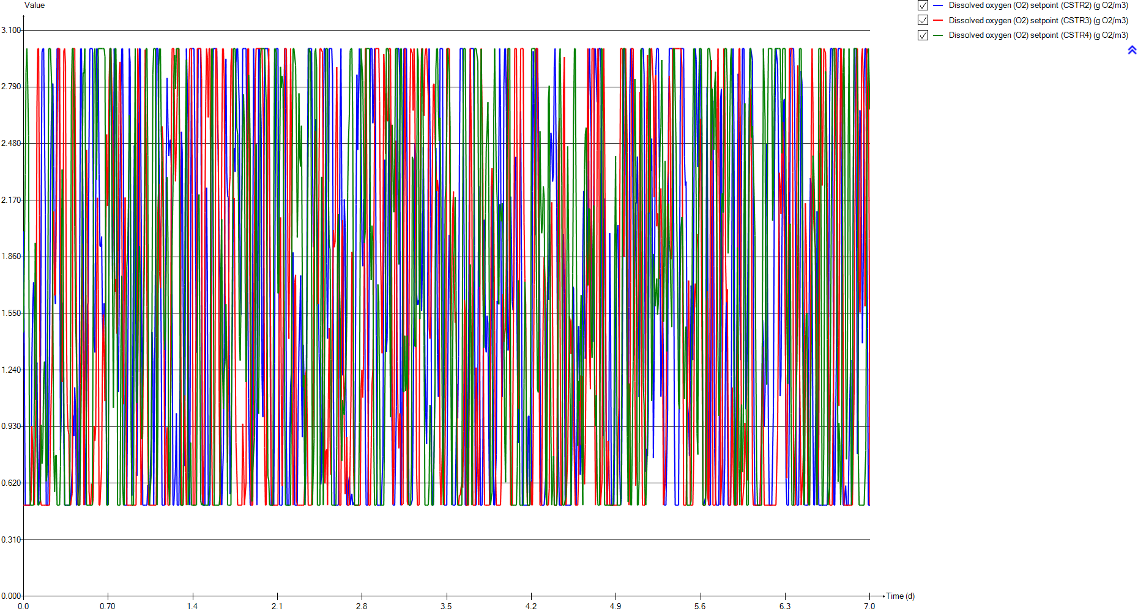
DO
Time | Dissolved oxygen (O2) setpoint (CSTR2) | Dissolved oxygen (O2) setpoint (CSTR3) | Dissolved oxygen (O2) setpoint (CSTR4)
d | g O2/m3 | g O2/m3 | g O2/m3
0 | 2.00004 | 0.5 | 1.44522
0.0069444444444 | 2.00004 | 0.5 | 1.44522
0.013888888889 | 0.5 | 0.5 | 2.31202
0.020833333333 | 0.5 | 0.5 | 2.86955
0.027777777778 | 0.5 | 0.5 | 3
0.034722222222 | 0.5 | 0.5 | 2.80213
0.041666666667 | 0.5 | 0.5 | 2.52384
0.048611111111 | 0.5 | 0.5 | 0.785607
0.055555555556 | 0.5 | 0.5 | 0.5
0.0625 | 0.640367 | 0.52759 | 0.5
0.069444444444 | 1.30164 | 0.932222 | 0.5
0.076388888889 | 1.58481 | 0.8046 | 0.5
0.083333333333 | 1.71942 | 0.602917 | 0.5
0.090277777778 | 1.40011 | 0.5 | 1.21843
0.097222222222 | 1.07634 | 0.5 | 1.93488
0.10416666667 | 1.11263 | 1.11276 | 1.54774
0.11111111111 | 1.2801 | 2.66998 | 0.834275
0.11805555556 | 0.767301 | 3 | 0.5
0.125 | 0.5 | 3 | 0.5
0.13194444444 | 0.5 | 2.08556 | 0.5
0.13888888889 | 0.981666 | 0.536804 | 0.523347
0.14583333333 | 2.0382 | 0.5 | 0.939636
0.15277777778 | 2.97971 | 0.5 | 0.727128
0.15972222222 | 3 | 0.5 | 0.806308
0.16666666667 | 3 | 0.5 | 1.20233
0.17361111111 | 3 | 0.5 | 1.28607
0.18055555556 | 2.09028 | 0.5 | 0.984483
0.1875 | 0.5 | 0.5 | 0.629435
0.19444444444 | 0.5 | 0.5 | 0.671157
0.20138888889 | 0.5 | 0.5 | 1.67571
0.20833333333 | 0.5 | 0.5 | 3
0.21527777778 | 1.37234 | 0.5 | 3
0.22222222222 | 2.20292 | 0.877802 | 3
0.22916666667 | 2.5724 | 1.10678 | 3
0.23611111111 | 2.80114 | 1.28251 | 2.73803
0.24305555556 | 2.80862 | 1.90811 | 1.48791
0.25 | 2.35354 | 2.10868 | 0.795481
0.25694444444 | 1.71058 | 1.6484 | 0.573159
0.26388888889 | 1.60115 | 1.65689 | 0.770298
0.27083333333 | 2.42225 | 2.04109 | 0.773507
0.27777777778 | 3 | 2.54417 | 0.5
0.28472222222 | 3 | 3 | 0.5
0.29166666667 | 3 | 3 | 0.5
0.29861111111 | 2.36325 | 3 | 0.5
0.30555555556 | 0.800727 | 1.87805 | 0.711073
0.3125 | 1.01437 | 1.26407 | 1.76124
0.31944444444 | 1.60841 | 1.17494 | 2.33737
0.32638888889 | 1.59104 | 1.76042 | 2.07217
0.33333333333 | 0.838075 | 2.98737 | 1.11172
...

SNH
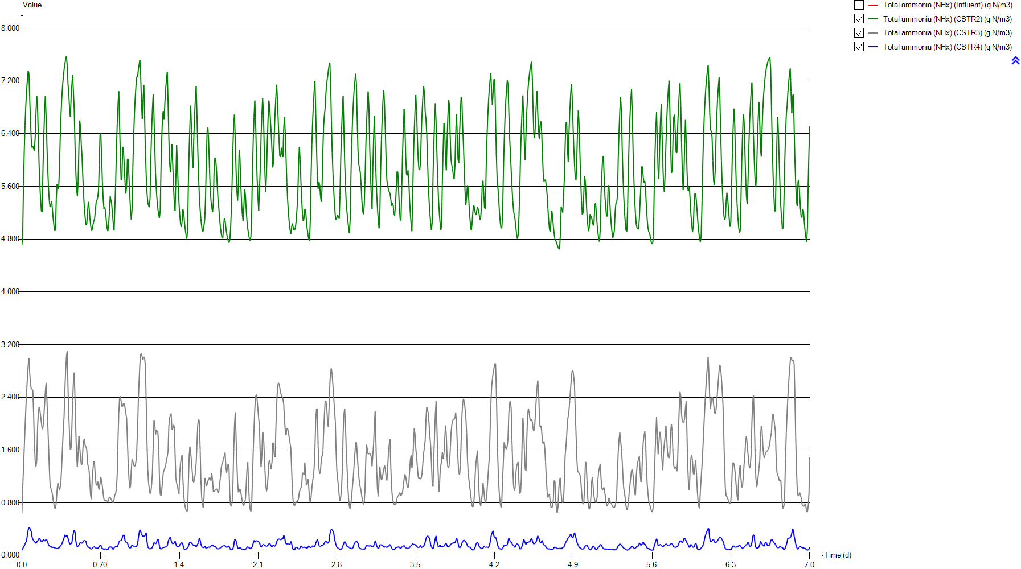
SNH
Time | Total ammonia (NHx) (Influent) | Total ammonia (NHx) (CSTR2) | Total ammonia (NHx) (CSTR3) | Total ammonia (NHx) (CSTR4)
d | g N/m3 | g N/m3 | g N/m3 | g N/m3
0 | 39.418604651 | 4.7098954173 | 0.64088286276 | 0.080084042973
0.0069444444444 | 39.418604651 | 4.8389958626 | 1.0072259665 | 0.10687532823
0.013888888889 | 39.418604651 | 5.5799640779 | 1.305332581 | 0.12252034775
0.020833333333 | 39.418604651 | 6.1241206745 | 1.6225033065 | 0.14440508712
0.027777777778 | 39.418604651 | 6.5254908195 | 1.9296286864 | 0.17007822005
0.034722222222 | 39.418604651 | 6.8240716958 | 2.2127547144 | 0.19789817222
0.041666666667 | 39.418604651 | 7.0479881828 | 2.4656282905 | 0.2263731034
0.048611111111 | 39.418604651 | 7.2178958137 | 2.6864536974 | 0.30309647371
0.055555555556 | 39.418604651 | 7.3498699494 | 2.8764354686 | 0.38451501518
0.0625 | 39.418604651 | 7.3227795008 | 2.9952332982 | 0.4222942353
0.069444444444 | 39.418604651 | 6.9543460509 | 2.7769187197 | 0.41621510422
0.076388888889 | 39.418604651 | 6.6033200681 | 2.6021551472 | 0.38524284473
0.083333333333 | 39.418604651 | 6.3151111313 | 2.532078346 | 0.36225845435
0.090277777778 | 39.418604651 | 6.1890841026 | 2.5213164451 | 0.27790748818
0.097222222222 | 39.418604651 | 6.2137701126 | 2.5028236969 | 0.24865431271
0.10416666667 | 39.418604651 | 6.2122796312 | 2.1630861479 | 0.22789627728
0.11111111111 | 39.418604651 | 6.1429940941 | 1.706372107 | 0.20801669956
0.11805555556 | 39.418604651 | 6.3395372819 | 1.4344351179 | 0.20045980121
0.125 | 39.418604651 | 6.7068514999 | 1.3477820169 | 0.18290043505
0.13194444444 | 39.418604651 | 6.9737519397 | 1.430418266 | 0.1850363826
0.13888888889 | 39.418604651 | 6.8152305734 | 1.9063263445 | 0.22349576366
0.14583333333 | 39.418604651 | 6.3814192811 | 2.1724385339 | 0.22882657436
0.15277777778 | 39.418604651 | 5.9418789855 | 2.2462913904 | 0.2595838103
0.15972222222 | 39.418604651 | 5.6213557683 | 2.2070076221 | 0.25522305738
0.16666666667 | 39.418604651 | 5.3888543445 | 2.1156428714 | 0.22506096895
0.17361111111 | 39.418604651 | 5.2193800905 | 2.0071629419 | 0.20933141453
0.18055555556 | 39.418604651 | 5.2099386291 | 1.9156850282 | 0.20894256154
0.1875 | 39.418604651 | 5.8699708025 | 1.9409401664 | 0.23098024954
0.19444444444 | 39.418604651 | 6.3539180134 | 2.0893066553 | 0.24151255722
0.20138888889 | 39.418604651 | 6.7095359058 | 2.2858140751 | 0.21948783563
0.20833333333 | 39.418604651 | 6.9713721018 | 2.491651865 | 0.22555710957
0.21527777778 | 39.418604651 | 6.6542945307 | 2.6188516302 | 0.24309223349
0.22222222222 | 39.418604651 | 6.2364963744 | 2.3733448631 | 0.23049101922
0.22916666667 | 39.418604651 | 5.8813325337 | 2.0359270929 | 0.19893473339
0.23611111111 | 39.418604651 | 5.5959347543 | 1.7005256212 | 0.16780182736
0.24305555556 | 39.418604651 | 5.3859096329 | 1.3429811988 | 0.14685413207
0.25 | 39.418604651 | 5.2865107271 | 1.0976371612 | 0.13915371737
0.25694444444 | 39.418604651 | 5.3275130861 | 1.0192132888 | 0.13967320412
0.26388888889 | 39.418604651 | 5.381333033 | 0.99050840627 | 0.12446281391
0.27083333333 | 39.418604651 | 5.2663959188 | 0.9303544269 | 0.11941337548
0.27777777778 | 39.418604651 | 5.1164003953 | 0.84533280543 | 0.12770687145
0.28472222222 | 39.418604651 | 5.0065927032 | 0.7683530684 | 0.12022400946
0.29166666667 | 39.418604651 | 4.9257906444 | 0.72357793417 | 0.11485390286
0.29861111111 | 39.418604651 | 4.9381594939 | 0.70388312673 | 0.11214046068
0.30555555556 | 39.418604651 | 5.4080170983 | 0.80775495423 | 0.10682008808
0.3125 | 39.418604651 | 5.6315900149 | 0.98573036643 | 0.10270552004
0.31944444444 | 39.418604651 | 5.5872146281 | 1.1001028217 | 0.1095590638
0.32638888889 | 39.418604651 | 5.5600038519 | 1.0586832644 | 0.11070073291
0.33333333333 | 39.418604651 | 5.8384521141 | 0.98553715756 | 0.11538835281
...

PE
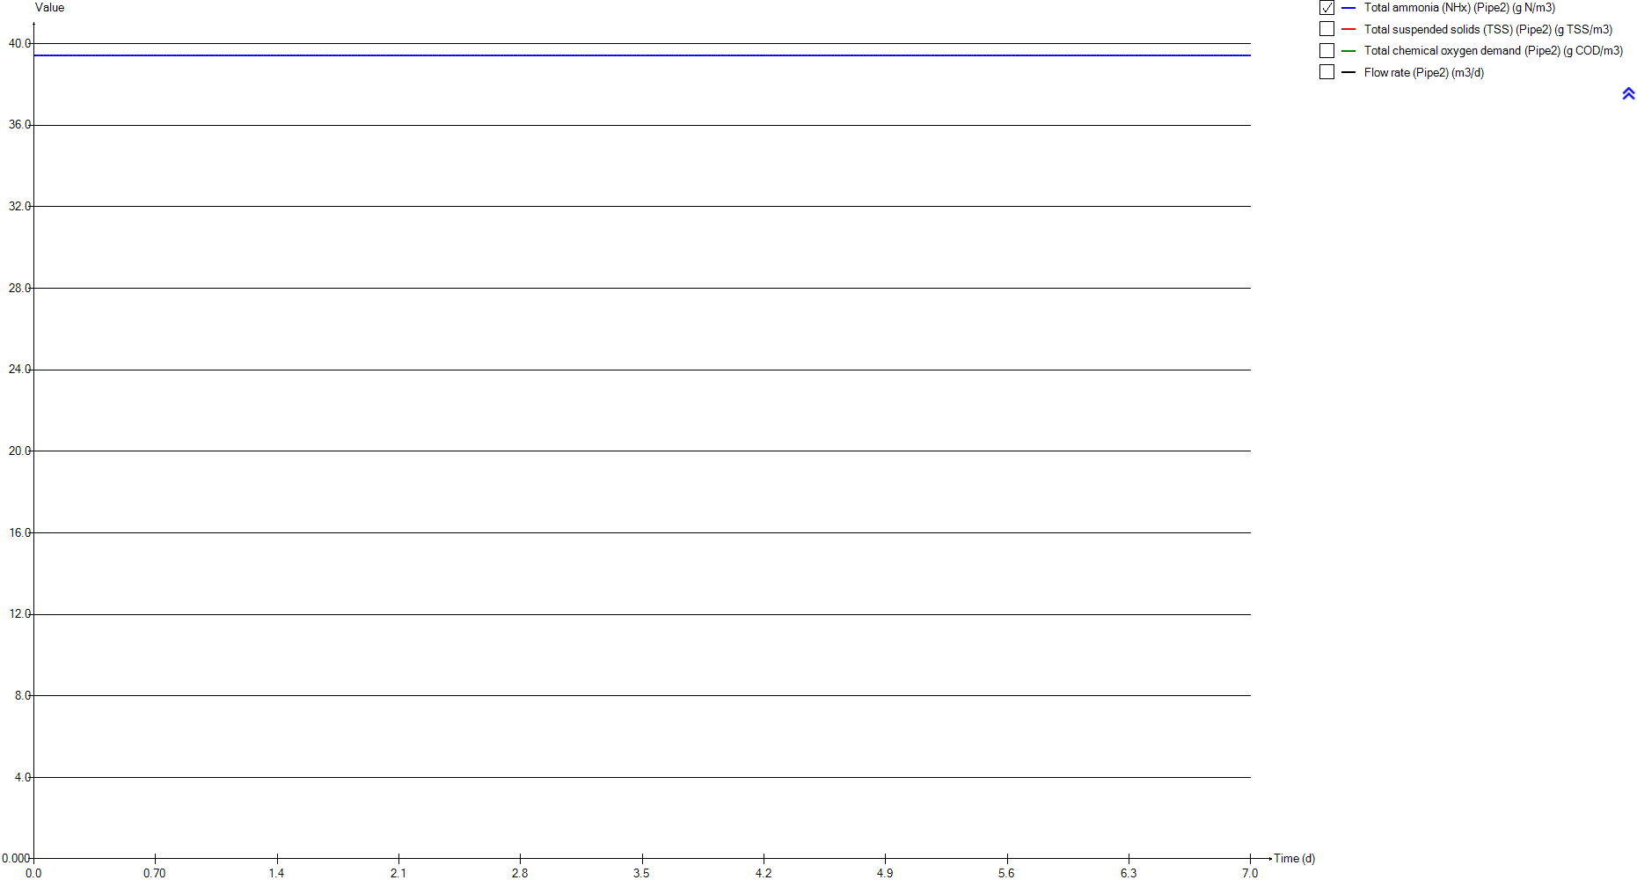
PE
Time | Total ammonia (NHx) (Pipe2) | Total suspended solids (TSS) (Pipe2) | Total chemical oxygen demand (Pipe2) | Flow rate (Pipe2)
d | g N/m3 | g TSS/m3 | g COD/m3 | m3/d
0 | 39.418604651 | 74.829325763 | 272.24487977 | 23473.058067
0.0069444444444 | 39.418604651 | 74.829325763 | 272.24487977 | 23473.058067
0.013888888889 | 39.418604651 | 74.829325763 | 272.24487977 | 23473.058067
0.020833333333 | 39.418604651 | 74.829325763 | 272.24487977 | 23473.058067
0.027777777778 | 39.418604651 | 74.829325763 | 272.24487977 | 23473.058067
0.034722222222 | 39.418604651 | 74.829325763 | 272.24487977 | 23473.058067
0.041666666667 | 39.418604651 | 74.829325763 | 272.24487977 | 23473.058067
0.048611111111 | 39.418604651 | 74.829325763 | 272.24487977 | 23473.058067
0.055555555556 | 39.418604651 | 74.829325763 | 272.24487977 | 23473.058067
0.0625 | 39.418604651 | 74.829325763 | 272.24487977 | 23473.058067
0.069444444444 | 39.418604651 | 74.829325763 | 272.24487977 | 23473.058067
0.076388888889 | 39.418604651 | 74.829325763 | 272.24487977 | 23473.058067
0.083333333333 | 39.418604651 | 74.829325763 | 272.24487977 | 23473.058067
0.090277777778 | 39.418604651 | 74.829325763 | 272.24487977 | 23473.058067
0.097222222222 | 39.418604651 | 74.829325763 | 272.24487977 | 23473.058067
0.10416666667 | 39.418604651 | 74.829325763 | 272.24487977 | 23473.058067
0.11111111111 | 39.418604651 | 74.829325763 | 272.24487977 | 23473.058067
0.11805555556 | 39.418604651 | 74.829325763 | 272.24487977 | 23473.058067
0.125 | 39.418604651 | 74.829325763 | 272.24487977 | 23473.058067
0.13194444444 | 39.418604651 | 74.829325763 | 272.24487977 | 23473.058067
0.13888888889 | 39.418604651 | 74.829325763 | 272.24487977 | 23473.058067
0.14583333333 | 39.418604651 | 74.829325763 | 272.24487977 | 23473.058067
0.15277777778 | 39.418604651 | 74.829325763 | 272.24487977 | 23473.058067
0.15972222222 | 39.418604651 | 74.829325763 | 272.24487977 | 23473.058067
0.16666666667 | 39.418604651 | 74.829325763 | 272.24487977 | 23473.058067
0.17361111111 | 39.418604651 | 74.829325763 | 272.24487977 | 23473.058067
0.18055555556 | 39.418604651 | 74.829325763 | 272.24487977 | 23473.058067
0.1875 | 39.418604651 | 74.829325763 | 272.24487977 | 23473.058067
0.19444444444 | 39.418604651 | 74.829325763 | 272.24487977 | 23473.058067
0.20138888889 | 39.418604651 | 74.829325763 | 272.24487977 | 23473.058067
0.20833333333 | 39.418604651 | 74.829325763 | 272.24487977 | 23473.058067
0.21527777778 | 39.418604651 | 74.829325763 | 272.24487977 | 23473.058067
0.22222222222 | 39.418604651 | 74.829325763 | 272.24487977 | 23473.058067
0.22916666667 | 39.418604651 | 74.829325763 | 272.24487977 | 23473.058067
0.23611111111 | 39.418604651 | 74.829325763 | 272.24487977 | 23473.058067
0.24305555556 | 39.418604651 | 74.829325763 | 272.24487977 | 23473.058067
0.25 | 39.418604651 | 74.829325763 | 272.24487977 | 23473.058067
0.25694444444 | 39.418604651 | 74.829325763 | 272.24487977 | 23473.058067
0.26388888889 | 39.418604651 | 74.829325763 | 272.24487977 | 23473.058067
0.27083333333 | 39.418604651 | 74.829325763 | 272.24487977 | 23473.058067
0.27777777778 | 39.418604651 | 74.829325763 | 272.24487977 | 23473.058067
0.28472222222 | 39.418604651 | 74.829325763 | 272.24487977 | 23473.058067
0.29166666667 | 39.418604651 | 74.829325763 | 272.24487977 | 23473.058067
0.29861111111 | 39.418604651 | 74.829325763 | 272.24487977 | 23473.058067
0.30555555556 | 39.418604651 | 74.829325763 | 272.24487977 | 23473.058067
0.3125 | 39.418604651 | 74.829325763 | 272.24487977 | 23473.058067
0.31944444444 | 39.418604651 | 74.829325763 | 272.24487977 | 23473.058067
0.32638888889 | 39.418604651 | 74.829325763 | 272.24487977 | 23473.058067
0.33333333333 | 39.418604651 | 74.829325763 | 272.24487977 | 23473.058067
...

Biomass
...
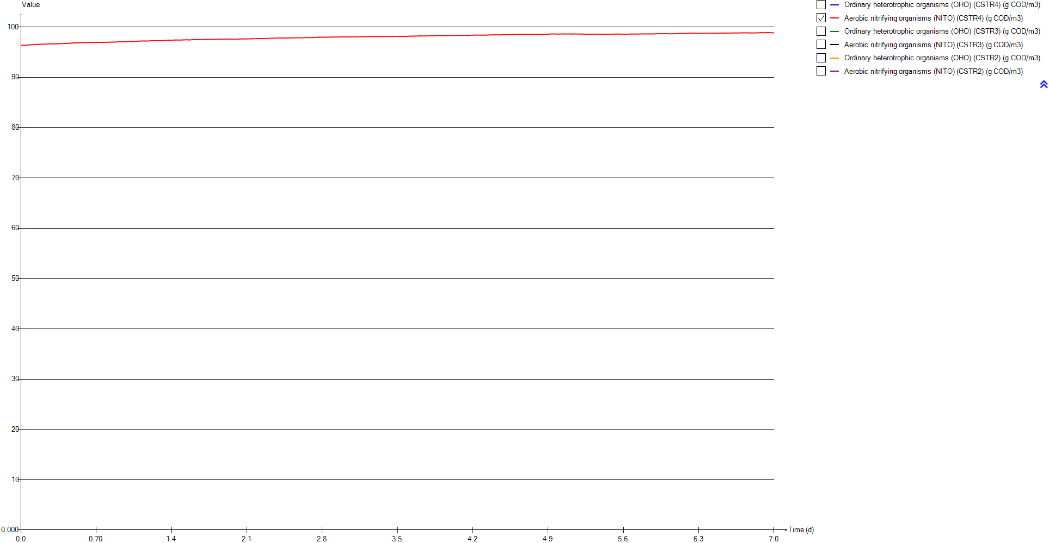
Aerobic nitrifying organisms (NITO) (CSTR4) | Ordinary heterotrophic organisms (OHO) (CSTR3) | Aerobic nitrifying organisms (NITO) (CSTR3) | Ordinary heterotrophic organisms (OHO) (CSTR2) | Aerobic nitrifying organisms (NITO) (CSTR2)
g COD/m3 | g COD/m3 | g COD/m3 | g COD/m3 | g COD/m3
96.350659058 | 996.26795861 | 96.528374891 | 994.99434196 | 95.872761227
96.351647458 | 996.17928524 | 96.464181476 | 994.9774097 | 95.845891492
96.355345891 | 996.07307386 | 96.413076093 | 994.83943118 | 95.69507084
96.359224376 | 995.96605937 | 96.356566432 | 994.71724411 | 95.584069131
96.364045991 | 995.86945227 | 96.300693943 | 994.63212147 | 95.502425951
96.369767294 | 995.78713825 | 96.248665113 | 994.57352812 | 95.442518848
96.376135134 | 995.71989693 | 96.202158817 | 994.53372711 | 95.398864647
96.380399511 | 995.66688695 | 96.16190619 | 994.5067968 | 95.3673793
96.386317687 | 995.6262341 | 96.127986435 | 994.48707202 | 95.344989394
96.397817478 | 995.60528809 | 96.108738629 | 994.50160597 | 95.356270187
96.414711777 | 995.65304173 | 96.157736189 | 994.58327405 | 95.43887965
96.433234571 | 995.71285921 | 96.199290516 | 994.66678093 | 95.519801366
96.447891882 | 995.75050351 | 96.221259416 | 994.73385178 | 95.589159155
96.465706351 | 995.76935215 | 96.232352051 | 994.77183272 | 95.625896911
96.470256495 | 995.78540441 | 96.245336414 | 994.78229462 | 95.631687769
96.476027928 | 995.8608734 | 96.321970343 | 994.79764686 | 95.642103637
96.485985726 | 995.97382524 | 96.421003684 | 994.83043307 | 95.665626809
96.497056479 | 996.06664888 | 96.481563059 | 994.81942067 | 95.634443515
96.507584604 | 996.12082729 | 96.504294952 | 994.75932154 | 95.568335014
96.513098492 | 996.13565916 | 96.493907277 | 994.71393183 | 95.521899161
96.512568573 | 996.07082858 | 96.408422804 | 994.7658807 | 95.561278933
96.515817169 | 996.02753753 | 96.365384158 | 994.87784006 | 95.65733639
96.519130137 | 996.02872921 | 96.360700967 | 994.9920516 | 95.754899394
96.529365772 | 996.0577908 | 96.378411183 | 995.08406761 | 95.828114295
96.540956021 | 996.10044557 | 96.406125447 | 995.15747245 | 95.883287459
96.549013135 | 996.14876552 | 96.436748058 | 995.21892433 | 95.925447725
96.556337615 | 996.19614665 | 96.463355905 | 995.25698128 | 95.934584931
96.563535604 | 996.21915186 | 96.465870158 | 995.16222848 | 95.807505979
96.571763813 | 996.21138957 | 96.443154702 | 995.07824465 | 95.715614185
96.578834557 | 996.1930991 | 96.410517093 | 995.02751641 | 95.64959264
96.579420971 | 996.17438698 | 96.375932417 | 995.00176126 | 95.60252741
96.580586844 | 996.1771253 | 96.357247374 | 995.09910569 | 95.673031837
96.588871126 | 996.26007966 | 96.413138316 | 995.22948128 | 95.764859631
96.599601373 | 996.37725276 | 96.487529666 | 995.34594709 | 95.844334176
96.608683015 | 996.49784758 | 96.561021704 | 995.44542902 | 95.909631306
96.617033187 | 996.62380695 | 96.637366148 | 995.52918986 | 95.959332487
96.625695714 | 996.73616948 | 96.68940506 | 995.59297752 | 95.98611456
96.633911166 | 996.81692709 | 96.707645792 | 995.630412 | 95.983964638
96.639407748 | 996.87915922 | 96.716144869 | 995.65884171 | 95.979079501
96.642085092 | 996.94181739 | 96.730802918 | 995.70952366 | 96.00855459
96.647255251 | 997.0090594 | 96.749889584 | 995.76736286 | 96.044959908
96.653706503 | 997.07520603 | 96.766724448 | 995.81807858 | 96.072942975
96.657976132 | 997.13358528 | 96.777083949 | 995.86174354 | 96.09479161
96.660808102 | 997.18307098 | 96.782725745 | 995.8905454 | 96.097239792
96.659711554 | 997.19957353 | 96.76603858 | 995.83865473 | 96.005896629
96.653188466 | 997.18389803 | 96.737527926 | 995.81816506 | 95.963761249
96.648238705 | 997.17268404 | 96.722438546 | 995.85350427 | 95.975465537
96.648695523 | 997.19542588 | 96.73660311 | 995.89576324 | 95.983062915
96.653696265 | 997.23519159 | 96.75450961 | 995.88400096 | 95.92792921
...

TSS
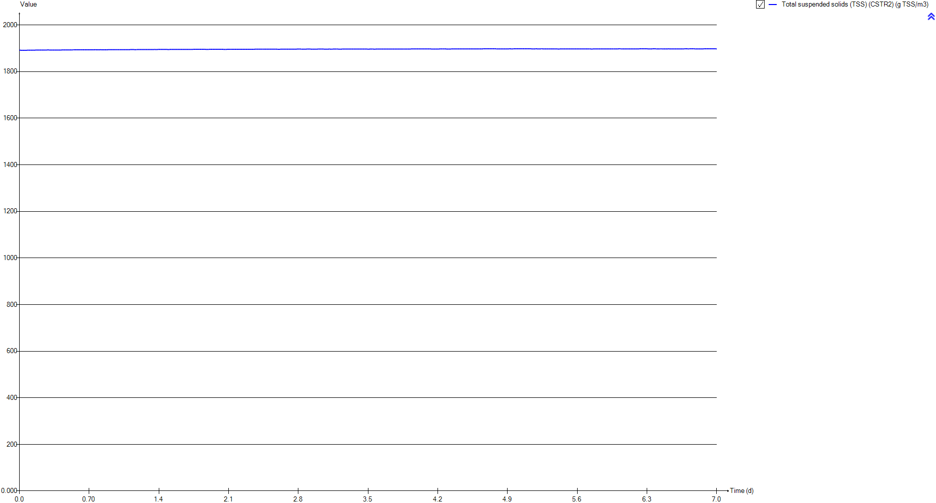
TSS
Time | Total suspended solids (TSS) (CSTR2)
d | g TSS/m3
0 | 1891.7682913
0.0069444444444 | 1891.7476214
0.013888888889 | 1891.6421673
0.020833333333 | 1891.5457107
0.027777777778 | 1891.4788777
0.034722222222 | 1891.4353075
0.041666666667 | 1891.4100072
0.048611111111 | 1891.3991804
0.055555555556 | 1891.4001145
0.0625 | 1891.4264648
0.069444444444 | 1891.511584
0.076388888889 | 1891.6101887
0.083333333333 | 1891.7010896
0.090277777778 | 1891.7660888
0.097222222222 | 1891.8030494
0.10416666667 | 1891.8368608
0.11111111111 | 1891.8788503
0.11805555556 | 1891.8832252
0.125 | 1891.8574433
0.13194444444 | 1891.8356452
0.13888888889 | 1891.8712747
0.14583333333 | 1891.9651836
0.15277777778 | 1892.0687382
0.15972222222 | 1892.154243
0.16666666667 | 1892.2238228
0.17361111111 | 1892.2816951
0.18055555556 | 1892.3127911
0.1875 | 1892.2473139
0.19444444444 | 1892.1836911
0.20138888889 | 1892.1434325
0.20833333333 | 1892.1199795
0.21527777778 | 1892.1771262
0.22222222222 | 1892.2726457
0.22916666667 | 1892.3618165
0.23611111111 | 1892.4385322
0.24305555556 | 1892.5009873
0.25 | 1892.5431266
0.25694444444 | 1892.5598078
0.26388888889 | 1892.5700267
0.27083333333 | 1892.604432
0.27777777778 | 1892.6470732
0.28472222222 | 1892.6833518
0.29166666667 | 1892.7136108
0.29861111111 | 1892.7278012
0.30555555556 | 1892.6713977
0.3125 | 1892.6349474
0.31944444444 | 1892.6432799
0.32638888889 | 1892.6550056
0.33333333333 | 1892.6212498
...

Influent
...
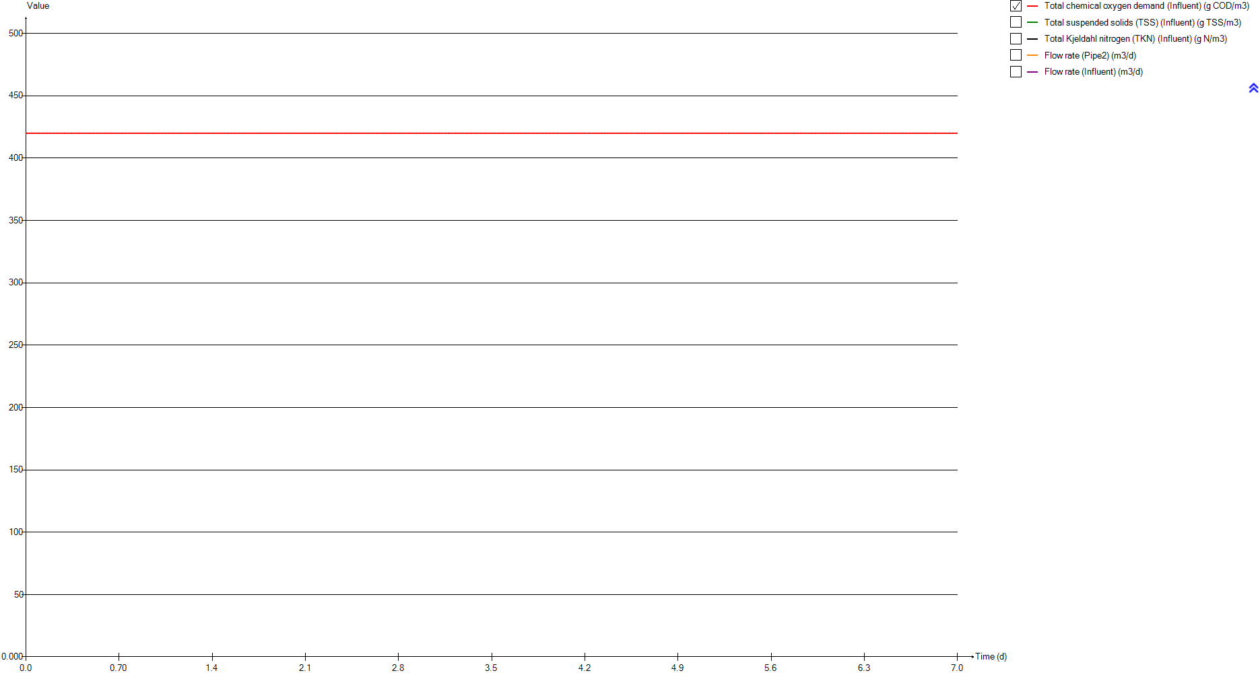
Total chemical oxygen demand (Influent) | Total suspended solids (TSS) (Influent) | Total Kjeldahl nitrogen (TKN) (Influent) | Flow rate (Pipe2) | Flow rate (Influent)
g COD/m3 | g TSS/m3 | g N/m3 | m3/d | m3/d
420 | 182.96594883 | 56.5 | 23473.058067 | 24000
420 | 182.96594883 | 56.5 | 23473.058067 | 24000
420 | 182.96594883 | 56.5 | 23473.058067 | 24000
420 | 182.96594883 | 56.5 | 23473.058067 | 24000
420 | 182.96594883 | 56.5 | 23473.058067 | 24000
420 | 182.96594883 | 56.5 | 23473.058067 | 24000
420 | 182.96594883 | 56.5 | 23473.058067 | 24000
420 | 182.96594883 | 56.5 | 23473.058067 | 24000
420 | 182.96594883 | 56.5 | 23473.058067 | 24000
420 | 182.96594883 | 56.5 | 23473.058067 | 24000
420 | 182.96594883 | 56.5 | 23473.058067 | 24000
420 | 182.96594883 | 56.5 | 23473.058067 | 24000
420 | 182.96594883 | 56.5 | 23473.058067 | 24000
420 | 182.96594883 | 56.5 | 23473.058067 | 24000
420 | 182.96594883 | 56.5 | 23473.058067 | 24000
420 | 182.96594883 | 56.5 | 23473.058067 | 24000
420 | 182.96594883 | 56.5 | 23473.058067 | 24000
420 | 182.96594883 | 56.5 | 23473.058067 | 24000
420 | 182.96594883 | 56.5 | 23473.058067 | 24000
420 | 182.96594883 | 56.5 | 23473.058067 | 24000
420 | 182.96594883 | 56.5 | 23473.058067 | 24000
420 | 182.96594883 | 56.5 | 23473.058067 | 24000
420 | 182.96594883 | 56.5 | 23473.058067 | 24000
420 | 182.96594883 | 56.5 | 23473.058067 | 24000
420 | 182.96594883 | 56.5 | 23473.058067 | 24000
420 | 182.96594883 | 56.5 | 23473.058067 | 24000
420 | 182.96594883 | 56.5 | 23473.058067 | 24000
420 | 182.96594883 | 56.5 | 23473.058067 | 24000
420 | 182.96594883 | 56.5 | 23473.058067 | 24000
420 | 182.96594883 | 56.5 | 23473.058067 | 24000
420 | 182.96594883 | 56.5 | 23473.058067 | 24000
420 | 182.96594883 | 56.5 | 23473.058067 | 24000
420 | 182.96594883 | 56.5 | 23473.058067 | 24000
420 | 182.96594883 | 56.5 | 23473.058067 | 24000
420 | 182.96594883 | 56.5 | 23473.058067 | 24000
420 | 182.96594883 | 56.5 | 23473.058067 | 24000
420 | 182.96594883 | 56.5 | 23473.058067 | 24000
420 | 182.96594883 | 56.5 | 23473.058067 | 24000
420 | 182.96594883 | 56.5 | 23473.058067 | 24000
420 | 182.96594883 | 56.5 | 23473.058067 | 24000
420 | 182.96594883 | 56.5 | 23473.058067 | 24000
420 | 182.96594883 | 56.5 | 23473.058067 | 24000
420 | 182.96594883 | 56.5 | 23473.058067 | 24000
420 | 182.96594883 | 56.5 | 23473.058067 | 24000
420 | 182.96594883 | 56.5 | 23473.058067 | 24000
420 | 182.96594883 | 56.5 | 23473.058067 | 24000
420 | 182.96594883 | 56.5 | 23473.058067 | 24000
420 | 182.96594883 | 56.5 | 23473.058067 | 24000
420 | 182.96594883 | 56.5 | 23473.058067 | 24000
...

Timechart
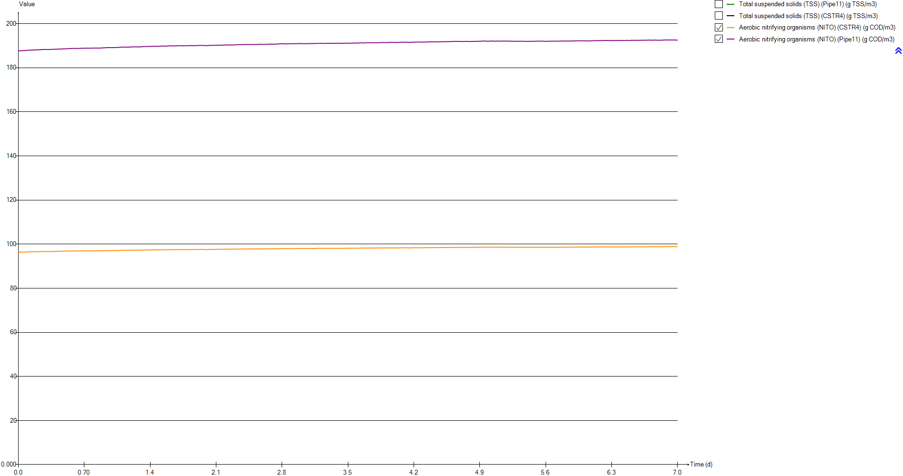
Timechart
Time | Total suspended solids (TSS) (Pipe11) | Total suspended solids (TSS) (CSTR4) | Aerobic nitrifying organisms (NITO) (CSTR4) | Aerobic nitrifying organisms (NITO) (Pipe11)
d | g TSS/m3 | g TSS/m3 | g COD/m3 | g COD/m3
0 | 3670.6821209 | 1884.3468962 | 96.350659058 | 187.68977318
0.0069444444444 | 3670.7497948 | 1884.3815466 | 96.351647458 | 187.69170754
0.013888888889 | 3670.8113106 | 1884.413044 | 96.355345891 | 187.69892018
0.020833333333 | 3670.8879103 | 1884.4522647 | 96.359224376 | 187.70648556
0.027777777778 | 3670.9721725 | 1884.4954087 | 96.364045991 | 187.71588916
0.034722222222 | 3671.0577941 | 1884.5392488 | 96.369767294 | 187.72704552
0.041666666667 | 3671.1406585 | 1884.5816771 | 96.376135134 | 187.73946096
0.048611111111 | 3671.2607052 | 1884.6431436 | 96.380399511 | 187.74778381
0.055555555556 | 3671.3781502 | 1884.7032779 | 96.386317687 | 187.75932789
0.0625 | 3671.4723395 | 1884.7515048 | 96.397817478 | 187.78174181
0.069444444444 | 3671.5623845 | 1884.7976098 | 96.414711777 | 187.81466362
0.076388888889 | 3671.6460638 | 1884.8404554 | 96.433234571 | 187.85075688
0.083333333333 | 3671.7177032 | 1884.8771363 | 96.447891882 | 187.87931863
0.090277777778 | 3671.7344689 | 1884.8857206 | 96.465706351 | 187.91402322
0.097222222222 | 3671.7498713 | 1884.893607 | 96.470256495 | 187.92288888
0.10416666667 | 3671.7857896 | 1884.911998 | 96.476027928 | 187.93413633
0.11111111111 | 3671.8478216 | 1884.9437596 | 96.485985726 | 187.95354222
0.11805555556 | 3671.9251782 | 1884.9833678 | 96.497056479 | 187.97511816
0.125 | 3671.9711259 | 1885.006894 | 96.507584604 | 187.99563291
0.13194444444 | 3672.0103387 | 1885.0269719 | 96.513098492 | 188.0063791
0.13888888889 | 3672.0535998 | 1885.0491225 | 96.512568573 | 188.00535256
0.14583333333 | 3672.0754809 | 1885.060326 | 96.515817169 | 188.01168369
0.15277777778 | 3672.145722 | 1885.096291 | 96.519130137 | 188.01814662
0.15972222222 | 3672.210058 | 1885.1292324 | 96.529365772 | 188.03809405
0.16666666667 | 3672.253658 | 1885.1515565 | 96.540956021 | 188.0606775
0.17361111111 | 3672.2977526 | 1885.1741338 | 96.549013135 | 188.07637851
0.18055555556 | 3672.3544635 | 1885.203171 | 96.556337615 | 188.09065403
0.1875 | 3672.4337149 | 1885.2437494 | 96.563535604 | 188.10468614
0.19444444444 | 3672.4930137 | 1885.2741117 | 96.571763813 | 188.12072246
0.20138888889 | 3672.505813 | 1885.2806652 | 96.578834557 | 188.13449789
0.20833333333 | 3672.5284541 | 1885.2922579 | 96.579420971 | 188.13564322
0.21527777778 | 3672.5692717 | 1885.3131574 | 96.580586844 | 188.13791974
0.22222222222 | 3672.6188357 | 1885.3385352 | 96.588871126 | 188.154064
0.22916666667 | 3672.6621399 | 1885.3607079 | 96.599601373 | 188.17497215
0.23611111111 | 3672.6911398 | 1885.3755564 | 96.608683015 | 188.19266693
0.24305555556 | 3672.7224898 | 1885.3916083 | 96.617033187 | 188.20893714
0.25 | 3672.7665301 | 1885.4141579 | 96.625695714 | 188.22581749
0.25694444444 | 3672.8131484 | 1885.4380274 | 96.633911166 | 188.24182728
0.26388888889 | 3672.8101226 | 1885.4364782 | 96.639407748 | 188.25253416
0.27083333333 | 3672.8164073 | 1885.4396961 | 96.642085092 | 188.25775044
0.27777777778 | 3672.8716178 | 1885.467965 | 96.647255251 | 188.26782917
0.28472222222 | 3672.9009048 | 1885.4829605 | 96.653706503 | 188.28040003
0.29166666667 | 3672.9198572 | 1885.4926646 | 96.657976132 | 188.28871974
0.29861111111 | 3672.9345869 | 1885.5002065 | 96.660808102 | 188.29423834
0.30555555556 | 3672.910341 | 1885.4877921 | 96.659711554 | 188.29209906
0.3125 | 3672.8557109 | 1885.4598204 | 96.653188466 | 188.2793849
0.31944444444 | 3672.849518 | 1885.4566494 | 96.648238705 | 188.269742
0.32638888889 | 3672.8687577 | 1885.4665006 | 96.648695523 | 188.27063443
0.33333333333 | 3672.9183279 | 1885.4918816 | 96.653696265 | 188.2803824
...

OUR
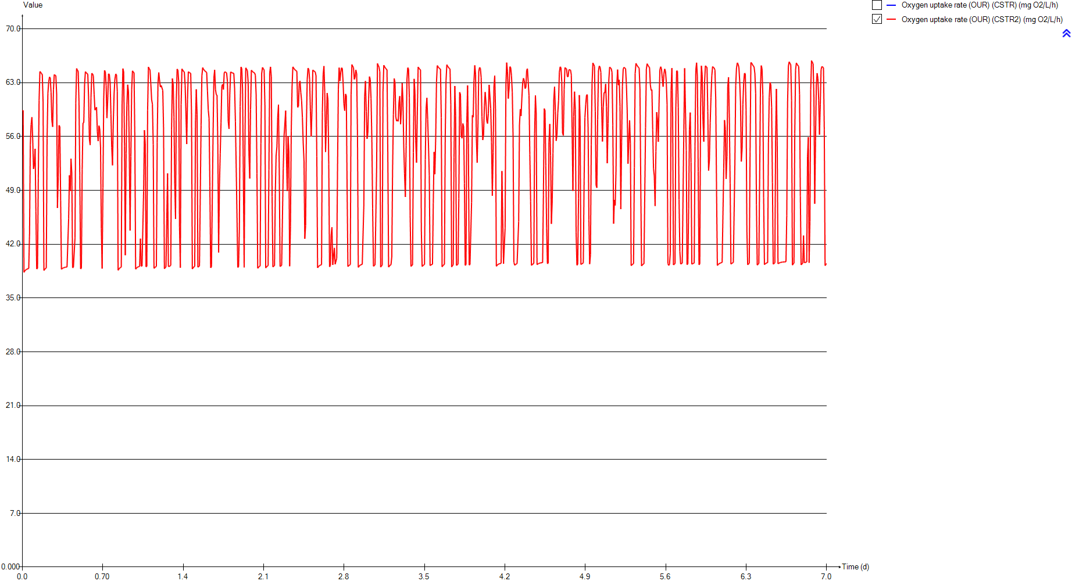
OUR
Time | Oxygen uptake rate (OUR) (CSTR) | Oxygen uptake rate (OUR) (CSTR2)
d | mg O2/L/h | mg O2/L/h
0 | 0 | 59.357426413
0.0069444444444 | 0 | 59.389803353
0.013888888889 | 0 | 38.331660019
0.020833333333 | 0 | 38.514171113
0.027777777778 | 0 | 38.630930689
0.034722222222 | 0 | 38.709621368
0.041666666667 | 0 | 38.765562727
0.048611111111 | 0 | 38.806876358
0.055555555556 | 0 | 38.840086385
0.0625 | 0 | 43.295728365
0.069444444444 | 0 | 54.904586614
0.076388888889 | 0 | 57.554496548
0.083333333333 | 0 | 58.515180359
0.090277777778 | 0 | 55.697793201
0.097222222222 | 0 | 51.787432503
0.10416666667 | 0 | 52.314990533
0.11111111111 | 0 | 54.415480635
0.11805555556 | 0 | 46.267037731
0.125 | 0 | 38.77746377
0.13194444444 | 0 | 38.848174788
0.13888888889 | 0 | 50.582903523
0.14583333333 | 0 | 60.724935142
0.15277777778 | 0 | 64.4665588
0.15972222222 | 0 | 64.339718793
0.16666666667 | 0 | 64.189676245
0.17361111111 | 0 | 64.072845972
0.18055555556 | 0 | 60.377735373
0.1875 | 0 | 38.578661215
0.19444444444 | 0 | 38.730035654
0.20138888889 | 0 | 38.830401918
0.20833333333 | 0 | 38.898045602
0.21527777778 | 0 | 55.733800348
0.22222222222 | 0 | 61.612073368
0.22916666667 | 0 | 63.078234103
0.23611111111 | 0 | 63.744939473
0.24305555556 | 0 | 63.631719898
0.25 | 0 | 61.783761759
0.25694444444 | 0 | 58.077102288
0.26388888889 | 0 | 57.253905378
0.27083333333 | 0 | 62.078546583
0.27777777778 | 0 | 64.053799769
0.28472222222 | 0 | 63.968452283
0.29166666667 | 0 | 63.90378149
0.29861111111 | 0 | 61.580012178
0.30555555556 | 0 | 46.710882655
0.3125 | 0 | 50.719544698
0.31944444444 | 0 | 57.449146829
0.32638888889 | 0 | 57.287373901
0.33333333333 | 0 | 47.671661258
...

Temp

Temp
Time | Temperature (Influent)
d | Â°C
0 | 20
0.0069444444444 | 20
0.013888888889 | 20
0.020833333333 | 20
0.027777777778 | 20
0.034722222222 | 20
0.041666666667 | 20
0.048611111111 | 20
0.055555555556 | 20
0.0625 | 20
0.069444444444 | 20
0.076388888889 | 20
0.083333333333 | 20
0.090277777778 | 20
0.097222222222 | 20
0.10416666667 | 20
0.11111111111 | 20
0.11805555556 | 20
0.125 | 20
0.13194444444 | 20
0.13888888889 | 20
0.14583333333 | 20
0.15277777778 | 20
0.15972222222 | 20
0.16666666667 | 20
0.17361111111 | 20
0.18055555556 | 20
0.1875 | 20
0.19444444444 | 20
0.20138888889 | 20
0.20833333333 | 20
0.21527777778 | 20
0.22222222222 | 20
0.22916666667 | 20
0.23611111111 | 20
0.24305555556 | 20
0.25 | 20
0.25694444444 | 20
0.26388888889 | 20
0.27083333333 | 20
0.27777777778 | 20
0.28472222222 | 20
0.29166666667 | 20
0.29861111111 | 20
0.30555555556 | 20
0.3125 | 20
0.31944444444 | 20
0.32638888889 | 20
0.33333333333 | 20
...

Primary

Unit overview

Name: | Primary
Sumo name: | Primary1
Category: | Separators
Unit: | Primary
Type: | Volumeless primary with specified primary sludge concentration

Settings

 | Process settings
Symbol | Name | Value | Unit | Comment
fXTSS,sludge | Solids percent removal | 60 | %
XTSS,sludge,target | Sludge solids concentration | 5000 | g/m3
...

CSTR
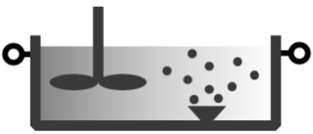
Unit overview

Name: | CSTR
Sumo name: | CSTR1
Category: | Bioreactors
Unit: | CSTR
Type: | CSTR with diffused aeration and input DO

Settings

 | Reactor settings
Symbol | Name | Value | Unit | Comment
L.Vtrain | Volume per train | 2000 | m3
Ntrain | Number of trains | 1
...

CSTR2
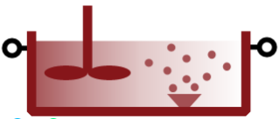
Unit overview

Name: | CSTR2
Sumo name: | CSTR2
Category: | Bioreactors
Unit: | CSTR
Type: | CSTR with diffused aeration and input DO

Settings

 | Reactor settings
Symbol | Name | Value | Unit | Comment
L.Vtrain | Volume per train | 2000 | m3
Ntrain | Number of trains | 1
...

Clarifier

...

