SRT
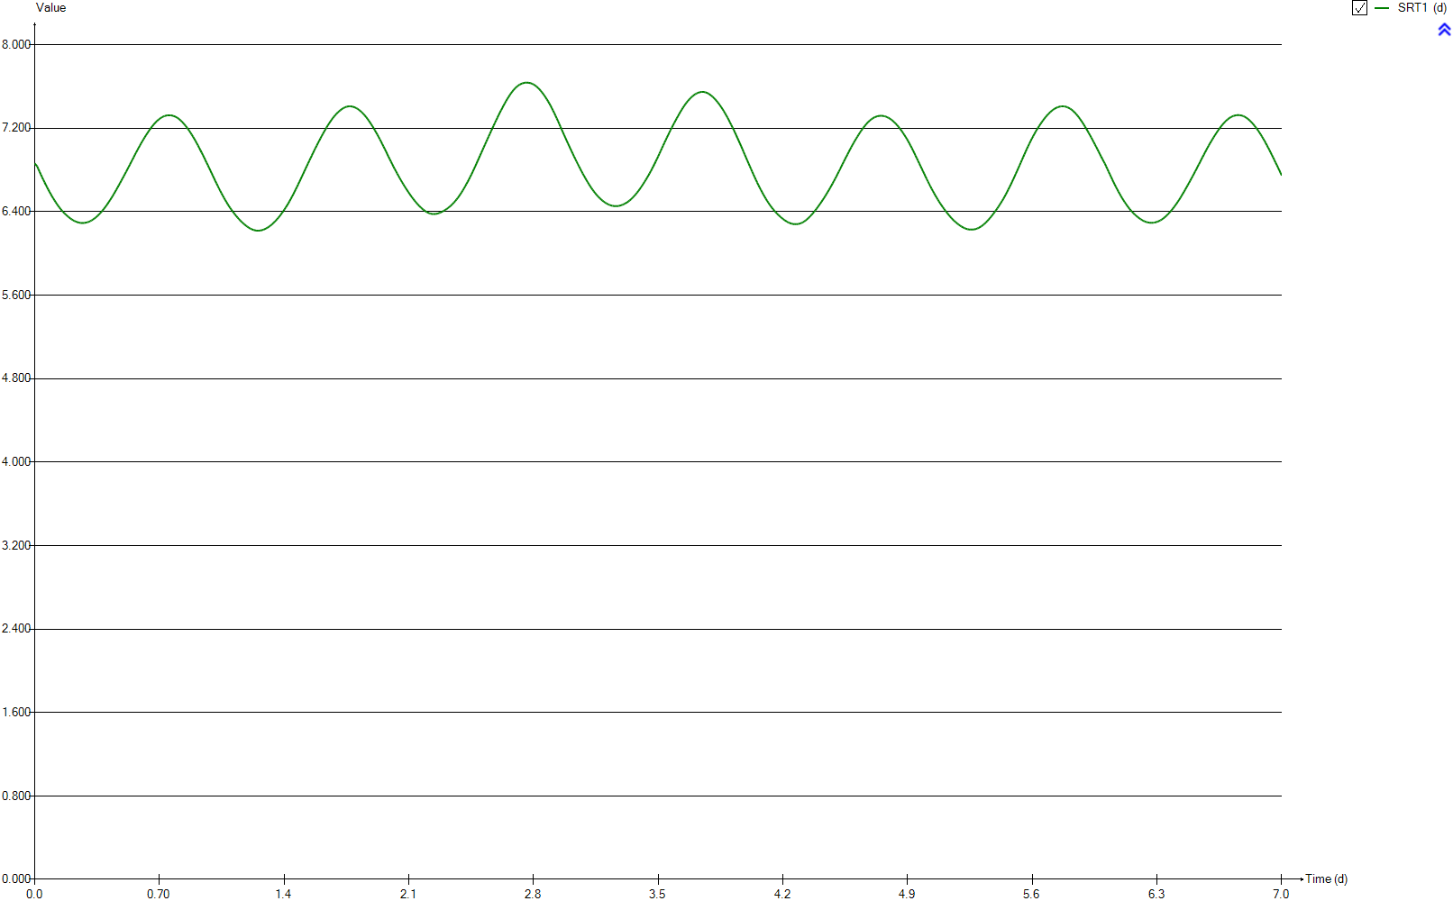
SRT
Time | SRT1
d | d
0 | 6.8628213507
0.0069444444444 | 6.8626928257
0.013888888889 | 6.8358005865
0.020833333333 | 6.8091789304
0.027777777778 | 6.7828965744
0.034722222222 | 6.7570201768
0.041666666667 | 6.7315957634
0.048611111111 | 6.7066364613
0.055555555556 | 6.6822216737
0.0625 | 6.658409595
0.069444444444 | 6.63524694
0.076388888889 | 6.6127205294
0.083333333333 | 6.5907868441
0.090277777778 | 6.5694900513
0.097222222222 | 6.5488420441
0.10416666667 | 6.5289234135
0.11111111111 | 6.5097490239
0.11805555556 | 6.491255385
0.125 | 6.4735174785
0.13194444444 | 6.4565743516
0.13888888889 | 6.4404956668
0.14583333333 | 6.4253848166
0.15277777778 | 6.4111671712
0.15972222222 | 6.3978857122
0.16666666667 | 6.3855662387
0.17361111111 | 6.3741667269
0.18055555556 | 6.3635116267
0.1875 | 6.3531249574
0.19444444444 | 6.343414772
0.20138888889 | 6.3344434488
0.20833333333 | 6.3262079742
0.21527777778 | 6.3188233098
0.22222222222 | 6.31228968
0.22916666667 | 6.3065828861
0.23611111111 | 6.3017702635
0.24305555556 | 6.2978701728
0.25 | 6.2948876044
0.25694444444 | 6.2928201771
0.26388888889 | 6.2917444245
0.27083333333 | 6.2915929241
0.27777777778 | 6.2922995447
0.28472222222 | 6.29397186
0.29166666667 | 6.2965699191
0.29861111111 | 6.3001089579
0.30555555556 | 6.3045865981
0.3125 | 6.3100578731
0.31944444444 | 6.3164435626
0.32638888889 | 6.3237541517
0.33333333333 | 6.3319227352
0.34027777778 | 6.3409272492
0.34722222222 | 6.3508948087
0.35416666667 | 6.3617388176
0.36111111111 | 6.3733874923
0.36805555556 | 6.3858198332
0.375 | 6.3990346159
0.38194444444 | 6.412989751
0.38888888889 | 6.4276920461
0.39583333333 | 6.4431047176
0.40277777778 | 6.4592105458
0.40972222222 | 6.4760523265
0.41666666667 | 6.493527185
0.42361111111 | 6.5116405482
0.43055555556 | 6.5303412355
0.4375 | 6.5495400928
0.44444444444 | 6.569239712
0.45138888889 | 6.5893749841
0.45833333333 | 6.60998609
0.46527777778 | 6.6310218016
0.47222222222 | 6.6523680381
0.47916666667 | 6.6739398093
0.48611111111 | 6.6957130039
0.49305555556 | 6.717619024
0.5 | 6.7395422113
0.50694444444 | 6.7615252929
0.51388888889 | 6.7837287346
0.52083333333 | 6.8061616384
0.52777777778 | 6.8289087413
0.53472222222 | 6.8518994543
0.54166666667 | 6.8750566754
0.54861111111 | 6.8982456349
0.55555555556 | 6.9213865338
0.5625 | 6.9443690449
0.56944444444 | 6.9670794816
0.57638888889 | 6.9895056674
0.58333333333 | 7.0114361811
0.59027777778 | 7.0328406018
0.59722222222 | 7.0537696976
0.60416666667 | 7.07421121
0.61111111111 | 7.0941655516
0.61805555556 | 7.1136100659
0.625 | 7.1324468406
0.63194444444 | 7.1506713293
0.63888888889 | 7.168300971
0.64583333333 | 7.1853575599
0.65277777778 | 7.2017548818
0.65972222222 | 7.2174294198
0.66666666667 | 7.2322466596
0.67361111111 | 7.2460947984
0.68055555556 | 7.2588286027
0.6875 | 7.2703103639
0.69444444444 | 7.2807415422
0.70138888889 | 7.2901335483
0.70833333333 | 7.2986395569
0.71527777778 | 7.3059316269
0.72222222222 | 7.3120242647
0.72916666667 | 7.3169362582
0.73611111111 | 7.3206054295
0.74305555556 | 7.3230878681
0.75 | 7.324525256
0.75694444444 | 7.3249082868
0.76388888889 | 7.3241886116
0.77083333333 | 7.3223188625
0.77777777778 | 7.3190260917
0.78472222222 | 7.3146162594
0.79166666667 | 7.3090749304
0.79861111111 | 7.3023636728
0.80555555556 | 7.2945914603
0.8125 | 7.2855621717
0.81944444444 | 7.2751415452
0.82638888889 | 7.2635772904
0.83333333333 | 7.250913889
0.84027777778 | 7.2373382958
0.84722222222 | 7.2230186797
0.85416666667 | 7.2077512473
0.86111111111 | 7.1915880499
0.86805555556 | 7.1747020396
0.875 | 7.1570297874
0.88194444444 | 7.138561829
0.88888888889 | 7.1192528751
0.89583333333 | 7.0990919923
0.90277777778 | 7.0783344358
0.90972222222 | 7.0569648046
0.91666666667 | 7.0351207998
0.92361111111 | 7.0126883981
0.93055555556 | 6.989684027
0.9375 | 6.9662116115
0.94444444444 | 6.9425371339
0.95138888889 | 6.9186957357
0.95833333333 | 6.8945897833
0.96527777778 | 6.8702238218
0.97222222222 | 6.8455474034
0.97916666667 | 6.8206041126
0.98611111111 | 6.7954914613
0.99305555556 | 6.7703400226
1 | 6.7452234536
1.0069444444 | 6.7202800119
1.0138888889 | 6.6955855705
1.0208333333 | 6.6711934373
1.0277777778 | 6.6471404368
1.0347222222 | 6.623358408
1.0416666667 | 6.6000181665
1.0486111111 | 6.577249717
1.0555555556 | 6.5551322869
1.0625 | 6.5337421559
1.0694444444 | 6.5130249507
1.0763888889 | 6.4929253616
1.0833333333 | 6.4735298625
1.0902777778 | 6.4549579834
1.0972222222 | 6.437083095
1.1041666667 | 6.4198283002
1.1111111111 | 6.4034440088
1.1180555556 | 6.3878083409
1.125 | 6.3727250788
1.1319444444 | 6.3582238147
1.1388888889 | 6.3443121032
1.1458333333 | 6.3309903428
1.1527777778 | 6.3183279601
1.1597222222 | 6.3062946204
1.1666666667 | 6.2948693532
1.1736111111 | 6.2841209896
1.1805555556 | 6.2740621026
1.1875 | 6.2646852178
1.1944444444 | 6.2559291289
1.2013888889 | 6.2478073382
1.2083333333 | 6.2405614577
1.2152777778 | 6.2342578283
1.2222222222 | 6.2290445219
1.2291666667 | 6.2248322778
1.2361111111 | 6.2215494526
1.2430555556 | 6.2192961568
1.25 | 6.2180876859
1.2569444444 | 6.2179632106
1.2638888889 | 6.218956985
1.2708333333 | 6.2209538586
1.2777777778 | 6.2239810065
1.2847222222 | 6.2279888359
1.2916666667 | 6.2329165945
1.2986111111 | 6.2387260335
1.3055555556 | 6.2454316404
1.3125 | 6.252960867
1.3194444444 | 6.2613075637
1.3263888889 | 6.2704870368
1.3333333333 | 6.2805347909
1.3402777778 | 6.2914642517
1.3472222222 | 6.3031655628
1.3541666667 | 6.3155790745
1.3611111111 | 6.3286431331
1.3680555556 | 6.3423795408
1.375 | 6.3568857615
1.3819444444 | 6.3722913332
1.3888888889 | 6.3884424798
1.3958333333 | 6.4053107497
1.4027777778 | 6.4228224474
1.4097222222 | 6.4410142966
1.4166666667 | 6.4599504151
1.4236111111 | 6.4796224312
1.4305555556 | 6.5001214542
1.4375 | 6.5214816053
1.4444444444 | 6.5435807285
1.4513888889 | 6.5662815964
1.4583333333 | 6.589521259
1.4652777778 | 6.6132021123
1.4722222222 | 6.6373315152
1.4791666667 | 6.6617157621
1.4861111111 | 6.6863621221
1.4930555556 | 6.7112628977
1.5 | 6.7363691212
1.5069444444 | 6.7616955036
1.5138888889 | 6.78709025
1.5208333333 | 6.8124561158
1.5277777778 | 6.8376755275
1.5347222222 | 6.8628178979
1.5416666667 | 6.8878794251
1.5486111111 | 6.9128131753
1.5555555556 | 6.9375450876
1.5625 | 6.9620175739
1.5694444444 | 6.9861593734
1.5763888889 | 7.009903758
1.5833333333 | 7.0333973263
1.5902777778 | 7.0566318406
1.5972222222 | 7.0796155093
1.6041666667 | 7.1022946538
1.6111111111 | 7.1245474054
1.6180555556 | 7.1462646194
1.625 | 7.1674204662
1.6319444444 | 7.1881183929
1.6388888889 | 7.2081272379
1.6458333333 | 7.2274137897
1.6527777778 | 7.2459503646
1.6597222222 | 7.2637587898
1.6666666667 | 7.2807076486
1.6736111111 | 7.2967551372
1.6805555556 | 7.3117998864
1.6875 | 7.3257056755
1.6944444444 | 7.3387248707
1.7013888889 | 7.3507839809
1.7083333333 | 7.3618050687
1.7152777778 | 7.3718111851
1.7222222222 | 7.3807566646
1.7291666667 | 7.3888155658
1.7361111111 | 7.3956406938
1.7430555556 | 7.4012028926
1.75 | 7.4055462974
1.7569444444 | 7.4086018056
1.7638888889 | 7.410328523
1.7708333333 | 7.4107034344
1.7777777778 | 7.4097387309
1.7847222222 | 7.4074177061
1.7916666667 | 7.4037728094
1.7986111111 | 7.3989204155
1.8055555556 | 7.3929003325
1.8125 | 7.3857791822
1.8194444444 | 7.3775561197
1.8263888889 | 7.3682202076
1.8333333333 | 7.3577324224
1.8402777778 | 7.3461581704
1.8472222222 | 7.3336466465
1.8541666667 | 7.3202189271
1.8611111111 | 7.3058153815
1.8680555556 | 7.290464005
1.875 | 7.2741641206
1.8819444444 | 7.25690387
1.8888888889 | 7.2387651206
1.8958333333 | 7.220050624
1.9027777778 | 7.2007482326
1.9097222222 | 7.1808175598
1.9166666667 | 7.1603259893
1.9236111111 | 7.139153807
1.9305555556 | 7.1172786292
1.9375 | 7.0948563711
1.9444444444 | 7.0720369145
1.9513888889 | 7.0488577868
1.9583333333 | 7.0253313134
1.9652777778 | 7.0014682417
1.9722222222 | 6.9772773327
1.9791666667 | 6.9529429507
1.9861111111 | 6.9286214793
1.9930555556 | 6.9043993004
2 | 6.8803566377
2.0069444444 | 6.8565843642
2.0138888889 | 6.8332190423
2.0208333333 | 6.8102843625
2.0277777778 | 6.7878806065
2.0347222222 | 6.765963307
2.0416666667 | 6.7445136806
2.0486111111 | 6.723421243
2.0555555556 | 6.7027521977
2.0625 | 6.6825232939
2.0694444444 | 6.6628588809
2.0763888889 | 6.6436801406
2.0833333333 | 6.6249927108
2.0902777778 | 6.6067534791
2.0972222222 | 6.5889739391
2.1041666667 | 6.5716978903
2.1111111111 | 6.5549101542
2.1180555556 | 6.5386165955
2.125 | 6.5228657158
2.1319444444 | 6.5076802617
2.1388888889 | 6.4930590001
2.1458333333 | 6.479165677
2.1527777778 | 6.4660715384
2.1597222222 | 6.4537070379
2.1666666667 | 6.4420533882
2.1736111111 | 6.4311621833
2.1805555556 | 6.4210785055
2.1875 | 6.411852001
2.1944444444 | 6.4035471802
2.2013888889 | 6.3962383062
2.2083333333 | 6.3899986031
2.2152777778 | 6.3848959677
2.2222222222 | 6.3809823989
2.2291666667 | 6.3782902757
2.2361111111 | 6.3768858112
2.2430555556 | 6.3767517286
2.25 | 6.3778259244
2.2569444444 | 6.3799896063
2.2638888889 | 6.3831506156
2.2708333333 | 6.3872682901
2.2777777778 | 6.3921568121
2.2847222222 | 6.3977293095
2.2916666667 | 6.4039177764
2.2986111111 | 6.4106596542
2.3055555556 | 6.4179527864
2.3125 | 6.4258740696
2.3194444444 | 6.434445076
2.3263888889 | 6.4436318375
2.3333333333 | 6.4536137499
2.3402777778 | 6.4645038609
2.3472222222 | 6.4762869557
2.3541666667 | 6.4889139366
2.3611111111 | 6.5024240082
2.3680555556 | 6.5168390269
2.375 | 6.5322069409
2.3819444444 | 6.5484841414
2.3888888889 | 6.56563091
2.3958333333 | 6.5837398968
2.4027777778 | 6.6027900403
2.4097222222 | 6.6227245721
2.4166666667 | 6.6433516439
2.4236111111 | 6.6646478884
2.4305555556 | 6.686450167
2.4375 | 6.7090222806
2.4444444444 | 6.7323037399
2.4513888889 | 6.7562935775
2.4583333333 | 6.7810633015
2.4652777778 | 6.8064055082
2.4722222222 | 6.8322269859
2.4791666667 | 6.8583321838
2.4861111111 | 6.8846753462
2.4930555556 | 6.9112126666
2.5 | 6.9376910249
2.5069444444 | 6.9640555273
2.5138888889 | 6.990323199
2.5208333333 | 7.0165443867
2.5277777778 | 7.0428384729
2.5347222222 | 7.0691451764
2.5416666667 | 7.0953925213
2.5486111111 | 7.1214599836
2.5555555556 | 7.147595026
2.5625 | 7.1736497771
2.5694444444 | 7.1995248515
2.5763888889 | 7.2251932283
2.5833333333 | 7.2505668547
2.5902777778 | 7.2756894895
2.5972222222 | 7.3004288763
2.6041666667 | 7.3246331409
2.6111111111 | 7.34833832
2.6180555556 | 7.3715885274
2.625 | 7.394303608
2.6319444444 | 7.4165401344
2.6388888889 | 7.438300601
2.6458333333 | 7.4593877743
2.6527777778 | 7.4796988667
2.6597222222 | 7.4991089455
2.6666666667 | 7.5174343928
2.6736111111 | 7.5345785104
2.6805555556 | 7.5505035343
2.6875 | 7.5651135004
2.6944444444 | 7.5783728016
2.7013888889 | 7.5902832288
2.7083333333 | 7.6008234804
2.7152777778 | 7.6100230336
2.7222222222 | 7.6178534344
2.7291666667 | 7.6242293538
2.7361111111 | 7.6291254051
2.7430555556 | 7.6328539003
2.75 | 7.6354319845
2.7569444444 | 7.6368875005
2.7638888889 | 7.6371697832
2.7708333333 | 7.6363013893
2.7777777778 | 7.6343653357
2.7847222222 | 7.6312709941
2.7916666667 | 7.6269679782
2.7986111111 | 7.621332072
2.8055555556 | 7.6143136666
2.8125 | 7.6059310127
2.8194444444 | 7.5962146441
2.8263888889 | 7.5852095144
2.8333333333 | 7.5730046989
2.8402777778 | 7.5596270571
2.8472222222 | 7.5451515612
2.8541666667 | 7.5295606474
2.8611111111 | 7.5130305107
2.8680555556 | 7.4955553598
2.875 | 7.4771173208
2.8819444444 | 7.4577604764
2.8888888889 | 7.4374017034
2.8958333333 | 7.415938583
2.9027777778 | 7.3933922506
2.9097222222 | 7.369959864
2.9166666667 | 7.3456321649
2.9236111111 | 7.3205170428
2.9305555556 | 7.2949117759
2.9375 | 7.2687038936
2.9444444444 | 7.2420588531
2.9513888889 | 7.2150716592
2.9583333333 | 7.1880547565
2.9652777778 | 7.1610974948
2.9722222222 | 7.1343392773
2.9791666667 | 7.1078600932
2.9861111111 | 7.0816613288
2.9930555556 | 7.0558282226
3 | 7.030195117
3.0069444444 | 7.0047501207
3.0138888889 | 6.9795342211
3.0208333333 | 6.954551837
3.0277777778 | 6.9298090033
3.0347222222 | 6.9052898647
3.0416666667 | 6.8811760314
3.0486111111 | 6.8573648157
3.0555555556 | 6.8338508517
3.0625 | 6.810716816
3.0694444444 | 6.788090511
3.0763888889 | 6.7659583231
3.0833333333 | 6.7443678387
3.0902777778 | 6.7233712928
3.0972222222 | 6.7029405331
3.1041666667 | 6.6830802902
3.1111111111 | 6.6638886918
3.1180555556 | 6.6452891258
3.125 | 6.6273641297
3.1319444444 | 6.6102330607
3.1388888889 | 6.5940376052
3.1458333333 | 6.5788285878
3.1527777778 | 6.5645191178
3.1597222222 | 6.5510610251
3.1666666667 | 6.5385101792
3.1736111111 | 6.5268414419
3.1805555556 | 6.5159556608
3.1875 | 6.5059214583
3.1944444444 | 6.4967446282
3.2013888889 | 6.4883714208
3.2083333333 | 6.4808300807
3.2152777778 | 6.4741425966
3.2222222222 | 6.4683023065
3.2291666667 | 6.4633471713
3.2361111111 | 6.4593060481
3.2430555556 | 6.4561990132
3.25 | 6.454024399
3.2569444444 | 6.4528014851
3.2638888889 | 6.4525384186
3.2708333333 | 6.4532180587
3.2777777778 | 6.4549434716
3.2847222222 | 6.4576404632
3.2916666667 | 6.4611840813
3.2986111111 | 6.4655194522
3.3055555556 | 6.4706415495
3.3125 | 6.4765197992
3.3194444444 | 6.4831141865
3.3263888889 | 6.490615693
3.3333333333 | 6.499041252
3.3402777778 | 6.5084449443
3.3472222222 | 6.5188525966
3.3541666667 | 6.5301829753
3.3611111111 | 6.5424272618
3.3680555556 | 6.555438569
3.375 | 6.5691223191
3.3819444444 | 6.5835986571
3.3888888889 | 6.5988623717
3.3958333333 | 6.6148590367
3.4027777778 | 6.6317310546
3.4097222222 | 6.6493402503
3.4166666667 | 6.6675154207
3.4236111111 | 6.6862272345
3.4305555556 | 6.7054481923
3.4375 | 6.7252459778
3.4444444444 | 6.7456392503
3.4513888889 | 6.7665991181
3.4583333333 | 6.7881526467
3.4652777778 | 6.8103239149
3.4722222222 | 6.8330332931
3.4791666667 | 6.8565169219
3.4861111111 | 6.8806121539
3.4930555556 | 6.9053069881
3.5 | 6.9305746199
3.5069444444 | 6.9562617814
3.5138888889 | 6.982179807
3.5208333333 | 7.0081592257
3.5277777778 | 7.0340246955
3.5347222222 | 7.0595898823
3.5416666667 | 7.0847660593
3.5486111111 | 7.109742511
3.5555555556 | 7.1343301051
3.5625 | 7.158500294
3.5694444444 | 7.1822362331
3.5763888889 | 7.2056023102
3.5833333333 | 7.228537445
3.5902777778 | 7.2510769278
3.5972222222 | 7.2732704636
3.6041666667 | 7.2950973854
3.6111111111 | 7.3164608738
3.6180555556 | 7.3372528023
3.625 | 7.3574426066
3.6319444444 | 7.3771594486
3.6388888889 | 7.3960856769
3.6458333333 | 7.4141127177
3.6527777778 | 7.4310823964
3.6597222222 | 7.4469197839
3.6666666667 | 7.4614929217
3.6736111111 | 7.474960316
3.6805555556 | 7.487400908
3.6875 | 7.4989144823
3.6944444444 | 7.5093459981
3.7013888889 | 7.5185792847
3.7083333333 | 7.5264685395
3.7152777778 | 7.5331946568
3.7222222222 | 7.5388877242
3.7291666667 | 7.5432992483
3.7361111111 | 7.5463385839
3.7430555556 | 7.5480552985
3.75 | 7.5484510038
3.7569444444 | 7.5475157767
3.7638888889 | 7.5451773965
3.7708333333 | 7.5413825598
3.7777777778 | 7.5361254103
3.7847222222 | 7.5294623392
3.7916666667 | 7.5213781491
3.7986111111 | 7.5120445699
3.8055555556 | 7.5016360305
3.8125 | 7.4901744802
3.8194444444 | 7.4777239739
3.8263888889 | 7.4643577499
3.8333333333 | 7.4500676949
3.8402777778 | 7.4348433703
3.8472222222 | 7.4186293736
3.8541666667 | 7.4013992731
3.8611111111 | 7.3831633708
3.8680555556 | 7.3642226776
3.875 | 7.3445144225
3.8819444444 | 7.3240426809
3.8888888889 | 7.3026166329
3.8958333333 | 7.2803322534
3.9027777778 | 7.2572685648
3.9097222222 | 7.2335572121
3.9166666667 | 7.2093421951
3.9236111111 | 7.1846465189
3.9305555556 | 7.1595588756
3.9375 | 7.1341202469
3.9444444444 | 7.1083244214
3.9513888889 | 7.0821360536
3.9583333333 | 7.0556437892
3.9652777778 | 7.0288058267
3.9722222222 | 7.001620548
3.9791666667 | 6.97413701
3.9861111111 | 6.9465212168
3.9930555556 | 6.9190247924
4 | 6.8916071989
4.0069444444 | 6.8642557828
4.0138888889 | 6.8370653204
4.0208333333 | 6.8101139007
4.0277777778 | 6.7833162124
4.0347222222 | 6.756760926
4.0416666667 | 6.7306558106
4.0486111111 | 6.705051785
4.0555555556 | 6.680053721
4.0625 | 6.6557148666
4.0694444444 | 6.6320445504
4.0763888889 | 6.6090957254
4.0833333333 | 6.5868732972
4.0902777778 | 6.5653641106
4.0972222222 | 6.5445002389
4.1041666667 | 6.5243328855
4.1111111111 | 6.5050747286
4.1180555556 | 6.4866891212
4.125 | 6.4691659497
4.1319444444 | 6.4525772639
4.1388888889 | 6.4370118829
4.1458333333 | 6.4222838231
4.1527777778 | 6.4083107599
4.1597222222 | 6.395013173
4.1666666667 | 6.3823798401
4.1736111111 | 6.3704859228
4.1805555556 | 6.3592565112
4.1875 | 6.3485933435
4.1944444444 | 6.3385356553
4.2013888889 | 6.3290367751
4.2083333333 | 6.3202418
4.2152777778 | 6.3121952247
4.2222222222 | 6.3049138863
4.2291666667 | 6.2984279519
4.2361111111 | 6.2928333852
4.2430555556 | 6.2881671658
4.25 | 6.28447833
4.2569444444 | 6.2818467957
4.2638888889 | 6.2802778112
4.2708333333 | 6.2796782429
4.2777777778 | 6.2800491047
4.2847222222 | 6.2815111705
4.2916666667 | 6.2841066378
4.2986111111 | 6.2878731593
4.3055555556 | 6.2928071154
4.3125 | 6.2988989365
4.3194444444 | 6.3061329928
4.3263888889 | 6.3145458525
4.3333333333 | 6.3240402115
4.3402777778 | 6.3344728854
4.3472222222 | 6.3457711448
4.3541666667 | 6.3579018702
4.3611111111 | 6.3707815371
4.3680555556 | 6.384358983
4.375 | 6.3985717708
4.3819444444 | 6.4133725404
4.3888888889 | 6.4287353196
4.3958333333 | 6.4446880409
4.4027777778 | 6.4611510989
4.4097222222 | 6.4780508373
4.4166666667 | 6.4953585222
4.4236111111 | 6.5130589602
4.4305555556 | 6.5312022523
4.4375 | 6.5497804572
4.4444444444 | 6.5687489606
4.4513888889 | 6.588141046
4.4583333333 | 6.6081098998
4.4652777778 | 6.6286469594
4.4722222222 | 6.6496612356
4.4791666667 | 6.6710990456
4.4861111111 | 6.6929717736
4.4930555556 | 6.7153278396
4.5 | 6.7380254378
4.5069444444 | 6.76102839
4.5138888889 | 6.7842662389
4.5208333333 | 6.8076732661
4.5277777778 | 6.831139915
4.5347222222 | 6.8547999872
4.5416666667 | 6.8786624282
4.5486111111 | 6.9024055269
4.5555555556 | 6.9259283539
4.5625 | 6.9491336404
4.5694444444 | 6.9720189629
4.5763888889 | 6.9945429511
4.5833333333 | 7.0167067803
4.5902777778 | 7.038461064
4.5972222222 | 7.0596802827
4.6041666667 | 7.080276153
4.6111111111 | 7.1002601987
4.6180555556 | 7.1196215053
4.625 | 7.1383789837
4.6319444444 | 7.1566141532
4.6388888889 | 7.1741414985
4.6458333333 | 7.1909780369
4.6527777778 | 7.2071009246
4.6597222222 | 7.2224364
4.6666666667 | 7.2368411543
4.6736111111 | 7.2502546912
4.6805555556 | 7.2624908127
4.6875 | 7.2734904808
4.6944444444 | 7.2832337712
4.7013888889 | 7.2917308508
4.7083333333 | 7.2991025202
4.7152777778 | 7.3053697264
4.7222222222 | 7.310474368
4.7291666667 | 7.3144386192
4.7361111111 | 7.317337315
4.7430555556 | 7.3190362642
4.75 | 7.3196203351
4.7569444444 | 7.3191501339
4.7638888889 | 7.3175714204
4.7708333333 | 7.3150967678
4.7777777778 | 7.311449572
4.7847222222 | 7.3066680918
4.7916666667 | 7.3008316046
4.7986111111 | 7.2939240164
4.8055555556 | 7.2858858362
4.8125 | 7.2768880371
4.8194444444 | 7.2668114124
4.8263888889 | 7.2557284116
4.8333333333 | 7.2437330426
4.8402777778 | 7.2309158852
4.8472222222 | 7.2172743245
4.8541666667 | 7.2027246087
4.8611111111 | 7.1871915444
4.8680555556 | 7.1707767005
4.875 | 7.1534777747
4.8819444444 | 7.1354099585
4.8888888889 | 7.1166142941
4.8958333333 | 7.096969739
4.9027777778 | 7.0764478062
4.9097222222 | 7.0549290352
4.9166666667 | 7.032691921
4.9236111111 | 7.0097628539
4.9305555556 | 6.9861647055
4.9375 | 6.9620199504
4.9444444444 | 6.9374902218
4.9513888889 | 6.9128155857
4.9583333333 | 6.8879113092
4.9652777778 | 6.8629062212
4.9722222222 | 6.8378973908
4.9791666667 | 6.8129712183
4.9861111111 | 6.7881183442
4.9930555556 | 6.7632718689
5 | 6.7384961258
5.0069444444 | 6.7140955724
5.0138888889 | 6.6899903773
5.0208333333 | 6.6662459562
5.0277777778 | 6.6430291324
5.0347222222 | 6.6203808915
5.0416666667 | 6.5984230585
5.0486111111 | 6.5770720926
5.0555555556 | 6.5563216841
5.0625 | 6.5361767561
5.0694444444 | 6.5166404486
5.0763888889 | 6.4976259135
5.0833333333 | 6.4792329768
5.0902777778 | 6.4614422321
5.0972222222 | 6.4443280454
5.1041666667 | 6.4277883723
5.1111111111 | 6.4117506992
5.1180555556 | 6.3961795284
5.125 | 6.3811185609
5.1319444444 | 6.3666520222
5.1388888889 | 6.3527356854
5.1458333333 | 6.339482581
5.1527777778 | 6.3270035517
5.1597222222 | 6.3153035152
5.1666666667 | 6.3043305295
5.1736111111 | 6.294005784
5.1805555556 | 6.2842950351
5.1875 | 6.2751959716
5.1944444444 | 6.266740958
5.2013888889 | 6.259039677
5.2083333333 | 6.2520432897
5.2152777778 | 6.245816083
5.2222222222 | 6.2404338481
5.2291666667 | 6.2359776319
5.2361111111 | 6.2324567785
5.2430555556 | 6.2299043332
5.25 | 6.2283283865
5.2569444444 | 6.2277097308
5.2638888889 | 6.2280488631
5.2708333333 | 6.2293299468
5.2777777778 | 6.2316630768
5.2847222222 | 6.2350352612
5.2916666667 | 6.2393743805
5.2986111111 | 6.2446881054
5.3055555556 | 6.2510555336
5.3125 | 6.2584850532
5.3194444444 | 6.2669550136
5.3263888889 | 6.2764457758
5.3333333333 | 6.2869178818
5.3402777778 | 6.2982443927
5.3472222222 | 6.3103363369
5.3541666667 | 6.3231578899
5.3611111111 | 6.3366930784
5.3680555556 | 6.3509803726
5.375 | 6.3659163499
5.3819444444 | 6.3813500425
5.3888888889 | 6.3972303656
5.3958333333 | 6.4135548683
5.4027777778 | 6.430364234
5.4097222222 | 6.4477014304
5.4166666667 | 6.465614111
5.4236111111 | 6.4842296297
5.4305555556 | 6.5036541288
5.4375 | 6.5238385583
5.4444444444 | 6.5448256866
5.4513888889 | 6.5665822425
5.4583333333 | 6.5890189338
5.4652777778 | 6.6121430949
5.4722222222 | 6.6359409246
5.4791666667 | 6.6603477272
5.4861111111 | 6.6851758211
5.4930555556 | 6.710529478
5.5 | 6.7363099545
5.5069444444 | 6.7624245796
5.5138888889 | 6.7887949137
5.5208333333 | 6.8154040089
5.5277777778 | 6.842253658
5.5347222222 | 6.8691403506
5.5416666667 | 6.8960486977
5.5486111111 | 6.9228948751
5.5555555556 | 6.9495557892
5.5625 | 6.9758677066
5.5694444444 | 7.0016574924
5.5763888889 | 7.0269511827
5.5833333333 | 7.0518053273
5.5902777778 | 7.0760086683
5.5972222222 | 7.0995096635
5.6041666667 | 7.1222309256
5.6111111111 | 7.1441108482
5.6180555556 | 7.1648413573
5.625 | 7.1848185757
5.6319444444 | 7.204054226
5.6388888889 | 7.2225719178
5.6458333333 | 7.2405774874
5.6527777778 | 7.2579892927
5.6597222222 | 7.2745186007
5.6666666667 | 7.2900861728
5.6736111111 | 7.304811935
5.6805555556 | 7.3187348888
5.6875 | 7.3319375215
5.6944444444 | 7.3443485331
5.7013888889 | 7.3557587047
5.7083333333 | 7.3661160036
5.7152777778 | 7.3754123563
5.7222222222 | 7.3836159206
5.7291666667 | 7.3907578006
5.7361111111 | 7.3968536404
5.7430555556 | 7.4018074643
5.75 | 7.4056409782
5.7569444444 | 7.4084430114
5.7638888889 | 7.4101479756
5.7708333333 | 7.4106139904
5.7777777778 | 7.4097890533
5.7847222222 | 7.4076951266
5.7916666667 | 7.4043720164
5.7986111111 | 7.3998668761
5.8055555556 | 7.3941714728
5.8125 | 7.3872807813
5.8194444444 | 7.3791258515
5.8263888889 | 7.3696440841
5.8333333333 | 7.3588812236
5.8402777778 | 7.3468826962
5.8472222222 | 7.3336899696
5.8541666667 | 7.3194546155
5.8611111111 | 7.3042858384
5.8680555556 | 7.2881360975
5.875 | 7.2709893075
5.8819444444 | 7.2528875173
5.8888888889 | 7.2341259304
5.8958333333 | 7.2148771153
5.9027777778 | 7.1952464338
5.9097222222 | 7.1751556419
5.9166666667 | 7.1544974136
5.9236111111 | 7.1332670988
5.9305555556 | 7.1116994126
5.9375 | 7.0896972619
5.9444444444 | 7.0671897441
5.9513888889 | 7.0444433108
5.9583333333 | 7.0215969381
5.9652777778 | 6.9986168251
5.9722222222 | 6.9754757903
5.9791666667 | 6.9521319446
5.9861111111 | 6.9288614922
5.9930555556 | 6.9056453783
6 | 6.8827274737
6.0069444444 | 6.8623145291
6.0138888889 | 6.8363424701
6.0208333333 | 6.8105154119
6.0277777778 | 6.7848264219
6.0347222222 | 6.7593169812
6.0416666667 | 6.7340521153
6.0486111111 | 6.7091338588
6.0555555556 | 6.6846573189
6.0625 | 6.6606817022
6.0694444444 | 6.6372818947
6.0763888889 | 6.6145469386
6.0833333333 | 6.5924507698
6.0902777778 | 6.5710409633
6.0972222222 | 6.5503240893
6.1041666667 | 6.5303903614
6.1111111111 | 6.511222313
6.1180555556 | 6.4927855225
6.125 | 6.475107715
6.1319444444 | 6.4582375563
6.1388888889 | 6.4422361513
6.1458333333 | 6.4271131825
6.1527777778 | 6.4128623938
6.1597222222 | 6.3995088125
6.1666666667 | 6.3870760957
6.1736111111 | 6.3755666554
6.1805555556 | 6.3648442311
6.1875 | 6.3545175887
6.1944444444 | 6.3448625565
6.2013888889 | 6.3359451418
6.2083333333 | 6.3278206358
6.2152777778 | 6.3204963014
6.2222222222 | 6.3139560164
6.2291666667 | 6.3082117555
6.2361111111 | 6.3033693897
6.2430555556 | 6.2994816411
6.25 | 6.2965746396
6.2569444444 | 6.29458763
6.2638888889 | 6.2935020131
6.2708333333 | 6.2933373681
6.2777777778 | 6.294109456
6.2847222222 | 6.2958012596
6.2916666667 | 6.2983977722
6.2986111111 | 6.3019063821
6.3055555556 | 6.3062698195
6.3125 | 6.3114884888
6.3194444444 | 6.3176832912
6.3263888889 | 6.3249077437
6.3333333333 | 6.3331599057
6.3402777778 | 6.342440613
6.3472222222 | 6.352598697
6.3541666667 | 6.3635650365
6.3611111111 | 6.3753587928
6.3680555556 | 6.3878756291
6.375 | 6.4011330543
6.3819444444 | 6.4151652585
6.3888888889 | 6.429852183
6.3958333333 | 6.4452419771
6.4027777778 | 6.4613080075
6.4097222222 | 6.4780191055
6.4166666667 | 6.4954036061
6.4236111111 | 6.5134698129
6.4305555556 | 6.5321338789
6.4375 | 6.5513572829
6.4444444444 | 6.5711123749
6.4513888889 | 6.5912528207
6.4583333333 | 6.6118284054
6.4652777778 | 6.6327998578
6.4722222222 | 6.6540250807
6.4791666667 | 6.6754517649
6.4861111111 | 6.6970002258
6.4930555556 | 6.7187317575
6.5 | 6.7406601119
6.5069444444 | 6.7627700403
6.5138888889 | 6.7851432517
6.5208333333 | 6.8077667196
6.5277777778 | 6.8305759569
6.5347222222 | 6.85354534
6.5416666667 | 6.8766393158
6.5486111111 | 6.8997444058
6.5555555556 | 6.9227981312
6.5625 | 6.9456977097
6.5694444444 | 6.9683890082
6.5763888889 | 6.990666649
6.5833333333 | 7.0124936456
6.5902777778 | 7.0338455017
6.5972222222 | 7.054683602
6.6041666667 | 7.0749144261
6.6111111111 | 7.094687313
6.6180555556 | 7.1140340078
6.625 | 7.1329179413
6.6319444444 | 7.15123377
6.6388888889 | 7.1689373145
6.6458333333 | 7.1860033909
6.6527777778 | 7.202310041
6.6597222222 | 7.2179854695
6.6666666667 | 7.2328283743
6.6736111111 | 7.2467751496
6.6805555556 | 7.2596388567
6.6875 | 7.2714060815
6.6944444444 | 7.2820442106
6.7013888889 | 7.291511207
6.7083333333 | 7.2998371822
6.7152777778 | 7.3069739959
6.7222222222 | 7.3129874156
6.7291666667 | 7.317871727
6.7361111111 | 7.3215044011
6.7430555556 | 7.3240916825
6.75 | 7.3255240577
6.7569444444 | 7.325819125
6.7638888889 | 7.3251276102
6.7708333333 | 7.3233825102
6.7777777778 | 7.3203344952
6.7847222222 | 7.3159396792
6.7916666667 | 7.3102679822
6.7986111111 | 7.3033576468
6.8055555556 | 7.295182072
6.8125 | 7.2858912951
6.8194444444 | 7.2754667972
6.8263888889 | 7.2639344187
6.8333333333 | 7.2514391361
6.8402777778 | 7.2380155415
6.8472222222 | 7.2235987838
6.8541666667 | 7.2083884081
6.8611111111 | 7.1924959296
6.8680555556 | 7.1758354542
6.875 | 7.1583464162
6.8819444444 | 7.1400613736
6.8888888889 | 7.1210077936
6.8958333333 | 7.1011080918
6.9027777778 | 7.0803753724
6.9097222222 | 7.0589494576
6.9166666667 | 7.0369344203
6.9236111111 | 7.0143761038
6.9305555556 | 6.9913347939
6.9375 | 6.967884642
6.9444444444 | 6.9441278398
6.9513888889 | 6.920143481
6.9583333333 | 6.8958947384
6.9652777778 | 6.8715329849
6.9722222222 | 6.8470549225
6.9791666667 | 6.8223029773
6.9861111111 | 6.7972481636
6.9930555556 | 6.7720480184
7 | 6.7467632026

InputD
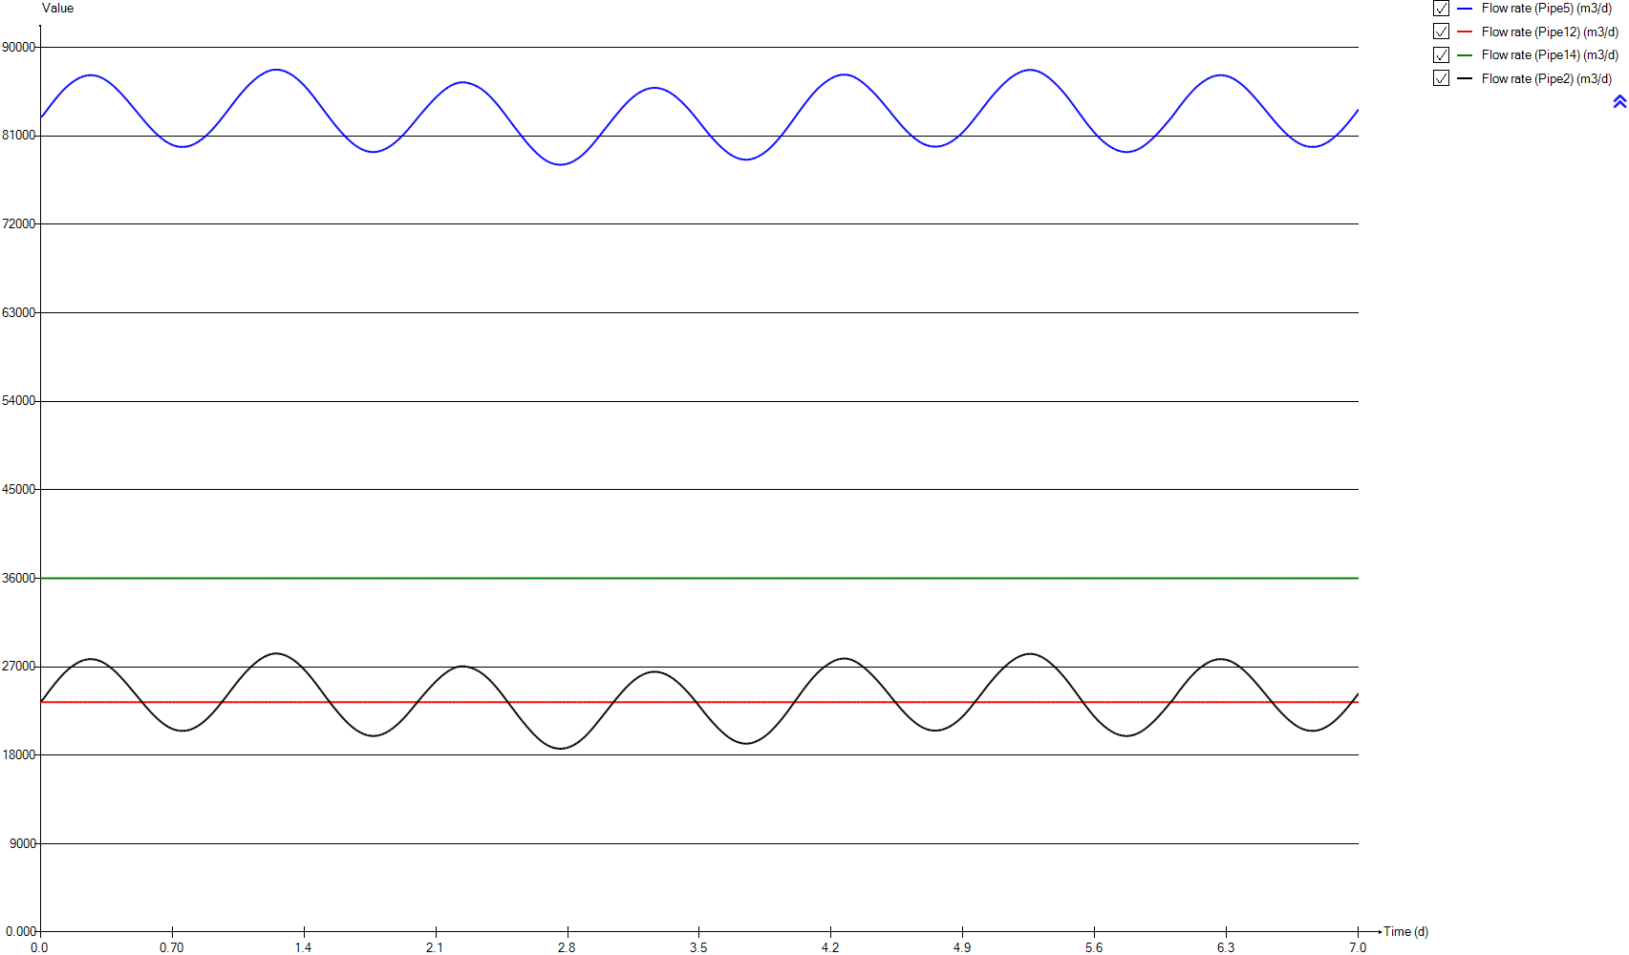
InputD
Time | Flow rate (Pipe5) | Flow rate (Pipe12) | Flow rate (Pipe14) | Flow rate (Pipe2)
d | m3/d | m3/d | m3/d | m3/d
0 | 82879.368311 | 23400 | 36000 | 23479.368311
0.0069444444444 | 82879.368311 | 23400 | 36000 | 23479.368311
0.013888888889 | 83062.557328 | 23400 | 36000 | 23662.557328
0.020833333333 | 83245.09749 | 23400 | 36000 | 23845.09749
0.027777777778 | 83426.804488 | 23400 | 36000 | 24026.804488
0.034722222222 | 83607.302717 | 23400 | 36000 | 24207.302717
0.041666666667 | 83786.313763 | 23400 | 36000 | 24386.313763
0.048611111111 | 83963.468552 | 23400 | 36000 | 24563.468552
0.055555555556 | 84138.492735 | 23400 | 36000 | 24738.492735
0.0625 | 84311.106054 | 23400 | 36000 | 24911.106054
0.069444444444 | 84481.125324 | 23400 | 36000 | 25081.125324
0.076388888889 | 84647.976432 | 23400 | 36000 | 25247.976432
0.083333333333 | 84811.672961 | 23400 | 36000 | 25411.672961
0.090277777778 | 84971.728776 | 23400 | 36000 | 25571.728776
0.097222222222 | 85127.941951 | 23400 | 36000 | 25727.941951
0.10416666667 | 85280.003046 | 23400 | 36000 | 25880.003046
0.11111111111 | 85427.589925 | 23400 | 36000 | 26027.589925
0.11805555556 | 85570.466706 | 23400 | 36000 | 26170.466706
0.125 | 85708.201198 | 23400 | 36000 | 26308.201198
0.13194444444 | 85840.63731 | 23400 | 36000 | 26440.63731
0.13888888889 | 85967.419659 | 23400 | 36000 | 26567.419659
0.14583333333 | 86088.175105 | 23400 | 36000 | 26688.175105
0.15277777778 | 86202.708174 | 23400 | 36000 | 26802.708174
0.15972222222 | 86310.625381 | 23400 | 36000 | 26910.625381
0.16666666667 | 86411.706882 | 23400 | 36000 | 27011.706882
0.17361111111 | 86506.148534 | 23400 | 36000 | 27106.148534
0.18055555556 | 86594.876141 | 23400 | 36000 | 27194.876141
0.1875 | 86680.349597 | 23400 | 36000 | 27280.349597
0.19444444444 | 86760.045648 | 23400 | 36000 | 27360.045648
0.20138888889 | 86833.751539 | 23400 | 36000 | 27433.751539
0.20833333333 | 86900.98618 | 23400 | 36000 | 27500.98618
0.21527777778 | 86961.279397 | 23400 | 36000 | 27561.279397
0.22222222222 | 87014.678637 | 23400 | 36000 | 27614.678637
0.22916666667 | 87061.114809 | 23400 | 36000 | 27661.114809
0.23611111111 | 87100.015163 | 23400 | 36000 | 27700.015163
0.24305555556 | 87131.159606 | 23400 | 36000 | 27731.159606
0.25 | 87154.343177 | 23400 | 36000 | 27754.343177
0.25694444444 | 87169.65945 | 23400 | 36000 | 27769.65945
0.26388888889 | 87177.324584 | 23400 | 36000 | 27777.324584
0.27083333333 | 87177.497349 | 23400 | 36000 | 27777.497349
0.27777777778 | 87170.201722 | 23400 | 36000 | 27770.201722
0.28472222222 | 87155.319391 | 23400 | 36000 | 27755.319391
0.29166666667 | 87132.960735 | 23400 | 36000 | 27732.960735
0.29861111111 | 87102.894151 | 23400 | 36000 | 27702.894151
0.30555555556 | 87065.119072 | 23400 | 36000 | 27665.119072
0.3125 | 87019.76735 | 23400 | 36000 | 27619.76735
0.31944444444 | 86967.03165 | 23400 | 36000 | 27567.03165
0.32638888889 | 86907.013446 | 23400 | 36000 | 27507.013446
0.33333333333 | 86839.856892 | 23400 | 36000 | 27439.856892
0.34027777778 | 86765.520239 | 23400 | 36000 | 27365.520239
0.34722222222 | 86684.333609 | 23400 | 36000 | 27284.333609
0.35416666667 | 86596.714783 | 23400 | 36000 | 27196.714783
0.36111111111 | 86503.188673 | 23400 | 36000 | 27103.188673
0.36805555556 | 86403.964008 | 23400 | 36000 | 27003.964008
0.375 | 86299.096642 | 23400 | 36000 | 26899.096642
0.38194444444 | 86188.79597 | 23400 | 36000 | 26788.79597
0.38888888889 | 86073.421495 | 23400 | 36000 | 26673.421495
0.39583333333 | 85952.942785 | 23400 | 36000 | 26552.942785
0.40277777778 | 85827.784502 | 23400 | 36000 | 26427.784502
0.40972222222 | 85698.092012 | 23400 | 36000 | 26298.092012
0.41666666667 | 85564.02969 | 23400 | 36000 | 26164.02969
0.42361111111 | 85425.809926 | 23400 | 36000 | 26025.809926
0.43055555556 | 85283.746774 | 23400 | 36000 | 25883.746774
0.4375 | 85138.133244 | 23400 | 36000 | 25738.133244
0.44444444444 | 84989.241862 | 23400 | 36000 | 25589.241862
0.45138888889 | 84837.639165 | 23400 | 36000 | 25437.639165
0.45833333333 | 84683.737289 | 23400 | 36000 | 25283.737289
0.46527777778 | 84528.224256 | 23400 | 36000 | 25128.224256
0.47222222222 | 84371.609743 | 23400 | 36000 | 24971.609743
0.47916666667 | 84214.066215 | 23400 | 36000 | 24814.066215
0.48611111111 | 84055.810173 | 23400 | 36000 | 24655.810173
0.49305555556 | 83897.037581 | 23400 | 36000 | 24497.037581
0.5 | 83738.004145 | 23400 | 36000 | 24338.004145
0.50694444444 | 83578.591005 | 23400 | 36000 | 24178.591005
0.51388888889 | 83418.586453 | 23400 | 36000 | 24018.586453
0.52083333333 | 83257.958212 | 23400 | 36000 | 23857.958212
0.52777777778 | 83097.013111 | 23400 | 36000 | 23697.013111
0.53472222222 | 82935.832656 | 23400 | 36000 | 23535.832656
0.54166666667 | 82775.046123 | 23400 | 36000 | 23375.046123
0.54861111111 | 82615.562827 | 23400 | 36000 | 23215.562827
0.55555555556 | 82457.825247 | 23400 | 36000 | 23057.825247
0.5625 | 82302.506461 | 23400 | 36000 | 22902.506461
0.56944444444 | 82150.120682 | 23400 | 36000 | 22750.120682
0.57638888889 | 82001.13169 | 23400 | 36000 | 22601.13169
0.58333333333 | 81855.98418 | 23400 | 36000 | 22455.98418
0.59027777778 | 81714.719942 | 23400 | 36000 | 22314.719942
0.59722222222 | 81577.196804 | 23400 | 36000 | 22177.196804
0.60416666667 | 81443.573839 | 23400 | 36000 | 22043.573839
0.61111111111 | 81313.862563 | 23400 | 36000 | 21913.862563
0.61805555556 | 81188.032309 | 23400 | 36000 | 21788.032309
0.625 | 81066.288235 | 23400 | 36000 | 21666.288235
0.63194444444 | 80948.886256 | 23400 | 36000 | 21548.886256
0.63888888889 | 80836.096764 | 23400 | 36000 | 21436.096764
0.64583333333 | 80727.986846 | 23400 | 36000 | 21327.986846
0.65277777778 | 80625.113987 | 23400 | 36000 | 21225.113987
0.65972222222 | 80527.748169 | 23400 | 36000 | 21127.748169
0.66666666667 | 80436.506508 | 23400 | 36000 | 21036.506508
0.67361111111 | 80351.716824 | 23400 | 36000 | 20951.716824
0.68055555556 | 80273.935491 | 23400 | 36000 | 20873.935491
0.6875 | 80203.040244 | 23400 | 36000 | 20803.040244
0.69444444444 | 80138.965308 | 23400 | 36000 | 20738.965308
0.70138888889 | 80081.722855 | 23400 | 36000 | 20681.722855
0.70833333333 | 80031.59146 | 23400 | 36000 | 20631.59146
0.71527777778 | 79988.698506 | 23400 | 36000 | 20588.698506
0.72222222222 | 79952.875031 | 23400 | 36000 | 20552.875031
0.72916666667 | 79923.991037 | 23400 | 36000 | 20523.991037
0.73611111111 | 79902.110144 | 23400 | 36000 | 20502.110144
0.74305555556 | 79887.154002 | 23400 | 36000 | 20487.154002
0.75 | 79879.206816 | 23400 | 36000 | 20479.206816
0.75694444444 | 79877.90481 | 23400 | 36000 | 20477.90481
0.76388888889 | 79883.30245 | 23400 | 36000 | 20483.30245
0.77083333333 | 79895.646053 | 23400 | 36000 | 20495.646053
0.77777777778 | 79915.336143 | 23400 | 36000 | 20515.336143
0.78472222222 | 79942.605769 | 23400 | 36000 | 20542.605769
0.79166666667 | 79977.353381 | 23400 | 36000 | 20577.353381
0.79861111111 | 80019.617176 | 23400 | 36000 | 20619.617176
0.80555555556 | 80069.478413 | 23400 | 36000 | 20669.478413
0.8125 | 80126.683833 | 23400 | 36000 | 20726.683833
0.81944444444 | 80191.169317 | 23400 | 36000 | 20791.169317
0.82638888889 | 80262.534608 | 23400 | 36000 | 20862.534608
0.83333333333 | 80340.337169 | 23400 | 36000 | 20940.337169
0.84027777778 | 80424.106612 | 23400 | 36000 | 21024.106612
0.84722222222 | 80513.802627 | 23400 | 36000 | 21113.802627
0.85416666667 | 80609.323755 | 23400 | 36000 | 21209.323755
0.86111111111 | 80710.755295 | 23400 | 36000 | 21310.755295
0.86805555556 | 80818.031218 | 23400 | 36000 | 21418.031218
0.875 | 80931.308449 | 23400 | 36000 | 21531.308449
0.88194444444 | 81050.282029 | 23400 | 36000 | 21650.282029
0.88888888889 | 81174.591344 | 23400 | 36000 | 21774.591344
0.89583333333 | 81304.285522 | 23400 | 36000 | 21904.285522
0.90277777778 | 81439.038394 | 23400 | 36000 | 22039.038394
0.90972222222 | 81578.830831 | 23400 | 36000 | 22178.830831
0.91666666667 | 81723.326631 | 23400 | 36000 | 22323.326631
0.92361111111 | 81872.094428 | 23400 | 36000 | 22472.094428
0.93055555556 | 82024.760619 | 23400 | 36000 | 22624.760619
0.9375 | 82180.803149 | 23400 | 36000 | 22780.803149
0.94444444444 | 82339.858992 | 23400 | 36000 | 22939.858992
0.95138888889 | 82501.540611 | 23400 | 36000 | 23101.540611
0.95833333333 | 82665.950193 | 23400 | 36000 | 23265.950193
0.96527777778 | 82832.700475 | 23400 | 36000 | 23432.700475
0.97222222222 | 83001.744408 | 23400 | 36000 | 23601.744408
0.97916666667 | 83173.019949 | 23400 | 36000 | 23773.019949
0.98611111111 | 83346.363478 | 23400 | 36000 | 23946.363478
0.99305555556 | 83521.120073 | 23400 | 36000 | 24121.120073
1 | 83696.793194 | 23400 | 36000 | 24296.793194
1.0069444444 | 83872.406176 | 23400 | 36000 | 24472.406176
1.0138888889 | 84047.336234 | 23400 | 36000 | 24647.336234
1.0208333333 | 84221.213746 | 23400 | 36000 | 24821.213746
1.0277777778 | 84393.842709 | 23400 | 36000 | 24993.842709
1.0347222222 | 84565.012595 | 23400 | 36000 | 25165.012595
1.0416666667 | 84734.632061 | 23400 | 36000 | 25334.632061
1.0486111111 | 84901.921776 | 23400 | 36000 | 25501.921776
1.0555555556 | 85066.64219 | 23400 | 36000 | 25666.64219
1.0625 | 85228.320121 | 23400 | 36000 | 25828.320121
1.0694444444 | 85386.52118 | 23400 | 36000 | 25986.52118
1.0763888889 | 85540.945294 | 23400 | 36000 | 26140.945294
1.0833333333 | 85691.291011 | 23400 | 36000 | 26291.291011
1.0902777778 | 85837.340295 | 23400 | 36000 | 26437.340295
1.0972222222 | 85979.359603 | 23400 | 36000 | 26579.359603
1.1041666667 | 86117.14811 | 23400 | 36000 | 26717.14811
1.1111111111 | 86250.653289 | 23400 | 36000 | 26850.653289
1.1180555556 | 86379.685797 | 23400 | 36000 | 26979.685797
1.125 | 86503.954494 | 23400 | 36000 | 27103.954494
1.1319444444 | 86623.417118 | 23400 | 36000 | 27223.417118
1.1388888889 | 86737.840625 | 23400 | 36000 | 27337.840625
1.1458333333 | 86846.971787 | 23400 | 36000 | 27446.971787
1.1527777778 | 86950.51255 | 23400 | 36000 | 27550.51255
1.1597222222 | 87048.637635 | 23400 | 36000 | 27648.637635
1.1666666667 | 87141.412163 | 23400 | 36000 | 27741.412163
1.1736111111 | 87228.820023 | 23400 | 36000 | 27828.820023
1.1805555556 | 87310.987905 | 23400 | 36000 | 27910.987905
1.1875 | 87387.493071 | 23400 | 36000 | 27987.493071
1.1944444444 | 87458.023104 | 23400 | 36000 | 28058.023104
1.2013888889 | 87521.876103 | 23400 | 36000 | 28121.876103
1.2083333333 | 87578.345267 | 23400 | 36000 | 28178.345267
1.2152777778 | 87627.121417 | 23400 | 36000 | 28227.121417
1.2222222222 | 87667.998153 | 23400 | 36000 | 28267.998153
1.2291666667 | 87700.576471 | 23400 | 36000 | 28300.576471
1.2361111111 | 87724.878536 | 23400 | 36000 | 28324.878536
1.2430555556 | 87740.727267 | 23400 | 36000 | 28340.727267
1.25 | 87748.217123 | 23400 | 36000 | 28348.217123
1.2569444444 | 87747.379028 | 23400 | 36000 | 28347.379028
1.2638888889 | 87738.195516 | 23400 | 36000 | 28338.195516
1.2708333333 | 87720.98498 | 23400 | 36000 | 28320.98498
1.2777777778 | 87695.73187 | 23400 | 36000 | 28295.73187
1.2847222222 | 87662.8806 | 23400 | 36000 | 28262.8806
1.2916666667 | 87622.69696 | 23400 | 36000 | 28222.69696
1.2986111111 | 87575.433552 | 23400 | 36000 | 28175.433552
1.3055555556 | 87521.302176 | 23400 | 36000 | 28121.302176
1.3125 | 87460.38137 | 23400 | 36000 | 28060.38137
1.3194444444 | 87392.519142 | 23400 | 36000 | 27992.519142
1.3263888889 | 87317.755363 | 23400 | 36000 | 27917.755363
1.3333333333 | 87235.960474 | 23400 | 36000 | 27835.960474
1.3402777778 | 87147.576058 | 23400 | 36000 | 27747.576058
1.3472222222 | 87053.08383 | 23400 | 36000 | 27653.08383
1.3541666667 | 86952.68338 | 23400 | 36000 | 27552.68338
1.3611111111 | 86846.704897 | 23400 | 36000 | 27446.704897
1.3680555556 | 86735.061306 | 23400 | 36000 | 27335.061306
1.375 | 86617.461269 | 23400 | 36000 | 27217.461269
1.3819444444 | 86493.977861 | 23400 | 36000 | 27093.977861
1.3888888889 | 86364.978906 | 23400 | 36000 | 26964.978906
1.3958333333 | 86230.9186 | 23400 | 36000 | 26830.9186
1.4027777778 | 86092.031864 | 23400 | 36000 | 26692.031864
1.4097222222 | 85948.446787 | 23400 | 36000 | 26548.446787
1.4166666667 | 85799.87667 | 23400 | 36000 | 26399.87667
1.4236111111 | 85646.551851 | 23400 | 36000 | 26246.551851
1.4305555556 | 85488.330003 | 23400 | 36000 | 26088.330003
1.4375 | 85325.776377 | 23400 | 36000 | 25925.776377
1.4444444444 | 85159.413813 | 23400 | 36000 | 25759.413813
1.4513888889 | 84989.957205 | 23400 | 36000 | 25589.957205
1.4583333333 | 84817.706867 | 23400 | 36000 | 25417.706867
1.4652777778 | 84643.050363 | 23400 | 36000 | 25243.050363
1.4722222222 | 84466.550924 | 23400 | 36000 | 25066.550924
1.4791666667 | 84288.617688 | 23400 | 36000 | 24888.617688
1.4861111111 | 84109.887566 | 23400 | 36000 | 24709.887566
1.4930555556 | 83930.797837 | 23400 | 36000 | 24530.797837
1.5 | 83751.698112 | 23400 | 36000 | 24351.698112
1.5069444444 | 83572.777768 | 23400 | 36000 | 24172.777768
1.5138888889 | 83394.625715 | 23400 | 36000 | 23994.625715
1.5208333333 | 83217.394017 | 23400 | 36000 | 23817.394017
1.5277777778 | 83041.317661 | 23400 | 36000 | 23641.317661
1.5347222222 | 82866.511838 | 23400 | 36000 | 23466.511838
1.5416666667 | 82693.285937 | 23400 | 36000 | 23293.285937
1.5486111111 | 82522.250733 | 23400 | 36000 | 23122.250733
1.5555555556 | 82353.527606 | 23400 | 36000 | 22953.527606
1.5625 | 82187.381327 | 23400 | 36000 | 22787.381327
1.5694444444 | 82024.104752 | 23400 | 36000 | 22624.104752
1.5763888889 | 81863.747707 | 23400 | 36000 | 22463.747707
1.5833333333 | 81706.332731 | 23400 | 36000 | 22306.332731
1.5902777778 | 81551.902134 | 23400 | 36000 | 22151.902134
1.5972222222 | 81400.431989 | 23400 | 36000 | 22000.431989
1.6041666667 | 81252.259908 | 23400 | 36000 | 21852.259908
1.6111111111 | 81107.885398 | 23400 | 36000 | 21707.885398
1.6180555556 | 80967.740312 | 23400 | 36000 | 21567.740312
1.625 | 80831.9949 | 23400 | 36000 | 21431.9949
1.6319444444 | 80700.813543 | 23400 | 36000 | 21300.813543
1.6388888889 | 80574.500112 | 23400 | 36000 | 21174.500112
1.6458333333 | 80453.114248 | 23400 | 36000 | 21053.114248
1.6527777778 | 80337.358044 | 23400 | 36000 | 20937.358044
1.6597222222 | 80227.395196 | 23400 | 36000 | 20827.395196
1.6666666667 | 80123.590619 | 23400 | 36000 | 20723.590619
1.6736111111 | 80025.971139 | 23400 | 36000 | 20625.971139
1.6805555556 | 79934.598051 | 23400 | 36000 | 20534.598051
1.6875 | 79849.44833 | 23400 | 36000 | 20449.44833
1.6944444444 | 79770.568825 | 23400 | 36000 | 20370.568825
1.7013888889 | 79698.037454 | 23400 | 36000 | 20298.037454
1.7083333333 | 79631.992256 | 23400 | 36000 | 20231.992256
1.7152777778 | 79572.642887 | 23400 | 36000 | 20172.642887
1.7222222222 | 79520.237635 | 23400 | 36000 | 20120.237635
1.7291666667 | 79474.970235 | 23400 | 36000 | 20074.970235
1.7361111111 | 79436.891417 | 23400 | 36000 | 20036.891417
1.7430555556 | 79406.132088 | 23400 | 36000 | 20006.132088
1.75 | 79382.476042 | 23400 | 36000 | 19982.476042
1.7569444444 | 79366.377762 | 23400 | 36000 | 19966.377762
1.7638888889 | 79357.935465 | 23400 | 36000 | 19957.935465
1.7708333333 | 79357.342253 | 23400 | 36000 | 19957.342253
1.7777777778 | 79364.42362 | 23400 | 36000 | 19964.42362
1.7847222222 | 79379.163372 | 23400 | 36000 | 19979.163372
1.7916666667 | 79401.534234 | 23400 | 36000 | 20001.534234
1.7986111111 | 79431.145809 | 23400 | 36000 | 20031.145809
1.8055555556 | 79467.870644 | 23400 | 36000 | 20067.870644
1.8125 | 79511.371612 | 23400 | 36000 | 20111.371612
1.8194444444 | 79561.615476 | 23400 | 36000 | 20161.615476
1.8263888889 | 79618.411479 | 23400 | 36000 | 20218.411479
1.8333333333 | 79681.922922 | 23400 | 36000 | 20281.922922
1.8402777778 | 79752.03133 | 23400 | 36000 | 20352.03133
1.8472222222 | 79828.603891 | 23400 | 36000 | 20428.603891
1.8541666667 | 79911.325175 | 23400 | 36000 | 20511.325175
1.8611111111 | 79999.945964 | 23400 | 36000 | 20599.945964
1.8680555556 | 80094.334244 | 23400 | 36000 | 20694.334244
1.875 | 80194.442454 | 23400 | 36000 | 20794.442454
1.8819444444 | 80300.180324 | 23400 | 36000 | 20900.180324
1.8888888889 | 80411.345411 | 23400 | 36000 | 21011.345411
1.8958333333 | 80527.926471 | 23400 | 36000 | 21127.926471
1.9027777778 | 80649.544014 | 23400 | 36000 | 21249.544014
1.9097222222 | 80776.057828 | 23400 | 36000 | 21376.057828
1.9166666667 | 80907.122093 | 23400 | 36000 | 21507.122093
1.9236111111 | 81042.680499 | 23400 | 36000 | 21642.680499
1.9305555556 | 81182.574608 | 23400 | 36000 | 21782.574608
1.9375 | 81326.534956 | 23400 | 36000 | 21926.534956
1.9444444444 | 81474.126644 | 23400 | 36000 | 22074.126644
1.9513888889 | 81624.959738 | 23400 | 36000 | 22224.959738
1.9583333333 | 81778.800609 | 23400 | 36000 | 22378.800609
1.9652777778 | 81935.348192 | 23400 | 36000 | 22535.348192
1.9722222222 | 82094.385248 | 23400 | 36000 | 22694.385248
1.9791666667 | 82255.000404 | 23400 | 36000 | 22855.000404
1.9861111111 | 82416.716883 | 23400 | 36000 | 23016.716883
1.9930555556 | 82578.829027 | 23400 | 36000 | 23178.829027
2 | 82740.769341 | 23400 | 36000 | 23340.769341
2.0069444444 | 82902.217865 | 23400 | 36000 | 23502.217865
2.0138888889 | 83062.683477 | 23400 | 36000 | 23662.683477
2.0208333333 | 83221.712225 | 23400 | 36000 | 23821.712225
2.0277777778 | 83379.114083 | 23400 | 36000 | 23979.114083
2.0347222222 | 83534.649669 | 23400 | 36000 | 24134.649669
2.0416666667 | 83688.254326 | 23400 | 36000 | 24288.254326
2.0486111111 | 83840.202831 | 23400 | 36000 | 24440.202831
2.0555555556 | 83990.243237 | 23400 | 36000 | 24590.243237
2.0625 | 84138.36396 | 23400 | 36000 | 24738.36396
2.0694444444 | 84284.240545 | 23400 | 36000 | 24884.240545
2.0763888889 | 84427.71331 | 23400 | 36000 | 25027.71331
2.0833333333 | 84568.617287 | 23400 | 36000 | 25168.617287
2.0902777778 | 84706.707445 | 23400 | 36000 | 25306.707445
2.0972222222 | 84841.635865 | 23400 | 36000 | 25441.635865
2.1041666667 | 84972.99539 | 23400 | 36000 | 25572.99539
2.1111111111 | 85100.738656 | 23400 | 36000 | 25700.738656
2.1180555556 | 85224.631791 | 23400 | 36000 | 25824.631791
2.125 | 85344.517541 | 23400 | 36000 | 25944.517541
2.1319444444 | 85459.891575 | 23400 | 36000 | 26059.891575
2.1388888889 | 85570.610077 | 23400 | 36000 | 26170.610077
2.1458333333 | 85676.229562 | 23400 | 36000 | 26276.229562
2.1527777778 | 85776.407007 | 23400 | 36000 | 26376.407007
2.1597222222 | 85870.88154 | 23400 | 36000 | 26470.88154
2.1666666667 | 85959.37689 | 23400 | 36000 | 26559.37689
2.1736111111 | 86041.615538 | 23400 | 36000 | 26641.615538
2.1805555556 | 86117.30607 | 23400 | 36000 | 26717.30607
2.1875 | 86186.314037 | 23400 | 36000 | 26786.314037
2.1944444444 | 86248.259347 | 23400 | 36000 | 26848.259347
2.2013888889 | 86303.028319 | 23400 | 36000 | 26903.028319
2.2083333333 | 86350.031988 | 23400 | 36000 | 26950.031988
2.2152777778 | 86388.895157 | 23400 | 36000 | 26988.895157
2.2222222222 | 86418.959658 | 23400 | 36000 | 27018.959658
2.2291666667 | 86439.857124 | 23400 | 36000 | 27039.857124
2.2361111111 | 86451.258487 | 23400 | 36000 | 27051.258487
2.2430555556 | 86453.538929 | 23400 | 36000 | 27053.538929
2.25 | 86447.393292 | 23400 | 36000 | 27047.393292
2.2569444444 | 86433.397709 | 23400 | 36000 | 27033.397709
2.2638888889 | 86412.320237 | 23400 | 36000 | 27012.320237
2.2708333333 | 86384.669979 | 23400 | 36000 | 26984.669979
2.2777777778 | 86351.293641 | 23400 | 36000 | 26951.293641
2.2847222222 | 86312.22936 | 23400 | 36000 | 26912.22936
2.2916666667 | 86267.68297 | 23400 | 36000 | 26867.68297
2.2986111111 | 86217.624482 | 23400 | 36000 | 26817.624482
2.3055555556 | 86161.943225 | 23400 | 36000 | 26761.943225
2.3125 | 86100.464956 | 23400 | 36000 | 26700.464956
2.3194444444 | 86032.912016 | 23400 | 36000 | 26632.912016
2.3263888889 | 85959.023299 | 23400 | 36000 | 26559.023299
2.3333333333 | 85878.676895 | 23400 | 36000 | 26478.676895
2.3402777778 | 85791.729881 | 23400 | 36000 | 26391.729881
2.3472222222 | 85698.184334 | 23400 | 36000 | 26298.184334
2.3541666667 | 85598.165603 | 23400 | 36000 | 26198.165603
2.3611111111 | 85491.518617 | 23400 | 36000 | 26091.518617
2.3680555556 | 85378.370895 | 23400 | 36000 | 25978.370895
2.375 | 85258.652598 | 23400 | 36000 | 25858.652598
2.3819444444 | 85132.821751 | 23400 | 36000 | 25732.821751
2.3888888889 | 85000.894991 | 23400 | 36000 | 25600.894991
2.3958333333 | 84863.290979 | 23400 | 36000 | 25463.290979
2.4027777778 | 84720.653728 | 23400 | 36000 | 25320.653728
2.4097222222 | 84573.455041 | 23400 | 36000 | 25173.455041
2.4166666667 | 84422.036917 | 23400 | 36000 | 25022.036917
2.4236111111 | 84266.565106 | 23400 | 36000 | 24866.565106
2.4305555556 | 84107.175657 | 23400 | 36000 | 24707.175657
2.4375 | 83943.908371 | 23400 | 36000 | 24543.908371
2.4444444444 | 83777.024266 | 23400 | 36000 | 24377.024266
2.4513888889 | 83606.689253 | 23400 | 36000 | 24206.689253
2.4583333333 | 83433.164173 | 23400 | 36000 | 24033.164173
2.4652777778 | 83257.051045 | 23400 | 36000 | 23857.051045
2.4722222222 | 83079.219427 | 23400 | 36000 | 23679.219427
2.4791666667 | 82900.428526 | 23400 | 36000 | 23500.428526
2.4861111111 | 82721.72672 | 23400 | 36000 | 23321.72672
2.4930555556 | 82543.68681 | 23400 | 36000 | 23143.68681
2.5 | 82366.581105 | 23400 | 36000 | 22966.581105
2.5069444444 | 82190.546662 | 23400 | 36000 | 22790.546662
2.5138888889 | 82015.316759 | 23400 | 36000 | 22615.316759
2.5208333333 | 81840.985922 | 23400 | 36000 | 22440.985922
2.5277777778 | 81667.285226 | 23400 | 36000 | 22267.285226
2.5347222222 | 81494.310619 | 23400 | 36000 | 22094.310619
2.5416666667 | 81322.279142 | 23400 | 36000 | 21922.279142
2.5486111111 | 81151.646588 | 23400 | 36000 | 21751.646588
2.5555555556 | 80982.532984 | 23400 | 36000 | 21582.532984
2.5625 | 80815.235067 | 23400 | 36000 | 21415.235067
2.5694444444 | 80650.176952 | 23400 | 36000 | 21250.176952
2.5763888889 | 80487.766372 | 23400 | 36000 | 21087.766372
2.5833333333 | 80328.629269 | 23400 | 36000 | 20928.629269
2.5902777778 | 80173.026098 | 23400 | 36000 | 20773.026098
2.5972222222 | 80021.338768 | 23400 | 36000 | 20621.338768
2.6041666667 | 79873.421203 | 23400 | 36000 | 20473.421203
2.6111111111 | 79729.603243 | 23400 | 36000 | 20329.603243
2.6180555556 | 79589.744874 | 23400 | 36000 | 20189.744874
2.625 | 79454.058873 | 23400 | 36000 | 20054.058873
2.6319444444 | 79322.665776 | 23400 | 36000 | 19922.665776
2.6388888889 | 79195.846368 | 23400 | 36000 | 19795.846368
2.6458333333 | 79073.948592 | 23400 | 36000 | 19673.948592
2.6527777778 | 78957.572235 | 23400 | 36000 | 19557.572235
2.6597222222 | 78847.229679 | 23400 | 36000 | 19447.229679
2.6666666667 | 78743.506377 | 23400 | 36000 | 19343.506377
2.6736111111 | 78646.880535 | 23400 | 36000 | 19246.880535
2.6805555556 | 78557.425513 | 23400 | 36000 | 19157.425513
2.6875 | 78475.45803 | 23400 | 36000 | 19075.45803
2.6944444444 | 78401.170394 | 23400 | 36000 | 19001.170394
2.7013888889 | 78334.453752 | 23400 | 36000 | 18934.453752
2.7083333333 | 78275.43291 | 23400 | 36000 | 18875.43291
2.7152777778 | 78223.97812 | 23400 | 36000 | 18823.97812
2.7222222222 | 78179.965077 | 23400 | 36000 | 18779.965077
2.7291666667 | 78143.296305 | 23400 | 36000 | 18743.296305
2.7361111111 | 78113.982075 | 23400 | 36000 | 18713.982075
2.7430555556 | 78091.786577 | 23400 | 36000 | 18691.786577
2.75 | 78076.645409 | 23400 | 36000 | 18676.645409
2.7569444444 | 78068.222011 | 23400 | 36000 | 18668.222011
2.7638888889 | 78066.688494 | 23400 | 36000 | 18666.688494
2.7708333333 | 78072.056209 | 23400 | 36000 | 18672.056209
2.7777777778 | 78084.443895 | 23400 | 36000 | 18684.443895
2.7847222222 | 78103.982329 | 23400 | 36000 | 18703.982329
2.7916666667 | 78130.697365 | 23400 | 36000 | 18730.697365
2.7986111111 | 78165.02507 | 23400 | 36000 | 18765.02507
2.8055555556 | 78206.960716 | 23400 | 36000 | 18806.960716
2.8125 | 78256.442697 | 23400 | 36000 | 18856.442697
2.8194444444 | 78313.293208 | 23400 | 36000 | 18913.293208
2.8263888889 | 78377.184445 | 23400 | 36000 | 18977.184445
2.8333333333 | 78447.833539 | 23400 | 36000 | 19047.833539
2.8402777778 | 78525.104135 | 23400 | 36000 | 19125.104135
2.8472222222 | 78608.71813 | 23400 | 36000 | 19208.71813
2.8541666667 | 78698.716599 | 23400 | 36000 | 19298.716599
2.8611111111 | 78794.945956 | 23400 | 36000 | 19394.945956
2.8680555556 | 78897.315455 | 23400 | 36000 | 19497.315455
2.875 | 79006.027788 | 23400 | 36000 | 19606.027788
2.8819444444 | 79120.974339 | 23400 | 36000 | 19720.974339
2.8888888889 | 79242.12716 | 23400 | 36000 | 19842.12716
2.8958333333 | 79369.38816 | 23400 | 36000 | 19969.38816
2.9027777778 | 79502.865986 | 23400 | 36000 | 20102.865986
2.9097222222 | 79642.199761 | 23400 | 36000 | 20242.199761
2.9166666667 | 79786.984748 | 23400 | 36000 | 20386.984748
2.9236111111 | 79936.700086 | 23400 | 36000 | 20536.700086
2.9305555556 | 80090.460608 | 23400 | 36000 | 20690.460608
2.9375 | 80247.857347 | 23400 | 36000 | 20847.857347
2.9444444444 | 80408.24243 | 23400 | 36000 | 21008.24243
2.9513888889 | 80570.978468 | 23400 | 36000 | 21170.978468
2.9583333333 | 80735.619877 | 23400 | 36000 | 21335.619877
2.9652777778 | 80901.58969 | 23400 | 36000 | 21501.58969
2.9722222222 | 81068.44956 | 23400 | 36000 | 21668.44956
2.9791666667 | 81236.152423 | 23400 | 36000 | 21836.152423
2.9861111111 | 81404.27627 | 23400 | 36000 | 22004.27627
2.9930555556 | 81572.931837 | 23400 | 36000 | 22172.931837
3 | 81741.838031 | 23400 | 36000 | 22341.838031
3.0069444444 | 81910.795652 | 23400 | 36000 | 22510.795652
3.0138888889 | 82079.761691 | 23400 | 36000 | 22679.761691
3.0208333333 | 82248.651227 | 23400 | 36000 | 22848.651227
3.0277777778 | 82416.936045 | 23400 | 36000 | 23016.936045
3.0347222222 | 82584.524535 | 23400 | 36000 | 23184.524535
3.0416666667 | 82750.969335 | 23400 | 36000 | 23350.969335
3.0486111111 | 82915.921826 | 23400 | 36000 | 23515.921826
3.0555555556 | 83079.065573 | 23400 | 36000 | 23679.065573
3.0625 | 83240.41819 | 23400 | 36000 | 23840.41819
3.0694444444 | 83399.663389 | 23400 | 36000 | 23999.663389
3.0763888889 | 83556.666204 | 23400 | 36000 | 24156.666204
3.0833333333 | 83711.03051 | 23400 | 36000 | 24311.03051
3.0902777778 | 83862.38159 | 23400 | 36000 | 24462.38159
3.0972222222 | 84010.228656 | 23400 | 36000 | 24610.228656
3.1041666667 | 84154.432439 | 23400 | 36000 | 24754.432439
3.1111111111 | 84294.546441 | 23400 | 36000 | 24894.546441
3.1180555556 | 84430.096289 | 23400 | 36000 | 25030.096289
3.125 | 84560.958448 | 23400 | 36000 | 25160.958448
3.1319444444 | 84686.612834 | 23400 | 36000 | 25286.612834
3.1388888889 | 84806.772178 | 23400 | 36000 | 25406.772178
3.1458333333 | 84921.119486 | 23400 | 36000 | 25521.119486
3.1527777778 | 85029.578926 | 23400 | 36000 | 25629.578926
3.1597222222 | 85132.229393 | 23400 | 36000 | 25732.229393
3.1666666667 | 85228.626189 | 23400 | 36000 | 25828.626189
3.1736111111 | 85318.587095 | 23400 | 36000 | 25918.587095
3.1805555556 | 85402.047972 | 23400 | 36000 | 26002.047972
3.1875 | 85479.225651 | 23400 | 36000 | 26079.225651
3.1944444444 | 85550.28477 | 23400 | 36000 | 26150.28477
3.2013888889 | 85615.415445 | 23400 | 36000 | 26215.415445
3.2083333333 | 85674.401457 | 23400 | 36000 | 26274.401457
3.2152777778 | 85727.046276 | 23400 | 36000 | 26327.046276
3.2222222222 | 85772.89032 | 23400 | 36000 | 26372.89032
3.2291666667 | 85811.677018 | 23400 | 36000 | 26411.677018
3.2361111111 | 85843.204593 | 23400 | 36000 | 26443.204593
3.2430555556 | 85867.152533 | 23400 | 36000 | 26467.152533
3.25 | 85883.359106 | 23400 | 36000 | 26483.359106
3.2569444444 | 85891.865116 | 23400 | 36000 | 26491.865116
3.2638888889 | 85892.784195 | 23400 | 36000 | 26492.784195
3.2708333333 | 85886.324064 | 23400 | 36000 | 26486.324064
3.2777777778 | 85872.35243 | 23400 | 36000 | 26472.35243
3.2847222222 | 85851.352996 | 23400 | 36000 | 26451.352996
3.2916666667 | 85823.72552 | 23400 | 36000 | 26423.72552
3.2986111111 | 85789.738232 | 23400 | 36000 | 26389.738232
3.3055555556 | 85749.370282 | 23400 | 36000 | 26349.370282
3.3125 | 85702.414121 | 23400 | 36000 | 26302.414121
3.3194444444 | 85648.686515 | 23400 | 36000 | 26248.686515
3.3263888889 | 85588.094345 | 23400 | 36000 | 26188.094345
3.3333333333 | 85520.438293 | 23400 | 36000 | 26120.438293
3.3402777778 | 85445.812424 | 23400 | 36000 | 26045.812424
3.3472222222 | 85364.315017 | 23400 | 36000 | 25964.315017
3.3541666667 | 85276.487966 | 23400 | 36000 | 25876.487966
3.3611111111 | 85182.545902 | 23400 | 36000 | 25782.545902
3.3680555556 | 85082.887423 | 23400 | 36000 | 25682.887423
3.375 | 84977.5403 | 23400 | 36000 | 25577.5403
3.3819444444 | 84866.859917 | 23400 | 36000 | 25466.859917
3.3888888889 | 84750.952503 | 23400 | 36000 | 25350.952503
3.3958333333 | 84630.264365 | 23400 | 36000 | 25230.264365
3.4027777778 | 84504.96975 | 23400 | 36000 | 25104.96975
3.4097222222 | 84375.393138 | 23400 | 36000 | 24975.393138
3.4166666667 | 84241.924496 | 23400 | 36000 | 24841.924496
3.4236111111 | 84104.738534 | 23400 | 36000 | 24704.738534
3.4305555556 | 83964.146977 | 23400 | 36000 | 24564.146977
3.4375 | 83820.097301 | 23400 | 36000 | 24420.097301
3.4444444444 | 83672.515788 | 23400 | 36000 | 24272.515788
3.4513888889 | 83521.516357 | 23400 | 36000 | 24121.516357
3.4583333333 | 83367.25156 | 23400 | 36000 | 23967.25156
3.4652777778 | 83209.818793 | 23400 | 36000 | 23809.818793
3.4722222222 | 83049.438521 | 23400 | 36000 | 23649.438521
3.4791666667 | 82886.165379 | 23400 | 36000 | 23486.165379
3.4861111111 | 82720.429764 | 23400 | 36000 | 23320.429764
3.4930555556 | 82552.73817 | 23400 | 36000 | 23152.73817
3.5 | 82383.594899 | 23400 | 36000 | 22983.594899
3.5069444444 | 82214.097089 | 23400 | 36000 | 22814.097089
3.5138888889 | 82045.097285 | 23400 | 36000 | 22645.097285
3.5208333333 | 81877.227839 | 23400 | 36000 | 22477.227839
3.5277777778 | 81711.064431 | 23400 | 36000 | 22311.064431
3.5347222222 | 81547.145395 | 23400 | 36000 | 22147.145395
3.5416666667 | 81385.766698 | 23400 | 36000 | 21985.766698
3.5486111111 | 81227.210955 | 23400 | 36000 | 21827.210955
3.5555555556 | 81071.461457 | 23400 | 36000 | 21671.461457
3.5625 | 80918.5984 | 23400 | 36000 | 21518.5984
3.5694444444 | 80768.856972 | 23400 | 36000 | 21368.856972
3.5763888889 | 80622.004275 | 23400 | 36000 | 21222.004275
3.5833333333 | 80478.087704 | 23400 | 36000 | 21078.087704
3.5902777778 | 80337.229314 | 23400 | 36000 | 20937.229314
3.5972222222 | 80199.648868 | 23400 | 36000 | 20799.648868
3.6041666667 | 80065.713412 | 23400 | 36000 | 20665.713412
3.6111111111 | 79935.830235 | 23400 | 36000 | 20535.830235
3.6180555556 | 79810.464087 | 23400 | 36000 | 20410.464087
3.625 | 79689.702382 | 23400 | 36000 | 20289.702382
3.6319444444 | 79573.830552 | 23400 | 36000 | 20173.830552
3.6388888889 | 79463.056714 | 23400 | 36000 | 20063.056714
3.6458333333 | 79357.915184 | 23400 | 36000 | 19957.915184
3.6527777778 | 79258.731272 | 23400 | 36000 | 19858.731272
3.6597222222 | 79165.765574 | 23400 | 36000 | 19765.765574
3.6666666667 | 79079.333463 | 23400 | 36000 | 19679.333463
3.6736111111 | 78999.692185 | 23400 | 36000 | 19599.692185
3.6805555556 | 78926.929921 | 23400 | 36000 | 19526.929921
3.6875 | 78861.117269 | 23400 | 36000 | 19461.117269
3.6944444444 | 78802.092922 | 23400 | 36000 | 19402.092922
3.7013888889 | 78749.842737 | 23400 | 36000 | 19349.842737
3.7083333333 | 78704.26403 | 23400 | 36000 | 19304.26403
3.7152777778 | 78665.464242 | 23400 | 36000 | 19265.464242
3.7222222222 | 78633.468773 | 23400 | 36000 | 19233.468773
3.7291666667 | 78608.570701 | 23400 | 36000 | 19208.570701
3.7361111111 | 78590.827368 | 23400 | 36000 | 19190.827368
3.7430555556 | 78580.793133 | 23400 | 36000 | 19180.793133
3.75 | 78578.47098 | 23400 | 36000 | 19178.47098
3.7569444444 | 78583.970443 | 23400 | 36000 | 19183.970443
3.7638888889 | 78597.548018 | 23400 | 36000 | 19197.548018
3.7708333333 | 78619.349641 | 23400 | 36000 | 19219.349641
3.7777777778 | 78649.301167 | 23400 | 36000 | 19249.301167
3.7847222222 | 78687.155037 | 23400 | 36000 | 19287.155037
3.7916666667 | 78732.856183 | 23400 | 36000 | 19332.856183
3.7986111111 | 78785.599189 | 23400 | 36000 | 19385.599189
3.8055555556 | 78844.791566 | 23400 | 36000 | 19444.791566
3.8125 | 78910.281542 | 23400 | 36000 | 19510.281542
3.8194444444 | 78981.797464 | 23400 | 36000 | 19581.797464
3.8263888889 | 79059.306038 | 23400 | 36000 | 19659.306038
3.8333333333 | 79143.081278 | 23400 | 36000 | 19743.081278
3.8402777778 | 79233.219992 | 23400 | 36000 | 19833.219992
3.8472222222 | 79329.764325 | 23400 | 36000 | 19929.764325
3.8541666667 | 79432.578095 | 23400 | 36000 | 20032.578095
3.8611111111 | 79541.612478 | 23400 | 36000 | 20141.612478
3.8680555556 | 79656.799035 | 23400 | 36000 | 20256.799035
3.875 | 79778.017385 | 23400 | 36000 | 20378.017385
3.8819444444 | 79905.224672 | 23400 | 36000 | 20505.224672
3.8888888889 | 80038.065349 | 23400 | 36000 | 20638.065349
3.8958333333 | 80176.134976 | 23400 | 36000 | 20776.134976
3.9027777778 | 80319.152597 | 23400 | 36000 | 20919.152597
3.9097222222 | 80466.626916 | 23400 | 36000 | 21066.626916
3.9166666667 | 80618.387494 | 23400 | 36000 | 21218.387494
3.9236111111 | 80774.153198 | 23400 | 36000 | 21374.153198
3.9305555556 | 80933.673235 | 23400 | 36000 | 21533.673235
3.9375 | 81096.863152 | 23400 | 36000 | 21696.863152
3.9444444444 | 81263.358122 | 23400 | 36000 | 21863.358122
3.9513888889 | 81433.242276 | 23400 | 36000 | 22033.242276
3.9583333333 | 81606.210714 | 23400 | 36000 | 22206.210714
3.9652777778 | 81782.463552 | 23400 | 36000 | 22382.463552
3.9722222222 | 81961.788682 | 23400 | 36000 | 22561.788682
3.9791666667 | 82143.515539 | 23400 | 36000 | 22743.515539
3.9861111111 | 82326.811882 | 23400 | 36000 | 22926.811882
3.9930555556 | 82511.218968 | 23400 | 36000 | 23111.218968
4 | 82696.244388 | 23400 | 36000 | 23296.244388
4.0069444444 | 82881.572884 | 23400 | 36000 | 23481.572884
4.0138888889 | 83066.804659 | 23400 | 36000 | 23666.804659
4.0208333333 | 83251.563697 | 23400 | 36000 | 23851.563697
4.0277777778 | 83435.843307 | 23400 | 36000 | 24035.843307
...

DO
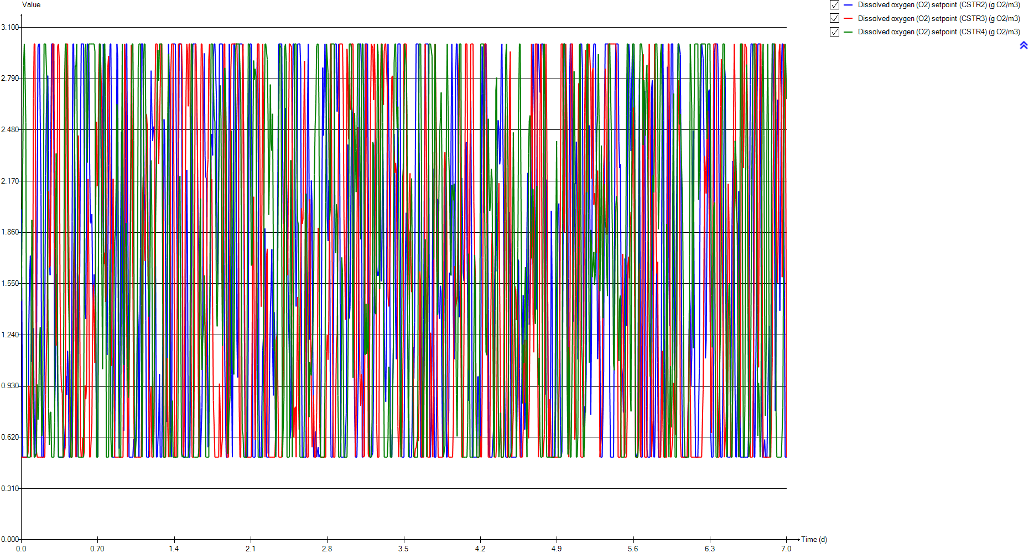
DO
Time | Dissolved oxygen (O2) setpoint (CSTR2) | Dissolved oxygen (O2) setpoint (CSTR3) | Dissolved oxygen (O2) setpoint (CSTR4)
d | g O2/m3 | g O2/m3 | g O2/m3
0 | 2.00004 | 0.5 | 1.44522
0.0069444444444 | 2.00004 | 0.5 | 1.44522
0.013888888889 | 0.5 | 0.5 | 2.31202
0.020833333333 | 0.5 | 0.5 | 2.86955
0.027777777778 | 0.5 | 0.5 | 3
0.034722222222 | 0.5 | 0.5 | 2.80213
0.041666666667 | 0.5 | 0.5 | 2.52384
0.048611111111 | 0.5 | 0.5 | 0.785607
0.055555555556 | 0.5 | 0.5 | 0.5
0.0625 | 0.640367 | 0.52759 | 0.5
0.069444444444 | 1.30164 | 0.932222 | 0.5
0.076388888889 | 1.58481 | 0.8046 | 0.5
0.083333333333 | 1.71942 | 0.602917 | 0.5
0.090277777778 | 1.40011 | 0.5 | 1.21843
0.097222222222 | 1.07634 | 0.5 | 1.93488
0.10416666667 | 1.11263 | 1.11276 | 1.54774
0.11111111111 | 1.2801 | 2.66998 | 0.834275
0.11805555556 | 0.767301 | 3 | 0.5
0.125 | 0.5 | 3 | 0.5
0.13194444444 | 0.5 | 2.08556 | 0.5
0.13888888889 | 0.981666 | 0.536804 | 0.523347
0.14583333333 | 2.0382 | 0.5 | 0.939636
0.15277777778 | 2.97971 | 0.5 | 0.727128
0.15972222222 | 3 | 0.5 | 0.806308
0.16666666667 | 3 | 0.5 | 1.20233
0.17361111111 | 3 | 0.5 | 1.28607
0.18055555556 | 2.09028 | 0.5 | 0.984483
0.1875 | 0.5 | 0.5 | 0.629435
0.19444444444 | 0.5 | 0.5 | 0.671157
0.20138888889 | 0.5 | 0.5 | 1.67571
0.20833333333 | 0.5 | 0.5 | 3
0.21527777778 | 1.37234 | 0.5 | 3
0.22222222222 | 2.20292 | 0.877802 | 3
0.22916666667 | 2.5724 | 1.10678 | 3
0.23611111111 | 2.80114 | 1.28251 | 2.73803
0.24305555556 | 2.80862 | 1.90811 | 1.48791
0.25 | 2.35354 | 2.10868 | 0.795481
0.25694444444 | 1.71058 | 1.6484 | 0.573159
0.26388888889 | 1.60115 | 1.65689 | 0.770298
0.27083333333 | 2.42225 | 2.04109 | 0.773507
0.27777777778 | 3 | 2.54417 | 0.5
0.28472222222 | 3 | 3 | 0.5
0.29166666667 | 3 | 3 | 0.5
0.29861111111 | 2.36325 | 3 | 0.5
0.30555555556 | 0.800727 | 1.87805 | 0.711073
0.3125 | 1.01437 | 1.26407 | 1.76124
0.31944444444 | 1.60841 | 1.17494 | 2.33737
0.32638888889 | 1.59104 | 1.76042 | 2.07217
0.33333333333 | 0.838075 | 2.98737 | 1.11172
...

SNH
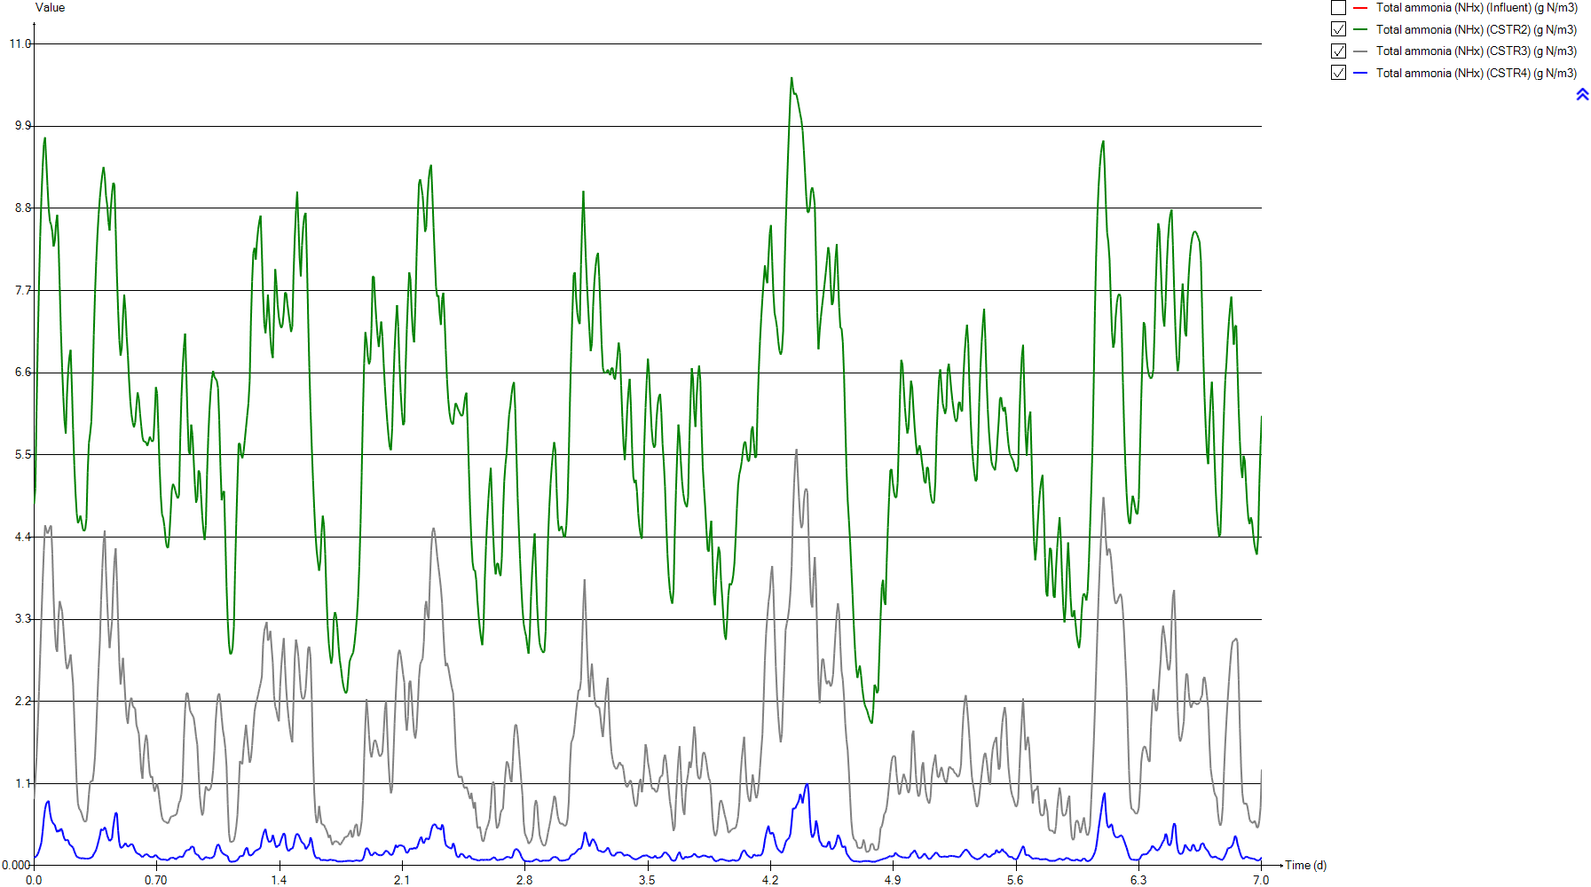
SNH
Time | Total ammonia (NHx) (Influent) | Total ammonia (NHx) (CSTR2) | Total ammonia (NHx) (CSTR3) | Total ammonia (NHx) (CSTR4)
d | g N/m3 | g N/m3 | g N/m3 | g N/m3
0 | 54.158651163 | 4.8443895957 | 0.89480102729 | 0.10833658041
0.0069444444444 | 54.158651163 | 5.0492125135 | 1.153730532 | 0.11509827314
0.013888888889 | 53.007348837 | 6.0823798359 | 1.4539385356 | 0.1295932483
0.020833333333 | 51.883883721 | 6.9969159355 | 1.8636301477 | 0.158374453
0.027777777778 | 50.786860465 | 7.7777056536 | 2.3341619906 | 0.19909676468
0.034722222222 | 49.714395349 | 8.4245531176 | 2.8302341166 | 0.25097550236
0.041666666667 | 48.664744186 | 8.9449638229 | 3.32376877 | 0.31294308347
0.048611111111 | 47.637069767 | 9.351591955 | 3.793076294 | 0.45562330798
0.055555555556 | 46.631651163 | 9.6607542953 | 4.2230603954 | 0.62907864689
0.0625 | 45.649953488 | 9.7511998543 | 4.558133095 | 0.75873245803
0.069444444444 | 44.694069767 | 9.4394544663 | 4.4996856797 | 0.83345305996
0.076388888889 | 43.766581395 | 9.1038379786 | 4.4491191222 | 0.85765645476
0.083333333333 | 42.870348837 | 8.7967135643 | 4.4764133 | 0.87003685835
0.090277777778 | 42.008162791 | 8.626127884 | 4.5358061001 | 0.7199305814
0.097222222222 | 41.183023256 | 8.5819851558 | 4.5542035198 | 0.63089298544
0.10416666667 | 40.398069767 | 8.4828460961 | 4.1750992518 | 0.58714649325
0.11111111111 | 39.656232558 | 8.29094696 | 3.599684322 | 0.5608932409
0.11805555556 | 38.96044186 | 8.36012922 | 3.1666846253 | 0.54971901372
0.125 | 38.313976744 | 8.5941608409 | 2.9125453079 | 0.48883570403
0.13194444444 | 37.719837209 | 8.7129557301 | 2.8652209831 | 0.45090509427
0.13888888889 | 37.178581395 | 8.384027804 | 3.3171137568 | 0.47948669581
0.14583333333 | 36.686860465 | 7.7694093596 | 3.5433667425 | 0.46083132293
0.15277777778 | 36.232953488 | 7.15249562 | 3.5451705098 | 0.49949402435
0.15972222222 | 35.791534884 | 6.6649158371 | 3.4070902099 | 0.48078457952
0.16666666667 | 35.314953488 | 6.273730836 | 3.1988004929 | 0.40779300684
0.17361111111 | 34.716976744 | 5.9493510637 | 2.9621361745 | 0.35723231201
0.18055555556 | 33.891906977 | 5.7866370598 | 2.7370803098 | 0.33631071738
0.1875 | 33.205325581 | 6.3063755534 | 2.6347902357 | 0.35002703194
0.19444444444 | 32.612511628 | 6.6312530315 | 2.6647239807 | 0.34269946265
0.20138888889 | 32.166069767 | 6.8166192355 | 2.7442961566 | 0.28796969768
0.20833333333 | 31.917348837 | 6.9056253298 | 2.8294310936 | 0.27425402237
0.21527777778 | 31.879255814 | 6.4121340667 | 2.8262400674 | 0.27721901797
0.22222222222 | 32.003790698 | 5.8404490112 | 2.4346123762 | 0.24599376569
0.22916666667 | 32.215186047 | 5.3629263385 | 1.961233399 | 0.19626208117
0.23611111111 | 32.478 | 4.987586885 | 1.5175749843 | 0.15250033733
0.24305555556 | 32.767186047 | 4.7185052275 | 1.0959687182 | 0.12384701312
0.25 | 33.071162791 | 4.5878744203 | 0.83605915337 | 0.11196754017
0.25694444444 | 33.428023256 | 4.6213273856 | 0.76372034794 | 0.11084904758
0.26388888889 | 33.872302326 | 4.6872800321 | 0.74510273561 | 0.098912910508
0.27083333333 | 34.427093023 | 4.6037962157 | 0.7015462179 | 0.095398636318
0.27777777778 | 35.111930233 | 4.5094966637 | 0.64335146963 | 0.10285753557
0.28472222222 | 35.890186047 | 4.4809300619 | 0.60031086626 | 0.098436360794
0.29166666667 | 36.711209302 | 4.5054815551 | 0.58940235164 | 0.096524397417
0.29861111111 | 37.535860465 | 4.646438811 | 0.60349311294 | 0.097038432486
0.30555555556 | 38.362534884 | 5.2706032975 | 0.73974305327 | 0.095939549977
0.3125 | 39.191093023 | 5.657095623 | 0.95505454809 | 0.09600749014
0.31944444444 | 40.017069767 | 5.7847566888 | 1.1189195053 | 0.10650660412
0.32638888889 | 40.779139535 | 5.9438649911 | 1.13749588 | 0.112043302
0.33333333333 | 41.397069767 | 6.4250816024 | 1.1319281853 | 0.12257169686
...

PE
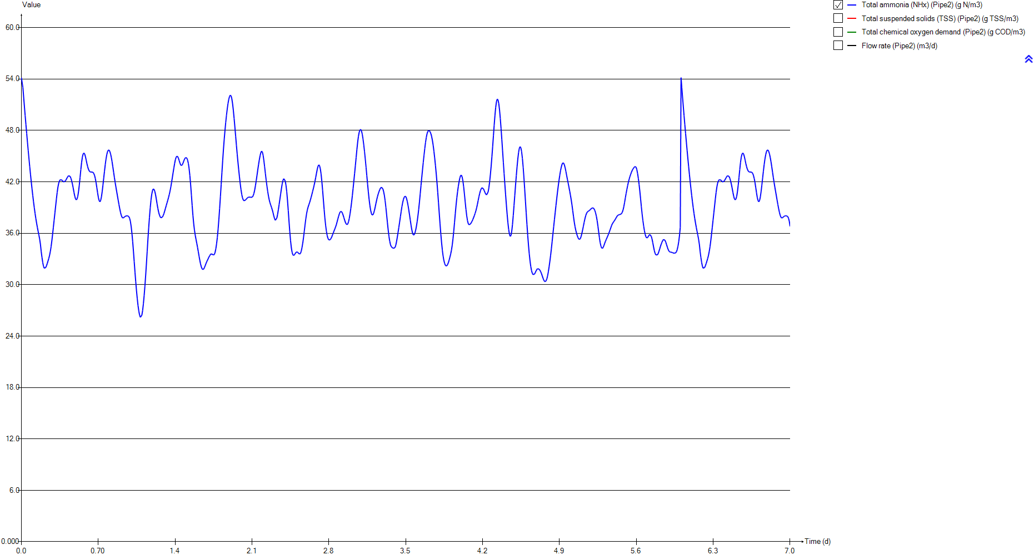
PE
Time | Total ammonia (NHx) (Pipe2) | Total suspended solids (TSS) (Pipe2) | Total chemical oxygen demand (Pipe2) | Flow rate (Pipe2)
d | g N/m3 | g TSS/m3 | g COD/m3 | m3/d
0 | 54.158651163 | 73.913358302 | 268.95597703 | 23479.368311
0.0069444444444 | 54.158651163 | 73.913358302 | 268.95597703 | 23479.368311
0.013888888889 | 53.007348837 | 73.65260151 | 268.0194949 | 23662.557328
0.020833333333 | 51.883883721 | 73.432636064 | 267.22944179 | 23845.09749
0.027777777778 | 50.786860465 | 73.250899446 | 266.57664805 | 24026.804488
0.034722222222 | 49.714395349 | 73.104287238 | 266.04998894 | 24207.302717
0.041666666667 | 48.664744186 | 72.989880274 | 265.63899771 | 24386.313763
0.048611111111 | 47.637069767 | 72.903852754 | 265.32994446 | 24563.468552
0.055555555556 | 46.631651163 | 72.842926801 | 265.11106256 | 24738.492735
0.0625 | 45.649953488 | 72.804735524 | 264.97385453 | 24911.106054
0.069444444444 | 44.694069767 | 72.78709508 | 264.91047788 | 25081.125324
0.076388888889 | 43.766581395 | 72.787822517 | 264.91309135 | 25247.976432
0.083333333333 | 42.870348837 | 72.804735524 | 264.97385453 | 25411.672961
0.090277777778 | 42.008162791 | 72.837107122 | 265.0901546 | 25571.728776
0.097222222222 | 41.183023256 | 72.885483804 | 265.26395289 | 25727.941951
0.10416666667 | 40.398069767 | 72.951685701 | 265.50178518 | 25880.003046
0.11111111111 | 39.656232558 | 73.039170726 | 265.81606896 | 26027.589925
0.11805555556 | 38.96044186 | 73.152853408 | 266.22445102 | 26170.466706
0.125 | 38.313976744 | 73.297650657 | 266.74458145 | 26308.201198
0.13194444444 | 37.719837209 | 73.480665797 | 267.40195628 | 26440.63731
0.13888888889 | 37.178581395 | 73.709371397 | 268.22338587 | 26567.419659
0.14583333333 | 36.686860465 | 73.993431203 | 269.24353309 | 26688.175105
0.15277777778 | 36.232953488 | 74.344704527 | 270.50491931 | 26802.708174
0.15972222222 | 35.791534884 | 74.77524962 | 272.05074261 | 26910.625381
0.16666666667 | 35.314953488 | 75.287494198 | 273.88958364 | 27011.706882
0.17361111111 | 34.716976744 | 75.843981192 | 275.88685707 | 27106.148534
0.18055555556 | 33.891906977 | 76.304062606 | 277.53781886 | 27194.876141
0.1875 | 33.205325581 | 76.337047469 | 277.65617155 | 27280.349597
0.19444444444 | 32.612511628 | 76.237001426 | 277.29719287 | 27360.045648
0.20138888889 | 32.166069767 | 76.031460766 | 276.55964437 | 27433.751539
0.20833333333 | 31.917348837 | 75.756534215 | 275.57303006 | 27500.98618
0.21527777778 | 31.879255814 | 75.446497963 | 274.46030124 | 27561.279397
0.22222222222 | 32.003790698 | 75.107562811 | 273.24371005 | 27614.678637
0.22916666667 | 32.215186047 | 74.736104662 | 271.91020708 | 27661.114809
0.23611111111 | 32.478 | 74.366365719 | 270.58269714 | 27700.015163
0.24305555556 | 32.767186047 | 74.049120484 | 269.44351829 | 27731.159606
0.25 | 33.071162791 | 73.797077314 | 268.53837637 | 27754.343177
0.25694444444 | 33.428023256 | 73.586372365 | 267.78162536 | 27769.65945
0.26388888889 | 33.872302326 | 73.390247311 | 267.07718623 | 27777.324584
0.27083333333 | 34.427093023 | 73.201057155 | 266.39760815 | 27777.497349
0.27777777778 | 35.111930233 | 73.015707565 | 265.73178019 | 27770.201722
0.28472222222 | 35.890186047 | 72.836561528 | 265.08819448 | 27755.319391
0.29166666667 | 36.711209302 | 72.68598431 | 264.54721037 | 27732.960735
0.29861111111 | 37.535860465 | 72.568332391 | 264.12449754 | 27702.894151
0.30555555556 | 38.362534884 | 72.507782099 | 263.90693869 | 27665.119072
0.3125 | 39.191093023 | 72.500327107 | 263.88015237 | 27619.76735
0.31944444444 | 40.017069767 | 72.534511242 | 264.00297782 | 27567.03165
0.32638888889 | 40.779139535 | 72.610155171 | 264.27476512 | 27507.013446
0.33333333333 | 41.397069767 | 72.733992992 | 264.71969608 | 27439.856892
...

Biomass
...
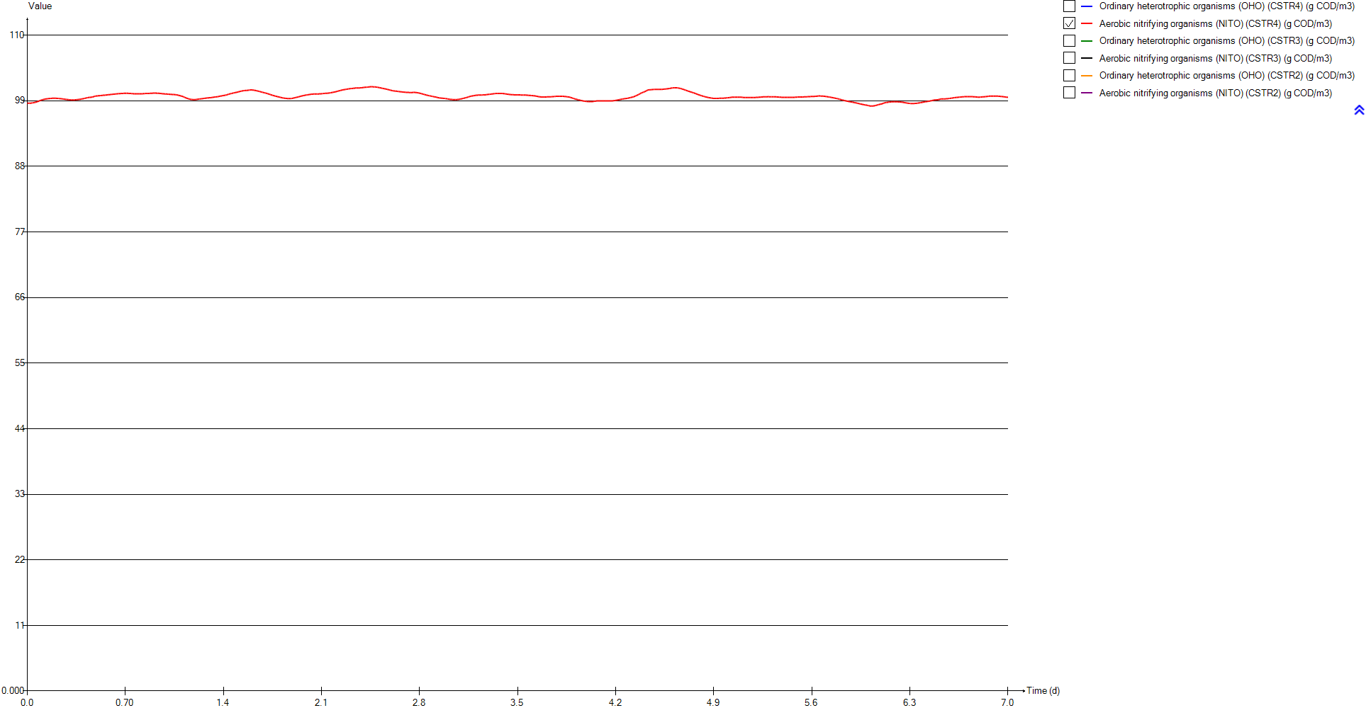
Aerobic nitrifying organisms (NITO) (CSTR4) | Ordinary heterotrophic organisms (OHO) (CSTR3) | Aerobic nitrifying organisms (NITO) (CSTR3) | Ordinary heterotrophic organisms (OHO) (CSTR2) | Aerobic nitrifying organisms (NITO) (CSTR2)
g COD/m3 | g COD/m3 | g COD/m3 | g COD/m3 | g COD/m3
98.598139436 | 1004.158843 | 98.704245957 | 1002.9536159 | 98.052457115
98.594422896 | 1004.1015552 | 98.659406957 | 1002.9399 | 98.039736591
98.592346617 | 1004.0234526 | 98.618435752 | 1002.7931444 | 97.895776531
98.596170972 | 1003.9314767 | 98.570395613 | 1002.6560447 | 97.789450158
98.609318886 | 1003.8397546 | 98.522931663 | 1002.5535088 | 97.710782338
98.632500966 | 1003.7550277 | 98.479078269 | 1002.4779484 | 97.653112839
98.664722189 | 1003.6807714 | 98.440228858 | 1002.4237034 | 97.612056127
98.696149077 | 1003.6185713 | 98.407125244 | 1002.3861596 | 97.584537914
98.729491615 | 1003.5686443 | 98.380126271 | 1002.3602321 | 97.568108782
98.772204127 | 1003.540328 | 98.368710879 | 1002.3737145 | 97.588748007
98.824282823 | 1003.5854256 | 98.432604367 | 1002.4601846 | 97.686069052
98.883375768 | 1003.6467665 | 98.490878656 | 1002.5533709 | 97.784350168
98.941026709 | 1003.6903917 | 98.52921404 | 1002.6355685 | 97.873530839
99.022134619 | 1003.7205327 | 98.556650188 | 1002.6944432 | 97.931800249
99.084439591 | 1003.7543074 | 98.587901846 | 1002.7325284 | 97.961623489
99.134610784 | 1003.8575016 | 98.695386054 | 1002.7839546 | 98.000221418
99.180229439 | 1004.0082111 | 98.839407153 | 1002.8620173 | 98.055424116
99.221548598 | 1004.1472981 | 98.951072325 | 1002.9033164 | 98.05491986
99.26700198 | 1004.255293 | 99.022893978 | 1002.9031548 | 98.018714968
99.302257203 | 1004.3309867 | 99.049471222 | 1002.9292489 | 98.003520157
99.3201722 | 1004.3310227 | 98.973050025 | 1003.0692799 | 98.077252283
99.341093486 | 1004.3664965 | 98.939562976 | 1003.2834626 | 98.208221946
99.350952792 | 1004.46165 | 98.949190956 | 1003.511685 | 98.338189882
99.369456321 | 1004.5991047 | 98.985036227 | 1003.7296105 | 98.439596482
99.392767696 | 1004.7643734 | 99.032860732 | 1003.9431036 | 98.518956713
99.407723654 | 1004.9502175 | 99.083964214 | 1004.1615031 | 98.581808997
99.415779585 | 1005.1508171 | 99.12982539 | 1004.3728801 | 98.607432095
99.418058138 | 1005.340016 | 99.147364238 | 1004.4518587 | 98.489549498
99.420579596 | 1005.5097524 | 99.134201885 | 1004.5538461 | 98.406382368
99.422099657 | 1005.6807722 | 99.107062602 | 1004.6961602 | 98.3478243
99.410860871 | 1005.8617255 | 99.075243523 | 1004.8662805 | 98.306434796
99.395730098 | 1006.0751188 | 99.058327454 | 1005.1746472 | 98.382280744
99.385340903 | 1006.3874177 | 99.116953152 | 1005.5150964 | 98.475291879
99.374241253 | 1006.739988 | 99.190497828 | 1005.8360167 | 98.551104949
99.357772537 | 1007.0958852 | 99.256639359 | 1006.1346206 | 98.608361849
99.337841186 | 1007.4562749 | 99.316108547 | 1006.4130845 | 98.64616957
99.316691913 | 1007.7969324 | 99.341353965 | 1006.6673857 | 98.657796961
99.294606404 | 1008.0970471 | 99.330268255 | 1006.890985 | 98.638042602
99.269176451 | 1008.3736922 | 99.311004057 | 1007.1049464 | 98.613949046
99.242701407 | 1008.6494382 | 99.298974828 | 1007.3459387 | 98.622873822
99.221342151 | 1008.928903 | 99.291885902 | 1007.5956803 | 98.637082134
99.202446952 | 1009.2058504 | 99.284310203 | 1007.8378806 | 98.641794732
99.183893724 | 1009.4727768 | 99.274310813 | 1008.0727158 | 98.64016946
99.167117037 | 1009.728673 | 99.264154407 | 1008.2910789 | 98.619443288
99.149703003 | 1009.9439907 | 99.237179913 | 1008.4164444 | 98.504882093
99.130901551 | 1010.1200332 | 99.202459044 | 1008.583539 | 98.442470229
99.11849467 | 1010.3019972 | 99.183208893 | 1008.8190908 | 98.436567605
99.116052906 | 1010.527001 | 99.195474545 | 1009.0660097 | 98.42800511
99.122649265 | 1010.7742703 | 99.214582446 | 1009.254087 | 98.357129983
...

TSS
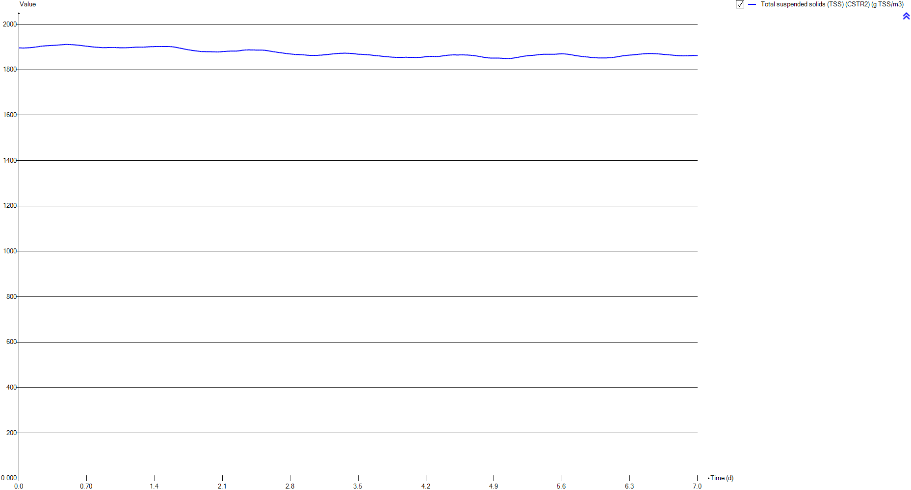
TSS
Time | Total suspended solids (TSS) (CSTR2)
d | g TSS/m3
0 | 1896.3420439
0.0069444444444 | 1896.3134401
0.013888888889 | 1896.1736327
0.020833333333 | 1896.0334078
0.027777777778 | 1895.9239042
0.034722222222 | 1895.8464785
0.041666666667 | 1895.8014955
0.048611111111 | 1895.7885451
0.055555555556 | 1895.8065637
0.0625 | 1895.8706817
0.069444444444 | 1896.0157924
0.076388888889 | 1896.1938562
0.083333333333 | 1896.3831931
0.090277777778 | 1896.5646121
0.097222222222 | 1896.7366087
0.10416666667 | 1896.925729
0.11111111111 | 1897.1431519
0.11805555556 | 1897.3395873
0.125 | 1897.5235378
0.13194444444 | 1897.7326529
0.13888888889 | 1898.0243295
0.14583333333 | 1898.3990634
0.15277777778 | 1898.8075417
0.15972222222 | 1899.2237557
0.16666666667 | 1899.6540787
0.17361111111 | 1900.1068828
0.18055555556 | 1900.56568
0.1875 | 1900.9429385
0.19444444444 | 1901.3252299
0.20138888889 | 1901.7197279
0.20833333333 | 1902.1094154
0.21527777778 | 1902.5557258
0.22222222222 | 1903.0103247
0.22916666667 | 1903.4262594
0.23611111111 | 1903.7985278
0.24305555556 | 1904.1287839
0.25 | 1904.4162465
0.25694444444 | 1904.6613153
0.26388888889 | 1904.8876655
0.27083333333 | 1905.1287392
0.27777777778 | 1905.3687229
0.28472222222 | 1905.5931764
0.29166666667 | 1905.8031175
0.29861111111 | 1905.9893584
0.30555555556 | 1906.0975677
0.3125 | 1906.2250468
0.31944444444 | 1906.4004627
0.32638888889 | 1906.5828075
0.33333333333 | 1906.7230555
...

Influent
...
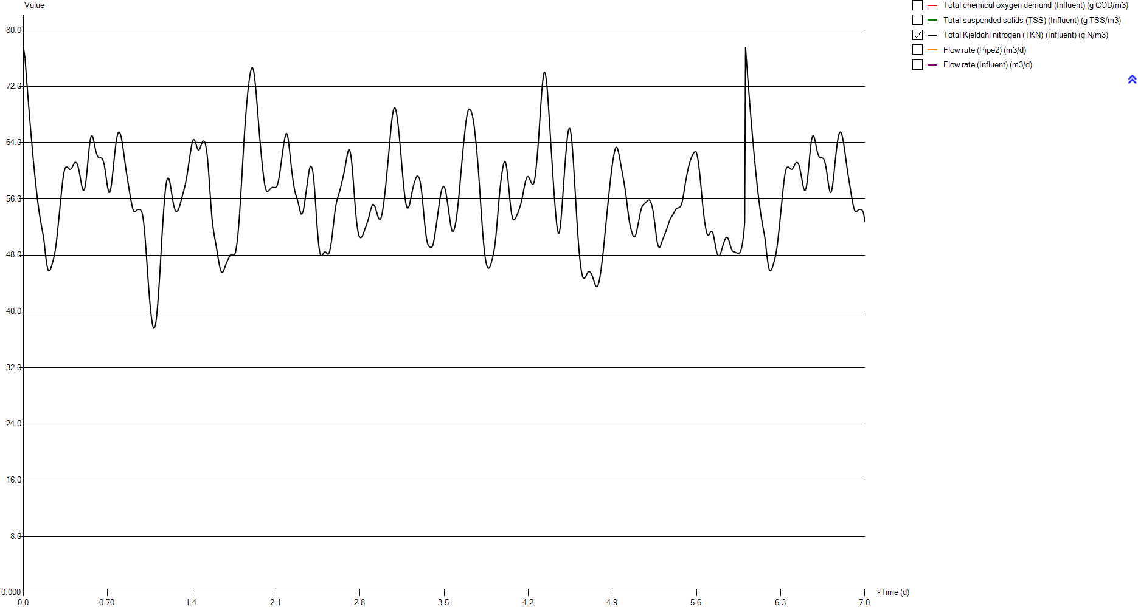
Total chemical oxygen demand (Influent) | Total suspended solids (TSS) (Influent) | Total Kjeldahl nitrogen (TKN) (Influent) | Flow rate (Pipe2) | Flow rate (Influent)
g COD/m3 | g TSS/m3 | g N/m3 | m3/d | m3/d
414.968 | 180.77489195 | 77.6274 | 23479.368311 | 24000
414.968 | 180.77489195 | 77.6274 | 23479.368311 | 24000
413.535 | 180.15092841 | 75.9772 | 23662.557328 | 24185.4
412.326 | 179.6245 | 74.3669 | 23845.09749 | 24370.4
411.327 | 179.18951076 | 72.7945 | 24026.804488 | 24554.8
410.521 | 178.83855849 | 71.2573 | 24207.302717 | 24738.2
409.892 | 178.56467638 | 69.7528 | 24386.313763 | 24920.3
409.419 | 178.35872052 | 68.2798 | 24563.468552 | 25100.7
409.084 | 178.21285325 | 66.8387 | 24738.492735 | 25279.1
408.874 | 178.12141408 | 65.4316 | 24911.106054 | 25455.2
408.777 | 178.07917788 | 64.0615 | 25081.125324 | 25628.8
408.781 | 178.08091958 | 62.7321 | 25247.976432 | 25799.3
408.874 | 178.12141408 | 61.4475 | 25411.672961 | 25966.7
409.052 | 178.19891967 | 60.2117 | 25571.728776 | 26130.5
409.318 | 178.31474262 | 59.029 | 25727.941951 | 26290.5
409.682 | 178.4732372 | 57.9039 | 25880.003046 | 26446.4
410.163 | 178.68267646 | 56.8406 | 26027.589925 | 26597.9
410.788 | 178.95481687 | 55.8433 | 26170.466706 | 26744.8
411.584 | 179.3014149 | 54.9167 | 26308.201198 | 26886.7
412.59 | 179.73945211 | 54.0651 | 26440.63731 | 27023.5
413.847 | 180.2867809 | 53.2893 | 26567.419659 | 27154.9
415.408 | 180.9664788 | 52.5845 | 26688.175105 | 27280.6
417.338 | 181.80684839 | 51.9339 | 26802.708174 | 27400.5
419.703 | 182.83662771 | 51.3012 | 26910.625381 | 27514.3
422.516 | 184.06147727 | 50.6181 | 27011.706882 | 27621.8
425.571 | 185.39169961 | 49.761 | 27106.148534 | 27722.9
428.096 | 186.49114687 | 48.5784 | 27194.876141 | 27817.4
428.277 | 186.56995873 | 47.5943 | 27280.349597 | 27905.1
427.728 | 186.3309106 | 46.7446 | 27360.045648 | 27985.8
426.6 | 185.83975158 | 46.1047 | 27433.751539 | 28059.5
425.091 | 185.18269577 | 45.7482 | 27500.98618 | 28126
423.389 | 184.441603 | 45.6936 | 27561.279397 | 28185.1
421.528 | 183.63127771 | 45.8721 | 27614.678637 | 28236.9
419.488 | 182.74301141 | 46.1751 | 27661.114809 | 28281.3
417.457 | 181.85866392 | 46.5518 | 27700.015163 | 28318
415.714 | 181.09971874 | 46.9663 | 27731.159606 | 28347.2
414.329 | 180.49665559 | 47.402 | 27754.343177 | 28368.8
413.171 | 179.99243384 | 47.9135 | 27769.65945 | 28382.7
412.093 | 179.52304605 | 48.5503 | 27777.324584 | 28388.9
411.053 | 179.07020441 | 49.3455 | 27777.497349 | 28387.5
410.034 | 178.62650668 | 50.3271 | 27770.201722 | 28378.5
409.049 | 178.19761339 | 51.4426 | 27755.319391 | 28361.8
408.221 | 177.83708177 | 52.6194 | 27732.960735 | 28337.7
407.574 | 177.55536202 | 53.8014 | 27702.894151 | 28306
407.241 | 177.41036561 | 54.9863 | 27665.119072 | 28266.9
407.2 | 177.3925132 | 56.1739 | 27619.76735 | 28220.5
407.388 | 177.47437303 | 57.3578 | 27567.03165 | 28166.9
407.804 | 177.65550969 | 58.4501 | 27507.013446 | 28106.2
408.485 | 177.95203388 | 59.3358 | 27439.856892 | 28038.6
...

Timechart
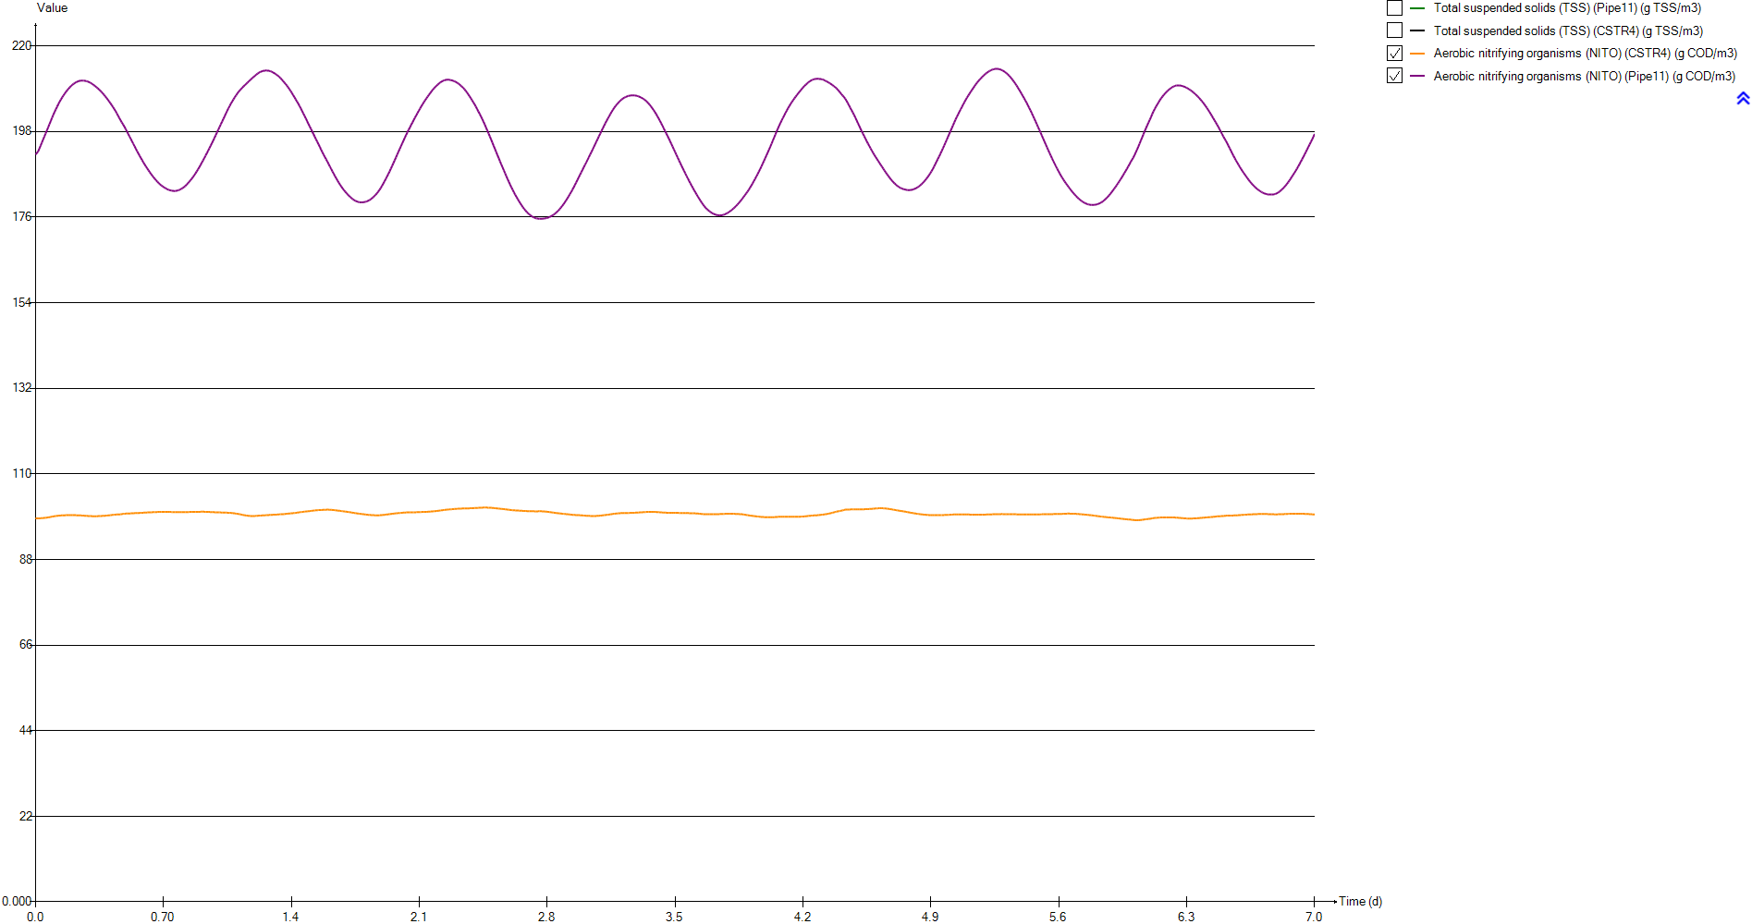
Timechart
Time | Total suspended solids (TSS) (Pipe11) | Total suspended solids (TSS) (CSTR4) | Aerobic nitrifying organisms (NITO) (CSTR4) | Aerobic nitrifying organisms (NITO) (Pipe11)
d | g TSS/m3 | g TSS/m3 | g COD/m3 | g COD/m3
0 | 3680.4240761 | 1889.0820141 | 98.598139436 | 192.09487123
0.0069444444444 | 3680.4033392 | 1889.0713978 | 98.594422896 | 192.08762764
0.013888888889 | 3694.7513332 | 1889.0740881 | 98.592346617 | 192.83214269
0.020833333333 | 3709.0861281 | 1889.0958595 | 98.596170972 | 193.58556539
0.027777777778 | 3723.3859596 | 1889.1327814 | 98.609318886 | 194.35402161
0.034722222222 | 3737.6116313 | 1889.1797486 | 98.632500966 | 195.1375898
0.041666666667 | 3751.7334519 | 1889.2326876 | 98.664722189 | 195.93337612
0.048611111111 | 3765.7472401 | 1889.3039053 | 98.696149077 | 196.72046935
0.055555555556 | 3779.5937259 | 1889.3743693 | 98.729491615 | 197.50313815
0.0625 | 3793.2421682 | 1889.4397283 | 98.772204127 | 198.29523224
0.069444444444 | 3806.7037395 | 1889.5126792 | 98.824282823 | 199.09618555
0.076388888889 | 3819.9394304 | 1889.5960909 | 98.883375768 | 199.89907258
0.083333333333 | 3832.9417374 | 1889.6856598 | 98.941026709 | 200.68691787
0.090277777778 | 3845.6680471 | 1889.7791181 | 99.022134619 | 201.50834318
0.097222222222 | 3858.1095649 | 1889.8798787 | 99.084439591 | 202.27667823
0.10416666667 | 3870.2496792 | 1889.9916107 | 99.134610784 | 203.00391463
0.11111111111 | 3882.0821881 | 1890.1234828 | 99.180229439 | 203.70404665
0.11805555556 | 3893.5835683 | 1890.2729091 | 99.221548598 | 204.37651589
0.125 | 3904.6915389 | 1890.4260601 | 99.26700198 | 205.03685963
0.13194444444 | 3915.3943639 | 1890.5831906 | 99.302257203 | 205.65479483
0.13888888889 | 3925.6560426 | 1890.7404037 | 99.3201722 | 206.21383739
0.14583333333 | 3935.4506066 | 1890.8993212 | 99.341093486 | 206.75451211
0.15277777778 | 3944.8211523 | 1891.0879152 | 99.350952792 | 207.24670542
0.15972222222 | 3953.7127058 | 1891.2945421 | 99.369456321 | 207.72982382
0.16666666667 | 3962.1022738 | 1891.5164262 | 99.392767696 | 208.19502566
0.17361111111 | 3970.0121746 | 1891.7568742 | 99.407723654 | 208.61553541
0.18055555556 | 3977.5253972 | 1892.0208052 | 99.415779585 | 208.99811836
0.1875 | 3984.8470454 | 1892.313951 | 99.418058138 | 209.35519448
0.19444444444 | 3991.7464114 | 1892.6207237 | 99.420579596 | 209.6889973
0.20138888889 | 3998.1815387 | 1892.9292356 | 99.422099657 | 209.99601882
0.20833333333 | 4004.1534181 | 1893.2578547 | 99.410860871 | 210.24940547
0.21527777778 | 4009.6273756 | 1893.6076753 | 99.395730098 | 210.46589831
0.22222222222 | 4014.5913147 | 1893.971322 | 99.385340903 | 210.66397456
0.22916666667 | 4019.0094427 | 1894.334625 | 99.374241253 | 210.83181856
0.23611111111 | 4022.8114403 | 1894.6858315 | 99.357772537 | 210.95718213
0.24305555556 | 4025.9865052 | 1895.0281681 | 99.337841186 | 211.04319968
0.25 | 4028.5255728 | 1895.365108 | 99.316691913 | 211.09380536
0.25694444444 | 4030.4270276 | 1895.6926097 | 99.294606404 | 211.10999922
0.26388888889 | 4031.645636 | 1895.981654 | 99.269176451 | 211.08756047
0.27083333333 | 4032.2669527 | 1896.2666575 | 99.242701407 | 211.03206323
0.27777777778 | 4032.3385211 | 1896.5691605 | 99.221342151 | 210.95673619
0.28472222222 | 4031.7585276 | 1896.8459001 | 99.202446952 | 210.85545823
0.29166666667 | 4030.5607582 | 1897.1087614 | 99.183893724 | 210.72419148
0.29861111111 | 4028.7366512 | 1897.3623741 | 99.167117037 | 210.5650478
0.30555555556 | 4026.24889 | 1897.5893195 | 99.149703003 | 210.37290712
0.3125 | 4023.1234125 | 1897.7969639 | 99.130901551 | 210.14674305
0.31944444444 | 4019.4636103 | 1898.0268976 | 99.11849467 | 209.90386539
0.32638888889 | 4015.2471219 | 1898.2649839 | 99.116052906 | 209.65220848
0.33333333333 | 4010.4920755 | 1898.5145569 | 99.122649265 | 209.39033516
...

Timechart (2)
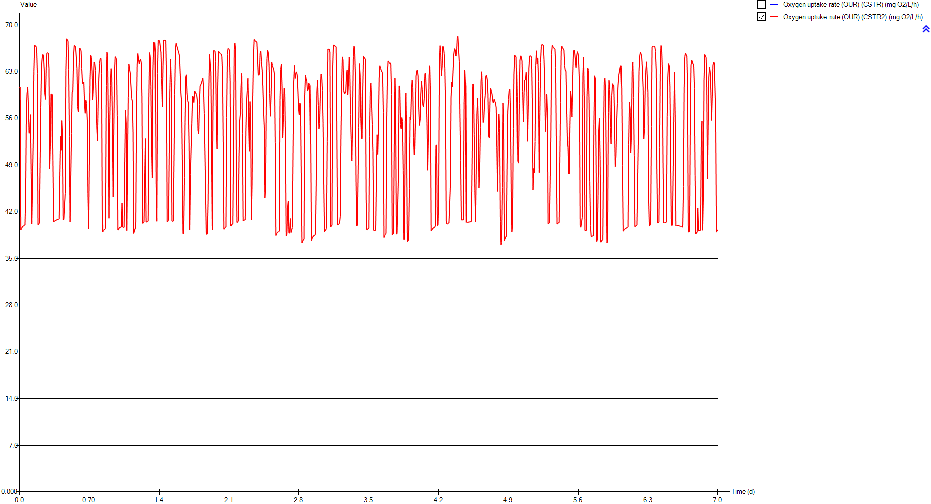
Timechart
Time | Oxygen uptake rate (OUR) (CSTR) | Oxygen uptake rate (OUR) (CSTR2)
d | mg O2/L/h | mg O2/L/h
0 | 0 | 60.61567918
0.0069444444444 | 0 | 60.742518323
0.013888888889 | 0 | 39.249216299
0.020833333333 | 0 | 39.511424944
0.027777777778 | 0 | 39.691017381
0.034722222222 | 0 | 39.817877115
0.041666666667 | 0 | 39.910916567
0.048611111111 | 0 | 39.981335981
0.055555555556 | 0 | 40.037926225
0.0625 | 0 | 44.681807966
0.069444444444 | 0 | 56.803631001
0.076388888889 | 0 | 59.655776539
0.083333333333 | 0 | 60.745899136
0.090277777778 | 0 | 57.857331993
0.097222222222 | 0 | 53.787623302
0.10416666667 | 0 | 54.345690712
0.11111111111 | 0 | 56.553211679
0.11805555556 | 0 | 48.03156049
0.125 | 0 | 40.201929964
0.13194444444 | 0 | 40.255029455
0.13888888889 | 0 | 52.453192009
0.14583333333 | 0 | 63.04269293
0.15277777778 | 0 | 66.993183441
0.15972222222 | 0 | 66.897704414
0.16666666667 | 0 | 66.755492857
0.17361111111 | 0 | 66.626805443
0.18055555556 | 0 | 62.746508932
0.1875 | 0 | 40.066126779
0.19444444444 | 0 | 40.190564867
0.20138888889 | 0 | 40.270636267
0.20833333333 | 0 | 40.31966454
0.21527777778 | 0 | 57.629925463
0.22222222222 | 0 | 63.589842487
0.22916666667 | 0 | 64.99042686
0.23611111111 | 0 | 65.567602896
0.24305555556 | 0 | 65.3626591
0.25 | 0 | 63.428570685
0.25694444444 | 0 | 59.654050475
0.26388888889 | 0 | 58.837043823
0.27083333333 | 0 | 63.759932684
0.27777777778 | 0 | 65.79401249
0.28472222222 | 0 | 65.765147175
0.29166666667 | 0 | 65.791821754
0.29861111111 | 0 | 63.540420675
0.30555555556 | 0 | 48.399596046
0.3125 | 0 | 52.617412874
0.31944444444 | 0 | 59.656391464
0.32638888889 | 0 | 59.594602045
0.33333333333 | 0 | 49.698794097
...

Primary

Unit overview

Name: | Primary
Sumo name: | Primary1
Category: | Separators
Unit: | Primary
Type: | Volumeless primary with specified primary sludge concentration

Settings

 | Process settings
Symbol | Name | Value | Unit | Comment
fXTSS,sludge | Solids percent removal | 60 | %
XTSS,sludge,target | Sludge solids concentration | 5000 | g/m3
...

CSTR
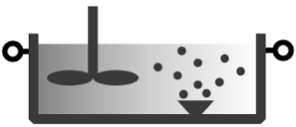
Unit overview

Name: | CSTR
Sumo name: | CSTR1
Category: | Bioreactors
Unit: | CSTR
Type: | CSTR with diffused aeration and input DO

Settings

 | Reactor settings
Symbol | Name | Value | Unit | Comment
L.Vtrain | Volume per train | 2000 | m3
Ntrain | Number of trains | 1
...

CSTR2
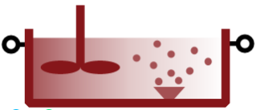
Unit overview

Name: | CSTR2
Sumo name: | CSTR2
Category: | Bioreactors
Unit: | CSTR
Type: | CSTR with diffused aeration and input DO

Settings

 | Reactor settings
Symbol | Name | Value | Unit | Comment
L.Vtrain | Volume per train | 2000 | m3
Ntrain | Number of trains | 1
...

Clarifier

Unit overview

Name: | Clarifier
Sumo name: | Clarifier1
Category: | Separators
Unit: | Clarifier
Type: | Volumeless clarifier with fixed effluent solids

Settings

 | Process settings
Symbol | Name | Value | Unit | Comment
Qsludge,target | Sludge flow | 24000 | m3/d
XTSS,eff,target | Effluent solids | 10 | g/m3
...

