SRT
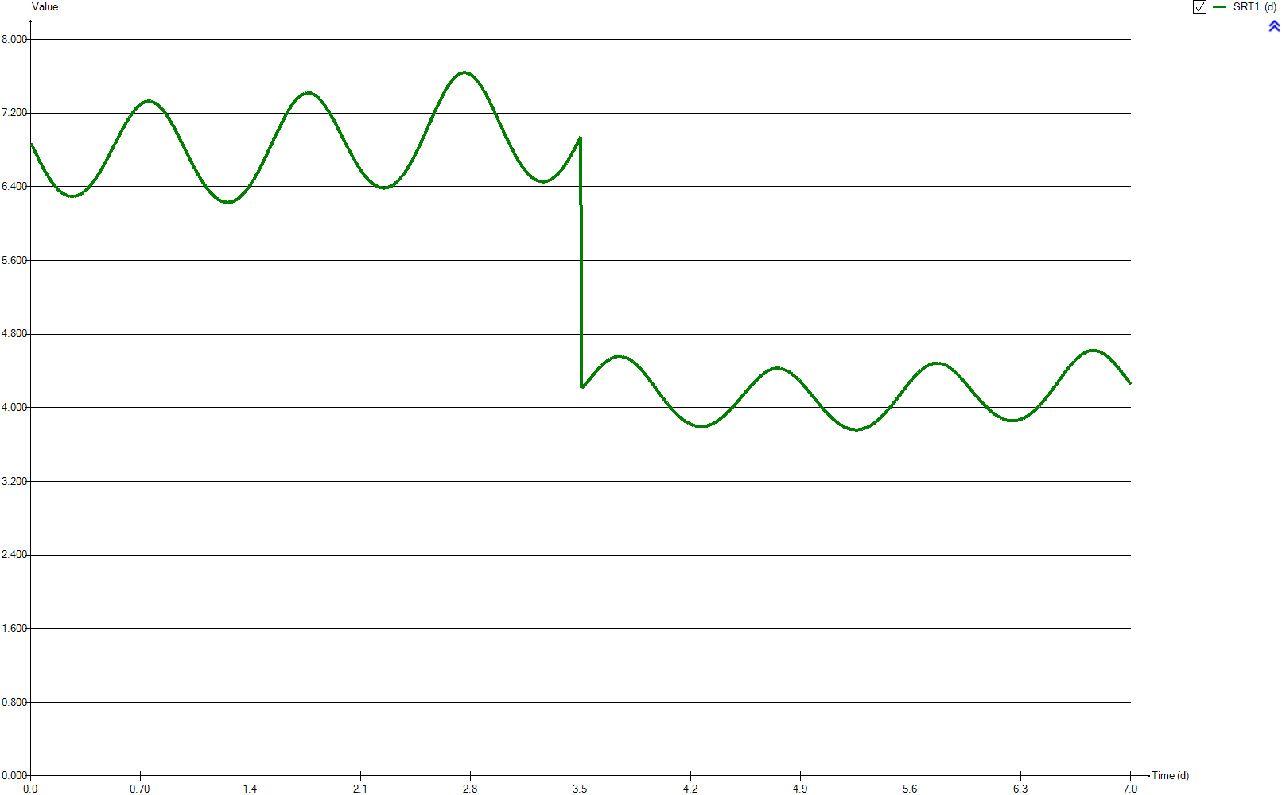
SRT
Time | SRT1
d | d
0 | 6.8642162112
0.0069444444444 | 6.8640858931
0.013888888889 | 6.8375394657
0.020833333333 | 6.8112835739
0.027777777778 | 6.7853744077
0.034722222222 | 6.7598619603
0.041666666667 | 6.7347760014
0.048611111111 | 6.7100994027
0.055555555556 | 6.6859108102
0.0625 | 6.6622802851
0.069444444444 | 6.6392524761
0.076388888889 | 6.6168292541
0.083333333333 | 6.5949641408
0.090277777778 | 6.5737528004
0.097222222222 | 6.5531334297
0.10416666667 | 6.5331584884
0.11111111111 | 6.5138580002
0.11805555556 | 6.4951803055
0.125 | 6.4772249597
0.13194444444 | 6.4599923241
0.13888888889 | 6.4435297317
0.14583333333 | 6.4279453392
0.15277777778 | 6.4131265955
0.15972222222 | 6.3991360088
0.16666666667 | 6.3859955376
0.17361111111 | 6.3736791771
0.18055555556 | 6.3621711507
0.1875 | 6.3514040146
0.19444444444 | 6.3415245482
0.20138888889 | 6.332579283
0.20833333333 | 6.3245224276
0.21527777778 | 6.3174316928
0.22222222222 | 6.3112894649
0.22916666667 | 6.3060562886
0.23611111111 | 6.3017468864
0.24305555556 | 6.298317711
0.25 | 6.2957521296
0.25694444444 | 6.2940592991
0.26388888889 | 6.2933079446
0.27083333333 | 6.2934765032
0.27777777778 | 6.2945266261
0.28472222222 | 6.2965106681
0.29166666667 | 6.2993787083
0.29861111111 | 6.3031479409
0.30555555556 | 6.307762182
0.3125 | 6.3132944854
0.31944444444 | 6.3197192168
0.32638888889 | 6.32702134
0.33333333333 | 6.3351251715
0.34027777778 | 6.3440112021
0.34722222222 | 6.3537625507
0.35416666667 | 6.3643525342
0.36111111111 | 6.3757639378
0.36805555556 | 6.3879820293
0.375 | 6.4009906101
0.38194444444 | 6.4147547456
0.38888888889 | 6.4293079534
0.39583333333 | 6.44459212
0.40277777778 | 6.4605834817
0.40972222222 | 6.4773276751
0.41666666667 | 6.494725761
0.42361111111 | 6.5127554015
0.43055555556 | 6.5313566938
0.4375 | 6.5504354212
0.44444444444 | 6.5699623564
0.45138888889 | 6.5898581433
0.45833333333 | 6.6102983058
0.46527777778 | 6.6312719171
0.47222222222 | 6.6527250475
0.47916666667 | 6.6746790365
0.48611111111 | 6.6969920299
0.49305555556 | 6.7195309823
0.5 | 6.7421661771
0.50694444444 | 6.7648835268
0.51388888889 | 6.7877723142
0.52083333333 | 6.8107556358
0.52777777778 | 6.8339228291
0.53472222222 | 6.8571521226
0.54166666667 | 6.8803737584
0.54861111111 | 6.9035098361
0.55555555556 | 6.9265451955
0.5625 | 6.949428369
0.56944444444 | 6.9721011525
0.57638888889 | 6.9946050624
0.58333333333 | 7.0167503428
0.59027777778 | 7.038502697
0.59722222222 | 7.0598630172
0.60416666667 | 7.0807607465
0.61111111111 | 7.1011555823
0.61805555556 | 7.1209678186
0.625 | 7.1400650647
0.63194444444 | 7.1584319755
0.63888888889 | 7.1760510722
0.64583333333 | 7.1929417988
0.65277777778 | 7.209039034
0.65972222222 | 7.2243085769
0.66666666667 | 7.2386797904
0.67361111111 | 7.252114857
0.68055555556 | 7.2645192942
0.6875 | 7.2757587702
0.69444444444 | 7.2859930143
0.70138888889 | 7.2952212575
0.70833333333 | 7.3036070766
0.71527777778 | 7.3108382752
0.72222222222 | 7.3168990616
0.72916666667 | 7.321761729
0.73611111111 | 7.3253498496
0.74305555556 | 7.3276942393
0.75 | 7.3289053088
0.75694444444 | 7.3289347778
0.76388888889 | 7.327715814
0.77083333333 | 7.3252402098
0.77777777778 | 7.3213009805
0.78472222222 | 7.3162635838
0.79166666667 | 7.3101397136
0.79861111111 | 7.3029119895
0.80555555556 | 7.2947335333
0.8125 | 7.285387671
0.81944444444 | 7.2747235424
0.82638888889 | 7.2629765561
0.83333333333 | 7.2501308763
0.84027777778 | 7.236299477
0.84722222222 | 7.2216754742
0.85416666667 | 7.2060226315
0.86111111111 | 7.1894092224
0.86805555556 | 7.1720725424
0.875 | 7.1539997274
0.88194444444 | 7.1351920278
0.88888888889 | 7.1155821076
0.89583333333 | 7.0951932718
0.90277777778 | 7.0743174901
0.90972222222 | 7.0529524573
0.91666666667 | 7.0313074282
0.92361111111 | 7.009168309
0.93055555556 | 6.9865133769
0.9375 | 6.963407837
0.94444444444 | 6.9401221526
0.95138888889 | 6.9166695417
0.95833333333 | 6.8929859103
0.96527777778 | 6.8691077381
0.97222222222 | 6.8450115963
0.97916666667 | 6.8207954458
0.98611111111 | 6.7965910864
0.99305555556 | 6.7724763692
1 | 6.7484617397
1.0069444444 | 6.7246188586
1.0138888889 | 6.7009430886
1.0208333333 | 6.6774566001
1.0277777778 | 6.6542078068
1.0347222222 | 6.6311445069
1.0416666667 | 6.6084418477
1.0486111111 | 6.5861993066
1.0555555556 | 6.5644653396
1.0625 | 6.5432896951
1.0694444444 | 6.522612164
1.0763888889 | 6.5023658348
1.0833333333 | 6.4826364039
1.0902777778 | 6.4635718668
1.0972222222 | 6.4451172997
1.1041666667 | 6.4272758692
1.1111111111 | 6.4101609048
1.1180555556 | 6.3937572841
1.125 | 6.3780362474
1.1319444444 | 6.3629986703
1.1388888889 | 6.3486525778
1.1458333333 | 6.3349793845
1.1527777778 | 6.3220528318
1.1597222222 | 6.3098828478
1.1666666667 | 6.298496464
1.1736111111 | 6.2879957782
1.1805555556 | 6.2783985142
1.1875 | 6.2696750607
1.1944444444 | 6.2617703829
1.2013888889 | 6.2546709592
1.2083333333 | 6.248458802
1.2152777778 | 6.2431316013
1.2222222222 | 6.2387627558
1.2291666667 | 6.2352896935
1.2361111111 | 6.2326121424
1.2430555556 | 6.2308029733
1.25 | 6.2298711211
1.2569444444 | 6.2298462469
1.2638888889 | 6.2307649615
1.2708333333 | 6.2325298117
1.2777777778 | 6.2351975053
1.2847222222 | 6.2387631954
1.2916666667 | 6.2432217289
1.2986111111 | 6.2485989264
1.3055555556 | 6.2549152525
1.3125 | 6.2621216294
1.3194444444 | 6.2701857018
1.3263888889 | 6.2790496265
1.3333333333 | 6.2887751715
1.3402777778 | 6.2994188418
1.3472222222 | 6.3109217961
1.3541666667 | 6.3232599151
1.3611111111 | 6.3364192139
1.3680555556 | 6.3502885969
1.375 | 6.3648867306
1.3819444444 | 6.3803532994
1.3888888889 | 6.3966274252
1.3958333333 | 6.413632201
1.4027777778 | 6.4313024832
1.4097222222 | 6.4496672303
1.4166666667 | 6.4687109167
1.4236111111 | 6.4883532966
1.4305555556 | 6.5086416815
1.4375 | 6.5295852394
1.4444444444 | 6.5511619474
1.4513888889 | 6.5732714727
1.4583333333 | 6.5958524673
1.4652777778 | 6.6188141991
1.4722222222 | 6.6422030655
1.4791666667 | 6.6658736023
1.4861111111 | 6.6898606889
1.4930555556 | 6.7142048038
1.5 | 6.7388801134
1.5069444444 | 6.7639207077
1.5138888889 | 6.7892056123
1.5208333333 | 6.8146415648
1.5277777778 | 6.8400902406
1.5347222222 | 6.8655733191
1.5416666667 | 6.8910983296
1.5486111111 | 6.9166645796
1.5555555556 | 6.9421275472
1.5625 | 6.9674341542
1.5694444444 | 6.9925039432
1.5763888889 | 7.0172190486
1.5833333333 | 7.0417467196
1.5902777778 | 7.065997709
1.5972222222 | 7.0898974037
1.6041666667 | 7.1133482799
1.6111111111 | 7.1362613828
1.6180555556 | 7.1585625507
1.625 | 7.1802256258
1.6319444444 | 7.2013306134
1.6388888889 | 7.2216369484
1.6458333333 | 7.2411204558
1.6527777778 | 7.2597931579
1.6597222222 | 7.2777111938
1.6666666667 | 7.2947635772
1.6736111111 | 7.3109044291
1.6805555556 | 7.3259959792
1.6875 | 7.3398784846
1.6944444444 | 7.3527880263
1.7013888889 | 7.3646232754
1.7083333333 | 7.3753007075
1.7152777778 | 7.3848563789
1.7222222222 | 7.3932737775
1.7291666667 | 7.4007422038
1.7361111111 | 7.4069350943
1.7430555556 | 7.4118191493
1.75 | 7.4154359625
1.7569444444 | 7.4177483911
1.7638888889 | 7.4187802024
1.7708333333 | 7.4185382234
1.7777777778 | 7.4170334178
1.7847222222 | 7.4142557333
1.7916666667 | 7.4102387457
1.7986111111 | 7.4050650168
1.8055555556 | 7.3987292392
1.8125 | 7.39126026
1.8194444444 | 7.3826452575
1.8263888889 | 7.3728900249
1.8333333333 | 7.361977102
1.8402777778 | 7.3499792692
1.8472222222 | 7.3370238149
1.8541666667 | 7.3231365215
1.8611111111 | 7.308259529
1.8680555556 | 7.2924303167
1.875 | 7.2756832083
1.8819444444 | 7.258007539
1.8888888889 | 7.2394442406
1.8958333333 | 7.2203839966
1.9027777778 | 7.2008078134
1.9097222222 | 7.1806949632
1.9166666667 | 7.1601180822
1.9236111111 | 7.1389391583
1.9305555556 | 7.1171637419
1.9375 | 7.094949435
1.9444444444 | 7.0724700812
1.9513888889 | 7.0497696715
1.9583333333 | 7.0268467307
1.9652777778 | 7.0037061378
1.9722222222 | 6.9803453224
1.9791666667 | 6.9568872889
1.9861111111 | 6.9334143217
1.9930555556 | 6.9099569099
2 | 6.8865418703
2.0069444444 | 6.8632225622
2.0138888889 | 6.8401018397
2.0208333333 | 6.8171770262
2.0277777778 | 6.7945603824
2.0347222222 | 6.7721984525
2.0416666667 | 6.750150271
2.0486111111 | 6.7283720026
2.0555555556 | 6.7069786735
2.0625 | 6.6860237113
2.0694444444 | 6.6656987755
2.0763888889 | 6.6459047794
2.0833333333 | 6.626697409
2.0902777778 | 6.6080644489
2.0972222222 | 6.590015508
2.1041666667 | 6.5725803241
2.1111111111 | 6.555771347
2.1180555556 | 6.5396236899
2.125 | 6.5241680094
2.1319444444 | 6.5093971265
2.1388888889 | 6.4953075472
2.1458333333 | 6.4820403502
2.1527777778 | 6.4696507194
2.1597222222 | 6.4580551374
2.1666666667 | 6.4472137748
2.1736111111 | 6.4371712128
2.1805555556 | 6.4279418597
2.1875 | 6.4195585176
2.1944444444 | 6.4120522039
2.2013888889 | 6.4054692865
2.2083333333 | 6.3998343887
2.2152777778 | 6.3951558247
2.2222222222 | 6.3913941939
2.2291666667 | 6.3884894645
2.2361111111 | 6.3864610297
2.2430555556 | 6.3853234672
2.25 | 6.3851011414
2.2569444444 | 6.3857801909
2.2638888889 | 6.3873825525
2.2708333333 | 6.3900008555
2.2777777778 | 6.3935746365
2.2847222222 | 6.3980990801
2.2916666667 | 6.4035510753
2.2986111111 | 6.4099001236
2.3055555556 | 6.4171399551
2.3125 | 6.425319286
2.3194444444 | 6.4344075354
2.3263888889 | 6.4443187017
2.3333333333 | 6.4551562964
2.3402777778 | 6.4669703608
2.3472222222 | 6.4797223019
2.3541666667 | 6.4933262343
2.3611111111 | 6.5077584762
2.3680555556 | 6.5229936056
2.375 | 6.5390493313
2.3819444444 | 6.5558554029
2.3888888889 | 6.5733354027
2.3958333333 | 6.59162732
2.4027777778 | 6.6107811054
2.4097222222 | 6.6307618051
2.4166666667 | 6.6513377465
2.4236111111 | 6.6724964742
2.4305555556 | 6.6940269616
2.4375 | 6.7162395532
2.4444444444 | 6.7390325609
2.4513888889 | 6.7623741388
2.4583333333 | 6.7863472505
2.4652777778 | 6.8107392106
2.4722222222 | 6.8355411906
2.4791666667 | 6.8606950456
2.4861111111 | 6.8862698297
2.4930555556 | 6.9122786479
2.5 | 6.9385350743
2.5069444444 | 6.9649795573
2.5138888889 | 6.9915782766
2.5208333333 | 7.0183303714
2.5277777778 | 7.0452476233
2.5347222222 | 7.072204208
2.5416666667 | 7.0991151679
2.5486111111 | 7.1258900717
2.5555555556 | 7.1526353217
2.5625 | 7.1791917308
2.5694444444 | 7.205477971
2.5763888889 | 7.2315028212
2.5833333333 | 7.2572004716
2.5902777778 | 7.2825918681
2.5972222222 | 7.307570619
2.6041666667 | 7.3320108955
2.6111111111 | 7.3558928288
2.6180555556 | 7.3791920351
2.625 | 7.4017970681
2.6319444444 | 7.423715157
2.6388888889 | 7.4449077321
2.6458333333 | 7.4652748699
2.6527777778 | 7.4847416062
2.6597222222 | 7.5032502528
2.6666666667 | 7.5207084704
2.6736111111 | 7.5370777033
2.6805555556 | 7.5523611887
2.6875 | 7.5664865544
2.6944444444 | 7.5794357897
2.7013888889 | 7.5912250449
2.7083333333 | 7.6018108452
2.7152777778 | 7.6111792808
2.7222222222 | 7.6192549034
2.7291666667 | 7.6259210233
2.7361111111 | 7.6311136175
2.7430555556 | 7.6350918335
2.75 | 7.6378029235
2.7569444444 | 7.6392282359
2.7638888889 | 7.6392919562
2.7708333333 | 7.6380183401
2.7777777778 | 7.6354961869
2.7847222222 | 7.6316540689
2.7916666667 | 7.626498147
2.7986111111 | 7.6199775535
2.8055555556 | 7.6121271813
2.8125 | 7.6029932431
2.8194444444 | 7.5925926684
2.8263888889 | 7.5809255461
2.8333333333 | 7.5680521957
2.8402777778 | 7.5539976623
2.8472222222 | 7.5388298474
2.8541666667 | 7.5225455883
2.8611111111 | 7.5053366279
2.8680555556 | 7.4872308099
2.875 | 7.4682610396
2.8819444444 | 7.4485161392
2.8888888889 | 7.4279912986
2.8958333333 | 7.4066612198
2.9027777778 | 7.3845664869
2.9097222222 | 7.3618852365
2.9166666667 | 7.3385836359
2.9236111111 | 7.3147050724
2.9305555556 | 7.2904606577
2.9375 | 7.2656964099
2.9444444444 | 7.240505482
2.9513888889 | 7.2149035974
2.9583333333 | 7.1891025801
2.9652777778 | 7.1631399381
2.9722222222 | 7.1371236083
2.9791666667 | 7.111119606
2.9861111111 | 7.0851502719
2.9930555556 | 7.0593093567
3 | 7.0335078392
3.0069444444 | 7.0077773989
3.0138888889 | 6.9822040744
3.0208333333 | 6.956824972
3.0277777778 | 6.9316782892
3.0347222222 | 6.9067620524
3.0416666667 | 6.8822366719
3.0486111111 | 6.8580167109
3.0555555556 | 6.8341208494
3.0625 | 6.8106637625
3.0694444444 | 6.7877930142
3.0763888889 | 6.7654956239
3.0833333333 | 6.7438282899
3.0902777778 | 6.7228333495
3.0972222222 | 6.7024701675
3.1041666667 | 6.6827332928
3.1111111111 | 6.6636879371
3.1180555556 | 6.6452470625
3.125 | 6.6274818048
3.1319444444 | 6.6104816918
3.1388888889 | 6.5943456257
3.1458333333 | 6.5791057878
3.1527777778 | 6.5647016715
3.1597222222 | 6.5511025031
3.1666666667 | 6.5383578942
3.1736111111 | 6.5264352533
3.1805555556 | 6.5152675531
3.1875 | 6.5049570439
3.1944444444 | 6.4955653184
3.2013888889 | 6.487099391
3.2083333333 | 6.4796000696
3.2152777778 | 6.4730757497
3.2222222222 | 6.4675083428
3.2291666667 | 6.4628907586
3.2361111111 | 6.4592101222
3.2430555556 | 6.4564594945
3.25 | 6.4546056713
3.2569444444 | 6.4536610979
3.2638888889 | 6.4536348316
3.2708333333 | 6.4545166853
3.2777777778 | 6.4564131263
3.2847222222 | 6.4593058755
3.2916666667 | 6.4631381487
3.2986111111 | 6.4678851665
3.3055555556 | 6.4735346641
3.3125 | 6.4800324541
3.3194444444 | 6.4872858583
3.3263888889 | 6.4954781232
3.3333333333 | 6.5045627548
3.3402777778 | 6.5145569819
3.3472222222 | 6.5254858266
3.3541666667 | 6.5372946176
3.3611111111 | 6.5500015168
3.3680555556 | 6.5634469525
3.375 | 6.5775201843
3.3819444444 | 6.592375232
3.3888888889 | 6.6080173757
3.3958333333 | 6.6244080506
3.4027777778 | 6.6417157689
3.4097222222 | 6.6597873928
3.4166666667 | 6.6784755743
3.4236111111 | 6.6977587699
3.4305555556 | 6.7175866244
3.4375 | 6.7379925106
3.4444444444 | 6.7589569387
3.4513888889 | 6.7803889202
3.4583333333 | 6.8022695792
3.4652777778 | 6.824557865
3.4722222222 | 6.8471534026
3.4791666667 | 6.8702801053
3.4861111111 | 6.8937006203
3.4930555556 | 6.9174053704
3.5 | 6.9414392217
3.5069444444 | 4.2131489793
3.5138888889 | 4.2254723879
3.5208333333 | 4.2380832926
3.5277777778 | 4.2510393157
3.5347222222 | 4.2643189169
3.5416666667 | 4.2778967264
3.5486111111 | 4.2918841559
3.5555555556 | 4.3060774646
3.5625 | 4.3203813018
3.5694444444 | 4.3346968646
3.5763888889 | 4.3489658373
3.5833333333 | 4.3630616542
3.5902777778 | 4.3769386688
3.5972222222 | 4.3905752863
3.6041666667 | 4.4039350608
3.6111111111 | 4.4169627269
3.6180555556 | 4.4296030452
3.625 | 4.4418245388
3.6319444444 | 4.4536721562
3.6388888889 | 4.4650083454
3.6458333333 | 4.4757970771
3.6527777778 | 4.4859635375
3.6597222222 | 4.4954682171
3.6666666667 | 4.5042553951
3.6736111111 | 4.5124237298
3.6805555556 | 4.5200216473
3.6875 | 4.5270844573
3.6944444444 | 4.5335107814
3.7013888889 | 4.5392071556
3.7083333333 | 4.5440509524
3.7152777778 | 4.5481488388
3.7222222222 | 4.5515619652
3.7291666667 | 4.5541393594
3.7361111111 | 4.5558537368
3.7430555556 | 4.5567560714
3.75 | 4.5568704031
3.7569444444 | 4.5562053871
3.7638888889 | 4.5547442885
3.7708333333 | 4.552486552
3.7777777778 | 4.5494491023
3.7847222222 | 4.5456476653
3.7916666667 | 4.5410424812
3.7986111111 | 4.5356757919
3.8055555556 | 4.5295888225
3.8125 | 4.5227542824
3.8194444444 | 4.5151839965
3.8263888889 | 4.5069251989
3.8333333333 | 4.4979944242
3.8402777778 | 4.4884165664
3.8472222222 | 4.4781902276
3.8541666667 | 4.4673168917
3.8611111111 | 4.455821488
3.8680555556 | 4.4438939315
3.875 | 4.4315288929
3.8819444444 | 4.4187417985
3.8888888889 | 4.405439256
3.8958333333 | 4.3916642093
3.9027777778 | 4.3774423434
3.9097222222 | 4.3628456355
3.9166666667 | 4.347957293
3.9236111111 | 4.3327888394
3.9305555556 | 4.3173933543
3.9375 | 4.3018020728
3.9444444444 | 4.2860355088
3.9513888889 | 4.2700842898
3.9583333333 | 4.2540383751
3.9652777778 | 4.2379225188
3.9722222222 | 4.2217494565
3.9791666667 | 4.2055151131
3.9861111111 | 4.1892693739
3.9930555556 | 4.1731220143
4 | 4.1570504417
4.0069444444 | 4.1410351183
4.0138888889 | 4.125120045
4.0208333333 | 4.1093446581
4.0277777778 | 4.0936804595
4.0347222222 | 4.0781791656
4.0416666667 | 4.0629376156
4.0486111111 | 4.0479720548
4.0555555556 | 4.0333279987
4.0625 | 4.0190141623
4.0694444444 | 4.0050175069
4.0763888889 | 3.991363296
4.0833333333 | 3.9780603409
4.0902777778 | 3.9651249997
4.0972222222 | 3.9525388591
4.1041666667 | 3.9403323083
4.1111111111 | 3.9285812976
4.1180555556 | 3.9172502236
4.125 | 3.9063243868
4.1319444444 | 3.8958451193
4.1388888889 | 3.8858835293
4.1458333333 | 3.8763945682
4.1527777778 | 3.8673721771
4.1597222222 | 3.8588133367
4.1666666667 | 3.8507497588
4.1736111111 | 3.8432439542
4.1805555556 | 3.8362727801
4.1875 | 3.8298041524
4.1944444444 | 3.8238910506
4.2013888889 | 3.8185167666
4.2083333333 | 3.8137313334
4.2152777778 | 3.8095168365
4.2222222222 | 3.8058391152
4.2291666667 | 3.8026910696
4.2361111111 | 3.8000983389
4.2430555556 | 3.7980480021
4.25 | 3.7965320806
4.2569444444 | 3.7955667796
4.2638888889 | 3.7951507151
4.2708333333 | 3.7952319494
4.2777777778 | 3.7958048919
4.2847222222 | 3.7969323927
4.2916666667 | 3.7986299684
4.2986111111 | 3.8009036796
4.3055555556 | 3.8037305443
4.3125 | 3.8070975378
4.3194444444 | 3.8110007723
4.3263888889 | 3.8154708247
4.3333333333 | 3.8204786025
4.3402777778 | 3.8259948041
4.3472222222 | 3.8320252142
4.3541666667 | 3.8385777777
4.3611111111 | 3.8456162241
4.3680555556 | 3.8531203558
4.375 | 3.861096302
4.3819444444 | 3.869537943
4.3888888889 | 3.8784010444
4.3958333333 | 3.8877150245
4.4027777778 | 3.8974448983
4.4097222222 | 3.9075720841
4.4166666667 | 3.918097769
4.4236111111 | 3.9290402637
4.4305555556 | 3.9403203071
4.4375 | 3.9519122234
4.4444444444 | 3.9637911768
4.4513888889 | 3.9759524703
4.4583333333 | 3.9884388085
4.4652777778 | 4.0012606899
4.4722222222 | 4.0143203993
4.4791666667 | 4.0275563344
4.4861111111 | 4.0409686732
4.4930555556 | 4.0545960304
4.5 | 4.0683689377
4.5069444444 | 4.0822768729
4.5138888889 | 4.0962902484
4.5208333333 | 4.1103815351
4.5277777778 | 4.1244934006
4.5347222222 | 4.1386728807
4.5416666667 | 4.1529059255
4.5486111111 | 4.1670783706
4.5555555556 | 4.1811596942
4.5625 | 4.1951023819
4.5694444444 | 4.2088961989
4.5763888889 | 4.2225221961
4.5833333333 | 4.2359932974
4.5902777778 | 4.2492771962
4.5972222222 | 4.2623079373
4.6041666667 | 4.275021341
4.6111111111 | 4.2874118188
4.6180555556 | 4.2994670541
4.625 | 4.3111643136
4.6319444444 | 4.3224912899
4.6388888889 | 4.3333467956
4.6458333333 | 4.3437309045
4.6527777778 | 4.3536190085
4.6597222222 | 4.36299792
4.6666666667 | 4.371830274
4.6736111111 | 4.3801159875
4.6805555556 | 4.3877749943
4.6875 | 4.3947923796
4.6944444444 | 4.4011601285
4.7013888889 | 4.406855122
4.7083333333 | 4.4118831943
4.7152777778 | 4.416225958
4.7222222222 | 4.4198305177
4.7291666667 | 4.4226871206
4.7361111111 | 4.4248366901
4.7430555556 | 4.4262524645
4.75 | 4.4269401023
4.7569444444 | 4.4269279173
4.7638888889 | 4.4261778432
4.7708333333 | 4.4247588662
4.7777777778 | 4.4225582305
4.7847222222 | 4.419583947
4.7916666667 | 4.4158983443
4.7986111111 | 4.4115072272
4.8055555556 | 4.4063840392
4.8125 | 4.4006087199
4.8194444444 | 4.3941111451
4.8263888889 | 4.3869329983
4.8333333333 | 4.3791300894
4.8402777778 | 4.3707588986
4.8472222222 | 4.361846357
4.8541666667 | 4.3523701101
4.8611111111 | 4.3423008616
4.8680555556 | 4.3317227323
4.875 | 4.3206584841
4.8819444444 | 4.3091712001
4.8888888889 | 4.2973096874
4.8958333333 | 4.2850600197
4.9027777778 | 4.272436129
4.9097222222 | 4.2594097123
4.9166666667 | 4.2461135442
4.9236111111 | 4.2325448849
4.9305555556 | 4.2187074121
4.9375 | 4.2046506806
4.9444444444 | 4.1904336437
4.9513888889 | 4.1761614092
4.9583333333 | 4.1617637089
4.9652777778 | 4.147269124
4.9722222222 | 4.132704174
4.9791666667 | 4.1181094877
4.9861111111 | 4.1034879785
4.9930555556 | 4.0888212783
5 | 4.0741615467
5.0069444444 | 4.0596842483
5.0138888889 | 4.0453203912
5.0208333333 | 4.031083389
5.0277777778 | 4.0170492797
5.0347222222 | 4.0032208254
5.0416666667 | 3.9896503919
5.0486111111 | 3.9762911826
5.0555555556 | 3.9631459628
5.0625 | 3.9502365449
5.0694444444 | 3.9376009904
5.0763888889 | 3.9252491137
5.0833333333 | 3.9132600263
5.0902777778 | 3.9016325689
5.0972222222 | 3.8904183874
5.1041666667 | 3.8796000121
5.1111111111 | 3.869158
5.1180555556 | 3.8590854901
5.125 | 3.8494278286
5.1319444444 | 3.840210529
5.1388888889 | 3.831417753
5.1458333333 | 3.8230797891
5.1527777778 | 3.8152362176
5.1597222222 | 3.8078905467
5.1666666667 | 3.8010669109
5.1736111111 | 3.7947832338
5.1805555556 | 3.7890102591
5.1875 | 3.7837367787
5.1944444444 | 3.7789669274
5.2013888889 | 3.7747224939
5.2083333333 | 3.7709772451
5.2152777778 | 3.7677692814
5.2222222222 | 3.7651231098
5.2291666667 | 3.7630408278
5.2361111111 | 3.7614902344
5.2430555556 | 3.7604822456
5.25 | 3.7600221592
5.2569444444 | 3.7601062196
5.2638888889 | 3.760731924
5.2708333333 | 3.7618741088
5.2777777778 | 3.7635706081
5.2847222222 | 3.7658016419
5.2916666667 | 3.7685326944
5.2986111111 | 3.7717675295
5.3055555556 | 3.7755460351
5.3125 | 3.779874324
5.3194444444 | 3.7847595307
5.3263888889 | 3.7902135661
5.3333333333 | 3.7962442261
5.3402777778 | 3.8028009075
5.3472222222 | 3.8098543756
5.3541666667 | 3.8174008861
5.3611111111 | 3.8254306235
5.3680555556 | 3.8339561782
5.375 | 3.8429489746
5.3819444444 | 3.8523598326
5.3888888889 | 3.8621856886
5.3958333333 | 3.8724342035
5.4027777778 | 3.8831145781
5.4097222222 | 3.8942161004
5.4166666667 | 3.9057320562
5.4236111111 | 3.9176834634
5.4305555556 | 3.9300701442
5.4375 | 3.9428147456
5.4444444444 | 3.9559034194
5.4513888889 | 3.9692956716
5.4583333333 | 3.9829596916
5.4652777778 | 3.9969031918
5.4722222222 | 4.0111133368
5.4791666667 | 4.025572296
5.4861111111 | 4.0402231807
5.4930555556 | 4.0550929519
5.5 | 4.0701277142
5.5069444444 | 4.0853048911
5.5138888889 | 4.1006078119
5.5208333333 | 4.1160438897
5.5277777778 | 4.131561221
5.5347222222 | 4.1471008958
5.5416666667 | 4.1626805635
5.5486111111 | 4.1782608983
5.5555555556 | 4.1938009455
5.5625 | 4.2092529336
5.5694444444 | 4.2245585555
5.5763888889 | 4.2397231104
5.5833333333 | 4.2547626948
5.5902777778 | 4.2695819529
5.5972222222 | 4.284150921
5.6041666667 | 4.2984271652
5.6111111111 | 4.312359027
5.6180555556 | 4.3257729381
5.625 | 4.3388430919
5.6319444444 | 4.351530717
5.6388888889 | 4.3638032082
5.6458333333 | 4.3757363777
5.6527777778 | 4.3872294872
5.6597222222 | 4.3981542093
5.6666666667 | 4.4084599766
5.6736111111 | 4.418191741
5.6805555556 | 4.4273441429
5.6875 | 4.4359352633
5.6944444444 | 4.4439194111
5.7013888889 | 4.451201757
5.7083333333 | 4.457770796
5.7152777778 | 4.463602628
5.7222222222 | 4.4686969072
5.7291666667 | 4.4730770884
5.7361111111 | 4.4767461162
5.7430555556 | 4.4796627911
5.75 | 4.4818388773
5.7569444444 | 4.4832968774
5.7638888889 | 4.4840214805
5.7708333333 | 4.4839712338
5.7777777778 | 4.4831278579
5.7847222222 | 4.4815068196
5.7916666667 | 4.4791404796
5.7986111111 | 4.4760642308
5.8055555556 | 4.4722695492
5.8125 | 4.4677590643
5.8194444444 | 4.4625069416
5.8263888889 | 4.4565079534
5.8333333333 | 4.4498073695
5.8402777778 | 4.442455546
5.8472222222 | 4.4344805819
5.8541666667 | 4.425960764
5.8611111111 | 4.4169294839
5.8680555556 | 4.4073460476
5.875 | 4.3972039406
5.8819444444 | 4.3865006161
5.8888888889 | 4.3753261566
5.8958333333 | 4.3637372746
5.9027777778 | 4.3518269351
5.9097222222 | 4.3395939039
5.9166666667 | 4.3270083581
5.9236111111 | 4.3140814906
5.9305555556 | 4.3009041074
5.9375 | 4.2874864235
5.9444444444 | 4.2738339433
5.9513888889 | 4.2600224123
5.9583333333 | 4.2460896447
5.9652777778 | 4.2320360351
5.9722222222 | 4.2178472338
5.9791666667 | 4.2035586061
5.9861111111 | 4.1892864604
5.9930555556 | 4.1750541463
6 | 4.1609544423
6.0069444444 | 4.1469037493
6.0138888889 | 4.132935598
6.0208333333 | 4.1190712105
6.0277777778 | 4.1053091396
6.0347222222 | 4.0916809297
6.0416666667 | 4.0782154756
6.0486111111 | 4.0649345193
6.0555555556 | 4.0519102681
6.0625 | 4.0391578642
6.0694444444 | 4.0267235257
6.0763888889 | 4.01462539
6.0833333333 | 4.0028716048
6.0902777778 | 3.9914787684
6.0972222222 | 3.9804622455
6.1041666667 | 3.9698757132
6.1111111111 | 3.9596805253
6.1180555556 | 3.9498653541
6.125 | 3.9404579597
6.1319444444 | 3.9315235936
6.1388888889 | 3.9230847233
6.1458333333 | 3.9151232975
6.1527777778 | 3.9076005179
6.1597222222 | 3.9005258165
6.1666666667 | 3.8939266158
6.1736111111 | 3.8878404605
6.1805555556 | 3.8822876565
6.1875 | 3.8772672794
6.1944444444 | 3.8727898281
6.2013888889 | 3.8688742792
6.2083333333 | 3.8655367965
6.2152777778 | 3.8627409395
6.2222222222 | 3.8604893735
6.2291666667 | 3.858772345
6.2361111111 | 3.857615378
6.2430555556 | 3.8570130957
6.25 | 3.8569631082
6.2569444444 | 3.8574642675
6.2638888889 | 3.8585357349
6.2708333333 | 3.8602085346
6.2777777778 | 3.8624502763
6.2847222222 | 3.865260708
6.2916666667 | 3.8686212759
6.2986111111 | 3.8725179344
6.3055555556 | 3.8769099359
6.3125 | 3.8818117354
6.3194444444 | 3.8872784995
6.3263888889 | 3.8933195179
6.3333333333 | 3.8999397498
6.3402777778 | 3.9071392301
6.3472222222 | 3.9148566874
6.3541666667 | 3.9230643719
6.3611111111 | 3.9317877411
6.3680555556 | 3.9409774589
6.375 | 3.9506695138
6.3819444444 | 3.9608378876
6.3888888889 | 3.9714490275
6.3958333333 | 3.9825086306
6.4027777778 | 3.9940149569
6.4097222222 | 4.0059611298
6.4166666667 | 4.0183565893
6.4236111111 | 4.0311980307
6.4305555556 | 4.044430316
6.4375 | 4.0580353587
6.4444444444 | 4.0719828185
6.4513888889 | 4.0862259897
6.4583333333 | 4.1007746815
6.4652777778 | 4.1155867926
6.4722222222 | 4.1306526824
6.4791666667 | 4.1459977875
6.4861111111 | 4.1615731252
6.4930555556 | 4.1774233418
6.5 | 4.1935023829
6.5069444444 | 4.2097237028
6.5138888889 | 4.2260240154
6.5208333333 | 4.2423497814
6.5277777778 | 4.2587229849
6.5347222222 | 4.2751241202
6.5416666667 | 4.2915484541
6.5486111111 | 4.3079530331
6.5555555556 | 4.3243264972
6.5625 | 4.3406151092
6.5694444444 | 4.3567752378
6.5763888889 | 4.3727364873
6.5833333333 | 4.3884983463
6.5902777778 | 4.4040419394
6.5972222222 | 4.4192934531
6.6041666667 | 4.4341952914
6.6111111111 | 4.4487746317
6.6180555556 | 4.4630280679
6.625 | 4.4769097901
6.6319444444 | 4.4903305987
6.6388888889 | 4.5032462568
6.6458333333 | 4.5156131596
6.6527777778 | 4.5273567297
6.6597222222 | 4.5386160491
6.6666666667 | 4.5493136002
6.6736111111 | 4.5594211885
6.6805555556 | 4.5688695994
6.6875 | 4.5776189708
6.6944444444 | 4.5856270576
6.7013888889 | 4.592876909
6.7083333333 | 4.59937464
6.7152777778 | 4.605087684
6.7222222222 | 4.6100228972
6.7291666667 | 4.6141727515
6.7361111111 | 4.6174480861
6.7430555556 | 4.6199870891
6.75 | 4.62167271
6.7569444444 | 4.6224976452
6.7638888889 | 4.6225455309
6.7708333333 | 4.6218037095
6.7777777778 | 4.6201503973
6.7847222222 | 4.6175944477
6.7916666667 | 4.6142016883
6.7986111111 | 4.6099897502
6.8055555556 | 4.6049951254
6.8125 | 4.5992976577
6.8194444444 | 4.5928792264
6.8263888889 | 4.5857297712
6.8333333333 | 4.5779094962
6.8402777778 | 4.5694012593
6.8472222222 | 4.5601858181
6.8541666667 | 4.5503529663
6.8611111111 | 4.5399870052
6.8680555556 | 4.5290806668
6.875 | 4.5176309909
6.8819444444 | 4.5056625258
6.8888888889 | 4.4931891052
6.8958333333 | 4.4802143462
6.9027777778 | 4.4667464392
6.9097222222 | 4.4529010893
6.9166666667 | 4.4387218768
6.9236111111 | 4.4242171999
6.9305555556 | 4.409438059
6.9375 | 4.3943896203
6.9444444444 | 4.3791381272
6.9513888889 | 4.3637209459
6.9583333333 | 4.3481405451
6.9652777778 | 4.3324821582
6.9722222222 | 4.3167818508
6.9791666667 | 4.3009723822
6.9861111111 | 4.2850846081
6.9930555556 | 4.2691639533
7 | 4.2532468243

InputD
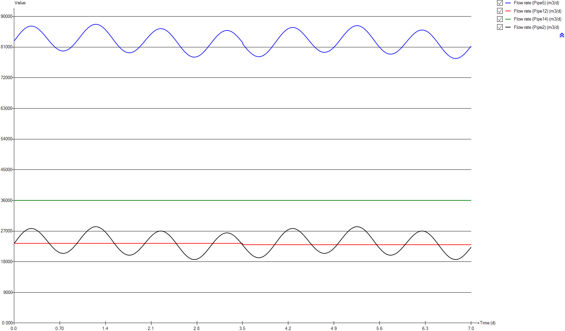
InputD
Time | Flow rate (Pipe5) | Flow rate (Pipe12) | Flow rate (Pipe14) | Flow rate (Pipe2)
d | m3/d | m3/d | m3/d | m3/d
0 | 82873.058067 | 23400 | 36000 | 23473.058067
0.0069444444444 | 82873.058067 | 23400 | 36000 | 23473.058067
0.013888888889 | 83054.387441 | 23400 | 36000 | 23654.387441
0.020833333333 | 83235.325597 | 23400 | 36000 | 23835.325597
0.027777777778 | 83415.676926 | 23400 | 36000 | 24015.676926
0.034722222222 | 83595.050212 | 23400 | 36000 | 24195.050212
0.041666666667 | 83773.15204 | 23400 | 36000 | 24373.15204
0.048611111111 | 83949.591193 | 23400 | 36000 | 24549.591193
0.055555555556 | 84124.074258 | 23400 | 36000 | 24724.074258
0.0625 | 84296.307822 | 23400 | 36000 | 24896.307822
0.069444444444 | 84466.096275 | 23400 | 36000 | 25066.096275
0.076388888889 | 84632.852792 | 23400 | 36000 | 25232.852792
0.083333333333 | 84796.577372 | 23400 | 36000 | 25396.577372
0.090277777778 | 84956.780993 | 23400 | 36000 | 25556.780993
0.097222222222 | 85113.268047 | 23400 | 36000 | 25713.268047
0.10416666667 | 85265.74512 | 23400 | 36000 | 25865.74512
0.11111111111 | 85413.918799 | 23400 | 36000 | 26013.918799
0.11805555556 | 85557.593475 | 23400 | 36000 | 26157.593475
0.125 | 85696.377931 | 23400 | 36000 | 26296.377931
0.13194444444 | 85830.174362 | 23400 | 36000 | 26430.174362
0.13888888889 | 85958.689355 | 23400 | 36000 | 26558.689355
0.14583333333 | 86081.629496 | 23400 | 36000 | 26681.629496
0.15277777778 | 86198.896982 | 23400 | 36000 | 26798.896982
0.15972222222 | 86310.198399 | 23400 | 36000 | 26910.198399
0.16666666667 | 86415.338139 | 23400 | 36000 | 27015.338139
0.17361111111 | 86514.218396 | 23400 | 36000 | 27114.218396
0.18055555556 | 86606.643562 | 23400 | 36000 | 27206.643562
0.1875 | 86692.418028 | 23400 | 36000 | 27292.418028
0.19444444444 | 86771.346186 | 23400 | 36000 | 27371.346186
0.20138888889 | 86843.428035 | 23400 | 36000 | 27443.428035
0.20833333333 | 86908.467967 | 23400 | 36000 | 27508.467967
0.21527777778 | 86966.270372 | 23400 | 36000 | 27566.270372
0.22222222222 | 87016.933056 | 23400 | 36000 | 27616.933056
0.22916666667 | 87060.358213 | 23400 | 36000 | 27660.358213
0.23611111111 | 87096.252431 | 23400 | 36000 | 27696.252431
0.24305555556 | 87124.811319 | 23400 | 36000 | 27724.811319
0.25 | 87145.937071 | 23400 | 36000 | 27745.937071
0.25694444444 | 87159.531884 | 23400 | 36000 | 27759.531884
0.26388888889 | 87165.595757 | 23400 | 36000 | 27765.595757
0.27083333333 | 87164.226495 | 23400 | 36000 | 27764.226495
0.27777777778 | 87155.424099 | 23400 | 36000 | 27755.424099
0.28472222222 | 87139.090762 | 23400 | 36000 | 27739.090762
0.29166666667 | 87115.5199 | 23400 | 36000 | 27715.5199
0.29861111111 | 87084.515902 | 23400 | 36000 | 27684.515902
0.30555555556 | 87046.274379 | 23400 | 36000 | 27646.274379
0.3125 | 87000.893133 | 23400 | 36000 | 27600.893133
0.31944444444 | 86948.46997 | 23400 | 36000 | 27548.46997
0.32638888889 | 86889.102694 | 23400 | 36000 | 27489.102694
0.33333333333 | 86822.986914 | 23400 | 36000 | 27422.986914
0.34027777778 | 86750.122629 | 23400 | 36000 | 27350.122629
0.34722222222 | 86670.803254 | 23400 | 36000 | 27270.803254
0.35416666667 | 86585.126592 | 23400 | 36000 | 27185.126592
0.36111111111 | 86493.288252 | 23400 | 36000 | 27093.288252
0.36805555556 | 86395.483844 | 23400 | 36000 | 26995.483844
0.375 | 86291.908975 | 23400 | 36000 | 26891.908975
0.38194444444 | 86182.759255 | 23400 | 36000 | 26782.759255
0.38888888889 | 86068.328097 | 23400 | 36000 | 26668.328097
0.39583333333 | 85948.713305 | 23400 | 36000 | 26548.713305
0.40277777778 | 85824.306097 | 23400 | 36000 | 26424.306097
0.40972222222 | 85695.302082 | 23400 | 36000 | 26295.302082
0.41666666667 | 85561.994673 | 23400 | 36000 | 26161.994673
0.42361111111 | 85424.579479 | 23400 | 36000 | 26024.579479
0.43055555556 | 85283.349913 | 23400 | 36000 | 25883.349913
0.4375 | 85138.599389 | 23400 | 36000 | 25738.599389
0.44444444444 | 84990.621318 | 23400 | 36000 | 25590.621318
0.45138888889 | 84839.80692 | 23400 | 36000 | 25439.80692
0.45833333333 | 84686.253999 | 23400 | 36000 | 25286.253999
0.46527777778 | 84530.451576 | 23400 | 36000 | 25130.451576
0.47222222222 | 84372.693065 | 23400 | 36000 | 24972.693065
0.47916666667 | 84213.174074 | 23400 | 36000 | 24813.174074
0.48611111111 | 84052.285822 | 23400 | 36000 | 24652.285822
0.49305555556 | 83890.321721 | 23400 | 36000 | 24490.321721
0.5 | 83727.67299 | 23400 | 36000 | 24327.67299
0.50694444444 | 83564.633041 | 23400 | 36000 | 24164.633041
0.51388888889 | 83401.495287 | 23400 | 36000 | 24001.495287
0.52083333333 | 83238.553142 | 23400 | 36000 | 23838.553142
0.52777777778 | 83076.295628 | 23400 | 36000 | 23676.295628
0.53472222222 | 82914.82055 | 23400 | 36000 | 23514.82055
0.54166666667 | 82754.519124 | 23400 | 36000 | 23354.519124
0.54861111111 | 82595.880373 | 23400 | 36000 | 23195.880373
0.55555555556 | 82439.002102 | 23400 | 36000 | 23039.002102
0.5625 | 82284.275528 | 23400 | 36000 | 22884.275528
0.56944444444 | 82131.994063 | 23400 | 36000 | 22731.994063
0.57638888889 | 81982.451123 | 23400 | 36000 | 22582.451123
0.58333333333 | 81836.037923 | 23400 | 36000 | 22436.037923
0.59027777778 | 81692.950073 | 23400 | 36000 | 22292.950073
0.59722222222 | 81553.383182 | 23400 | 36000 | 22153.383182
0.60416666667 | 81417.826272 | 23400 | 36000 | 22017.826272
0.61111111111 | 81286.474951 | 23400 | 36000 | 21886.474951
0.61805555556 | 81159.524828 | 23400 | 36000 | 21759.524828
0.625 | 81037.269318 | 23400 | 36000 | 21637.269318
0.63194444444 | 80919.904027 | 23400 | 36000 | 21519.904027
0.63888888889 | 80807.820175 | 23400 | 36000 | 21407.820175
0.64583333333 | 80701.017761 | 23400 | 36000 | 21301.017761
0.65277777778 | 80599.888002 | 23400 | 36000 | 21199.888002
0.65972222222 | 80504.528704 | 23400 | 36000 | 21104.528704
0.66666666667 | 80415.233279 | 23400 | 36000 | 21015.233279
0.67361111111 | 80332.001727 | 23400 | 36000 | 20932.001727
0.68055555556 | 80255.225266 | 23400 | 36000 | 20855.225266
0.6875 | 80184.903897 | 23400 | 36000 | 20784.903897
0.69444444444 | 80121.233227 | 23400 | 36000 | 20721.233227
0.70138888889 | 80064.311061 | 23400 | 36000 | 20664.311061
0.70833333333 | 80014.333008 | 23400 | 36000 | 20614.333008
0.71527777778 | 79971.396873 | 23400 | 36000 | 20571.396873
0.72222222222 | 79935.502655 | 23400 | 36000 | 20535.502655
0.72916666667 | 79906.748159 | 23400 | 36000 | 20506.748159
0.73611111111 | 79885.231189 | 23400 | 36000 | 20485.231189
0.74305555556 | 79870.951745 | 23400 | 36000 | 20470.951745
0.75 | 79864.105436 | 23400 | 36000 | 20464.105436
0.75694444444 | 79864.496654 | 23400 | 36000 | 20464.496654
0.76388888889 | 79872.223202 | 23400 | 36000 | 20472.223202
0.77083333333 | 79887.285081 | 23400 | 36000 | 20487.285081
0.77777777778 | 79909.682291 | 23400 | 36000 | 20509.682291
0.78472222222 | 79939.414831 | 23400 | 36000 | 20539.414831
0.79166666667 | 79976.287093 | 23400 | 36000 | 20576.287093
0.79861111111 | 80020.299077 | 23400 | 36000 | 20620.299077
0.80555555556 | 80071.450783 | 23400 | 36000 | 20671.450783
0.8125 | 80129.546601 | 23400 | 36000 | 20729.546601
0.81944444444 | 80194.586533 | 23400 | 36000 | 20794.586533
0.82638888889 | 80266.374969 | 23400 | 36000 | 20866.374969
0.83333333333 | 80344.814105 | 23400 | 36000 | 20944.814105
0.84027777778 | 80429.708331 | 23400 | 36000 | 21029.708331
0.84722222222 | 80520.959845 | 23400 | 36000 | 21120.959845
0.85416666667 | 80618.373036 | 23400 | 36000 | 21218.373036
0.86111111111 | 80721.8501 | 23400 | 36000 | 21321.8501
0.86805555556 | 80830.99982 | 23400 | 36000 | 21430.99982
0.875 | 80945.822196 | 23400 | 36000 | 21545.822196
0.88194444444 | 81066.023814 | 23400 | 36000 | 21666.023814
0.88888888889 | 81191.311261 | 23400 | 36000 | 21791.311261
0.89583333333 | 81321.586734 | 23400 | 36000 | 21921.586734
0.90277777778 | 81456.459013 | 23400 | 36000 | 22056.459013
0.90972222222 | 81595.830295 | 23400 | 36000 | 22195.830295
0.91666666667 | 81739.309363 | 23400 | 36000 | 22339.309363
0.92361111111 | 81886.602802 | 23400 | 36000 | 22486.602802
0.93055555556 | 82037.612809 | 23400 | 36000 | 22637.612809
0.9375 | 82191.948166 | 23400 | 36000 | 22791.948166
0.94444444444 | 82349.315459 | 23400 | 36000 | 22949.315459
0.95138888889 | 82509.323472 | 23400 | 36000 | 23109.323472
0.95833333333 | 82671.874399 | 23400 | 36000 | 23271.874399
0.96527777778 | 82836.479219 | 23400 | 36000 | 23436.479219
0.97222222222 | 83002.942322 | 23400 | 36000 | 23602.942322
0.97916666667 | 83170.872492 | 23400 | 36000 | 23770.872492
0.98611111111 | 83339.976314 | 23400 | 36000 | 23939.976314
0.99305555556 | 83509.862572 | 23400 | 36000 | 24109.862572
1 | 83680.43346 | 23400 | 36000 | 24280.43346
1.0069444444 | 83851.102154 | 23400 | 36000 | 24451.102154
1.0138888889 | 84021.673042 | 23400 | 36000 | 24621.673042
1.0208333333 | 84191.852713 | 23400 | 36000 | 24791.852713
1.0277777778 | 84361.249949 | 23400 | 36000 | 24961.249949
1.0347222222 | 84529.473532 | 23400 | 36000 | 25129.473532
1.0416666667 | 84696.425657 | 23400 | 36000 | 25296.425657
1.0486111111 | 84861.519499 | 23400 | 36000 | 25461.519499
1.0555555556 | 85024.657252 | 23400 | 36000 | 25624.657252
1.0625 | 85185.4477 | 23400 | 36000 | 25785.4477
1.0694444444 | 85343.499625 | 23400 | 36000 | 25943.499625
1.0763888889 | 85498.617417 | 23400 | 36000 | 26098.617417
1.0833333333 | 85650.507663 | 23400 | 36000 | 26250.507663
1.0902777778 | 85798.779147 | 23400 | 36000 | 26398.779147
1.0972222222 | 85943.334063 | 23400 | 36000 | 26543.334063
1.1041666667 | 86083.683389 | 23400 | 36000 | 26683.683389
1.1111111111 | 86219.631517 | 23400 | 36000 | 26819.631517
1.1180555556 | 86350.982838 | 23400 | 36000 | 26950.982838
1.125 | 86477.346134 | 23400 | 36000 | 27077.346134
1.1319444444 | 86598.6236 | 23400 | 36000 | 27198.6236
1.1388888889 | 86714.521824 | 23400 | 36000 | 27314.521824
1.1458333333 | 86824.845197 | 23400 | 36000 | 27424.845197
1.1527777778 | 86929.300306 | 23400 | 36000 | 27529.300306
1.1597222222 | 87027.789345 | 23400 | 36000 | 27627.789345
1.1666666667 | 87120.018903 | 23400 | 36000 | 27720.018903
1.1736111111 | 87205.793369 | 23400 | 36000 | 27805.793369
1.1805555556 | 87285.112744 | 23400 | 36000 | 27885.112744
1.1875 | 87357.683616 | 23400 | 36000 | 27957.683616
1.1944444444 | 87423.408178 | 23400 | 36000 | 28023.408178
1.2013888889 | 87482.090823 | 23400 | 36000 | 28082.090823
1.2083333333 | 87533.633747 | 23400 | 36000 | 28133.633747
1.2152777778 | 87578.036948 | 23400 | 36000 | 28178.036948
1.2222222222 | 87615.202623 | 23400 | 36000 | 28215.202623
1.2291666667 | 87644.837359 | 23400 | 36000 | 28244.837359
1.2361111111 | 87667.136764 | 23400 | 36000 | 28267.136764
1.2430555556 | 87681.90523 | 23400 | 36000 | 28281.90523
1.25 | 87689.142756 | 23400 | 36000 | 28289.142756
1.2569444444 | 87688.849343 | 23400 | 36000 | 28288.849343
1.2638888889 | 87680.927186 | 23400 | 36000 | 28280.927186
1.2708333333 | 87665.571894 | 23400 | 36000 | 28265.571894
1.2777777778 | 87642.587858 | 23400 | 36000 | 28242.587858
1.2847222222 | 87612.170687 | 23400 | 36000 | 28212.170687
1.2916666667 | 87574.320381 | 23400 | 36000 | 28174.320381
1.2986111111 | 87529.134744 | 23400 | 36000 | 28129.134744
1.3055555556 | 87476.613776 | 23400 | 36000 | 28076.613776
1.3125 | 87416.855283 | 23400 | 36000 | 28016.855283
1.3194444444 | 87349.957067 | 23400 | 36000 | 27949.957067
1.3263888889 | 87276.212543 | 23400 | 36000 | 27876.212543
1.3333333333 | 87195.523906 | 23400 | 36000 | 27795.523906
1.3402777778 | 87108.086765 | 23400 | 36000 | 27708.086765
1.3472222222 | 87014.194532 | 23400 | 36000 | 27614.194532
1.3541666667 | 86913.847209 | 23400 | 36000 | 27513.847209
1.3611111111 | 86807.338208 | 23400 | 36000 | 27407.338208
1.3680555556 | 86694.863138 | 23400 | 36000 | 27294.863138
1.375 | 86576.519804 | 23400 | 36000 | 27176.519804
1.3819444444 | 86452.601618 | 23400 | 36000 | 27052.601618
1.3888888889 | 86323.30419 | 23400 | 36000 | 26923.30419
1.3958333333 | 86188.920933 | 23400 | 36000 | 26788.920933
1.4027777778 | 86049.647455 | 23400 | 36000 | 26649.647455
1.4097222222 | 85905.77717 | 23400 | 36000 | 26505.77717
1.4166666667 | 85757.407882 | 23400 | 36000 | 26357.407882
1.4236111111 | 85605.126418 | 23400 | 36000 | 26205.126418
1.4305555556 | 85448.932777 | 23400 | 36000 | 26048.932777
1.4375 | 85289.218178 | 23400 | 36000 | 25889.218178
1.4444444444 | 85126.178229 | 23400 | 36000 | 25726.178229
1.4513888889 | 84960.301952 | 23400 | 36000 | 25560.301952
1.4583333333 | 84791.784956 | 23400 | 36000 | 25391.784956
1.4652777778 | 84620.920654 | 23400 | 36000 | 25220.920654
1.4722222222 | 84448.100264 | 23400 | 36000 | 25048.100264
1.4791666667 | 84273.519394 | 23400 | 36000 | 24873.519394
1.4861111111 | 84097.569263 | 23400 | 36000 | 24697.569263
1.4930555556 | 83920.543284 | 23400 | 36000 | 24520.543284
1.5 | 83742.832673 | 23400 | 36000 | 24342.832673
1.5069444444 | 83564.633041 | 23400 | 36000 | 24164.633041
1.5138888889 | 83386.433408 | 23400 | 36000 | 23986.433408
1.5208333333 | 83208.429385 | 23400 | 36000 | 23808.429385
1.5277777778 | 83031.012187 | 23400 | 36000 | 23631.012187
1.5347222222 | 82854.47523 | 23400 | 36000 | 23454.47523
1.5416666667 | 82679.111925 | 23400 | 36000 | 23279.111925
1.5486111111 | 82505.411295 | 23400 | 36000 | 23105.411295
1.5555555556 | 82333.471145 | 23400 | 36000 | 22933.471145
1.5625 | 82163.682692 | 23400 | 36000 | 22763.682692
1.5694444444 | 81996.437153 | 23400 | 36000 | 22596.437153
1.5763888889 | 81831.930138 | 23400 | 36000 | 22431.930138
1.5833333333 | 81670.455059 | 23400 | 36000 | 22270.455059
1.5902777778 | 81512.403135 | 23400 | 36000 | 22112.403135
1.5972222222 | 81357.969974 | 23400 | 36000 | 21957.969974
1.6041666667 | 81207.448989 | 23400 | 36000 | 21807.448989
1.6111111111 | 81061.133593 | 23400 | 36000 | 21661.133593
1.6180555556 | 80919.317201 | 23400 | 36000 | 21519.317201
1.625 | 80782.19542 | 23400 | 36000 | 21382.19542
1.6319444444 | 80650.061664 | 23400 | 36000 | 21250.061664
1.6388888889 | 80523.209346 | 23400 | 36000 | 21123.209346
1.6458333333 | 80401.638466 | 23400 | 36000 | 21001.638466
1.6527777778 | 80285.838046 | 23400 | 36000 | 20885.838046
1.6597222222 | 80175.808087 | 23400 | 36000 | 20775.808087
1.6666666667 | 80071.842 | 23400 | 36000 | 20671.842
1.6736111111 | 79974.037592 | 23400 | 36000 | 20574.037592
1.6805555556 | 79882.688274 | 23400 | 36000 | 20482.688274
1.6875 | 79797.891852 | 23400 | 36000 | 20397.891852
1.6944444444 | 79719.746129 | 23400 | 36000 | 20319.746129
1.7013888889 | 79648.446715 | 23400 | 36000 | 20248.446715
1.7083333333 | 79584.091414 | 23400 | 36000 | 20184.091414
1.7152777778 | 79526.778031 | 23400 | 36000 | 20126.778031
1.7222222222 | 79476.604369 | 23400 | 36000 | 20076.604369
1.7291666667 | 79433.668234 | 23400 | 36000 | 20033.668234
1.7361111111 | 79397.969625 | 23400 | 36000 | 19997.969625
1.7430555556 | 79369.704151 | 23400 | 36000 | 19969.704151
1.75 | 79348.676203 | 23400 | 36000 | 19948.676203
1.7569444444 | 79335.179195 | 23400 | 36000 | 19935.179195
1.7638888889 | 79329.017517 | 23400 | 36000 | 19929.017517
1.7708333333 | 79330.288974 | 23400 | 36000 | 19930.288974
1.7777777778 | 79338.895762 | 23400 | 36000 | 19938.895762
1.7847222222 | 79354.837881 | 23400 | 36000 | 19954.837881
1.7916666667 | 79378.11533 | 23400 | 36000 | 19978.11533
1.7986111111 | 79408.532501 | 23400 | 36000 | 20008.532501
1.8055555556 | 79446.187198 | 23400 | 36000 | 20046.187198
1.8125 | 79490.883813 | 23400 | 36000 | 20090.883813
1.8194444444 | 79542.622345 | 23400 | 36000 | 20142.622345
1.8263888889 | 79601.109382 | 23400 | 36000 | 20201.109382
1.8333333333 | 79666.344922 | 23400 | 36000 | 20266.344922
1.8402777778 | 79738.133358 | 23400 | 36000 | 20338.133358
1.8472222222 | 79816.376885 | 23400 | 36000 | 20416.376885
1.8541666667 | 79900.879894 | 23400 | 36000 | 20500.879894
1.8611111111 | 79991.446776 | 23400 | 36000 | 20591.446776
1.8680555556 | 80087.881923 | 23400 | 36000 | 20687.881923
1.875 | 80189.989726 | 23400 | 36000 | 20789.989726
1.8819444444 | 80297.574575 | 23400 | 36000 | 20897.574575
1.8888888889 | 80410.343058 | 23400 | 36000 | 21010.343058
1.8958333333 | 80528.197371 | 23400 | 36000 | 21128.197371
1.9027777778 | 80650.746295 | 23400 | 36000 | 21250.746295
1.9097222222 | 80777.892026 | 23400 | 36000 | 21377.892026
1.9166666667 | 80909.243347 | 23400 | 36000 | 21509.243347
1.9236111111 | 81044.604648 | 23400 | 36000 | 21644.604648
1.9305555556 | 81183.682517 | 23400 | 36000 | 21783.682517
1.9375 | 81326.183541 | 23400 | 36000 | 21926.183541
1.9444444444 | 81471.814305 | 23400 | 36000 | 22071.814305
1.9513888889 | 81620.281397 | 23400 | 36000 | 22220.281397
1.9583333333 | 81771.291404 | 23400 | 36000 | 22371.291404
1.9652777778 | 81924.453108 | 23400 | 36000 | 22524.453108
1.9722222222 | 82079.668705 | 23400 | 36000 | 22679.668705
1.9791666667 | 82236.351367 | 23400 | 36000 | 22836.351367
1.9861111111 | 82394.403292 | 23400 | 36000 | 22994.403292
1.9930555556 | 82553.43326 | 23400 | 36000 | 23153.43326
2 | 82713.050055 | 23400 | 36000 | 23313.050055
2.0069444444 | 82873.058067 | 23400 | 36000 | 23473.058067
2.0138888889 | 83033.06608 | 23400 | 36000 | 23633.06608
2.0208333333 | 83192.682875 | 23400 | 36000 | 23792.682875
2.0277777778 | 83351.712843 | 23400 | 36000 | 23951.712843
2.0347222222 | 83509.764767 | 23400 | 36000 | 24109.764767
2.0416666667 | 83666.44743 | 23400 | 36000 | 24266.44743
2.0486111111 | 83821.663027 | 23400 | 36000 | 24421.663027
2.0555555556 | 83974.82473 | 23400 | 36000 | 24574.82473
2.0625 | 84125.834737 | 23400 | 36000 | 24725.834737
2.0694444444 | 84274.30183 | 23400 | 36000 | 24874.30183
2.0763888889 | 84419.932594 | 23400 | 36000 | 25019.932594
2.0833333333 | 84562.433617 | 23400 | 36000 | 25162.433617
2.0902777778 | 84701.511486 | 23400 | 36000 | 25301.511486
2.0972222222 | 84836.872788 | 23400 | 36000 | 25436.872788
2.1041666667 | 84968.224109 | 23400 | 36000 | 25568.224109
2.1111111111 | 85095.36984 | 23400 | 36000 | 25695.36984
2.1180555556 | 85217.918764 | 23400 | 36000 | 25817.918764
2.125 | 85335.773076 | 23400 | 36000 | 25935.773076
2.1319444444 | 85448.541559 | 23400 | 36000 | 26048.541559
2.1388888889 | 85556.126409 | 23400 | 36000 | 26156.126409
2.1458333333 | 85658.234211 | 23400 | 36000 | 26258.234211
2.1527777778 | 85754.669358 | 23400 | 36000 | 26354.669358
2.1597222222 | 85845.236241 | 23400 | 36000 | 26445.236241
2.1666666667 | 85929.73925 | 23400 | 36000 | 26529.73925
2.1736111111 | 86007.982777 | 23400 | 36000 | 26607.982777
2.1805555556 | 86079.771213 | 23400 | 36000 | 26679.771213
2.1875 | 86145.006753 | 23400 | 36000 | 26745.006753
2.1944444444 | 86203.493789 | 23400 | 36000 | 26803.493789
2.2013888889 | 86255.232322 | 23400 | 36000 | 26855.232322
2.2083333333 | 86299.928936 | 23400 | 36000 | 26899.928936
2.2152777778 | 86337.583634 | 23400 | 36000 | 26937.583634
2.2222222222 | 86368.000805 | 23400 | 36000 | 26968.000805
2.2291666667 | 86391.278254 | 23400 | 36000 | 26991.278254
2.2361111111 | 86407.220373 | 23400 | 36000 | 27007.220373
2.2430555556 | 86415.827161 | 23400 | 36000 | 27015.827161
2.25 | 86417.098618 | 23400 | 36000 | 27017.098618
2.2569444444 | 86410.93694 | 23400 | 36000 | 27010.93694
2.2638888889 | 86397.439932 | 23400 | 36000 | 26997.439932
2.2708333333 | 86376.411984 | 23400 | 36000 | 26976.411984
2.2777777778 | 86348.14651 | 23400 | 36000 | 26948.14651
2.2847222222 | 86312.447901 | 23400 | 36000 | 26912.447901
2.2916666667 | 86269.511765 | 23400 | 36000 | 26869.511765
2.2986111111 | 86219.338104 | 23400 | 36000 | 26819.338104
2.3055555556 | 86162.02472 | 23400 | 36000 | 26762.02472
2.3125 | 86097.669419 | 23400 | 36000 | 26697.669419
2.3194444444 | 86026.370005 | 23400 | 36000 | 26626.370005
2.3263888889 | 85948.224283 | 23400 | 36000 | 26548.224283
2.3333333333 | 85863.427861 | 23400 | 36000 | 26463.427861
2.3402777778 | 85772.078543 | 23400 | 36000 | 26372.078543
2.3472222222 | 85674.274134 | 23400 | 36000 | 26274.274134
2.3541666667 | 85570.308048 | 23400 | 36000 | 26170.308048
2.3611111111 | 85460.278088 | 23400 | 36000 | 26060.278088
2.3680555556 | 85344.477669 | 23400 | 36000 | 25944.477669
2.375 | 85222.906789 | 23400 | 36000 | 25822.906789
2.3819444444 | 85096.054471 | 23400 | 36000 | 25696.054471
2.3888888889 | 84963.920715 | 23400 | 36000 | 25563.920715
2.3958333333 | 84826.798934 | 23400 | 36000 | 25426.798934
2.4027777778 | 84684.982541 | 23400 | 36000 | 25284.982541
2.4097222222 | 84538.667146 | 23400 | 36000 | 25138.667146
2.4166666667 | 84388.146161 | 23400 | 36000 | 24988.146161
2.4236111111 | 84233.713 | 23400 | 36000 | 24833.713
2.4305555556 | 84075.661076 | 23400 | 36000 | 24675.661076
2.4375 | 83914.185997 | 23400 | 36000 | 24514.185997
2.4444444444 | 83749.678982 | 23400 | 36000 | 24349.678982
2.4513888889 | 83582.433443 | 23400 | 36000 | 24182.433443
2.4583333333 | 83412.64499 | 23400 | 36000 | 24012.64499
2.4652777778 | 83240.704839 | 23400 | 36000 | 23840.704839
2.4722222222 | 83067.00421 | 23400 | 36000 | 23667.00421
2.4791666667 | 82891.640905 | 23400 | 36000 | 23491.640905
2.4861111111 | 82715.103947 | 23400 | 36000 | 23315.103947
2.4930555556 | 82537.68675 | 23400 | 36000 | 23137.68675
2.5 | 82359.682727 | 23400 | 36000 | 22959.682727
2.5069444444 | 82181.483094 | 23400 | 36000 | 22781.483094
2.5138888889 | 82003.283462 | 23400 | 36000 | 22603.283462
2.5208333333 | 81825.572851 | 23400 | 36000 | 22425.572851
2.5277777778 | 81648.546872 | 23400 | 36000 | 22248.546872
2.5347222222 | 81472.59674 | 23400 | 36000 | 22072.59674
2.5416666667 | 81298.015871 | 23400 | 36000 | 21898.015871
2.5486111111 | 81125.195481 | 23400 | 36000 | 21725.195481
2.5555555556 | 80954.331179 | 23400 | 36000 | 21554.331179
2.5625 | 80785.814183 | 23400 | 36000 | 21385.814183
2.5694444444 | 80619.937906 | 23400 | 36000 | 21219.937906
2.5763888889 | 80456.897957 | 23400 | 36000 | 21056.897957
2.5833333333 | 80297.183358 | 23400 | 36000 | 20897.183358
2.5902777778 | 80140.989717 | 23400 | 36000 | 20740.989717
2.5972222222 | 79988.708253 | 23400 | 36000 | 20588.708253
2.6041666667 | 79840.338965 | 23400 | 36000 | 20440.338965
2.6111111111 | 79696.46868 | 23400 | 36000 | 20296.46868
2.6180555556 | 79557.195202 | 23400 | 36000 | 20157.195202
2.625 | 79422.811945 | 23400 | 36000 | 20022.811945
2.6319444444 | 79293.514517 | 23400 | 36000 | 19893.514517
2.6388888889 | 79169.596331 | 23400 | 36000 | 19769.596331
2.6458333333 | 79051.252996 | 23400 | 36000 | 19651.252996
2.6527777778 | 78938.777926 | 23400 | 36000 | 19538.777926
2.6597222222 | 78832.268925 | 23400 | 36000 | 19432.268925
2.6666666667 | 78731.921602 | 23400 | 36000 | 19331.921602
2.6736111111 | 78638.02937 | 23400 | 36000 | 19238.02937
2.6805555556 | 78550.592229 | 23400 | 36000 | 19150.592229
2.6875 | 78469.903592 | 23400 | 36000 | 19069.903592
2.6944444444 | 78396.159067 | 23400 | 36000 | 18996.159067
2.7013888889 | 78329.260852 | 23400 | 36000 | 18929.260852
2.7083333333 | 78269.502358 | 23400 | 36000 | 18869.502358
2.7152777778 | 78216.981391 | 23400 | 36000 | 18816.981391
2.7222222222 | 78171.795754 | 23400 | 36000 | 18771.795754
2.7291666667 | 78133.945448 | 23400 | 36000 | 18733.945448
2.7361111111 | 78103.528277 | 23400 | 36000 | 18703.528277
2.7430555556 | 78080.544241 | 23400 | 36000 | 18680.544241
2.75 | 78065.188949 | 23400 | 36000 | 18665.188949
2.7569444444 | 78057.266792 | 23400 | 36000 | 18657.266792
2.7638888889 | 78056.973378 | 23400 | 36000 | 18656.973378
2.7708333333 | 78064.210905 | 23400 | 36000 | 18664.210905
2.7777777778 | 78078.97937 | 23400 | 36000 | 18678.97937
2.7847222222 | 78101.278775 | 23400 | 36000 | 18701.278775
2.7916666667 | 78130.913511 | 23400 | 36000 | 18730.913511
2.7986111111 | 78168.079187 | 23400 | 36000 | 18768.079187
2.8055555556 | 78212.482388 | 23400 | 36000 | 18812.482388
2.8125 | 78264.025311 | 23400 | 36000 | 18864.025311
2.8194444444 | 78322.707957 | 23400 | 36000 | 18922.707957
2.8263888889 | 78388.432519 | 23400 | 36000 | 18988.432519
2.8333333333 | 78461.00339 | 23400 | 36000 | 19061.00339
2.8402777778 | 78540.322766 | 23400 | 36000 | 19140.322766
2.8472222222 | 78626.097232 | 23400 | 36000 | 19226.097232
2.8541666667 | 78718.326789 | 23400 | 36000 | 19318.326789
2.8611111111 | 78816.815829 | 23400 | 36000 | 19416.815829
2.8680555556 | 78921.270937 | 23400 | 36000 | 19521.270937
2.875 | 79031.59431 | 23400 | 36000 | 19631.59431
2.8819444444 | 79147.492534 | 23400 | 36000 | 19747.492534
2.8888888889 | 79268.770001 | 23400 | 36000 | 19868.770001
2.8958333333 | 79395.133297 | 23400 | 36000 | 19995.133297
2.9027777778 | 79526.484618 | 23400 | 36000 | 20126.484618
2.9097222222 | 79662.432746 | 23400 | 36000 | 20262.432746
2.9166666667 | 79802.782072 | 23400 | 36000 | 20402.782072
2.9236111111 | 79947.336988 | 23400 | 36000 | 20547.336988
2.9305555556 | 80095.608472 | 23400 | 36000 | 20695.608472
2.9375 | 80247.498718 | 23400 | 36000 | 20847.498718
2.9444444444 | 80402.61651 | 23400 | 36000 | 21002.61651
2.9513888889 | 80560.668435 | 23400 | 36000 | 21160.668435
2.9583333333 | 80721.458882 | 23400 | 36000 | 21321.458882
2.9652777778 | 80884.596636 | 23400 | 36000 | 21484.596636
2.9722222222 | 81049.690478 | 23400 | 36000 | 21649.690478
2.9791666667 | 81216.642603 | 23400 | 36000 | 21816.642603
2.9861111111 | 81384.866186 | 23400 | 36000 | 21984.866186
2.9930555556 | 81554.263422 | 23400 | 36000 | 22154.263422
3 | 81724.443093 | 23400 | 36000 | 22324.443093
3.0069444444 | 81895.013981 | 23400 | 36000 | 22495.013981
3.0138888889 | 82065.682674 | 23400 | 36000 | 22665.682674
3.0208333333 | 82236.253563 | 23400 | 36000 | 22836.253563
3.0277777778 | 82406.139821 | 23400 | 36000 | 23006.139821
3.0347222222 | 82575.243643 | 23400 | 36000 | 23175.243643
3.0416666667 | 82743.173813 | 23400 | 36000 | 23343.173813
3.0486111111 | 82909.636916 | 23400 | 36000 | 23509.636916
3.0555555556 | 83074.241736 | 23400 | 36000 | 23674.241736
3.0625 | 83236.792663 | 23400 | 36000 | 23836.792663
3.0694444444 | 83396.800675 | 23400 | 36000 | 23996.800675
3.0763888889 | 83554.167969 | 23400 | 36000 | 24154.167969
3.0833333333 | 83708.503326 | 23400 | 36000 | 24308.503326
3.0902777778 | 83859.513333 | 23400 | 36000 | 24459.513333
3.0972222222 | 84006.806772 | 23400 | 36000 | 24606.806772
3.1041666667 | 84150.285839 | 23400 | 36000 | 24750.285839
3.1111111111 | 84289.657122 | 23400 | 36000 | 24889.657122
3.1180555556 | 84424.529401 | 23400 | 36000 | 25024.529401
3.125 | 84554.804873 | 23400 | 36000 | 25154.804873
3.1319444444 | 84680.092321 | 23400 | 36000 | 25280.092321
3.1388888889 | 84800.293939 | 23400 | 36000 | 25400.293939
3.1458333333 | 84915.116315 | 23400 | 36000 | 25515.116315
3.1527777778 | 85024.266035 | 23400 | 36000 | 25624.266035
3.1597222222 | 85127.743099 | 23400 | 36000 | 25727.743099
3.1666666667 | 85225.15629 | 23400 | 36000 | 25825.15629
3.1736111111 | 85316.407803 | 23400 | 36000 | 25916.407803
3.1805555556 | 85401.30203 | 23400 | 36000 | 26001.30203
3.1875 | 85479.741166 | 23400 | 36000 | 26079.741166
3.1944444444 | 85551.529602 | 23400 | 36000 | 26151.529602
3.2013888889 | 85616.569533 | 23400 | 36000 | 26216.569533
3.2083333333 | 85674.665352 | 23400 | 36000 | 26274.665352
3.2152777778 | 85725.817058 | 23400 | 36000 | 26325.817058
3.2222222222 | 85769.829042 | 23400 | 36000 | 26369.829042
3.2291666667 | 85806.701304 | 23400 | 36000 | 26406.701304
3.2361111111 | 85836.433844 | 23400 | 36000 | 26436.433844
3.2430555556 | 85858.831054 | 23400 | 36000 | 26458.831054
3.25 | 85873.892932 | 23400 | 36000 | 26473.892932
3.2569444444 | 85881.619481 | 23400 | 36000 | 26481.619481
3.2638888889 | 85882.010698 | 23400 | 36000 | 26482.010698
3.2708333333 | 85875.16439 | 23400 | 36000 | 26475.16439
3.2777777778 | 85860.884946 | 23400 | 36000 | 26460.884946
3.2847222222 | 85839.367976 | 23400 | 36000 | 26439.367976
3.2916666667 | 85810.61348 | 23400 | 36000 | 26410.61348
3.2986111111 | 85774.719262 | 23400 | 36000 | 26374.719262
3.3055555556 | 85731.783127 | 23400 | 36000 | 26331.783127
3.3125 | 85681.805074 | 23400 | 36000 | 26281.805074
3.3194444444 | 85624.882908 | 23400 | 36000 | 26224.882908
3.3263888889 | 85561.212238 | 23400 | 36000 | 26161.212238
3.3333333333 | 85490.890868 | 23400 | 36000 | 26090.890868
3.3402777778 | 85414.114408 | 23400 | 36000 | 26014.114408
3.3472222222 | 85330.882856 | 23400 | 36000 | 25930.882856
3.3541666667 | 85241.587431 | 23400 | 36000 | 25841.587431
3.3611111111 | 85146.228132 | 23400 | 36000 | 25746.228132
3.3680555556 | 85045.098374 | 23400 | 36000 | 25645.098374
3.375 | 84938.29596 | 23400 | 36000 | 25538.29596
3.3819444444 | 84826.212107 | 23400 | 36000 | 25426.212107
3.3888888889 | 84708.846817 | 23400 | 36000 | 25308.846817
3.3958333333 | 84586.591306 | 23400 | 36000 | 25186.591306
3.4027777778 | 84459.641184 | 23400 | 36000 | 25059.641184
3.4097222222 | 84328.289863 | 23400 | 36000 | 24928.289863
3.4166666667 | 84192.732953 | 23400 | 36000 | 24792.732953
3.4236111111 | 84053.166062 | 23400 | 36000 | 24653.166062
3.4305555556 | 83910.078212 | 23400 | 36000 | 24510.078212
3.4375 | 83763.665012 | 23400 | 36000 | 24363.665012
3.4444444444 | 83614.122071 | 23400 | 36000 | 24214.122071
3.4513888889 | 83461.840607 | 23400 | 36000 | 24061.840607
3.4583333333 | 83307.114033 | 23400 | 36000 | 23907.114033
3.4652777778 | 83150.235761 | 23400 | 36000 | 23750.235761
3.4722222222 | 82991.597011 | 23400 | 36000 | 23591.597011
3.4791666667 | 82831.295585 | 23400 | 36000 | 23431.295585
3.4861111111 | 82669.820506 | 23400 | 36000 | 23269.820506
3.4930555556 | 82507.562992 | 23400 | 36000 | 23107.562992
3.5 | 82344.620848 | 23400 | 36000 | 22944.620848
3.5069444444 | 81781.483094 | 23000 | 36000 | 22781.483094
3.5138888889 | 81618.443145 | 23000 | 36000 | 22618.443145
3.5208333333 | 81455.794413 | 23000 | 36000 | 22455.794413
3.5277777778 | 81293.830313 | 23000 | 36000 | 22293.830313
3.5347222222 | 81132.942061 | 23000 | 36000 | 22132.942061
3.5416666667 | 80973.42307 | 23000 | 36000 | 21973.42307
3.5486111111 | 80815.664559 | 23000 | 36000 | 21815.664559
3.5555555556 | 80659.862136 | 23000 | 36000 | 21659.862136
3.5625 | 80506.309215 | 23000 | 36000 | 21506.309215
3.5694444444 | 80355.494816 | 23000 | 36000 | 21355.494816
3.5763888889 | 80207.516746 | 23000 | 36000 | 21207.516746
3.5833333333 | 80062.766221 | 23000 | 36000 | 21062.766221
3.5902777778 | 79921.536655 | 23000 | 36000 | 20921.536655
3.5972222222 | 79784.121461 | 23000 | 36000 | 20784.121461
3.6041666667 | 79650.814052 | 23000 | 36000 | 20650.814052
3.6111111111 | 79521.810037 | 23000 | 36000 | 20521.810037
3.6180555556 | 79397.40283 | 23000 | 36000 | 20397.40283
3.625 | 79277.788038 | 23000 | 36000 | 20277.788038
3.6319444444 | 79163.35688 | 23000 | 36000 | 20163.35688
3.6388888889 | 79054.20716 | 23000 | 36000 | 20054.20716
3.6458333333 | 78950.632291 | 23000 | 36000 | 19950.632291
3.6527777778 | 78852.827883 | 23000 | 36000 | 19852.827883
3.6597222222 | 78760.989543 | 23000 | 36000 | 19760.989543
3.6666666667 | 78675.312881 | 23000 | 36000 | 19675.312881
3.6736111111 | 78595.993505 | 23000 | 36000 | 19595.993505
3.6805555556 | 78523.129221 | 23000 | 36000 | 19523.129221
3.6875 | 78457.013441 | 23000 | 36000 | 19457.013441
3.6944444444 | 78397.646165 | 23000 | 36000 | 19397.646165
3.7013888889 | 78345.223002 | 23000 | 36000 | 19345.223002
3.7083333333 | 78299.841756 | 23000 | 36000 | 19299.841756
3.7152777778 | 78261.600232 | 23000 | 36000 | 19261.600232
3.7222222222 | 78230.596235 | 23000 | 36000 | 19230.596235
3.7291666667 | 78207.025372 | 23000 | 36000 | 19207.025372
3.7361111111 | 78190.692036 | 23000 | 36000 | 19190.692036
3.7430555556 | 78181.889639 | 23000 | 36000 | 19181.889639
3.75 | 78180.520378 | 23000 | 36000 | 19180.520378
3.7569444444 | 78186.584251 | 23000 | 36000 | 19186.584251
3.7638888889 | 78200.179064 | 23000 | 36000 | 19200.179064
3.7708333333 | 78221.304816 | 23000 | 36000 | 19221.304816
3.7777777778 | 78249.863703 | 23000 | 36000 | 19249.863703
3.7847222222 | 78285.757921 | 23000 | 36000 | 19285.757921
3.7916666667 | 78329.183079 | 23000 | 36000 | 19329.183079
3.7986111111 | 78379.845762 | 23000 | 36000 | 19379.845762
3.8055555556 | 78437.648168 | 23000 | 36000 | 19437.648168
3.8125 | 78502.6881 | 23000 | 36000 | 19502.6881
3.8194444444 | 78574.769949 | 23000 | 36000 | 19574.769949
3.8263888889 | 78653.698107 | 23000 | 36000 | 19653.698107
3.8333333333 | 78739.472573 | 23000 | 36000 | 19739.472573
3.8402777778 | 78831.897739 | 23000 | 36000 | 19831.897739
3.8472222222 | 78930.777996 | 23000 | 36000 | 19930.777996
3.8541666667 | 79035.917735 | 23000 | 36000 | 20035.917735
3.8611111111 | 79147.219152 | 23000 | 36000 | 20147.219152
3.8680555556 | 79264.486638 | 23000 | 36000 | 20264.486638
3.875 | 79387.42678 | 23000 | 36000 | 20387.42678
3.8819444444 | 79515.941773 | 23000 | 36000 | 20515.941773
3.8888888889 | 79649.738204 | 23000 | 36000 | 20649.738204
3.8958333333 | 79788.52266 | 23000 | 36000 | 20788.52266
3.9027777778 | 79932.197336 | 23000 | 36000 | 20932.197336
3.9097222222 | 80080.371015 | 23000 | 36000 | 21080.371015
3.9166666667 | 80232.848088 | 23000 | 36000 | 21232.848088
3.9236111111 | 80389.335142 | 23000 | 36000 | 21389.335142
3.9305555556 | 80549.538763 | 23000 | 36000 | 21549.538763
3.9375 | 80713.263343 | 23000 | 36000 | 21713.263343
3.9444444444 | 80880.01986 | 23000 | 36000 | 21880.01986
3.9513888889 | 81049.808313 | 23000 | 36000 | 22049.808313
3.9583333333 | 81222.041877 | 23000 | 36000 | 22222.041877
3.9652777778 | 81396.524942 | 23000 | 36000 | 22396.524942
3.9722222222 | 81572.964095 | 23000 | 36000 | 22572.964095
3.9791666667 | 81751.065923 | 23000 | 36000 | 22751.065923
3.9861111111 | 81930.439208 | 23000 | 36000 | 22930.439208
3.9930555556 | 82110.790538 | 23000 | 36000 | 23110.790538
4 | 82291.728694 | 23000 | 36000 | 23291.728694
4.0069444444 | 82473.058067 | 23000 | 36000 | 23473.058067
4.0138888889 | 82654.387441 | 23000 | 36000 | 23654.387441
4.0208333333 | 82835.325597 | 23000 | 36000 | 23835.325597
4.0277777778 | 83015.676926 | 23000 | 36000 | 24015.676926
...

DO
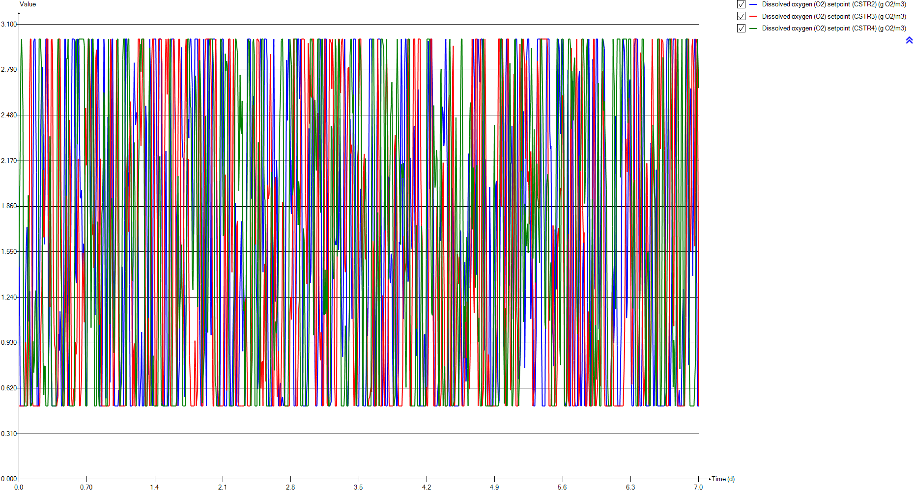
DO
Time | Dissolved oxygen (O2) setpoint (CSTR2) | Dissolved oxygen (O2) setpoint (CSTR3) | Dissolved oxygen (O2) setpoint (CSTR4)
d | g O2/m3 | g O2/m3 | g O2/m3
0 | 2.00004 | 0.5 | 1.44522
0.0069444444444 | 2.00004 | 0.5 | 1.44522
0.013888888889 | 0.5 | 0.5 | 2.31202
0.020833333333 | 0.5 | 0.5 | 2.86955
0.027777777778 | 0.5 | 0.5 | 3
0.034722222222 | 0.5 | 0.5 | 2.80213
0.041666666667 | 0.5 | 0.5 | 2.52384
0.048611111111 | 0.5 | 0.5 | 0.785607
0.055555555556 | 0.5 | 0.5 | 0.5
0.0625 | 0.640367 | 0.52759 | 0.5
0.069444444444 | 1.30164 | 0.932222 | 0.5
0.076388888889 | 1.58481 | 0.8046 | 0.5
0.083333333333 | 1.71942 | 0.602917 | 0.5
0.090277777778 | 1.40011 | 0.5 | 1.21843
0.097222222222 | 1.07634 | 0.5 | 1.93488
0.10416666667 | 1.11263 | 1.11276 | 1.54774
0.11111111111 | 1.2801 | 2.66998 | 0.834275
0.11805555556 | 0.767301 | 3 | 0.5
0.125 | 0.5 | 3 | 0.5
0.13194444444 | 0.5 | 2.08556 | 0.5
0.13888888889 | 0.981666 | 0.536804 | 0.523347
0.14583333333 | 2.0382 | 0.5 | 0.939636
0.15277777778 | 2.97971 | 0.5 | 0.727128
0.15972222222 | 3 | 0.5 | 0.806308
0.16666666667 | 3 | 0.5 | 1.20233
0.17361111111 | 3 | 0.5 | 1.28607
0.18055555556 | 2.09028 | 0.5 | 0.984483
0.1875 | 0.5 | 0.5 | 0.629435
0.19444444444 | 0.5 | 0.5 | 0.671157
0.20138888889 | 0.5 | 0.5 | 1.67571
0.20833333333 | 0.5 | 0.5 | 3
0.21527777778 | 1.37234 | 0.5 | 3
0.22222222222 | 2.20292 | 0.877802 | 3
0.22916666667 | 2.5724 | 1.10678 | 3
0.23611111111 | 2.80114 | 1.28251 | 2.73803
0.24305555556 | 2.80862 | 1.90811 | 1.48791
0.25 | 2.35354 | 2.10868 | 0.795481
0.25694444444 | 1.71058 | 1.6484 | 0.573159
0.26388888889 | 1.60115 | 1.65689 | 0.770298
0.27083333333 | 2.42225 | 2.04109 | 0.773507
0.27777777778 | 3 | 2.54417 | 0.5
0.28472222222 | 3 | 3 | 0.5
0.29166666667 | 3 | 3 | 0.5
0.29861111111 | 2.36325 | 3 | 0.5
0.30555555556 | 0.800727 | 1.87805 | 0.711073
0.3125 | 1.01437 | 1.26407 | 1.76124
0.31944444444 | 1.60841 | 1.17494 | 2.33737
0.32638888889 | 1.59104 | 1.76042 | 2.07217
0.33333333333 | 0.838075 | 2.98737 | 1.11172
...

SNH
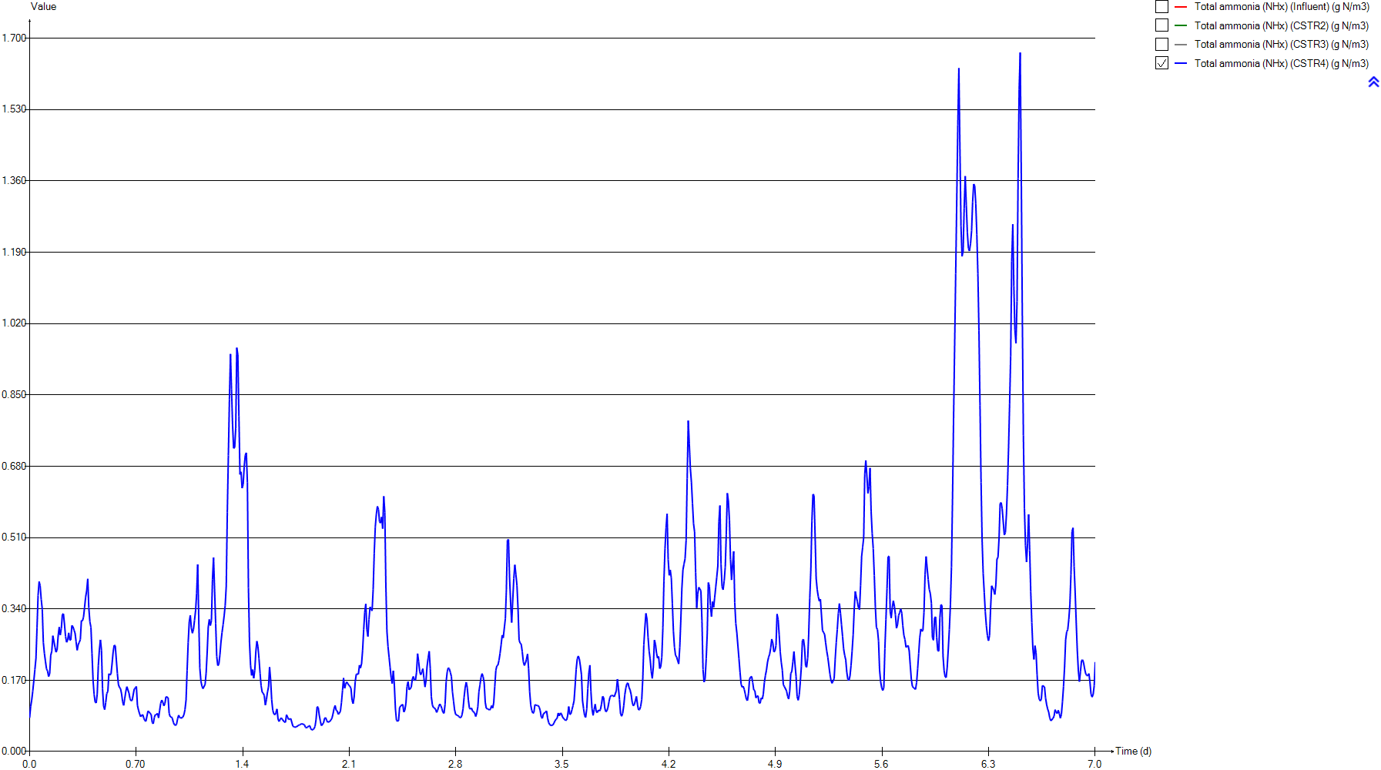
SNH
Time | Total ammonia (NHx) (Influent) | Total ammonia (NHx) (CSTR2) | Total ammonia (NHx) (CSTR3) | Total ammonia (NHx) (CSTR4)
d | g N/m3 | g N/m3 | g N/m3 | g N/m3
0 | 37.491418605 | 4.7217218346 | 0.64594604609 | 0.080547811162
0.0069444444444 | 37.491418605 | 4.8320880193 | 1.011909724 | 0.10744870211
0.013888888889 | 37.356697674 | 5.5323784068 | 1.3052838486 | 0.1230729841
0.020833333333 | 37.225186047 | 6.0276490262 | 1.6114741112 | 0.14457734945
0.027777777778 | 37.098767442 | 6.3797411369 | 1.9018827998 | 0.1693433394
0.034722222222 | 36.979604651 | 6.632659686 | 2.1639666133 | 0.19569845653
0.041666666667 | 36.869860465 | 6.8169274921 | 2.3932970884 | 0.22220304678
0.048611111111 | 36.772046512 | 6.9544625162 | 2.5900312605 | 0.29531394502
0.055555555556 | 36.688116279 | 7.0617174845 | 2.7570856808 | 0.371840243
0.0625 | 36.619395349 | 7.0183235088 | 2.8556211427 | 0.40518205112
0.069444444444 | 36.567209302 | 6.6438555025 | 2.6238401655 | 0.39543648423
0.076388888889 | 36.532465116 | 6.295885801 | 2.4407890869 | 0.36264083943
0.083333333333 | 36.51627907 | 6.0187491637 | 2.3665027198 | 0.33937840245
0.090277777778 | 36.519348837 | 5.9099669526 | 2.3559540828 | 0.26041870705
0.097222222222 | 36.542302326 | 5.956753597 | 2.3436355773 | 0.23451290245
0.10416666667 | 36.584581395 | 5.9826816584 | 2.0226660084 | 0.21534733989
0.11111111111 | 36.644511628 | 5.946632431 | 1.5975202473 | 0.19707938287
0.11805555556 | 36.720209302 | 6.1796761871 | 1.3627101558 | 0.19213150585
0.125 | 36.809162791 | 6.5856154102 | 1.3119177882 | 0.17897099876
0.13194444444 | 36.908093023 | 6.8943007318 | 1.4259107091 | 0.1854857451
0.13888888889 | 37.012674419 | 6.7838655949 | 1.9290439124 | 0.22937146054
0.14583333333 | 37.117465116 | 6.4063888047 | 2.222075692 | 0.23948448784
0.15277777778 | 37.217302326 | 6.0302295392 | 2.3251520402 | 0.27620134738
0.15972222222 | 37.308697674 | 5.7773514797 | 2.3194666192 | 0.27673666639
0.16666666667 | 37.39744186 | 5.6142685968 | 2.2664498985 | 0.24916443386
0.17361111111 | 37.516046512 | 5.5145015528 | 2.2001056226 | 0.23691057474
0.18055555556 | 37.738604651 | 5.5757584652 | 2.1540753222 | 0.24242135602
0.1875 | 38.372162791 | 6.3125851819 | 2.2326666081 | 0.27538329521
0.19444444444 | 39.099209302 | 6.8837939932 | 2.4453167903 | 0.29678205467
0.20138888889 | 39.877534884 | 7.3444216628 | 2.7171483157 | 0.27790352007
0.20833333333 | 40.656418605 | 7.7324387671 | 3.0105491606 | 0.29337003783
0.21527777778 | 41.403069767 | 7.5629153772 | 3.2353232586 | 0.32748602182
0.22222222222 | 42.110860465 | 7.3151633784 | 3.0864320875 | 0.32841887331
0.22916666667 | 42.772255814 | 7.1476950673 | 2.8470086234 | 0.30291395671
0.23611111111 | 43.360395349 | 7.0609607522 | 2.6067581102 | 0.27450113763
0.24305555556 | 43.842488372 | 7.0540584616 | 2.3234993235 | 0.26055019329
0.25 | 44.168232558 | 7.1565400157 | 2.1324587422 | 0.26624911562
0.25694444444 | 44.302116279 | 7.3922941934 | 2.1184226423 | 0.28316136648
0.26388888889 | 44.220906977 | 7.6236736357 | 2.1663787872 | 0.26538384284
0.27083333333 | 43.916023256 | 7.6565854436 | 2.1741219191 | 0.26650217249
0.27777777778 | 43.396534884 | 7.6202008433 | 2.130575022 | 0.30065938226
0.28472222222 | 42.665093023 | 7.5854448319 | 2.0649565944 | 0.29778429181
0.29166666667 | 41.737534884 | 7.534912857 | 2.0147728217 | 0.28970146718
0.29861111111 | 40.649790698 | 7.5311044157 | 1.9784964499 | 0.28283962442
0.30555555556 | 39.452023256 | 7.9471139258 | 2.1101854775 | 0.26153368226
0.3125 | 38.203534884 | 8.0568189815 | 2.3645485069 | 0.24160271018
0.31944444444 | 36.945488372 | 7.8426657448 | 2.5351482285 | 0.25529166711
0.32638888889 | 35.72455814 | 7.6036234591 | 2.4641683965 | 0.26023742662
0.33333333333 | 34.570604651 | 7.6413341933 | 2.2760413002 | 0.2673145521
...

PE
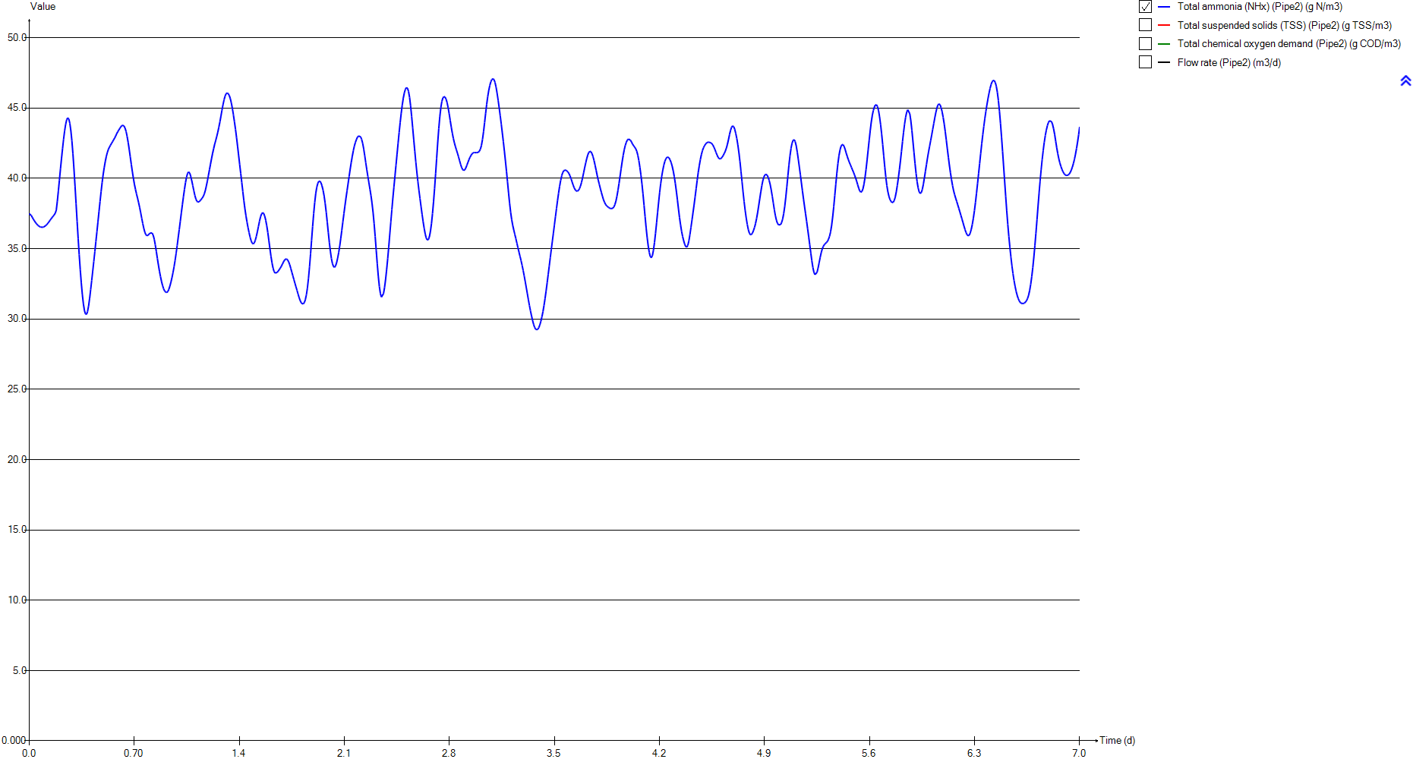
PE
Time | Total ammonia (NHx) (Pipe2) | Total suspended solids (TSS) (Pipe2) | Total chemical oxygen demand (Pipe2) | Flow rate (Pipe2)
d | g N/m3 | g TSS/m3 | g COD/m3 | m3/d
0 | 37.491418605 | 74.829325763 | 272.24487977 | 23473.058067
0.0069444444444 | 37.491418605 | 74.829325763 | 272.24487977 | 23473.058067
0.013888888889 | 37.356697674 | 74.829325763 | 272.24487977 | 23654.387441
0.020833333333 | 37.225186047 | 74.829325763 | 272.24487977 | 23835.325597
0.027777777778 | 37.098767442 | 74.829325763 | 272.24487977 | 24015.676926
0.034722222222 | 36.979604651 | 74.829325763 | 272.24487977 | 24195.050212
0.041666666667 | 36.869860465 | 74.829325763 | 272.24487977 | 24373.15204
0.048611111111 | 36.772046512 | 74.829325763 | 272.24487977 | 24549.591193
0.055555555556 | 36.688116279 | 74.829325763 | 272.24487977 | 24724.074258
0.0625 | 36.619395349 | 74.829325763 | 272.24487977 | 24896.307822
0.069444444444 | 36.567209302 | 74.829325763 | 272.24487977 | 25066.096275
0.076388888889 | 36.532465116 | 74.829325763 | 272.24487977 | 25232.852792
0.083333333333 | 36.51627907 | 74.829325763 | 272.24487977 | 25396.577372
0.090277777778 | 36.519348837 | 74.829325763 | 272.24487977 | 25556.780993
0.097222222222 | 36.542302326 | 74.829325763 | 272.24487977 | 25713.268047
0.10416666667 | 36.584581395 | 74.829325763 | 272.24487977 | 25865.74512
0.11111111111 | 36.644511628 | 74.829325763 | 272.24487977 | 26013.918799
0.11805555556 | 36.720209302 | 74.829325763 | 272.24487977 | 26157.593475
0.125 | 36.809162791 | 74.829325763 | 272.24487977 | 26296.377931
0.13194444444 | 36.908093023 | 74.829325763 | 272.24487977 | 26430.174362
0.13888888889 | 37.012674419 | 74.829325763 | 272.24487977 | 26558.689355
0.14583333333 | 37.117465116 | 74.829325763 | 272.24487977 | 26681.629496
0.15277777778 | 37.217302326 | 74.829325763 | 272.24487977 | 26798.896982
0.15972222222 | 37.308697674 | 74.829325763 | 272.24487977 | 26910.198399
0.16666666667 | 37.39744186 | 74.829325763 | 272.24487977 | 27015.338139
0.17361111111 | 37.516046512 | 74.829325763 | 272.24487977 | 27114.218396
0.18055555556 | 37.738604651 | 74.829325763 | 272.24487977 | 27206.643562
0.1875 | 38.372162791 | 74.829325763 | 272.24487977 | 27292.418028
0.19444444444 | 39.099209302 | 74.829325763 | 272.24487977 | 27371.346186
0.20138888889 | 39.877534884 | 74.829325763 | 272.24487977 | 27443.428035
0.20833333333 | 40.656418605 | 74.829325763 | 272.24487977 | 27508.467967
0.21527777778 | 41.403069767 | 74.829325763 | 272.24487977 | 27566.270372
0.22222222222 | 42.110860465 | 74.829325763 | 272.24487977 | 27616.933056
0.22916666667 | 42.772255814 | 74.829325763 | 272.24487977 | 27660.358213
0.23611111111 | 43.360395349 | 74.829325763 | 272.24487977 | 27696.252431
0.24305555556 | 43.842488372 | 74.829325763 | 272.24487977 | 27724.811319
0.25 | 44.168232558 | 74.829325763 | 272.24487977 | 27745.937071
0.25694444444 | 44.302116279 | 74.829325763 | 272.24487977 | 27759.531884
0.26388888889 | 44.220906977 | 74.829325763 | 272.24487977 | 27765.595757
0.27083333333 | 43.916023256 | 74.829325763 | 272.24487977 | 27764.226495
0.27777777778 | 43.396534884 | 74.829325763 | 272.24487977 | 27755.424099
0.28472222222 | 42.665093023 | 74.829325763 | 272.24487977 | 27739.090762
0.29166666667 | 41.737534884 | 74.829325763 | 272.24487977 | 27715.5199
0.29861111111 | 40.649790698 | 74.829325763 | 272.24487977 | 27684.515902
0.30555555556 | 39.452023256 | 74.829325763 | 272.24487977 | 27646.274379
0.3125 | 38.203534884 | 74.829325763 | 272.24487977 | 27600.893133
0.31944444444 | 36.945488372 | 74.829325763 | 272.24487977 | 27548.46997
0.32638888889 | 35.72455814 | 74.829325763 | 272.24487977 | 27489.102694
0.33333333333 | 34.570604651 | 74.829325763 | 272.24487977 | 27422.986914
...

Biomass
...
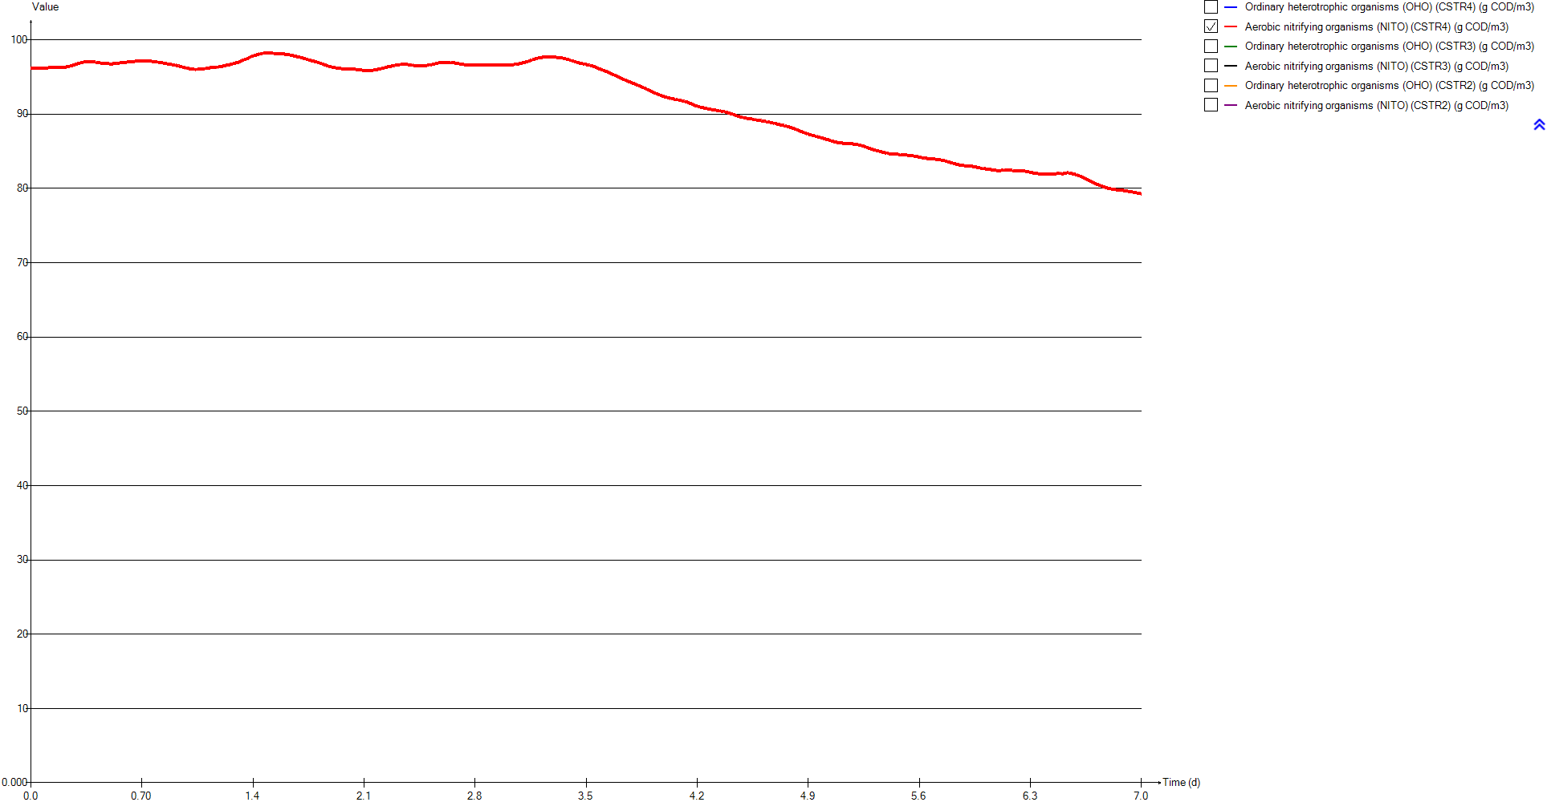
Aerobic nitrifying organisms (NITO) (CSTR4) | Ordinary heterotrophic organisms (OHO) (CSTR3) | Aerobic nitrifying organisms (NITO) (CSTR3) | Ordinary heterotrophic organisms (OHO) (CSTR2) | Aerobic nitrifying organisms (NITO) (CSTR2)
g COD/m3 | g COD/m3 | g COD/m3 | g COD/m3 | g COD/m3
96.166718027 | 996.63428121 | 96.343809558 | 995.3600196 | 95.687264542
96.168046414 | 996.54483606 | 96.279670891 | 995.34236845 | 95.660801883
96.171991731 | 996.43719655 | 96.227959153 | 995.20328332 | 95.509820231
96.175582472 | 996.3288665 | 96.170026337 | 995.08250859 | 95.397985544
96.17918934 | 996.23236804 | 96.11193984 | 995.00306896 | 95.314902271
96.182536598 | 996.15308572 | 96.057041139 | 994.95552941 | 95.253077852
96.185304259 | 996.09315601 | 96.007141017 | 994.93266161 | 95.207015195
96.185091769 | 996.05280597 | 95.963038291 | 994.9287012 | 95.172549903
96.185762301 | 996.03096672 | 95.924840701 | 994.93797778 | 95.146548176
96.191089468 | 996.03578738 | 95.900850184 | 994.98806941 | 95.153344591
96.201053616 | 996.11784684 | 95.943882357 | 995.11268996 | 95.230081244
96.211881932 | 996.21955476 | 95.978790259 | 995.24524792 | 95.303953921
96.2184123 | 996.30623774 | 95.993799659 | 995.36764593 | 95.365269724
96.226923994 | 996.38138617 | 95.997613537 | 995.4669487 | 95.393362495
96.223016258 | 996.4614869 | 96.002693555 | 995.54498739 | 95.390190481
96.22118341 | 996.61198846 | 96.06926283 | 995.63573203 | 95.391236053
96.224013063 | 996.80977693 | 96.156095313 | 995.75235788 | 95.404954022
96.22831374 | 996.99466944 | 96.204121725 | 995.83020242 | 95.364254545
96.232391368 | 997.1473776 | 96.215672205 | 995.86389068 | 95.289247374
96.232362783 | 997.26694497 | 96.196217613 | 995.92159086 | 95.234293619
96.227087995 | 997.30884034 | 96.103617597 | 996.09184428 | 95.264807843
96.226733975 | 997.38435023 | 96.05436992 | 996.33398179 | 95.351302578
96.227114504 | 997.51687405 | 96.043890479 | 996.58652556 | 95.438903085
96.235554068 | 997.68800266 | 96.055866534 | 996.82349359 | 95.50231579
96.246835559 | 997.8821231 | 96.077883781 | 997.0490371 | 95.548313762
96.255420945 | 998.09065814 | 96.103080978 | 997.27049972 | 95.582256498
96.263798112 | 998.30637608 | 96.124691547 | 997.4749876 | 95.584290768
96.272028092 | 998.50229081 | 96.121923233 | 997.53961762 | 95.451574443
96.282620343 | 998.67111256 | 96.093515057 | 997.62651464 | 95.35609928
96.295514697 | 998.83584081 | 96.055480598 | 997.75771781 | 95.288105483
96.302649453 | 999.00789451 | 96.016336069 | 997.92397643 | 95.240434655
96.311357778 | 999.21275897 | 95.995024194 | 998.23745149 | 95.31145662
96.330975441 | 999.52020425 | 96.053191682 | 998.59310795 | 95.404438487
96.358393299 | 999.87397666 | 96.134689679 | 998.93961571 | 95.486194856
96.389055768 | 1000.2393643 | 96.221156814 | 999.27429914 | 95.555660617
96.422426801 | 1000.6199063 | 96.320337742 | 999.59907775 | 95.611981147
96.459161653 | 1000.9927282 | 96.404440222 | 999.90916914 | 95.647970535
96.499161368 | 1001.3353478 | 96.45614607 | 1000.1969211 | 95.657515082
96.544977199 | 1001.6631529 | 96.497919817 | 1000.4822383 | 95.667485215
96.589561985 | 1001.9989392 | 96.549372125 | 1000.8013133 | 95.716196903
96.63485298 | 1002.3478023 | 96.611622371 | 1001.1353987 | 95.775617483
96.688284573 | 1002.7025526 | 96.677465138 | 1001.4669773 | 95.829756295
96.742136669 | 1003.0537851 | 96.738021007 | 1001.7956232 | 95.880891877
96.794592127 | 1003.3990431 | 96.792355351 | 1002.1115197 | 95.915051538
96.844362946 | 1003.7049408 | 96.808457495 | 1002.3357953 | 95.854978757
96.885887742 | 1003.9719151 | 96.794522795 | 1002.6039812 | 95.848290383
96.919648295 | 1004.2477502 | 96.790937624 | 1002.9418493 | 95.898878498
96.954334436 | 1004.570926 | 96.828474004 | 1003.2895019 | 95.946115782
96.987812959 | 1004.9189416 | 96.881523703 | 1003.5734663 | 95.929101615
...

TSS
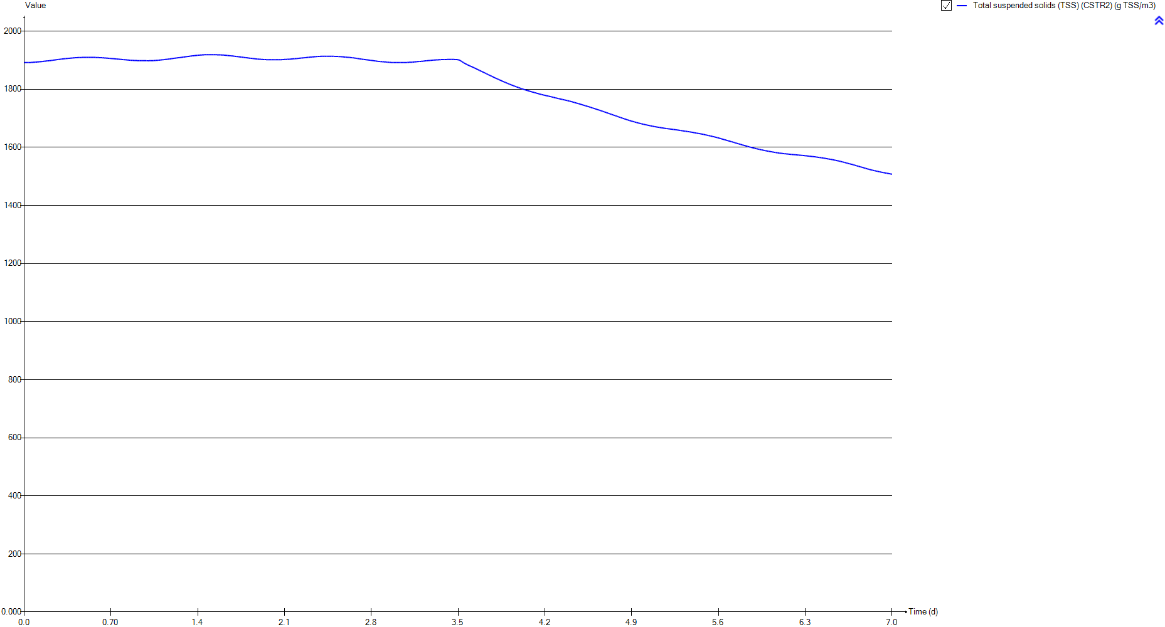
TSS
Time | Total suspended solids (TSS) (CSTR2)
d | g TSS/m3
0 | 1892.0941774
0.0069444444444 | 1892.0730569
0.013888888889 | 1891.9750805
0.020833333333 | 1891.9022454
0.027777777778 | 1891.878919
0.034722222222 | 1891.8997533
0.041666666667 | 1891.9591413
0.048611111111 | 1892.0518821
0.055555555556 | 1892.1736778
0.0625 | 1892.3366082
0.069444444444 | 1892.5724505
0.076388888889 | 1892.8347647
0.083333333333 | 1893.1016307
0.090277777778 | 1893.3543223
0.097222222222 | 1893.5903333
0.10416666667 | 1893.8342268
0.11111111111 | 1894.0971007
0.11805555556 | 1894.3329824
0.125 | 1894.5490308
0.13194444444 | 1894.7793773
0.13888888889 | 1895.077485
0.14583333333 | 1895.4434649
0.15277777778 | 1895.8277914
0.15972222222 | 1896.2022843
0.16666666667 | 1896.5688715
0.17361111111 | 1896.931535
0.18055555556 | 1897.2746171
0.1875 | 1897.5263793
0.19444444444 | 1897.7866037
0.20138888889 | 1898.076835
0.20833333333 | 1898.3895412
0.21527777778 | 1898.7893174
0.22222222222 | 1899.2321175
0.22916666667 | 1899.6716591
0.23611111111 | 1900.1018093
0.24305555556 | 1900.5209452
0.25 | 1900.9227745
0.25694444444 | 1901.3015322
0.26388888889 | 1901.6764933
0.27083333333 | 1902.0794974
0.27777777778 | 1902.4933907
0.28472222222 | 1902.9016953
0.29166666667 | 1903.3038463
0.29861111111 | 1903.6883899
0.30555555556 | 1903.9962203
0.3125 | 1904.3228576
0.31944444444 | 1904.6934091
0.32638888889 | 1905.0622477
0.33333333333 | 1905.3759802
...

Influent
...
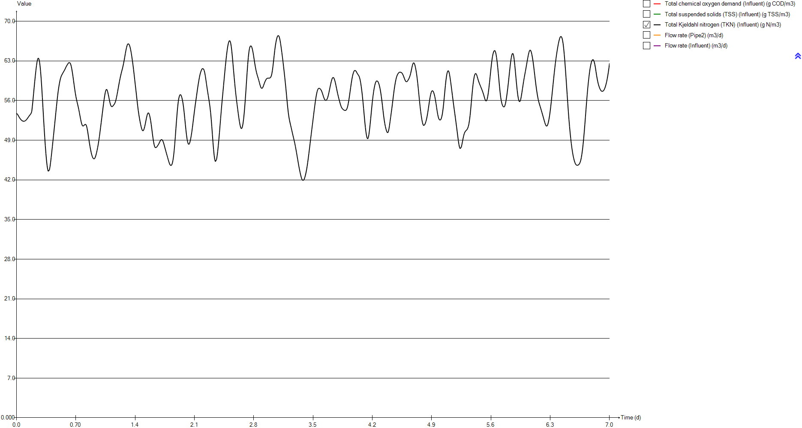
Total chemical oxygen demand (Influent) | Total suspended solids (TSS) (Influent) | Total Kjeldahl nitrogen (TKN) (Influent) | Flow rate (Pipe2) | Flow rate (Influent)
g COD/m3 | g TSS/m3 | g N/m3 | m3/d | m3/d
420 | 182.96594883 | 53.7377 | 23473.058067 | 24000
420 | 182.96594883 | 53.7377 | 23473.058067 | 24000
420 | 182.96594883 | 53.5446 | 23654.387441 | 24185.4
420 | 182.96594883 | 53.3561 | 23835.325597 | 24370.4
420 | 182.96594883 | 53.1749 | 24015.676926 | 24554.8
420 | 182.96594883 | 53.0041 | 24195.050212 | 24738.2
420 | 182.96594883 | 52.8468 | 24373.15204 | 24920.3
420 | 182.96594883 | 52.7066 | 24549.591193 | 25100.7
420 | 182.96594883 | 52.5863 | 24724.074258 | 25279.1
420 | 182.96594883 | 52.4878 | 24896.307822 | 25455.2
420 | 182.96594883 | 52.413 | 25066.096275 | 25628.8
420 | 182.96594883 | 52.3632 | 25232.852792 | 25799.3
420 | 182.96594883 | 52.34 | 25396.577372 | 25966.7
420 | 182.96594883 | 52.3444 | 25556.780993 | 26130.5
420 | 182.96594883 | 52.3773 | 25713.268047 | 26290.5
420 | 182.96594883 | 52.4379 | 25865.74512 | 26446.4
420 | 182.96594883 | 52.5238 | 26013.918799 | 26597.9
420 | 182.96594883 | 52.6323 | 26157.593475 | 26744.8
420 | 182.96594883 | 52.7598 | 26296.377931 | 26886.7
420 | 182.96594883 | 52.9016 | 26430.174362 | 27023.5
420 | 182.96594883 | 53.0515 | 26558.689355 | 27154.9
420 | 182.96594883 | 53.2017 | 26681.629496 | 27280.6
420 | 182.96594883 | 53.3448 | 26798.896982 | 27400.5
420 | 182.96594883 | 53.4758 | 26910.198399 | 27514.3
420 | 182.96594883 | 53.603 | 27015.338139 | 27621.8
420 | 182.96594883 | 53.773 | 27114.218396 | 27722.9
420 | 182.96594883 | 54.092 | 27206.643562 | 27817.4
420 | 182.96594883 | 55.0001 | 27292.418028 | 27905.1
420 | 182.96594883 | 56.0422 | 27371.346186 | 27985.8
420 | 182.96594883 | 57.1578 | 27443.428035 | 28059.5
420 | 182.96594883 | 58.2742 | 27508.467967 | 28126
420 | 182.96594883 | 59.3444 | 27566.270372 | 28185.1
420 | 182.96594883 | 60.3589 | 27616.933056 | 28236.9
420 | 182.96594883 | 61.3069 | 27660.358213 | 28281.3
420 | 182.96594883 | 62.1499 | 27696.252431 | 28318
420 | 182.96594883 | 62.8409 | 27724.811319 | 28347.2
420 | 182.96594883 | 63.3078 | 27745.937071 | 28368.8
420 | 182.96594883 | 63.4997 | 27759.531884 | 28382.7
420 | 182.96594883 | 63.3833 | 27765.595757 | 28388.9
420 | 182.96594883 | 62.9463 | 27764.226495 | 28387.5
420 | 182.96594883 | 62.2017 | 27755.424099 | 28378.5
420 | 182.96594883 | 61.1533 | 27739.090762 | 28361.8
420 | 182.96594883 | 59.8238 | 27715.5199 | 28337.7
420 | 182.96594883 | 58.2647 | 27684.515902 | 28306
420 | 182.96594883 | 56.5479 | 27646.274379 | 28266.9
420 | 182.96594883 | 54.7584 | 27600.893133 | 28220.5
420 | 182.96594883 | 52.9552 | 27548.46997 | 28166.9
420 | 182.96594883 | 51.2052 | 27489.102694 | 28106.2
420 | 182.96594883 | 49.5512 | 27422.986914 | 28038.6
...

Timechart
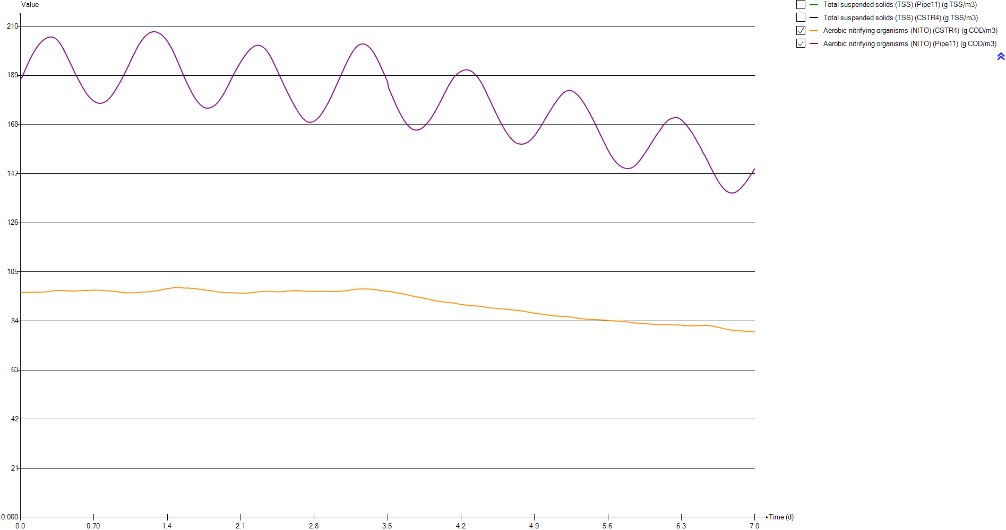
Timechart
Time | Total suspended solids (TSS) (Pipe11) | Total suspended solids (TSS) (CSTR4) | Aerobic nitrifying organisms (NITO) (CSTR4) | Aerobic nitrifying organisms (NITO) (Pipe11)
d | g TSS/m3 | g TSS/m3 | g COD/m3 | g COD/m3
0 | 3671.3304065 | 1884.6788321 | 96.166718027 | 187.33154422
0.0069444444444 | 3671.3967698 | 1884.7128116 | 96.168046414 | 187.33414067
0.013888888889 | 3685.6261789 | 1884.7460777 | 96.171991731 | 188.06459639
0.020833333333 | 3699.8451732 | 1884.7893242 | 96.175582472 | 188.79285871
0.027777777778 | 3714.0325053 | 1884.8394179 | 96.17918934 | 189.51886943
0.034722222222 | 3728.1543546 | 1884.8946395 | 96.182536598 | 190.24052333
0.041666666667 | 3742.1875427 | 1884.9548062 | 96.185304259 | 190.95600924
0.048611111111 | 3756.1472117 | 1885.0427447 | 96.185091769 | 191.6589771
0.055555555556 | 3769.973686 | 1885.1398309 | 96.185762301 | 192.35591276
0.0625 | 3783.6252192 | 1885.2366246 | 96.191089468 | 193.05323651
0.069444444444 | 3797.1085369 | 1885.3440419 | 96.201053616 | 193.7502301
0.076388888889 | 3810.3769129 | 1885.4615589 | 96.211881932 | 194.43702362
0.083333333333 | 3823.4261 | 1885.5870049 | 96.2184123 | 195.10316307
0.090277777778 | 3836.1719097 | 1885.6977883 | 96.226923994 | 195.75937622
0.097222222222 | 3848.6593445 | 1885.8235388 | 96.223016258 | 196.3755373
0.10416666667 | 3860.8879373 | 1885.9750872 | 96.22118341 | 196.97991181
0.11111111111 | 3872.8391152 | 1886.1543512 | 96.224013063 | 197.57668368
0.11805555556 | 3884.4859924 | 1886.3555148 | 96.22831374 | 198.1585835
0.125 | 3895.7484909 | 1886.5545431 | 96.232391368 | 198.72056963
0.13194444444 | 3906.6462025 | 1886.7646322 | 96.232362783 | 199.25420914
0.13888888889 | 3917.1653937 | 1886.9901825 | 96.227087995 | 199.75589832
0.14583333333 | 3927.254733 | 1887.2175454 | 96.226733975 | 200.24553999
0.15277777778 | 3936.9784224 | 1887.4811361 | 96.227114504 | 200.71409786
0.15972222222 | 3946.2559528 | 1887.7533358 | 96.235554068 | 201.17571555
0.16666666667 | 3955.0576705 | 1888.0273542 | 96.246835559 | 201.61878715
0.17361111111 | 3963.396333 | 1888.3129781 | 96.255420945 | 202.03132999
0.18055555556 | 3971.2664656 | 1888.6149107 | 96.263798112 | 202.4177566
0.1875 | 3978.659355 | 1888.936303 | 96.272028092 | 202.77740683
0.19444444444 | 3985.5158561 | 1889.2564648 | 96.282620343 | 203.11477938
0.20138888889 | 3991.8139143 | 1889.5651205 | 96.295514697 | 203.42975814
0.20833333333 | 3997.5899601 | 1889.8868413 | 96.302649453 | 203.70452673
0.21527777778 | 4002.8341898 | 1890.2243102 | 96.311357778 | 203.95378141
0.22222222222 | 4007.5515131 | 1890.5763218 | 96.330975441 | 204.19770519
0.22916666667 | 4011.7247683 | 1890.9385167 | 96.358393299 | 204.4293612
0.23611111111 | 4015.3218229 | 1891.3067334 | 96.389055768 | 204.63792165
0.24305555556 | 4018.3700844 | 1891.6867885 | 96.422426801 | 204.82301704
0.25 | 4020.8661597 | 1892.0808327 | 96.459161653 | 204.98562861
0.25694444444 | 4022.786214 | 1892.4814377 | 96.499161368 | 205.12512739
0.26388888889 | 4024.090399 | 1892.8700839 | 96.544977199 | 205.24689947
0.27083333333 | 4024.8281287 | 1893.2665261 | 96.589561985 | 205.33632253
0.27777777778 | 4025.0231907 | 1893.6820977 | 96.63485298 | 205.39747655
0.28472222222 | 4024.616851 | 1894.0930292 | 96.688284573 | 205.44571644
0.29166666667 | 4023.6381601 | 1894.50232 | 96.742136669 | 205.46575672
0.29861111111 | 4022.0679023 | 1894.9083319 | 96.794592127 | 205.45290532
0.30555555556 | 4019.8896016 | 1895.2962652 | 96.844362946 | 205.4051679
0.3125 | 4017.1072541 | 1895.6645088 | 96.885887742 | 205.31111948
0.31944444444 | 4013.783889 | 1896.0392352 | 96.919648295 | 205.17219034
0.32638888889 | 4009.9199616 | 1896.4172091 | 96.954334436 | 205.00716781
0.33333333333 | 4005.531477 | 1896.798893 | 96.987812959 | 204.81229672
...

OUR
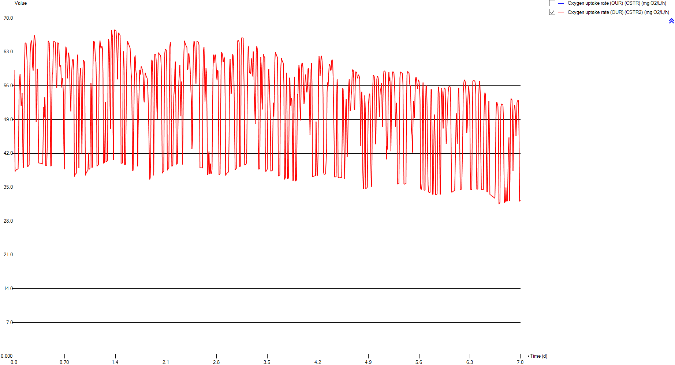
OUR
Time | Oxygen uptake rate (OUR) (CSTR) | Oxygen uptake rate (OUR) (CSTR2)
d | mg O2/L/h | mg O2/L/h
0 | 0 | 59.283417193
0.0069444444444 | 0 | 59.298925909
0.013888888889 | 0 | 38.267309966
0.020833333333 | 0 | 38.443656606
0.027777777778 | 0 | 38.558408896
0.034722222222 | 0 | 38.639320737
0.041666666667 | 0 | 38.701388191
0.048611111111 | 0 | 38.752381677
0.055555555556 | 0 | 38.798489104
0.0625 | 0 | 43.255260619
0.069444444444 | 0 | 54.835053338
0.076388888889 | 0 | 57.486460244
0.083333333333 | 0 | 58.460081794
0.090277777778 | 0 | 55.681445532
0.097222222222 | 0 | 51.820678432
0.10416666667 | 0 | 52.385097314
0.11111111111 | 0 | 54.52085135
0.11805555556 | 0 | 46.43001261
0.125 | 0 | 38.980838177
0.13194444444 | 0 | 39.087821147
0.13888888889 | 0 | 50.876981196
0.14583333333 | 0 | 61.078858544
0.15277777778 | 0 | 64.892925381
0.15972222222 | 0 | 64.847382984
0.16666666667 | 0 | 64.784971702
0.17361111111 | 0 | 64.758902149
0.18055555556 | 0 | 61.122286092
0.1875 | 0 | 39.171278084
0.19444444444 | 0 | 39.347635999
0.20138888889 | 0 | 39.480485154
0.20833333333 | 0 | 39.586243736
0.21527777778 | 0 | 56.686188779
0.22222222222 | 0 | 62.771755204
0.22916666667 | 0 | 64.428480638
0.23611111111 | 0 | 65.290800668
0.24305555556 | 0 | 65.358546865
0.25 | 0 | 63.62122363
0.25694444444 | 0 | 59.915687573
0.26388888889 | 0 | 59.144053805
0.27083333333 | 0 | 64.228627674
0.27777777778 | 0 | 66.403764572
0.28472222222 | 0 | 66.430382973
0.29166666667 | 0 | 66.448341672
0.29861111111 | 0 | 64.061173869
0.30555555556 | 0 | 48.521152368
0.3125 | 0 | 52.582567428
0.31944444444 | 0 | 59.4948101
0.32638888889 | 0 | 59.288645696
0.33333333333 | 0 | 49.288358293
...

Temp

Temp
Time | Temperature (Influent)
d | Â°C
0 | 20
0.0069444444444 | 20
0.013888888889 | 20
0.020833333333 | 20
0.027777777778 | 20
0.034722222222 | 20
0.041666666667 | 20
0.048611111111 | 20
0.055555555556 | 20
0.0625 | 20
0.069444444444 | 20
0.076388888889 | 20
0.083333333333 | 20
0.090277777778 | 20
0.097222222222 | 20
0.10416666667 | 20
0.11111111111 | 20
0.11805555556 | 20
0.125 | 20
0.13194444444 | 20
0.13888888889 | 20
0.14583333333 | 20
0.15277777778 | 20
0.15972222222 | 20
0.16666666667 | 20
0.17361111111 | 20
0.18055555556 | 20
0.1875 | 20
0.19444444444 | 20
0.20138888889 | 20
0.20833333333 | 20
0.21527777778 | 20
0.22222222222 | 20
0.22916666667 | 20
0.23611111111 | 20
0.24305555556 | 20
0.25 | 20
0.25694444444 | 20
0.26388888889 | 20
0.27083333333 | 20
0.27777777778 | 20
0.28472222222 | 20
0.29166666667 | 20
0.29861111111 | 20
0.30555555556 | 20
0.3125 | 20
0.31944444444 | 20
0.32638888889 | 20
0.33333333333 | 20
...

Primary

Unit overview

Name: | Primary
Sumo name: | Primary1
Category: | Separators
Unit: | Primary
Type: | Volumeless primary with specified primary sludge concentration

Settings

 | Process settings
Symbol | Name | Value | Unit | Comment
fXTSS,sludge | Solids percent removal | 60 | %
XTSS,sludge,target | Sludge solids concentration | 5000 | g/m3
...

CSTR
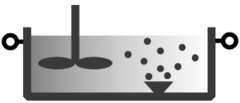
Unit overview

Name: | CSTR
Sumo name: | CSTR1
Category: | Bioreactors
Unit: | CSTR
Type: | CSTR with diffused aeration and input DO

Settings

 | Reactor settings
Symbol | Name | Value | Unit | Comment
L.Vtrain | Volume per train | 2000 | m3
Ntrain | Number of trains | 1
...

CSTR2
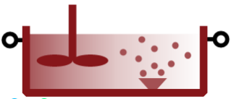
Unit overview

Name: | CSTR2
Sumo name: | CSTR2
Category: | Bioreactors
Unit: | CSTR
Type: | CSTR with diffused aeration and input DO

Settings

 | Reactor settings
Symbol | Name | Value | Unit | Comment
L.Vtrain | Volume per train | 2000 | m3
Ntrain | Number of trains | 1
...

Clarifier

...

