SRT
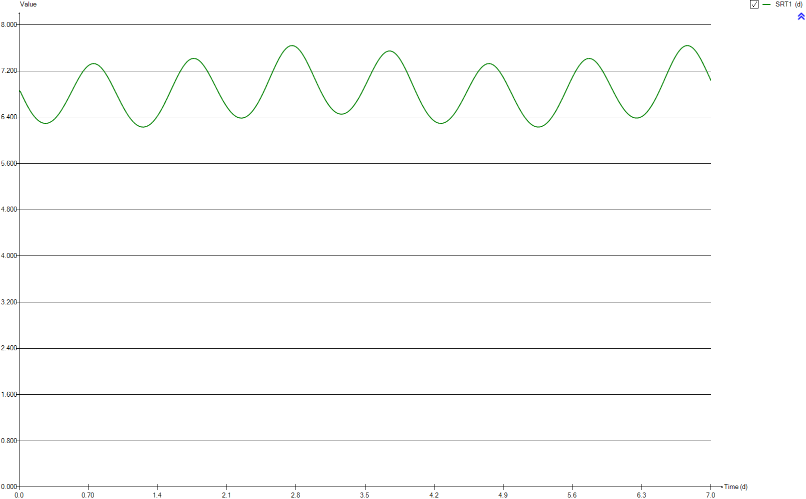
SRT
Time | SRT1
d | d
0 | 6.8642162112
0.0069444444444 | 6.8639533944
0.013888888889 | 6.837464277
0.020833333333 | 6.8112678697
0.027777777778 | 6.7854642925
0.034722222222 | 6.7600866334
0.041666666667 | 6.7350931204
0.048611111111 | 6.7105307133
0.055555555556 | 6.6864508552
0.0625 | 6.6628736694
0.069444444444 | 6.6398238395
0.076388888889 | 6.6173182681
0.083333333333 | 6.5954109884
0.090277777778 | 6.5741043627
0.097222222222 | 6.5533967059
0.10416666667 | 6.5333772039
0.11111111111 | 6.514026614
0.11805555556 | 6.4952710011
0.125 | 6.4773814922
0.13194444444 | 6.4601812731
0.13888888889 | 6.4437590257
0.14583333333 | 6.4281076508
0.15277777778 | 6.413283189
0.15972222222 | 6.3992497485
0.16666666667 | 6.3860262725
0.17361111111 | 6.3736669181
0.18055555556 | 6.3621714614
0.1875 | 6.3514935924
0.19444444444 | 6.3416831799
0.20138888889 | 6.3327821258
0.20833333333 | 6.3247868115
0.21527777778 | 6.3177046497
0.22222222222 | 6.3114865638
0.22916666667 | 6.306183833
0.23611111111 | 6.301776241
0.24305555556 | 6.2982468888
0.25 | 6.2956161558
0.25694444444 | 6.2939456979
0.26388888889 | 6.293176033
0.27083333333 | 6.2933015552
0.27777777778 | 6.2943235551
0.28472222222 | 6.2962805732
0.29166666667 | 6.2991160818
0.29861111111 | 6.3028651504
0.30555555556 | 6.3075132691
0.3125 | 6.3130446371
0.31944444444 | 6.3194700189
0.32638888889 | 6.3267556647
0.33333333333 | 6.3348914653
0.34027777778 | 6.3439075671
0.34722222222 | 6.3537576247
0.35416666667 | 6.3644180115
0.36111111111 | 6.3759147981
0.36805555556 | 6.3882118948
0.375 | 6.401262596
0.38194444444 | 6.4151234999
0.38888888889 | 6.4297031762
0.39583333333 | 6.4450443853
0.40277777778 | 6.4610516344
0.40972222222 | 6.477739965
0.41666666667 | 6.495063853
0.42361111111 | 6.5129684716
0.43055555556 | 6.5315020001
0.4375 | 6.5505480999
0.44444444444 | 6.5701585564
0.45138888889 | 6.5902075675
0.45833333333 | 6.610775504
0.46527777778 | 6.6317246095
0.47222222222 | 6.6530780794
0.47916666667 | 6.6748899874
0.48611111111 | 6.6969507573
0.49305555556 | 6.7193469032
0.5 | 6.7419533938
0.50694444444 | 6.7647748938
0.51388888889 | 6.787742885
0.52083333333 | 6.8108617837
0.52777777778 | 6.8339329561
0.53472222222 | 6.8571703279
0.54166666667 | 6.8803971549
0.54861111111 | 6.9034474996
0.55555555556 | 6.9264877632
0.5625 | 6.9493523437
0.56944444444 | 6.9720587119
0.57638888889 | 6.9944744038
0.58333333333 | 7.0166024847
0.59027777778 | 7.0383120512
0.59722222222 | 7.0596013632
0.60416666667 | 7.080426256
0.61111111111 | 7.1006809477
0.61805555556 | 7.120450882
0.625 | 7.1395488877
0.63194444444 | 7.1579705967
0.63888888889 | 7.1756302469
0.64583333333 | 7.1925808821
0.65277777778 | 7.2086941015
0.65972222222 | 7.2239535626
0.66666666667 | 7.2383196737
0.67361111111 | 7.2517277973
0.68055555556 | 7.264130773
0.6875 | 7.2755598739
0.69444444444 | 7.2858952425
0.70138888889 | 7.2952145013
0.70833333333 | 7.3034417152
0.71527777778 | 7.3105629865
0.72222222222 | 7.3165272692
0.72916666667 | 7.3212779258
0.73611111111 | 7.3248171936
0.74305555556 | 7.3271173099
0.75 | 7.328288013
0.75694444444 | 7.3282827152
0.76388888889 | 7.3270374073
0.77083333333 | 7.3245470965
0.77777777778 | 7.3208631704
0.78472222222 | 7.3159427378
0.79166666667 | 7.309873524
0.79861111111 | 7.3026051694
0.80555555556 | 7.2943168495
0.8125 | 7.2848531165
0.81944444444 | 7.2740637768
0.82638888889 | 7.2625004106
0.83333333333 | 7.2498086451
0.84027777778 | 7.2361451482
0.84722222222 | 7.2215573397
0.85416666667 | 7.2060096212
0.86111111111 | 7.1895087635
0.86805555556 | 7.1721799945
0.875 | 7.1541155796
0.88194444444 | 7.1352812501
0.88888888889 | 7.115681295
0.89583333333 | 7.0953841648
0.90277777778 | 7.0745622244
0.90972222222 | 7.0531064888
0.91666666667 | 7.0313579522
0.92361111111 | 7.0090936395
0.93055555556 | 6.9864820408
0.9375 | 6.9632371768
0.94444444444 | 6.9399173149
0.95138888889 | 6.9163728118
0.95833333333 | 6.8926061783
0.96527777778 | 6.8686048985
0.97222222222 | 6.8444519451
0.97916666667 | 6.820448845
0.98611111111 | 6.796303169
0.99305555556 | 6.7723249625
1 | 6.7483241347
1.0069444444 | 6.7245307982
1.0138888889 | 6.700918292
1.0208333333 | 6.6774999371
1.0277777778 | 6.6543009127
1.0347222222 | 6.6314654244
1.0416666667 | 6.608874328
1.0486111111 | 6.5867292448
1.0555555556 | 6.5650242182
1.0625 | 6.543808657
1.0694444444 | 6.5229897089
1.0763888889 | 6.5027736118
1.0833333333 | 6.4830714167
1.0902777778 | 6.463967555
1.0972222222 | 6.4453829337
1.1041666667 | 6.427476231
1.1111111111 | 6.4102064672
1.1180555556 | 6.3936746882
1.125 | 6.377844373
1.1319444444 | 6.3627255663
1.1388888889 | 6.3483316394
1.1458333333 | 6.3346788939
1.1527777778 | 6.321851573
1.1597222222 | 6.3097784864
1.1666666667 | 6.2984477797
1.1736111111 | 6.2880238401
1.1805555556 | 6.27843998
1.1875 | 6.2696826681
1.1944444444 | 6.2617310263
1.2013888889 | 6.2546534736
1.2083333333 | 6.2484590793
1.2152777778 | 6.2431363513
1.2222222222 | 6.2386392364
1.2291666667 | 6.235126014
1.2361111111 | 6.2324382982
1.2430555556 | 6.2306676475
1.25 | 6.2297792525
1.2569444444 | 6.229803797
1.2638888889 | 6.2307294681
1.2708333333 | 6.2325202022
1.2777777778 | 6.2352645469
1.2847222222 | 6.2388701307
1.2916666667 | 6.2433654019
1.2986111111 | 6.2487451905
1.3055555556 | 6.2550320531
1.3125 | 6.2622057924
1.3194444444 | 6.2702504057
1.3263888889 | 6.2791448962
1.3333333333 | 6.2888970727
1.3402777778 | 6.2995295702
1.3472222222 | 6.3109834994
1.3541666667 | 6.3232840902
1.3611111111 | 6.33637067
1.3680555556 | 6.3502735162
1.375 | 6.3649480716
1.3819444444 | 6.3804064637
1.3888888889 | 6.3966051698
1.3958333333 | 6.4135457681
1.4027777778 | 6.4312078761
1.4097222222 | 6.4495625312
1.4166666667 | 6.4685962971
1.4236111111 | 6.4882341978
1.4305555556 | 6.5085401538
1.4375 | 6.5294197696
1.4444444444 | 6.5508953398
1.4513888889 | 6.5728908325
1.4583333333 | 6.595383737
1.4652777778 | 6.618360464
1.4722222222 | 6.6417396997
1.4791666667 | 6.6655578879
1.4861111111 | 6.6897602195
1.4930555556 | 6.714244329
1.5 | 6.7390249086
1.5069444444 | 6.7640408479
1.5138888889 | 6.7892751319
1.5208333333 | 6.8146119168
1.5277777778 | 6.8401138894
1.5347222222 | 6.8656520976
1.5416666667 | 6.8912319322
1.5486111111 | 6.9167629856
1.5555555556 | 6.9421574988
1.5625 | 6.9674331236
1.5694444444 | 6.9924691189
1.5763888889 | 7.017269274
1.5833333333 | 7.0418195626
1.5902777778 | 7.0660031115
1.5972222222 | 7.0898186494
1.6041666667 | 7.1130628324
1.6111111111 | 7.1358953284
1.6180555556 | 7.1582587992
1.625 | 7.1799102735
1.6319444444 | 7.2009471719
1.6388888889 | 7.221245903
1.6458333333 | 7.2408760396
1.6527777778 | 7.2596082203
1.6597222222 | 7.2775141085
1.6666666667 | 7.2944486668
1.6736111111 | 7.3105241787
1.6805555556 | 7.3255671239
1.6875 | 7.3396794551
1.6944444444 | 7.3526339133
1.7013888889 | 7.3644789526
1.7083333333 | 7.3753406866
1.7152777778 | 7.3849515796
1.7222222222 | 7.3933460836
1.7291666667 | 7.4005995905
1.7361111111 | 7.4065954229
1.7430555556 | 7.4113101298
1.75 | 7.4148814519
1.7569444444 | 7.4170277828
1.7638888889 | 7.4181271472
1.7708333333 | 7.4177443316
1.7777777778 | 7.4164254622
1.7847222222 | 7.4137436619
1.7916666667 | 7.4097961078
1.7986111111 | 7.4047008306
1.8055555556 | 7.3983346858
1.8125 | 7.390843719
1.8194444444 | 7.3821004874
1.8263888889 | 7.3723289608
1.8333333333 | 7.3614644626
1.8402777778 | 7.3495445871
1.8472222222 | 7.3364830431
1.8541666667 | 7.3224922501
1.8611111111 | 7.3076534189
1.8680555556 | 7.2918456933
1.875 | 7.2750924686
1.8819444444 | 7.257728209
1.8888888889 | 7.2394896428
1.8958333333 | 7.2205984477
1.9027777778 | 7.2009772477
1.9097222222 | 7.18073784
1.9166666667 | 7.1599180019
1.9236111111 | 7.1385663745
1.9305555556 | 7.116853698
1.9375 | 7.0946888358
1.9444444444 | 7.0722138352
1.9513888889 | 7.0494308378
1.9583333333 | 7.0263132513
1.9652777778 | 7.0031563819
1.9722222222 | 6.9798036543
1.9791666667 | 6.9563261941
1.9861111111 | 6.9328396985
1.9930555556 | 6.909287779
2 | 6.8859825778
2.0069444444 | 6.8626551515
2.0138888889 | 6.8396106836
2.0208333333 | 6.8166844863
2.0277777778 | 6.7940392467
2.0347222222 | 6.7717870923
2.0416666667 | 6.7498289796
2.0486111111 | 6.7282259769
2.0555555556 | 6.707056273
2.0625 | 6.6863051162
2.0694444444 | 6.6658029079
2.0763888889 | 6.6460674921
2.0833333333 | 6.6268101539
2.0902777778 | 6.6081349578
2.0972222222 | 6.5900288686
2.1041666667 | 6.5725563305
2.1111111111 | 6.5557494494
2.1180555556 | 6.5395619481
2.125 | 6.5240835649
2.1319444444 | 6.5093500735
2.1388888889 | 6.4952904961
2.1458333333 | 6.4820539956
2.1527777778 | 6.469590949
2.1597222222 | 6.4578928881
2.1666666667 | 6.4470192781
2.1736111111 | 6.4370233529
2.1805555556 | 6.4278852431
2.1875 | 6.4196046603
2.1944444444 | 6.4121819757
2.2013888889 | 6.4056405964
2.2083333333 | 6.3999723096
2.2152777778 | 6.3952342392
2.2222222222 | 6.3913705764
2.2291666667 | 6.3884369252
2.2361111111 | 6.3864082015
2.2430555556 | 6.3853013323
2.25 | 6.3851116923
2.2569444444 | 6.3858930089
2.2638888889 | 6.3875797742
2.2708333333 | 6.3902163433
2.2777777778 | 6.393761916
2.2847222222 | 6.3982673841
2.2916666667 | 6.40366157
2.2986111111 | 6.4100122795
2.3055555556 | 6.4173004537
2.3125 | 6.4254736388
2.3194444444 | 6.434589148
2.3263888889 | 6.4445911635
2.3333333333 | 6.4554815488
2.3402777778 | 6.4672493779
2.3472222222 | 6.4799210983
2.3541666667 | 6.4933947938
2.3611111111 | 6.507754358
2.3680555556 | 6.5228777854
2.375 | 6.5389179103
2.3819444444 | 6.5557058475
2.3888888889 | 6.5733143151
2.3958333333 | 6.5916701185
2.4027777778 | 6.610593313
2.4097222222 | 6.6302586934
2.4166666667 | 6.6507061847
2.4236111111 | 6.6718082217
2.4305555556 | 6.6935604597
2.4375 | 6.7158729401
2.4444444444 | 6.7387354016
2.4513888889 | 6.7621299386
2.4583333333 | 6.7859603238
2.4652777778 | 6.8103847858
2.4722222222 | 6.8353053904
2.4791666667 | 6.860502068
2.4861111111 | 6.8861458683
2.4930555556 | 6.9120192716
2.5 | 6.9382200064
2.5069444444 | 6.9646027458
2.5138888889 | 6.9912133133
2.5208333333 | 7.0179904559
2.5277777778 | 7.0448620454
2.5347222222 | 7.0717528432
2.5416666667 | 7.0986964187
2.5486111111 | 7.125464406
2.5555555556 | 7.1522855291
2.5625 | 7.1788969419
2.5694444444 | 7.2052963093
2.5763888889 | 7.2314026384
2.5833333333 | 7.2571754128
2.5902777778 | 7.2826172771
2.5972222222 | 7.3075516763
2.6041666667 | 7.3319954574
2.6111111111 | 7.3559459545
2.6180555556 | 7.3792157537
2.625 | 7.4018354267
2.6319444444 | 7.4237980852
2.6388888889 | 7.444878099
2.6458333333 | 7.465193783
2.6527777778 | 7.4845598352
2.6597222222 | 7.5030299634
2.6666666667 | 7.5205036685
2.6736111111 | 7.5369141733
2.6805555556 | 7.5522054986
2.6875 | 7.5664393136
2.6944444444 | 7.5795015884
2.7013888889 | 7.5913299912
2.7083333333 | 7.6019970333
2.7152777778 | 7.611355507
2.7222222222 | 7.6194205262
2.7291666667 | 7.6261802005
2.7361111111 | 7.631616747
2.7430555556 | 7.6357263182
2.75 | 7.6384433976
2.7569444444 | 7.6397914113
2.7638888889 | 7.6397737712
2.7708333333 | 7.6384626973
2.7777777778 | 7.6356997114
2.7847222222 | 7.6316853842
2.7916666667 | 7.6263573395
2.7986111111 | 7.619661042
2.8055555556 | 7.6116820251
2.8125 | 7.6024166439
2.8194444444 | 7.5919474815
2.8263888889 | 7.5802855096
2.8333333333 | 7.5674603066
2.8402777778 | 7.5534734598
2.8472222222 | 7.5384363113
2.8541666667 | 7.522261073
2.8611111111 | 7.5051520531
2.8680555556 | 7.4870974337
2.875 | 7.4681851769
2.8819444444 | 7.4484008469
2.8888888889 | 7.427665825
2.8958333333 | 7.4063276854
2.9027777778 | 7.3843205178
2.9097222222 | 7.3616018349
2.9166666667 | 7.3382990741
2.9236111111 | 7.3142952478
2.9305555556 | 7.2900346019
2.9375 | 7.2653695618
2.9444444444 | 7.2403293843
2.9513888889 | 7.2149898106
2.9583333333 | 7.1894218021
2.9652777778 | 7.1635135465
2.9722222222 | 7.1375481853
2.9791666667 | 7.1114592179
2.9861111111 | 7.0853820763
2.9930555556 | 7.0593032173
3 | 7.0333646927
3.0069444444 | 7.0075069377
3.0138888889 | 6.9817490224
3.0208333333 | 6.9562985925
3.0277777778 | 6.9311616514
3.0347222222 | 6.9062855065
3.0416666667 | 6.881718612
3.0486111111 | 6.8574446355
3.0555555556 | 6.8337785945
3.0625 | 6.8105612413
3.0694444444 | 6.7878193616
3.0763888889 | 6.7655719903
3.0833333333 | 6.743893084
3.0902777778 | 6.7228426691
3.0972222222 | 6.7023796461
3.1041666667 | 6.6826177604
3.1111111111 | 6.6635043408
3.1180555556 | 6.6450758914
3.125 | 6.6274579289
3.1319444444 | 6.610549403
3.1388888889 | 6.5944193344
3.1458333333 | 6.5790947706
3.1527777778 | 6.5646173612
3.1597222222 | 6.5509253513
3.1666666667 | 6.5381365305
3.1736111111 | 6.5261784176
3.1805555556 | 6.5150576267
3.1875 | 6.5048674433
3.1944444444 | 6.4955965694
3.2013888889 | 6.4872024473
3.2083333333 | 6.4797550529
3.2152777778 | 6.4731737604
3.2222222222 | 6.4675571656
3.2291666667 | 6.4628348144
3.2361111111 | 6.4590841352
3.2430555556 | 6.4562867555
3.25 | 6.4544029957
3.2569444444 | 6.4534579923
3.2638888889 | 6.4534426527
3.2708333333 | 6.4543866113
3.2777777778 | 6.4562230537
3.2847222222 | 6.4590457609
3.2916666667 | 6.4627567918
3.2986111111 | 6.4674073456
3.3055555556 | 6.4729831993
3.3125 | 6.4795094843
3.3194444444 | 6.486865459
3.3263888889 | 6.4951515747
3.3333333333 | 6.5043154126
3.3402777778 | 6.5143166888
3.3472222222 | 6.5252653873
3.3541666667 | 6.5371073578
3.3611111111 | 6.549724606
3.3680555556 | 6.5631143699
3.375 | 6.5773172931
3.3819444444 | 6.5923222476
3.3888888889 | 6.608053355
3.3958333333 | 6.624525896
3.4027777778 | 6.6417293893
3.4097222222 | 6.6594916076
3.4166666667 | 6.6781384804
3.4236111111 | 6.697246148
3.4305555556 | 6.7171171732
3.4375 | 6.7375860888
3.4444444444 | 6.758520509
3.4513888889 | 6.7799568158
3.4583333333 | 6.8019234061
3.4652777778 | 6.8243594193
3.4722222222 | 6.8471129305
3.4791666667 | 6.8702188997
3.4861111111 | 6.893755475
3.4930555556 | 6.9173931961
3.5 | 6.9414894486
3.5069444444 | 6.9657466746
3.5138888889 | 6.9900208892
3.5208333333 | 7.0145530469
3.5277777778 | 7.0391394369
3.5347222222 | 7.0636841513
3.5416666667 | 7.0881703475
3.5486111111 | 7.1125158528
3.5555555556 | 7.1367991592
3.5625 | 7.1608836598
3.5694444444 | 7.184705109
3.5763888889 | 7.2083356292
3.5833333333 | 7.2315398642
3.5902777778 | 7.2543074139
3.5972222222 | 7.2765966511
3.6041666667 | 7.2983592008
3.6111111111 | 7.3194361643
3.6180555556 | 7.3399931822
3.625 | 7.3597932732
3.6319444444 | 7.3789137639
3.6388888889 | 7.3972922855
3.6458333333 | 7.414732837
3.6527777778 | 7.431285357
3.6597222222 | 7.4469022164
3.6666666667 | 7.4615403321
3.6736111111 | 7.4752255856
3.6805555556 | 7.487771614
3.6875 | 7.4992097433
3.6944444444 | 7.5095174307
3.7013888889 | 7.5185990294
3.7083333333 | 7.5264378654
3.7152777778 | 7.5330864376
3.7222222222 | 7.5385101737
3.7291666667 | 7.542641148
3.7361111111 | 7.545490205
3.7430555556 | 7.5469874962
3.75 | 7.5471628408
3.7569444444 | 7.5461539068
3.7638888889 | 7.5436743117
3.7708333333 | 7.5400133746
3.7777777778 | 7.5349595576
3.7847222222 | 7.5287052152
3.7916666667 | 7.5210521157
3.7986111111 | 7.5122694731
3.8055555556 | 7.5021857205
3.8125 | 7.4909294946
3.8194444444 | 7.4784995945
3.8263888889 | 7.4649952493
3.8333333333 | 7.4503458867
3.8402777778 | 7.4345946832
3.8472222222 | 7.4178389668
3.8541666667 | 7.4001213981
3.8611111111 | 7.3813699222
3.8680555556 | 7.3617933726
3.875 | 7.3413851016
3.8819444444 | 7.3201560759
3.8888888889 | 7.2981218032
3.8958333333 | 7.2755253477
3.9027777778 | 7.2521867822
3.9097222222 | 7.2283805052
3.9166666667 | 7.2039387947
3.9236111111 | 7.1789092854
3.9305555556 | 7.1536878177
3.9375 | 7.1279312447
3.9444444444 | 7.1020737775
3.9513888889 | 7.0758564229
3.9583333333 | 7.0494637603
3.9652777778 | 7.0228919305
3.9722222222 | 6.996172914
3.9791666667 | 6.9693872113
3.9861111111 | 6.9426519003
3.9930555556 | 6.9160019386
4 | 6.8894785831
4.0069444444 | 6.8630854763
4.0138888889 | 6.8369437026
4.0208333333 | 6.811059942
4.0277777778 | 6.7854130287
4.0347222222 | 6.7601026585
4.0416666667 | 6.735101758
4.0486111111 | 6.710591597
4.0555555556 | 6.6865037005
4.0625 | 6.6629501088
4.0694444444 | 6.6397922463
4.0763888889 | 6.617323166
4.0833333333 | 6.5953812541
4.0902777778 | 6.5740377895
4.0972222222 | 6.5533166819
4.1041666667 | 6.533245111
4.1111111111 | 6.5138723424
4.1180555556 | 6.4952003599
4.125 | 6.4772705993
4.1319444444 | 6.460153624
4.1388888889 | 6.4437746192
4.1458333333 | 6.4281741919
4.1527777778 | 6.4133657071
4.1597222222 | 6.3993386382
4.1666666667 | 6.386218909
4.1736111111 | 6.3738795405
4.1805555556 | 6.3623696641
4.1875 | 6.3517867674
4.1944444444 | 6.3420034148
4.2013888889 | 6.33314862
4.2083333333 | 6.3251493803
4.2152777778 | 6.3180254836
4.2222222222 | 6.3118040841
4.2291666667 | 6.306498694
4.2361111111 | 6.3020925724
4.2430555556 | 6.2985703812
4.25 | 6.2959473622
4.2569444444 | 6.294253251
4.2638888889 | 6.2934860999
4.2708333333 | 6.2936142391
4.2777777778 | 6.2946648234
4.2847222222 | 6.2966399514
4.2916666667 | 6.299472881
4.2986111111 | 6.3032133972
4.3055555556 | 6.3078762808
4.3125 | 6.3134054515
4.3194444444 | 6.3198298808
4.3263888889 | 6.3270942446
4.3333333333 | 6.3352393921
4.3402777778 | 6.344243376
4.3472222222 | 6.3541015427
4.3541666667 | 6.364743839
4.3611111111 | 6.3762438408
4.3680555556 | 6.3885232404
4.375 | 6.4015676741
4.3819444444 | 6.41537493
4.3888888889 | 6.4298753481
4.3958333333 | 6.4451256553
4.4027777778 | 6.4610636267
4.4097222222 | 6.477697578
4.4166666667 | 6.494963291
4.4236111111 | 6.5128761884
4.4305555556 | 6.5313500872
4.4375 | 6.5504439229
4.4444444444 | 6.570004541
4.4513888889 | 6.5900361587
4.4583333333 | 6.6106154635
4.4652777778 | 6.6315900355
4.4722222222 | 6.6529529544
4.4791666667 | 6.6747193154
4.4861111111 | 6.6968284268
4.4930555556 | 6.7192145802
4.5 | 6.7418089078
4.5069444444 | 6.7646610193
4.5138888889 | 6.7875943935
4.5208333333 | 6.8107488831
4.5277777778 | 6.8339310409
4.5347222222 | 6.8572343382
4.5416666667 | 6.8804099313
4.5486111111 | 6.9035633243
4.5555555556 | 6.9265865119
4.5625 | 6.9494940096
4.5694444444 | 6.9721727947
4.5763888889 | 6.9946066877
4.5833333333 | 7.0166305405
4.5902777778 | 7.0383992977
4.5972222222 | 7.059707476
4.6041666667 | 7.0805855383
4.6111111111 | 7.1008870797
4.6180555556 | 7.1205518545
4.625 | 7.1397092675
4.6319444444 | 7.1581763026
4.6388888889 | 7.1758889824
4.6458333333 | 7.1928683741
4.6527777778 | 7.2089848344
4.6597222222 | 7.224215855
4.6666666667 | 7.2386490085
4.6736111111 | 7.2520255566
4.6805555556 | 7.2644638334
4.6875 | 7.2758623848
4.6944444444 | 7.2862568104
4.7013888889 | 7.2955709462
4.7083333333 | 7.3037162237
4.7152777778 | 7.310780945
4.7222222222 | 7.3166334497
4.7291666667 | 7.3213382302
4.7361111111 | 7.3248352156
4.7430555556 | 7.3271709534
4.75 | 7.3283068414
4.7569444444 | 7.3282331645
4.7638888889 | 7.3268423911
4.7708333333 | 7.324454585
4.7777777778 | 7.3207594267
4.7847222222 | 7.3158907639
4.7916666667 | 7.309793103
4.7986111111 | 7.3025797073
4.8055555556 | 7.29429005
4.8125 | 7.284824814
4.8194444444 | 7.2743205036
4.8263888889 | 7.2626453694
4.8333333333 | 7.2500144031
4.8402777778 | 7.2362852218
4.8472222222 | 7.2216065147
4.8541666667 | 7.2059859558
4.8611111111 | 7.1895741439
4.8680555556 | 7.1722897934
4.875 | 7.1541675636
4.8819444444 | 7.1353529041
4.8888888889 | 7.1157888188
4.8958333333 | 7.095590946
4.9027777778 | 7.0747846972
4.9097222222 | 7.0533122747
4.9166666667 | 7.0314149853
4.9236111111 | 7.0090158478
4.9305555556 | 6.9862419449
4.9375 | 6.9631494062
4.9444444444 | 6.9397579675
4.9513888889 | 6.9159867924
4.9583333333 | 6.8921208363
4.9652777778 | 6.8682574703
4.9722222222 | 6.8442173885
4.9791666667 | 6.8201449445
4.9861111111 | 6.7959702913
4.9930555556 | 6.7719968388
5 | 6.7480579127
5.0069444444 | 6.7242524735
5.0138888889 | 6.700582704
5.0208333333 | 6.6772481237
5.0277777778 | 6.6541846575
5.0347222222 | 6.6313845716
5.0416666667 | 6.6088593423
5.0486111111 | 6.5868159963
5.0555555556 | 6.565096153
5.0625 | 6.5438743153
5.0694444444 | 6.5231324438
5.0763888889 | 6.5028499316
5.0833333333 | 6.4831728203
5.0902777778 | 6.4640654924
5.0972222222 | 6.4455478596
5.1041666667 | 6.4276694213
5.1111111111 | 6.4104118564
5.1180555556 | 6.3938374382
5.125 | 6.3779432962
5.1319444444 | 6.3628040288
5.1388888889 | 6.3483878889
5.1458333333 | 6.3347257394
5.1527777778 | 6.3218035588
5.1597222222 | 6.3097582412
5.1666666667 | 6.298483382
5.1736111111 | 6.2880722825
5.1805555556 | 6.2784347326
5.1875 | 6.2696821107
5.1944444444 | 6.2618076398
5.2013888889 | 6.2547492555
5.2083333333 | 6.2485562796
5.2152777778 | 6.2432957357
5.2222222222 | 6.2388637611
5.2291666667 | 6.2353348751
5.2361111111 | 6.2327261886
5.2430555556 | 6.2310041373
5.25 | 6.2301295231
5.2569444444 | 6.2302230692
5.2638888889 | 6.2312183169
5.2708333333 | 6.2331131398
5.2777777778 | 6.2357965884
5.2847222222 | 6.2395018412
5.2916666667 | 6.2440857883
5.2986111111 | 6.2495471369
5.3055555556 | 6.2558843153
5.3125 | 6.2630716751
5.3194444444 | 6.2711430824
5.3263888889 | 6.2800665283
5.3333333333 | 6.289771586
5.3402777778 | 6.3004783064
5.3472222222 | 6.3119402369
5.3541666667 | 6.3241637921
5.3611111111 | 6.3373248569
5.3680555556 | 6.3512423102
5.375 | 6.3659390239
5.3819444444 | 6.3813322414
5.3888888889 | 6.397561985
5.3958333333 | 6.4144675814
5.4027777778 | 6.4321325556
5.4097222222 | 6.4504137815
5.4166666667 | 6.4694130624
5.4236111111 | 6.4889865626
5.4305555556 | 6.5092261589
5.4375 | 6.5300692296
5.4444444444 | 6.5514988382
5.4513888889 | 6.5734228794
5.4583333333 | 6.5958468083
5.4652777778 | 6.6187822039
5.4722222222 | 6.6421221914
5.4791666667 | 6.6658780561
5.4861111111 | 6.6899528488
5.4930555556 | 6.7143537511
5.5 | 6.73912377
5.5069444444 | 6.764065989
5.5138888889 | 6.7892643939
5.5208333333 | 6.8146286574
5.5277777778 | 6.8400618158
5.5347222222 | 6.8655529094
5.5416666667 | 6.8910619433
5.5486111111 | 6.9165086014
5.5555555556 | 6.9418718737
5.5625 | 6.967159769
5.5694444444 | 6.9922599462
5.5763888889 | 7.0170659509
5.5833333333 | 7.0416691789
5.5902777778 | 7.0658585361
5.5972222222 | 7.0897020603
5.6041666667 | 7.1130442615
5.6111111111 | 7.1358645804
5.6180555556 | 7.1581627587
5.625 | 7.179808978
5.6319444444 | 7.2008126186
5.6388888889 | 7.2210705858
5.6458333333 | 7.2405485473
5.6527777778 | 7.2592661581
5.6597222222 | 7.2770719789
5.6666666667 | 7.2940402086
5.6736111111 | 7.3100287563
5.6805555556 | 7.3250902693
5.6875 | 7.3390430447
5.6944444444 | 7.3520189106
5.7013888889 | 7.3638101538
5.7083333333 | 7.3745994476
5.7152777778 | 7.3842377491
5.7222222222 | 7.3927119505
5.7291666667 | 7.3999294522
5.7361111111 | 7.4059542653
5.7430555556 | 7.410722253
5.75 | 7.4143363078
5.7569444444 | 7.4166485335
5.7638888889 | 7.4176961929
5.7708333333 | 7.4174987053
5.7777777778 | 7.4161058353
5.7847222222 | 7.4134125164
5.7916666667 | 7.4094367101
5.7986111111 | 7.4042983431
5.8055555556 | 7.3980317091
5.8125 | 7.390507474
5.8194444444 | 7.3818230966
5.8263888889 | 7.3720110018
5.8333333333 | 7.3610478297
5.8402777778 | 7.3491319496
5.8472222222 | 7.3361309386
5.8541666667 | 7.3221361359
5.8611111111 | 7.3071857023
5.8680555556 | 7.2912975416
5.875 | 7.2744662418
5.8819444444 | 7.2569051659
5.8888888889 | 7.2387389508
5.8958333333 | 7.219847181
5.9027777778 | 7.2002414053
5.9097222222 | 7.1800608083
5.9166666667 | 7.1592566439
5.9236111111 | 7.1379728575
5.9305555556 | 7.1162838406
5.9375 | 7.0941525981
5.9444444444 | 7.0716666576
5.9513888889 | 7.0489175473
5.9583333333 | 7.0259509457
5.9652777778 | 7.0027788277
5.9722222222 | 6.9794619807
5.9791666667 | 6.956077331
5.9861111111 | 6.9327006593
5.9930555556 | 6.9092586137
6 | 6.8858573187
6.0069444444 | 6.8626471439
6.0138888889 | 6.8396194989
6.0208333333 | 6.816767482
6.0277777778 | 6.794087265
6.0347222222 | 6.7716692266
6.0416666667 | 6.7496435426
6.0486111111 | 6.7279854739
6.0555555556 | 6.7067095951
6.0625 | 6.6858948153
6.0694444444 | 6.6655396821
6.0763888889 | 6.6456728234
6.0833333333 | 6.6263643294
6.0902777778 | 6.6076053429
6.0972222222 | 6.5894226709
6.1041666667 | 6.5719367662
6.1111111111 | 6.5551030401
6.1180555556 | 6.5389454568
6.125 | 6.5234595143
6.1319444444 | 6.5087596491
6.1388888889 | 6.4948018137
6.1458333333 | 6.481603465
6.1527777778 | 6.4691927668
6.1597222222 | 6.4575998987
6.1666666667 | 6.446782702
6.1736111111 | 6.4368353156
6.1805555556 | 6.4277679908
6.1875 | 6.4195209959
6.1944444444 | 6.4121570137
6.2013888889 | 6.4056359218
6.2083333333 | 6.4000265566
6.2152777778 | 6.3953099093
6.2222222222 | 6.3914843198
6.2291666667 | 6.3886394565
6.2361111111 | 6.3866801196
6.2430555556 | 6.3856172235
6.25 | 6.385483111
6.2569444444 | 6.3862723561
6.2638888889 | 6.3879433169
6.2708333333 | 6.3906278195
6.2777777778 | 6.3941698452
6.2847222222 | 6.398689846
6.2916666667 | 6.4041583342
6.2986111111 | 6.4104665797
6.3055555556 | 6.4178041117
6.3125 | 6.4259553932
6.3194444444 | 6.4350451758
6.3263888889 | 6.4450170569
6.3333333333 | 6.4558416444
6.3402777778 | 6.4674824274
6.3472222222 | 6.4801080861
6.3541666667 | 6.4935270139
6.3611111111 | 6.5077800823
6.3680555556 | 6.5228794422
6.375 | 6.538794269
6.3819444444 | 6.5554556451
6.3888888889 | 6.5729215569
6.3958333333 | 6.5911222441
6.4027777778 | 6.6100803338
6.4097222222 | 6.6297734226
6.4166666667 | 6.6501532526
6.4236111111 | 6.6711797832
6.4305555556 | 6.6928430353
6.4375 | 6.7151348497
6.4444444444 | 6.7379830743
6.4513888889 | 6.7613802145
6.4583333333 | 6.7853216569
6.4652777778 | 6.8097502632
6.4722222222 | 6.8346118685
6.4791666667 | 6.8598783175
6.4861111111 | 6.885505755
6.4930555556 | 6.911445524
6.5 | 6.9377091896
6.5069444444 | 6.9641790722
6.5138888889 | 6.9909217689
6.5208333333 | 7.0177969755
6.5277777778 | 7.0447488613
6.5347222222 | 7.0717486075
6.5416666667 | 7.0987292906
6.5486111111 | 7.1257127817
6.5555555556 | 7.1525882073
6.5625 | 7.1792681216
6.5694444444 | 7.2057674976
6.5763888889 | 7.2320504179
6.5833333333 | 7.2579047809
6.5902777778 | 7.2833793631
6.5972222222 | 7.3084185636
6.6041666667 | 7.3328788347
6.6111111111 | 7.3567506579
6.6180555556 | 7.3801253528
6.625 | 7.4027190165
6.6319444444 | 7.4245510837
6.6388888889 | 7.445713696
6.6458333333 | 7.4659784022
6.6527777778 | 7.4852233282
6.6597222222 | 7.5037504921
6.6666666667 | 7.5211926263
6.6736111111 | 7.5376453627
6.6805555556 | 7.552909282
6.6875 | 7.5670284509
6.6944444444 | 7.5801051468
6.7013888889 | 7.5919096494
6.7083333333 | 7.6025860354
6.7152777778 | 7.6118905887
6.7222222222 | 7.6199805986
6.7291666667 | 7.6265433314
6.7361111111 | 7.631971539
6.7430555556 | 7.6361066069
6.75 | 7.6388869846
6.7569444444 | 7.64031169
6.7638888889 | 7.6403267017
6.7708333333 | 7.6389942326
6.7777777778 | 7.6362876927
6.7847222222 | 7.6321115629
6.7916666667 | 7.6267348118
6.7986111111 | 7.6199812181
6.8055555556 | 7.6120334905
6.8125 | 7.6028062207
6.8194444444 | 7.5922042042
6.8263888889 | 7.5805653881
6.8333333333 | 7.5677216714
6.8402777778 | 7.5537561515
6.8472222222 | 7.5386921273
6.8541666667 | 7.5226231633
6.8611111111 | 7.5055150911
6.8680555556 | 7.4874616017
6.875 | 7.4684357184
6.8819444444 | 7.4486455757
6.8888888889 | 7.4279411783
6.8958333333 | 7.4065539711
6.9027777778 | 7.3844617406
6.9097222222 | 7.3617717093
6.9166666667 | 7.3384579091
6.9236111111 | 7.3145845634
6.9305555556 | 7.2902591963
6.9375 | 7.2654890569
6.9444444444 | 7.240366005
6.9513888889 | 7.2149791562
6.9583333333 | 7.1893602425
6.9652777778 | 7.1634998702
6.9722222222 | 7.1376249897
6.9791666667 | 7.1116172982
6.9861111111 | 7.085548107
6.9930555556 | 7.0594912913
7 | 7.0334800504

InputD
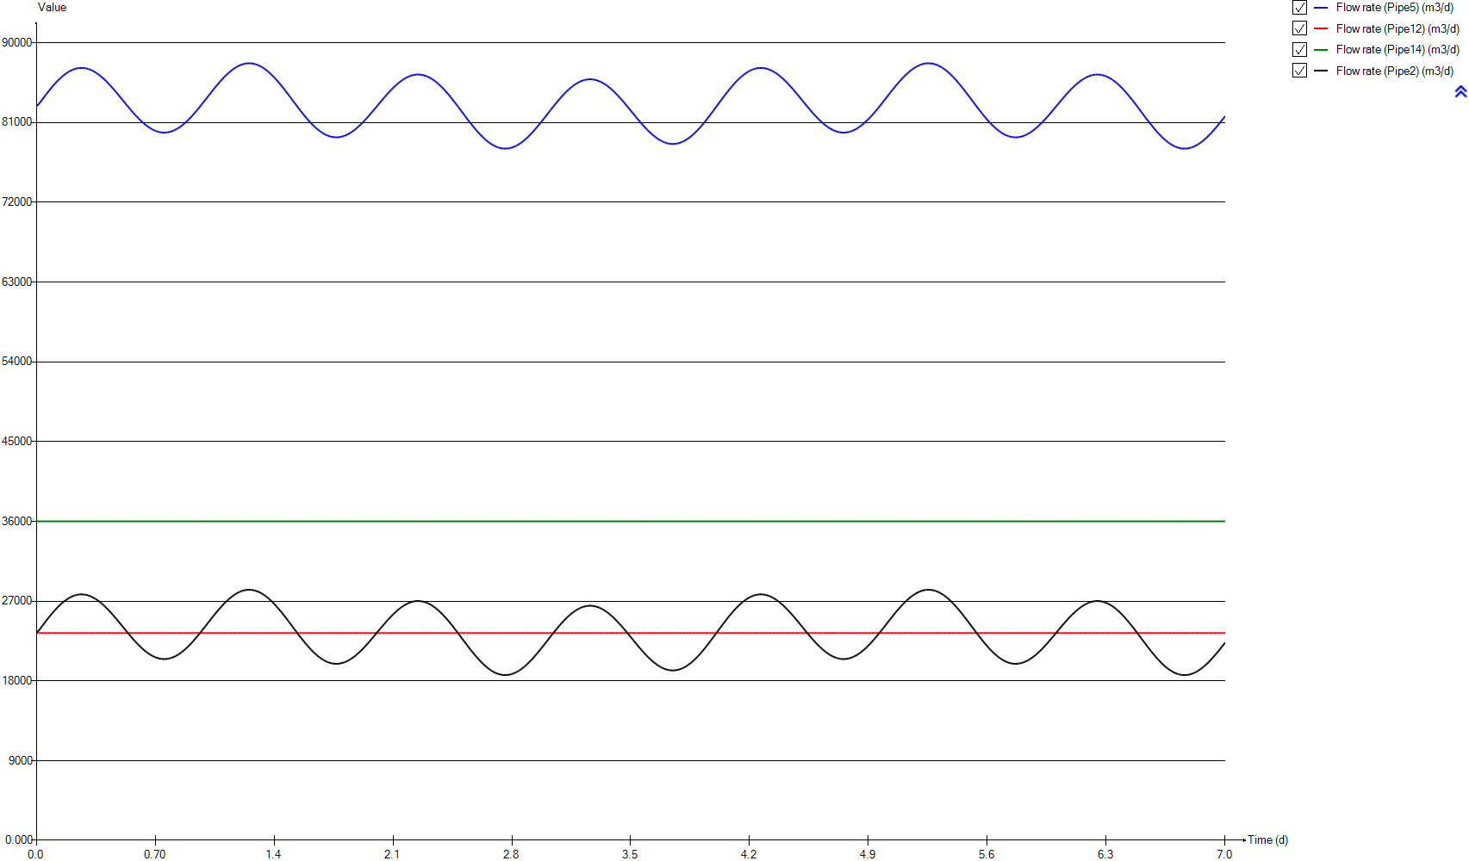
InputD
Time | Flow rate (Pipe5) | Flow rate (Pipe12) | Flow rate (Pipe14) | Flow rate (Pipe2)
d | m3/d | m3/d | m3/d | m3/d
0 | 82873.058067 | 23400 | 36000 | 23473.058067
0.0069444444444 | 82873.058067 | 23400 | 36000 | 23473.058067
0.013888888889 | 83054.387441 | 23400 | 36000 | 23654.387441
0.020833333333 | 83235.325597 | 23400 | 36000 | 23835.325597
0.027777777778 | 83415.676926 | 23400 | 36000 | 24015.676926
0.034722222222 | 83595.050212 | 23400 | 36000 | 24195.050212
0.041666666667 | 83773.15204 | 23400 | 36000 | 24373.15204
0.048611111111 | 83949.591193 | 23400 | 36000 | 24549.591193
0.055555555556 | 84124.074258 | 23400 | 36000 | 24724.074258
0.0625 | 84296.307822 | 23400 | 36000 | 24896.307822
0.069444444444 | 84466.096275 | 23400 | 36000 | 25066.096275
0.076388888889 | 84632.852792 | 23400 | 36000 | 25232.852792
0.083333333333 | 84796.577372 | 23400 | 36000 | 25396.577372
0.090277777778 | 84956.780993 | 23400 | 36000 | 25556.780993
0.097222222222 | 85113.268047 | 23400 | 36000 | 25713.268047
0.10416666667 | 85265.74512 | 23400 | 36000 | 25865.74512
0.11111111111 | 85413.918799 | 23400 | 36000 | 26013.918799
0.11805555556 | 85557.593475 | 23400 | 36000 | 26157.593475
0.125 | 85696.377931 | 23400 | 36000 | 26296.377931
0.13194444444 | 85830.174362 | 23400 | 36000 | 26430.174362
0.13888888889 | 85958.689355 | 23400 | 36000 | 26558.689355
0.14583333333 | 86081.629496 | 23400 | 36000 | 26681.629496
0.15277777778 | 86198.896982 | 23400 | 36000 | 26798.896982
0.15972222222 | 86310.198399 | 23400 | 36000 | 26910.198399
0.16666666667 | 86415.338139 | 23400 | 36000 | 27015.338139
0.17361111111 | 86514.218396 | 23400 | 36000 | 27114.218396
0.18055555556 | 86606.643562 | 23400 | 36000 | 27206.643562
0.1875 | 86692.418028 | 23400 | 36000 | 27292.418028
0.19444444444 | 86771.346186 | 23400 | 36000 | 27371.346186
0.20138888889 | 86843.428035 | 23400 | 36000 | 27443.428035
0.20833333333 | 86908.467967 | 23400 | 36000 | 27508.467967
0.21527777778 | 86966.270372 | 23400 | 36000 | 27566.270372
0.22222222222 | 87016.933056 | 23400 | 36000 | 27616.933056
0.22916666667 | 87060.358213 | 23400 | 36000 | 27660.358213
0.23611111111 | 87096.252431 | 23400 | 36000 | 27696.252431
0.24305555556 | 87124.811319 | 23400 | 36000 | 27724.811319
0.25 | 87145.937071 | 23400 | 36000 | 27745.937071
0.25694444444 | 87159.531884 | 23400 | 36000 | 27759.531884
0.26388888889 | 87165.595757 | 23400 | 36000 | 27765.595757
0.27083333333 | 87164.226495 | 23400 | 36000 | 27764.226495
0.27777777778 | 87155.424099 | 23400 | 36000 | 27755.424099
0.28472222222 | 87139.090762 | 23400 | 36000 | 27739.090762
0.29166666667 | 87115.5199 | 23400 | 36000 | 27715.5199
0.29861111111 | 87084.515902 | 23400 | 36000 | 27684.515902
0.30555555556 | 87046.274379 | 23400 | 36000 | 27646.274379
0.3125 | 87000.893133 | 23400 | 36000 | 27600.893133
0.31944444444 | 86948.46997 | 23400 | 36000 | 27548.46997
0.32638888889 | 86889.102694 | 23400 | 36000 | 27489.102694
0.33333333333 | 86822.986914 | 23400 | 36000 | 27422.986914
0.34027777778 | 86750.122629 | 23400 | 36000 | 27350.122629
0.34722222222 | 86670.803254 | 23400 | 36000 | 27270.803254
0.35416666667 | 86585.126592 | 23400 | 36000 | 27185.126592
0.36111111111 | 86493.288252 | 23400 | 36000 | 27093.288252
0.36805555556 | 86395.483844 | 23400 | 36000 | 26995.483844
0.375 | 86291.908975 | 23400 | 36000 | 26891.908975
0.38194444444 | 86182.759255 | 23400 | 36000 | 26782.759255
0.38888888889 | 86068.328097 | 23400 | 36000 | 26668.328097
0.39583333333 | 85948.713305 | 23400 | 36000 | 26548.713305
0.40277777778 | 85824.306097 | 23400 | 36000 | 26424.306097
0.40972222222 | 85695.302082 | 23400 | 36000 | 26295.302082
0.41666666667 | 85561.994673 | 23400 | 36000 | 26161.994673
0.42361111111 | 85424.579479 | 23400 | 36000 | 26024.579479
0.43055555556 | 85283.349913 | 23400 | 36000 | 25883.349913
0.4375 | 85138.599389 | 23400 | 36000 | 25738.599389
0.44444444444 | 84990.621318 | 23400 | 36000 | 25590.621318
0.45138888889 | 84839.80692 | 23400 | 36000 | 25439.80692
0.45833333333 | 84686.253999 | 23400 | 36000 | 25286.253999
0.46527777778 | 84530.451576 | 23400 | 36000 | 25130.451576
0.47222222222 | 84372.693065 | 23400 | 36000 | 24972.693065
0.47916666667 | 84213.174074 | 23400 | 36000 | 24813.174074
0.48611111111 | 84052.285822 | 23400 | 36000 | 24652.285822
0.49305555556 | 83890.321721 | 23400 | 36000 | 24490.321721
0.5 | 83727.67299 | 23400 | 36000 | 24327.67299
0.50694444444 | 83564.633041 | 23400 | 36000 | 24164.633041
0.51388888889 | 83401.495287 | 23400 | 36000 | 24001.495287
0.52083333333 | 83238.553142 | 23400 | 36000 | 23838.553142
0.52777777778 | 83076.295628 | 23400 | 36000 | 23676.295628
0.53472222222 | 82914.82055 | 23400 | 36000 | 23514.82055
0.54166666667 | 82754.519124 | 23400 | 36000 | 23354.519124
0.54861111111 | 82595.880373 | 23400 | 36000 | 23195.880373
0.55555555556 | 82439.002102 | 23400 | 36000 | 23039.002102
0.5625 | 82284.275528 | 23400 | 36000 | 22884.275528
0.56944444444 | 82131.994063 | 23400 | 36000 | 22731.994063
0.57638888889 | 81982.451123 | 23400 | 36000 | 22582.451123
0.58333333333 | 81836.037923 | 23400 | 36000 | 22436.037923
0.59027777778 | 81692.950073 | 23400 | 36000 | 22292.950073
0.59722222222 | 81553.383182 | 23400 | 36000 | 22153.383182
0.60416666667 | 81417.826272 | 23400 | 36000 | 22017.826272
0.61111111111 | 81286.474951 | 23400 | 36000 | 21886.474951
0.61805555556 | 81159.524828 | 23400 | 36000 | 21759.524828
0.625 | 81037.269318 | 23400 | 36000 | 21637.269318
0.63194444444 | 80919.904027 | 23400 | 36000 | 21519.904027
0.63888888889 | 80807.820175 | 23400 | 36000 | 21407.820175
0.64583333333 | 80701.017761 | 23400 | 36000 | 21301.017761
0.65277777778 | 80599.888002 | 23400 | 36000 | 21199.888002
0.65972222222 | 80504.528704 | 23400 | 36000 | 21104.528704
0.66666666667 | 80415.233279 | 23400 | 36000 | 21015.233279
0.67361111111 | 80332.001727 | 23400 | 36000 | 20932.001727
0.68055555556 | 80255.225266 | 23400 | 36000 | 20855.225266
0.6875 | 80184.903897 | 23400 | 36000 | 20784.903897
0.69444444444 | 80121.233227 | 23400 | 36000 | 20721.233227
0.70138888889 | 80064.311061 | 23400 | 36000 | 20664.311061
0.70833333333 | 80014.333008 | 23400 | 36000 | 20614.333008
0.71527777778 | 79971.396873 | 23400 | 36000 | 20571.396873
0.72222222222 | 79935.502655 | 23400 | 36000 | 20535.502655
0.72916666667 | 79906.748159 | 23400 | 36000 | 20506.748159
0.73611111111 | 79885.231189 | 23400 | 36000 | 20485.231189
0.74305555556 | 79870.951745 | 23400 | 36000 | 20470.951745
0.75 | 79864.105436 | 23400 | 36000 | 20464.105436
0.75694444444 | 79864.496654 | 23400 | 36000 | 20464.496654
0.76388888889 | 79872.223202 | 23400 | 36000 | 20472.223202
0.77083333333 | 79887.285081 | 23400 | 36000 | 20487.285081
0.77777777778 | 79909.682291 | 23400 | 36000 | 20509.682291
0.78472222222 | 79939.414831 | 23400 | 36000 | 20539.414831
0.79166666667 | 79976.287093 | 23400 | 36000 | 20576.287093
0.79861111111 | 80020.299077 | 23400 | 36000 | 20620.299077
0.80555555556 | 80071.450783 | 23400 | 36000 | 20671.450783
0.8125 | 80129.546601 | 23400 | 36000 | 20729.546601
0.81944444444 | 80194.586533 | 23400 | 36000 | 20794.586533
0.82638888889 | 80266.374969 | 23400 | 36000 | 20866.374969
0.83333333333 | 80344.814105 | 23400 | 36000 | 20944.814105
0.84027777778 | 80429.708331 | 23400 | 36000 | 21029.708331
0.84722222222 | 80520.959845 | 23400 | 36000 | 21120.959845
0.85416666667 | 80618.373036 | 23400 | 36000 | 21218.373036
0.86111111111 | 80721.8501 | 23400 | 36000 | 21321.8501
0.86805555556 | 80830.99982 | 23400 | 36000 | 21430.99982
0.875 | 80945.822196 | 23400 | 36000 | 21545.822196
0.88194444444 | 81066.023814 | 23400 | 36000 | 21666.023814
0.88888888889 | 81191.311261 | 23400 | 36000 | 21791.311261
0.89583333333 | 81321.586734 | 23400 | 36000 | 21921.586734
0.90277777778 | 81456.459013 | 23400 | 36000 | 22056.459013
0.90972222222 | 81595.830295 | 23400 | 36000 | 22195.830295
0.91666666667 | 81739.309363 | 23400 | 36000 | 22339.309363
0.92361111111 | 81886.602802 | 23400 | 36000 | 22486.602802
0.93055555556 | 82037.612809 | 23400 | 36000 | 22637.612809
0.9375 | 82191.948166 | 23400 | 36000 | 22791.948166
0.94444444444 | 82349.315459 | 23400 | 36000 | 22949.315459
0.95138888889 | 82509.323472 | 23400 | 36000 | 23109.323472
0.95833333333 | 82671.874399 | 23400 | 36000 | 23271.874399
0.96527777778 | 82836.479219 | 23400 | 36000 | 23436.479219
0.97222222222 | 83002.942322 | 23400 | 36000 | 23602.942322
0.97916666667 | 83170.872492 | 23400 | 36000 | 23770.872492
0.98611111111 | 83339.976314 | 23400 | 36000 | 23939.976314
0.99305555556 | 83509.862572 | 23400 | 36000 | 24109.862572
1 | 83680.43346 | 23400 | 36000 | 24280.43346
1.0069444444 | 83851.102154 | 23400 | 36000 | 24451.102154
1.0138888889 | 84021.673042 | 23400 | 36000 | 24621.673042
1.0208333333 | 84191.852713 | 23400 | 36000 | 24791.852713
1.0277777778 | 84361.249949 | 23400 | 36000 | 24961.249949
1.0347222222 | 84529.473532 | 23400 | 36000 | 25129.473532
1.0416666667 | 84696.425657 | 23400 | 36000 | 25296.425657
1.0486111111 | 84861.519499 | 23400 | 36000 | 25461.519499
1.0555555556 | 85024.657252 | 23400 | 36000 | 25624.657252
1.0625 | 85185.4477 | 23400 | 36000 | 25785.4477
1.0694444444 | 85343.499625 | 23400 | 36000 | 25943.499625
1.0763888889 | 85498.617417 | 23400 | 36000 | 26098.617417
1.0833333333 | 85650.507663 | 23400 | 36000 | 26250.507663
1.0902777778 | 85798.779147 | 23400 | 36000 | 26398.779147
1.0972222222 | 85943.334063 | 23400 | 36000 | 26543.334063
1.1041666667 | 86083.683389 | 23400 | 36000 | 26683.683389
1.1111111111 | 86219.631517 | 23400 | 36000 | 26819.631517
1.1180555556 | 86350.982838 | 23400 | 36000 | 26950.982838
1.125 | 86477.346134 | 23400 | 36000 | 27077.346134
1.1319444444 | 86598.6236 | 23400 | 36000 | 27198.6236
1.1388888889 | 86714.521824 | 23400 | 36000 | 27314.521824
1.1458333333 | 86824.845197 | 23400 | 36000 | 27424.845197
1.1527777778 | 86929.300306 | 23400 | 36000 | 27529.300306
1.1597222222 | 87027.789345 | 23400 | 36000 | 27627.789345
1.1666666667 | 87120.018903 | 23400 | 36000 | 27720.018903
1.1736111111 | 87205.793369 | 23400 | 36000 | 27805.793369
1.1805555556 | 87285.112744 | 23400 | 36000 | 27885.112744
1.1875 | 87357.683616 | 23400 | 36000 | 27957.683616
1.1944444444 | 87423.408178 | 23400 | 36000 | 28023.408178
1.2013888889 | 87482.090823 | 23400 | 36000 | 28082.090823
1.2083333333 | 87533.633747 | 23400 | 36000 | 28133.633747
1.2152777778 | 87578.036948 | 23400 | 36000 | 28178.036948
1.2222222222 | 87615.202623 | 23400 | 36000 | 28215.202623
1.2291666667 | 87644.837359 | 23400 | 36000 | 28244.837359
1.2361111111 | 87667.136764 | 23400 | 36000 | 28267.136764
1.2430555556 | 87681.90523 | 23400 | 36000 | 28281.90523
1.25 | 87689.142756 | 23400 | 36000 | 28289.142756
1.2569444444 | 87688.849343 | 23400 | 36000 | 28288.849343
1.2638888889 | 87680.927186 | 23400 | 36000 | 28280.927186
1.2708333333 | 87665.571894 | 23400 | 36000 | 28265.571894
1.2777777778 | 87642.587858 | 23400 | 36000 | 28242.587858
1.2847222222 | 87612.170687 | 23400 | 36000 | 28212.170687
1.2916666667 | 87574.320381 | 23400 | 36000 | 28174.320381
1.2986111111 | 87529.134744 | 23400 | 36000 | 28129.134744
1.3055555556 | 87476.613776 | 23400 | 36000 | 28076.613776
1.3125 | 87416.855283 | 23400 | 36000 | 28016.855283
1.3194444444 | 87349.957067 | 23400 | 36000 | 27949.957067
1.3263888889 | 87276.212543 | 23400 | 36000 | 27876.212543
1.3333333333 | 87195.523906 | 23400 | 36000 | 27795.523906
1.3402777778 | 87108.086765 | 23400 | 36000 | 27708.086765
1.3472222222 | 87014.194532 | 23400 | 36000 | 27614.194532
1.3541666667 | 86913.847209 | 23400 | 36000 | 27513.847209
1.3611111111 | 86807.338208 | 23400 | 36000 | 27407.338208
1.3680555556 | 86694.863138 | 23400 | 36000 | 27294.863138
1.375 | 86576.519804 | 23400 | 36000 | 27176.519804
1.3819444444 | 86452.601618 | 23400 | 36000 | 27052.601618
1.3888888889 | 86323.30419 | 23400 | 36000 | 26923.30419
1.3958333333 | 86188.920933 | 23400 | 36000 | 26788.920933
1.4027777778 | 86049.647455 | 23400 | 36000 | 26649.647455
1.4097222222 | 85905.77717 | 23400 | 36000 | 26505.77717
1.4166666667 | 85757.407882 | 23400 | 36000 | 26357.407882
1.4236111111 | 85605.126418 | 23400 | 36000 | 26205.126418
1.4305555556 | 85448.932777 | 23400 | 36000 | 26048.932777
1.4375 | 85289.218178 | 23400 | 36000 | 25889.218178
1.4444444444 | 85126.178229 | 23400 | 36000 | 25726.178229
1.4513888889 | 84960.301952 | 23400 | 36000 | 25560.301952
1.4583333333 | 84791.784956 | 23400 | 36000 | 25391.784956
1.4652777778 | 84620.920654 | 23400 | 36000 | 25220.920654
1.4722222222 | 84448.100264 | 23400 | 36000 | 25048.100264
1.4791666667 | 84273.519394 | 23400 | 36000 | 24873.519394
1.4861111111 | 84097.569263 | 23400 | 36000 | 24697.569263
1.4930555556 | 83920.543284 | 23400 | 36000 | 24520.543284
1.5 | 83742.832673 | 23400 | 36000 | 24342.832673
1.5069444444 | 83564.633041 | 23400 | 36000 | 24164.633041
1.5138888889 | 83386.433408 | 23400 | 36000 | 23986.433408
1.5208333333 | 83208.429385 | 23400 | 36000 | 23808.429385
1.5277777778 | 83031.012187 | 23400 | 36000 | 23631.012187
1.5347222222 | 82854.47523 | 23400 | 36000 | 23454.47523
1.5416666667 | 82679.111925 | 23400 | 36000 | 23279.111925
1.5486111111 | 82505.411295 | 23400 | 36000 | 23105.411295
1.5555555556 | 82333.471145 | 23400 | 36000 | 22933.471145
1.5625 | 82163.682692 | 23400 | 36000 | 22763.682692
1.5694444444 | 81996.437153 | 23400 | 36000 | 22596.437153
1.5763888889 | 81831.930138 | 23400 | 36000 | 22431.930138
1.5833333333 | 81670.455059 | 23400 | 36000 | 22270.455059
1.5902777778 | 81512.403135 | 23400 | 36000 | 22112.403135
1.5972222222 | 81357.969974 | 23400 | 36000 | 21957.969974
1.6041666667 | 81207.448989 | 23400 | 36000 | 21807.448989
1.6111111111 | 81061.133593 | 23400 | 36000 | 21661.133593
1.6180555556 | 80919.317201 | 23400 | 36000 | 21519.317201
1.625 | 80782.19542 | 23400 | 36000 | 21382.19542
1.6319444444 | 80650.061664 | 23400 | 36000 | 21250.061664
1.6388888889 | 80523.209346 | 23400 | 36000 | 21123.209346
1.6458333333 | 80401.638466 | 23400 | 36000 | 21001.638466
1.6527777778 | 80285.838046 | 23400 | 36000 | 20885.838046
1.6597222222 | 80175.808087 | 23400 | 36000 | 20775.808087
1.6666666667 | 80071.842 | 23400 | 36000 | 20671.842
1.6736111111 | 79974.037592 | 23400 | 36000 | 20574.037592
1.6805555556 | 79882.688274 | 23400 | 36000 | 20482.688274
1.6875 | 79797.891852 | 23400 | 36000 | 20397.891852
1.6944444444 | 79719.746129 | 23400 | 36000 | 20319.746129
1.7013888889 | 79648.446715 | 23400 | 36000 | 20248.446715
1.7083333333 | 79584.091414 | 23400 | 36000 | 20184.091414
1.7152777778 | 79526.778031 | 23400 | 36000 | 20126.778031
1.7222222222 | 79476.604369 | 23400 | 36000 | 20076.604369
1.7291666667 | 79433.668234 | 23400 | 36000 | 20033.668234
1.7361111111 | 79397.969625 | 23400 | 36000 | 19997.969625
1.7430555556 | 79369.704151 | 23400 | 36000 | 19969.704151
1.75 | 79348.676203 | 23400 | 36000 | 19948.676203
1.7569444444 | 79335.179195 | 23400 | 36000 | 19935.179195
1.7638888889 | 79329.017517 | 23400 | 36000 | 19929.017517
1.7708333333 | 79330.288974 | 23400 | 36000 | 19930.288974
1.7777777778 | 79338.895762 | 23400 | 36000 | 19938.895762
1.7847222222 | 79354.837881 | 23400 | 36000 | 19954.837881
1.7916666667 | 79378.11533 | 23400 | 36000 | 19978.11533
1.7986111111 | 79408.532501 | 23400 | 36000 | 20008.532501
1.8055555556 | 79446.187198 | 23400 | 36000 | 20046.187198
1.8125 | 79490.883813 | 23400 | 36000 | 20090.883813
1.8194444444 | 79542.622345 | 23400 | 36000 | 20142.622345
1.8263888889 | 79601.109382 | 23400 | 36000 | 20201.109382
1.8333333333 | 79666.344922 | 23400 | 36000 | 20266.344922
1.8402777778 | 79738.133358 | 23400 | 36000 | 20338.133358
1.8472222222 | 79816.376885 | 23400 | 36000 | 20416.376885
1.8541666667 | 79900.879894 | 23400 | 36000 | 20500.879894
1.8611111111 | 79991.446776 | 23400 | 36000 | 20591.446776
1.8680555556 | 80087.881923 | 23400 | 36000 | 20687.881923
1.875 | 80189.989726 | 23400 | 36000 | 20789.989726
1.8819444444 | 80297.574575 | 23400 | 36000 | 20897.574575
1.8888888889 | 80410.343058 | 23400 | 36000 | 21010.343058
1.8958333333 | 80528.197371 | 23400 | 36000 | 21128.197371
1.9027777778 | 80650.746295 | 23400 | 36000 | 21250.746295
1.9097222222 | 80777.892026 | 23400 | 36000 | 21377.892026
1.9166666667 | 80909.243347 | 23400 | 36000 | 21509.243347
1.9236111111 | 81044.604648 | 23400 | 36000 | 21644.604648
1.9305555556 | 81183.682517 | 23400 | 36000 | 21783.682517
1.9375 | 81326.183541 | 23400 | 36000 | 21926.183541
1.9444444444 | 81471.814305 | 23400 | 36000 | 22071.814305
1.9513888889 | 81620.281397 | 23400 | 36000 | 22220.281397
1.9583333333 | 81771.291404 | 23400 | 36000 | 22371.291404
1.9652777778 | 81924.453108 | 23400 | 36000 | 22524.453108
1.9722222222 | 82079.668705 | 23400 | 36000 | 22679.668705
1.9791666667 | 82236.351367 | 23400 | 36000 | 22836.351367
1.9861111111 | 82394.403292 | 23400 | 36000 | 22994.403292
1.9930555556 | 82553.43326 | 23400 | 36000 | 23153.43326
2 | 82713.050055 | 23400 | 36000 | 23313.050055
2.0069444444 | 82873.058067 | 23400 | 36000 | 23473.058067
2.0138888889 | 83033.06608 | 23400 | 36000 | 23633.06608
2.0208333333 | 83192.682875 | 23400 | 36000 | 23792.682875
2.0277777778 | 83351.712843 | 23400 | 36000 | 23951.712843
2.0347222222 | 83509.764767 | 23400 | 36000 | 24109.764767
2.0416666667 | 83666.44743 | 23400 | 36000 | 24266.44743
2.0486111111 | 83821.663027 | 23400 | 36000 | 24421.663027
2.0555555556 | 83974.82473 | 23400 | 36000 | 24574.82473
2.0625 | 84125.834737 | 23400 | 36000 | 24725.834737
2.0694444444 | 84274.30183 | 23400 | 36000 | 24874.30183
2.0763888889 | 84419.932594 | 23400 | 36000 | 25019.932594
2.0833333333 | 84562.433617 | 23400 | 36000 | 25162.433617
2.0902777778 | 84701.511486 | 23400 | 36000 | 25301.511486
2.0972222222 | 84836.872788 | 23400 | 36000 | 25436.872788
2.1041666667 | 84968.224109 | 23400 | 36000 | 25568.224109
2.1111111111 | 85095.36984 | 23400 | 36000 | 25695.36984
2.1180555556 | 85217.918764 | 23400 | 36000 | 25817.918764
2.125 | 85335.773076 | 23400 | 36000 | 25935.773076
2.1319444444 | 85448.541559 | 23400 | 36000 | 26048.541559
2.1388888889 | 85556.126409 | 23400 | 36000 | 26156.126409
2.1458333333 | 85658.234211 | 23400 | 36000 | 26258.234211
2.1527777778 | 85754.669358 | 23400 | 36000 | 26354.669358
2.1597222222 | 85845.236241 | 23400 | 36000 | 26445.236241
2.1666666667 | 85929.73925 | 23400 | 36000 | 26529.73925
2.1736111111 | 86007.982777 | 23400 | 36000 | 26607.982777
2.1805555556 | 86079.771213 | 23400 | 36000 | 26679.771213
2.1875 | 86145.006753 | 23400 | 36000 | 26745.006753
2.1944444444 | 86203.493789 | 23400 | 36000 | 26803.493789
2.2013888889 | 86255.232322 | 23400 | 36000 | 26855.232322
2.2083333333 | 86299.928936 | 23400 | 36000 | 26899.928936
2.2152777778 | 86337.583634 | 23400 | 36000 | 26937.583634
2.2222222222 | 86368.000805 | 23400 | 36000 | 26968.000805
2.2291666667 | 86391.278254 | 23400 | 36000 | 26991.278254
2.2361111111 | 86407.220373 | 23400 | 36000 | 27007.220373
2.2430555556 | 86415.827161 | 23400 | 36000 | 27015.827161
2.25 | 86417.098618 | 23400 | 36000 | 27017.098618
2.2569444444 | 86410.93694 | 23400 | 36000 | 27010.93694
2.2638888889 | 86397.439932 | 23400 | 36000 | 26997.439932
2.2708333333 | 86376.411984 | 23400 | 36000 | 26976.411984
2.2777777778 | 86348.14651 | 23400 | 36000 | 26948.14651
2.2847222222 | 86312.447901 | 23400 | 36000 | 26912.447901
2.2916666667 | 86269.511765 | 23400 | 36000 | 26869.511765
2.2986111111 | 86219.338104 | 23400 | 36000 | 26819.338104
2.3055555556 | 86162.02472 | 23400 | 36000 | 26762.02472
2.3125 | 86097.669419 | 23400 | 36000 | 26697.669419
2.3194444444 | 86026.370005 | 23400 | 36000 | 26626.370005
2.3263888889 | 85948.224283 | 23400 | 36000 | 26548.224283
2.3333333333 | 85863.427861 | 23400 | 36000 | 26463.427861
2.3402777778 | 85772.078543 | 23400 | 36000 | 26372.078543
2.3472222222 | 85674.274134 | 23400 | 36000 | 26274.274134
2.3541666667 | 85570.308048 | 23400 | 36000 | 26170.308048
2.3611111111 | 85460.278088 | 23400 | 36000 | 26060.278088
2.3680555556 | 85344.477669 | 23400 | 36000 | 25944.477669
2.375 | 85222.906789 | 23400 | 36000 | 25822.906789
2.3819444444 | 85096.054471 | 23400 | 36000 | 25696.054471
2.3888888889 | 84963.920715 | 23400 | 36000 | 25563.920715
2.3958333333 | 84826.798934 | 23400 | 36000 | 25426.798934
2.4027777778 | 84684.982541 | 23400 | 36000 | 25284.982541
2.4097222222 | 84538.667146 | 23400 | 36000 | 25138.667146
2.4166666667 | 84388.146161 | 23400 | 36000 | 24988.146161
2.4236111111 | 84233.713 | 23400 | 36000 | 24833.713
2.4305555556 | 84075.661076 | 23400 | 36000 | 24675.661076
2.4375 | 83914.185997 | 23400 | 36000 | 24514.185997
2.4444444444 | 83749.678982 | 23400 | 36000 | 24349.678982
2.4513888889 | 83582.433443 | 23400 | 36000 | 24182.433443
2.4583333333 | 83412.64499 | 23400 | 36000 | 24012.64499
2.4652777778 | 83240.704839 | 23400 | 36000 | 23840.704839
2.4722222222 | 83067.00421 | 23400 | 36000 | 23667.00421
2.4791666667 | 82891.640905 | 23400 | 36000 | 23491.640905
2.4861111111 | 82715.103947 | 23400 | 36000 | 23315.103947
2.4930555556 | 82537.68675 | 23400 | 36000 | 23137.68675
2.5 | 82359.682727 | 23400 | 36000 | 22959.682727
2.5069444444 | 82181.483094 | 23400 | 36000 | 22781.483094
2.5138888889 | 82003.283462 | 23400 | 36000 | 22603.283462
2.5208333333 | 81825.572851 | 23400 | 36000 | 22425.572851
2.5277777778 | 81648.546872 | 23400 | 36000 | 22248.546872
2.5347222222 | 81472.59674 | 23400 | 36000 | 22072.59674
2.5416666667 | 81298.015871 | 23400 | 36000 | 21898.015871
2.5486111111 | 81125.195481 | 23400 | 36000 | 21725.195481
2.5555555556 | 80954.331179 | 23400 | 36000 | 21554.331179
2.5625 | 80785.814183 | 23400 | 36000 | 21385.814183
2.5694444444 | 80619.937906 | 23400 | 36000 | 21219.937906
2.5763888889 | 80456.897957 | 23400 | 36000 | 21056.897957
2.5833333333 | 80297.183358 | 23400 | 36000 | 20897.183358
2.5902777778 | 80140.989717 | 23400 | 36000 | 20740.989717
2.5972222222 | 79988.708253 | 23400 | 36000 | 20588.708253
2.6041666667 | 79840.338965 | 23400 | 36000 | 20440.338965
2.6111111111 | 79696.46868 | 23400 | 36000 | 20296.46868
2.6180555556 | 79557.195202 | 23400 | 36000 | 20157.195202
2.625 | 79422.811945 | 23400 | 36000 | 20022.811945
2.6319444444 | 79293.514517 | 23400 | 36000 | 19893.514517
2.6388888889 | 79169.596331 | 23400 | 36000 | 19769.596331
2.6458333333 | 79051.252996 | 23400 | 36000 | 19651.252996
2.6527777778 | 78938.777926 | 23400 | 36000 | 19538.777926
2.6597222222 | 78832.268925 | 23400 | 36000 | 19432.268925
2.6666666667 | 78731.921602 | 23400 | 36000 | 19331.921602
2.6736111111 | 78638.02937 | 23400 | 36000 | 19238.02937
2.6805555556 | 78550.592229 | 23400 | 36000 | 19150.592229
2.6875 | 78469.903592 | 23400 | 36000 | 19069.903592
2.6944444444 | 78396.159067 | 23400 | 36000 | 18996.159067
2.7013888889 | 78329.260852 | 23400 | 36000 | 18929.260852
2.7083333333 | 78269.502358 | 23400 | 36000 | 18869.502358
2.7152777778 | 78216.981391 | 23400 | 36000 | 18816.981391
2.7222222222 | 78171.795754 | 23400 | 36000 | 18771.795754
2.7291666667 | 78133.945448 | 23400 | 36000 | 18733.945448
2.7361111111 | 78103.528277 | 23400 | 36000 | 18703.528277
2.7430555556 | 78080.544241 | 23400 | 36000 | 18680.544241
2.75 | 78065.188949 | 23400 | 36000 | 18665.188949
2.7569444444 | 78057.266792 | 23400 | 36000 | 18657.266792
2.7638888889 | 78056.973378 | 23400 | 36000 | 18656.973378
2.7708333333 | 78064.210905 | 23400 | 36000 | 18664.210905
2.7777777778 | 78078.97937 | 23400 | 36000 | 18678.97937
2.7847222222 | 78101.278775 | 23400 | 36000 | 18701.278775
2.7916666667 | 78130.913511 | 23400 | 36000 | 18730.913511
2.7986111111 | 78168.079187 | 23400 | 36000 | 18768.079187
2.8055555556 | 78212.482388 | 23400 | 36000 | 18812.482388
2.8125 | 78264.025311 | 23400 | 36000 | 18864.025311
2.8194444444 | 78322.707957 | 23400 | 36000 | 18922.707957
2.8263888889 | 78388.432519 | 23400 | 36000 | 18988.432519
2.8333333333 | 78461.00339 | 23400 | 36000 | 19061.00339
2.8402777778 | 78540.322766 | 23400 | 36000 | 19140.322766
2.8472222222 | 78626.097232 | 23400 | 36000 | 19226.097232
2.8541666667 | 78718.326789 | 23400 | 36000 | 19318.326789
2.8611111111 | 78816.815829 | 23400 | 36000 | 19416.815829
2.8680555556 | 78921.270937 | 23400 | 36000 | 19521.270937
2.875 | 79031.59431 | 23400 | 36000 | 19631.59431
2.8819444444 | 79147.492534 | 23400 | 36000 | 19747.492534
2.8888888889 | 79268.770001 | 23400 | 36000 | 19868.770001
2.8958333333 | 79395.133297 | 23400 | 36000 | 19995.133297
2.9027777778 | 79526.484618 | 23400 | 36000 | 20126.484618
2.9097222222 | 79662.432746 | 23400 | 36000 | 20262.432746
2.9166666667 | 79802.782072 | 23400 | 36000 | 20402.782072
2.9236111111 | 79947.336988 | 23400 | 36000 | 20547.336988
2.9305555556 | 80095.608472 | 23400 | 36000 | 20695.608472
2.9375 | 80247.498718 | 23400 | 36000 | 20847.498718
2.9444444444 | 80402.61651 | 23400 | 36000 | 21002.61651
2.9513888889 | 80560.668435 | 23400 | 36000 | 21160.668435
2.9583333333 | 80721.458882 | 23400 | 36000 | 21321.458882
2.9652777778 | 80884.596636 | 23400 | 36000 | 21484.596636
2.9722222222 | 81049.690478 | 23400 | 36000 | 21649.690478
2.9791666667 | 81216.642603 | 23400 | 36000 | 21816.642603
2.9861111111 | 81384.866186 | 23400 | 36000 | 21984.866186
2.9930555556 | 81554.263422 | 23400 | 36000 | 22154.263422
3 | 81724.443093 | 23400 | 36000 | 22324.443093
3.0069444444 | 81895.013981 | 23400 | 36000 | 22495.013981
3.0138888889 | 82065.682674 | 23400 | 36000 | 22665.682674
3.0208333333 | 82236.253563 | 23400 | 36000 | 22836.253563
3.0277777778 | 82406.139821 | 23400 | 36000 | 23006.139821
3.0347222222 | 82575.243643 | 23400 | 36000 | 23175.243643
3.0416666667 | 82743.173813 | 23400 | 36000 | 23343.173813
3.0486111111 | 82909.636916 | 23400 | 36000 | 23509.636916
3.0555555556 | 83074.241736 | 23400 | 36000 | 23674.241736
3.0625 | 83236.792663 | 23400 | 36000 | 23836.792663
3.0694444444 | 83396.800675 | 23400 | 36000 | 23996.800675
3.0763888889 | 83554.167969 | 23400 | 36000 | 24154.167969
3.0833333333 | 83708.503326 | 23400 | 36000 | 24308.503326
3.0902777778 | 83859.513333 | 23400 | 36000 | 24459.513333
3.0972222222 | 84006.806772 | 23400 | 36000 | 24606.806772
3.1041666667 | 84150.285839 | 23400 | 36000 | 24750.285839
3.1111111111 | 84289.657122 | 23400 | 36000 | 24889.657122
3.1180555556 | 84424.529401 | 23400 | 36000 | 25024.529401
3.125 | 84554.804873 | 23400 | 36000 | 25154.804873
3.1319444444 | 84680.092321 | 23400 | 36000 | 25280.092321
3.1388888889 | 84800.293939 | 23400 | 36000 | 25400.293939
3.1458333333 | 84915.116315 | 23400 | 36000 | 25515.116315
3.1527777778 | 85024.266035 | 23400 | 36000 | 25624.266035
3.1597222222 | 85127.743099 | 23400 | 36000 | 25727.743099
3.1666666667 | 85225.15629 | 23400 | 36000 | 25825.15629
3.1736111111 | 85316.407803 | 23400 | 36000 | 25916.407803
3.1805555556 | 85401.30203 | 23400 | 36000 | 26001.30203
3.1875 | 85479.741166 | 23400 | 36000 | 26079.741166
3.1944444444 | 85551.529602 | 23400 | 36000 | 26151.529602
3.2013888889 | 85616.569533 | 23400 | 36000 | 26216.569533
3.2083333333 | 85674.665352 | 23400 | 36000 | 26274.665352
3.2152777778 | 85725.817058 | 23400 | 36000 | 26325.817058
3.2222222222 | 85769.829042 | 23400 | 36000 | 26369.829042
3.2291666667 | 85806.701304 | 23400 | 36000 | 26406.701304
3.2361111111 | 85836.433844 | 23400 | 36000 | 26436.433844
3.2430555556 | 85858.831054 | 23400 | 36000 | 26458.831054
3.25 | 85873.892932 | 23400 | 36000 | 26473.892932
3.2569444444 | 85881.619481 | 23400 | 36000 | 26481.619481
3.2638888889 | 85882.010698 | 23400 | 36000 | 26482.010698
3.2708333333 | 85875.16439 | 23400 | 36000 | 26475.16439
3.2777777778 | 85860.884946 | 23400 | 36000 | 26460.884946
3.2847222222 | 85839.367976 | 23400 | 36000 | 26439.367976
3.2916666667 | 85810.61348 | 23400 | 36000 | 26410.61348
3.2986111111 | 85774.719262 | 23400 | 36000 | 26374.719262
3.3055555556 | 85731.783127 | 23400 | 36000 | 26331.783127
3.3125 | 85681.805074 | 23400 | 36000 | 26281.805074
3.3194444444 | 85624.882908 | 23400 | 36000 | 26224.882908
3.3263888889 | 85561.212238 | 23400 | 36000 | 26161.212238
3.3333333333 | 85490.890868 | 23400 | 36000 | 26090.890868
3.3402777778 | 85414.114408 | 23400 | 36000 | 26014.114408
3.3472222222 | 85330.882856 | 23400 | 36000 | 25930.882856
3.3541666667 | 85241.587431 | 23400 | 36000 | 25841.587431
3.3611111111 | 85146.228132 | 23400 | 36000 | 25746.228132
3.3680555556 | 85045.098374 | 23400 | 36000 | 25645.098374
3.375 | 84938.29596 | 23400 | 36000 | 25538.29596
3.3819444444 | 84826.212107 | 23400 | 36000 | 25426.212107
3.3888888889 | 84708.846817 | 23400 | 36000 | 25308.846817
3.3958333333 | 84586.591306 | 23400 | 36000 | 25186.591306
3.4027777778 | 84459.641184 | 23400 | 36000 | 25059.641184
3.4097222222 | 84328.289863 | 23400 | 36000 | 24928.289863
3.4166666667 | 84192.732953 | 23400 | 36000 | 24792.732953
3.4236111111 | 84053.166062 | 23400 | 36000 | 24653.166062
3.4305555556 | 83910.078212 | 23400 | 36000 | 24510.078212
3.4375 | 83763.665012 | 23400 | 36000 | 24363.665012
3.4444444444 | 83614.122071 | 23400 | 36000 | 24214.122071
3.4513888889 | 83461.840607 | 23400 | 36000 | 24061.840607
3.4583333333 | 83307.114033 | 23400 | 36000 | 23907.114033
3.4652777778 | 83150.235761 | 23400 | 36000 | 23750.235761
3.4722222222 | 82991.597011 | 23400 | 36000 | 23591.597011
3.4791666667 | 82831.295585 | 23400 | 36000 | 23431.295585
3.4861111111 | 82669.820506 | 23400 | 36000 | 23269.820506
3.4930555556 | 82507.562992 | 23400 | 36000 | 23107.562992
3.5 | 82344.620848 | 23400 | 36000 | 22944.620848
3.5069444444 | 82181.483094 | 23400 | 36000 | 22781.483094
3.5138888889 | 82018.443145 | 23400 | 36000 | 22618.443145
3.5208333333 | 81855.794413 | 23400 | 36000 | 22455.794413
3.5277777778 | 81693.830313 | 23400 | 36000 | 22293.830313
3.5347222222 | 81532.942061 | 23400 | 36000 | 22132.942061
3.5416666667 | 81373.42307 | 23400 | 36000 | 21973.42307
3.5486111111 | 81215.664559 | 23400 | 36000 | 21815.664559
3.5555555556 | 81059.862136 | 23400 | 36000 | 21659.862136
3.5625 | 80906.309215 | 23400 | 36000 | 21506.309215
3.5694444444 | 80755.494816 | 23400 | 36000 | 21355.494816
3.5763888889 | 80607.516746 | 23400 | 36000 | 21207.516746
3.5833333333 | 80462.766221 | 23400 | 36000 | 21062.766221
3.5902777778 | 80321.536655 | 23400 | 36000 | 20921.536655
3.5972222222 | 80184.121461 | 23400 | 36000 | 20784.121461
3.6041666667 | 80050.814052 | 23400 | 36000 | 20650.814052
3.6111111111 | 79921.810037 | 23400 | 36000 | 20521.810037
3.6180555556 | 79797.40283 | 23400 | 36000 | 20397.40283
3.625 | 79677.788038 | 23400 | 36000 | 20277.788038
3.6319444444 | 79563.35688 | 23400 | 36000 | 20163.35688
3.6388888889 | 79454.20716 | 23400 | 36000 | 20054.20716
3.6458333333 | 79350.632291 | 23400 | 36000 | 19950.632291
3.6527777778 | 79252.827883 | 23400 | 36000 | 19852.827883
3.6597222222 | 79160.989543 | 23400 | 36000 | 19760.989543
3.6666666667 | 79075.312881 | 23400 | 36000 | 19675.312881
3.6736111111 | 78995.993505 | 23400 | 36000 | 19595.993505
3.6805555556 | 78923.129221 | 23400 | 36000 | 19523.129221
3.6875 | 78857.013441 | 23400 | 36000 | 19457.013441
3.6944444444 | 78797.646165 | 23400 | 36000 | 19397.646165
3.7013888889 | 78745.223002 | 23400 | 36000 | 19345.223002
3.7083333333 | 78699.841756 | 23400 | 36000 | 19299.841756
3.7152777778 | 78661.600232 | 23400 | 36000 | 19261.600232
3.7222222222 | 78630.596235 | 23400 | 36000 | 19230.596235
3.7291666667 | 78607.025372 | 23400 | 36000 | 19207.025372
3.7361111111 | 78590.692036 | 23400 | 36000 | 19190.692036
3.7430555556 | 78581.889639 | 23400 | 36000 | 19181.889639
3.75 | 78580.520378 | 23400 | 36000 | 19180.520378
3.7569444444 | 78586.584251 | 23400 | 36000 | 19186.584251
3.7638888889 | 78600.179064 | 23400 | 36000 | 19200.179064
3.7708333333 | 78621.304816 | 23400 | 36000 | 19221.304816
3.7777777778 | 78649.863703 | 23400 | 36000 | 19249.863703
3.7847222222 | 78685.757921 | 23400 | 36000 | 19285.757921
3.7916666667 | 78729.183079 | 23400 | 36000 | 19329.183079
3.7986111111 | 78779.845762 | 23400 | 36000 | 19379.845762
3.8055555556 | 78837.648168 | 23400 | 36000 | 19437.648168
3.8125 | 78902.6881 | 23400 | 36000 | 19502.6881
3.8194444444 | 78974.769949 | 23400 | 36000 | 19574.769949
3.8263888889 | 79053.698107 | 23400 | 36000 | 19653.698107
3.8333333333 | 79139.472573 | 23400 | 36000 | 19739.472573
3.8402777778 | 79231.897739 | 23400 | 36000 | 19831.897739
3.8472222222 | 79330.777996 | 23400 | 36000 | 19930.777996
3.8541666667 | 79435.917735 | 23400 | 36000 | 20035.917735
3.8611111111 | 79547.219152 | 23400 | 36000 | 20147.219152
3.8680555556 | 79664.486638 | 23400 | 36000 | 20264.486638
3.875 | 79787.42678 | 23400 | 36000 | 20387.42678
3.8819444444 | 79915.941773 | 23400 | 36000 | 20515.941773
3.8888888889 | 80049.738204 | 23400 | 36000 | 20649.738204
3.8958333333 | 80188.52266 | 23400 | 36000 | 20788.52266
3.9027777778 | 80332.197336 | 23400 | 36000 | 20932.197336
3.9097222222 | 80480.371015 | 23400 | 36000 | 21080.371015
3.9166666667 | 80632.848088 | 23400 | 36000 | 21232.848088
3.9236111111 | 80789.335142 | 23400 | 36000 | 21389.335142
3.9305555556 | 80949.538763 | 23400 | 36000 | 21549.538763
3.9375 | 81113.263343 | 23400 | 36000 | 21713.263343
3.9444444444 | 81280.01986 | 23400 | 36000 | 21880.01986
3.9513888889 | 81449.808313 | 23400 | 36000 | 22049.808313
3.9583333333 | 81622.041877 | 23400 | 36000 | 22222.041877
3.9652777778 | 81796.524942 | 23400 | 36000 | 22396.524942
3.9722222222 | 81972.964095 | 23400 | 36000 | 22572.964095
3.9791666667 | 82151.065923 | 23400 | 36000 | 22751.065923
3.9861111111 | 82330.439208 | 23400 | 36000 | 22930.439208
3.9930555556 | 82510.790538 | 23400 | 36000 | 23110.790538
4 | 82691.728694 | 23400 | 36000 | 23291.728694
4.0069444444 | 82873.058067 | 23400 | 36000 | 23473.058067
4.0138888889 | 83054.387441 | 23400 | 36000 | 23654.387441
4.0208333333 | 83235.325597 | 23400 | 36000 | 23835.325597
4.0277777778 | 83415.676926 | 23400 | 36000 | 24015.676926
...

DO
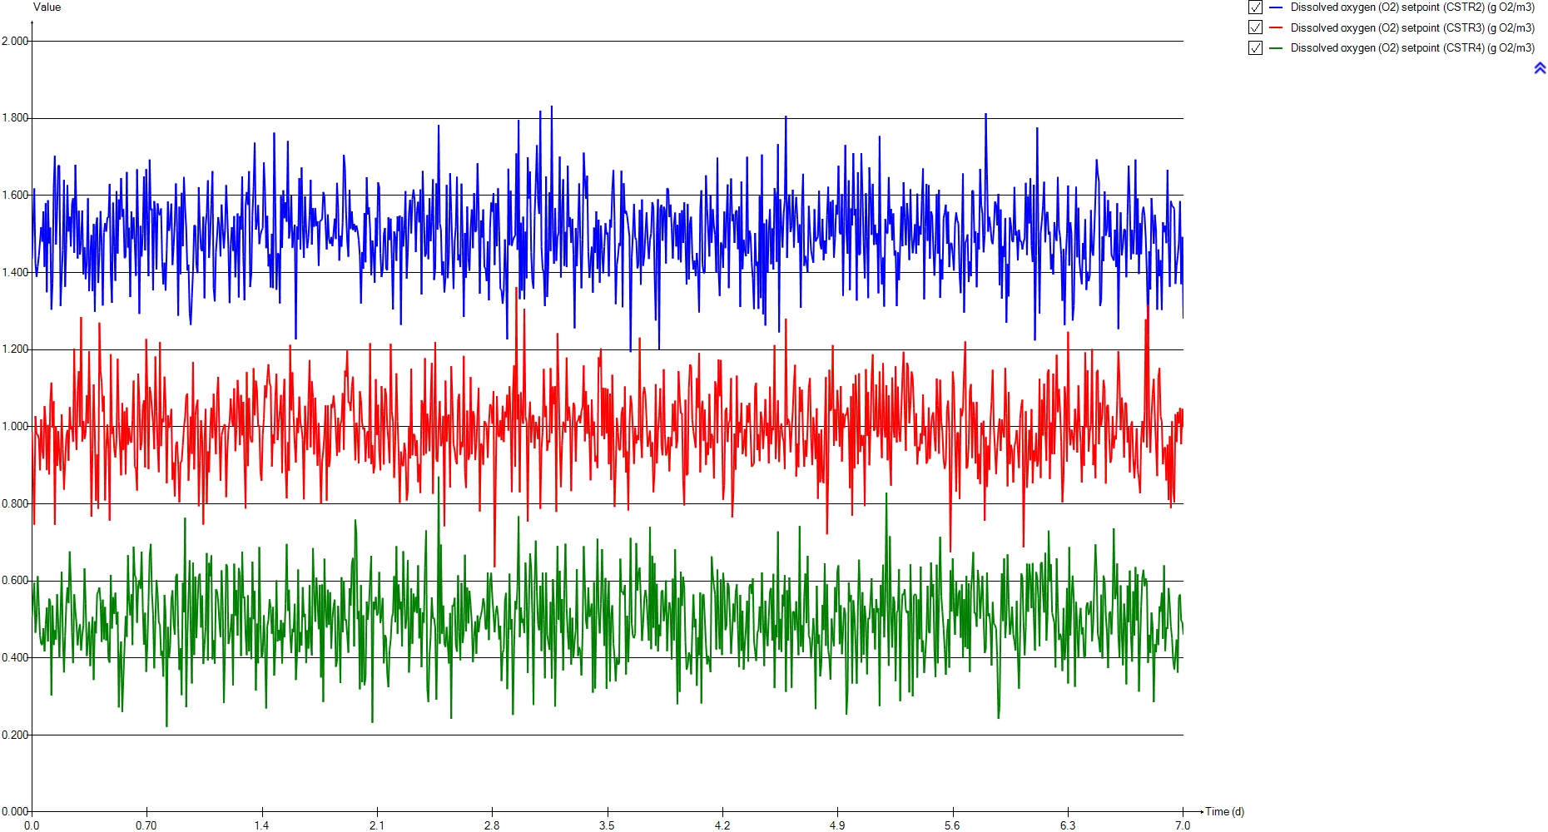
DO
Time | Dissolved oxygen (O2) setpoint (CSTR2) | Dissolved oxygen (O2) setpoint (CSTR3) | Dissolved oxygen (O2) setpoint (CSTR4)
d | g O2/m3 | g O2/m3 | g O2/m3
0 | 1.4351 | 0.987577 | 0.506853
0.0069444444444 | 1.4351 | 0.987577 | 0.506853
0.013888888889 | 1.61812 | 0.745848 | 0.595115
0.020833333333 | 1.42415 | 1.02772 | 0.46552
0.027777777778 | 1.38904 | 0.980402 | 0.503594
0.034722222222 | 1.41544 | 0.980379 | 0.612212
0.041666666667 | 1.44273 | 0.969427 | 0.532368
0.048611111111 | 1.44413 | 0.887107 | 0.458878
0.055555555556 | 1.51784 | 1.01942 | 0.435821
0.0625 | 1.48031 | 0.939293 | 0.433852
0.069444444444 | 1.55864 | 0.917155 | 0.477474
0.076388888889 | 1.41481 | 1.05358 | 0.417012
0.083333333333 | 1.58003 | 1.01095 | 0.487384
0.090277777778 | 1.34906 | 0.887791 | 0.530874
0.097222222222 | 1.58759 | 1.0046 | 0.442992
0.10416666667 | 1.47572 | 0.876143 | 0.553884
0.11111111111 | 1.51668 | 1.06382 | 0.546686
0.11805555556 | 1.30346 | 1.11452 | 0.302592
0.125 | 1.37299 | 0.998408 | 0.536296
0.13194444444 | 1.61752 | 1.0661 | 0.433826
0.13888888889 | 1.70292 | 0.745447 | 0.472296
0.14583333333 | 1.47248 | 1.00125 | 0.447866
0.15277777778 | 1.56037 | 0.898374 | 0.56549
0.15972222222 | 1.67813 | 0.988443 | 0.486335
0.16666666667 | 1.67737 | 0.922367 | 0.399718
0.17361111111 | 1.31349 | 0.886018 | 0.518257
0.18055555556 | 1.39489 | 1.03198 | 0.623998
0.1875 | 1.45826 | 0.942855 | 0.456976
0.19444444444 | 1.64022 | 0.836998 | 0.362305
0.20138888889 | 1.36323 | 0.906362 | 0.456224
0.20833333333 | 1.47075 | 0.972136 | 0.538185
0.21527777778 | 1.62708 | 0.991535 | 0.583135
0.22222222222 | 1.5066 | 0.911633 | 0.542713
0.22916666667 | 1.54513 | 1.05118 | 0.676353
0.23611111111 | 1.46778 | 0.992737 | 0.594573
0.24305555556 | 1.57884 | 1.00193 | 0.465649
0.25 | 1.59287 | 0.960658 | 0.386822
0.25694444444 | 1.45092 | 1.20257 | 0.56517
0.26388888889 | 1.67972 | 1.01303 | 0.522501
0.27083333333 | 1.55907 | 0.939764 | 0.487886
0.27777777778 | 1.43642 | 1.09332 | 0.433017
0.28472222222 | 1.56033 | 1.14454 | 0.469102
0.29166666667 | 1.44648 | 1 | 0.487416
0.29861111111 | 1.48449 | 1.28467 | 0.419733
0.30555555556 | 1.56121 | 0.961413 | 0.457888
0.3125 | 1.39557 | 1.01502 | 0.484577
0.31944444444 | 1.46544 | 0.968281 | 0.632543
0.32638888889 | 1.38286 | 0.983721 | 0.541071
0.33333333333 | 1.43144 | 1.08194 | 0.405215
...

SNH
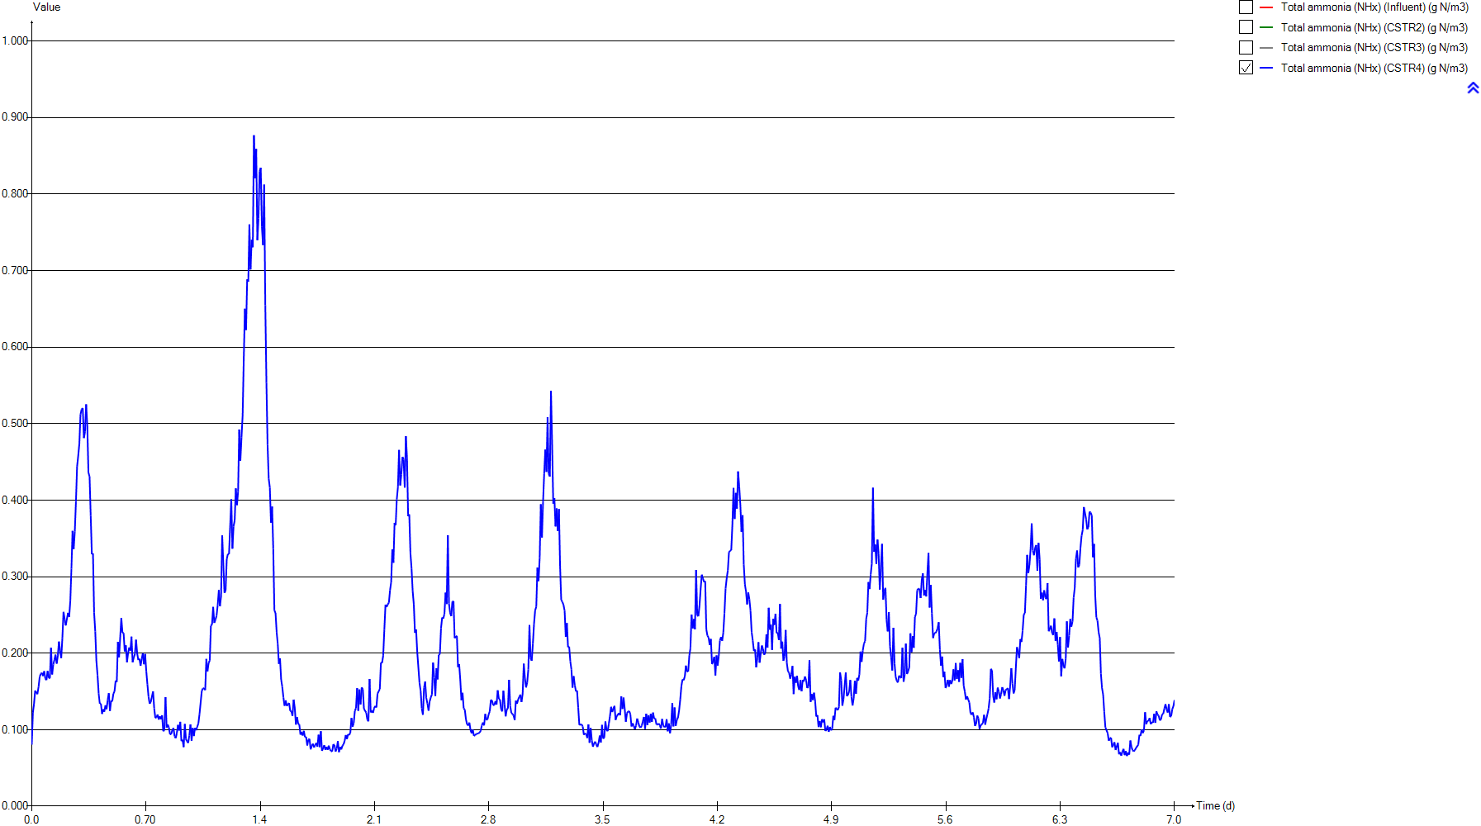
SNH
Time | Total ammonia (NHx) (Influent) | Total ammonia (NHx) (CSTR2) | Total ammonia (NHx) (CSTR3) | Total ammonia (NHx) (CSTR4)
d | g N/m3 | g N/m3 | g N/m3 | g N/m3
0 | 37.491418605 | 4.7217218346 | 0.64594604609 | 0.080547811162
0.0069444444444 | 37.491418605 | 4.9616723314 | 0.8430182301 | 0.1222568396
0.013888888889 | 37.356697674 | 5.0618969236 | 1.037857356 | 0.1339218733
0.020833333333 | 37.225186047 | 5.1703561712 | 1.0678536953 | 0.15119879109
0.027777777778 | 37.098767442 | 5.248474536 | 1.1161885889 | 0.15182084978
0.034722222222 | 36.979604651 | 5.2896507011 | 1.1547689448 | 0.14648920867
0.041666666667 | 36.869860465 | 5.3072063718 | 1.1855703087 | 0.15598555223
0.048611111111 | 36.772046512 | 5.3184676447 | 1.2328082167 | 0.16909960678
0.055555555556 | 36.688116279 | 5.3073036622 | 1.2179849955 | 0.17321133862
0.0625 | 36.619395349 | 5.3129419017 | 1.2348094581 | 0.17439030504
0.069444444444 | 36.567209302 | 5.3004247917 | 1.2513146908 | 0.17025801844
0.076388888889 | 36.532465116 | 5.3379131299 | 1.2242090933 | 0.17660913004
0.083333333333 | 36.51627907 | 5.3265421967 | 1.2245888644 | 0.16669802037
0.090277777778 | 36.519348837 | 5.3933263224 | 1.2723546784 | 0.16496025403
0.097222222222 | 36.542302326 | 5.3832450466 | 1.2673989309 | 0.17681128989
0.10416666667 | 36.584581395 | 5.4177733646 | 1.3110858814 | 0.1678623537
0.11111111111 | 36.644511628 | 5.4440726195 | 1.2845081233 | 0.16731510313
0.11805555556 | 36.720209302 | 5.5424508633 | 1.2731378513 | 0.20704226221
0.125 | 36.809162791 | 5.6067845881 | 1.3177796153 | 0.17221588167
0.13194444444 | 36.908093023 | 5.6006381085 | 1.3298230567 | 0.18532842241
0.13888888889 | 37.012674419 | 5.5929605103 | 1.4509986533 | 0.19145700955
0.14583333333 | 37.117465116 | 5.6647324166 | 1.4334421416 | 0.19817599733
0.15277777778 | 37.217302326 | 5.7106446572 | 1.4723153301 | 0.18641293808
0.15972222222 | 37.308697674 | 5.7323069116 | 1.4728390731 | 0.19672749483
0.16666666667 | 37.39744186 | 5.7663294619 | 1.5033586653 | 0.21529189675
0.17361111111 | 37.516046512 | 5.9119963499 | 1.5587848876 | 0.20312405701
0.18055555556 | 37.738604651 | 6.0098235096 | 1.5704890586 | 0.19359429991
0.1875 | 38.372162791 | 6.0871195287 | 1.6280746874 | 0.21955078031
0.19444444444 | 39.099209302 | 6.1310322879 | 1.7188602734 | 0.25398553802
0.20138888889 | 39.877534884 | 6.2869119693 | 1.7729746592 | 0.24485727205
0.20833333333 | 40.656418605 | 6.4192558451 | 1.8173313287 | 0.23631223879
0.21527777778 | 41.403069767 | 6.5296981257 | 1.8682337679 | 0.23613481579
0.22222222222 | 42.110860465 | 6.7014039842 | 1.9662429492 | 0.25282902585
0.22916666667 | 42.772255814 | 6.8764327924 | 2.0218542359 | 0.24733851389
0.23611111111 | 43.360395349 | 7.0857477383 | 2.12638718 | 0.26858392908
0.24305555556 | 43.842488372 | 7.2657398572 | 2.2395285317 | 0.31036021135
0.25 | 44.168232558 | 7.4481126341 | 2.3752452128 | 0.35975432658
0.25694444444 | 44.302116279 | 7.6682942164 | 2.4370060682 | 0.33611522338
0.26388888889 | 44.220906977 | 7.8029680987 | 2.5833485895 | 0.35934511087
0.27083333333 | 43.916023256 | 7.9557931363 | 2.74769861 | 0.39782445123
0.27777777778 | 43.396534884 | 8.112864069 | 2.841651188 | 0.44395145965
0.28472222222 | 42.665093023 | 8.1870540665 | 2.9177997609 | 0.45784541406
0.29166666667 | 41.737534884 | 8.2524536233 | 3.0387276999 | 0.47381747629
0.29861111111 | 40.649790698 | 8.2512262245 | 3.0372376194 | 0.51203390103
0.30555555556 | 39.452023256 | 8.1761818815 | 3.1332764486 | 0.51887467378
0.3125 | 38.203534884 | 8.1037833588 | 3.1587335018 | 0.52018360204
0.31944444444 | 36.945488372 | 7.9511579825 | 3.1641609498 | 0.48122359284
0.32638888889 | 35.72455814 | 7.7779939294 | 3.1185350232 | 0.48969917726
0.33333333333 | 34.570604651 | 7.5448253028 | 2.9962883213 | 0.5252134059
...

PE
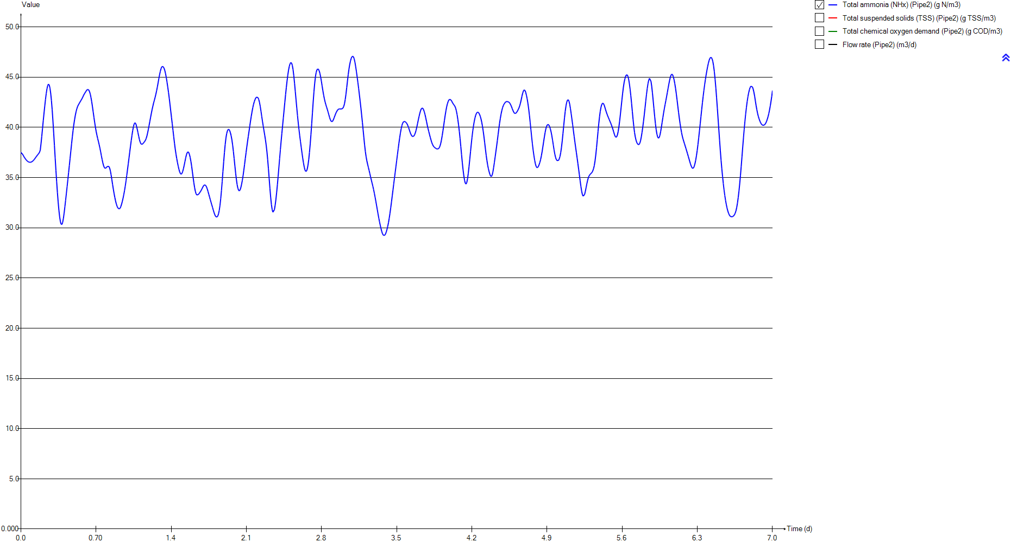
PE
Time | Total ammonia (NHx) (Pipe2) | Total suspended solids (TSS) (Pipe2) | Total chemical oxygen demand (Pipe2) | Flow rate (Pipe2)
d | g N/m3 | g TSS/m3 | g COD/m3 | m3/d
0 | 37.491418605 | 74.829325763 | 272.24487977 | 23473.058067
0.0069444444444 | 37.491418605 | 74.829325763 | 272.24487977 | 23473.058067
0.013888888889 | 37.356697674 | 74.829325763 | 272.24487977 | 23654.387441
0.020833333333 | 37.225186047 | 74.829325763 | 272.24487977 | 23835.325597
0.027777777778 | 37.098767442 | 74.829325763 | 272.24487977 | 24015.676926
0.034722222222 | 36.979604651 | 74.829325763 | 272.24487977 | 24195.050212
0.041666666667 | 36.869860465 | 74.829325763 | 272.24487977 | 24373.15204
0.048611111111 | 36.772046512 | 74.829325763 | 272.24487977 | 24549.591193
0.055555555556 | 36.688116279 | 74.829325763 | 272.24487977 | 24724.074258
0.0625 | 36.619395349 | 74.829325763 | 272.24487977 | 24896.307822
0.069444444444 | 36.567209302 | 74.829325763 | 272.24487977 | 25066.096275
0.076388888889 | 36.532465116 | 74.829325763 | 272.24487977 | 25232.852792
0.083333333333 | 36.51627907 | 74.829325763 | 272.24487977 | 25396.577372
0.090277777778 | 36.519348837 | 74.829325763 | 272.24487977 | 25556.780993
0.097222222222 | 36.542302326 | 74.829325763 | 272.24487977 | 25713.268047
0.10416666667 | 36.584581395 | 74.829325763 | 272.24487977 | 25865.74512
0.11111111111 | 36.644511628 | 74.829325763 | 272.24487977 | 26013.918799
0.11805555556 | 36.720209302 | 74.829325763 | 272.24487977 | 26157.593475
0.125 | 36.809162791 | 74.829325763 | 272.24487977 | 26296.377931
0.13194444444 | 36.908093023 | 74.829325763 | 272.24487977 | 26430.174362
0.13888888889 | 37.012674419 | 74.829325763 | 272.24487977 | 26558.689355
0.14583333333 | 37.117465116 | 74.829325763 | 272.24487977 | 26681.629496
0.15277777778 | 37.217302326 | 74.829325763 | 272.24487977 | 26798.896982
0.15972222222 | 37.308697674 | 74.829325763 | 272.24487977 | 26910.198399
0.16666666667 | 37.39744186 | 74.829325763 | 272.24487977 | 27015.338139
0.17361111111 | 37.516046512 | 74.829325763 | 272.24487977 | 27114.218396
0.18055555556 | 37.738604651 | 74.829325763 | 272.24487977 | 27206.643562
0.1875 | 38.372162791 | 74.829325763 | 272.24487977 | 27292.418028
0.19444444444 | 39.099209302 | 74.829325763 | 272.24487977 | 27371.346186
0.20138888889 | 39.877534884 | 74.829325763 | 272.24487977 | 27443.428035
0.20833333333 | 40.656418605 | 74.829325763 | 272.24487977 | 27508.467967
0.21527777778 | 41.403069767 | 74.829325763 | 272.24487977 | 27566.270372
0.22222222222 | 42.110860465 | 74.829325763 | 272.24487977 | 27616.933056
0.22916666667 | 42.772255814 | 74.829325763 | 272.24487977 | 27660.358213
0.23611111111 | 43.360395349 | 74.829325763 | 272.24487977 | 27696.252431
0.24305555556 | 43.842488372 | 74.829325763 | 272.24487977 | 27724.811319
0.25 | 44.168232558 | 74.829325763 | 272.24487977 | 27745.937071
0.25694444444 | 44.302116279 | 74.829325763 | 272.24487977 | 27759.531884
0.26388888889 | 44.220906977 | 74.829325763 | 272.24487977 | 27765.595757
0.27083333333 | 43.916023256 | 74.829325763 | 272.24487977 | 27764.226495
0.27777777778 | 43.396534884 | 74.829325763 | 272.24487977 | 27755.424099
0.28472222222 | 42.665093023 | 74.829325763 | 272.24487977 | 27739.090762
0.29166666667 | 41.737534884 | 74.829325763 | 272.24487977 | 27715.5199
0.29861111111 | 40.649790698 | 74.829325763 | 272.24487977 | 27684.515902
0.30555555556 | 39.452023256 | 74.829325763 | 272.24487977 | 27646.274379
0.3125 | 38.203534884 | 74.829325763 | 272.24487977 | 27600.893133
0.31944444444 | 36.945488372 | 74.829325763 | 272.24487977 | 27548.46997
0.32638888889 | 35.72455814 | 74.829325763 | 272.24487977 | 27489.102694
0.33333333333 | 34.570604651 | 74.829325763 | 272.24487977 | 27422.986914
...

Biomass
...
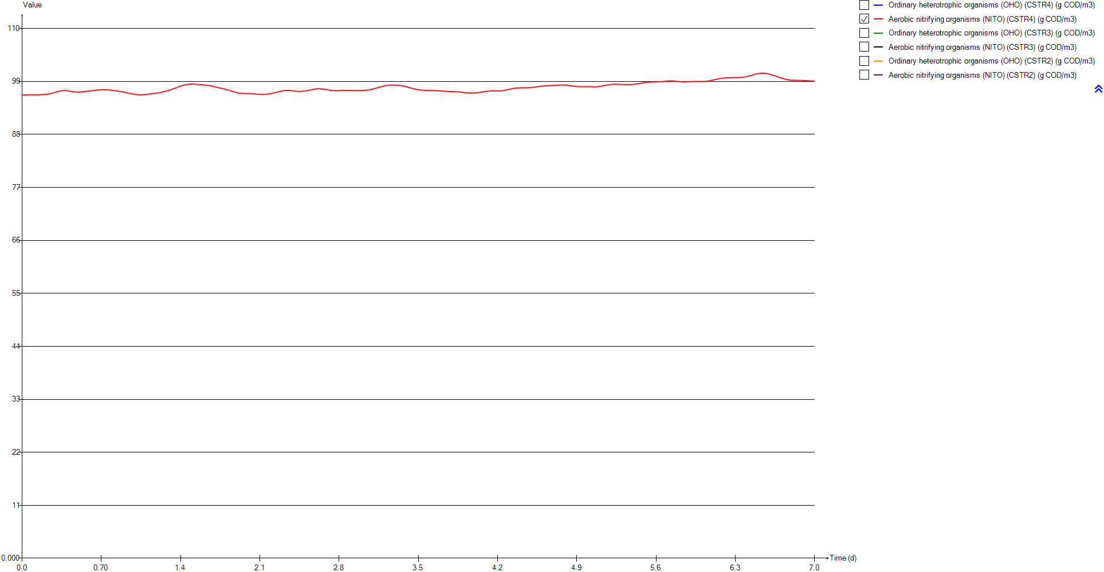
Aerobic nitrifying organisms (NITO) (CSTR4) | Ordinary heterotrophic organisms (OHO) (CSTR3) | Aerobic nitrifying organisms (NITO) (CSTR3) | Ordinary heterotrophic organisms (OHO) (CSTR2) | Aerobic nitrifying organisms (NITO) (CSTR2)
g COD/m3 | g COD/m3 | g COD/m3 | g COD/m3 | g COD/m3
96.166718027 | 996.63428121 | 96.343809558 | 995.3600196 | 95.687264542
96.175205327 | 996.58830119 | 96.309190219 | 995.32264487 | 95.634385736
96.186367966 | 996.5215005 | 96.275521328 | 995.2946955 | 95.605741277
96.197561246 | 996.48573536 | 96.270948656 | 995.26914241 | 95.574149642
96.207487433 | 996.4598016 | 96.260320312 | 995.25137187 | 95.549328995
96.213088751 | 996.44091533 | 96.250086581 | 995.2465727 | 95.533457996
96.21574207 | 996.43121908 | 96.240568325 | 995.25480757 | 95.524010685
96.218112781 | 996.42692319 | 96.227743877 | 995.27353688 | 95.517441335
96.221090106 | 996.44305447 | 96.226990602 | 995.30474451 | 95.516984411
96.222778027 | 996.46687954 | 96.220444558 | 995.34251412 | 95.514479471
96.222998167 | 996.4994876 | 96.214678035 | 995.3913998 | 95.516856737
96.222461723 | 996.55140231 | 96.217871561 | 995.44170751 | 95.509941233
96.222348189 | 996.61157972 | 96.216361651 | 995.50759988 | 95.51381938
96.219721078 | 996.671618 | 96.206610658 | 995.57164565 | 95.502389015
96.217868084 | 996.74974272 | 96.207882091 | 995.65616547 | 95.507243182
96.217587432 | 996.83174839 | 96.200530263 | 995.74558694 | 95.503656084
96.21667726 | 996.93596533 | 96.207440847 | 995.84538081 | 95.50246247
96.21688803 | 997.05255042 | 96.211786211 | 995.94337046 | 95.487357553
96.223026787 | 997.16800535 | 96.206136995 | 996.0543679 | 95.480328346
96.22309504 | 997.29750777 | 96.207956042 | 996.18881759 | 95.48884405
96.22480391 | 997.4150595 | 96.190077044 | 996.33595652 | 95.498811018
96.228571433 | 997.56503644 | 96.200232936 | 996.48001123 | 95.493610351
96.233740141 | 997.72134415 | 96.20021642 | 996.63652713 | 95.494729766
96.237904251 | 997.89397177 | 96.208682093 | 996.8086609 | 95.501727111
96.244276946 | 998.07300733 | 96.212265151 | 996.98944257 | 95.507084528
96.253849359 | 998.25501217 | 96.211942379 | 997.15931892 | 95.490594462
96.261676818 | 998.45467564 | 96.221046483 | 997.34438113 | 95.485066633
96.26825553 | 998.6577345 | 96.222376785 | 997.5462104 | 95.486175996
96.277847163 | 998.86139456 | 96.219239922 | 997.76639033 | 95.498360982
96.293812711 | 999.08117859 | 96.225923848 | 997.97895802 | 95.493093996
96.308979989 | 999.31561195 | 96.237843219 | 998.20477554 | 95.498500255
96.324321812 | 999.56117295 | 96.252544251 | 998.44832757 | 95.514072161
96.340984563 | 999.80812072 | 96.262475993 | 998.69439979 | 95.522261761
96.363675908 | 1000.0728966 | 96.285362514 | 998.94987015 | 95.534297429
96.386978316 | 1000.3409695 | 96.303066445 | 999.21005709 | 95.543110366
96.413804731 | 1000.6155437 | 96.323379664 | 999.48366106 | 95.560952507
96.445355137 | 1000.8945801 | 96.343120516 | 999.76388776 | 95.580485326
96.490271026 | 1001.1951867 | 96.38081356 | 1000.0405589 | 95.593340458
96.529979987 | 1001.4887072 | 96.404188583 | 1000.3342988 | 95.623371353
96.571241266 | 1001.7798333 | 96.425586728 | 1000.628616 | 95.647713007
96.615153821 | 1002.0872041 | 96.461379158 | 1000.9204287 | 95.667631908
96.666145879 | 1002.4028771 | 96.499837242 | 1001.2238684 | 95.699599164
96.716818361 | 1002.7104013 | 96.527195987 | 1001.5263768 | 95.727201897
96.764263355 | 1003.0378813 | 96.575665144 | 1001.8351405 | 95.761202483
96.815466394 | 1003.3479411 | 96.600001009 | 1002.1518541 | 95.80234911
96.864521939 | 1003.662709 | 96.632866393 | 1002.4620663 | 95.834625559
96.915514285 | 1003.9779118 | 96.663316766 | 1002.7793871 | 95.875038017
96.954003033 | 1004.2974773 | 96.697044649 | 1003.0963051 | 95.911710787
96.984764625 | 1004.6275276 | 96.738881368 | 1003.418602 | 95.953312568
...

TSS
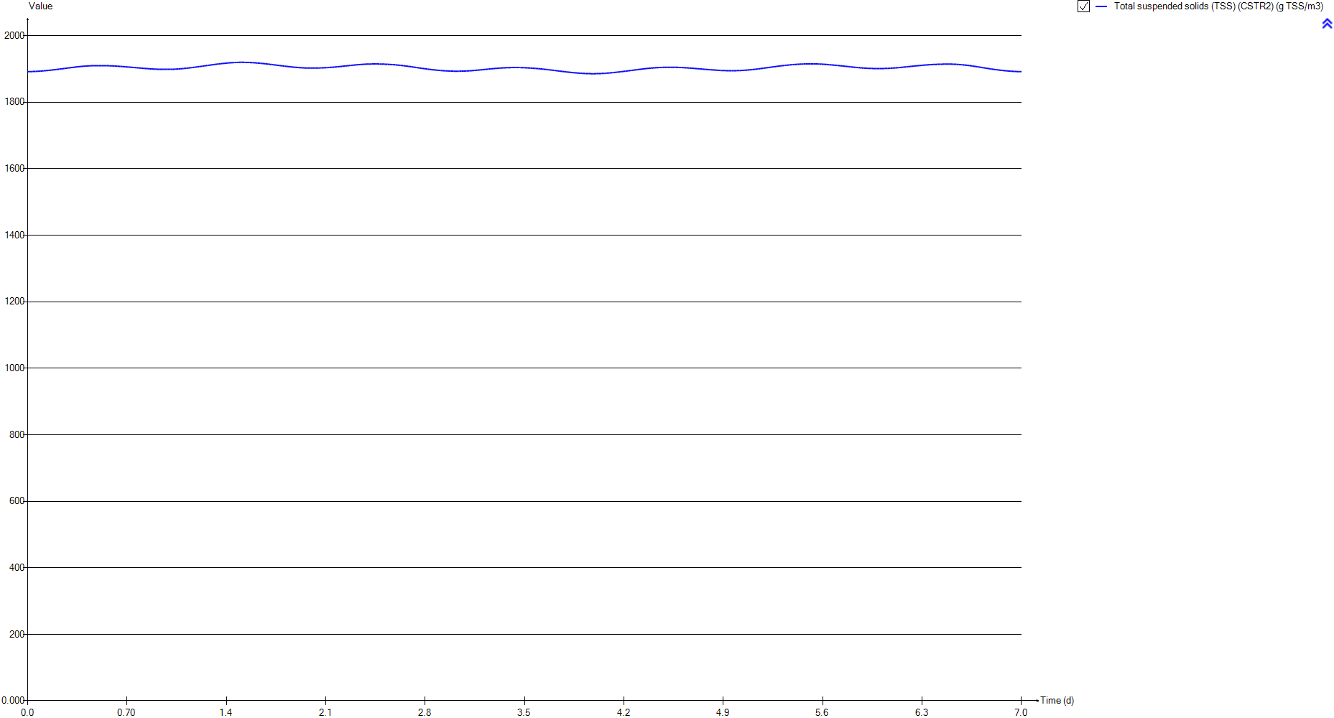
TSS
Time | Total suspended solids (TSS) (CSTR2)
d | g TSS/m3
0 | 1892.0941774
0.0069444444444 | 1892.0538552
0.013888888889 | 1892.036474
0.020833333333 | 1892.0407464
0.027777777778 | 1892.0743217
0.034722222222 | 1892.1401981
0.041666666667 | 1892.2350763
0.048611111111 | 1892.3539757
0.055555555556 | 1892.496917
0.0625 | 1892.6564516
0.069444444444 | 1892.8349205
0.076388888889 | 1893.0212215
0.083333333333 | 1893.2273126
0.090277777778 | 1893.4354719
0.097222222222 | 1893.664965
0.10416666667 | 1893.9013852
0.11111111111 | 1894.1491085
0.11805555556 | 1894.3975307
0.125 | 1894.660892
0.13194444444 | 1894.9470599
0.13888888889 | 1895.245991
0.14583333333 | 1895.5428757
0.15277777778 | 1895.8511633
0.15972222222 | 1896.1726509
0.16666666667 | 1896.5012712
0.17361111111 | 1896.8205853
0.18055555556 | 1897.1514491
0.1875 | 1897.4943301
0.19444444444 | 1897.8518878
0.20138888889 | 1898.2030458
0.20833333333 | 1898.564251
0.21527777778 | 1898.9379123
0.22222222222 | 1899.3098577
0.22916666667 | 1899.6856091
0.23611111111 | 1900.060653
0.24305555556 | 1900.4429652
0.25 | 1900.8285437
0.25694444444 | 1901.2096025
0.26388888889 | 1901.602148
0.27083333333 | 1901.991202
0.27777777778 | 1902.3741841
0.28472222222 | 1902.763077
0.29166666667 | 1903.1469575
0.29861111111 | 1903.5310669
0.30555555556 | 1903.91677
0.3125 | 1904.2913153
0.31944444444 | 1904.6645329
0.32638888889 | 1905.0290295
0.33333333333 | 1905.3893112
...

Influent
...
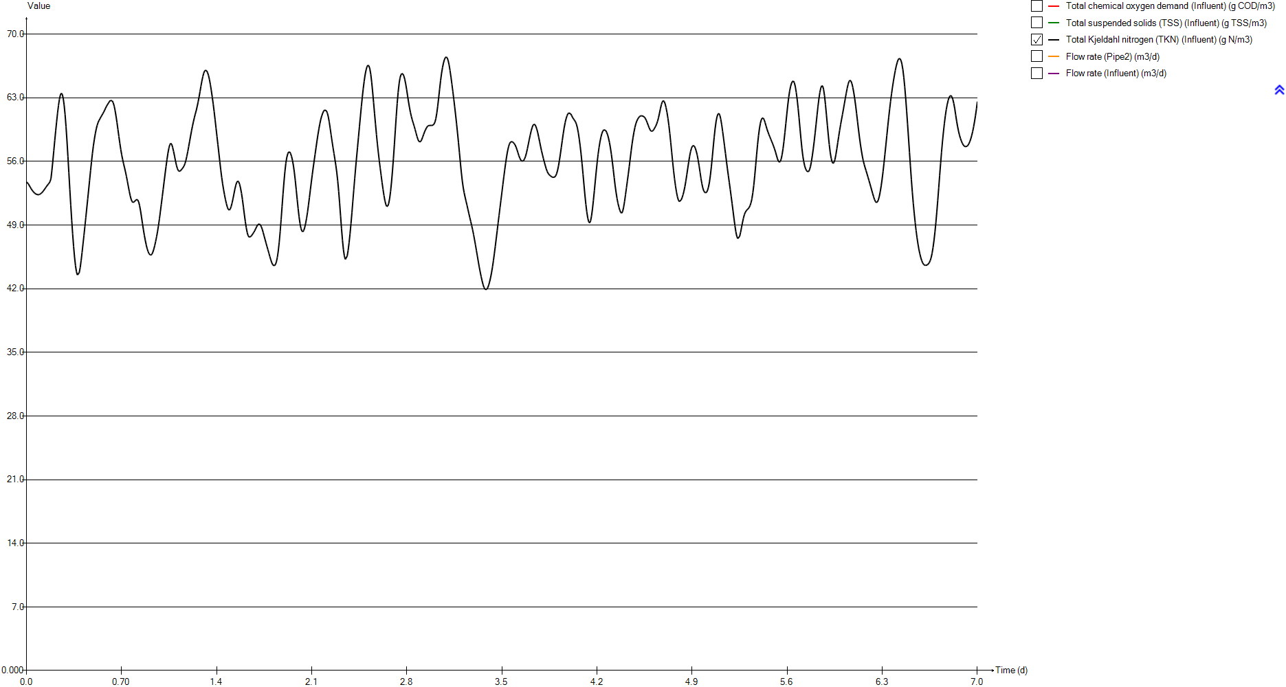
Total chemical oxygen demand (Influent) | Total suspended solids (TSS) (Influent) | Total Kjeldahl nitrogen (TKN) (Influent) | Flow rate (Pipe2) | Flow rate (Influent)
g COD/m3 | g TSS/m3 | g N/m3 | m3/d | m3/d
420 | 182.96594883 | 53.7377 | 23473.058067 | 24000
420 | 182.96594883 | 53.7377 | 23473.058067 | 24000
420 | 182.96594883 | 53.5446 | 23654.387441 | 24185.4
420 | 182.96594883 | 53.3561 | 23835.325597 | 24370.4
420 | 182.96594883 | 53.1749 | 24015.676926 | 24554.8
420 | 182.96594883 | 53.0041 | 24195.050212 | 24738.2
420 | 182.96594883 | 52.8468 | 24373.15204 | 24920.3
420 | 182.96594883 | 52.7066 | 24549.591193 | 25100.7
420 | 182.96594883 | 52.5863 | 24724.074258 | 25279.1
420 | 182.96594883 | 52.4878 | 24896.307822 | 25455.2
420 | 182.96594883 | 52.413 | 25066.096275 | 25628.8
420 | 182.96594883 | 52.3632 | 25232.852792 | 25799.3
420 | 182.96594883 | 52.34 | 25396.577372 | 25966.7
420 | 182.96594883 | 52.3444 | 25556.780993 | 26130.5
420 | 182.96594883 | 52.3773 | 25713.268047 | 26290.5
420 | 182.96594883 | 52.4379 | 25865.74512 | 26446.4
420 | 182.96594883 | 52.5238 | 26013.918799 | 26597.9
420 | 182.96594883 | 52.6323 | 26157.593475 | 26744.8
420 | 182.96594883 | 52.7598 | 26296.377931 | 26886.7
420 | 182.96594883 | 52.9016 | 26430.174362 | 27023.5
420 | 182.96594883 | 53.0515 | 26558.689355 | 27154.9
420 | 182.96594883 | 53.2017 | 26681.629496 | 27280.6
420 | 182.96594883 | 53.3448 | 26798.896982 | 27400.5
420 | 182.96594883 | 53.4758 | 26910.198399 | 27514.3
420 | 182.96594883 | 53.603 | 27015.338139 | 27621.8
420 | 182.96594883 | 53.773 | 27114.218396 | 27722.9
420 | 182.96594883 | 54.092 | 27206.643562 | 27817.4
420 | 182.96594883 | 55.0001 | 27292.418028 | 27905.1
420 | 182.96594883 | 56.0422 | 27371.346186 | 27985.8
420 | 182.96594883 | 57.1578 | 27443.428035 | 28059.5
420 | 182.96594883 | 58.2742 | 27508.467967 | 28126
420 | 182.96594883 | 59.3444 | 27566.270372 | 28185.1
420 | 182.96594883 | 60.3589 | 27616.933056 | 28236.9
420 | 182.96594883 | 61.3069 | 27660.358213 | 28281.3
420 | 182.96594883 | 62.1499 | 27696.252431 | 28318
420 | 182.96594883 | 62.8409 | 27724.811319 | 28347.2
420 | 182.96594883 | 63.3078 | 27745.937071 | 28368.8
420 | 182.96594883 | 63.4997 | 27759.531884 | 28382.7
420 | 182.96594883 | 63.3833 | 27765.595757 | 28388.9
420 | 182.96594883 | 62.9463 | 27764.226495 | 28387.5
420 | 182.96594883 | 62.2017 | 27755.424099 | 28378.5
420 | 182.96594883 | 61.1533 | 27739.090762 | 28361.8
420 | 182.96594883 | 59.8238 | 27715.5199 | 28337.7
420 | 182.96594883 | 58.2647 | 27684.515902 | 28306
420 | 182.96594883 | 56.5479 | 27646.274379 | 28266.9
420 | 182.96594883 | 54.7584 | 27600.893133 | 28220.5
420 | 182.96594883 | 52.9552 | 27548.46997 | 28166.9
420 | 182.96594883 | 51.2052 | 27489.102694 | 28106.2
420 | 182.96594883 | 49.5512 | 27422.986914 | 28038.6
...

Timechart
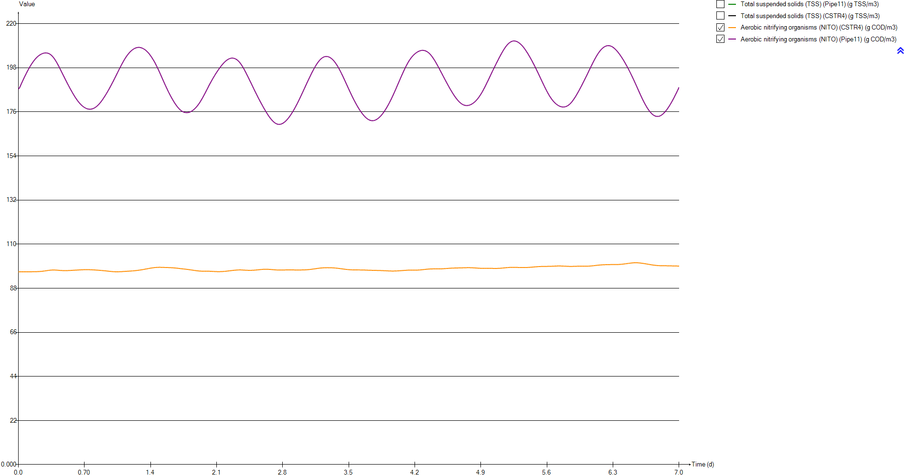
Timechart
Time | Total suspended solids (TSS) (Pipe11) | Total suspended solids (TSS) (CSTR4) | Aerobic nitrifying organisms (NITO) (CSTR4) | Aerobic nitrifying organisms (NITO) (Pipe11)
d | g TSS/m3 | g TSS/m3 | g COD/m3 | g COD/m3
0 | 3671.3304065 | 1884.6788321 | 96.166718027 | 187.33154422
0.0069444444444 | 3671.4863126 | 1884.7586594 | 96.175205327 | 187.34809797
0.013888888889 | 3685.745354 | 1884.8068627 | 96.186367966 | 188.09272497
0.020833333333 | 3700.0046977 | 1884.8703778 | 96.197561246 | 188.83602433
0.027777777778 | 3714.1871273 | 1884.9176816 | 96.207487433 | 189.57465085
0.034722222222 | 3728.2697181 | 1884.952812 | 96.213088751 | 190.30096827
0.041666666667 | 3742.2830779 | 1885.0028006 | 96.21574207 | 191.01645009
0.048611111111 | 3756.1929292 | 1885.0656275 | 96.218112781 | 191.72478115
0.055555555556 | 3769.9669836 | 1885.1364883 | 96.221090106 | 192.42656173
0.0625 | 3783.5814193 | 1885.214859 | 96.222778027 | 193.11682873
0.069444444444 | 3797.0163948 | 1885.298414 | 96.222998167 | 193.79441413
0.076388888889 | 3810.2630936 | 1885.4053898 | 96.222461723 | 194.45838898
0.083333333333 | 3823.2759525 | 1885.5131566 | 96.222348189 | 195.11112327
0.090277777778 | 3836.042215 | 1885.6342083 | 96.219721078 | 195.74470507
0.097222222222 | 3848.5802013 | 1885.7848642 | 96.217868084 | 196.36501976
0.10416666667 | 3860.804629 | 1885.9345032 | 96.217587432 | 196.97253872
0.11111111111 | 3872.7371202 | 1886.104813 | 96.21667726 | 197.56160689
0.11805555556 | 3884.425125 | 1886.3260376 | 96.21688803 | 198.13504657
0.125 | 3895.6558627 | 1886.5098099 | 96.223026787 | 198.70121876
0.13194444444 | 3906.5750639 | 1886.7303693 | 96.22309504 | 199.23500982
0.13888888889 | 3917.0949042 | 1886.9563196 | 96.22480391 | 199.75114694
0.14583333333 | 3927.2218845 | 1887.2018038 | 96.228571433 | 200.24935907
0.15277777778 | 3936.9042892 | 1887.4456932 | 96.233740141 | 200.7279074
0.15972222222 | 3946.1739726 | 1887.7142279 | 96.237904251 | 201.18061692
0.16666666667 | 3955.0053115 | 1888.0024289 | 96.244276946 | 201.61341993
0.17361111111 | 3963.3323566 | 1888.2825821 | 96.253849359 | 202.02802231
0.18055555556 | 3971.1704133 | 1888.5693583 | 96.261676818 | 202.41328244
0.1875 | 3978.5522853 | 1888.8856115 | 96.26825553 | 202.76944549
0.19444444444 | 3985.4358872 | 1889.2186629 | 96.277847163 | 203.10469866
0.20138888889 | 3991.7679315 | 1889.543415 | 96.293812711 | 203.42615605
0.20833333333 | 3997.5600983 | 1889.8727634 | 96.308979989 | 203.71791316
0.21527777778 | 4002.8049971 | 1890.2105634 | 96.324321812 | 203.98123054
0.22222222222 | 4007.522102 | 1890.5624859 | 96.340984563 | 204.21891784
0.22916666667 | 4011.6747628 | 1890.9150125 | 96.363675908 | 204.44056139
0.23611111111 | 4015.2754315 | 1891.2849433 | 96.386978316 | 204.6335045
0.24305555556 | 4018.3366315 | 1891.6710844 | 96.413804731 | 204.80469703
0.25 | 4020.8375707 | 1892.0674175 | 96.445355137 | 204.95628426
0.25694444444 | 4022.725748 | 1892.4530719 | 96.490271026 | 205.10622084
0.26388888889 | 4024.0496639 | 1892.8509765 | 96.529979987 | 205.21501077
0.27083333333 | 4024.8000834 | 1893.2533706 | 96.571241266 | 205.29737115
0.27777777778 | 4024.9811301 | 1893.6623647 | 96.615153821 | 205.35559996
0.28472222222 | 4024.5676591 | 1894.069943 | 96.666145879 | 205.39866855
0.29166666667 | 4023.585035 | 1894.4773765 | 96.716818361 | 205.41197684
0.29861111111 | 4022.0252551 | 1894.8882958 | 96.764263355 | 205.38852441
0.30555555556 | 4019.8811315 | 1895.2922829 | 96.815466394 | 205.34387762
0.3125 | 4017.1652417 | 1895.6917966 | 96.864521939 | 205.26585143
0.31944444444 | 4013.8737331 | 1896.0815575 | 96.915514285 | 205.16345174
0.32638888889 | 4010.032119 | 1896.4701041 | 96.954003033 | 205.00648304
0.33333333333 | 4005.6530232 | 1896.8562905 | 96.984764625 | 204.80587675
...

OUR
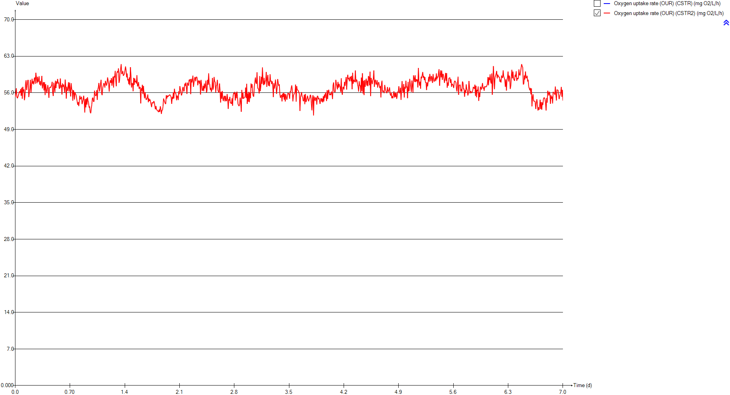
OUR
Time | Oxygen uptake rate (OUR) (CSTR) | Oxygen uptake rate (OUR) (CSTR2)
d | mg O2/L/h | mg O2/L/h
0 | 0 | 55.161309016
0.0069444444444 | 0 | 55.183114045
0.013888888889 | 0 | 56.865951208
0.020833333333 | 0 | 55.230419991
0.027777777778 | 0 | 54.945214191
0.034722222222 | 0 | 55.251932274
0.041666666667 | 0 | 55.548948963
0.048611111111 | 0 | 55.593716286
0.055555555556 | 0 | 56.293554688
0.0625 | 0 | 55.987277577
0.069444444444 | 0 | 56.706806752
0.076388888889 | 0 | 55.442490107
0.083333333333 | 0 | 56.971871775
0.090277777778 | 0 | 54.872854035
0.097222222222 | 0 | 57.140383755
0.10416666667 | 0 | 56.212713235
0.11111111111 | 0 | 56.637058328
0.11805555556 | 0 | 54.601265389
0.125 | 0 | 55.419640179
0.13194444444 | 0 | 57.697557978
0.13888888889 | 0 | 58.399839526
0.14583333333 | 0 | 56.541966329
0.15277777778 | 0 | 57.393585012
0.15972222222 | 0 | 58.402936579
0.16666666667 | 0 | 58.45286476
0.17361111111 | 0 | 55.194781863
0.18055555556 | 0 | 56.142978015
0.1875 | 0 | 56.840904254
0.19444444444 | 0 | 58.494032068
0.20138888889 | 0 | 56.049822511
0.20833333333 | 0 | 57.22192193
0.21527777778 | 0 | 58.686016011
0.22222222222 | 0 | 57.752110494
0.22916666667 | 0 | 58.207143386
0.23611111111 | 0 | 57.609113902
0.24305555556 | 0 | 58.719167616
0.25 | 0 | 58.938810122
0.25694444444 | 0 | 57.74861212
0.26388888889 | 0 | 59.839722396
0.27083333333 | 0 | 58.913593532
0.27777777778 | 0 | 57.83830221
0.28472222222 | 0 | 59.056344703
0.29166666667 | 0 | 58.039356468
0.29861111111 | 0 | 58.437111634
0.30555555556 | 0 | 59.149888367
0.3125 | 0 | 57.562780742
0.31944444444 | 0 | 58.246100423
0.32638888889 | 0 | 57.378441372
0.33333333333 | 0 | 57.822837307
...

Temp

Temp
Time | Temperature (Influent)
d | Â°C
0 | 20
0.0069444444444 | 20
0.013888888889 | 20
0.020833333333 | 20
0.027777777778 | 20
0.034722222222 | 20
0.041666666667 | 20
0.048611111111 | 20
0.055555555556 | 20
0.0625 | 20
0.069444444444 | 20
0.076388888889 | 20
0.083333333333 | 20
0.090277777778 | 20
0.097222222222 | 20
0.10416666667 | 20
0.11111111111 | 20
0.11805555556 | 20
0.125 | 20
0.13194444444 | 20
0.13888888889 | 20
0.14583333333 | 20
0.15277777778 | 20
0.15972222222 | 20
0.16666666667 | 20
0.17361111111 | 20
0.18055555556 | 20
0.1875 | 20
0.19444444444 | 20
0.20138888889 | 20
0.20833333333 | 20
0.21527777778 | 20
0.22222222222 | 20
0.22916666667 | 20
0.23611111111 | 20
0.24305555556 | 20
0.25 | 20
0.25694444444 | 20
0.26388888889 | 20
0.27083333333 | 20
0.27777777778 | 20
0.28472222222 | 20
0.29166666667 | 20
0.29861111111 | 20
0.30555555556 | 20
0.3125 | 20
0.31944444444 | 20
0.32638888889 | 20
0.33333333333 | 20
...

Primary

Unit overview

Name: | Primary
Sumo name: | Primary1
Category: | Separators
Unit: | Primary
Type: | Volumeless primary with specified primary sludge concentration

Settings

 | Process settings
Symbol | Name | Value | Unit | Comment
fXTSS,sludge | Solids percent removal | 60 | %
XTSS,sludge,target | Sludge solids concentration | 5000 | g/m3
...

CSTR
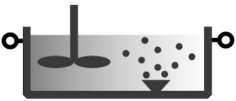
Unit overview

Name: | CSTR
Sumo name: | CSTR1
Category: | Bioreactors
Unit: | CSTR
Type: | CSTR with diffused aeration and input DO

Settings

 | Reactor settings
Symbol | Name | Value | Unit | Comment
L.Vtrain | Volume per train | 2000 | m3
Ntrain | Number of trains | 1
...

CSTR2
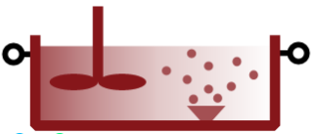
Unit overview

Name: | CSTR2
Sumo name: | CSTR2
Category: | Bioreactors
Unit: | CSTR
Type: | CSTR with diffused aeration and input DO

Settings

 | Reactor settings
Symbol | Name | Value | Unit | Comment
L.Vtrain | Volume per train | 2000 | m3
Ntrain | Number of trains | 1
...

Clarifier

...

