SRT
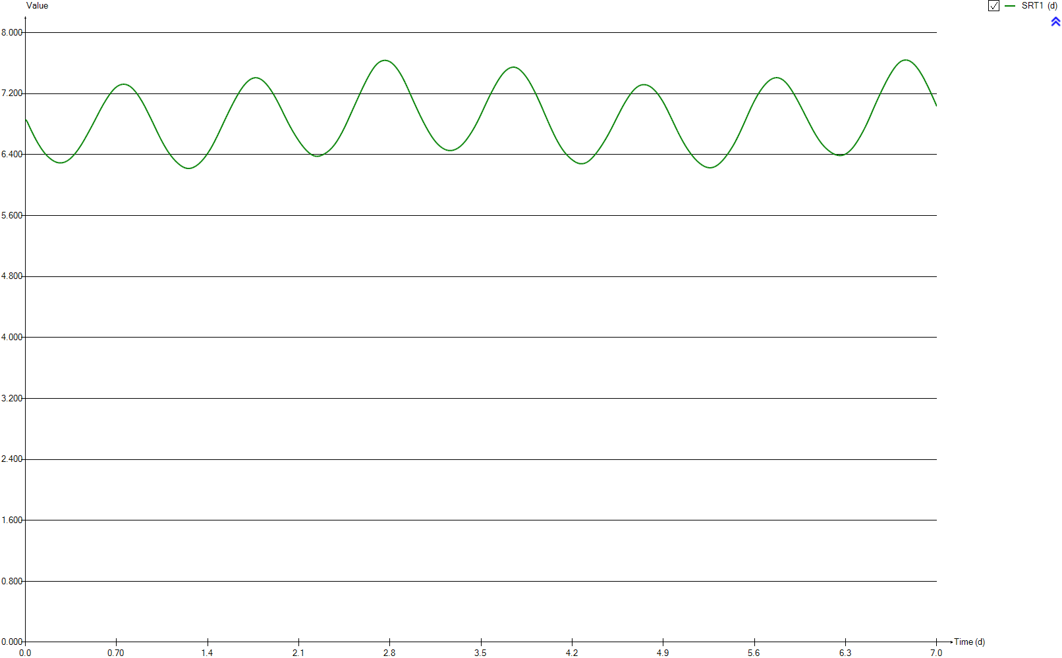
SRT
Time | SRT1
d | d
0 | 6.8616872994
0.0069444444444 | 6.8616804724
0.013888888889 | 6.8350687866
0.020833333333 | 6.8087380846
0.027777777778 | 6.7826494721
0.034722222222 | 6.7569602213
0.041666666667 | 6.7316884191
0.048611111111 | 6.7068878183
0.055555555556 | 6.6825999053
0.0625 | 6.6588690199
0.069444444444 | 6.6356956067
0.076388888889 | 6.6131368202
0.083333333333 | 6.5911739762
0.090277777778 | 6.569858804
0.097222222222 | 6.5492055369
0.10416666667 | 6.5292428869
0.11111111111 | 6.5100029827
0.11805555556 | 6.4915126202
0.125 | 6.473813982
0.13194444444 | 6.4569155277
0.13888888889 | 6.4408521189
0.14583333333 | 6.425661897
0.15277777778 | 6.4113621424
0.15972222222 | 6.3979982382
0.16666666667 | 6.3855951379
0.17361111111 | 6.3741199105
0.18055555556 | 6.3634257963
0.1875 | 6.3531234009
0.19444444444 | 6.3434939361
0.20138888889 | 6.3345402542
0.20833333333 | 6.3263093617
0.21527777778 | 6.3188551342
0.22222222222 | 6.3121712601
0.22916666667 | 6.3062882851
0.23611111111 | 6.301295496
0.24305555556 | 6.2972365647
0.25 | 6.2941567518
0.25694444444 | 6.2920572034
0.26388888889 | 6.2909141077
0.27083333333 | 6.2907062662
0.27777777778 | 6.2914268961
0.28472222222 | 6.2930869677
0.29166666667 | 6.2956745784
0.29861111111 | 6.2992227615
0.30555555556 | 6.3037410267
0.3125 | 6.3092221607
0.31944444444 | 6.3156490013
0.32638888889 | 6.3230151765
0.33333333333 | 6.3313097167
0.34027777778 | 6.3405412138
0.34722222222 | 6.3506782247
0.35416666667 | 6.3616735927
0.36111111111 | 6.3734602057
0.36805555556 | 6.3860103718
0.375 | 6.3993199034
0.38194444444 | 6.4133668571
0.38888888889 | 6.4281089735
0.39583333333 | 6.4435578486
0.40277777778 | 6.4596682659
0.40972222222 | 6.4764327312
0.41666666667 | 6.4938430054
0.42361111111 | 6.5118844912
0.43055555556 | 6.5305281288
0.4375 | 6.5497466718
0.44444444444 | 6.569515078
0.45138888889 | 6.5897644428
0.45833333333 | 6.6104387165
0.46527777778 | 6.6314391569
0.47222222222 | 6.6526856436
0.47916666667 | 6.6741448492
0.48611111111 | 6.6957820307
0.49305555556 | 6.7175690585
0.5 | 6.7394732026
0.50694444444 | 6.7615234976
0.51388888889 | 6.7837736607
0.52083333333 | 6.8062587516
0.52777777778 | 6.8289669511
0.53472222222 | 6.8519148827
0.54166666667 | 6.8750293488
0.54861111111 | 6.8981798976
0.55555555556 | 6.9212902617
0.5625 | 6.9442395659
0.56944444444 | 6.9669237351
0.57638888889 | 6.989242388
0.58333333333 | 7.0110976569
0.59027777778 | 7.0324584327
0.59722222222 | 7.0533327267
0.60416666667 | 7.0736932596
0.61111111111 | 7.0935415498
0.61805555556 | 7.1128916785
0.625 | 7.1317218934
0.63194444444 | 7.1499985949
0.63888888889 | 7.1676859301
0.64583333333 | 7.1847759996
0.65277777778 | 7.2011735988
0.65972222222 | 7.2168225831
0.66666666667 | 7.2315997495
0.67361111111 | 7.2454209118
0.68055555556 | 7.2581610848
0.6875 | 7.2698105732
0.69444444444 | 7.2803604373
0.70138888889 | 7.2897956115
0.70833333333 | 7.2980596774
0.71527777778 | 7.3051243901
0.72222222222 | 7.3110175631
0.72916666667 | 7.3157675327
0.73611111111 | 7.3193715972
0.74305555556 | 7.32185008
0.75 | 7.3231979692
0.75694444444 | 7.3234871416
0.76388888889 | 7.3227199961
0.77083333333 | 7.3208603576
0.77777777778 | 7.317836638
0.78472222222 | 7.3135995817
0.79166666667 | 7.308154248
0.79861111111 | 7.3014838461
0.80555555556 | 7.293565929
0.8125 | 7.2844384505
0.81944444444 | 7.274113323
0.82638888889 | 7.2626655422
0.83333333333 | 7.2501867218
0.84027777778 | 7.2367799207
0.84722222222 | 7.2224766396
0.85416666667 | 7.2073150782
0.86111111111 | 7.1912974646
0.86805555556 | 7.1744416261
0.875 | 7.1567252224
0.88194444444 | 7.1381997356
0.88888888889 | 7.1189273102
0.89583333333 | 7.0989042214
0.90277777778 | 7.0781864425
0.90972222222 | 7.0567820739
0.91666666667 | 7.0347481237
0.92361111111 | 7.0121587989
0.93055555556 | 6.9890845387
0.9375 | 6.965620677
0.94444444444 | 6.9418386164
0.95138888889 | 6.9178115524
0.95833333333 | 6.893534147
0.96527777778 | 6.8690694526
0.97222222222 | 6.8444252619
0.97916666667 | 6.8196037787
0.98611111111 | 6.794618985
0.99305555556 | 6.7695604918
1 | 6.7445030356
1.0069444444 | 6.7195959684
1.0138888889 | 6.6949442536
1.0208333333 | 6.670615956
1.0277777778 | 6.6466472983
1.0347222222 | 6.6230687943
1.0416666667 | 6.5998902112
1.0486111111 | 6.5772270257
1.0555555556 | 6.5551134644
1.0625 | 6.5336107914
1.0694444444 | 6.5127725152
1.0763888889 | 6.4926338702
1.0833333333 | 6.4732278369
1.0902777778 | 6.4545708309
1.0972222222 | 6.4366081259
1.1041666667 | 6.4193391025
1.1111111111 | 6.4027416493
1.1180555556 | 6.3868123796
1.125 | 6.3715611854
1.1319444444 | 6.3569686058
1.1388888889 | 6.3430414034
1.1458333333 | 6.3297934001
1.1527777778 | 6.3172472083
1.1597222222 | 6.3053647499
1.1666666667 | 6.2941175784
1.1736111111 | 6.2834873242
1.1805555556 | 6.2734398702
1.1875 | 6.2640321471
1.1944444444 | 6.255298137
1.2013888889 | 6.2473231657
1.2083333333 | 6.2401994105
1.2152777778 | 6.2339693167
1.2222222222 | 6.228679127
1.2291666667 | 6.2243989652
1.2361111111 | 6.2211467165
1.2430555556 | 6.2189605638
1.25 | 6.217841583
1.2569444444 | 6.2177941132
1.2638888889 | 6.2188209481
1.2708333333 | 6.2208806563
1.2777777778 | 6.2239725203
1.2847222222 | 6.2280326349
1.2916666667 | 6.2330154774
1.2986111111 | 6.2388762051
1.3055555556 | 6.2455742966
1.3125 | 6.2530895294
1.3194444444 | 6.2614387271
1.3263888889 | 6.2706239973
1.3333333333 | 6.2806733638
1.3402777778 | 6.2915400297
1.3472222222 | 6.3031690831
1.3541666667 | 6.3155371651
1.3611111111 | 6.3286047667
1.3680555556 | 6.3423905487
1.375 | 6.3569477854
1.3819444444 | 6.3722900363
1.3888888889 | 6.388390551
1.3958333333 | 6.4052069187
1.4027777778 | 6.4227218315
1.4097222222 | 6.4409336036
1.4166666667 | 6.4599009047
1.4236111111 | 6.4796228323
1.4305555556 | 6.5001487301
1.4375 | 6.5214305405
1.4444444444 | 6.5434155402
1.4513888889 | 6.566017
1.4583333333 | 6.5891981939
1.4652777778 | 6.6129073063
1.4722222222 | 6.6370643855
1.4791666667 | 6.6616075453
1.4861111111 | 6.6864396989
1.4930555556 | 6.7114832986
1.5 | 6.7366755554
1.5069444444 | 6.7619783175
1.5138888889 | 6.7872970257
1.5208333333 | 6.8126015252
1.5277777778 | 6.8378547967
1.5347222222 | 6.8630422433
1.5416666667 | 6.8881211089
1.5486111111 | 6.9130004897
1.5555555556 | 6.9376586411
1.5625 | 6.9620536572
1.5694444444 | 6.9861395067
1.5763888889 | 7.0099082029
1.5833333333 | 7.0333651162
1.5902777778 | 7.056513479
1.5972222222 | 7.079365882
1.6041666667 | 7.1018688267
1.6111111111 | 7.1239432487
1.6180555556 | 7.1455420549
1.625 | 7.1666323376
1.6319444444 | 7.1871781255
1.6388888889 | 7.2071205562
1.6458333333 | 7.2264378301
1.6527777778 | 7.2449984818
1.6597222222 | 7.2627531456
1.6666666667 | 7.2796177125
1.6736111111 | 7.2955655531
1.6805555556 | 7.3105711275
1.6875 | 7.3246276189
1.6944444444 | 7.3377193561
1.7013888889 | 7.3498294156
1.7083333333 | 7.3609305379
1.7152777778 | 7.370981299
1.7222222222 | 7.3799301781
1.7291666667 | 7.3877326692
1.7361111111 | 7.3943679016
1.7430555556 | 7.3998041408
1.75 | 7.4040704338
1.7569444444 | 7.4070803969
1.7638888889 | 7.4088029316
1.7708333333 | 7.4091911197
1.7777777778 | 7.4082643504
1.7847222222 | 7.4060186842
1.7916666667 | 7.4024553865
1.7986111111 | 7.3976443631
1.8055555556 | 7.391617997
1.8125 | 7.38444889
1.8194444444 | 7.3761592525
1.8263888889 | 7.3667955539
1.8333333333 | 7.356340586
1.8402777778 | 7.3448225433
1.8472222222 | 7.3322727498
1.8541666667 | 7.318755859
1.8611111111 | 7.3043268375
1.8680555556 | 7.2890398339
1.875 | 7.2729168789
1.8819444444 | 7.2559721563
1.8888888889 | 7.2382403487
1.8958333333 | 7.2197172431
1.9027777778 | 7.2004637678
1.9097222222 | 7.1805072521
1.9166666667 | 7.1599090971
1.9236111111 | 7.1386835435
1.9305555556 | 7.1168601266
1.9375 | 7.0944861107
1.9444444444 | 7.0716386677
1.9513888889 | 7.0483878639
1.9583333333 | 7.0247768733
1.9652777778 | 7.000859232
1.9722222222 | 6.9766775426
1.9791666667 | 6.9523830918
1.9861111111 | 6.928066193
1.9930555556 | 6.9038543084
2 | 6.8798530079
2.0069444444 | 6.8561287351
2.0138888889 | 6.8327696404
2.0208333333 | 6.809853882
2.0277777778 | 6.7874160644
2.0347222222 | 6.7654903359
2.0416666667 | 6.744074723
2.0486111111 | 6.7231096445
2.0555555556 | 6.7026019834
2.0625 | 6.6825244353
2.0694444444 | 6.662893579
2.0763888889 | 6.6437033641
2.0833333333 | 6.6249498668
2.0902777778 | 6.6066428783
2.0972222222 | 6.5888107526
2.1041666667 | 6.5714958554
2.1111111111 | 6.5546919389
2.1180555556 | 6.5384161674
2.125 | 6.5226775904
2.1319444444 | 6.5075341174
2.1388888889 | 6.4929978376
2.1458333333 | 6.4791231596
2.1527777778 | 6.4659538433
2.1597222222 | 6.4535235433
2.1666666667 | 6.4418691357
2.1736111111 | 6.4310283019
2.1805555556 | 6.4210392859
2.1875 | 6.4119194396
2.1944444444 | 6.4037197855
2.2013888889 | 6.3964584758
2.2083333333 | 6.3902183502
2.2152777778 | 6.3850609076
2.2222222222 | 6.3810904567
2.2291666667 | 6.3783812864
2.2361111111 | 6.3770023337
2.2430555556 | 6.376922438
2.25 | 6.3780525283
2.2569444444 | 6.3803023079
2.2638888889 | 6.3835430406
2.2708333333 | 6.3876764043
2.2777777778 | 6.3925410337
2.2847222222 | 6.3980819362
2.2916666667 | 6.4042309492
2.2986111111 | 6.4109602358
2.3055555556 | 6.4182661242
2.3125 | 6.4261678191
2.3194444444 | 6.4347135208
2.3263888889 | 6.443962242
2.3333333333 | 6.4539631356
2.3402777778 | 6.4647704422
2.3472222222 | 6.4764176093
2.3541666667 | 6.4889209847
2.3611111111 | 6.5023347061
2.3680555556 | 6.5166764631
2.375 | 6.5319875641
2.3819444444 | 6.5482362973
2.3888888889 | 6.5654446952
2.3958333333 | 6.5835756996
2.4027777778 | 6.6025520582
2.4097222222 | 6.6223116229
2.4166666667 | 6.6428078766
2.4236111111 | 6.6640214765
2.4305555556 | 6.6859419939
2.4375 | 6.7085773989
2.4444444444 | 6.7319089968
2.4513888889 | 6.7559342482
2.4583333333 | 6.7806373464
2.4652777778 | 6.8059459044
2.4722222222 | 6.8317331439
2.4791666667 | 6.8578653461
2.4861111111 | 6.8841414646
2.4930555556 | 6.9104742966
2.5 | 6.9367935516
2.5069444444 | 6.9630508516
2.5138888889 | 6.9892750344
2.5208333333 | 7.0154548766
2.5277777778 | 7.0416484383
2.5347222222 | 7.06786653
2.5416666667 | 7.0941017559
2.5486111111 | 7.1203042148
2.5555555556 | 7.1464729856
2.5625 | 7.17257603
2.5694444444 | 7.1985523991
2.5763888889 | 7.2243336098
2.5833333333 | 7.2498072943
2.5902777778 | 7.2749150173
2.5972222222 | 7.2995765873
2.6041666667 | 7.3238017065
2.6111111111 | 7.347527883
2.6180555556 | 7.3707769951
2.625 | 7.3935146014
2.6319444444 | 7.4157221995
2.6388888889 | 7.4373540179
2.6458333333 | 7.4583445868
2.6527777778 | 7.4785769455
2.6597222222 | 7.4979354034
2.6666666667 | 7.5162802901
2.6736111111 | 7.5334858663
2.6805555556 | 7.549496683
2.6875 | 7.5642188414
2.6944444444 | 7.5775833397
2.7013888889 | 7.5895806887
2.7083333333 | 7.6001685796
2.7152777778 | 7.6093602424
2.7222222222 | 7.6171773425
2.7291666667 | 7.623643042
2.7361111111 | 7.6287658922
2.7430555556 | 7.6326019215
2.75 | 7.6351790506
2.7569444444 | 7.6365774757
2.7638888889 | 7.6367912657
2.7708333333 | 7.6358346831
2.7777777778 | 7.633696236
2.7847222222 | 7.6303565604
2.7916666667 | 7.6258085571
2.7986111111 | 7.6199647735
2.8055555556 | 7.612811196
2.8125 | 7.6043450279
2.8194444444 | 7.5945914082
2.8263888889 | 7.5836111616
2.8333333333 | 7.5714625645
2.8402777778 | 7.5581815003
2.8472222222 | 7.5438306116
2.8541666667 | 7.5284167778
2.8611111111 | 7.5119810734
2.8680555556 | 7.4945495274
2.875 | 7.4760908979
2.8819444444 | 7.456625285
2.8888888889 | 7.436156394
2.8958333333 | 7.414697947
2.9027777778 | 7.3922269676
2.9097222222 | 7.3688019536
2.9166666667 | 7.344499741
2.9236111111 | 7.3194227489
2.9305555556 | 7.293744384
2.9375 | 7.2675650667
2.9444444444 | 7.2410279543
2.9513888889 | 7.2142768881
2.9583333333 | 7.1874243164
2.9652777778 | 7.1605990691
2.9722222222 | 7.133900158
2.9791666667 | 7.1073574331
2.9861111111 | 7.0810479601
2.9930555556 | 7.0549547028
3 | 7.0291145341
3.0069444444 | 7.003544251
3.0138888889 | 6.9782299044
3.0208333333 | 6.9531620994
3.0277777778 | 6.9284021675
3.0347222222 | 6.9039526953
3.0416666667 | 6.8798651154
3.0486111111 | 6.8561739671
3.0555555556 | 6.8329108076
3.0625 | 6.8100555009
3.0694444444 | 6.7876311256
3.0763888889 | 6.7656330717
3.0833333333 | 6.7441031748
3.0902777778 | 6.7230847686
3.0972222222 | 6.7026402784
3.1041666667 | 6.682787341
3.1111111111 | 6.6635849387
3.1180555556 | 6.6450935086
3.125 | 6.6273255738
3.1319444444 | 6.6103499123
3.1388888889 | 6.5942058319
3.1458333333 | 6.5789351162
3.1527777778 | 6.5645407414
3.1597222222 | 6.551001758
3.1666666667 | 6.5383668567
3.1736111111 | 6.5266567694
3.1805555556 | 6.5158684432
3.1875 | 6.5059541451
3.1944444444 | 6.4968667168
3.2013888889 | 6.4885514796
3.2083333333 | 6.4810100811
3.2152777778 | 6.4742501075
3.2222222222 | 6.468324458
3.2291666667 | 6.4632692612
3.2361111111 | 6.4591185179
3.2430555556 | 6.4559232405
3.25 | 6.4537155738
3.2569444444 | 6.4525000885
3.2638888889 | 6.4522688685
3.2708333333 | 6.452998572
3.2777777778 | 6.4547079079
3.2847222222 | 6.457329726
3.2916666667 | 6.4607995889
3.2986111111 | 6.4650676041
3.3055555556 | 6.4701258844
3.3125 | 6.4759980388
3.3194444444 | 6.4827138723
3.3263888889 | 6.4903001133
3.3333333333 | 6.4988052101
3.3402777778 | 6.5082416239
3.3472222222 | 6.518618481
3.3541666667 | 6.5298812162
3.3611111111 | 6.5420114978
3.3680555556 | 6.554964066
3.375 | 6.5687412037
3.3819444444 | 6.5833001337
3.3888888889 | 6.5986273454
3.3958333333 | 6.6146603485
3.4027777778 | 6.6313743781
3.4097222222 | 6.6487517554
3.4166666667 | 6.6667467219
3.4236111111 | 6.6853378686
3.4305555556 | 6.7044939809
3.4375 | 6.7242373104
3.4444444444 | 6.7445963649
3.4513888889 | 6.7655787968
3.4583333333 | 6.787189569
3.4652777778 | 6.809444825
3.4722222222 | 6.8323447673
3.4791666667 | 6.8559115445
3.4861111111 | 6.8801101731
3.4930555556 | 6.904887302
3.5 | 6.9301762097
3.5069444444 | 6.9558037597
3.5138888889 | 6.981615828
3.5208333333 | 7.0074812777
3.5277777778 | 7.0332716513
3.5347222222 | 7.0588628817
3.5416666667 | 7.0841706629
3.5486111111 | 7.1091198813
3.5555555556 | 7.1336918825
3.5625 | 7.1578634004
3.5694444444 | 7.1816090002
3.5763888889 | 7.2049777486
3.5833333333 | 7.227978434
3.5902777778 | 7.2506096739
3.5972222222 | 7.2728525756
3.6041666667 | 7.2946574416
3.6111111111 | 7.315957242
3.6180555556 | 7.3366658515
3.625 | 7.3567581954
3.6319444444 | 7.3761759249
3.6388888889 | 7.3948696259
3.6458333333 | 7.4127283186
3.6527777778 | 7.4296722915
3.6597222222 | 7.4456319823
3.6666666667 | 7.4605269295
3.6736111111 | 7.4742872444
3.6805555556 | 7.486883485
3.6875 | 7.4982944268
3.6944444444 | 7.508539082
3.7013888889 | 7.5176155451
3.7083333333 | 7.5255441786
3.7152777778 | 7.5323101832
3.7222222222 | 7.5379153807
3.7291666667 | 7.5423120024
3.7361111111 | 7.5454871651
3.7430555556 | 7.547333588
3.75 | 7.5478389634
3.7569444444 | 7.5469709831
3.7638888889 | 7.5446694962
3.7708333333 | 7.5408938161
3.7777777778 | 7.5356448612
3.7847222222 | 7.5289614028
3.7916666667 | 7.5208580465
3.7986111111 | 7.5114962374
3.8055555556 | 7.5010134502
3.8125 | 7.4894829137
3.8194444444 | 7.4770010378
3.8263888889 | 7.4636077415
3.8333333333 | 7.4492781354
3.8402777778 | 7.4340077681
3.8472222222 | 7.4177930969
3.8541666667 | 7.4006577632
3.8611111111 | 7.3826091847
3.8680555556 | 7.3636556287
3.875 | 7.34381241
3.8819444444 | 7.323082702
3.8888888889 | 7.3015262188
3.8958333333 | 7.2792154755
3.9027777778 | 7.2562087134
3.9097222222 | 7.2326021047
3.9166666667 | 7.2084392841
3.9236111111 | 7.1837815077
3.9305555556 | 7.1586829508
3.9375 | 7.1331678014
3.9444444444 | 7.1073003827
3.9513888889 | 7.0810714084
3.9583333333 | 7.0545259473
3.9652777778 | 7.02762263
3.9722222222 | 7.000383377
3.9791666667 | 6.972909661
3.9861111111 | 6.9453363284
3.9930555556 | 6.9177455335
4 | 6.8902302309
4.0069444444 | 6.8628656328
4.0138888889 | 6.8357235042
4.0208333333 | 6.8088616125
4.0277777778 | 6.7822786408
4.0347222222 | 6.7560212338
4.0416666667 | 6.7301351102
4.0486111111 | 6.7046923333
4.0555555556 | 6.6797529959
4.0625 | 6.6553830912
4.0694444444 | 6.6316490256
4.0763888889 | 6.6086448842
4.0833333333 | 6.5863399249
4.0902777778 | 6.5647529737
4.0972222222 | 6.5438960215
4.1041666667 | 6.5238035943
4.1111111111 | 6.5045324466
4.1180555556 | 6.4861344995
4.125 | 6.4686827179
4.1319444444 | 6.4521872369
4.1388888889 | 6.4366275961
4.1458333333 | 6.4219463733
4.1527777778 | 6.4080655312
4.1597222222 | 6.3949335102
4.1666666667 | 6.3824864832
4.1736111111 | 6.3706803632
4.1805555556 | 6.3594965963
4.1875 | 6.3489097507
4.1944444444 | 6.3388845948
4.2013888889 | 6.3293985252
4.2083333333 | 6.3205287557
4.2152777778 | 6.3123690606
4.2222222222 | 6.3049741932
4.2291666667 | 6.2983927855
4.2361111111 | 6.2927085769
4.2430555556 | 6.2879529083
4.25 | 6.2841994987
4.2569444444 | 6.2815116505
4.2638888889 | 6.2798961322
4.2708333333 | 6.2793467888
4.2777777778 | 6.2798788495
4.2847222222 | 6.2815150461
4.2916666667 | 6.2842332972
4.2986111111 | 6.2880863409
4.3055555556 | 6.2930912008
4.3125 | 6.2992573943
4.3194444444 | 6.3065703289
4.3263888889 | 6.3149999352
4.3333333333 | 6.3244733991
4.3402777778 | 6.3349008159
4.3472222222 | 6.3461745559
4.3541666667 | 6.3582428885
4.3611111111 | 6.3710692318
4.3680555556 | 6.3846126453
4.375 | 6.3988226316
4.3819444444 | 6.4136449076
4.3888888889 | 6.4290284954
4.3958333333 | 6.4449788634
4.4027777778 | 6.4614450877
4.4097222222 | 6.478376066
4.4166666667 | 6.4957313714
4.4236111111 | 6.5135203511
4.4305555556 | 6.5317409989
4.4375 | 6.5503652406
4.4444444444 | 6.5693871552
4.4513888889 | 6.5888009549
4.4583333333 | 6.6086794663
4.4652777778 | 6.6290930983
4.4722222222 | 6.6500281282
4.4791666667 | 6.6714756116
4.4861111111 | 6.6933786665
4.4930555556 | 6.7156898006
4.5 | 6.7383497038
4.5069444444 | 6.7613120423
4.5138888889 | 6.7845184851
4.5208333333 | 6.8079116192
4.5277777778 | 6.831433467
4.5347222222 | 6.8550882082
4.5416666667 | 6.8787967257
4.5486111111 | 6.9024213976
4.5555555556 | 6.9259090789
4.5625 | 6.9491674449
4.5694444444 | 6.9721498784
4.5763888889 | 6.9947974045
4.5833333333 | 7.0170096736
4.5902777778 | 7.0387301915
4.5972222222 | 7.059909695
4.6041666667 | 7.0804768539
4.6111111111 | 7.1004301572
4.6180555556 | 7.1197673497
4.625 | 7.1384616723
4.6319444444 | 7.1564837208
4.6388888889 | 7.1738100427
4.6458333333 | 7.1904864035
4.6527777778 | 7.2064360659
4.6597222222 | 7.2215874698
4.6666666667 | 7.2358085795
4.6736111111 | 7.2490329858
4.6805555556 | 7.2611389723
4.6875 | 7.2720775045
4.6944444444 | 7.2818038257
4.7013888889 | 7.2903198296
4.7083333333 | 7.2976692484
4.7152777778 | 7.303901785
4.7222222222 | 7.3090400193
4.7291666667 | 7.3130792859
4.7361111111 | 7.3160117114
4.7430555556 | 7.3178305338
4.75 | 7.3185060231
4.7569444444 | 7.3180660734
4.7638888889 | 7.3164919036
4.7708333333 | 7.3138059473
4.7777777778 | 7.3100393711
4.7847222222 | 7.3052349708
4.7916666667 | 7.2994321596
4.7986111111 | 7.2926155284
4.8055555556 | 7.2847480385
4.8125 | 7.2758373927
4.8194444444 | 7.2658828711
4.8263888889 | 7.254956645
4.8333333333 | 7.2431106859
4.8402777778 | 7.2303729771
4.8472222222 | 7.2167317855
4.8541666667 | 7.2021840633
4.8611111111 | 7.1867232896
4.8680555556 | 7.1703952161
4.875 | 7.153178268
4.8819444444 | 7.1351143088
4.8888888889 | 7.1162266
4.8958333333 | 7.0964737018
4.9027777778 | 7.0758758032
4.9097222222 | 7.0544133903
4.9166666667 | 7.0321540093
4.9236111111 | 7.0092019257
4.9305555556 | 6.9856235661
4.9375 | 6.961531127
4.9444444444 | 6.9370375038
4.9513888889 | 6.9122560851
4.9583333333 | 6.8872578167
4.9652777778 | 6.8621864651
4.9722222222 | 6.8371199958
4.9791666667 | 6.8121390548
4.9861111111 | 6.7872822728
4.9930555556 | 6.7625788012
5 | 6.7380140754
5.0069444444 | 6.7136729425
5.0138888889 | 6.6896133764
5.0208333333 | 6.6659214777
5.0277777778 | 6.6426844812
5.0347222222 | 6.6199882621
5.0416666667 | 6.5978723125
5.0486111111 | 6.5764133094
5.0555555556 | 6.5556071522
5.0625 | 6.5354713317
5.0694444444 | 6.5159886298
5.0763888889 | 6.4970835459
5.0833333333 | 6.4787207939
5.0902777778 | 6.4609146511
5.0972222222 | 6.4436471919
5.1041666667 | 6.4269538001
5.1111111111 | 6.4108231269
5.1180555556 | 6.3952624814
5.125 | 6.3802865846
5.1319444444 | 6.3659033175
5.1388888889 | 6.3521498134
5.1458333333 | 6.3390608146
5.1527777778 | 6.3266727224
5.1597222222 | 6.3149657042
5.1666666667 | 6.3039211394
5.1736111111 | 6.2935172079
5.1805555556 | 6.2837308186
5.1875 | 6.2745950409
5.1944444444 | 6.2661459417
5.2013888889 | 6.2584348038
5.2083333333 | 6.2514804391
5.2152777778 | 6.2452999903
5.2222222222 | 6.239923574
5.2291666667 | 6.2354444075
5.2361111111 | 6.2319023016
5.2430555556 | 6.2293384091
5.25 | 6.2277443692
5.2569444444 | 6.2271059301
5.2638888889 | 6.2274423126
5.2708333333 | 6.228755142
5.2777777778 | 6.2311120326
5.2847222222 | 6.2345132269
5.2916666667 | 6.2389552077
5.2986111111 | 6.2444235779
5.3055555556 | 6.2509256013
5.3125 | 6.2584628971
5.3194444444 | 6.2669942184
5.3263888889 | 6.2764357576
5.3333333333 | 6.2867660421
5.3402777778 | 6.2979347812
5.3472222222 | 6.3098725613
5.3541666667 | 6.3225712616
5.3611111111 | 6.336008751
5.3680555556 | 6.3501724045
5.375 | 6.3650193729
5.3819444444 | 6.3804635265
5.3888888889 | 6.3964398239
5.3958333333 | 6.412900862
5.4027777778 | 6.42985219
5.4097222222 | 6.4473213934
5.4166666667 | 6.4653741433
5.4236111111 | 6.4840144969
5.4305555556 | 6.5033404929
5.4375 | 6.5234135555
5.4444444444 | 6.5442911989
5.4513888889 | 6.5659625746
5.4583333333 | 6.5884127003
5.4652777778 | 6.6115947245
5.4722222222 | 6.6354193221
5.4791666667 | 6.6598511677
5.4861111111 | 6.6848231456
5.4930555556 | 6.710251582
5.5 | 6.736059611
5.5069444444 | 6.7622027061
5.5138888889 | 6.7886058305
5.5208333333 | 6.8152269853
5.5277777778 | 6.8420004815
5.5347222222 | 6.8688558876
5.5416666667 | 6.8957093695
5.5486111111 | 6.9224430936
5.5555555556 | 6.9489752579
5.5625 | 6.9751873526
5.5694444444 | 7.0009672538
5.5763888889 | 7.0262471204
5.5833333333 | 7.050969159
5.5902777778 | 7.0750701281
5.5972222222 | 7.0984989284
5.6041666667 | 7.1211842823
5.6111111111 | 7.1430913398
5.6180555556 | 7.1641834897
5.625 | 7.1844645204
5.6319444444 | 7.2039484206
5.6388888889 | 7.2226525682
5.6458333333 | 7.2406176583
5.6527777778 | 7.2577825961
5.6597222222 | 7.2741560426
5.6666666667 | 7.2896979545
5.6736111111 | 7.3044095604
5.6805555556 | 7.3182702112
5.6875 | 7.3313031861
5.6944444444 | 7.3434907715
5.7013888889 | 7.3547645461
5.7083333333 | 7.3650810764
5.7152777778 | 7.3744053011
5.7222222222 | 7.3826874393
5.7291666667 | 7.3898927749
5.7361111111 | 7.3960092725
5.7430555556 | 7.4009906532
5.75 | 7.4048761352
5.7569444444 | 7.407626867
5.7638888889 | 7.4092416282
5.7708333333 | 7.40963766
5.7777777778 | 7.4087873992
5.7847222222 | 7.4066876543
5.7916666667 | 7.4033386948
5.7986111111 | 7.3987899423
5.8055555556 | 7.3930268527
5.8125 | 7.3860679253
5.8194444444 | 7.3778892958
5.8263888889 | 7.3684984886
5.8333333333 | 7.3578670713
5.8402777778 | 7.3460139793
5.8472222222 | 7.3329545023
5.8541666667 | 7.3187442017
5.8611111111 | 7.3034661941
5.8680555556 | 7.287200499
5.875 | 7.2700447219
5.8819444444 | 7.2521054418
5.8888888889 | 7.2334921656
5.8958333333 | 7.2142719196
5.9027777778 | 7.194542761
5.9097222222 | 7.1743038514
5.9166666667 | 7.1535685893
5.9236111111 | 7.1323347973
5.9305555556 | 7.1106500729
5.9375 | 7.0885590068
5.9444444444 | 7.0660989313
5.9513888889 | 7.0433361068
5.9583333333 | 7.0203727133
5.9652777778 | 6.9973160826
5.9722222222 | 6.9742025625
5.9791666667 | 6.951090338
5.9861111111 | 6.9279421623
5.9930555556 | 6.9047711352
6 | 6.8815974476
6.0069444444 | 6.8584236488
6.0138888889 | 6.835310596
6.0208333333 | 6.8123148688
6.0277777778 | 6.7894788405
6.0347222222 | 6.7669049552
6.0416666667 | 6.7447141383
6.0486111111 | 6.7229448316
6.0555555556 | 6.7017090439
6.0625 | 6.6810347579
6.0694444444 | 6.6609475449
6.0763888889 | 6.6414680031
6.0833333333 | 6.6226367762
6.0902777778 | 6.6044833161
6.0972222222 | 6.5870528243
6.1041666667 | 6.5704091737
6.1111111111 | 6.5546000776
6.1180555556 | 6.5396522934
6.125 | 6.5255326005
6.1319444444 | 6.5122330117
6.1388888889 | 6.4996741205
6.1458333333 | 6.4878204553
6.1527777778 | 6.4766308166
6.1597222222 | 6.4660476261
6.1666666667 | 6.4560642265
6.1736111111 | 6.4466817543
6.1805555556 | 6.4378997101
6.1875 | 6.4297194601
6.1944444444 | 6.4221564412
6.2013888889 | 6.4152361707
6.2083333333 | 6.4090303182
6.2152777778 | 6.4035335395
6.2222222222 | 6.3987707983
6.2291666667 | 6.3948039667
6.2361111111 | 6.3916824124
6.2430555556 | 6.389402124
6.25 | 6.3879927931
6.2569444444 | 6.3875202646
6.2638888889 | 6.3880057443
6.2708333333 | 6.3895158256
6.2777777778 | 6.3920940138
6.2847222222 | 6.3958290646
6.2916666667 | 6.4006960571
6.2986111111 | 6.4066530245
6.3055555556 | 6.4136582072
6.3125 | 6.4216699124
6.3194444444 | 6.4306485659
6.3263888889 | 6.4405713076
6.3333333333 | 6.4514327423
6.3402777778 | 6.463276017
6.3472222222 | 6.4761501099
6.3541666667 | 6.4900741187
6.3611111111 | 6.5050457215
6.3680555556 | 6.5209880395
6.375 | 6.5378436642
6.3819444444 | 6.5554799989
6.3888888889 | 6.5738310704
6.3958333333 | 6.5927970297
6.4027777778 | 6.6123249031
6.4097222222 | 6.6324073567
6.4166666667 | 6.6530390875
6.4236111111 | 6.6742465647
6.4305555556 | 6.6960732305
6.4375 | 6.718579067
6.4444444444 | 6.7417894289
6.4513888889 | 6.765697
6.4583333333 | 6.7903064834
6.4652777778 | 6.8155676681
6.4722222222 | 6.8414169888
6.4791666667 | 6.8678275073
6.4861111111 | 6.8946843149
6.4930555556 | 6.9218807256
6.5 | 6.9492847711
6.5069444444 | 6.976727178
6.5138888889 | 7.004099357
6.5208333333 | 7.0312834108
6.5277777778 | 7.0582346646
6.5347222222 | 7.0848911208
6.5416666667 | 7.1112228153
6.5486111111 | 7.1372213551
6.5555555556 | 7.1629293139
6.5625 | 7.188342351
6.5694444444 | 7.2134444368
6.5763888889 | 7.2382382219
6.5833333333 | 7.2626933461
6.5902777778 | 7.2868013791
6.5972222222 | 7.3105091259
6.6041666667 | 7.3338283623
6.6111111111 | 7.3566677173
6.6180555556 | 7.3790090577
6.625 | 7.4008005343
6.6319444444 | 7.4220214266
6.6388888889 | 7.4426287166
6.6458333333 | 7.4625822062
6.6527777778 | 7.4818225227
6.6597222222 | 7.5003285669
6.6666666667 | 7.5180424207
6.6736111111 | 7.5348632804
6.6805555556 | 7.5507196699
6.6875 | 7.5655094769
6.6944444444 | 7.5791258175
6.7013888889 | 7.5915369393
6.7083333333 | 7.6026553585
6.7152777778 | 7.6124104117
6.7222222222 | 7.6207599168
6.7291666667 | 7.6277196226
6.7361111111 | 7.6332990761
6.7430555556 | 7.637504626
6.75 | 7.6403114002
6.7569444444 | 7.6417700649
6.7638888889 | 7.6418392854
6.7708333333 | 7.6405380573
6.7777777778 | 7.6378549733
6.7847222222 | 7.6337894276
6.7916666667 | 7.6284120713
6.7986111111 | 7.6217115647
6.8055555556 | 7.613782606
6.8125 | 7.6046917255
6.8194444444 | 7.5944615329
6.8263888889 | 7.5831300062
6.8333333333 | 7.5707357124
6.8402777778 | 7.5571947784
6.8472222222 | 7.5426105657
6.8541666667 | 7.5269521108
6.8611111111 | 7.5102487107
6.8680555556 | 7.492556088
6.875 | 7.473896918
6.8819444444 | 7.4543291158
6.8888888889 | 7.4339008635
6.8958333333 | 7.4126759541
6.9027777778 | 7.3906801145
6.9097222222 | 7.3679871604
6.9166666667 | 7.3446380249
6.9236111111 | 7.3206752783
6.9305555556 | 7.2961905366
6.9375 | 7.2712106766
6.9444444444 | 7.2458105126
6.9513888889 | 7.2200466604
6.9583333333 | 7.1939594431
6.9652777778 | 7.1676180979
6.9722222222 | 7.1410904165
6.9791666667 | 7.1143958852
6.9861111111 | 7.087629575
6.9930555556 | 7.0608084659
7 | 7.0339930732

InputD
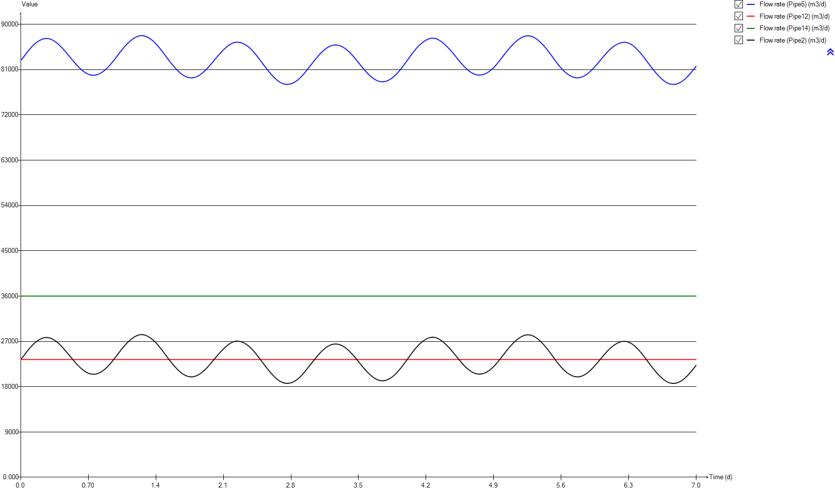
InputD
Time | Flow rate (Pipe5) | Flow rate (Pipe12) | Flow rate (Pipe14) | Flow rate (Pipe2)
d | m3/d | m3/d | m3/d | m3/d
0 | 82879.368311 | 23400 | 36000 | 23479.368311
0.0069444444444 | 82879.368311 | 23400 | 36000 | 23479.368311
0.013888888889 | 83062.557328 | 23400 | 36000 | 23662.557328
0.020833333333 | 83245.09749 | 23400 | 36000 | 23845.09749
0.027777777778 | 83426.804488 | 23400 | 36000 | 24026.804488
0.034722222222 | 83607.302717 | 23400 | 36000 | 24207.302717
0.041666666667 | 83786.313763 | 23400 | 36000 | 24386.313763
0.048611111111 | 83963.468552 | 23400 | 36000 | 24563.468552
0.055555555556 | 84138.492735 | 23400 | 36000 | 24738.492735
0.0625 | 84311.106054 | 23400 | 36000 | 24911.106054
0.069444444444 | 84481.125324 | 23400 | 36000 | 25081.125324
0.076388888889 | 84647.976432 | 23400 | 36000 | 25247.976432
0.083333333333 | 84811.672961 | 23400 | 36000 | 25411.672961
0.090277777778 | 84971.728776 | 23400 | 36000 | 25571.728776
0.097222222222 | 85127.941951 | 23400 | 36000 | 25727.941951
0.10416666667 | 85280.003046 | 23400 | 36000 | 25880.003046
0.11111111111 | 85427.589925 | 23400 | 36000 | 26027.589925
0.11805555556 | 85570.466706 | 23400 | 36000 | 26170.466706
0.125 | 85708.201198 | 23400 | 36000 | 26308.201198
0.13194444444 | 85840.63731 | 23400 | 36000 | 26440.63731
0.13888888889 | 85967.419659 | 23400 | 36000 | 26567.419659
0.14583333333 | 86088.175105 | 23400 | 36000 | 26688.175105
0.15277777778 | 86202.708174 | 23400 | 36000 | 26802.708174
0.15972222222 | 86310.625381 | 23400 | 36000 | 26910.625381
0.16666666667 | 86411.706882 | 23400 | 36000 | 27011.706882
0.17361111111 | 86506.148534 | 23400 | 36000 | 27106.148534
0.18055555556 | 86594.876141 | 23400 | 36000 | 27194.876141
0.1875 | 86680.349597 | 23400 | 36000 | 27280.349597
0.19444444444 | 86760.045648 | 23400 | 36000 | 27360.045648
0.20138888889 | 86833.751539 | 23400 | 36000 | 27433.751539
0.20833333333 | 86900.98618 | 23400 | 36000 | 27500.98618
0.21527777778 | 86961.279397 | 23400 | 36000 | 27561.279397
0.22222222222 | 87014.678637 | 23400 | 36000 | 27614.678637
0.22916666667 | 87061.114809 | 23400 | 36000 | 27661.114809
0.23611111111 | 87100.015163 | 23400 | 36000 | 27700.015163
0.24305555556 | 87131.159606 | 23400 | 36000 | 27731.159606
0.25 | 87154.343177 | 23400 | 36000 | 27754.343177
0.25694444444 | 87169.65945 | 23400 | 36000 | 27769.65945
0.26388888889 | 87177.324584 | 23400 | 36000 | 27777.324584
0.27083333333 | 87177.497349 | 23400 | 36000 | 27777.497349
0.27777777778 | 87170.201722 | 23400 | 36000 | 27770.201722
0.28472222222 | 87155.319391 | 23400 | 36000 | 27755.319391
0.29166666667 | 87132.960735 | 23400 | 36000 | 27732.960735
0.29861111111 | 87102.894151 | 23400 | 36000 | 27702.894151
0.30555555556 | 87065.119072 | 23400 | 36000 | 27665.119072
0.3125 | 87019.76735 | 23400 | 36000 | 27619.76735
0.31944444444 | 86967.03165 | 23400 | 36000 | 27567.03165
0.32638888889 | 86907.013446 | 23400 | 36000 | 27507.013446
0.33333333333 | 86839.856892 | 23400 | 36000 | 27439.856892
0.34027777778 | 86765.520239 | 23400 | 36000 | 27365.520239
0.34722222222 | 86684.333609 | 23400 | 36000 | 27284.333609
0.35416666667 | 86596.714783 | 23400 | 36000 | 27196.714783
0.36111111111 | 86503.188673 | 23400 | 36000 | 27103.188673
0.36805555556 | 86403.964008 | 23400 | 36000 | 27003.964008
0.375 | 86299.096642 | 23400 | 36000 | 26899.096642
0.38194444444 | 86188.79597 | 23400 | 36000 | 26788.79597
0.38888888889 | 86073.421495 | 23400 | 36000 | 26673.421495
0.39583333333 | 85952.942785 | 23400 | 36000 | 26552.942785
0.40277777778 | 85827.784502 | 23400 | 36000 | 26427.784502
0.40972222222 | 85698.092012 | 23400 | 36000 | 26298.092012
0.41666666667 | 85564.02969 | 23400 | 36000 | 26164.02969
0.42361111111 | 85425.809926 | 23400 | 36000 | 26025.809926
0.43055555556 | 85283.746774 | 23400 | 36000 | 25883.746774
0.4375 | 85138.133244 | 23400 | 36000 | 25738.133244
0.44444444444 | 84989.241862 | 23400 | 36000 | 25589.241862
0.45138888889 | 84837.639165 | 23400 | 36000 | 25437.639165
0.45833333333 | 84683.737289 | 23400 | 36000 | 25283.737289
0.46527777778 | 84528.224256 | 23400 | 36000 | 25128.224256
0.47222222222 | 84371.609743 | 23400 | 36000 | 24971.609743
0.47916666667 | 84214.066215 | 23400 | 36000 | 24814.066215
0.48611111111 | 84055.810173 | 23400 | 36000 | 24655.810173
0.49305555556 | 83897.037581 | 23400 | 36000 | 24497.037581
0.5 | 83738.004145 | 23400 | 36000 | 24338.004145
0.50694444444 | 83578.591005 | 23400 | 36000 | 24178.591005
0.51388888889 | 83418.586453 | 23400 | 36000 | 24018.586453
0.52083333333 | 83257.958212 | 23400 | 36000 | 23857.958212
0.52777777778 | 83097.013111 | 23400 | 36000 | 23697.013111
0.53472222222 | 82935.832656 | 23400 | 36000 | 23535.832656
0.54166666667 | 82775.046123 | 23400 | 36000 | 23375.046123
0.54861111111 | 82615.562827 | 23400 | 36000 | 23215.562827
0.55555555556 | 82457.825247 | 23400 | 36000 | 23057.825247
0.5625 | 82302.506461 | 23400 | 36000 | 22902.506461
0.56944444444 | 82150.120682 | 23400 | 36000 | 22750.120682
0.57638888889 | 82001.13169 | 23400 | 36000 | 22601.13169
0.58333333333 | 81855.98418 | 23400 | 36000 | 22455.98418
0.59027777778 | 81714.719942 | 23400 | 36000 | 22314.719942
0.59722222222 | 81577.196804 | 23400 | 36000 | 22177.196804
0.60416666667 | 81443.573839 | 23400 | 36000 | 22043.573839
0.61111111111 | 81313.862563 | 23400 | 36000 | 21913.862563
0.61805555556 | 81188.032309 | 23400 | 36000 | 21788.032309
0.625 | 81066.288235 | 23400 | 36000 | 21666.288235
0.63194444444 | 80948.886256 | 23400 | 36000 | 21548.886256
0.63888888889 | 80836.096764 | 23400 | 36000 | 21436.096764
0.64583333333 | 80727.986846 | 23400 | 36000 | 21327.986846
0.65277777778 | 80625.113987 | 23400 | 36000 | 21225.113987
0.65972222222 | 80527.748169 | 23400 | 36000 | 21127.748169
0.66666666667 | 80436.506508 | 23400 | 36000 | 21036.506508
0.67361111111 | 80351.716824 | 23400 | 36000 | 20951.716824
0.68055555556 | 80273.935491 | 23400 | 36000 | 20873.935491
0.6875 | 80203.040244 | 23400 | 36000 | 20803.040244
0.69444444444 | 80138.965308 | 23400 | 36000 | 20738.965308
0.70138888889 | 80081.722855 | 23400 | 36000 | 20681.722855
0.70833333333 | 80031.59146 | 23400 | 36000 | 20631.59146
0.71527777778 | 79988.698506 | 23400 | 36000 | 20588.698506
0.72222222222 | 79952.875031 | 23400 | 36000 | 20552.875031
0.72916666667 | 79923.991037 | 23400 | 36000 | 20523.991037
0.73611111111 | 79902.110144 | 23400 | 36000 | 20502.110144
0.74305555556 | 79887.154002 | 23400 | 36000 | 20487.154002
0.75 | 79879.206816 | 23400 | 36000 | 20479.206816
0.75694444444 | 79877.90481 | 23400 | 36000 | 20477.90481
0.76388888889 | 79883.30245 | 23400 | 36000 | 20483.30245
0.77083333333 | 79895.646053 | 23400 | 36000 | 20495.646053
0.77777777778 | 79915.336143 | 23400 | 36000 | 20515.336143
0.78472222222 | 79942.605769 | 23400 | 36000 | 20542.605769
0.79166666667 | 79977.353381 | 23400 | 36000 | 20577.353381
0.79861111111 | 80019.617176 | 23400 | 36000 | 20619.617176
0.80555555556 | 80069.478413 | 23400 | 36000 | 20669.478413
0.8125 | 80126.683833 | 23400 | 36000 | 20726.683833
0.81944444444 | 80191.169317 | 23400 | 36000 | 20791.169317
0.82638888889 | 80262.534608 | 23400 | 36000 | 20862.534608
0.83333333333 | 80340.337169 | 23400 | 36000 | 20940.337169
0.84027777778 | 80424.106612 | 23400 | 36000 | 21024.106612
0.84722222222 | 80513.802627 | 23400 | 36000 | 21113.802627
0.85416666667 | 80609.323755 | 23400 | 36000 | 21209.323755
0.86111111111 | 80710.755295 | 23400 | 36000 | 21310.755295
0.86805555556 | 80818.031218 | 23400 | 36000 | 21418.031218
0.875 | 80931.308449 | 23400 | 36000 | 21531.308449
0.88194444444 | 81050.282029 | 23400 | 36000 | 21650.282029
0.88888888889 | 81174.591344 | 23400 | 36000 | 21774.591344
0.89583333333 | 81304.285522 | 23400 | 36000 | 21904.285522
0.90277777778 | 81439.038394 | 23400 | 36000 | 22039.038394
0.90972222222 | 81578.830831 | 23400 | 36000 | 22178.830831
0.91666666667 | 81723.326631 | 23400 | 36000 | 22323.326631
0.92361111111 | 81872.094428 | 23400 | 36000 | 22472.094428
0.93055555556 | 82024.760619 | 23400 | 36000 | 22624.760619
0.9375 | 82180.803149 | 23400 | 36000 | 22780.803149
0.94444444444 | 82339.858992 | 23400 | 36000 | 22939.858992
0.95138888889 | 82501.540611 | 23400 | 36000 | 23101.540611
0.95833333333 | 82665.950193 | 23400 | 36000 | 23265.950193
0.96527777778 | 82832.700475 | 23400 | 36000 | 23432.700475
0.97222222222 | 83001.744408 | 23400 | 36000 | 23601.744408
0.97916666667 | 83173.019949 | 23400 | 36000 | 23773.019949
0.98611111111 | 83346.363478 | 23400 | 36000 | 23946.363478
0.99305555556 | 83521.120073 | 23400 | 36000 | 24121.120073
1 | 83696.793194 | 23400 | 36000 | 24296.793194
1.0069444444 | 83872.406176 | 23400 | 36000 | 24472.406176
1.0138888889 | 84047.336234 | 23400 | 36000 | 24647.336234
1.0208333333 | 84221.213746 | 23400 | 36000 | 24821.213746
1.0277777778 | 84393.842709 | 23400 | 36000 | 24993.842709
1.0347222222 | 84565.012595 | 23400 | 36000 | 25165.012595
1.0416666667 | 84734.632061 | 23400 | 36000 | 25334.632061
1.0486111111 | 84901.921776 | 23400 | 36000 | 25501.921776
1.0555555556 | 85066.64219 | 23400 | 36000 | 25666.64219
1.0625 | 85228.320121 | 23400 | 36000 | 25828.320121
1.0694444444 | 85386.52118 | 23400 | 36000 | 25986.52118
1.0763888889 | 85540.945294 | 23400 | 36000 | 26140.945294
1.0833333333 | 85691.291011 | 23400 | 36000 | 26291.291011
1.0902777778 | 85837.340295 | 23400 | 36000 | 26437.340295
1.0972222222 | 85979.359603 | 23400 | 36000 | 26579.359603
1.1041666667 | 86117.14811 | 23400 | 36000 | 26717.14811
1.1111111111 | 86250.653289 | 23400 | 36000 | 26850.653289
1.1180555556 | 86379.685797 | 23400 | 36000 | 26979.685797
1.125 | 86503.954494 | 23400 | 36000 | 27103.954494
1.1319444444 | 86623.417118 | 23400 | 36000 | 27223.417118
1.1388888889 | 86737.840625 | 23400 | 36000 | 27337.840625
1.1458333333 | 86846.971787 | 23400 | 36000 | 27446.971787
1.1527777778 | 86950.51255 | 23400 | 36000 | 27550.51255
1.1597222222 | 87048.637635 | 23400 | 36000 | 27648.637635
1.1666666667 | 87141.412163 | 23400 | 36000 | 27741.412163
1.1736111111 | 87228.820023 | 23400 | 36000 | 27828.820023
1.1805555556 | 87310.987905 | 23400 | 36000 | 27910.987905
1.1875 | 87387.493071 | 23400 | 36000 | 27987.493071
1.1944444444 | 87458.023104 | 23400 | 36000 | 28058.023104
1.2013888889 | 87521.876103 | 23400 | 36000 | 28121.876103
1.2083333333 | 87578.345267 | 23400 | 36000 | 28178.345267
1.2152777778 | 87627.121417 | 23400 | 36000 | 28227.121417
1.2222222222 | 87667.998153 | 23400 | 36000 | 28267.998153
1.2291666667 | 87700.576471 | 23400 | 36000 | 28300.576471
1.2361111111 | 87724.878536 | 23400 | 36000 | 28324.878536
1.2430555556 | 87740.727267 | 23400 | 36000 | 28340.727267
1.25 | 87748.217123 | 23400 | 36000 | 28348.217123
1.2569444444 | 87747.379028 | 23400 | 36000 | 28347.379028
1.2638888889 | 87738.195516 | 23400 | 36000 | 28338.195516
1.2708333333 | 87720.98498 | 23400 | 36000 | 28320.98498
1.2777777778 | 87695.73187 | 23400 | 36000 | 28295.73187
1.2847222222 | 87662.8806 | 23400 | 36000 | 28262.8806
1.2916666667 | 87622.69696 | 23400 | 36000 | 28222.69696
1.2986111111 | 87575.433552 | 23400 | 36000 | 28175.433552
1.3055555556 | 87521.302176 | 23400 | 36000 | 28121.302176
1.3125 | 87460.38137 | 23400 | 36000 | 28060.38137
1.3194444444 | 87392.519142 | 23400 | 36000 | 27992.519142
1.3263888889 | 87317.755363 | 23400 | 36000 | 27917.755363
1.3333333333 | 87235.960474 | 23400 | 36000 | 27835.960474
1.3402777778 | 87147.576058 | 23400 | 36000 | 27747.576058
1.3472222222 | 87053.08383 | 23400 | 36000 | 27653.08383
1.3541666667 | 86952.68338 | 23400 | 36000 | 27552.68338
1.3611111111 | 86846.704897 | 23400 | 36000 | 27446.704897
1.3680555556 | 86735.061306 | 23400 | 36000 | 27335.061306
1.375 | 86617.461269 | 23400 | 36000 | 27217.461269
1.3819444444 | 86493.977861 | 23400 | 36000 | 27093.977861
1.3888888889 | 86364.978906 | 23400 | 36000 | 26964.978906
1.3958333333 | 86230.9186 | 23400 | 36000 | 26830.9186
1.4027777778 | 86092.031864 | 23400 | 36000 | 26692.031864
1.4097222222 | 85948.446787 | 23400 | 36000 | 26548.446787
1.4166666667 | 85799.87667 | 23400 | 36000 | 26399.87667
1.4236111111 | 85646.551851 | 23400 | 36000 | 26246.551851
1.4305555556 | 85488.330003 | 23400 | 36000 | 26088.330003
1.4375 | 85325.776377 | 23400 | 36000 | 25925.776377
1.4444444444 | 85159.413813 | 23400 | 36000 | 25759.413813
1.4513888889 | 84989.957205 | 23400 | 36000 | 25589.957205
1.4583333333 | 84817.706867 | 23400 | 36000 | 25417.706867
1.4652777778 | 84643.050363 | 23400 | 36000 | 25243.050363
1.4722222222 | 84466.550924 | 23400 | 36000 | 25066.550924
1.4791666667 | 84288.617688 | 23400 | 36000 | 24888.617688
1.4861111111 | 84109.887566 | 23400 | 36000 | 24709.887566
1.4930555556 | 83930.797837 | 23400 | 36000 | 24530.797837
1.5 | 83751.698112 | 23400 | 36000 | 24351.698112
1.5069444444 | 83572.777768 | 23400 | 36000 | 24172.777768
1.5138888889 | 83394.625715 | 23400 | 36000 | 23994.625715
1.5208333333 | 83217.394017 | 23400 | 36000 | 23817.394017
1.5277777778 | 83041.317661 | 23400 | 36000 | 23641.317661
1.5347222222 | 82866.511838 | 23400 | 36000 | 23466.511838
1.5416666667 | 82693.285937 | 23400 | 36000 | 23293.285937
1.5486111111 | 82522.250733 | 23400 | 36000 | 23122.250733
1.5555555556 | 82353.527606 | 23400 | 36000 | 22953.527606
1.5625 | 82187.381327 | 23400 | 36000 | 22787.381327
1.5694444444 | 82024.104752 | 23400 | 36000 | 22624.104752
1.5763888889 | 81863.747707 | 23400 | 36000 | 22463.747707
1.5833333333 | 81706.332731 | 23400 | 36000 | 22306.332731
1.5902777778 | 81551.902134 | 23400 | 36000 | 22151.902134
1.5972222222 | 81400.431989 | 23400 | 36000 | 22000.431989
1.6041666667 | 81252.259908 | 23400 | 36000 | 21852.259908
1.6111111111 | 81107.885398 | 23400 | 36000 | 21707.885398
1.6180555556 | 80967.740312 | 23400 | 36000 | 21567.740312
1.625 | 80831.9949 | 23400 | 36000 | 21431.9949
1.6319444444 | 80700.813543 | 23400 | 36000 | 21300.813543
1.6388888889 | 80574.500112 | 23400 | 36000 | 21174.500112
1.6458333333 | 80453.114248 | 23400 | 36000 | 21053.114248
1.6527777778 | 80337.358044 | 23400 | 36000 | 20937.358044
1.6597222222 | 80227.395196 | 23400 | 36000 | 20827.395196
1.6666666667 | 80123.590619 | 23400 | 36000 | 20723.590619
1.6736111111 | 80025.971139 | 23400 | 36000 | 20625.971139
1.6805555556 | 79934.598051 | 23400 | 36000 | 20534.598051
1.6875 | 79849.44833 | 23400 | 36000 | 20449.44833
1.6944444444 | 79770.568825 | 23400 | 36000 | 20370.568825
1.7013888889 | 79698.037454 | 23400 | 36000 | 20298.037454
1.7083333333 | 79631.992256 | 23400 | 36000 | 20231.992256
1.7152777778 | 79572.642887 | 23400 | 36000 | 20172.642887
1.7222222222 | 79520.237635 | 23400 | 36000 | 20120.237635
1.7291666667 | 79474.970235 | 23400 | 36000 | 20074.970235
1.7361111111 | 79436.891417 | 23400 | 36000 | 20036.891417
1.7430555556 | 79406.132088 | 23400 | 36000 | 20006.132088
1.75 | 79382.476042 | 23400 | 36000 | 19982.476042
1.7569444444 | 79366.377762 | 23400 | 36000 | 19966.377762
1.7638888889 | 79357.935465 | 23400 | 36000 | 19957.935465
1.7708333333 | 79357.342253 | 23400 | 36000 | 19957.342253
1.7777777778 | 79364.42362 | 23400 | 36000 | 19964.42362
1.7847222222 | 79379.163372 | 23400 | 36000 | 19979.163372
1.7916666667 | 79401.534234 | 23400 | 36000 | 20001.534234
1.7986111111 | 79431.145809 | 23400 | 36000 | 20031.145809
1.8055555556 | 79467.870644 | 23400 | 36000 | 20067.870644
1.8125 | 79511.371612 | 23400 | 36000 | 20111.371612
1.8194444444 | 79561.615476 | 23400 | 36000 | 20161.615476
1.8263888889 | 79618.411479 | 23400 | 36000 | 20218.411479
1.8333333333 | 79681.922922 | 23400 | 36000 | 20281.922922
1.8402777778 | 79752.03133 | 23400 | 36000 | 20352.03133
1.8472222222 | 79828.603891 | 23400 | 36000 | 20428.603891
1.8541666667 | 79911.325175 | 23400 | 36000 | 20511.325175
1.8611111111 | 79999.945964 | 23400 | 36000 | 20599.945964
1.8680555556 | 80094.334244 | 23400 | 36000 | 20694.334244
1.875 | 80194.442454 | 23400 | 36000 | 20794.442454
1.8819444444 | 80300.180324 | 23400 | 36000 | 20900.180324
1.8888888889 | 80411.345411 | 23400 | 36000 | 21011.345411
1.8958333333 | 80527.926471 | 23400 | 36000 | 21127.926471
1.9027777778 | 80649.544014 | 23400 | 36000 | 21249.544014
1.9097222222 | 80776.057828 | 23400 | 36000 | 21376.057828
1.9166666667 | 80907.122093 | 23400 | 36000 | 21507.122093
1.9236111111 | 81042.680499 | 23400 | 36000 | 21642.680499
1.9305555556 | 81182.574608 | 23400 | 36000 | 21782.574608
1.9375 | 81326.534956 | 23400 | 36000 | 21926.534956
1.9444444444 | 81474.126644 | 23400 | 36000 | 22074.126644
1.9513888889 | 81624.959738 | 23400 | 36000 | 22224.959738
1.9583333333 | 81778.800609 | 23400 | 36000 | 22378.800609
1.9652777778 | 81935.348192 | 23400 | 36000 | 22535.348192
1.9722222222 | 82094.385248 | 23400 | 36000 | 22694.385248
1.9791666667 | 82255.000404 | 23400 | 36000 | 22855.000404
1.9861111111 | 82416.716883 | 23400 | 36000 | 23016.716883
1.9930555556 | 82578.829027 | 23400 | 36000 | 23178.829027
2 | 82740.769341 | 23400 | 36000 | 23340.769341
2.0069444444 | 82902.217865 | 23400 | 36000 | 23502.217865
2.0138888889 | 83062.683477 | 23400 | 36000 | 23662.683477
2.0208333333 | 83221.712225 | 23400 | 36000 | 23821.712225
2.0277777778 | 83379.114083 | 23400 | 36000 | 23979.114083
2.0347222222 | 83534.649669 | 23400 | 36000 | 24134.649669
2.0416666667 | 83688.254326 | 23400 | 36000 | 24288.254326
2.0486111111 | 83840.202831 | 23400 | 36000 | 24440.202831
2.0555555556 | 83990.243237 | 23400 | 36000 | 24590.243237
2.0625 | 84138.36396 | 23400 | 36000 | 24738.36396
2.0694444444 | 84284.240545 | 23400 | 36000 | 24884.240545
2.0763888889 | 84427.71331 | 23400 | 36000 | 25027.71331
2.0833333333 | 84568.617287 | 23400 | 36000 | 25168.617287
2.0902777778 | 84706.707445 | 23400 | 36000 | 25306.707445
2.0972222222 | 84841.635865 | 23400 | 36000 | 25441.635865
2.1041666667 | 84972.99539 | 23400 | 36000 | 25572.99539
2.1111111111 | 85100.738656 | 23400 | 36000 | 25700.738656
2.1180555556 | 85224.631791 | 23400 | 36000 | 25824.631791
2.125 | 85344.517541 | 23400 | 36000 | 25944.517541
2.1319444444 | 85459.891575 | 23400 | 36000 | 26059.891575
2.1388888889 | 85570.610077 | 23400 | 36000 | 26170.610077
2.1458333333 | 85676.229562 | 23400 | 36000 | 26276.229562
2.1527777778 | 85776.407007 | 23400 | 36000 | 26376.407007
2.1597222222 | 85870.88154 | 23400 | 36000 | 26470.88154
2.1666666667 | 85959.37689 | 23400 | 36000 | 26559.37689
2.1736111111 | 86041.615538 | 23400 | 36000 | 26641.615538
2.1805555556 | 86117.30607 | 23400 | 36000 | 26717.30607
2.1875 | 86186.314037 | 23400 | 36000 | 26786.314037
2.1944444444 | 86248.259347 | 23400 | 36000 | 26848.259347
2.2013888889 | 86303.028319 | 23400 | 36000 | 26903.028319
2.2083333333 | 86350.031988 | 23400 | 36000 | 26950.031988
2.2152777778 | 86388.895157 | 23400 | 36000 | 26988.895157
2.2222222222 | 86418.959658 | 23400 | 36000 | 27018.959658
2.2291666667 | 86439.857124 | 23400 | 36000 | 27039.857124
2.2361111111 | 86451.258487 | 23400 | 36000 | 27051.258487
2.2430555556 | 86453.538929 | 23400 | 36000 | 27053.538929
2.25 | 86447.393292 | 23400 | 36000 | 27047.393292
2.2569444444 | 86433.397709 | 23400 | 36000 | 27033.397709
2.2638888889 | 86412.320237 | 23400 | 36000 | 27012.320237
2.2708333333 | 86384.669979 | 23400 | 36000 | 26984.669979
2.2777777778 | 86351.293641 | 23400 | 36000 | 26951.293641
2.2847222222 | 86312.22936 | 23400 | 36000 | 26912.22936
2.2916666667 | 86267.68297 | 23400 | 36000 | 26867.68297
2.2986111111 | 86217.624482 | 23400 | 36000 | 26817.624482
2.3055555556 | 86161.943225 | 23400 | 36000 | 26761.943225
2.3125 | 86100.464956 | 23400 | 36000 | 26700.464956
2.3194444444 | 86032.912016 | 23400 | 36000 | 26632.912016
2.3263888889 | 85959.023299 | 23400 | 36000 | 26559.023299
2.3333333333 | 85878.676895 | 23400 | 36000 | 26478.676895
2.3402777778 | 85791.729881 | 23400 | 36000 | 26391.729881
2.3472222222 | 85698.184334 | 23400 | 36000 | 26298.184334
2.3541666667 | 85598.165603 | 23400 | 36000 | 26198.165603
2.3611111111 | 85491.518617 | 23400 | 36000 | 26091.518617
2.3680555556 | 85378.370895 | 23400 | 36000 | 25978.370895
2.375 | 85258.652598 | 23400 | 36000 | 25858.652598
2.3819444444 | 85132.821751 | 23400 | 36000 | 25732.821751
2.3888888889 | 85000.894991 | 23400 | 36000 | 25600.894991
2.3958333333 | 84863.290979 | 23400 | 36000 | 25463.290979
2.4027777778 | 84720.653728 | 23400 | 36000 | 25320.653728
2.4097222222 | 84573.455041 | 23400 | 36000 | 25173.455041
2.4166666667 | 84422.036917 | 23400 | 36000 | 25022.036917
2.4236111111 | 84266.565106 | 23400 | 36000 | 24866.565106
2.4305555556 | 84107.175657 | 23400 | 36000 | 24707.175657
2.4375 | 83943.908371 | 23400 | 36000 | 24543.908371
2.4444444444 | 83777.024266 | 23400 | 36000 | 24377.024266
2.4513888889 | 83606.689253 | 23400 | 36000 | 24206.689253
2.4583333333 | 83433.164173 | 23400 | 36000 | 24033.164173
2.4652777778 | 83257.051045 | 23400 | 36000 | 23857.051045
2.4722222222 | 83079.219427 | 23400 | 36000 | 23679.219427
2.4791666667 | 82900.428526 | 23400 | 36000 | 23500.428526
2.4861111111 | 82721.72672 | 23400 | 36000 | 23321.72672
2.4930555556 | 82543.68681 | 23400 | 36000 | 23143.68681
2.5 | 82366.581105 | 23400 | 36000 | 22966.581105
2.5069444444 | 82190.546662 | 23400 | 36000 | 22790.546662
2.5138888889 | 82015.316759 | 23400 | 36000 | 22615.316759
2.5208333333 | 81840.985922 | 23400 | 36000 | 22440.985922
2.5277777778 | 81667.285226 | 23400 | 36000 | 22267.285226
2.5347222222 | 81494.310619 | 23400 | 36000 | 22094.310619
2.5416666667 | 81322.279142 | 23400 | 36000 | 21922.279142
2.5486111111 | 81151.646588 | 23400 | 36000 | 21751.646588
2.5555555556 | 80982.532984 | 23400 | 36000 | 21582.532984
2.5625 | 80815.235067 | 23400 | 36000 | 21415.235067
2.5694444444 | 80650.176952 | 23400 | 36000 | 21250.176952
2.5763888889 | 80487.766372 | 23400 | 36000 | 21087.766372
2.5833333333 | 80328.629269 | 23400 | 36000 | 20928.629269
2.5902777778 | 80173.026098 | 23400 | 36000 | 20773.026098
2.5972222222 | 80021.338768 | 23400 | 36000 | 20621.338768
2.6041666667 | 79873.421203 | 23400 | 36000 | 20473.421203
2.6111111111 | 79729.603243 | 23400 | 36000 | 20329.603243
2.6180555556 | 79589.744874 | 23400 | 36000 | 20189.744874
2.625 | 79454.058873 | 23400 | 36000 | 20054.058873
2.6319444444 | 79322.665776 | 23400 | 36000 | 19922.665776
2.6388888889 | 79195.846368 | 23400 | 36000 | 19795.846368
2.6458333333 | 79073.948592 | 23400 | 36000 | 19673.948592
2.6527777778 | 78957.572235 | 23400 | 36000 | 19557.572235
2.6597222222 | 78847.229679 | 23400 | 36000 | 19447.229679
2.6666666667 | 78743.506377 | 23400 | 36000 | 19343.506377
2.6736111111 | 78646.880535 | 23400 | 36000 | 19246.880535
2.6805555556 | 78557.425513 | 23400 | 36000 | 19157.425513
2.6875 | 78475.45803 | 23400 | 36000 | 19075.45803
2.6944444444 | 78401.170394 | 23400 | 36000 | 19001.170394
2.7013888889 | 78334.453752 | 23400 | 36000 | 18934.453752
2.7083333333 | 78275.43291 | 23400 | 36000 | 18875.43291
2.7152777778 | 78223.97812 | 23400 | 36000 | 18823.97812
2.7222222222 | 78179.965077 | 23400 | 36000 | 18779.965077
2.7291666667 | 78143.296305 | 23400 | 36000 | 18743.296305
2.7361111111 | 78113.982075 | 23400 | 36000 | 18713.982075
2.7430555556 | 78091.786577 | 23400 | 36000 | 18691.786577
2.75 | 78076.645409 | 23400 | 36000 | 18676.645409
2.7569444444 | 78068.222011 | 23400 | 36000 | 18668.222011
2.7638888889 | 78066.688494 | 23400 | 36000 | 18666.688494
2.7708333333 | 78072.056209 | 23400 | 36000 | 18672.056209
2.7777777778 | 78084.443895 | 23400 | 36000 | 18684.443895
2.7847222222 | 78103.982329 | 23400 | 36000 | 18703.982329
2.7916666667 | 78130.697365 | 23400 | 36000 | 18730.697365
2.7986111111 | 78165.02507 | 23400 | 36000 | 18765.02507
2.8055555556 | 78206.960716 | 23400 | 36000 | 18806.960716
2.8125 | 78256.442697 | 23400 | 36000 | 18856.442697
2.8194444444 | 78313.293208 | 23400 | 36000 | 18913.293208
2.8263888889 | 78377.184445 | 23400 | 36000 | 18977.184445
2.8333333333 | 78447.833539 | 23400 | 36000 | 19047.833539
2.8402777778 | 78525.104135 | 23400 | 36000 | 19125.104135
2.8472222222 | 78608.71813 | 23400 | 36000 | 19208.71813
2.8541666667 | 78698.716599 | 23400 | 36000 | 19298.716599
2.8611111111 | 78794.945956 | 23400 | 36000 | 19394.945956
2.8680555556 | 78897.315455 | 23400 | 36000 | 19497.315455
2.875 | 79006.027788 | 23400 | 36000 | 19606.027788
2.8819444444 | 79120.974339 | 23400 | 36000 | 19720.974339
2.8888888889 | 79242.12716 | 23400 | 36000 | 19842.12716
2.8958333333 | 79369.38816 | 23400 | 36000 | 19969.38816
2.9027777778 | 79502.865986 | 23400 | 36000 | 20102.865986
2.9097222222 | 79642.199761 | 23400 | 36000 | 20242.199761
2.9166666667 | 79786.984748 | 23400 | 36000 | 20386.984748
2.9236111111 | 79936.700086 | 23400 | 36000 | 20536.700086
2.9305555556 | 80090.460608 | 23400 | 36000 | 20690.460608
2.9375 | 80247.857347 | 23400 | 36000 | 20847.857347
2.9444444444 | 80408.24243 | 23400 | 36000 | 21008.24243
2.9513888889 | 80570.978468 | 23400 | 36000 | 21170.978468
2.9583333333 | 80735.619877 | 23400 | 36000 | 21335.619877
2.9652777778 | 80901.58969 | 23400 | 36000 | 21501.58969
2.9722222222 | 81068.44956 | 23400 | 36000 | 21668.44956
2.9791666667 | 81236.152423 | 23400 | 36000 | 21836.152423
2.9861111111 | 81404.27627 | 23400 | 36000 | 22004.27627
2.9930555556 | 81572.931837 | 23400 | 36000 | 22172.931837
3 | 81741.838031 | 23400 | 36000 | 22341.838031
3.0069444444 | 81910.795652 | 23400 | 36000 | 22510.795652
3.0138888889 | 82079.761691 | 23400 | 36000 | 22679.761691
3.0208333333 | 82248.651227 | 23400 | 36000 | 22848.651227
3.0277777778 | 82416.936045 | 23400 | 36000 | 23016.936045
3.0347222222 | 82584.524535 | 23400 | 36000 | 23184.524535
3.0416666667 | 82750.969335 | 23400 | 36000 | 23350.969335
3.0486111111 | 82915.921826 | 23400 | 36000 | 23515.921826
3.0555555556 | 83079.065573 | 23400 | 36000 | 23679.065573
3.0625 | 83240.41819 | 23400 | 36000 | 23840.41819
3.0694444444 | 83399.663389 | 23400 | 36000 | 23999.663389
3.0763888889 | 83556.666204 | 23400 | 36000 | 24156.666204
3.0833333333 | 83711.03051 | 23400 | 36000 | 24311.03051
3.0902777778 | 83862.38159 | 23400 | 36000 | 24462.38159
3.0972222222 | 84010.228656 | 23400 | 36000 | 24610.228656
3.1041666667 | 84154.432439 | 23400 | 36000 | 24754.432439
3.1111111111 | 84294.546441 | 23400 | 36000 | 24894.546441
3.1180555556 | 84430.096289 | 23400 | 36000 | 25030.096289
3.125 | 84560.958448 | 23400 | 36000 | 25160.958448
3.1319444444 | 84686.612834 | 23400 | 36000 | 25286.612834
3.1388888889 | 84806.772178 | 23400 | 36000 | 25406.772178
3.1458333333 | 84921.119486 | 23400 | 36000 | 25521.119486
3.1527777778 | 85029.578926 | 23400 | 36000 | 25629.578926
3.1597222222 | 85132.229393 | 23400 | 36000 | 25732.229393
3.1666666667 | 85228.626189 | 23400 | 36000 | 25828.626189
3.1736111111 | 85318.587095 | 23400 | 36000 | 25918.587095
3.1805555556 | 85402.047972 | 23400 | 36000 | 26002.047972
3.1875 | 85479.225651 | 23400 | 36000 | 26079.225651
3.1944444444 | 85550.28477 | 23400 | 36000 | 26150.28477
3.2013888889 | 85615.415445 | 23400 | 36000 | 26215.415445
3.2083333333 | 85674.401457 | 23400 | 36000 | 26274.401457
3.2152777778 | 85727.046276 | 23400 | 36000 | 26327.046276
3.2222222222 | 85772.89032 | 23400 | 36000 | 26372.89032
3.2291666667 | 85811.677018 | 23400 | 36000 | 26411.677018
3.2361111111 | 85843.204593 | 23400 | 36000 | 26443.204593
3.2430555556 | 85867.152533 | 23400 | 36000 | 26467.152533
3.25 | 85883.359106 | 23400 | 36000 | 26483.359106
3.2569444444 | 85891.865116 | 23400 | 36000 | 26491.865116
3.2638888889 | 85892.784195 | 23400 | 36000 | 26492.784195
3.2708333333 | 85886.324064 | 23400 | 36000 | 26486.324064
3.2777777778 | 85872.35243 | 23400 | 36000 | 26472.35243
3.2847222222 | 85851.352996 | 23400 | 36000 | 26451.352996
3.2916666667 | 85823.72552 | 23400 | 36000 | 26423.72552
3.2986111111 | 85789.738232 | 23400 | 36000 | 26389.738232
3.3055555556 | 85749.370282 | 23400 | 36000 | 26349.370282
3.3125 | 85702.414121 | 23400 | 36000 | 26302.414121
3.3194444444 | 85648.686515 | 23400 | 36000 | 26248.686515
3.3263888889 | 85588.094345 | 23400 | 36000 | 26188.094345
3.3333333333 | 85520.438293 | 23400 | 36000 | 26120.438293
3.3402777778 | 85445.812424 | 23400 | 36000 | 26045.812424
3.3472222222 | 85364.315017 | 23400 | 36000 | 25964.315017
3.3541666667 | 85276.487966 | 23400 | 36000 | 25876.487966
3.3611111111 | 85182.545902 | 23400 | 36000 | 25782.545902
3.3680555556 | 85082.887423 | 23400 | 36000 | 25682.887423
3.375 | 84977.5403 | 23400 | 36000 | 25577.5403
3.3819444444 | 84866.859917 | 23400 | 36000 | 25466.859917
3.3888888889 | 84750.952503 | 23400 | 36000 | 25350.952503
3.3958333333 | 84630.264365 | 23400 | 36000 | 25230.264365
3.4027777778 | 84504.96975 | 23400 | 36000 | 25104.96975
3.4097222222 | 84375.393138 | 23400 | 36000 | 24975.393138
3.4166666667 | 84241.924496 | 23400 | 36000 | 24841.924496
3.4236111111 | 84104.738534 | 23400 | 36000 | 24704.738534
3.4305555556 | 83964.146977 | 23400 | 36000 | 24564.146977
3.4375 | 83820.097301 | 23400 | 36000 | 24420.097301
3.4444444444 | 83672.515788 | 23400 | 36000 | 24272.515788
3.4513888889 | 83521.516357 | 23400 | 36000 | 24121.516357
3.4583333333 | 83367.25156 | 23400 | 36000 | 23967.25156
3.4652777778 | 83209.818793 | 23400 | 36000 | 23809.818793
3.4722222222 | 83049.438521 | 23400 | 36000 | 23649.438521
3.4791666667 | 82886.165379 | 23400 | 36000 | 23486.165379
3.4861111111 | 82720.429764 | 23400 | 36000 | 23320.429764
3.4930555556 | 82552.73817 | 23400 | 36000 | 23152.73817
3.5 | 82383.594899 | 23400 | 36000 | 22983.594899
3.5069444444 | 82214.097089 | 23400 | 36000 | 22814.097089
3.5138888889 | 82045.097285 | 23400 | 36000 | 22645.097285
3.5208333333 | 81877.227839 | 23400 | 36000 | 22477.227839
3.5277777778 | 81711.064431 | 23400 | 36000 | 22311.064431
3.5347222222 | 81547.145395 | 23400 | 36000 | 22147.145395
3.5416666667 | 81385.766698 | 23400 | 36000 | 21985.766698
3.5486111111 | 81227.210955 | 23400 | 36000 | 21827.210955
3.5555555556 | 81071.461457 | 23400 | 36000 | 21671.461457
3.5625 | 80918.5984 | 23400 | 36000 | 21518.5984
3.5694444444 | 80768.856972 | 23400 | 36000 | 21368.856972
3.5763888889 | 80622.004275 | 23400 | 36000 | 21222.004275
3.5833333333 | 80478.087704 | 23400 | 36000 | 21078.087704
3.5902777778 | 80337.229314 | 23400 | 36000 | 20937.229314
3.5972222222 | 80199.648868 | 23400 | 36000 | 20799.648868
3.6041666667 | 80065.713412 | 23400 | 36000 | 20665.713412
3.6111111111 | 79935.830235 | 23400 | 36000 | 20535.830235
3.6180555556 | 79810.464087 | 23400 | 36000 | 20410.464087
3.625 | 79689.702382 | 23400 | 36000 | 20289.702382
3.6319444444 | 79573.830552 | 23400 | 36000 | 20173.830552
3.6388888889 | 79463.056714 | 23400 | 36000 | 20063.056714
3.6458333333 | 79357.915184 | 23400 | 36000 | 19957.915184
3.6527777778 | 79258.731272 | 23400 | 36000 | 19858.731272
3.6597222222 | 79165.765574 | 23400 | 36000 | 19765.765574
3.6666666667 | 79079.333463 | 23400 | 36000 | 19679.333463
3.6736111111 | 78999.692185 | 23400 | 36000 | 19599.692185
3.6805555556 | 78926.929921 | 23400 | 36000 | 19526.929921
3.6875 | 78861.117269 | 23400 | 36000 | 19461.117269
3.6944444444 | 78802.092922 | 23400 | 36000 | 19402.092922
3.7013888889 | 78749.842737 | 23400 | 36000 | 19349.842737
3.7083333333 | 78704.26403 | 23400 | 36000 | 19304.26403
3.7152777778 | 78665.464242 | 23400 | 36000 | 19265.464242
3.7222222222 | 78633.468773 | 23400 | 36000 | 19233.468773
3.7291666667 | 78608.570701 | 23400 | 36000 | 19208.570701
3.7361111111 | 78590.827368 | 23400 | 36000 | 19190.827368
3.7430555556 | 78580.793133 | 23400 | 36000 | 19180.793133
3.75 | 78578.47098 | 23400 | 36000 | 19178.47098
3.7569444444 | 78583.970443 | 23400 | 36000 | 19183.970443
3.7638888889 | 78597.548018 | 23400 | 36000 | 19197.548018
3.7708333333 | 78619.349641 | 23400 | 36000 | 19219.349641
3.7777777778 | 78649.301167 | 23400 | 36000 | 19249.301167
3.7847222222 | 78687.155037 | 23400 | 36000 | 19287.155037
3.7916666667 | 78732.856183 | 23400 | 36000 | 19332.856183
3.7986111111 | 78785.599189 | 23400 | 36000 | 19385.599189
3.8055555556 | 78844.791566 | 23400 | 36000 | 19444.791566
3.8125 | 78910.281542 | 23400 | 36000 | 19510.281542
3.8194444444 | 78981.797464 | 23400 | 36000 | 19581.797464
3.8263888889 | 79059.306038 | 23400 | 36000 | 19659.306038
3.8333333333 | 79143.081278 | 23400 | 36000 | 19743.081278
3.8402777778 | 79233.219992 | 23400 | 36000 | 19833.219992
3.8472222222 | 79329.764325 | 23400 | 36000 | 19929.764325
3.8541666667 | 79432.578095 | 23400 | 36000 | 20032.578095
3.8611111111 | 79541.612478 | 23400 | 36000 | 20141.612478
3.8680555556 | 79656.799035 | 23400 | 36000 | 20256.799035
3.875 | 79778.017385 | 23400 | 36000 | 20378.017385
3.8819444444 | 79905.224672 | 23400 | 36000 | 20505.224672
3.8888888889 | 80038.065349 | 23400 | 36000 | 20638.065349
3.8958333333 | 80176.134976 | 23400 | 36000 | 20776.134976
3.9027777778 | 80319.152597 | 23400 | 36000 | 20919.152597
3.9097222222 | 80466.626916 | 23400 | 36000 | 21066.626916
3.9166666667 | 80618.387494 | 23400 | 36000 | 21218.387494
3.9236111111 | 80774.153198 | 23400 | 36000 | 21374.153198
3.9305555556 | 80933.673235 | 23400 | 36000 | 21533.673235
3.9375 | 81096.863152 | 23400 | 36000 | 21696.863152
3.9444444444 | 81263.358122 | 23400 | 36000 | 21863.358122
3.9513888889 | 81433.242276 | 23400 | 36000 | 22033.242276
3.9583333333 | 81606.210714 | 23400 | 36000 | 22206.210714
3.9652777778 | 81782.463552 | 23400 | 36000 | 22382.463552
3.9722222222 | 81961.788682 | 23400 | 36000 | 22561.788682
3.9791666667 | 82143.515539 | 23400 | 36000 | 22743.515539
3.9861111111 | 82326.811882 | 23400 | 36000 | 22926.811882
3.9930555556 | 82511.218968 | 23400 | 36000 | 23111.218968
4 | 82696.244388 | 23400 | 36000 | 23296.244388
4.0069444444 | 82881.572884 | 23400 | 36000 | 23481.572884
4.0138888889 | 83066.804659 | 23400 | 36000 | 23666.804659
4.0208333333 | 83251.563697 | 23400 | 36000 | 23851.563697
4.0277777778 | 83435.843307 | 23400 | 36000 | 24035.843307
...

DO
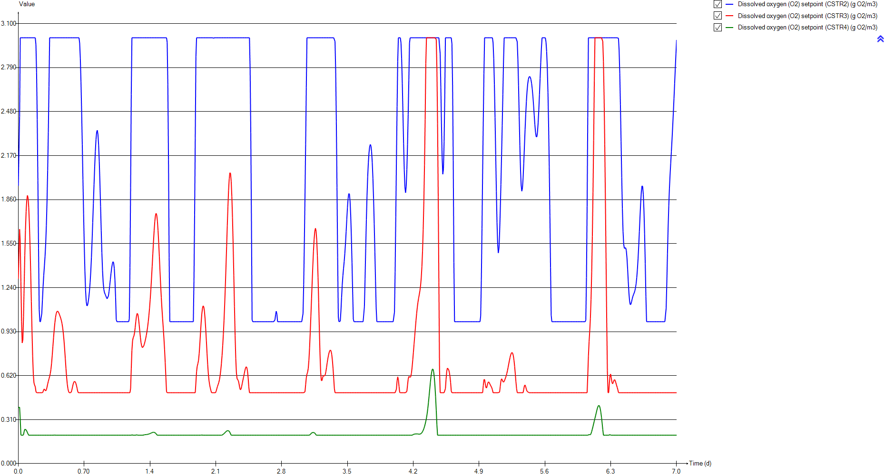
DO
Time | Dissolved oxygen (O2) setpoint (CSTR2) | Dissolved oxygen (O2) setpoint (CSTR3) | Dissolved oxygen (O2) setpoint (CSTR4)
d | g O2/m3 | g O2/m3 | g O2/m3
0 | 1.9577921204 | 1.3023352042 | 0.39500441693
0.0069444444444 | 1.9577921204 | 1.3023352042 | 0.39500441693
0.013888888889 | 2.4441758854 | 1.6517983384 | 0.39782991988
0.020833333333 | 3 | 1.5603919753 | 0.30916610983
0.027777777778 | 3 | 1.281541797 | 0.20211820075
0.034722222222 | 3 | 1.0036190482 | 0.2
0.041666666667 | 3 | 0.85010919823 | 0.2
0.048611111111 | 3 | 0.8732817989 | 0.2
0.055555555556 | 3 | 1.0352428654 | 0.20400811792
0.0625 | 3 | 1.2546520652 | 0.2273160751
0.069444444444 | 3 | 1.4688796836 | 0.24255194568
0.076388888889 | 3 | 1.6454539996 | 0.2441286697
0.083333333333 | 3 | 1.7755058753 | 0.23797763681
0.090277777778 | 3 | 1.8570452345 | 0.22896128627
0.097222222222 | 3 | 1.8895089089 | 0.21906825121
0.10416666667 | 3 | 1.8725755615 | 0.20868869562
0.11111111111 | 3 | 1.8065491758 | 0.2
0.11805555556 | 3 | 1.6933967891 | 0.2
0.125 | 3 | 1.5381140295 | 0.2
0.13194444444 | 3 | 1.3498325996 | 0.2
0.13888888889 | 3 | 1.1427132906 | 0.2
0.14583333333 | 3 | 0.93675129319 | 0.2
0.15277777778 | 3 | 0.75753586569 | 0.2
0.15972222222 | 3 | 0.63122703001 | 0.2
0.16666666667 | 3 | 0.56949066826 | 0.2
0.17361111111 | 3 | 0.55295400461 | 0.2
0.18055555556 | 3 | 0.5420667094 | 0.2
0.1875 | 2.9519966173 | 0.50923089374 | 0.2
0.19444444444 | 2.755253195 | 0.5 | 0.2
0.20138888889 | 2.4244874616 | 0.5 | 0.2
0.20833333333 | 1.9926296702 | 0.5 | 0.2
0.21527777778 | 1.5168302733 | 0.5 | 0.2
0.22222222222 | 1.0868048344 | 0.5 | 0.2
0.22916666667 | 1 | 0.5 | 0.2
0.23611111111 | 1 | 0.5 | 0.2
0.24305555556 | 1 | 0.5 | 0.2
0.25 | 1.0577679526 | 0.5 | 0.2
0.25694444444 | 1.1527265672 | 0.5 | 0.2
0.26388888889 | 1.2479643842 | 0.50754436132 | 0.2
0.27083333333 | 1.3268544336 | 0.52260184394 | 0.2
0.27777777778 | 1.3929302764 | 0.52582325965 | 0.2
0.28472222222 | 1.4617988125 | 0.51799996138 | 0.2
0.29166666667 | 1.5519013207 | 0.51274205381 | 0.2
0.29861111111 | 1.677680676 | 0.52023145753 | 0.2
0.30555555556 | 1.8478505096 | 0.5390694028 | 0.2
0.3125 | 2.0664032322 | 0.5611765854 | 0.2
0.31944444444 | 2.3352204844 | 0.580703432 | 0.2
0.32638888889 | 2.6564936471 | 0.59733180328 | 0.2
0.33333333333 | 3 | 0.61421629791 | 0.2
...

SNH
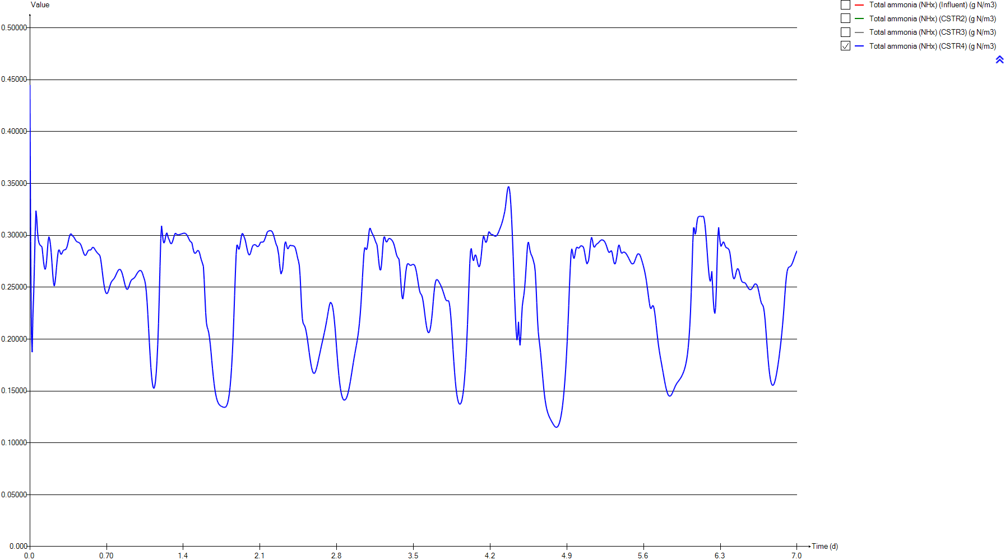
SNH
Time | Total ammonia (NHx) (Influent) | Total ammonia (NHx) (CSTR2) | Total ammonia (NHx) (CSTR3) | Total ammonia (NHx) (CSTR4)
d | g N/m3 | g N/m3 | g N/m3 | g N/m3
0 | 54.158651163 | 5.4280653593 | 2.4372485027 | 0.44493919505
0.0069444444444 | 54.158651163 | 5.4564598202 | 1.7888789986 | 0.29380979083
0.013888888889 | 53.007348837 | 5.6083964514 | 1.3555214945 | 0.20399371035
0.020833333333 | 51.883883721 | 5.7984109229 | 1.1768305815 | 0.18739809121
0.027777777778 | 50.786860465 | 6.0348522963 | 1.1864441522 | 0.2228957985
0.034722222222 | 49.714395349 | 6.2697970767 | 1.3186252681 | 0.24352863203
0.041666666667 | 48.664744186 | 6.4761932983 | 1.501803862 | 0.27231429897
0.048611111111 | 47.637069767 | 6.6409713566 | 1.6460865084 | 0.30357524878
0.055555555556 | 46.631651163 | 6.759441666 | 1.7085947372 | 0.32371690947
0.0625 | 45.649953488 | 6.8314335988 | 1.7084740893 | 0.3165365082
0.069444444444 | 44.694069767 | 6.859100846 | 1.6761064953 | 0.30385709842
0.076388888889 | 43.766581395 | 6.8465425445 | 1.6306826408 | 0.29611334461
0.083333333333 | 42.870348837 | 6.7990644532 | 1.5806070302 | 0.29263247994
0.090277777778 | 42.008162791 | 6.7223605713 | 1.5290851333 | 0.29103608713
0.097222222222 | 41.183023256 | 6.6219182233 | 1.4776657394 | 0.29008298888
0.10416666667 | 40.398069767 | 6.5027905489 | 1.4278144429 | 0.28964879775
0.11111111111 | 39.656232558 | 6.369539661 | 1.3815237207 | 0.28851642288
0.11805555556 | 38.96044186 | 6.2261079704 | 1.341508473 | 0.28142138834
0.125 | 38.313976744 | 6.0758986221 | 1.3112690092 | 0.2743219534
0.13194444444 | 37.719837209 | 5.9220748645 | 1.2953003918 | 0.26917052098
0.13888888889 | 37.178581395 | 5.7675600201 | 1.299075971 | 0.26709367711
0.14583333333 | 36.686860465 | 5.6149704105 | 1.3279250243 | 0.26908858833
0.15277777778 | 36.232953488 | 5.4664535129 | 1.3822093776 | 0.27565277333
0.15972222222 | 35.791534884 | 5.3233429907 | 1.4473494604 | 0.2855723856
0.16666666667 | 35.314953488 | 5.1855949677 | 1.4924465142 | 0.29477924551
0.17361111111 | 34.716976744 | 5.0508507968 | 1.4976111831 | 0.29868570754
0.18055555556 | 33.891906977 | 4.9134804051 | 1.4750134286 | 0.29637312319
0.1875 | 33.205325581 | 4.7748187628 | 1.4530592348 | 0.29121128171
0.19444444444 | 32.612511628 | 4.6506937079 | 1.4147201576 | 0.28369045864
0.20138888889 | 32.166069767 | 4.5590669826 | 1.3649033747 | 0.27360474055
0.20833333333 | 31.917348837 | 4.5237628572 | 1.3194895492 | 0.26287811266
0.21527777778 | 31.879255814 | 4.5767467022 | 1.2943675482 | 0.25438552022
0.22222222222 | 32.003790698 | 4.7463981381 | 1.3055308176 | 0.25106441461
0.22916666667 | 32.215186047 | 4.8954080143 | 1.3467516727 | 0.25412870792
0.23611111111 | 32.478 | 4.9973391402 | 1.3976437936 | 0.26110220359
0.24305555556 | 32.767186047 | 5.0736611756 | 1.4469313333 | 0.2693024922
0.25 | 33.071162791 | 5.1094906553 | 1.487927402 | 0.27711112956
0.25694444444 | 33.428023256 | 5.1074598502 | 1.5152284302 | 0.28321000742
0.26388888889 | 33.872302326 | 5.0880747144 | 1.5219965764 | 0.28619667473
0.27083333333 | 34.427093023 | 5.0717005525 | 1.5091587361 | 0.28543015768
0.27777777778 | 35.111930233 | 5.0706951052 | 1.4968821292 | 0.2829325252
0.28472222222 | 35.890186047 | 5.0883760954 | 1.4980331753 | 0.28158654502
0.29166666667 | 36.711209302 | 5.1214484266 | 1.5093649716 | 0.28238603886
0.29861111111 | 37.535860465 | 5.1639738642 | 1.5195137763 | 0.28420079907
0.30555555556 | 38.362534884 | 5.2108738732 | 1.5219199846 | 0.28551942061
0.3125 | 39.191093023 | 5.2598454564 | 1.5188402809 | 0.28589596545
0.31944444444 | 40.017069767 | 5.3109026723 | 1.5157486028 | 0.28590464477
0.32638888889 | 40.779139535 | 5.3647592534 | 1.5159993724 | 0.28630479213
0.33333333333 | 41.397069767 | 5.4238612389 | 1.519631785 | 0.28742907758
...

PE
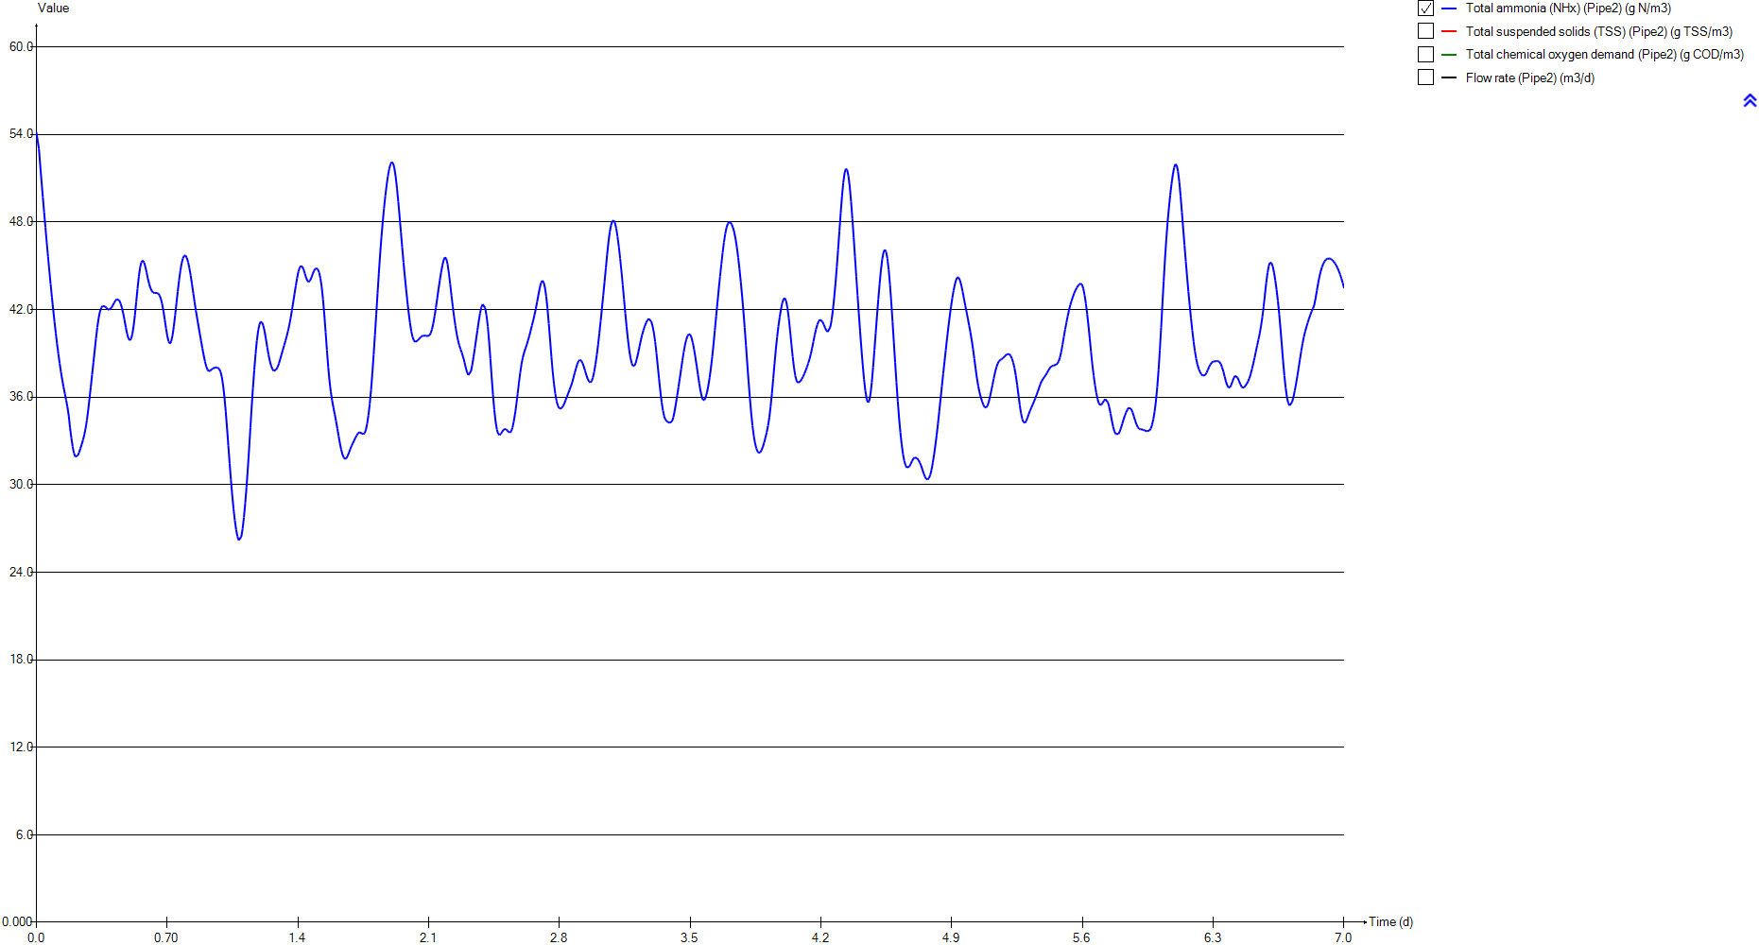
PE
Time | Total ammonia (NHx) (Pipe2) | Total suspended solids (TSS) (Pipe2) | Total chemical oxygen demand (Pipe2) | Flow rate (Pipe2)
d | g N/m3 | g TSS/m3 | g COD/m3 | m3/d
0 | 54.158651163 | 73.913358302 | 268.95597703 | 23479.368311
0.0069444444444 | 54.158651163 | 73.913358302 | 268.95597703 | 23479.368311
0.013888888889 | 53.007348837 | 73.65260151 | 268.0194949 | 23662.557328
0.020833333333 | 51.883883721 | 73.432636064 | 267.22944179 | 23845.09749
0.027777777778 | 50.786860465 | 73.250899446 | 266.57664805 | 24026.804488
0.034722222222 | 49.714395349 | 73.104287238 | 266.04998894 | 24207.302717
0.041666666667 | 48.664744186 | 72.989880274 | 265.63899771 | 24386.313763
0.048611111111 | 47.637069767 | 72.903852754 | 265.32994446 | 24563.468552
0.055555555556 | 46.631651163 | 72.842926801 | 265.11106256 | 24738.492735
0.0625 | 45.649953488 | 72.804735524 | 264.97385453 | 24911.106054
0.069444444444 | 44.694069767 | 72.78709508 | 264.91047788 | 25081.125324
0.076388888889 | 43.766581395 | 72.787822517 | 264.91309135 | 25247.976432
0.083333333333 | 42.870348837 | 72.804735524 | 264.97385453 | 25411.672961
0.090277777778 | 42.008162791 | 72.837107122 | 265.0901546 | 25571.728776
0.097222222222 | 41.183023256 | 72.885483804 | 265.26395289 | 25727.941951
0.10416666667 | 40.398069767 | 72.951685701 | 265.50178518 | 25880.003046
0.11111111111 | 39.656232558 | 73.039170726 | 265.81606896 | 26027.589925
0.11805555556 | 38.96044186 | 73.152853408 | 266.22445102 | 26170.466706
0.125 | 38.313976744 | 73.297650657 | 266.74458145 | 26308.201198
0.13194444444 | 37.719837209 | 73.480665797 | 267.40195628 | 26440.63731
0.13888888889 | 37.178581395 | 73.709371397 | 268.22338587 | 26567.419659
0.14583333333 | 36.686860465 | 73.993431203 | 269.24353309 | 26688.175105
0.15277777778 | 36.232953488 | 74.344704527 | 270.50491931 | 26802.708174
0.15972222222 | 35.791534884 | 74.77524962 | 272.05074261 | 26910.625381
0.16666666667 | 35.314953488 | 75.287494198 | 273.88958364 | 27011.706882
0.17361111111 | 34.716976744 | 75.843981192 | 275.88685707 | 27106.148534
0.18055555556 | 33.891906977 | 76.304062606 | 277.53781886 | 27194.876141
0.1875 | 33.205325581 | 76.337047469 | 277.65617155 | 27280.349597
0.19444444444 | 32.612511628 | 76.237001426 | 277.29719287 | 27360.045648
0.20138888889 | 32.166069767 | 76.031460766 | 276.55964437 | 27433.751539
0.20833333333 | 31.917348837 | 75.756534215 | 275.57303006 | 27500.98618
0.21527777778 | 31.879255814 | 75.446497963 | 274.46030124 | 27561.279397
0.22222222222 | 32.003790698 | 75.107562811 | 273.24371005 | 27614.678637
0.22916666667 | 32.215186047 | 74.736104662 | 271.91020708 | 27661.114809
0.23611111111 | 32.478 | 74.366365719 | 270.58269714 | 27700.015163
0.24305555556 | 32.767186047 | 74.049120484 | 269.44351829 | 27731.159606
0.25 | 33.071162791 | 73.797077314 | 268.53837637 | 27754.343177
0.25694444444 | 33.428023256 | 73.586372365 | 267.78162536 | 27769.65945
0.26388888889 | 33.872302326 | 73.390247311 | 267.07718623 | 27777.324584
0.27083333333 | 34.427093023 | 73.201057155 | 266.39760815 | 27777.497349
0.27777777778 | 35.111930233 | 73.015707565 | 265.73178019 | 27770.201722
0.28472222222 | 35.890186047 | 72.836561528 | 265.08819448 | 27755.319391
0.29166666667 | 36.711209302 | 72.68598431 | 264.54721037 | 27732.960735
0.29861111111 | 37.535860465 | 72.568332391 | 264.12449754 | 27702.894151
0.30555555556 | 38.362534884 | 72.507782099 | 263.90693869 | 27665.119072
0.3125 | 39.191093023 | 72.500327107 | 263.88015237 | 27619.76735
0.31944444444 | 40.017069767 | 72.534511242 | 264.00297782 | 27567.03165
0.32638888889 | 40.779139535 | 72.610155171 | 264.27476512 | 27507.013446
0.33333333333 | 41.397069767 | 72.733992992 | 264.71969608 | 27439.856892
...

Biomass
...
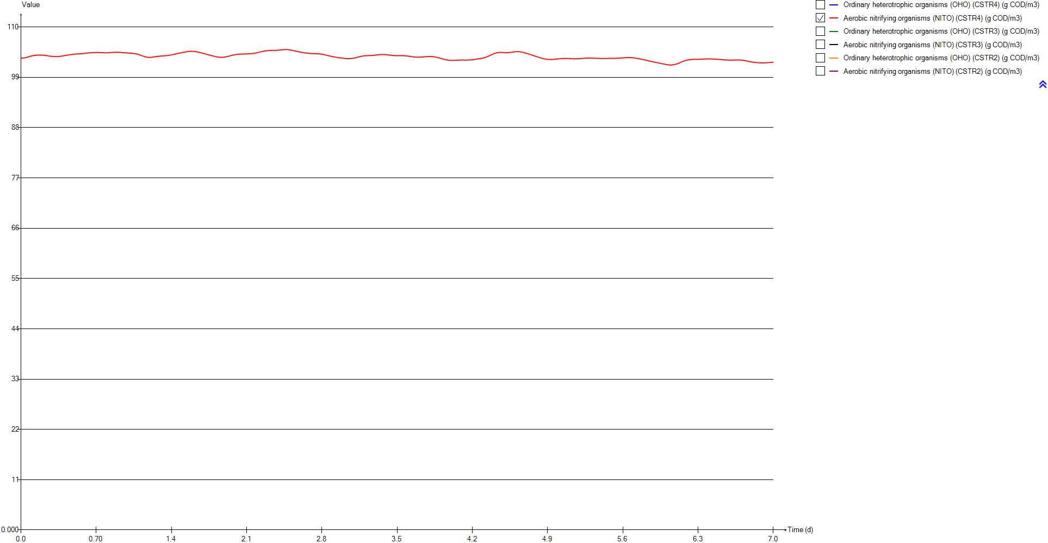
Aerobic nitrifying organisms (NITO) (CSTR4) | Ordinary heterotrophic organisms (OHO) (CSTR3) | Aerobic nitrifying organisms (NITO) (CSTR3) | Ordinary heterotrophic organisms (OHO) (CSTR2) | Aerobic nitrifying organisms (NITO) (CSTR2)
g COD/m3 | g COD/m3 | g COD/m3 | g COD/m3 | g COD/m3
103.18257632 | 1023.137875 | 102.9516642 | 1022.1637897 | 102.46578608
103.20595648 | 1023.2671442 | 103.08257754 | 1022.1761931 | 102.4899941
103.21547027 | 1023.4030184 | 103.18115451 | 1022.1919173 | 102.52669266
103.21859241 | 1023.4978549 | 103.24358266 | 1022.2100023 | 102.57008791
103.22687843 | 1023.5540291 | 103.28292048 | 1022.2220987 | 102.60446046
103.24757731 | 1023.5768659 | 103.30927974 | 1022.2287988 | 102.63222321
103.27595982 | 1023.5784883 | 103.33213196 | 1022.2331062 | 102.65564187
103.31218168 | 1023.5793447 | 103.36445075 | 1022.237773 | 102.67666704
103.35638137 | 1023.5928445 | 103.41114046 | 1022.2450147 | 102.6969838
103.40784711 | 1023.6185134 | 103.46615296 | 1022.2566878 | 102.71807261
103.46061057 | 1023.6512362 | 103.52223202 | 1022.2745127 | 102.74108433
103.51175573 | 1023.6875779 | 103.57507607 | 1022.2996015 | 102.7666079
103.5604789 | 1023.7263886 | 103.62301232 | 1022.3322781 | 102.79470831
103.60627817 | 1023.7677537 | 103.66568668 | 1022.372318 | 102.82509674
103.64862578 | 1023.8120966 | 103.70321623 | 1022.4192938 | 102.85726837
103.68707422 | 1023.8597865 | 103.73578164 | 1022.4728245 | 102.8905962
103.72150564 | 1023.9109953 | 103.76345427 | 1022.5327152 | 102.92440091
103.7522829 | 1023.9656458 | 103.78613566 | 1022.5990969 | 102.95802059
103.77843287 | 1024.0234565 | 103.80354118 | 1022.6725122 | 102.99084157
103.79996132 | 1024.0838194 | 103.81516882 | 1022.753746 | 103.02227572
103.81708603 | 1024.1457943 | 103.82030712 | 1022.8437438 | 103.05179092
103.83007239 | 1024.2082423 | 103.8182448 | 1022.9435852 | 103.07893909
103.83927307 | 1024.2710819 | 103.80915763 | 1023.0545051 | 103.10336962
103.84527784 | 1024.3378764 | 103.79596956 | 1023.1779422 | 103.12483732
103.84901521 | 1024.4179449 | 103.78457569 | 1023.3155257 | 103.14321006
103.8512519 | 1024.5201741 | 103.77860325 | 1023.4688028 | 103.15847354
103.8519098 | 1024.6455351 | 103.77535754 | 1023.6382836 | 103.17069587
103.85011903 | 1024.7876676 | 103.7689304 | 1023.8200918 | 103.17895248
103.8456135 | 1024.9479732 | 103.76223865 | 1024.006447 | 103.18022662
103.83819521 | 1025.1247177 | 103.75409871 | 1024.1901761 | 103.17155592
103.82734504 | 1025.3119747 | 103.74153213 | 1024.3642518 | 103.14923217
103.81257187 | 1025.502883 | 103.72191345 | 1024.52086 | 103.10823602
103.79368344 | 1025.6902197 | 103.69295 | 1024.6516368 | 103.04430047
103.77111658 | 1025.8719476 | 103.65700853 | 1024.7816215 | 102.98644562
103.7461261 | 1026.0515776 | 103.61919264 | 1024.922171 | 102.94065213
103.71992289 | 1026.2315929 | 103.58254514 | 1025.0711499 | 102.90283309
103.69342835 | 1026.4137601 | 103.54897992 | 1025.2323929 | 102.87599625
103.66742377 | 1026.6000346 | 103.51996594 | 1025.4070173 | 102.8595556
103.64260278 | 1026.7930108 | 103.4970825 | 1025.5915307 | 102.84947256
103.61941551 | 1026.9937323 | 103.48034191 | 1025.7817538 | 102.84196524
103.59780567 | 1027.1978394 | 103.46613016 | 1025.9750616 | 102.83510333
103.57766888 | 1027.4014111 | 103.45238123 | 1026.1706889 | 102.82885452
103.55934976 | 1027.6048387 | 103.44020104 | 1026.3691054 | 102.82435658
103.54358297 | 1027.8116921 | 103.43221826 | 1026.5711977 | 102.82299097
103.53107065 | 1028.0246609 | 103.43000868 | 1026.7777648 | 102.8257326
103.5222307 | 1028.24369 | 103.43334138 | 1026.9892518 | 102.8328915
103.51723258 | 1028.4671901 | 103.44125894 | 1027.2057118 | 102.84425792
103.51619175 | 1028.6938105 | 103.45313972 | 1027.4268937 | 102.85933206
103.51924642 | 1028.923231 | 103.46884574 | 1027.6521444 | 102.87687099
...

TSS
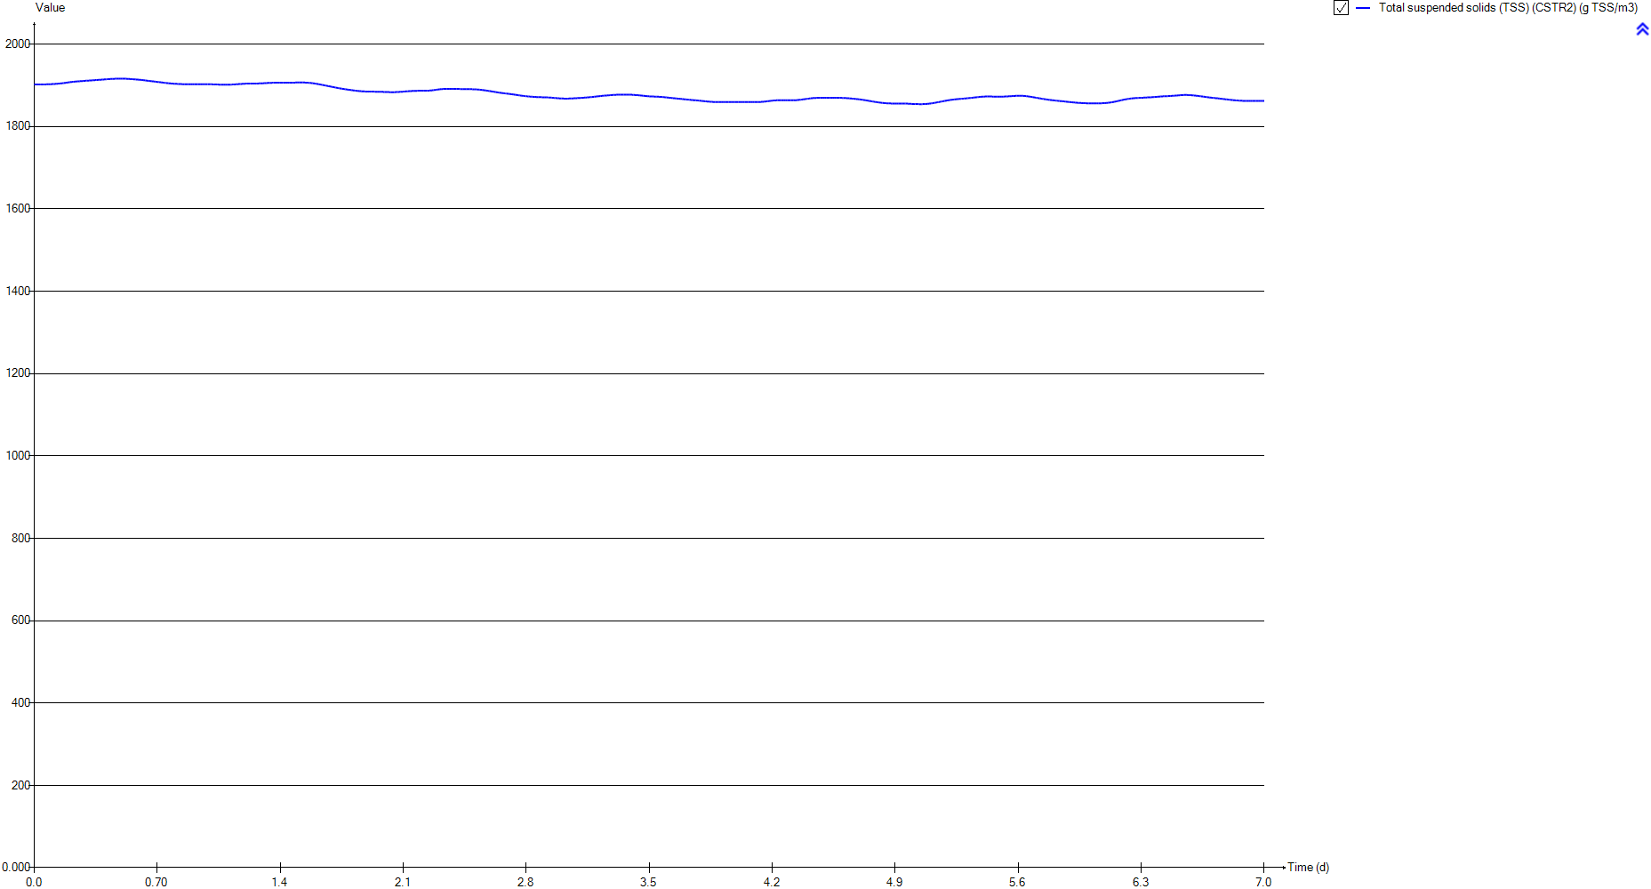
TSS
Time | Total suspended solids (TSS) (CSTR2)
d | g TSS/m3
0 | 1902.2624182
0.0069444444444 | 1902.2637765
0.013888888889 | 1902.2560718
0.020833333333 | 1902.2477507
0.027777777778 | 1902.2356886
0.034722222222 | 1902.2274754
0.041666666667 | 1902.2297935
0.048611111111 | 1902.2470222
0.055555555556 | 1902.2819513
0.0625 | 1902.3360918
0.069444444444 | 1902.409937
0.076388888889 | 1902.5032542
0.083333333333 | 1902.6154768
0.090277777778 | 1902.7459214
0.097222222222 | 1902.8939644
0.10416666667 | 1903.0591334
0.11111111111 | 1903.2411801
0.11805555556 | 1903.4401831
0.125 | 1903.6565024
0.13194444444 | 1903.8908783
0.13888888889 | 1904.1446059
0.14583333333 | 1904.4196294
0.15277777778 | 1904.7186652
0.15972222222 | 1905.0453076
0.16666666667 | 1905.4037797
0.17361111111 | 1905.7976244
0.18055555556 | 1906.2261488
0.1875 | 1906.6750447
0.19444444444 | 1907.1224809
0.20138888889 | 1907.551229
0.20833333333 | 1907.948234
0.21527777778 | 1908.3039237
0.22222222222 | 1908.6128779
0.22916666667 | 1908.8953516
0.23611111111 | 1909.1606168
0.24305555556 | 1909.409756
0.25 | 1909.6496105
0.25694444444 | 1909.8857024
0.26388888889 | 1910.1187633
0.27083333333 | 1910.347154
0.27777777778 | 1910.5691619
0.28472222222 | 1910.7839558
0.29166666667 | 1910.9920352
0.29861111111 | 1911.1949845
0.30555555556 | 1911.3952385
0.3125 | 1911.5955635
0.31944444444 | 1911.7982441
0.32638888889 | 1912.0048816
0.33333333333 | 1912.216408
...

Influent
...
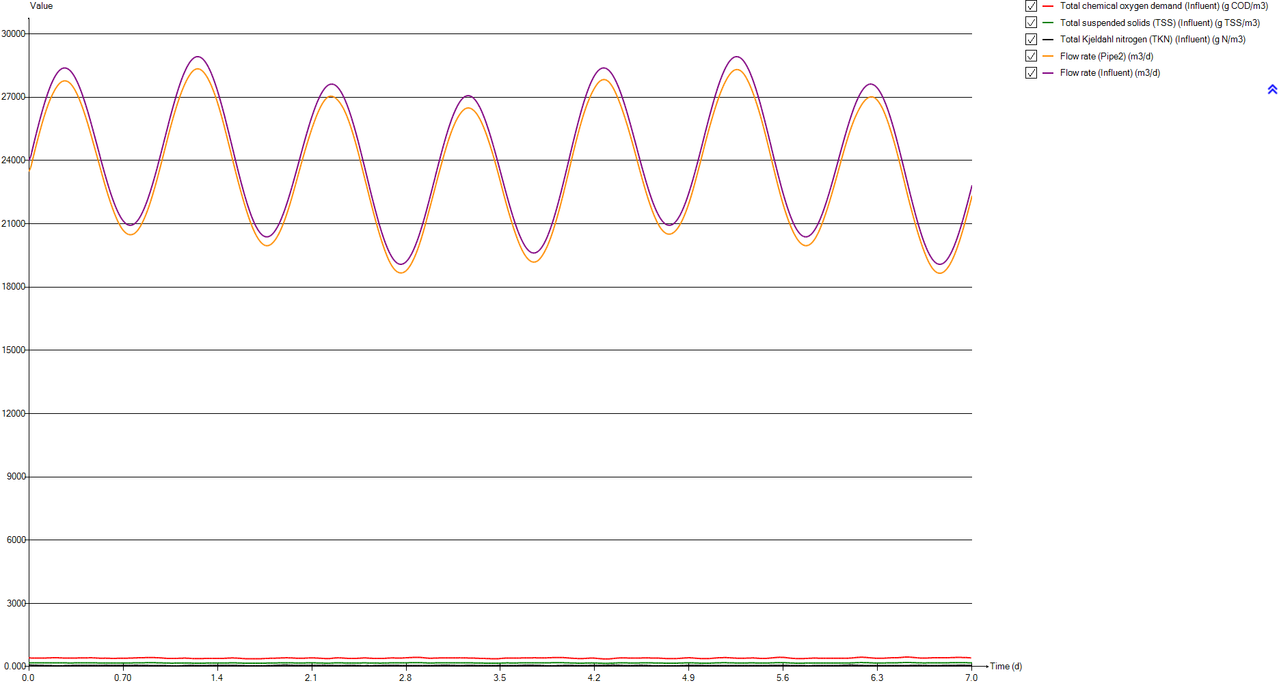
Total chemical oxygen demand (Influent) | Total suspended solids (TSS) (Influent) | Total Kjeldahl nitrogen (TKN) (Influent) | Flow rate (Pipe2) | Flow rate (Influent)
g COD/m3 | g TSS/m3 | g N/m3 | m3/d | m3/d
414.968 | 180.77489195 | 77.6274 | 23479.368311 | 24000
414.968 | 180.77489195 | 77.6274 | 23479.368311 | 24000
413.535 | 180.15092841 | 75.9772 | 23662.557328 | 24185.4
412.326 | 179.6245 | 74.3669 | 23845.09749 | 24370.4
411.327 | 179.18951076 | 72.7945 | 24026.804488 | 24554.8
410.521 | 178.83855849 | 71.2573 | 24207.302717 | 24738.2
409.892 | 178.56467638 | 69.7528 | 24386.313763 | 24920.3
409.419 | 178.35872052 | 68.2798 | 24563.468552 | 25100.7
409.084 | 178.21285325 | 66.8387 | 24738.492735 | 25279.1
408.874 | 178.12141408 | 65.4316 | 24911.106054 | 25455.2
408.777 | 178.07917788 | 64.0615 | 25081.125324 | 25628.8
408.781 | 178.08091958 | 62.7321 | 25247.976432 | 25799.3
408.874 | 178.12141408 | 61.4475 | 25411.672961 | 25966.7
409.052 | 178.19891967 | 60.2117 | 25571.728776 | 26130.5
409.318 | 178.31474262 | 59.029 | 25727.941951 | 26290.5
409.682 | 178.4732372 | 57.9039 | 25880.003046 | 26446.4
410.163 | 178.68267646 | 56.8406 | 26027.589925 | 26597.9
410.788 | 178.95481687 | 55.8433 | 26170.466706 | 26744.8
411.584 | 179.3014149 | 54.9167 | 26308.201198 | 26886.7
412.59 | 179.73945211 | 54.0651 | 26440.63731 | 27023.5
413.847 | 180.2867809 | 53.2893 | 26567.419659 | 27154.9
415.408 | 180.9664788 | 52.5845 | 26688.175105 | 27280.6
417.338 | 181.80684839 | 51.9339 | 26802.708174 | 27400.5
419.703 | 182.83662771 | 51.3012 | 26910.625381 | 27514.3
422.516 | 184.06147727 | 50.6181 | 27011.706882 | 27621.8
425.571 | 185.39169961 | 49.761 | 27106.148534 | 27722.9
428.096 | 186.49114687 | 48.5784 | 27194.876141 | 27817.4
428.277 | 186.56995873 | 47.5943 | 27280.349597 | 27905.1
427.728 | 186.3309106 | 46.7446 | 27360.045648 | 27985.8
426.6 | 185.83975158 | 46.1047 | 27433.751539 | 28059.5
425.091 | 185.18269577 | 45.7482 | 27500.98618 | 28126
423.389 | 184.441603 | 45.6936 | 27561.279397 | 28185.1
421.528 | 183.63127771 | 45.8721 | 27614.678637 | 28236.9
419.488 | 182.74301141 | 46.1751 | 27661.114809 | 28281.3
417.457 | 181.85866392 | 46.5518 | 27700.015163 | 28318
415.714 | 181.09971874 | 46.9663 | 27731.159606 | 28347.2
414.329 | 180.49665559 | 47.402 | 27754.343177 | 28368.8
413.171 | 179.99243384 | 47.9135 | 27769.65945 | 28382.7
412.093 | 179.52304605 | 48.5503 | 27777.324584 | 28388.9
411.053 | 179.07020441 | 49.3455 | 27777.497349 | 28387.5
410.034 | 178.62650668 | 50.3271 | 27770.201722 | 28378.5
409.049 | 178.19761339 | 51.4426 | 27755.319391 | 28361.8
408.221 | 177.83708177 | 52.6194 | 27732.960735 | 28337.7
407.574 | 177.55536202 | 53.8014 | 27702.894151 | 28306
407.241 | 177.41036561 | 54.9863 | 27665.119072 | 28266.9
407.2 | 177.3925132 | 56.1739 | 27619.76735 | 28220.5
407.388 | 177.47437303 | 57.3578 | 27567.03165 | 28166.9
407.804 | 177.65550969 | 58.4501 | 27507.013446 | 28106.2
408.485 | 177.95203388 | 59.3358 | 27439.856892 | 28038.6
...

Timechart

Timechart
Time | Flow rate (Pipe11) | Flow rate (Pipe13)
d | m3/d | m3/d
0 | 24000 | 600
0.0069444444444 | 24000 | 600
0.013888888889 | 24000 | 600
0.020833333333 | 24000 | 600
0.027777777778 | 24000 | 600
0.034722222222 | 24000 | 600
0.041666666667 | 24000 | 600
0.048611111111 | 24000 | 600
0.055555555556 | 24000 | 600
0.0625 | 24000 | 600
0.069444444444 | 24000 | 600
0.076388888889 | 24000 | 600
0.083333333333 | 24000 | 600
0.090277777778 | 24000 | 600
0.097222222222 | 24000 | 600
0.10416666667 | 24000 | 600
0.11111111111 | 24000 | 600
0.11805555556 | 24000 | 600
0.125 | 24000 | 600
0.13194444444 | 24000 | 600
0.13888888889 | 24000 | 600
0.14583333333 | 24000 | 600
0.15277777778 | 24000 | 600
0.15972222222 | 24000 | 600
0.16666666667 | 24000 | 600
0.17361111111 | 24000 | 600
0.18055555556 | 24000 | 600
0.1875 | 24000 | 600
0.19444444444 | 24000 | 600
0.20138888889 | 24000 | 600
0.20833333333 | 24000 | 600
0.21527777778 | 24000 | 600
0.22222222222 | 24000 | 600
0.22916666667 | 24000 | 600
0.23611111111 | 24000 | 600
0.24305555556 | 24000 | 600
0.25 | 24000 | 600
0.25694444444 | 24000 | 600
0.26388888889 | 24000 | 600
0.27083333333 | 24000 | 600
0.27777777778 | 24000 | 600
0.28472222222 | 24000 | 600
0.29166666667 | 24000 | 600
0.29861111111 | 24000 | 600
0.30555555556 | 24000 | 600
0.3125 | 24000 | 600
0.31944444444 | 24000 | 600
0.32638888889 | 24000 | 600
0.33333333333 | 24000 | 600
...

Primary

Unit overview

Name: | Primary
Sumo name: | Primary1
Category: | Separators
Unit: | Primary
Type: | Volumeless primary with specified primary sludge concentration

Settings

 | Process settings
Symbol | Name | Value | Unit | Comment
fXTSS,sludge | Solids percent removal | 60 | %
XTSS,sludge,target | Sludge solids concentration | 5000 | g/m3
...

CSTR
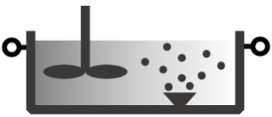
Unit overview

Name: | CSTR
Sumo name: | CSTR1
Category: | Bioreactors
Unit: | CSTR
Type: | CSTR with diffused aeration and input DO

Settings

 | Reactor settings
Symbol | Name | Value | Unit | Comment
L.Vtrain | Volume per train | 2000 | m3
Ntrain | Number of trains | 1
...

CSTR2
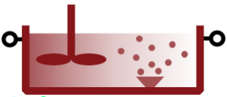
Unit overview

Name: | CSTR2
Sumo name: | CSTR2
Category: | Bioreactors
Unit: | CSTR
Type: | CSTR with diffused aeration and input DO

Settings

 | Reactor settings
Symbol | Name | Value | Unit | Comment
L.Vtrain | Volume per train | 2000 | m3
Ntrain | Number of trains | 1
...

Clarifier

Unit overview

Name: | Clarifier
Sumo name: | Clarifier1
Category: | Separators
Unit: | Clarifier
Type: | Volumeless clarifier with fixed effluent solids

Settings

 | Process settings
Symbol | Name | Value | Unit | Comment
Qsludge,target | Sludge flow | 24000 | m3/d
XTSS,eff,target | Effluent solids | 10 | g/m3
...

PID controller

Unit overview

Name: | PID controller
Sumo name: | PIDcontroller1
Category: | Controllers
Unit: | PID controller
Type: | PID controller

Settings

 | Controller parameters
Symbol | Name | Value | Unit | Comment
MV,0 | Initial value of the manipulated variable | 0.3 | g O2/m3
MVmin | Minimum of the manipulated variable | 0.5 | g O2/m3
MVmax | Maximum of the manipulated variable | 3 | g O2/m3
...

