SRT
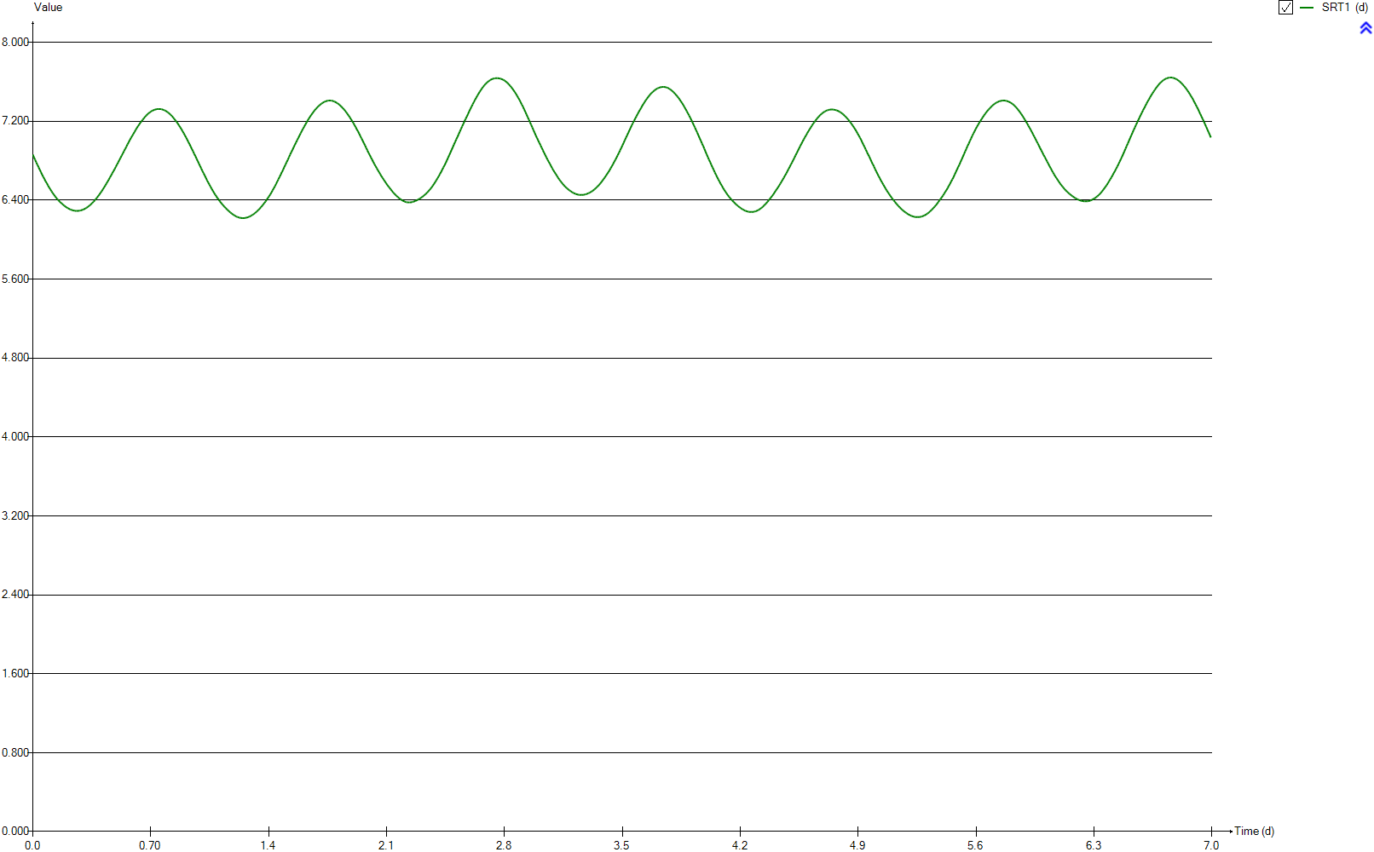
SRT
Time | SRT1
d | d
0 | 6.8615988469
0.0069444444444 | 6.8362710612
0.013888888889 | 6.810012338
0.020833333333 | 6.7837817188
0.027777777778 | 6.7581189219
0.034722222222 | 6.7339734313
0.041666666667 | 6.7096768351
0.048611111111 | 6.6837164371
0.055555555556 | 6.6594022298
0.0625 | 6.6366058946
0.069444444444 | 6.6139319605
0.076388888889 | 6.5912760814
0.083333333333 | 6.5724594867
0.090277777778 | 6.5500261787
0.097222222222 | 6.5292168066
0.10416666667 | 6.5100076328
0.11111111111 | 6.4910269057
0.11805555556 | 6.4733661156
0.125 | 6.4573946029
0.13194444444 | 6.4404969553
0.13888888889 | 6.4249955555
0.14583333333 | 6.4109381101
0.15277777778 | 6.3989326855
0.15972222222 | 6.3855590227
0.16666666667 | 6.3740218629
0.17361111111 | 6.3644416483
0.18055555556 | 6.3529358936
0.1875 | 6.3438637593
0.19444444444 | 6.3344221886
0.20138888889 | 6.3264929953
0.20833333333 | 6.3193001781
0.21527777778 | 6.3120954175
0.22222222222 | 6.3064429964
0.22916666667 | 6.3020498177
0.23611111111 | 6.2980234433
0.24305555556 | 6.2949704186
0.25 | 6.2927805464
0.25694444444 | 6.2916626881
0.26388888889 | 6.2914262552
0.27083333333 | 6.2921609666
0.27777777778 | 6.2937062685
0.28472222222 | 6.2963801389
0.29166666667 | 6.2992073905
0.29861111111 | 6.303898963
0.30555555556 | 6.3096858517
0.3125 | 6.3159173705
0.31944444444 | 6.3232996426
0.32638888889 | 6.3316022103
0.33333333333 | 6.3407708626
0.34027777778 | 6.3506849753
0.34722222222 | 6.3607447967
0.35416666667 | 6.3727044057
0.36111111111 | 6.3848180764
0.36805555556 | 6.3979841164
0.375 | 6.4127678996
0.38194444444 | 6.4268006875
0.38888888889 | 6.4427453901
0.39583333333 | 6.4575284222
0.40277777778 | 6.4756278249
0.40972222222 | 6.492063862
0.41666666667 | 6.5103695043
0.42361111111 | 6.5299713561
0.43055555556 | 6.5489243877
0.4375 | 6.5689344669
0.44444444444 | 6.5885741823
0.45138888889 | 6.6089072274
0.45833333333 | 6.630485196
0.46527777778 | 6.6510008667
0.47222222222 | 6.6731631695
0.47916666667 | 6.694646593
0.48611111111 | 6.7148968412
0.49305555556 | 6.739173172
0.5 | 6.7602899505
0.50694444444 | 6.78261275
0.51388888889 | 6.8062936505
0.52083333333 | 6.8284389505
0.52777777778 | 6.850914007
0.53472222222 | 6.8747390292
0.54166666667 | 6.8961548248
0.54861111111 | 6.9200042065
0.55555555556 | 6.9407041722
0.5625 | 6.966055107
0.56944444444 | 6.9866782811
0.57638888889 | 7.0099757453
0.58333333333 | 7.0323120706
0.59027777778 | 7.0511602496
0.59722222222 | 7.0711792884
0.60416666667 | 7.0922534782
0.61111111111 | 7.1126655849
0.61805555556 | 7.1323786401
0.625 | 7.1504801168
0.63194444444 | 7.1678575397
0.63888888889 | 7.1853411949
0.64583333333 | 7.2004383751
0.65277777778 | 7.2153366271
0.65972222222 | 7.2307588728
0.66666666667 | 7.245151407
0.67361111111 | 7.2575819145
0.68055555556 | 7.2700053397
0.6875 | 7.2805875218
0.69444444444 | 7.2898428278
0.70138888889 | 7.2982971167
0.70833333333 | 7.3054195146
0.71527777778 | 7.3115545744
0.72222222222 | 7.3165569109
0.72916666667 | 7.3202043552
0.73611111111 | 7.3228069223
0.74305555556 | 7.3242413455
0.75 | 7.3246772784
0.75694444444 | 7.3240247145
0.76388888889 | 7.322226149
0.77083333333 | 7.3191105038
0.77777777778 | 7.3145296724
0.78472222222 | 7.3092551514
0.79166666667 | 7.302089554
0.79861111111 | 7.2947291991
0.80555555556 | 7.285470331
0.8125 | 7.2759906083
0.81944444444 | 7.2642498508
0.82638888889 | 7.2523009789
0.83333333333 | 7.2380717286
0.84027777778 | 7.2230129275
0.84722222222 | 7.2075974348
0.85416666667 | 7.1928668042
0.86111111111 | 7.1764633929
0.86805555556 | 7.1569518418
0.875 | 7.1396759528
0.88194444444 | 7.1206366961
0.88888888889 | 7.1005580824
0.89583333333 | 7.0790004725
0.90277777778 | 7.0587097899
0.90972222222 | 7.0363157357
0.91666666667 | 7.0141094606
0.92361111111 | 6.9899963299
0.93055555556 | 6.96780103
0.9375 | 6.9444005181
0.94444444444 | 6.9185493128
0.95138888889 | 6.8954252273
0.95833333333 | 6.8701905892
0.96527777778 | 6.8472538269
0.97222222222 | 6.8213038351
0.97916666667 | 6.7968246758
0.98611111111 | 6.7711373232
0.99305555556 | 6.7473465948
1 | 6.7216800174
1.0069444444 | 6.6959825375
1.0138888889 | 6.673319005
1.0208333333 | 6.6494506869
1.0277777778 | 6.6253926168
1.0347222222 | 6.6007196913
1.0416666667 | 6.5787625629
1.0486111111 | 6.5579254405
1.0555555556 | 6.535190251
1.0625 | 6.514683328
1.0694444444 | 6.4935465699
1.0763888889 | 6.4737972079
1.0833333333 | 6.4552049492
1.0902777778 | 6.4380846459
1.0972222222 | 6.4196890759
1.1041666667 | 6.4038878608
1.1111111111 | 6.3873101733
1.1180555556 | 6.3724352833
1.125 | 6.3580474446
1.1319444444 | 6.3445578446
1.1388888889 | 6.3316754659
1.1458333333 | 6.3191325755
1.1527777778 | 6.3068669837
1.1597222222 | 6.2958003332
1.1666666667 | 6.2842581616
1.1736111111 | 6.2751599683
1.1805555556 | 6.2650590061
1.1875 | 6.2562074337
1.1944444444 | 6.2485208206
1.2013888889 | 6.2414153977
1.2083333333 | 6.234523766
1.2152777778 | 6.2294763941
1.2222222222 | 6.2251361519
1.2291666667 | 6.2217311213
1.2361111111 | 6.2196019429
1.2430555556 | 6.2183586484
1.25 | 6.2180958851
1.2569444444 | 6.2189711404
1.2638888889 | 6.2209285856
1.2708333333 | 6.2238906635
1.2777777778 | 6.2273809857
1.2847222222 | 6.2323415836
1.2916666667 | 6.2381411126
1.2986111111 | 6.2450356392
1.3055555556 | 6.2524173555
1.3125 | 6.2603852495
1.3194444444 | 6.2694951769
1.3263888889 | 6.2801191371
1.3333333333 | 6.2910712326
1.3402777778 | 6.3018629379
1.3472222222 | 6.3143296599
1.3541666667 | 6.3281578814
1.3611111111 | 6.3423371362
1.3680555556 | 6.35622706
1.375 | 6.3722841781
1.3819444444 | 6.3866867132
1.3888888889 | 6.4044074012
1.3958333333 | 6.4225444558
1.4027777778 | 6.4397534893
1.4097222222 | 6.4574527035
1.4166666667 | 6.4775984908
1.4236111111 | 6.4992396662
1.4305555556 | 6.5205257918
1.4375 | 6.5413382955
1.4444444444 | 6.5647081845
1.4513888889 | 6.5883773926
1.4583333333 | 6.6117200518
1.4652777778 | 6.6357309283
1.4722222222 | 6.6610442634
1.4791666667 | 6.6857143356
1.4861111111 | 6.7081546288
1.4930555556 | 6.7356470902
1.5 | 6.759191964
1.5069444444 | 6.7857774421
1.5138888889 | 6.8089327469
1.5208333333 | 6.8359780088
1.5277777778 | 6.8620991628
1.5347222222 | 6.8858829011
1.5416666667 | 6.9101912368
1.5486111111 | 6.9370839104
1.5555555556 | 6.9597504014
1.5625 | 6.9835358689
1.5694444444 | 7.0089647477
1.5763888889 | 7.0312181399
1.5833333333 | 7.0563307877
1.5902777778 | 7.0773885642
1.5972222222 | 7.1021805467
1.6041666667 | 7.1230207025
1.6111111111 | 7.1456704293
1.6180555556 | 7.1659034795
1.625 | 7.1879815108
1.6319444444 | 7.2077401078
1.6388888889 | 7.2266840101
1.6458333333 | 7.244947817
1.6527777778 | 7.263664256
1.6597222222 | 7.2797665848
1.6666666667 | 7.2958955685
1.6736111111 | 7.3114143729
1.6805555556 | 7.3252177944
1.6875 | 7.3377610573
1.6944444444 | 7.350696085
1.7013888889 | 7.3609195756
1.7083333333 | 7.3713049249
1.7152777778 | 7.3805097513
1.7222222222 | 7.3882342963
1.7291666667 | 7.3951727828
1.7361111111 | 7.4005862164
1.7430555556 | 7.4050289352
1.75 | 7.4082411687
1.7569444444 | 7.4100973427
1.7638888889 | 7.4105311056
1.7708333333 | 7.4095891371
1.7777777778 | 7.4073794977
1.7847222222 | 7.4039382732
1.7916666667 | 7.3992347492
1.7986111111 | 7.3930596009
1.8055555556 | 7.3857854287
1.8125 | 7.3775708049
1.8194444444 | 7.3685289304
1.8263888889 | 7.3577990851
1.8333333333 | 7.3460569601
1.8402777778 | 7.3338011714
1.8472222222 | 7.3200656425
1.8541666667 | 7.3067497619
1.8611111111 | 7.2906402244
1.8680555556 | 7.2741813329
1.875 | 7.2576278758
1.8819444444 | 7.2403292531
1.8888888889 | 7.2205959089
1.8958333333 | 7.2020006726
1.9027777778 | 7.1825271364
1.9097222222 | 7.1624164657
1.9166666667 | 7.1404221429
1.9236111111 | 7.1176827166
1.9305555556 | 7.0976930951
1.9375 | 7.0741571308
1.9444444444 | 7.049183154
1.9513888889 | 7.0259256521
1.9583333333 | 7.0041694671
1.9652777778 | 6.9776672285
1.9722222222 | 6.9561664288
1.9791666667 | 6.929793239
1.9861111111 | 6.9052058384
1.9930555556 | 6.881080263
2 | 6.8583755251
2.0069444444 | 6.8343921931
2.0138888889 | 6.8122304579
2.0208333333 | 6.7891736672
2.0277777778 | 6.765907225
2.0347222222 | 6.7453887792
2.0416666667 | 6.7239337763
2.0486111111 | 6.7043972084
2.0555555556 | 6.683938676
2.0625 | 6.6639073564
2.0694444444 | 6.643995582
2.0763888889 | 6.6268951801
2.0833333333 | 6.6075623306
2.0902777778 | 6.5910428053
2.0972222222 | 6.5721892377
2.1041666667 | 6.5555102646
2.1111111111 | 6.5393635092
2.1180555556 | 6.5247452756
2.125 | 6.5091945028
2.1319444444 | 6.4943862034
2.1388888889 | 6.4793094935
2.1458333333 | 6.4671585038
2.1527777778 | 6.4543597013
2.1597222222 | 6.4430212577
2.1666666667 | 6.4316833951
2.1736111111 | 6.4217645242
2.1805555556 | 6.4125108365
2.1875 | 6.4045705373
2.1944444444 | 6.3965137992
2.2013888889 | 6.390296596
2.2083333333 | 6.3852109247
2.2152777778 | 6.3811408175
2.2222222222 | 6.3784769875
2.2291666667 | 6.3769441579
2.2361111111 | 6.3767465064
2.2430555556 | 6.3777069415
2.25 | 6.3797687421
2.2569444444 | 6.3828721807
2.2638888889 | 6.3868795402
2.2708333333 | 6.3915571881
2.2777777778 | 6.3972028436
2.2847222222 | 6.4033696751
2.2916666667 | 6.4100841913
2.2986111111 | 6.4173384247
2.3055555556 | 6.4255259392
2.3125 | 6.4336796792
2.3194444444 | 6.4437400461
2.3263888889 | 6.4532168639
2.3333333333 | 6.4641192919
2.3402777778 | 6.475725178
2.3472222222 | 6.4884388946
2.3541666667 | 6.5025243663
2.3611111111 | 6.515462938
2.3680555556 | 6.530968557
2.375 | 6.548109315
2.3819444444 | 6.5652148788
2.3888888889 | 6.5839153983
2.3958333333 | 6.602786372
2.4027777778 | 6.6222473302
2.4097222222 | 6.6432772383
2.4166666667 | 6.6636534651
2.4236111111 | 6.6859189581
2.4305555556 | 6.7088957807
2.4375 | 6.7316608288
2.4444444444 | 6.7538120217
2.4513888889 | 6.7786956594
2.4583333333 | 6.8032373982
2.4652777778 | 6.8307510907
2.4722222222 | 6.8565630797
2.4791666667 | 6.8824660776
2.4861111111 | 6.9093041925
2.4930555556 | 6.936601656
2.5 | 6.963760748
2.5069444444 | 6.9896478242
2.5138888889 | 7.0164094322
2.5208333333 | 7.0399418456
2.5277777778 | 7.0682331562
2.5347222222 | 7.0936937379
2.5416666667 | 7.1206683715
2.5486111111 | 7.1469345478
2.5555555556 | 7.1719375552
2.5625 | 7.199014094
2.5694444444 | 7.2241491476
2.5763888889 | 7.2466759403
2.5833333333 | 7.2722455838
2.5902777778 | 7.2998068999
2.5972222222 | 7.3234172804
2.6041666667 | 7.3478191518
2.6111111111 | 7.3712305639
2.6180555556 | 7.3932262605
2.625 | 7.4159912925
2.6319444444 | 7.436988169
2.6388888889 | 7.4585519297
2.6458333333 | 7.4780518152
2.6527777778 | 7.4982844072
2.6597222222 | 7.5157527448
2.6666666667 | 7.5338785255
2.6736111111 | 7.5496577651
2.6805555556 | 7.5637956476
2.6875 | 7.578315111
2.6944444444 | 7.5888227205
2.7013888889 | 7.5998944334
2.7083333333 | 7.6086516116
2.7152777778 | 7.6175483559
2.7222222222 | 7.6240092917
2.7291666667 | 7.6293922106
2.7361111111 | 7.6328432156
2.7430555556 | 7.6352963215
2.75 | 7.6368033101
2.7569444444 | 7.637105244
2.7638888889 | 7.6361902957
2.7708333333 | 7.6340818375
2.7777777778 | 7.6308932273
2.7847222222 | 7.6266717334
2.7916666667 | 7.6215762066
2.7986111111 | 7.6144412732
2.8055555556 | 7.6061209044
2.8125 | 7.5965635358
2.8194444444 | 7.5857590588
2.8263888889 | 7.5729528736
2.8333333333 | 7.5598494196
2.8402777778 | 7.5454464976
2.8472222222 | 7.5299559205
2.8541666667 | 7.513665878
2.8611111111 | 7.4961082509
2.8680555556 | 7.4782597805
2.875 | 7.4575279321
2.8819444444 | 7.4385110518
2.8888888889 | 7.4161129127
2.8958333333 | 7.3946224774
2.9027777778 | 7.3700717315
2.9097222222 | 7.3473710496
2.9166666667 | 7.3216326398
2.9236111111 | 7.2958506576
2.9305555556 | 7.2702800513
2.9375 | 7.2425151321
2.9444444444 | 7.2179164536
2.9513888889 | 7.1897300795
2.9583333333 | 7.1642395371
2.9652777778 | 7.1371253256
2.9722222222 | 7.1100724986
2.9791666667 | 7.0827317145
2.9861111111 | 7.0555027576
2.9930555556 | 7.0318400055
3 | 7.0046898187
3.0069444444 | 6.9807354659
3.0138888889 | 6.9563138129
3.0208333333 | 6.9312656683
3.0277777778 | 6.9063711446
3.0347222222 | 6.8829408013
3.0416666667 | 6.8580586808
3.0486111111 | 6.8347639204
3.0555555556 | 6.8112666136
3.0625 | 6.7896277181
3.0694444444 | 6.7687696877
3.0763888889 | 6.7465887894
3.0833333333 | 6.7234437465
3.0902777778 | 6.7036376441
3.0972222222 | 6.6842233912
3.1041666667 | 6.6658141197
3.1111111111 | 6.6470302845
3.1180555556 | 6.6279712775
3.125 | 6.6105607224
3.1319444444 | 6.5947155093
3.1388888889 | 6.5794865532
3.1458333333 | 6.5647985032
3.1527777778 | 6.5510450764
3.1597222222 | 6.5389718271
3.1666666667 | 6.5271503194
3.1736111111 | 6.5165696805
3.1805555556 | 6.5062740196
3.1875 | 6.4976878923
3.1944444444 | 6.4889810741
3.2013888889 | 6.4818448177
3.2083333333 | 6.4741063294
3.2152777778 | 6.4682814704
3.2222222222 | 6.4635238479
3.2291666667 | 6.4593982656
3.2361111111 | 6.4562528148
3.2430555556 | 6.4542297437
3.25 | 6.4529070404
3.2569444444 | 6.4526622083
3.2638888889 | 6.4532595355
3.2708333333 | 6.4549907062
3.2777777778 | 6.4576201227
3.2847222222 | 6.4608601745
3.2916666667 | 6.4654015164
3.2986111111 | 6.4706425223
3.3055555556 | 6.4761252495
3.3125 | 6.4827357883
3.3194444444 | 6.490452847
3.3263888889 | 6.4981303683
3.3333333333 | 6.5085455152
3.3402777778 | 6.51876111
3.3472222222 | 6.5302474967
3.3541666667 | 6.5418085453
3.3611111111 | 6.5541283921
3.3680555556 | 6.5682089664
3.375 | 6.5831960014
3.3819444444 | 6.5986733395
3.3888888889 | 6.6150086159
3.3958333333 | 6.6311185683
3.4027777778 | 6.6482097271
3.4097222222 | 6.6672260569
3.4166666667 | 6.6835960705
3.4236111111 | 6.7038051604
3.4305555556 | 6.7241849522
3.4375 | 6.7442418913
3.4444444444 | 6.7659338689
3.4513888889 | 6.7884205083
3.4583333333 | 6.8102001989
3.4652777778 | 6.8313236349
3.4722222222 | 6.8550033354
3.4791666667 | 6.8797540893
3.4861111111 | 6.9044018973
3.4930555556 | 6.9284009574
3.5 | 6.9555106919
3.5069444444 | 6.9800592872
3.5138888889 | 7.0071051468
3.5208333333 | 7.0323448212
3.5277777778 | 7.0571131257
3.5347222222 | 7.0830282855
3.5416666667 | 7.1080302056
3.5486111111 | 7.1333160529
3.5555555556 | 7.1582910229
3.5625 | 7.1818319355
3.5694444444 | 7.2055200203
3.5763888889 | 7.2286987268
3.5833333333 | 7.2502468065
3.5902777778 | 7.2732395637
3.5972222222 | 7.2951386743
3.6041666667 | 7.3152432817
3.6111111111 | 7.3345812534
3.6180555556 | 7.3572107646
3.625 | 7.3751579002
3.6319444444 | 7.3949327113
3.6388888889 | 7.4136924436
3.6458333333 | 7.4297318952
3.6527777778 | 7.4459457606
3.6597222222 | 7.4600256366
3.6666666667 | 7.4750974215
3.6736111111 | 7.487450536
3.6805555556 | 7.4979715113
3.6875 | 7.5084947874
3.6944444444 | 7.5181404464
3.7013888889 | 7.526340199
3.7083333333 | 7.5331407526
3.7152777778 | 7.5386057602
3.7222222222 | 7.5430473726
3.7291666667 | 7.5461264293
3.7361111111 | 7.547976296
3.7430555556 | 7.5485617242
3.75 | 7.5476476825
3.7569444444 | 7.5453728322
3.7638888889 | 7.5417563632
3.7708333333 | 7.5367458113
3.7777777778 | 7.5297704858
3.7847222222 | 7.5221182794
3.7916666667 | 7.5129228846
3.7986111111 | 7.5023951921
3.8055555556 | 7.4911670994
3.8125 | 7.478298939
3.8194444444 | 7.4660159935
3.8263888889 | 7.4508530724
3.8333333333 | 7.4368403103
3.8402777778 | 7.4199333978
3.8472222222 | 7.4017308882
3.8541666667 | 7.3849160658
3.8611111111 | 7.3652816959
3.8680555556 | 7.3445796397
3.875 | 7.3241288396
3.8819444444 | 7.3023035705
3.8888888889 | 7.2808274866
3.8958333333 | 7.2584881318
3.9027777778 | 7.2349007694
3.9097222222 | 7.2102445583
3.9166666667 | 7.1858196673
3.9236111111 | 7.16044383
3.9305555556 | 7.1364201375
3.9375 | 7.1088286014
3.9444444444 | 7.0852049242
3.9513888889 | 7.0560740751
3.9583333333 | 7.0293810929
3.9652777778 | 7.0032853015
3.9722222222 | 6.9750268972
3.9791666667 | 6.9505201997
3.9861111111 | 6.9221541229
3.9930555556 | 6.8927397331
4 | 6.8660718533
4.0069444444 | 6.8375939328
4.0138888889 | 6.8105042656
4.0208333333 | 6.7863869534
4.0277777778 | 6.7579034602
4.0347222222 | 6.7334340985
4.0416666667 | 6.70730802
4.0486111111 | 6.6816304329
4.0555555556 | 6.6568757675
4.0625 | 6.6340790322
4.0694444444 | 6.6102196091
4.0763888889 | 6.5888192868
4.0833333333 | 6.5657489243
4.0902777778 | 6.5464900275
4.0972222222 | 6.5248609497
4.1041666667 | 6.5053492001
4.1111111111 | 6.4869007523
4.1180555556 | 6.470345602
4.125 | 6.4527503601
4.1319444444 | 6.4369099427
4.1388888889 | 6.4226656938
4.1458333333 | 6.4089010682
4.1527777778 | 6.3961127754
4.1597222222 | 6.3823989464
4.1666666667 | 6.3711236657
4.1736111111 | 6.3596246696
4.1805555556 | 6.3486540762
4.1875 | 6.3393926218
4.1944444444 | 6.32940368
4.2013888889 | 6.3206594101
4.2083333333 | 6.3125959541
4.2152777778 | 6.3055908178
4.2222222222 | 6.2988459848
4.2291666667 | 6.2931922281
4.2361111111 | 6.2884927602
4.2430555556 | 6.2849589144
4.25 | 6.2822102145
4.2569444444 | 6.2806745845
4.2638888889 | 6.2799924139
4.2708333333 | 6.2804129182
4.2777777778 | 6.2818196995
4.2847222222 | 6.2843544947
4.2916666667 | 6.2879810546
4.2986111111 | 6.2925037337
4.3055555556 | 6.2981555952
4.3125 | 6.3060495042
4.3194444444 | 6.3141488436
4.3263888889 | 6.3228381499
4.3333333333 | 6.3336586767
4.3402777778 | 6.3451739715
4.3472222222 | 6.3573881983
4.3541666667 | 6.3690602083
4.3611111111 | 6.3837026995
4.3680555556 | 6.3971722856
4.375 | 6.4125212094
4.3819444444 | 6.4279211615
4.3888888889 | 6.4431932319
4.3958333333 | 6.4583453783
4.4027777778 | 6.4771384305
4.4097222222 | 6.4954323979
4.4166666667 | 6.5120896638
4.4236111111 | 6.530212115
4.4305555556 | 6.5485595756
4.4375 | 6.5681004501
4.4444444444 | 6.5875502865
4.4513888889 | 6.6079286381
4.4583333333 | 6.6280558207
4.4652777778 | 6.6492422771
4.4722222222 | 6.669975305
4.4791666667 | 6.6920635428
4.4861111111 | 6.7150177983
4.4930555556 | 6.7377625275
4.5 | 6.7603235214
4.5069444444 | 6.7830918213
4.5138888889 | 6.8068701646
4.5208333333 | 6.828482217
4.5277777778 | 6.854045797
4.5347222222 | 6.8782866491
4.5416666667 | 6.8999746217
4.5486111111 | 6.9258613515
4.5555555556 | 6.9480412619
4.5625 | 6.9715168637
4.5694444444 | 6.993568777
4.5763888889 | 7.0162930669
4.5833333333 | 7.0369838854
4.5902777778 | 7.0581592167
4.5972222222 | 7.0785592555
4.6041666667 | 7.0992567864
4.6111111111 | 7.1191513384
4.6180555556 | 7.1368184328
4.625 | 7.156168772
4.6319444444 | 7.1738191339
4.6388888889 | 7.1898939801
4.6458333333 | 7.2056352528
4.6527777778 | 7.2224750384
4.6597222222 | 7.2359605449
4.6666666667 | 7.2493519722
4.6736111111 | 7.2619568241
4.6805555556 | 7.2731266783
4.6875 | 7.282563768
4.6944444444 | 7.2916111096
4.7013888889 | 7.299205057
4.7083333333 | 7.3052398249
4.7152777778 | 7.3103234229
4.7222222222 | 7.3146497427
4.7291666667 | 7.3173197716
4.7361111111 | 7.3191538215
4.7430555556 | 7.3196918102
4.75 | 7.3191724203
4.7569444444 | 7.3175191953
4.7638888889 | 7.3148031632
4.7708333333 | 7.3114905259
4.7777777778 | 7.30664752
4.7847222222 | 7.3009123425
4.7916666667 | 7.294040392
4.7986111111 | 7.2859798922
4.8055555556 | 7.2773324662
4.8125 | 7.2669302144
4.8194444444 | 7.2556765052
4.8263888889 | 7.2440482695
4.8333333333 | 7.230662448
4.8402777778 | 7.2175161201
4.8472222222 | 7.2027519183
4.8541666667 | 7.1879757867
4.8611111111 | 7.1712466703
4.8680555556 | 7.1538079367
4.875 | 7.1364438193
4.8819444444 | 7.1177496373
4.8888888889 | 7.097421476
4.8958333333 | 7.0764750197
4.9027777778 | 7.0558431715
4.9097222222 | 7.0339877514
4.9166666667 | 7.0119354328
4.9236111111 | 6.9867140125
4.9305555556 | 6.962482357
4.9375 | 6.9396078644
4.9444444444 | 6.9131161216
4.9513888889 | 6.8881711949
4.9583333333 | 6.864086992
4.9652777778 | 6.8412772316
4.9722222222 | 6.8155493086
4.9791666667 | 6.7883661185
4.9861111111 | 6.7653966557
4.9930555556 | 6.7413231331
5 | 6.7144744717
5.0069444444 | 6.6912661586
5.0138888889 | 6.6669821262
5.0208333333 | 6.6444105783
5.0277777778 | 6.622903165
5.0347222222 | 6.5989257472
5.0416666667 | 6.5781231943
5.0486111111 | 6.5577008497
5.0555555556 | 6.5371414837
5.0625 | 6.5164133375
5.0694444444 | 6.4979260589
5.0763888889 | 6.4794144099
5.0833333333 | 6.4631445364
5.0902777778 | 6.4438612197
5.0972222222 | 6.4274202629
5.1041666667 | 6.4116360331
5.1111111111 | 6.3966058551
5.1180555556 | 6.3811795445
5.125 | 6.3670643565
5.1319444444 | 6.3536169725
5.1388888889 | 6.3400622885
5.1458333333 | 6.3273615839
5.1527777778 | 6.3156110387
5.1597222222 | 6.3044073219
5.1666666667 | 6.293917021
5.1736111111 | 6.2846962047
5.1805555556 | 6.2759313285
5.1875 | 6.2673165787
5.1944444444 | 6.2594099157
5.2013888889 | 6.2530102052
5.2083333333 | 6.2463947381
5.2152777778 | 6.2409209072
5.2222222222 | 6.2363966889
5.2291666667 | 6.2330931601
5.2361111111 | 6.2303300191
5.2430555556 | 6.228678058
5.25 | 6.2279459916
5.2569444444 | 6.228221231
5.2638888889 | 6.2294493531
5.2708333333 | 6.2317625183
5.2777777778 | 6.2352166879
5.2847222222 | 6.2394700103
5.2916666667 | 6.2443401481
5.2986111111 | 6.2511136556
5.3055555556 | 6.2579643949
5.3125 | 6.2669232058
5.3194444444 | 6.2757382099
5.3263888889 | 6.2866395682
5.3333333333 | 6.2976154234
5.3402777778 | 6.3100230372
5.3472222222 | 6.3223251553
5.3541666667 | 6.3358627972
5.3611111111 | 6.3497375523
5.3680555556 | 6.3643629345
5.375 | 6.3807323051
5.3819444444 | 6.3974438916
5.3888888889 | 6.4136094897
5.3958333333 | 6.4296331799
5.4027777778 | 6.4468547679
5.4097222222 | 6.4650101976
5.4166666667 | 6.4839758458
5.4236111111 | 6.5025144844
5.4305555556 | 6.5233538805
5.4375 | 6.5449414865
5.4444444444 | 6.564188535
5.4513888889 | 6.5887252671
5.4583333333 | 6.6111509788
5.4652777778 | 6.6323439526
5.4722222222 | 6.6601637137
5.4791666667 | 6.6850246988
5.4861111111 | 6.7105460964
5.4930555556 | 6.7354729354
5.5 | 6.7585301051
5.5069444444 | 6.7871314012
5.5138888889 | 6.8141194594
5.5208333333 | 6.8392886796
5.5277777778 | 6.8677942167
5.5347222222 | 6.8953303693
5.5416666667 | 6.9211227659
5.5486111111 | 6.9491820107
5.5555555556 | 6.9723644128
5.5625 | 7.0000753448
5.5694444444 | 7.024926914
5.5763888889 | 7.0508134049
5.5833333333 | 7.0753404907
5.5902777778 | 7.0982783183
5.5972222222 | 7.1217750418
5.6041666667 | 7.1438594588
5.6111111111 | 7.1640154507
5.6180555556 | 7.1844059233
5.625 | 7.2034769091
5.6319444444 | 7.2219562598
5.6388888889 | 7.2399932883
5.6458333333 | 7.2576469196
5.6527777778 | 7.2746994323
5.6597222222 | 7.2901568073
5.6666666667 | 7.305296216
5.6736111111 | 7.3186974882
5.6805555556 | 7.3309534236
5.6875 | 7.343931884
5.6944444444 | 7.3558784659
5.7013888889 | 7.3658939071
5.7083333333 | 7.3755604077
5.7152777778 | 7.3837250768
5.7222222222 | 7.3905411068
5.7291666667 | 7.3968065214
5.7361111111 | 7.401902875
5.7430555556 | 7.4056513746
5.75 | 7.4081805948
5.7569444444 | 7.4099444395
5.7638888889 | 7.4104066051
5.7708333333 | 7.4096875457
5.7777777778 | 7.4076903933
5.7847222222 | 7.4043617753
5.7916666667 | 7.399749804
5.7986111111 | 7.3943001908
5.8055555556 | 7.3873422311
5.8125 | 7.3790861049
5.8194444444 | 7.370466424
5.8263888889 | 7.3598407254
5.8333333333 | 7.3472408879
5.8402777778 | 7.3348154482
5.8472222222 | 7.3195820311
5.8541666667 | 7.3054661617
5.8611111111 | 7.2881191203
5.8680555556 | 7.2723987049
5.875 | 7.2537238821
5.8819444444 | 7.2349881606
5.8888888889 | 7.2154100478
5.8958333333 | 7.197150754
5.9027777778 | 7.1764062224
5.9097222222 | 7.1549689285
5.9166666667 | 7.1345311596
5.9236111111 | 7.1127252969
5.9305555556 | 7.0907391216
5.9375 | 7.0674307943
5.9444444444 | 7.0447787281
5.9513888889 | 7.022490753
5.9583333333 | 6.9990608678
5.9652777778 | 6.9760483681
5.9722222222 | 6.9531579192
5.9791666667 | 6.9290330697
5.9861111111 | 6.9057112874
5.9930555556 | 6.882686093
6 | 6.859534
6.0069444444 | 6.8370496367
6.0138888889 | 6.8155487235
6.0208333333 | 6.7917783026
6.0277777778 | 6.7709501156
6.0347222222 | 6.7466786655
6.0416666667 | 6.7259001698
6.0486111111 | 6.7044341009
6.0555555556 | 6.6816281564
6.0625 | 6.662227291
6.0694444444 | 6.6417063661
6.0763888889 | 6.6245864937
6.0833333333 | 6.6057589873
6.0902777778 | 6.5887399728
6.0972222222 | 6.570894744
6.1041666667 | 6.5541739946
6.1111111111 | 6.5406401248
6.1180555556 | 6.5261907938
6.125 | 6.5116342474
6.1319444444 | 6.4991829023
6.1388888889 | 6.4873862716
6.1458333333 | 6.4764414159
6.1527777778 | 6.4657068025
6.1597222222 | 6.4559181188
6.1666666667 | 6.4466468867
6.1736111111 | 6.4377785404
6.1805555556 | 6.4294288372
6.1875 | 6.4217816848
6.1944444444 | 6.4147179893
6.2013888889 | 6.40901012
6.2083333333 | 6.4032913996
6.2152777778 | 6.3989797543
6.2222222222 | 6.394869343
6.2291666667 | 6.3919652927
6.2361111111 | 6.3896382918
6.2430555556 | 6.3881601395
6.25 | 6.3877798972
6.2569444444 | 6.3883620046
6.2638888889 | 6.3898590872
6.2708333333 | 6.3926396469
6.2777777778 | 6.3959560821
6.2847222222 | 6.401150152
6.2916666667 | 6.4069225625
6.2986111111 | 6.414194214
6.3055555556 | 6.4218293393
6.3125 | 6.4307582449
6.3194444444 | 6.4400473987
6.3263888889 | 6.4511259007
6.3333333333 | 6.4620825472
6.3402777778 | 6.4756841333
6.3472222222 | 6.4895798758
6.3541666667 | 6.5049950344
6.3611111111 | 6.5209463961
6.3680555556 | 6.5378683347
6.375 | 6.5527274178
6.3819444444 | 6.573316113
6.3888888889 | 6.5929285058
6.3958333333 | 6.6123254709
6.4027777778 | 6.6307353772
6.4097222222 | 6.6533866479
6.4166666667 | 6.67443892
6.4236111111 | 6.6952434587
6.4305555556 | 6.7180932257
6.4375 | 6.7409964573
6.4444444444 | 6.7656376867
6.4513888889 | 6.789359767
6.4583333333 | 6.8157325564
6.4652777778 | 6.8388030262
6.4722222222 | 6.8661663328
6.4791666667 | 6.8934826819
6.4861111111 | 6.9210505213
6.4930555556 | 6.9481963236
6.5 | 6.97391149
6.5069444444 | 7.0022079495
6.5138888889 | 7.031204039
6.5208333333 | 7.0568591008
6.5277777778 | 7.0836705738
6.5347222222 | 7.1118024001
6.5416666667 | 7.1361941355
6.5486111111 | 7.1637336448
6.5555555556 | 7.1880475561
6.5625 | 7.2123238417
6.5694444444 | 7.2379393356
6.5763888889 | 7.2634692099
6.5833333333 | 7.2858100221
6.5902777778 | 7.3113402539
6.5972222222 | 7.332276626
6.6041666667 | 7.356256861
6.6111111111 | 7.3786135761
6.6180555556 | 7.4012583321
6.625 | 7.4209068414
6.6319444444 | 7.4417774905
6.6388888889 | 7.4625964532
6.6458333333 | 7.4823128359
6.6527777778 | 7.4993707452
6.6597222222 | 7.5171435775
6.6666666667 | 7.5345492058
6.6736111111 | 7.5497110017
6.6805555556 | 7.5660165092
6.6875 | 7.5794115588
6.6944444444 | 7.5914974259
6.7013888889 | 7.6024427917
6.7083333333 | 7.6131348479
6.7152777778 | 7.6208897606
6.7222222222 | 7.6288950417
6.7291666667 | 7.634039485
6.7361111111 | 7.6384225848
6.7430555556 | 7.6415003701
6.75 | 7.6428077923
6.7569444444 | 7.6429636295
6.7638888889 | 7.6418389377
6.7708333333 | 7.6392313518
6.7777777778 | 7.6353379901
6.7847222222 | 7.6298964953
6.7916666667 | 7.6229801983
6.7986111111 | 7.6155157445
6.8055555556 | 7.6061614436
6.8125 | 7.5955396027
6.8194444444 | 7.5845449382
6.8263888889 | 7.5711020428
6.8333333333 | 7.5581646132
6.8402777778 | 7.5439388988
6.8472222222 | 7.5278200755
6.8541666667 | 7.5109970286
6.8611111111 | 7.4937262314
6.8680555556 | 7.4752737935
6.875 | 7.4555134316
6.8819444444 | 7.4372689411
6.8888888889 | 7.4153711616
6.8958333333 | 7.3921211585
6.9027777778 | 7.3696867243
6.9097222222 | 7.345685672
6.9166666667 | 7.3239786703
6.9236111111 | 7.2972530606
6.9305555556 | 7.2733250225
6.9375 | 7.2466536683
6.9444444444 | 7.2228062878
6.9513888889 | 7.1969411846
6.9583333333 | 7.1702018822
6.9652777778 | 7.1435220507
6.9722222222 | 7.1158726342
6.9791666667 | 7.088929299
6.9861111111 | 7.0632527598
6.9930555556 | 7.0351941774
7 | 7.0346549519

InputD
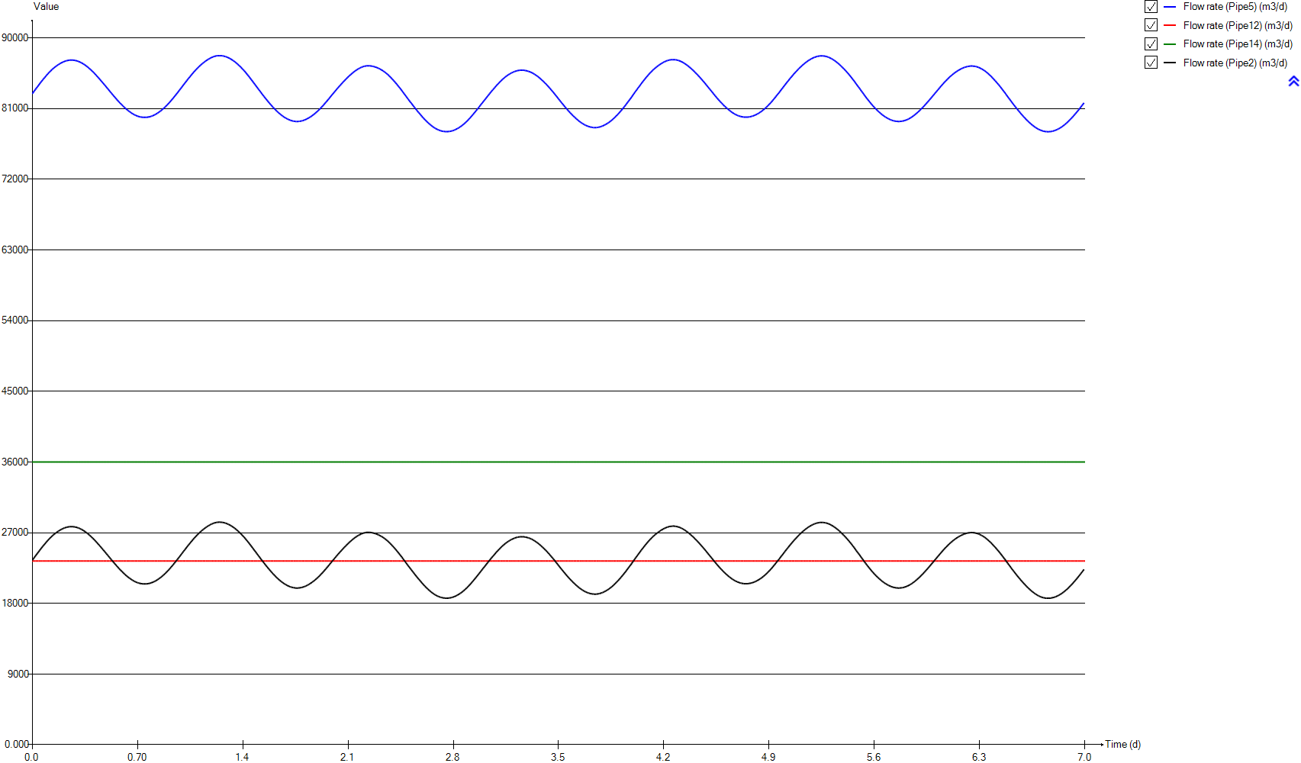
InputD
Time | Flow rate (Pipe5) | Flow rate (Pipe12) | Flow rate (Pipe14) | Flow rate (Pipe2)
d | m3/d | m3/d | m3/d | m3/d
0 | 82879.368311 | 23400 | 36000 | 23479.368311
0.0069444444444 | 83052.476779 | 23400 | 36000 | 23652.476779
0.013888888889 | 83233.453836 | 23400 | 36000 | 23833.453836
0.020833333333 | 83416.161053 | 23400 | 36000 | 24016.161053
0.027777777778 | 83596.279767 | 23400 | 36000 | 24196.279767
0.034722222222 | 83766.947417 | 23400 | 36000 | 24366.947417
0.041666666667 | 83939.998847 | 23400 | 36000 | 24539.998847
0.048611111111 | 84126.523274 | 23400 | 36000 | 24726.523274
0.055555555556 | 84302.872304 | 23400 | 36000 | 24902.872304
0.0625 | 84469.861703 | 23400 | 36000 | 25069.861703
0.069444444444 | 84637.702161 | 23400 | 36000 | 25237.702161
0.076388888889 | 84806.686041 | 23400 | 36000 | 25406.686041
0.083333333333 | 84948.179593 | 23400 | 36000 | 25548.179593
0.090277777778 | 85117.105556 | 23400 | 36000 | 25717.105556
0.097222222222 | 85275.02885 | 23400 | 36000 | 25875.02885
0.10416666667 | 85422.621511 | 23400 | 36000 | 26022.621511
0.11111111111 | 85569.78593 | 23400 | 36000 | 26169.78593
0.11805555556 | 85707.327586 | 23400 | 36000 | 26307.327586
0.125 | 85832.216709 | 23400 | 36000 | 26432.216709
0.13194444444 | 85964.911377 | 23400 | 36000 | 26564.911377
0.13888888889 | 86087.887322 | 23400 | 36000 | 26687.887322
0.14583333333 | 86200.892574 | 23400 | 36000 | 26800.892574
0.15277777778 | 86298.678321 | 23400 | 36000 | 26898.678321
0.15972222222 | 86407.851847 | 23400 | 36000 | 27007.851847
0.16666666667 | 86503.065338 | 23400 | 36000 | 27103.065338
0.17361111111 | 86583.326481 | 23400 | 36000 | 27183.326481
0.18055555556 | 86678.985315 | 23400 | 36000 | 27278.985315
0.1875 | 86754.022102 | 23400 | 36000 | 27354.022102
0.19444444444 | 86831.450054 | 23400 | 36000 | 27431.450054
0.20138888889 | 86896.437772 | 23400 | 36000 | 27496.437772
0.20833333333 | 86955.157472 | 23400 | 36000 | 27555.157472
0.21527777778 | 87014.056449 | 23400 | 36000 | 27614.056449
0.22222222222 | 87060.384351 | 23400 | 36000 | 27660.384351
0.22916666667 | 87096.199314 | 23400 | 36000 | 27696.199314
0.23611111111 | 87128.810437 | 23400 | 36000 | 27728.810437
0.24305555556 | 87153.058001 | 23400 | 36000 | 27753.058001
0.25 | 87169.555678 | 23400 | 36000 | 27769.555678
0.25694444444 | 87176.833818 | 23400 | 36000 | 27776.833818
0.26388888889 | 87177.476583 | 23400 | 36000 | 27777.476583
0.27083333333 | 87170.360364 | 23400 | 36000 | 27770.360364
0.27777777778 | 87156.121601 | 23400 | 36000 | 27756.121601
0.28472222222 | 87132.959255 | 23400 | 36000 | 27732.959255
0.29166666667 | 87108.680743 | 23400 | 36000 | 27708.680743
0.29861111111 | 87069.27435 | 23400 | 36000 | 27669.27435
0.30555555556 | 87021.038202 | 23400 | 36000 | 27621.038202
0.3125 | 86969.982478 | 23400 | 36000 | 27569.982478
0.31944444444 | 86909.781659 | 23400 | 36000 | 27509.781659
0.32638888889 | 86842.340136 | 23400 | 36000 | 27442.340136
0.33333333333 | 86767.515421 | 23400 | 36000 | 27367.515421
0.34027777778 | 86686.135758 | 23400 | 36000 | 27286.135758
0.34722222222 | 86604.414545 | 23400 | 36000 | 27204.414545
0.35416666667 | 86508.16899 | 23400 | 36000 | 27108.16899
0.36111111111 | 86411.306232 | 23400 | 36000 | 27011.306232
0.36805555556 | 86306.723004 | 23400 | 36000 | 26906.723004
0.375 | 86189.982766 | 23400 | 36000 | 26789.982766
0.38194444444 | 86079.634227 | 23400 | 36000 | 26679.634227
0.38888888889 | 85954.814131 | 23400 | 36000 | 26554.814131
0.39583333333 | 85839.59178 | 23400 | 36000 | 26439.59178
0.40277777778 | 85699.960327 | 23400 | 36000 | 26299.960327
0.40972222222 | 85574.160257 | 23400 | 36000 | 26174.160257
0.41666666667 | 85434.564999 | 23400 | 36000 | 26034.564999
0.42361111111 | 85285.912333 | 23400 | 36000 | 25885.912333
0.43055555556 | 85142.757474 | 23400 | 36000 | 25742.757474
0.4375 | 84991.801047 | 23400 | 36000 | 25591.801047
0.44444444444 | 84844.127691 | 23400 | 36000 | 25444.127691
0.45138888889 | 84692.068755 | 23400 | 36000 | 25292.068755
0.45833333333 | 84532.031576 | 23400 | 36000 | 25132.031576
0.46527777778 | 84381.320358 | 23400 | 36000 | 24981.320358
0.47222222222 | 84219.572319 | 23400 | 36000 | 24819.572319
0.47916666667 | 84062.92885 | 23400 | 36000 | 24662.92885
0.48611111111 | 83916.023199 | 23400 | 36000 | 24516.023199
0.49305555556 | 83741.16027 | 23400 | 36000 | 24341.16027
0.5 | 83588.730495 | 23400 | 36000 | 24188.730495
0.50694444444 | 83428.084852 | 23400 | 36000 | 24028.084852
0.51388888889 | 83259.020926 | 23400 | 36000 | 23859.020926
0.52083333333 | 83101.573456 | 23400 | 36000 | 23701.573456
0.52777777778 | 82943.544746 | 23400 | 36000 | 23543.544746
0.53472222222 | 82777.694155 | 23400 | 36000 | 23377.694155
0.54166666667 | 82629.819738 | 23400 | 36000 | 23229.819738
0.54861111111 | 82466.971585 | 23400 | 36000 | 23066.971585
0.55555555556 | 82326.65772 | 23400 | 36000 | 22926.65772
0.5625 | 82156.481823 | 23400 | 36000 | 22756.481823
0.56944444444 | 82018.769245 | 23400 | 36000 | 22618.769245
0.57638888889 | 81864.710466 | 23400 | 36000 | 22464.710466
0.58333333333 | 81717.906567 | 23400 | 36000 | 22317.906567
0.59027777778 | 81594.1612 | 23400 | 36000 | 22194.1612
0.59722222222 | 81463.341078 | 23400 | 36000 | 22063.341078
0.60416666667 | 81326.419895 | 23400 | 36000 | 21926.419895
0.61111111111 | 81194.527508 | 23400 | 36000 | 21794.527508
0.61805555556 | 81067.651241 | 23400 | 36000 | 21667.651241
0.625 | 80951.136488 | 23400 | 36000 | 21551.136488
0.63194444444 | 80839.738609 | 23400 | 36000 | 21439.738609
0.63888888889 | 80728.581243 | 23400 | 36000 | 21328.581243
0.64583333333 | 80633.470763 | 23400 | 36000 | 21233.470763
0.65277777778 | 80540.62927 | 23400 | 36000 | 21140.62927
0.65972222222 | 80445.401868 | 23400 | 36000 | 21045.401868
0.66666666667 | 80357.19621 | 23400 | 36000 | 20957.19621
0.67361111111 | 80281.465575 | 23400 | 36000 | 20881.465575
0.68055555556 | 80205.801147 | 23400 | 36000 | 20805.801147
0.6875 | 80140.342384 | 23400 | 36000 | 20740.342384
0.69444444444 | 80083.296773 | 23400 | 36000 | 20683.296773
0.70138888889 | 80031.690447 | 23400 | 36000 | 20631.690447
0.70833333333 | 79990.065622 | 23400 | 36000 | 20590.065622
0.71527777778 | 79954.436837 | 23400 | 36000 | 20554.436837
0.72222222222 | 79925.366928 | 23400 | 36000 | 20525.366928
0.72916666667 | 79904.198564 | 23400 | 36000 | 20504.198564
0.73611111111 | 79888.692227 | 23400 | 36000 | 20488.692227
0.74305555556 | 79879.891379 | 23400 | 36000 | 20479.891379
0.75 | 79877.967127 | 23400 | 36000 | 20477.967127
0.75694444444 | 79883.087624 | 23400 | 36000 | 20483.087624
0.76388888889 | 79895.169529 | 23400 | 36000 | 20495.169529
0.77083333333 | 79915.161299 | 23400 | 36000 | 20515.161299
0.77777777778 | 79942.512338 | 23400 | 36000 | 20542.512338
0.78472222222 | 79974.864205 | 23400 | 36000 | 20574.864205
0.79166666667 | 80019.33589 | 23400 | 36000 | 20619.33589
0.79861111111 | 80065.474808 | 23400 | 36000 | 20665.474808
0.80555555556 | 80124.46897 | 23400 | 36000 | 20724.46897
0.8125 | 80184.671917 | 23400 | 36000 | 20784.671917
0.81944444444 | 80257.284233 | 23400 | 36000 | 20857.284233
0.82638888889 | 80331.121554 | 23400 | 36000 | 20931.121554
0.83333333333 | 80418.798441 | 23400 | 36000 | 21018.798441
0.84027777778 | 80512.07208 | 23400 | 36000 | 21112.07208
0.84722222222 | 80609.037268 | 23400 | 36000 | 21209.037268
0.85416666667 | 80701.839564 | 23400 | 36000 | 21301.839564
0.86111111111 | 80805.439423 | 23400 | 36000 | 21405.439423
0.86805555556 | 80929.860786 | 23400 | 36000 | 21529.860786
0.875 | 81041.278446 | 23400 | 36000 | 21641.278446
0.88194444444 | 81164.498472 | 23400 | 36000 | 21764.498472
0.88888888889 | 81294.353634 | 23400 | 36000 | 21894.353634
0.89583333333 | 81433.664578 | 23400 | 36000 | 22033.664578
0.90277777778 | 81565.979677 | 23400 | 36000 | 22165.979677
0.90972222222 | 81712.98459 | 23400 | 36000 | 22312.98459
0.91666666667 | 81860.33834 | 23400 | 36000 | 22460.33834
0.92361111111 | 82021.101588 | 23400 | 36000 | 22621.101588
0.93055555556 | 82169.529892 | 23400 | 36000 | 22769.529892
0.9375 | 82326.216831 | 23400 | 36000 | 22926.216831
0.94444444444 | 82500.947809 | 23400 | 36000 | 23100.947809
0.95138888889 | 82658.828037 | 23400 | 36000 | 23258.828037
0.95833333333 | 82831.908149 | 23400 | 36000 | 23431.908149
0.96527777778 | 82989.725407 | 23400 | 36000 | 23589.725407
0.97222222222 | 83168.332579 | 23400 | 36000 | 23768.332579
0.97916666667 | 83337.34011 | 23400 | 36000 | 23937.34011
0.98611111111 | 83515.887639 | 23400 | 36000 | 24115.887639
0.99305555556 | 83682.287614 | 23400 | 36000 | 24282.287614
1 | 83863.147006 | 23400 | 36000 | 24463.147006
1.0069444444 | 84045.529199 | 23400 | 36000 | 24645.529199
1.0138888889 | 84207.122388 | 23400 | 36000 | 24807.122388
1.0208333333 | 84378.392689 | 23400 | 36000 | 24978.392689
1.0277777778 | 84552.172682 | 23400 | 36000 | 25152.172682
1.0347222222 | 84731.054437 | 23400 | 36000 | 25331.054437
1.0416666667 | 84891.614323 | 23400 | 36000 | 25491.614323
1.0486111111 | 85045.606104 | 23400 | 36000 | 25645.606104
1.0555555556 | 85216.027428 | 23400 | 36000 | 25816.027428
1.0625 | 85372.03182 | 23400 | 36000 | 25972.03182
1.0694444444 | 85534.713297 | 23400 | 36000 | 26134.713297
1.0763888889 | 85687.805247 | 23400 | 36000 | 26287.805247
1.0833333333 | 85833.199067 | 23400 | 36000 | 26433.199067
1.0902777778 | 85969.078777 | 23400 | 36000 | 26569.078777
1.0972222222 | 86116.092295 | 23400 | 36000 | 26716.092295
1.1041666667 | 86243.163258 | 23400 | 36000 | 26843.163258
1.1111111111 | 86378.62896 | 23400 | 36000 | 26978.62896
1.1180555556 | 86502.319115 | 23400 | 36000 | 27102.319115
1.125 | 86621.587653 | 23400 | 36000 | 27221.587653
1.1319444444 | 86733.39906 | 23400 | 36000 | 27333.39906
1.1388888889 | 86839.908332 | 23400 | 36000 | 27439.908332
1.1458333333 | 86943.047853 | 23400 | 36000 | 27543.047853
1.1527777778 | 87043.570103 | 23400 | 36000 | 27643.570103
1.1597222222 | 87133.836918 | 23400 | 36000 | 27733.836918
1.1666666667 | 87227.425861 | 23400 | 36000 | 27827.425861
1.1736111111 | 87301.262339 | 23400 | 36000 | 27901.262339
1.1805555556 | 87383.783174 | 23400 | 36000 | 27983.783174
1.1875 | 87455.81847 | 23400 | 36000 | 28055.81847
1.1944444444 | 87517.303048 | 23400 | 36000 | 28117.303048
1.2013888889 | 87572.657493 | 23400 | 36000 | 28172.657493
1.2083333333 | 87626.150829 | 23400 | 36000 | 28226.150829
1.2152777778 | 87664.663624 | 23400 | 36000 | 28264.663624
1.2222222222 | 87698.313323 | 23400 | 36000 | 28298.313323
1.2291666667 | 87724.563382 | 23400 | 36000 | 28324.563382
1.2361111111 | 87739.679199 | 23400 | 36000 | 28339.679199
1.2430555556 | 87747.509904 | 23400 | 36000 | 28347.509904
1.25 | 87747.471218 | 23400 | 36000 | 28347.471218
1.2569444444 | 87738.640408 | 23400 | 36000 | 28338.640408
1.2638888889 | 87721.752498 | 23400 | 36000 | 28321.752498
1.2708333333 | 87696.805305 | 23400 | 36000 | 28296.805305
1.2777777778 | 87667.943932 | 23400 | 36000 | 28267.943932
1.2847222222 | 87627.367658 | 23400 | 36000 | 28227.367658
1.2916666667 | 87580.035882 | 23400 | 36000 | 28180.035882
1.2986111111 | 87523.823182 | 23400 | 36000 | 28123.823182
1.3055555556 | 87464.071621 | 23400 | 36000 | 28064.071621
1.3125 | 87399.563443 | 23400 | 36000 | 27999.563443
1.3194444444 | 87325.490814 | 23400 | 36000 | 27925.490814
1.3263888889 | 87238.737139 | 23400 | 36000 | 27838.737139
1.3333333333 | 87149.552699 | 23400 | 36000 | 27749.552699
1.3402777778 | 87062.435558 | 23400 | 36000 | 27662.435558
1.3472222222 | 86961.980562 | 23400 | 36000 | 27561.980562
1.3541666667 | 86850.597798 | 23400 | 36000 | 27450.597798
1.3611111111 | 86736.324428 | 23400 | 36000 | 27336.324428
1.3680555556 | 86623.778758 | 23400 | 36000 | 27223.778758
1.375 | 86494.07437 | 23400 | 36000 | 27094.07437
1.3819444444 | 86378.9319 | 23400 | 36000 | 26978.9319
1.3888888889 | 86238.138842 | 23400 | 36000 | 26838.138842
1.3958333333 | 86094.665392 | 23400 | 36000 | 26694.665392
1.4027777778 | 85958.793912 | 23400 | 36000 | 26558.793912
1.4097222222 | 85819.85669 | 23400 | 36000 | 26419.85669
1.4166666667 | 85662.8985 | 23400 | 36000 | 26262.8985
1.4236111111 | 85495.759949 | 23400 | 36000 | 26095.759949
1.4305555556 | 85332.744414 | 23400 | 36000 | 25932.744414
1.4375 | 85175.179796 | 23400 | 36000 | 25775.179796
1.4444444444 | 85000.545512 | 23400 | 36000 | 25600.545512
1.4513888889 | 84825.30228 | 23400 | 36000 | 25425.30228
1.4583333333 | 84653.646443 | 23400 | 36000 | 25253.646443
1.4652777778 | 84477.837213 | 23400 | 36000 | 25077.837213
1.4722222222 | 84293.8023 | 23400 | 36000 | 24893.8023
1.4791666667 | 84114.953302 | 23400 | 36000 | 24714.953302
1.4861111111 | 83953.355691 | 23400 | 36000 | 24553.355691
1.4930555556 | 83757.119638 | 23400 | 36000 | 24357.119638
1.5 | 83590.256124 | 23400 | 36000 | 24190.256124
1.5069444444 | 83403.523828 | 23400 | 36000 | 24003.523828
1.5138888889 | 83241.934142 | 23400 | 36000 | 23841.934142
1.5208333333 | 83053.936728 | 23400 | 36000 | 23653.936728
1.5277777778 | 82872.61401 | 23400 | 36000 | 23472.61401
1.5347222222 | 82708.06872 | 23400 | 36000 | 23308.06872
1.5416666667 | 82540.839306 | 23400 | 36000 | 23140.839306
1.5486111111 | 82357.462668 | 23400 | 36000 | 22957.462668
1.5555555556 | 82203.558727 | 23400 | 36000 | 22803.558727
1.5625 | 82042.917357 | 23400 | 36000 | 22642.917357
1.5694444444 | 81872.137721 | 23400 | 36000 | 22472.137721
1.5763888889 | 81722.733306 | 23400 | 36000 | 22322.733306
1.5833333333 | 81555.818847 | 23400 | 36000 | 22155.818847
1.5902777778 | 81416.164835 | 23400 | 36000 | 22016.164835
1.5972222222 | 81253.801196 | 23400 | 36000 | 21853.801196
1.6041666667 | 81118.117584 | 23400 | 36000 | 21718.117584
1.6111111111 | 80971.994745 | 23400 | 36000 | 21571.994745
1.6180555556 | 80841.968788 | 23400 | 36000 | 21441.968788
1.625 | 80701.299192 | 23400 | 36000 | 21301.299192
1.6319444444 | 80577.227226 | 23400 | 36000 | 21177.227226
1.6388888889 | 80458.680318 | 23400 | 36000 | 21058.680318
1.6458333333 | 80344.397241 | 23400 | 36000 | 20944.397241
1.6527777778 | 80228.177354 | 23400 | 36000 | 20828.177354
1.6597222222 | 80129.157332 | 23400 | 36000 | 20729.157332
1.6666666667 | 80030.753664 | 23400 | 36000 | 20630.753664
1.6736111111 | 79936.750823 | 23400 | 36000 | 20536.750823
1.6805555556 | 79853.180831 | 23400 | 36000 | 20453.180831
1.6875 | 79776.29476 | 23400 | 36000 | 20376.29476
1.6944444444 | 79698.038536 | 23400 | 36000 | 20298.038536
1.7013888889 | 79636.609792 | 23400 | 36000 | 20236.609792
1.7083333333 | 79574.568852 | 23400 | 36000 | 20174.568852
1.7152777778 | 79520.237635 | 23400 | 36000 | 20120.237635
1.7222222222 | 79475.282448 | 23400 | 36000 | 20075.282448
1.7291666667 | 79437.095954 | 23400 | 36000 | 20037.095954
1.7361111111 | 79407.838516 | 23400 | 36000 | 20007.838516
1.7430555556 | 79384.006429 | 23400 | 36000 | 19984.006429
1.75 | 79367.193401 | 23400 | 36000 | 19967.193401
1.7569444444 | 79358.200563 | 23400 | 36000 | 19958.200563
1.7638888889 | 79357.31246 | 23400 | 36000 | 19957.31246
1.7708333333 | 79364.339538 | 23400 | 36000 | 19964.339538
1.7777777778 | 79378.617405 | 23400 | 36000 | 19978.617405
1.7847222222 | 79399.746342 | 23400 | 36000 | 19999.746342
1.7916666667 | 79428.19381 | 23400 | 36000 | 20028.19381
1.7986111111 | 79465.582907 | 23400 | 36000 | 20065.582907
1.8055555556 | 79509.849149 | 23400 | 36000 | 20109.849149
1.8125 | 79560.095398 | 23400 | 36000 | 20160.095398
1.8194444444 | 79615.371856 | 23400 | 36000 | 20215.371856
1.8263888889 | 79680.589417 | 23400 | 36000 | 20280.589417
1.8333333333 | 79751.746408 | 23400 | 36000 | 20351.746408
1.8402777778 | 79826.210755 | 23400 | 36000 | 20426.210755
1.8472222222 | 79910.558769 | 23400 | 36000 | 20510.558769
1.8541666667 | 79993.056197 | 23400 | 36000 | 20593.056197
1.8611111111 | 80092.515165 | 23400 | 36000 | 20692.515165
1.8680555556 | 80194.154531 | 23400 | 36000 | 20794.154531
1.875 | 80296.239049 | 23400 | 36000 | 20896.239049
1.8819444444 | 80402.573813 | 23400 | 36000 | 21002.573813
1.8888888889 | 80524.153904 | 23400 | 36000 | 21124.153904
1.8958333333 | 80640.615741 | 23400 | 36000 | 21240.615741
1.9027777778 | 80763.893822 | 23400 | 36000 | 21363.893822
1.9097222222 | 80892.093852 | 23400 | 36000 | 21492.093852
1.9166666667 | 81033.277084 | 23400 | 36000 | 21633.277084
1.9236111111 | 81179.622008 | 23400 | 36000 | 21779.622008
1.9305555556 | 81308.254754 | 23400 | 36000 | 21908.254754
1.9375 | 81460.051951 | 23400 | 36000 | 22060.051951
1.9444444444 | 81622.276919 | 23400 | 36000 | 22222.276919
1.9513888889 | 81774.416905 | 23400 | 36000 | 22374.416905
1.9583333333 | 81917.550624 | 23400 | 36000 | 22517.550624
1.9652777778 | 82092.483355 | 23400 | 36000 | 22692.483355
1.9722222222 | 82234.644755 | 23400 | 36000 | 22834.644755
1.9791666667 | 82409.91113 | 23400 | 36000 | 23009.91113
1.9861111111 | 82574.440526 | 23400 | 36000 | 23174.440526
1.9930555556 | 82736.899378 | 23400 | 36000 | 23336.899378
2 | 82890.769467 | 23400 | 36000 | 23490.769467
2.0069444444 | 83055.032551 | 23400 | 36000 | 23655.032551
2.0138888889 | 83208.55731 | 23400 | 36000 | 23808.55731
2.0208333333 | 83369.628286 | 23400 | 36000 | 23969.628286
2.0277777778 | 83534.16787 | 23400 | 36000 | 24134.16787
2.0347222222 | 83680.873435 | 23400 | 36000 | 24280.873435
2.0416666667 | 83835.511132 | 23400 | 36000 | 24435.511132
2.0486111111 | 83977.312164 | 23400 | 36000 | 24577.312164
2.0555555556 | 84126.853861 | 23400 | 36000 | 24726.853861
2.0625 | 84274.535024 | 23400 | 36000 | 24874.535024
2.0694444444 | 84422.896407 | 23400 | 36000 | 25022.896407
2.0763888889 | 84551.984241 | 23400 | 36000 | 25151.984241
2.0833333333 | 84698.356696 | 23400 | 36000 | 25298.356696
2.0902777778 | 84824.281814 | 23400 | 36000 | 25424.281814
2.0972222222 | 84967.712966 | 23400 | 36000 | 25567.712966
2.1041666667 | 85095.038739 | 23400 | 36000 | 25695.038739
2.1111111111 | 85218.500151 | 23400 | 36000 | 25818.500151
2.1180555556 | 85330.18938 | 23400 | 36000 | 25930.18938
2.125 | 85448.882188 | 23400 | 36000 | 26048.882188
2.1319444444 | 85561.549969 | 23400 | 36000 | 26161.549969
2.1388888889 | 85676.026805 | 23400 | 36000 | 26276.026805
2.1458333333 | 85768.581305 | 23400 | 36000 | 26368.581305
2.1527777778 | 85866.695334 | 23400 | 36000 | 26466.695334
2.1597222222 | 85953.333584 | 23400 | 36000 | 26553.333584
2.1666666667 | 86039.45813 | 23400 | 36000 | 26639.45813
2.1736111111 | 86114.108823 | 23400 | 36000 | 26714.108823
2.1805555556 | 86183.314746 | 23400 | 36000 | 26783.314746
2.1875 | 86242.351632 | 23400 | 36000 | 26842.351632
2.1944444444 | 86302.617754 | 23400 | 36000 | 26902.617754
2.2013888889 | 86349.10556 | 23400 | 36000 | 26949.10556
2.2083333333 | 86387.281257 | 23400 | 36000 | 26987.281257
2.2152777778 | 86417.994173 | 23400 | 36000 | 27017.994173
2.2222222222 | 86438.365925 | 23400 | 36000 | 27038.365925
2.2291666667 | 86450.640841 | 23400 | 36000 | 27050.640841
2.2361111111 | 86453.278252 | 23400 | 36000 | 27053.278252
2.2430555556 | 86447.549175 | 23400 | 36000 | 27047.549175
2.25 | 86434.029039 | 23400 | 36000 | 27034.029039
2.2569444444 | 86412.953982 | 23400 | 36000 | 27012.953982
2.2638888889 | 86385.42849 | 23400 | 36000 | 26985.42849
2.2708333333 | 86353.373955 | 23400 | 36000 | 26953.373955
2.2777777778 | 86313.830134 | 23400 | 36000 | 26913.830134
2.2847222222 | 86269.814245 | 23400 | 36000 | 26869.814245
2.2916666667 | 86220.746858 | 23400 | 36000 | 26820.746858
2.2986111111 | 86166.220003 | 23400 | 36000 | 26766.220003
2.3055555556 | 86103.17748 | 23400 | 36000 | 26703.17748
2.3125 | 86039.588565 | 23400 | 36000 | 26639.588565
2.3194444444 | 85960.135021 | 23400 | 36000 | 26560.135021
2.3263888889 | 85884.148066 | 23400 | 36000 | 26484.148066
2.3333333333 | 85796.662317 | 23400 | 36000 | 26396.662317
2.3402777778 | 85703.801009 | 23400 | 36000 | 26303.801009
2.3472222222 | 85602.964562 | 23400 | 36000 | 26202.964562
2.3541666667 | 85492.088048 | 23400 | 36000 | 26092.088048
2.3611111111 | 85390.317048 | 23400 | 36000 | 25990.317048
2.3680555556 | 85269.537615 | 23400 | 36000 | 25869.537615
2.375 | 85137.188056 | 23400 | 36000 | 25737.188056
2.3819444444 | 85005.97315 | 23400 | 36000 | 25605.97315
2.3888888889 | 84863.586172 | 23400 | 36000 | 25463.586172
2.3958333333 | 84721.343377 | 23400 | 36000 | 25321.343377
2.4027777778 | 84576.406665 | 23400 | 36000 | 25176.406665
2.4097222222 | 84422.234126 | 23400 | 36000 | 25022.234126
2.4166666667 | 84273.850692 | 23400 | 36000 | 24873.850692
2.4236111111 | 84112.50076 | 23400 | 36000 | 24712.50076
2.4305555556 | 83945.688012 | 23400 | 36000 | 24545.688012
2.4375 | 83782.082949 | 23400 | 36000 | 24382.082949
2.4444444444 | 83624.317937 | 23400 | 36000 | 24224.317937
2.4513888889 | 83448.853504 | 23400 | 36000 | 24048.853504
2.4583333333 | 83278.285484 | 23400 | 36000 | 23878.285484
2.4652777778 | 83088.733201 | 23400 | 36000 | 23688.733201
2.4722222222 | 82912.392949 | 23400 | 36000 | 23512.392949
2.4791666667 | 82736.08189 | 23400 | 36000 | 23336.08189
2.4861111111 | 82554.875268 | 23400 | 36000 | 23154.875268
2.4930555556 | 82372.614901 | 23400 | 36000 | 22972.614901
2.5 | 82192.189306 | 23400 | 36000 | 22792.189306
2.5069444444 | 82020.414981 | 23400 | 36000 | 22620.414981
2.5138888889 | 81843.001686 | 23400 | 36000 | 22443.001686
2.5208333333 | 81687.346205 | 23400 | 36000 | 22287.346205
2.5277777778 | 81501.62013 | 23400 | 36000 | 22101.62013
2.5347222222 | 81335.002291 | 23400 | 36000 | 21935.002291
2.5416666667 | 81159.274565 | 23400 | 36000 | 21759.274565
2.5486111111 | 80988.340969 | 23400 | 36000 | 21588.340969
2.5555555556 | 80827.275471 | 23400 | 36000 | 21427.275471
2.5625 | 80654.654019 | 23400 | 36000 | 21254.654019
2.5694444444 | 80495.365787 | 23400 | 36000 | 21095.365787
2.5763888889 | 80353.4795 | 23400 | 36000 | 20953.4795
2.5833333333 | 80194.267253 | 23400 | 36000 | 20794.267253
2.5902777778 | 80025.040323 | 23400 | 36000 | 20625.040323
2.5972222222 | 79881.514965 | 23400 | 36000 | 20481.514965
2.6041666667 | 79733.612178 | 23400 | 36000 | 20333.612178
2.6111111111 | 79592.593321 | 23400 | 36000 | 20192.593321
2.6180555556 | 79461.169564 | 23400 | 36000 | 20061.169564
2.625 | 79326.245043 | 23400 | 36000 | 19926.245043
2.6319444444 | 79203.051892 | 23400 | 36000 | 19803.051892
2.6388888889 | 79078.176629 | 23400 | 36000 | 19678.176629
2.6458333333 | 78966.171386 | 23400 | 36000 | 19566.171386
2.6527777778 | 78850.87691 | 23400 | 36000 | 19450.87691
2.6597222222 | 78752.197437 | 23400 | 36000 | 19352.197437
2.6666666667 | 78650.203108 | 23400 | 36000 | 19250.203108
2.6736111111 | 78561.828682 | 23400 | 36000 | 19161.828682
2.6805555556 | 78482.808755 | 23400 | 36000 | 19082.808755
2.6875 | 78401.663605 | 23400 | 36000 | 19001.663605
2.6944444444 | 78343.037607 | 23400 | 36000 | 18943.037607
2.7013888889 | 78281.229406 | 23400 | 36000 | 18881.229406
2.7083333333 | 78232.316275 | 23400 | 36000 | 18832.316275
2.7152777778 | 78182.63057 | 23400 | 36000 | 18782.63057
2.7222222222 | 78146.138809 | 23400 | 36000 | 18746.138809
2.7291666667 | 78114.73397 | 23400 | 36000 | 18714.73397
2.7361111111 | 78093.299491 | 23400 | 36000 | 18693.299491
2.7430555556 | 78078.090439 | 23400 | 36000 | 18678.090439
2.75 | 78068.844069 | 23400 | 36000 | 18668.844069
2.7569444444 | 78066.804115 | 23400 | 36000 | 18666.804115
2.7638888889 | 78071.92533 | 23400 | 36000 | 18671.92533
2.7708333333 | 78084.203284 | 23400 | 36000 | 18684.203284
2.7777777778 | 78103.557176 | 23400 | 36000 | 18703.557176
2.7847222222 | 78129.729596 | 23400 | 36000 | 18729.729596
2.7916666667 | 78161.408253 | 23400 | 36000 | 18761.408253
2.7986111111 | 78204.370715 | 23400 | 36000 | 18804.370715
2.8055555556 | 78253.720364 | 23400 | 36000 | 18853.720364
2.8125 | 78309.884172 | 23400 | 36000 | 18909.884172
2.8194444444 | 78372.907558 | 23400 | 36000 | 18972.907558
2.8263888889 | 78447.070992 | 23400 | 36000 | 19047.070992
2.8333333333 | 78523.100953 | 23400 | 36000 | 19123.100953
2.8402777778 | 78606.526121 | 23400 | 36000 | 19206.526121
2.8472222222 | 78696.236118 | 23400 | 36000 | 19296.236118
2.8541666667 | 78790.550544 | 23400 | 36000 | 19390.550544
2.8611111111 | 78893.097628 | 23400 | 36000 | 19493.097628
2.8680555556 | 78998.028575 | 23400 | 36000 | 19598.028575
2.875 | 79120.489139 | 23400 | 36000 | 19720.489139
2.8819444444 | 79233.919423 | 23400 | 36000 | 19833.919423
2.8888888889 | 79367.418569 | 23400 | 36000 | 19967.418569
2.8958333333 | 79495.112916 | 23400 | 36000 | 20095.112916
2.9027777778 | 79640.695192 | 23400 | 36000 | 20240.695192
2.9097222222 | 79775.984795 | 23400 | 36000 | 20375.984795
2.9166666667 | 79929.70817 | 23400 | 36000 | 20529.70817
2.9236111111 | 80084.169443 | 23400 | 36000 | 20684.169443
2.9305555556 | 80238.834204 | 23400 | 36000 | 20838.834204
2.9375 | 80407.030316 | 23400 | 36000 | 21007.030316
2.9444444444 | 80555.970351 | 23400 | 36000 | 21155.970351
2.9513888889 | 80727.305427 | 23400 | 36000 | 21327.305427
2.9583333333 | 80883.579498 | 23400 | 36000 | 21483.579498
2.9652777778 | 81051.841224 | 23400 | 36000 | 21651.841224
2.9722222222 | 81222.004743 | 23400 | 36000 | 21822.004743
2.9791666667 | 81396.652532 | 23400 | 36000 | 21996.652532
2.9861111111 | 81572.835134 | 23400 | 36000 | 22172.835134
2.9930555556 | 81728.927186 | 23400 | 36000 | 22328.927186
3 | 81909.536521 | 23400 | 36000 | 22509.536521
3.0069444444 | 82070.273787 | 23400 | 36000 | 22670.273787
3.0138888889 | 82235.384967 | 23400 | 36000 | 22835.384967
3.0208333333 | 82405.989525 | 23400 | 36000 | 23005.989525
3.0277777778 | 82576.382411 | 23400 | 36000 | 23176.382411
3.0347222222 | 82737.495865 | 23400 | 36000 | 23337.495865
3.0416666667 | 82910.203817 | 23400 | 36000 | 23510.203817
3.0486111111 | 83072.668594 | 23400 | 36000 | 23672.668594
3.0555555556 | 83236.729069 | 23400 | 36000 | 23836.729069
3.0625 | 83388.859624 | 23400 | 36000 | 23988.859624
3.0694444444 | 83536.761036 | 23400 | 36000 | 24136.761036
3.0763888889 | 83694.987622 | 23400 | 36000 | 24294.987622
3.0833333333 | 83861.205187 | 23400 | 36000 | 24461.205187
3.0902777778 | 84004.729819 | 23400 | 36000 | 24604.729819
3.0972222222 | 84145.879732 | 23400 | 36000 | 24745.879732
3.1041666667 | 84280.189771 | 23400 | 36000 | 24880.189771
3.1111111111 | 84417.907049 | 23400 | 36000 | 25017.907049
3.1180555556 | 84557.421847 | 23400 | 36000 | 25157.421847
3.125 | 84685.141338 | 23400 | 36000 | 25285.141338
3.1319444444 | 84801.981254 | 23400 | 36000 | 25401.981254
3.1388888889 | 84915.957801 | 23400 | 36000 | 25515.957801
3.1458333333 | 85027.05191 | 23400 | 36000 | 25627.05191
3.1527777778 | 85131.744409 | 23400 | 36000 | 25731.744409
3.1597222222 | 85224.367738 | 23400 | 36000 | 25824.367738
3.1666666667 | 85315.500007 | 23400 | 36000 | 25915.500007
3.1736111111 | 85397.433779 | 23400 | 36000 | 25997.433779
3.1805555556 | 85477.011023 | 23400 | 36000 | 26077.011023
3.1875 | 85543.508625 | 23400 | 36000 | 26143.508625
3.1944444444 | 85611.007439 | 23400 | 36000 | 26211.007439
3.2013888889 | 85666.555708 | 23400 | 36000 | 26266.555708
3.2083333333 | 85726.845033 | 23400 | 36000 | 26326.845033
3.2152777778 | 85772.684828 | 23400 | 36000 | 26372.684828
3.2222222222 | 85810.232733 | 23400 | 36000 | 26410.232733
3.2291666667 | 85842.585133 | 23400 | 36000 | 26442.585133
3.2361111111 | 85867.050457 | 23400 | 36000 | 26467.050457
3.2430555556 | 85882.409251 | 23400 | 36000 | 26482.409251
3.25 | 85891.860872 | 23400 | 36000 | 26491.860872
3.2569444444 | 85892.754485 | 23400 | 36000 | 26492.754485
3.2638888889 | 85887.058737 | 23400 | 36000 | 26487.058737
3.2708333333 | 85872.735335 | 23400 | 36000 | 26472.735335
3.2777777778 | 85851.925963 | 23400 | 36000 | 26451.925963
3.2847222222 | 85826.734047 | 23400 | 36000 | 26426.734047
3.2916666667 | 85791.40812 | 23400 | 36000 | 26391.40812
3.2986111111 | 85750.382136 | 23400 | 36000 | 26350.382136
3.3055555556 | 85707.097101 | 23400 | 36000 | 26307.097101
3.3125 | 85654.316069 | 23400 | 36000 | 26254.316069
3.3194444444 | 85591.817639 | 23400 | 36000 | 26191.817639
3.3263888889 | 85529.755408 | 23400 | 36000 | 26129.755408
3.3333333333 | 85446.954151 | 23400 | 36000 | 26046.954151
3.3402777778 | 85366.328609 | 23400 | 36000 | 25966.328609
3.3472222222 | 85276.87281 | 23400 | 36000 | 25876.87281
3.3541666667 | 85187.557737 | 23400 | 36000 | 25787.557737
3.3611111111 | 85093.392483 | 23400 | 36000 | 25693.392483
3.3680555556 | 84986.223835 | 23400 | 36000 | 25586.223835
3.375 | 84871.688665 | 23400 | 36000 | 25471.688665
3.3819444444 | 84754.044178 | 23400 | 36000 | 25354.044178
3.3888888889 | 84630.747507 | 23400 | 36000 | 25230.747507
3.3958333333 | 84509.796508 | 23400 | 36000 | 25109.796508
3.4027777778 | 84383.49634 | 23400 | 36000 | 24983.49634
3.4097222222 | 84244.522766 | 23400 | 36000 | 24844.522766
3.4166666667 | 84124.92893 | 23400 | 36000 | 24724.92893
3.4236111111 | 83977.700547 | 23400 | 36000 | 24577.700547
3.4305555556 | 83829.528548 | 23400 | 36000 | 24429.528548
3.4375 | 83684.292917 | 23400 | 36000 | 24284.292917
3.4444444444 | 83528.209591 | 23400 | 36000 | 24128.209591
3.4513888889 | 83367.348333 | 23400 | 36000 | 23967.348333
3.4583333333 | 83212.566725 | 23400 | 36000 | 23812.566725
3.4652777778 | 83063.479341 | 23400 | 36000 | 23663.479341
3.4722222222 | 82897.520283 | 23400 | 36000 | 23497.520283
3.4791666667 | 82726.853324 | 23400 | 36000 | 23326.853324
3.4861111111 | 82559.104526 | 23400 | 36000 | 23159.104526
3.4930555556 | 82398.007141 | 23400 | 36000 | 22998.007141
3.5 | 82218.263755 | 23400 | 36000 | 22818.263755
3.5069444444 | 82057.869202 | 23400 | 36000 | 22657.869202
3.5138888889 | 81882.780211 | 23400 | 36000 | 22482.780211
3.5208333333 | 81720.896171 | 23400 | 36000 | 22320.896171
3.5277777778 | 81562.787421 | 23400 | 36000 | 22162.787421
3.5347222222 | 81397.341916 | 23400 | 36000 | 21997.341916
3.5416666667 | 81237.728207 | 23400 | 36000 | 21837.728207
3.5486111111 | 81077.816361 | 23400 | 36000 | 21677.816361
3.5555555556 | 80920.448554 | 23400 | 36000 | 21520.448554
3.5625 | 80772.352748 | 23400 | 36000 | 21372.352748
3.5694444444 | 80623.751227 | 23400 | 36000 | 21223.751227
3.5763888889 | 80478.866207 | 23400 | 36000 | 21078.866207
3.5833333333 | 80344.155156 | 23400 | 36000 | 20944.155156
3.5902777778 | 80201.216018 | 23400 | 36000 | 20801.216018
3.5972222222 | 80066.204993 | 23400 | 36000 | 20666.204993
3.6041666667 | 79943.412383 | 23400 | 36000 | 20543.412383
3.6111111111 | 79826.330825 | 23400 | 36000 | 20426.330825
3.6180555556 | 79690.591806 | 23400 | 36000 | 20290.591806
3.625 | 79583.732467 | 23400 | 36000 | 20183.732467
3.6319444444 | 79468.217659 | 23400 | 36000 | 20068.217659
3.6388888889 | 79359.403038 | 23400 | 36000 | 19959.403038
3.6458333333 | 79266.665115 | 23400 | 36000 | 19866.665115
3.6527777778 | 79172.398201 | 23400 | 36000 | 19772.398201
3.6597222222 | 79089.890067 | 23400 | 36000 | 19689.890067
3.6666666667 | 79000.772425 | 23400 | 36000 | 19600.772425
3.6736111111 | 78927.711466 | 23400 | 36000 | 19527.711466
3.6805555556 | 78866.179217 | 23400 | 36000 | 19466.179217
3.6875 | 78806.176772 | 23400 | 36000 | 19406.176772
3.6944444444 | 78751.889885 | 23400 | 36000 | 19351.889885
3.7013888889 | 78705.638761 | 23400 | 36000 | 19305.638761
3.7083333333 | 78666.158271 | 23400 | 36000 | 19266.158271
3.7152777778 | 78634.375857 | 23400 | 36000 | 19234.375857
3.7222222222 | 78609.504372 | 23400 | 36000 | 19209.504372
3.7291666667 | 78592.421584 | 23400 | 36000 | 19192.421584
3.7361111111 | 78581.798351 | 23400 | 36000 | 19181.798351
3.7430555556 | 78578.516067 | 23400 | 36000 | 19178.516067
3.75 | 78583.708845 | 23400 | 36000 | 19183.708845
3.7569444444 | 78596.766715 | 23400 | 36000 | 19196.766715
3.7638888889 | 78617.532868 | 23400 | 36000 | 19217.532868
3.7708333333 | 78646.327136 | 23400 | 36000 | 19246.327136
3.7777777778 | 78686.120257 | 23400 | 36000 | 19286.120257
3.7847222222 | 78729.666733 | 23400 | 36000 | 19329.666733
3.7916666667 | 78781.732456 | 23400 | 36000 | 19381.732456
3.7986111111 | 78841.28617 | 23400 | 36000 | 19441.28617
3.8055555556 | 78905.1604 | 23400 | 36000 | 19505.1604
3.8125 | 78978.885281 | 23400 | 36000 | 19578.885281
3.8194444444 | 79049.799047 | 23400 | 36000 | 19649.799047
3.8263888889 | 79138.210422 | 23400 | 36000 | 19738.210422
3.8333333333 | 79220.917912 | 23400 | 36000 | 19820.917912
3.8402777778 | 79321.456932 | 23400 | 36000 | 19921.456932
3.8472222222 | 79430.283624 | 23400 | 36000 | 20030.283624
3.8541666667 | 79531.265546 | 23400 | 36000 | 20131.265546
3.8611111111 | 79649.20961 | 23400 | 36000 | 20249.20961
3.8680555556 | 79775.318241 | 23400 | 36000 | 20375.318241
3.875 | 79901.352893 | 23400 | 36000 | 20501.352893
3.8819444444 | 80037.385517 | 23400 | 36000 | 20637.385517
3.8888888889 | 80171.465369 | 23400 | 36000 | 20771.465369
3.8958333333 | 80310.780194 | 23400 | 36000 | 20910.780194
3.9027777778 | 80457.866281 | 23400 | 36000 | 21057.866281
3.9097222222 | 80612.060619 | 23400 | 36000 | 21212.060619
3.9166666667 | 80766.073178 | 23400 | 36000 | 21366.073178
3.9236111111 | 80927.0516 | 23400 | 36000 | 21527.0516
3.9305555556 | 81080.778184 | 23400 | 36000 | 21680.778184
3.9375 | 81258.67176 | 23400 | 36000 | 21858.67176
3.9444444444 | 81412.300789 | 23400 | 36000 | 22012.300789
3.9513888889 | 81602.380068 | 23400 | 36000 | 22202.380068
3.9583333333 | 81777.91713 | 23400 | 36000 | 22377.91713
3.9652777778 | 81950.353889 | 23400 | 36000 | 22550.353889
3.9722222222 | 82137.726897 | 23400 | 36000 | 22737.726897
3.9791666667 | 82300.523166 | 23400 | 36000 | 22900.523166
3.9861111111 | 82489.715715 | 23400 | 36000 | 23089.715715
3.9930555556 | 82688.241882 | 23400 | 36000 | 23288.241882
4 | 82869.675497 | 23400 | 36000 | 23469.675497
4.0069444444 | 83064.306458 | 23400 | 36000 | 23664.306458
4.0138888889 | 83250.362505 | 23400 | 36000 | 23850.362505
4.0208333333 | 83416.652951 | 23400 | 36000 | 24016.652951
4.0277777778 | 83613.968304 | 23400 | 36000 | 24213.968304
...

DO
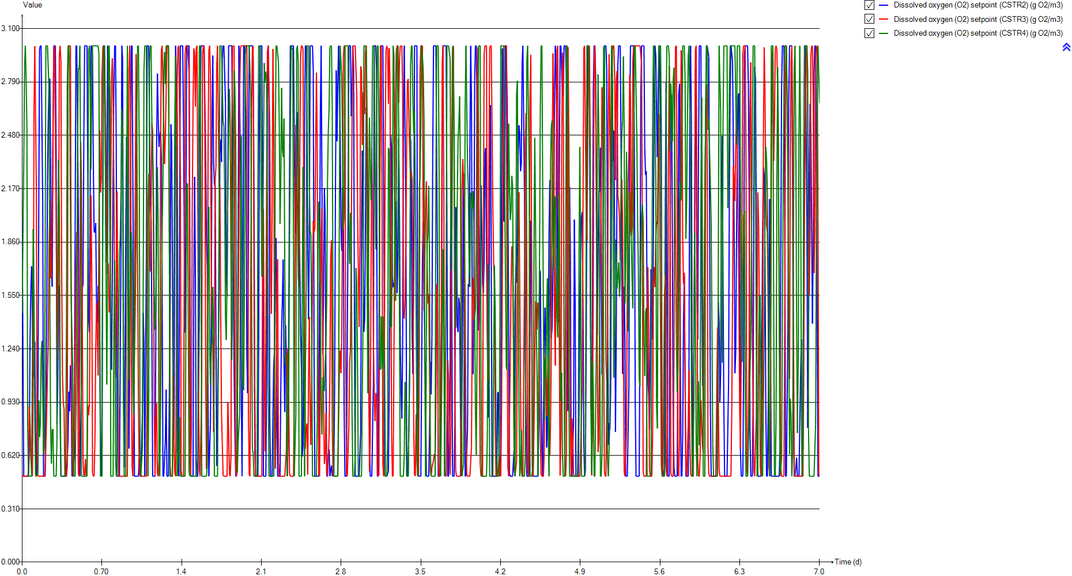
DO
Time | Dissolved oxygen (O2) setpoint (CSTR2) | Dissolved oxygen (O2) setpoint (CSTR3) | Dissolved oxygen (O2) setpoint (CSTR4)
d | g O2/m3 | g O2/m3 | g O2/m3
0 | 2.00004 | 0.5 | 1.44522
0.0069444444444 | 2.00004 | 0.5 | 1.44522
0.013888888889 | 0.5 | 0.5 | 2.31202
0.020833333333 | 0.5 | 0.5 | 2.86955
0.027777777778 | 0.5 | 0.5 | 3
0.034722222222 | 0.5 | 0.5 | 2.80213
0.041666666667 | 0.5 | 0.5 | 2.52384
0.048611111111 | 0.5 | 0.5 | 0.785607
0.055555555556 | 0.5 | 0.526274 | 0.5
0.0625 | 0.640367 | 0.90559 | 0.5
0.069444444444 | 1.30164 | 0.812503 | 0.5
0.076388888889 | 1.58481 | 0.609088 | 0.5
0.083333333333 | 1.71942 | 0.515177 | 0.5
0.090277777778 | 1.40011 | 0.5 | 1.21843
0.097222222222 | 1.07634 | 1.09278 | 1.93488
0.10416666667 | 1.11263 | 2.61682 | 1.54774
0.11111111111 | 1.2801 | 2.99851 | 0.834275
0.11805555556 | 0.767301 | 3 | 0.5
0.125 | 0.5 | 2.14416 | 0.5
0.13194444444 | 0.5 | 0.567341 | 0.5
0.13888888889 | 0.981666 | 0.50009 | 0.523347
0.14583333333 | 2.0382 | 0.5 | 0.939636
0.15277777778 | 2.97971 | 0.5 | 0.727128
0.15972222222 | 3 | 0.5 | 0.806308
0.16666666667 | 3 | 0.5 | 1.20233
0.17361111111 | 3 | 0.5 | 1.28607
0.18055555556 | 2.09028 | 0.5 | 0.984483
0.1875 | 0.5 | 0.5 | 0.629435
0.19444444444 | 0.5 | 0.5 | 0.671157
0.20138888889 | 0.5 | 0.5 | 1.67571
0.20833333333 | 0.5 | 0.5 | 3
0.21527777778 | 1.37234 | 0.873036 | 3
0.22222222222 | 2.20292 | 1.10328 | 3
0.22916666667 | 2.5724 | 1.26526 | 3
0.23611111111 | 2.80114 | 1.8606 | 2.73803
0.24305555556 | 2.80862 | 2.09776 | 1.48791
0.25 | 2.35354 | 1.64993 | 0.795481
0.25694444444 | 1.71058 | 1.65636 | 0.573159
0.26388888889 | 1.60115 | 2.03581 | 0.770298
0.27083333333 | 2.42225 | 2.53205 | 0.773507
0.27777777778 | 3 | 2.97556 | 0.5
0.28472222222 | 3 | 3 | 0.5
0.29166666667 | 3 | 3 | 0.5
0.29861111111 | 2.36325 | 2.00139 | 0.5
0.30555555556 | 0.800727 | 1.28105 | 0.711073
0.3125 | 1.01437 | 1.17992 | 1.76124
0.31944444444 | 1.60841 | 1.73375 | 2.33737
0.32638888889 | 1.59104 | 2.942 | 2.07217
0.33333333333 | 0.838075 | 2.99966 | 1.11172
...

SNH
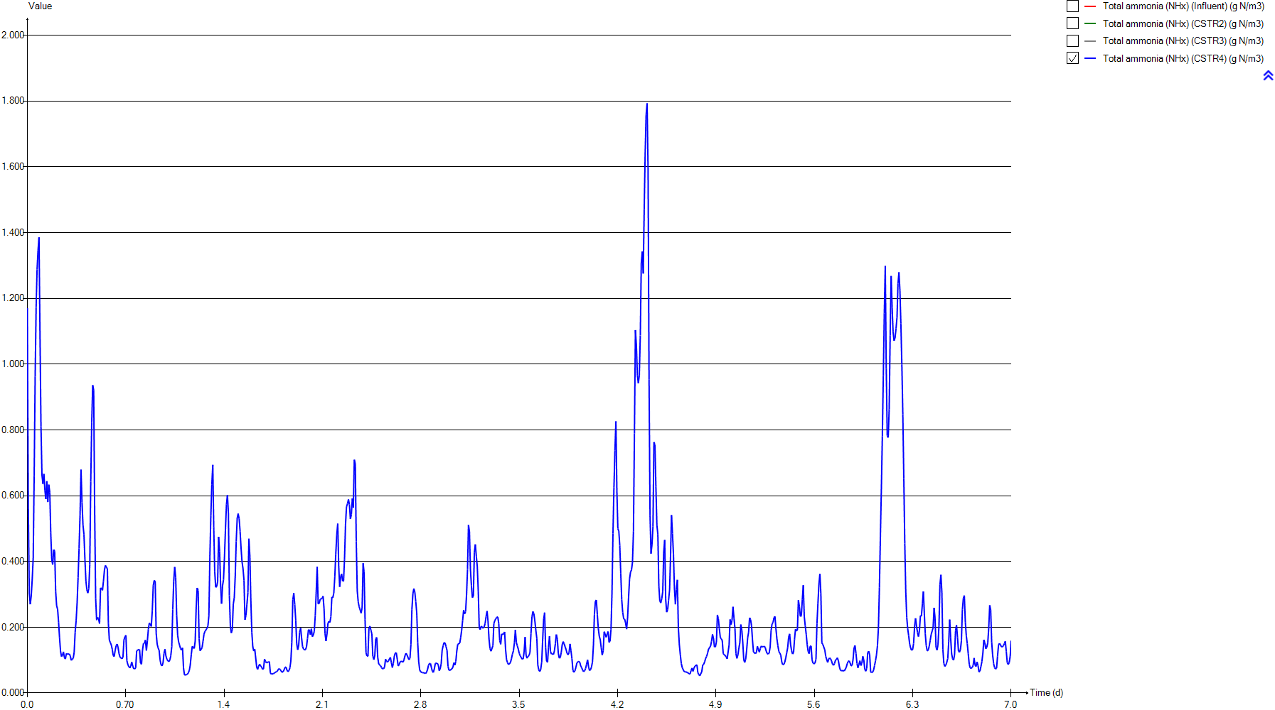
SNH
Time | Total ammonia (NHx) (Influent) | Total ammonia (NHx) (CSTR2) | Total ammonia (NHx) (CSTR3) | Total ammonia (NHx) (CSTR4)
d | g N/m3 | g N/m3 | g N/m3 | g N/m3
0 | 54.158651163 | 5.5906180896 | 2.9186805005 | 1.170282848
0.0069444444444 | 53.070906977 | 5.6149520762 | 2.6575366587 | 0.55913058003
0.013888888889 | 51.955604651 | 6.4936314602 | 2.6022786981 | 0.30248711328
0.020833333333 | 50.851534884 | 7.2596244586 | 2.7667724018 | 0.27001126244
0.027777777778 | 49.779697674 | 7.9017982893 | 3.0569576026 | 0.29622222752
0.034722222222 | 48.778116279 | 8.4237394763 | 3.409006567 | 0.34560245743
0.041666666667 | 47.773046512 | 8.8358245822 | 3.780064864 | 0.4103935956
0.048611111111 | 46.700232558 | 9.1513783227 | 4.1418194731 | 0.66055123055
0.055555555556 | 45.696767442 | 9.389224435 | 4.4630507173 | 0.96272110926
0.0625 | 44.757 | 9.4231388735 | 4.5607632368 | 1.1718882658
0.069444444444 | 43.824 | 9.0734934981 | 4.4809503983 | 1.2878178881
0.076388888889 | 42.897767442 | 8.7197993739 | 4.447438368 | 1.3461793615
0.083333333333 | 42.135348837 | 8.4081965797 | 4.4757115202 | 1.3855259024
0.090277777778 | 41.240372093 | 8.2366797928 | 4.4987823901 | 1.0881719285
0.097222222222 | 40.423674419 | 8.1872438118 | 4.2566374584 | 0.81156138445
0.10416666667 | 39.68155814 | 8.0753320996 | 3.7001978633 | 0.66320241945
0.11111111111 | 38.963581395 | 7.8650466127 | 3.1251834533 | 0.63611480825
0.11805555556 | 38.318093023 | 7.912229529 | 2.704866551 | 0.66645450733
0.125 | 37.757860465 | 8.1341206012 | 2.5028159373 | 0.6171151294
0.13194444444 | 37.189255814 | 8.2414429333 | 2.6538201504 | 0.58963828782
0.13888888889 | 36.688046512 | 7.8942890139 | 3.1219040555 | 0.64393949281
0.14583333333 | 36.240069767 | 7.2775568829 | 3.340188496 | 0.58076646449
0.15277777778 | 35.840372093 | 6.6688729447 | 3.3372674349 | 0.63364319834
0.15972222222 | 35.333093023 | 6.1892516332 | 3.1983010179 | 0.61046729955
0.16666666667 | 34.736372093 | 5.8043142403 | 2.9917695608 | 0.48631512992
0.17361111111 | 33.998790698 | 5.4818578649 | 2.7580904909 | 0.40618566382
0.18055555556 | 33.215860465 | 5.3086027187 | 2.5347134207 | 0.39057823179
0.1875 | 32.656953488 | 5.813573604 | 2.4311554253 | 0.43607084008
0.19444444444 | 32.180093023 | 6.1260670234 | 2.4568825981 | 0.43159725371
0.20138888889 | 31.934093023 | 6.302817166 | 2.5304919489 | 0.31042010452
0.20833333333 | 31.883162791 | 6.3852412562 | 2.6091336332 | 0.26538126712
0.21527777778 | 32.002255814 | 5.8838270135 | 2.4545164804 | 0.25545895969
0.22222222222 | 32.211976744 | 5.3196386299 | 2.0430171177 | 0.21579567834
0.22916666667 | 32.452186047 | 4.8558944725 | 1.5852119182 | 0.16776209817
0.23611111111 | 32.745209302 | 4.4969755863 | 1.1388674007 | 0.12777678605
0.24305555556 | 33.054627907 | 4.2439988544 | 0.79696356475 | 0.11096495881
0.25 | 33.426837209 | 4.1246388385 | 0.64393415807 | 0.11536199077
0.25694444444 | 33.844604651 | 4.1620535487 | 0.61018730632 | 0.12566316288
0.26388888889 | 34.419488372 | 4.2321260967 | 0.59156808728 | 0.10796441164
0.27083333333 | 35.095465116 | 4.1639922908 | 0.55331367304 | 0.10356321275
0.27777777778 | 35.848465116 | 4.0899193713 | 0.51041439517 | 0.12048566548
0.28472222222 | 36.710302326 | 4.0796080138 | 0.48858184739 | 0.11786728793
0.29166666667 | 37.377418605 | 4.1196812199 | 0.48778473634 | 0.11659463261
0.29861111111 | 38.271697674 | 4.2670016107 | 0.52806821858 | 0.11904465477
0.30555555556 | 39.168209302 | 4.8793683777 | 0.67752999814 | 0.11279723763
0.3125 | 39.970953488 | 5.2556851312 | 0.8681483564 | 0.099365571372
0.31944444444 | 40.744395349 | 5.3806127465 | 0.94997636979 | 0.10300285336
0.32638888889 | 41.374255814 | 5.5356094261 | 0.91677192116 | 0.10540393664
0.33333333333 | 41.829069767 | 6.0038278639 | 0.93102925368 | 0.12408879319
...

PE
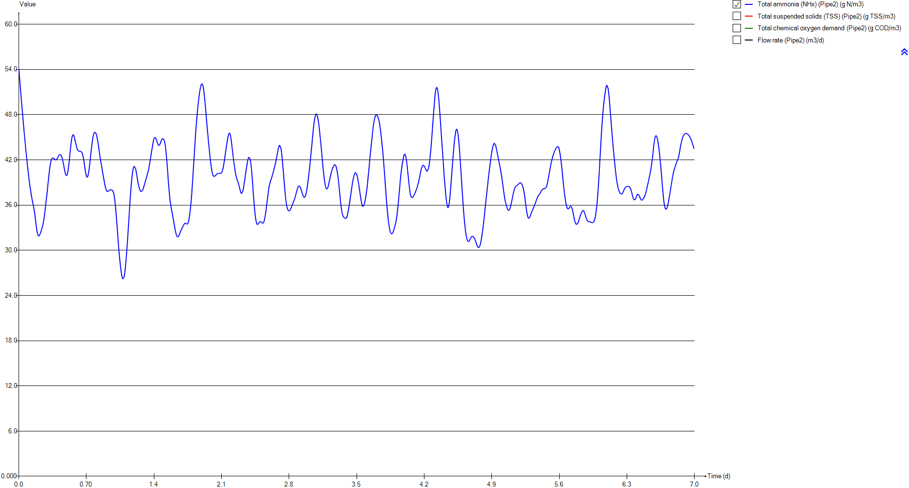
PE
Time | Total ammonia (NHx) (Pipe2) | Total suspended solids (TSS) (Pipe2) | Total chemical oxygen demand (Pipe2) | Flow rate (Pipe2)
d | g N/m3 | g TSS/m3 | g COD/m3 | m3/d
0 | 54.158651163 | 73.913358302 | 268.95597703 | 23479.368311
0.0069444444444 | 53.070906977 | 73.667157711 | 268.07177439 | 23652.476779
0.013888888889 | 51.955604651 | 73.446644596 | 267.27975833 | 23833.453836
0.020833333333 | 50.851534884 | 73.261632101 | 266.6152007 | 24016.161053
0.027777777778 | 49.779697674 | 73.113200026 | 266.08200618 | 24196.279767
0.034722222222 | 48.778116279 | 73.002248224 | 265.68342869 | 24366.947417
0.041666666667 | 47.773046512 | 72.915128841 | 265.37045428 | 24539.998847
0.048611111111 | 46.700232558 | 72.847109707 | 265.12609018 | 24726.523274
0.055555555556 | 45.696767442 | 72.806554136 | 264.98038822 | 24902.872304
0.0625 | 44.757 | 72.788368096 | 264.91505145 | 25069.861703
0.069444444444 | 43.824 | 72.787640658 | 264.91243798 | 25237.702161
0.076388888889 | 42.897767442 | 72.80418994 | 264.97189442 | 25406.686041
0.083333333333 | 42.135348837 | 72.832378648 | 265.07316689 | 25548.179593
0.090277777778 | 41.240372093 | 72.882028281 | 265.25153866 | 25717.105556
0.097222222222 | 40.423674419 | 72.94950318 | 265.4939445 | 25875.02885
0.10416666667 | 39.68155814 | 73.036260549 | 265.80561451 | 26022.621511
0.11111111111 | 38.963581395 | 73.152307713 | 266.22249077 | 26169.78593
0.11805555556 | 38.318093023 | 73.296741088 | 266.74131424 | 26307.327586
0.125 | 37.757860465 | 73.468840169 | 267.35948095 | 26432.216709
0.13194444444 | 37.189255814 | 73.704822458 | 268.20704836 | 26564.911377
0.13888888889 | 36.688046512 | 73.99270325 | 269.24091892 | 26687.887322
0.14583333333 | 36.240069767 | 74.339243765 | 270.48531151 | 26800.892574
0.15277777778 | 35.840372093 | 74.727547511 | 271.87948552 | 26898.678321
0.15972222222 | 35.333093023 | 75.268006784 | 273.81963453 | 27007.851847
0.16666666667 | 34.736372093 | 75.825944886 | 275.82212974 | 27103.065338
0.17361111111 | 33.998790698 | 76.244472785 | 277.32400156 | 27183.326481
0.18055555556 | 33.215860465 | 76.336500753 | 277.65420989 | 27278.985315
0.1875 | 32.656953488 | 76.244472785 | 277.32400156 | 27354.022102
0.19444444444 | 32.180093023 | 76.038020191 | 276.58318263 | 27431.450054
0.20138888889 | 31.934093023 | 75.774934144 | 275.63906399 | 27496.437772
0.20833333333 | 31.883162791 | 75.478009062 | 274.57340118 | 27555.157472
0.21527777778 | 32.002255814 | 75.111933389 | 273.25939898 | 27614.056449
0.22222222222 | 32.211976744 | 74.741748763 | 271.93047026 | 27660.384351
0.22916666667 | 32.452186047 | 74.402589672 | 270.71276343 | 27696.199314
0.23611111111 | 32.745209302 | 74.07332587 | 269.53044074 | 27728.810437
0.24305555556 | 33.054627907 | 73.810724906 | 268.58738997 | 27753.058001
0.25 | 33.426837209 | 73.587100144 | 267.78423929 | 27769.555678
0.25694444444 | 33.844604651 | 73.402436243 | 267.12096772 | 27776.833818
0.26388888889 | 34.419488372 | 73.203603806 | 266.40675613 | 27777.476583
0.27083333333 | 35.095465116 | 73.020254664 | 265.74811519 | 27770.360364
0.27777777778 | 35.848465116 | 72.846200379 | 265.1228233 | 27756.121601
0.28472222222 | 36.710302326 | 72.686166158 | 264.54786372 | 27732.959255
0.29166666667 | 37.377418605 | 72.590880197 | 264.20551119 | 27708.680743
0.29861111111 | 38.271697674 | 72.514327973 | 263.93045843 | 27669.27435
0.30555555556 | 39.168209302 | 72.500508935 | 263.8808057 | 27621.038202
0.3125 | 39.970953488 | 72.53269292 | 263.99644453 | 27569.982478
0.31944444444 | 40.744395349 | 72.606700207 | 264.26235166 | 27509.781659
0.32638888889 | 41.374255814 | 72.729446657 | 264.70336213 | 27442.340136
0.33333333333 | 41.829069767 | 72.906944577 | 265.34105198 | 27367.515421
...

Biomass
...
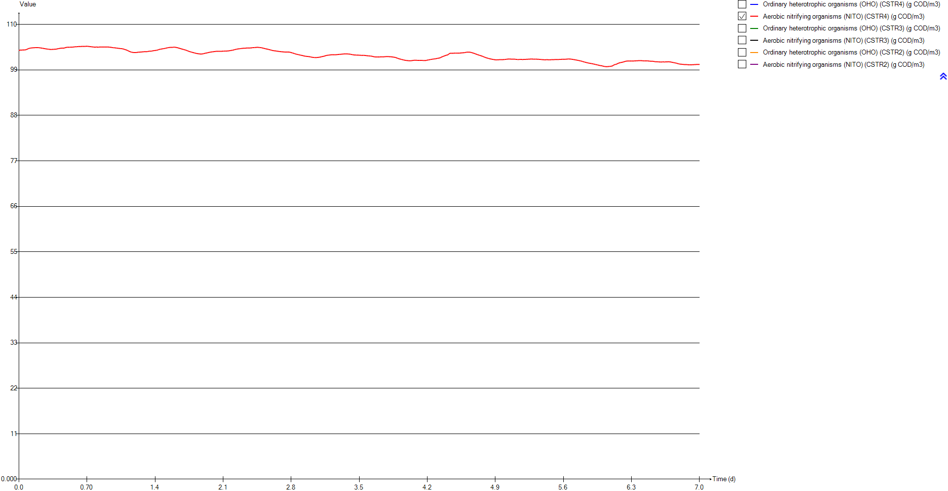
Aerobic nitrifying organisms (NITO) (CSTR4) | Ordinary heterotrophic organisms (OHO) (CSTR3) | Aerobic nitrifying organisms (NITO) (CSTR3) | Ordinary heterotrophic organisms (OHO) (CSTR2) | Aerobic nitrifying organisms (NITO) (CSTR2)
g COD/m3 | g COD/m3 | g COD/m3 | g COD/m3 | g COD/m3
103.65821735 | 1024.9165939 | 103.43538384 | 1023.954899 | 103.01263248
103.77023162 | 1024.9731271 | 103.48977561 | 1023.9681754 | 103.03685912
103.80376232 | 1025.0086171 | 103.51522014 | 1023.8453407 | 102.92466121
103.79712114 | 1024.9988399 | 103.51187131 | 1023.735346 | 102.84884725
103.79257802 | 1024.9690339 | 103.49646344 | 1023.6625937 | 102.79763866
103.79884317 | 1024.9329349 | 103.477593 | 1023.6169637 | 102.76295699
103.81574704 | 1024.8978922 | 103.4592858 | 1023.5903369 | 102.73978532
103.81440326 | 1024.8675375 | 103.443341 | 1023.5766469 | 102.72492579
103.81154662 | 1024.8450402 | 103.43307208 | 1023.5699755 | 102.7154523
103.82838349 | 1024.8582632 | 103.4635989 | 1023.5991759 | 102.73855517
103.86257244 | 1024.9201517 | 103.52503455 | 1023.6992618 | 102.83331908
103.90560238 | 1024.9775086 | 103.57194327 | 1023.8016222 | 102.92425143
103.9487902 | 1025.0158926 | 103.6011139 | 1023.8885617 | 103.00294086
104.05216161 | 1025.0460505 | 103.62615329 | 1023.9476161 | 103.05006769
104.14362421 | 1025.1111243 | 103.7000384 | 1023.9821489 | 103.07037534
104.20388325 | 1025.2364632 | 103.83398974 | 1024.0282077 | 103.10209424
104.23859593 | 1025.3739773 | 103.96837543 | 1024.0998532 | 103.15251328
104.26146132 | 1025.4901342 | 104.06780091 | 1024.1321578 | 103.14849487
104.29540946 | 1025.572214 | 104.11944364 | 1024.1205516 | 103.10681035
104.31996228 | 1025.608535 | 104.09671212 | 1024.1342118 | 103.08595616
104.32437446 | 1025.5774812 | 104.00824397 | 1024.2619695 | 103.15531275
104.34549354 | 1025.5991805 | 103.96768115 | 1024.4624913 | 103.27842804
104.3432367 | 1025.6798849 | 103.96976125 | 1024.6748274 | 103.39842976
104.35363369 | 1025.8004434 | 103.99737715 | 1024.8747223 | 103.48988146
104.37813861 | 1025.9467477 | 104.03643932 | 1025.0687589 | 103.55944698
104.38949312 | 1026.1119451 | 104.07844586 | 1025.2663539 | 103.61307359
104.38756433 | 1026.290206 | 104.11532874 | 1025.4541588 | 103.63182487
104.37565165 | 1026.4547646 | 104.12438941 | 1025.5040971 | 103.50823594
104.36998971 | 1026.5974097 | 104.10333351 | 1025.5750247 | 103.41904333
104.37493897 | 1026.7391062 | 104.06875568 | 1025.6844621 | 103.35421494
104.35720453 | 1026.8885918 | 104.02985435 | 1025.8200673 | 103.30682698
104.33204386 | 1027.0932722 | 104.03498817 | 1026.0933871 | 103.37733426
104.31097105 | 1027.3801194 | 104.08962115 | 1026.3969653 | 103.46194026
104.28791162 | 1027.6907827 | 104.15186051 | 1026.6792874 | 103.52794043
104.26006275 | 1028.0072625 | 104.20946436 | 1026.9378564 | 103.57453787
104.22995035 | 1028.3190795 | 104.24287836 | 1027.1748813 | 103.60143246
104.20093095 | 1028.6021019 | 104.23714983 | 1027.3865374 | 103.60305814
104.17316868 | 1028.8498532 | 104.20990145 | 1027.5670854 | 103.57508227
104.14377551 | 1029.0816567 | 104.18246056 | 1027.7384627 | 103.54326516
104.11141113 | 1029.3128161 | 104.16132774 | 1027.937537 | 103.54269067
104.08316147 | 1029.5453955 | 104.14350736 | 1028.1457392 | 103.5469853
104.05881119 | 1029.7731477 | 104.12489424 | 1028.3466705 | 103.54269982
104.03494051 | 1029.9918621 | 104.10688613 | 1028.5408125 | 103.53296025
104.01265671 | 1030.1968971 | 104.08690668 | 1028.7191066 | 103.50620284
103.99053589 | 1030.3617744 | 104.05395271 | 1028.8047426 | 103.38973502
103.96512736 | 1030.4953781 | 104.02076359 | 1028.9322619 | 103.3250496
103.94425141 | 1030.6496541 | 104.01336914 | 1029.1268175 | 103.31493842
103.93362063 | 1030.8451355 | 104.03050794 | 1029.3304604 | 103.30180849
103.93310506 | 1031.0473319 | 104.04003219 | 1029.4731299 | 103.22744428
...

TSS
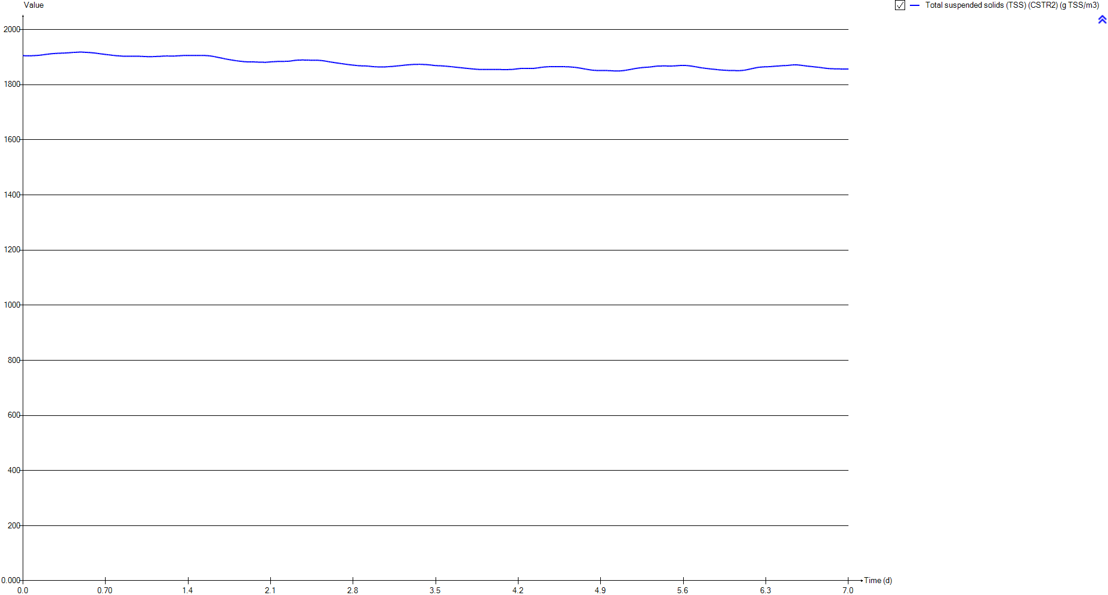
TSS
Time | Total suspended solids (TSS) (CSTR2)
d | g TSS/m3
0 | 1905.1862894
0.0069444444444 | 1905.1865633
0.013888888889 | 1905.0752478
0.020833333333 | 1904.9592744
0.027777777778 | 1904.8677104
0.034722222222 | 1904.8002714
0.041666666667 | 1904.7569642
0.048611111111 | 1904.7380558
0.055555555556 | 1904.7428978
0.0625 | 1904.7884093
0.069444444444 | 1904.9098407
0.076388888889 | 1905.0598763
0.083333333333 | 1905.2184191
0.090277777778 | 1905.3688803
0.097222222222 | 1905.5121746
0.10416666667 | 1905.6757013
0.11111111111 | 1905.8700069
0.11805555556 | 1906.0451882
0.125 | 1906.2070202
0.13194444444 | 1906.3949712
0.13888888889 | 1906.6680912
0.14583333333 | 1907.022847
0.15277777778 | 1907.4109585
0.15972222222 | 1907.8083232
0.16666666667 | 1908.2216157
0.17361111111 | 1908.6581058
0.18055555556 | 1909.0981162
0.1875 | 1909.4493478
0.19444444444 | 1909.7989787
0.20138888889 | 1910.1563309
0.20833333333 | 1910.5065367
0.21527777778 | 1910.9126426
0.22222222222 | 1911.3238021
0.22916666667 | 1911.6950214
0.23611111111 | 1912.0225969
0.24305555556 | 1912.3093452
0.25 | 1912.5556226
0.25694444444 | 1912.7628839
0.26388888889 | 1912.9535198
0.27083333333 | 1913.1585245
0.27777777778 | 1913.3628744
0.28472222222 | 1913.5532393
0.29166666667 | 1913.7310472
0.29861111111 | 1913.8885015
0.30555555556 | 1913.9732319
0.3125 | 1914.0781776
0.31944444444 | 1914.2297018
0.32638888889 | 1914.3876749
0.33333333333 | 1914.504224
...

Influent
...
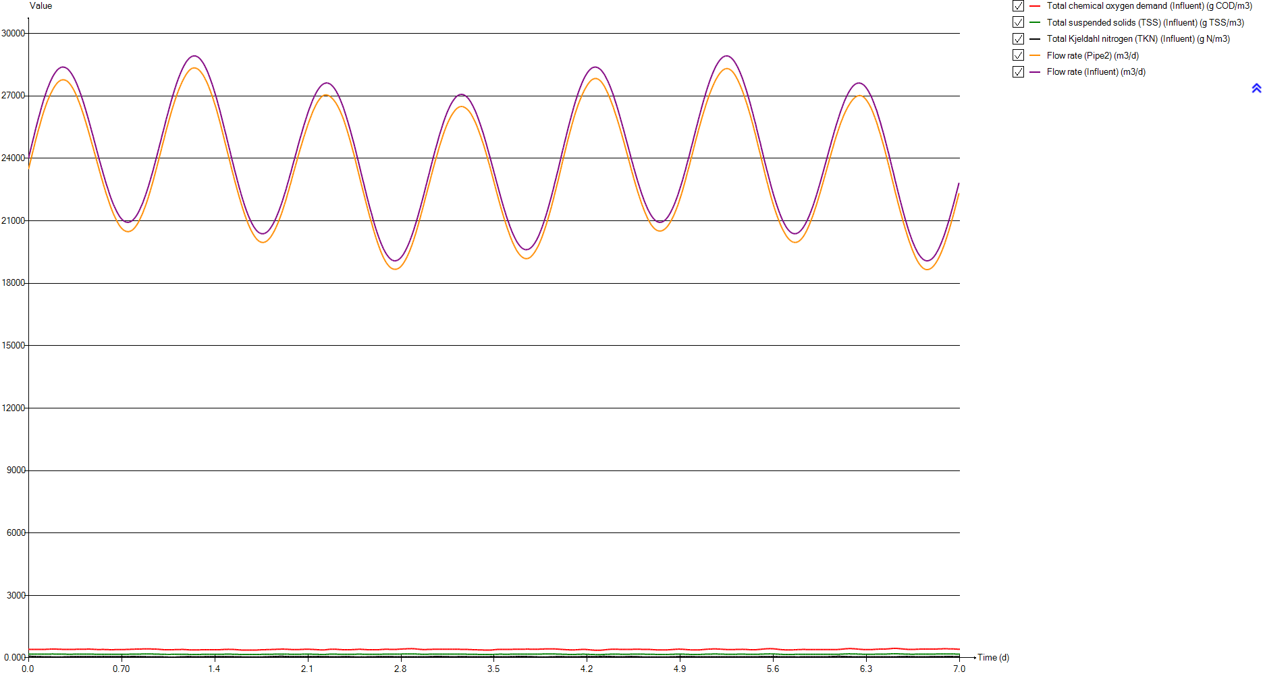
Total chemical oxygen demand (Influent) | Total suspended solids (TSS) (Influent) | Total Kjeldahl nitrogen (TKN) (Influent) | Flow rate (Pipe2) | Flow rate (Influent)
g COD/m3 | g TSS/m3 | g N/m3 | m3/d | m3/d
414.968 | 180.77489195 | 77.6274 | 23479.368311 | 24000
413.615 | 180.18576238 | 76.0683 | 23652.476779 | 24175.2
412.403 | 179.6580277 | 74.4697 | 23833.453836 | 24358.6
411.386 | 179.21520082 | 72.8872 | 24016.161053 | 24544
410.57 | 178.8598943 | 71.3509 | 24196.279767 | 24727
409.96 | 178.59428526 | 69.9153 | 24366.947417 | 24900.6
409.481 | 178.38571684 | 68.4747 | 24539.998847 | 25076.8
409.107 | 178.22286802 | 66.937 | 24726.523274 | 25266.9
408.884 | 178.12576832 | 65.4987 | 24902.872304 | 25446.8
408.784 | 178.08222586 | 64.1517 | 25069.861703 | 25617.3
408.78 | 178.08048416 | 62.8144 | 25237.702161 | 25788.8
408.871 | 178.1201078 | 61.4868 | 25406.686041 | 25961.6
409.026 | 178.18759862 | 60.394 | 25548.179593 | 26106.4
409.299 | 178.30646956 | 59.1112 | 25717.105556 | 26279.4
409.67 | 178.4680121 | 57.9406 | 25875.02885 | 26441.3
410.147 | 178.67570967 | 56.8769 | 26022.621511 | 26592.8
410.785 | 178.9535106 | 55.8478 | 26169.78593 | 26744.1
411.579 | 179.29923778 | 54.9226 | 26307.327586 | 26885.8
412.525 | 179.71114951 | 54.1196 | 26432.216709 | 27014.8
413.822 | 180.27589529 | 53.3046 | 26564.911377 | 27152.3
415.404 | 180.9647371 | 52.5862 | 26687.887322 | 27280.3
417.308 | 181.79378565 | 51.9441 | 26800.892574 | 27398.6
419.441 | 182.72254645 | 51.3712 | 26898.678321 | 27501.7
422.409 | 184.01488683 | 50.6441 | 27007.851847 | 27617.7
425.472 | 185.34859257 | 49.7888 | 27103.065338 | 27719.6
427.769 | 186.34876301 | 48.7316 | 27183.326481 | 27805.1
428.274 | 186.56865246 | 47.6094 | 27278.985315 | 27903.7
427.769 | 186.34876301 | 46.8083 | 27354.022102 | 27979.7
426.636 | 185.85542687 | 46.1248 | 27431.450054 | 28057.2
425.192 | 185.22667366 | 45.7722 | 27496.437772 | 28121.5
423.562 | 184.51693147 | 45.6992 | 27555.157472 | 28179.1
421.552 | 183.6417279 | 45.8699 | 27614.056449 | 28236.3
419.519 | 182.75650957 | 46.1705 | 27660.384351 | 28280.6
417.656 | 181.94531343 | 46.5148 | 27696.199314 | 28314.4
415.847 | 181.15763022 | 46.9348 | 27728.810437 | 28345
414.404 | 180.52931244 | 47.3783 | 27753.058001 | 28367.6
413.175 | 179.99417553 | 47.9118 | 27769.555678 | 28382.6
412.16 | 179.55221951 | 48.5106 | 27776.833818 | 28388.5
411.067 | 179.07630035 | 49.3346 | 27777.476583 | 28387.5
410.059 | 178.6373923 | 50.3035 | 27770.360364 | 28378.7
409.102 | 178.2206909 | 51.3828 | 27756.121601 | 28362.7
408.222 | 177.8375172 | 52.6181 | 27732.959255 | 28337.7
407.698 | 177.60935468 | 53.5743 | 27708.680743 | 28312.1
407.277 | 177.4260409 | 54.8561 | 27669.27435 | 28271.2
407.201 | 177.39294862 | 56.1411 | 27621.038202 | 28221.8
407.378 | 177.47001879 | 57.2917 | 27569.982478 | 28169.9
407.785 | 177.64723662 | 58.4003 | 27509.781659 | 28109
408.46 | 177.94114827 | 59.3031 | 27442.340136 | 28041.1
409.436 | 178.36612273 | 59.955 | 27367.515421 | 27966.1
...

Timechart

Timechart
Time | Flow rate (Pipe11) | Flow rate (Pipe13)
d | m3/d | m3/d
0 | 24000 | 600
0.0069444444444 | 24000 | 600
0.013888888889 | 24000 | 600
0.020833333333 | 24000 | 600
0.027777777778 | 24000 | 600
0.034722222222 | 24000 | 600
0.041666666667 | 24000 | 600
0.048611111111 | 24000 | 600
0.055555555556 | 24000 | 600
0.0625 | 24000 | 600
0.069444444444 | 24000 | 600
0.076388888889 | 24000 | 600
0.083333333333 | 24000 | 600
0.090277777778 | 24000 | 600
0.097222222222 | 24000 | 600
0.10416666667 | 24000 | 600
0.11111111111 | 24000 | 600
0.11805555556 | 24000 | 600
0.125 | 24000 | 600
0.13194444444 | 24000 | 600
0.13888888889 | 24000 | 600
0.14583333333 | 24000 | 600
0.15277777778 | 24000 | 600
0.15972222222 | 24000 | 600
0.16666666667 | 24000 | 600
0.17361111111 | 24000 | 600
0.18055555556 | 24000 | 600
0.1875 | 24000 | 600
0.19444444444 | 24000 | 600
0.20138888889 | 24000 | 600
0.20833333333 | 24000 | 600
0.21527777778 | 24000 | 600
0.22222222222 | 24000 | 600
0.22916666667 | 24000 | 600
0.23611111111 | 24000 | 600
0.24305555556 | 24000 | 600
0.25 | 24000 | 600
0.25694444444 | 24000 | 600
0.26388888889 | 24000 | 600
0.27083333333 | 24000 | 600
0.27777777778 | 24000 | 600
0.28472222222 | 24000 | 600
0.29166666667 | 24000 | 600
0.29861111111 | 24000 | 600
0.30555555556 | 24000 | 600
0.3125 | 24000 | 600
0.31944444444 | 24000 | 600
0.32638888889 | 24000 | 600
0.33333333333 | 24000 | 600
...

Timechart (2)
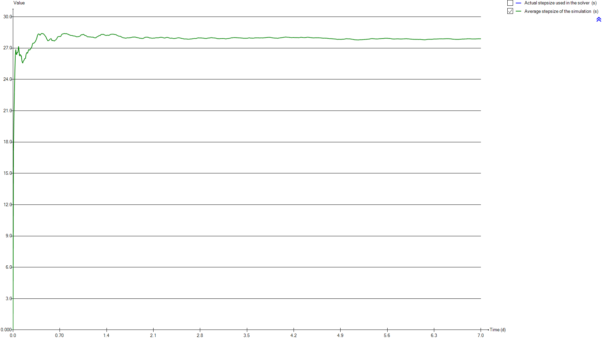
Timechart
Time | Actual stepsize used in the solver | Average stepsize of the simulation
d | s | s
0 | 0 | 0
0.0069444444444 | 33.126 | 17.142
0.013888888889 | 38.27 | 20.338
0.020833333333 | 35.371 | 22.784
0.027777777778 | 36.533 | 24.742
0.034722222222 | 64.81 | 26.315
0.041666666667 | 79.396 | 26.865
0.048611111111 | 40.944 | 26.415
0.055555555556 | 28.622 | 26.373
0.0625 | 39.49 | 26.6
0.069444444444 | 37.151 | 26.548
0.076388888889 | 18.359 | 26.72
0.083333333333 | 88.478 | 27.169
0.090277777778 | 41.719 | 26.804
0.097222222222 | 19.562 | 26.25
0.10416666667 | 20.482 | 26.392
0.11111111111 | 2.711 | 26.373
0.11805555556 | 3.835 | 26.221
0.125 | 38.454 | 26.277
0.13194444444 | 11.83 | 25.85
0.13888888889 | 1.462 | 25.641
0.14583333333 | 9.445 | 25.557
0.15277777778 | 66.309 | 25.73
0.15972222222 | 22.858 | 25.794
0.16666666667 | 19.481 | 25.852
0.17361111111 | 77.733 | 25.996
0.18055555556 | 9.208 | 26
0.1875 | 45.009 | 26.003
0.19444444444 | 18.821 | 26.373
0.20138888889 | 40.407 | 26.484
0.20833333333 | 60.915 | 26.587
0.21527777778 | 7.569 | 26.495
0.22222222222 | 9.157 | 26.592
0.22916666667 | 58.88 | 26.756
0.23611111111 | 45.567 | 26.877
0.24305555556 | 32.659 | 26.819
0.25 | 2.005 | 26.799
0.25694444444 | 37.445 | 26.876
0.26388888889 | 8.241 | 26.918
0.27083333333 | 14.445 | 27.02
0.27777777778 | 32.163 | 27.057
0.28472222222 | 0.693 | 27.212
0.29166666667 | 115.249 | 27.391
0.29861111111 | 65.961 | 27.476
0.30555555556 | 16.601 | 27.471
0.3125 | 33.529 | 27.466
0.31944444444 | 27.329 | 27.49
0.32638888889 | 22.186 | 27.565
0.33333333333 | 16.032 | 27.612
...

Primary

Unit overview

Name: | Primary
Sumo name: | Primary1
Category: | Separators
Unit: | Primary
Type: | Volumeless primary with specified primary sludge concentration

Settings

 | Process settings
Symbol | Name | Value | Unit | Comment
fXTSS,sludge | Solids percent removal | 60 | %
XTSS,sludge,target | Sludge solids concentration | 5000 | g/m3
...

CSTR
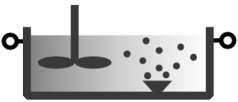
Unit overview

Name: | CSTR
Sumo name: | CSTR1
Category: | Bioreactors
Unit: | CSTR
Type: | CSTR with diffused aeration and input DO

Settings

 | Reactor settings
Symbol | Name | Value | Unit | Comment
L.Vtrain | Volume per train | 2000 | m3
Ntrain | Number of trains | 1
...

CSTR2
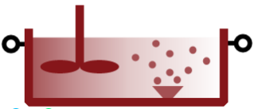
Unit overview

Name: | CSTR2
Sumo name: | CSTR2
Category: | Bioreactors
Unit: | CSTR
Type: | CSTR with diffused aeration and input DO

Settings

 | Reactor settings
Symbol | Name | Value | Unit | Comment
L.Vtrain | Volume per train | 2000 | m3
Ntrain | Number of trains | 1
...

Clarifier

Unit overview

Name: | Clarifier
Sumo name: | Clarifier1
Category: | Separators
Unit: | Clarifier
Type: | Volumeless clarifier with fixed effluent solids

Settings

 | Process settings
Symbol | Name | Value | Unit | Comment
Qsludge,target | Sludge flow | 24000 | m3/d
XTSS,eff,target | Effluent solids | 10 | g/m3
...

