Sheet1
(the simulated dataset contains two common cell types and one rare cell type)
Improved Gini (Gini + DESC)
Proportion of rare cell | AUC | f1_score (for rare cells only) | ari | nmi | confusion matrix
0.1 | 0.98446085165 | 0.98076923077 | 0.98571928753 | 0.96330256164 | 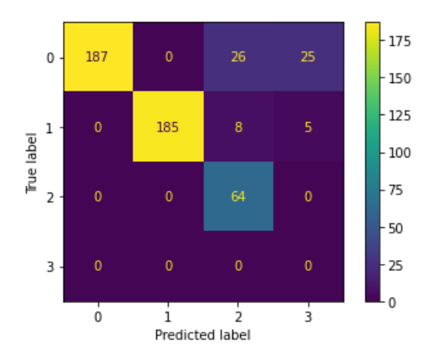
0.09 | 0.99669603524 | 0.994 | 0.98690919392 | 0.9669654836 | 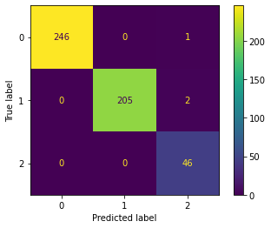
0.07 | 0.98081023454 | 0.964 | 0.92180308619 | 0.89353489556 | 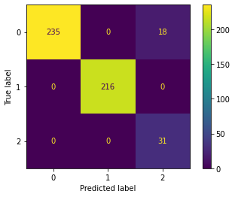
0.05 | 0.99154334038 | 0.984 | 0.96611915934 | 0.92697926118 | 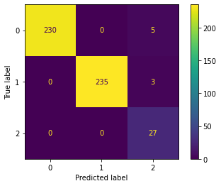
0.03 | 0.48538935397 | 0 | 0.94850073721 | 0.90698305162 | 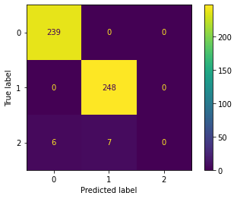
0.02 | 0.60319076714 | 0 | 0.9652298924 | 0.93137015784 | 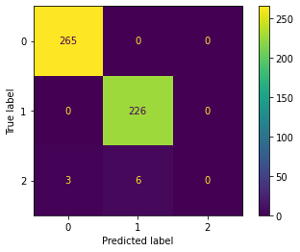
0.01 | 0.49089068826 | 0 | 0.97609578228 | 0.94914816566 | 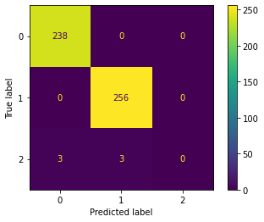

GiniClust3
0.1 | 0.26693289484 | 0.946 | 0.89781095863 | 0.87756377038 | 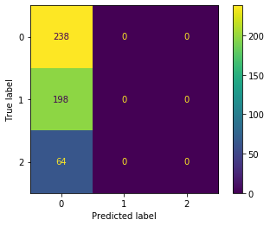
0.09 | 0.77202643172 | 0 | 0.84729880541 | 0.85245699617 | 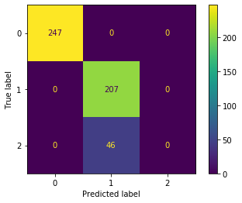
0.07 | 0.28585184676 | 0 | 0.87458442656 | 0.86385319938 | 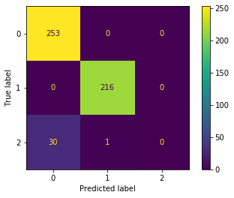
0.05 | 0.26693289484 | 0 | 0.89781095863 | 0.87756377038 | 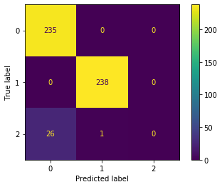
0.03 | 0.7453798768 | 0 | 0.94831245371 | 0.93054302518 | 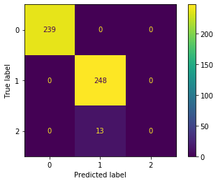
0.02 | 0.76985743381 | 0 | 0.96739240246 | 0.94765599753 | 
0.01 | 0.40755735493 | 0 | 0.97640024029 | 0.95019002487 | 

