Sheet2
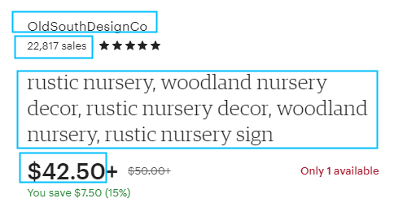
产品类别 | 产品类别地址
Women's Shoes | https://www.etsy.com/c/shoes/womens-shoes | 每个类别抓10页
Men's Shoes | https://www.etsy.com/c/shoes/mens-shoes
Storage & Organization | https://www.etsy.com/c/home-and-living/storage-and-organization
Kitchen & Dining | https://www.etsy.com/c/home-and-living/kitchen-and-dining
Lights & Ceiling Fans | https://www.etsy.com/c/home-and-living/lights-and-ceiling-fans
Backpacks | https://www.etsy.com/c/bags-and-purses/backpacks
Handbags | https://www.etsy.com/c/bags-and-purses/handbags
Luggage & Travel | https://www.etsy.com/c/bags-and-purses/luggage-and-travel
Totes | https://www.etsy.com/c/bags-and-purses/totes

