dataset_eval
 |  |  |  |  |  |  |  |  | correlation of VG dist with coda (Mturk) color dist

 |  | classification accuracy with logistic regression on top of encoder output |  |  |  |  |  |  |  |  | avg sp corr | var | median p-val | num subjects | num common subs | ex subs w/ corr < 0.5
 |  |  |  |  |  |  |  |  | train | all | 0.553 | 0.078 | 0.047 | 311 | 274
 |  |  | shape | material | color | CoDa |  |  |  | single | 0.549 | 0.08 |  |  |  | wedding dress, swan
 |  | Bert | 45.946 | 22.059 | 15.368 | 30.645 |  |  |  | multi | 0.601 | 0.058 |  |  |  | shellfish, kettle
 |  | Oscar | 43.243 | 23.235 | 16.222 | 40.187 |  |  |  | any | 0.477 | 0.096 |  |  |  | ruler, jellyfish
 |  | CLIP | 44.595 | 24.118 | 16.435 | 46.729
 |  | # classes | 13 | 21 | 44 | 11 |  |  | CoDa color distribution
 |  |  |  |  |  |  |  |  | VG color distribution, 11 counts selected from the 44
 |  | before: BertMLMHead output distribution over all vocab, so accuracy is small |  |  |  |  |  |  |  | this is stronger correlation than CoDa with Wikipedia, or VQA
 |  |  |  |  |  |  |  |  |  | VG distribution is close to human annotations
 |  | split our VG dataset into single, multi, and any
 |  | single: > 80% of probability in a single class |  |  |  |  |  |  |  |  | pearsonr | std |  |  | top4 CoDa color spearmanr |  | top5 | top6
 |  | multi: > 90% of probability in top 1-4 classes |  |  |  |  |  |  | train | all | 0.654 | 0.343 |  |  | 0.459 |  | 0.514 | 0.523
 |  | any: otherwise |  |  |  |  |  |  |  | sinlge | 0.725 | 0.376 |  |  | 0.634 |  | 0.611 | 0.599
 |  |  |  |  |  |  |  |  |  | multi | 0.652 | 0.279 |  |  | 0.432 |  | 0.509 | 0.548
 |  | TODO: treat plurals same as singulars |  |  |  |  |  |  |  | any | 0.543 | 0.352 |  |  | 0.24 |  | 0.364 | 0.358
 |  | round = circle?
 |  |  |  |  |  |  |  | Model dist: from MLM output
 |  |  |  |  |  |  |  | Avg Sp corr,std before training |  |  |  |  | after soft prompt training
 | group = single |  | shape | material | color | CoDa |  | shape | material | color | CoDa |  |  | shape | material | color | CoDa
 |  | Bert | 66.154 | 42.963 | 40.615 | 23.39 | bert-base | 0.343, 0.171 | 0.259, 0.147 | 0.319, 0.173 | 0.266, 0.313 |  | bert-base | 0.491, 0.135 | 0.397, 0.459 | 0.334, 0.171
 |  | Oscar | 70.769 | 42.963 | 47.692 | 46.341 | oscar-base | 0.467, 0.113 | 0.282, 0.163 | 0.295, 0.158 | 0.167, 0.384 |  | oscar-base | 0.48, 0.129 | 0.416, 0.137 | 0.313, 0.164
 |  | CLIP | 70.769 | 48.148 | 52 | 46.341 | distil_bert | 0.438, 0.134 | 0.255, 0.16 | 0.302, 0.164 | 0.254, 0.314 |  | distil_bert | 0.483, 0.132 | 0.407, 0.135 | 0.312, 0.164
 |  | # classes | 10 | 16 | 21 | 10
 | group = multi |  | shape | material | color | CoDa |  | shape | material | color | CoDa |  |  | shape | material | color
 |  | Bert | 28.571 | 15 | 22.036 | 34.884 | bert-base | 0.4, 0.209 | 0.415, 0.159 | 0.452, 0.132 | 0.220, 0.338 |  | bert-base | 0.580, 0.129 | 0.594, 0.124 | 0.471, 0.128
 |  | Oscar | 23.377 | 13.81 | 19.401 | 46.512 | oscar-base | 0.541, 0.121 | 0.441, 0.162 | 0.415, 0.123 | 0.165, 0.399 |  | oscar-base | 0.578, 0.123 | 0.622, 0.121 | 0.443, 0.126
 |  | CLIP | 18.182 | 12.619 | 20.838 | 34.884 | distil_bert | 0.502, 0.144 | 0.373, 0.181 | 0.427, 0.128 | 0.269, 0.335 |  | distil_bert | 0.577, 0.123 | 0.618, 0.118 | 0.442, 0.127
 |  | # classes | 9 | 21 | 25 | 9
 | group = any |  | shape | material | color | CoDa |  | shape | material | color | CoDa |  |  | shape | material | color
 |  | Bert | 0 | 4 | 6.105 | 30.435 | bert-base | -0.128, 0.226 | 0.551, 0.140 | 0.652, 0.090 | 0.349, 0.250 |  | bert-base | 0.788, 0.133 | 0.727, 0.1 | 0.662, 0.081
 |  | Oscar | 0 | 3.2 | 4.869 | 43.478 | oscar-base | 0.747, 0.131 | 0.494, 0.136 | 0.616, 0.092 | 0.153, 0.388 |  | oscar-base | 0.786, 0.115 | 0.753, 0.086 | 0.644, 0.092
 |  | CLIP | 0 | 2.4 | 4.985 | 39.13 | distil_bert | 0.433, 0.119 | 0.491, 0.151 | 0.636, 0.094 | 0.332, 0.288 |  | distil_bert | 0.802, 0.105 | 0.746, 0.091 | 0.646, 0.093
 |  | # classes | 12 | 19 | 43 | 10
 |  |  |  |  |  |  |  | shape | material | color | CoDa |  |  | shape | material | color
classification accuracy for 'any' group should be low because there is no single right answer? |  |  |  |  |  |  | bert-base | 0.316 / 0.056 | 0.413 / 0.034 | 0.571 / 0.026 | 0.264, 0.314 |  | bert-base | 0.547, 0.136 | 0.577, 0.163 | 0.585, 0.155
 |  |  |  |  |  |  | oscar-base | 0.518 / 0.015 | 0.417 / 0.031 | 0.539 / 0.025 | 0.163, 0.391 |  | oscar-base | 0.543, 0.135 | 0.605, 0.161 | 0.566, 0.159
 |  | reporting bias: lower performance in single case |  |  |  |  | distil_bert | 0.454 / 0.023 | 0.371 / 0.036 | 0.555 / 0.026 | 0.277, 0.319 |  | distil_bert | 0.545, 0.138 | 0.599, 0.161 | 0.568, 0.161
 |  | VL training is able to mitigate the bias
 |  |  |  |  |  |  |  | oscar is better at shape & material, whereas bert is better at color
 |  |  |  |  |  |  |  | why? Try limiting number of color examples
 |  |  |  |  |  |  |  | how do we get correlations for CLIP? |  |  |  |  |  |  |  |  |  | 12/18 update
 |  |  |  |  |  |  |  |  |  |  |  |  |  |  |  |  |  |  | train | test | total
 |  |  | color | shape | material | cooccur |  |  |  |  |  |  |  |  |  |  | num data | color | 2279 | 568 | 2847
 |  | train | 2169 | 527 | 1267 | 21906 |  |  |  |  |  |  |  |  |  |  |  | shape | 557 | 138 | 695
 |  | test | 542 | 130 | 316 | 2738 |  |  |  |  |  |  |  |  |  |  |  | material | 1307 | 326 | 1633
 |  | dev |  |  |  | 2738 |  |  |  | correlation of VG dist with CoDa color dist, after filtering thres=5
 |  | all | 2711 | 657 | 1583 | 27382 |  |  |  |  | avg sp corr | pearsonr | num com obj |  |  |  |  | 12.24
 |  |  |  |  |  |  |  |  | train | all | 0.61 | 0.72 | 209 |  |  |  |  |  | train | test | total
 |  |  |  |  |  |  |  |  |  | single | 0.62 | 0.82 |  |  |  |  | num data | color | 2303 | 574 | 2877
 |  |  |  |  |  |  |  |  |  | multi | 0.63 | 0.7 |  |  |  |  |  | shape | 566 | 140 | 706
 |  |  |  |  |  |  |  |  |  | any | 0.54 | 0.61 |  |  |  |  |  | material | 1139 | 284 | 1423
 |  |  |  |  |  |  |  |  |  |  |  |  |  |  |  |  |  | cooccur | 1688 | 420 | 2108

 |  |  |  |  |  |  |  |  | all splits
 |  |  |  |  |  |  |  |  |  | correlation of VG dist with CoDa color dist, for subjs with pval <= 0.05; all splits
 |  |  |  | # subjs reported |  | avg # occur in VG | avg # occur for top/bottom 5 |  |  |  | avg sp corr | pearsonr | num com subjs | num skipped | CoDa subjs
 |  |  | all | 203 |  |  | 57.2 | 556.4 |  | all | 0.772; 0.107 | 0.883; 0.109 | 354 | 144+7 (sp) | 511
 |  |  | single | 68 |  | 390.1 | 50.8 | 1134.8 |  | single | 0.771; 0.126 | 0.944; 0.079 |  | 87+7 (p)
 |  |  | multi | 87 |  | 1347.7 | 2093.8 | 103 |  | multi | 0.782; 0.096 | 0.842; 0.111
 |  |  | any | 48 |  | 3185.7 | 7426.8 | 1193.8 |  | any | 0.754; 0.094 | 0.835; 0.098

 |  |  |  |  |  | reporting bias in VG |  |  |  |  |  |  |  | 7 skipped because sp corr for 11 colors are all 0
 |  |  |  |  |  | highly correlated multi & any subjs has higher occurrences |  |  |  |  |  |  |  | other skipped because pval > 0.05
 |  |  |  |  |  | for single subjs, unnecessary to have many occurrences

 |  |  | top1 VG accuracy for single case: 0.882 |  |  |  |  |  |  |  |  |  | sp
 |  |  |  |  |  |  |  |  |  | with wiki |  |  | not skipping small pval |  | # subjs reported |  | avg # occur | avg # occur for top/bottom 5
 |  |  |  |  |  | sometimes it is hard to say what it correct |  |  |  | all | 0.733; 0.091 |  | 0.328; 0.306 |  | 304-7 |  | 505.7 | 409 | 69.3
 |  |  |  |  | mouse | CoDa: white, gray, brown, black |  |  |  | single | 0.747; 0.107 |  | 0.308; 0.302 |  | 108 |  | 309.8 | 409 | 47.3
 |  |  |  | (homonyms) |  | VG: black, white, gray |  |  |  | multi | 0.728; 0.083 |  | 0.329; 0.305 |  | 118 |  | 474.2 | 1924.3 | 38
 |  |  |  |  |  |  |  |  |  | any | 0.726; 0.082 |  | 0.355; 0.310 |  | 73 |  | 846.6 | 4730 | 42
 |  |  |  |  | soil | CoDa: brown, orange, black, white |  |  |  |  |  | top1 acc single | 0.38
 |  |  |  |  |  | VG: brown, black, gray |  |  |  | VG |  |  | 0.614; 0.247 |  | 354-7 |  | 1134.2 | 58 | 71.3
 |  |  |  |  |  |  |  |  |  |  |  |  | 0.608; 0.243 |  | 126 |  | 459.9 | 54 | 133.3
 |  |  |  |  |  |  |  |  |  |  |  |  | 0.659; 0.224 |  | 134 |  | 1034.7 | 148.7 | 137
 |  |  |  |  | penguin | CoDa: black, white, gray |  |  |  |  |  |  | 0.554; 0.273 |  | 87 |  | 2264 | 11255.3 | 1015
 |  |  |  |  |  | Wiki: blue, gold, white |  |  |  |  |  | top1 acc | 0.802
 |  |  |  |  | there are actually blue penguins (https://en.wikipedia.org/wiki/Little_penguin)

 |  |  |  |  |  |  |  |  |  |  |  |  |  |  |  |  | VG vs. Wiki
 |  |  |  |  |  |  |  |  |  |  |  |  |  |  |  |  | all | 48.3, 31.1
 |  |  |  |  |  |  |  |  |  |  |  |  |  |  |  |  | single | 40.7, 30.2
 |  |  |  |  | head | 2 |  |  |  |  |  |  |  | round |  |  | multi | 47.5, 33.0
 |  |  |  |  | ground | 3.1 | beige | 0.8 |  | ceramic | 29.4 |  | shape | 1 |  |  | any | 60.4, 25.1
 |  |  |  |  | wall | 1.9 | black | 25.4 |  | gold | 14.7
 |  |  |  |  | face | 2.1 | blue | 1.2 |  | plastic | 11.8
 |  |  |  |  | tree | 1.9 | brown | 44.3 |  | stone | 17.6
 |  |  |  |  | eye | 5 | gray | 1.5 |  | wood | 26.5
 |  |  |  |  | grass | 2 | pink | 1.5
 |  |  |  |  | leg | 2.1 | red | 1.2
 |  |  |  |  | paw | 1.6 | tan | 3.7
 |  |  |  |  | ear | 4.7 | white | 16.6
 |  |  |  |  | fur | 1.9 | yellow | 1.9
 |  |  |  |  | nose | 4.3
 |  |  | rock | 1.3
 |  |  | chair | 1.1
 |  |  | water | 1.4
 |  |  | hair | 1.5

color
co-occurrence

material

 |  |  |  |  |  | other obj types with count=0 are not shown

Sheet2
color
beige | 0.8
black | 25.4
blue | 1.2
brown | 44.3
gray | 1.5
pink | 1.5
red | 1.2
tan | 3.7
white | 16.6
yellow | 1.9

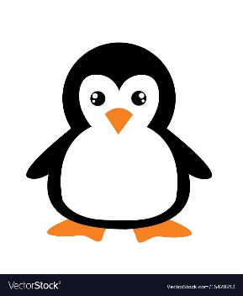

 | shape
round | 1

material
ceramic | 29.4
gold | 14.7
plastic | 11.8
stone | 17.6
wood | 26.5
input subject:
penguin

co-occurrence
head | 2
ground | 3.1
wall | 1.9
face | 2.1
tree | 1.9
eye | 5
grass | 2
leg | 2.1
paw | 1.6
ear | 4.7
fur | 1.9
nose | 4.3
1. Visual Genome
2. model (BERT, Oscar ...)
+ templates

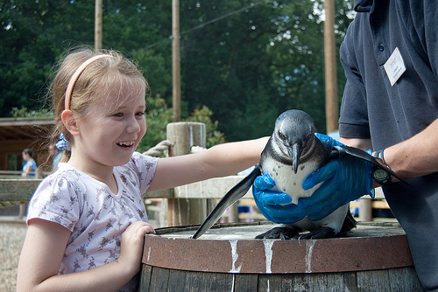
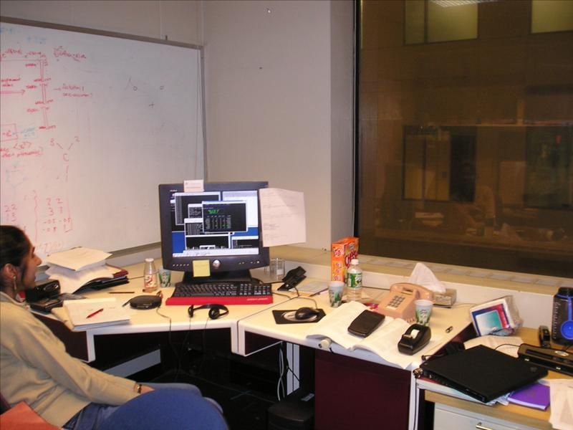

desk, telephone, mouse ... | penguin, girl, tree, shirt …

