pivot_c_rating
Row Labels | Count of apple_content_rating
4+ | 5
9+ | 4
12+ | 1
Grand Total | 10

Row Labels | Count of apple_content_rating
4+ | 168
12+ | 56
9+ | 29
17+ | 17
Grand Total | 270

pivot_genre
Row Labels | Count of apple_genre
Games | 6
Shopping | 1
Reference | 1
Food & Drink | 1
News | 1
Grand Total | 10

Row Labels | Count of apple_genre
Games | 136
Entertainment | 23
Social Networking | 15
Productivity | 15
Sports | 10
Grand Total | 199

icons







ASOS | star | years | months
Domino’s Pizza USA | 0 | 1 | 12 | 0 | 12
Pewdiepie’s Tuber Simulator | 1 | 3 | 36 | 8 | 36
Egg,INC. | 2 | 5 | 60 | 16 | 60
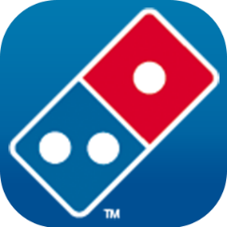

The Guardian | 3 | 7 | 84 | 24 | 84
Bible | 4 | 9 | 108 | 32 | 108
Clash of Clans | 5 | 11 | 132 | 40 | 132
Clash Royale
Geometry Dash Lite

Hill Climb Racing 2

