DEF04
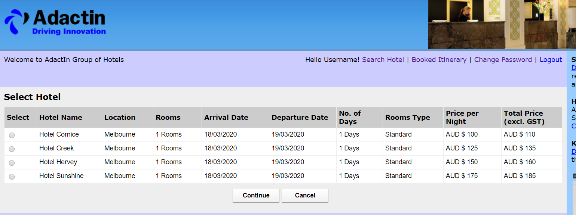
Defect Template

Defect ID | DEF_004 | Assigned To | DEV
Status | NEW | Browser | Chrome
Severity |  | Found in Version | 1
Priority |  | Found in Build | 1
Module | Select Hotel Page | Fixed in version
Reported By | Abinash | Fixed in build

Title | Login username is not displaying correctly ( Displaying "Hello Username!")
Description Steps To Re-Produce : 1.Launch Browser 2.Enter URL 3.Enter valid Username 4.Enter valid password 5.Click on login 6.Select all required feilds 7.Click on search 8.Check the login name of select hotel page Expected Result : "Hello sureshbabu1! " should be displayed Actual Result : "Hello Username! " should be displayed

ScreenShot:

DEF05
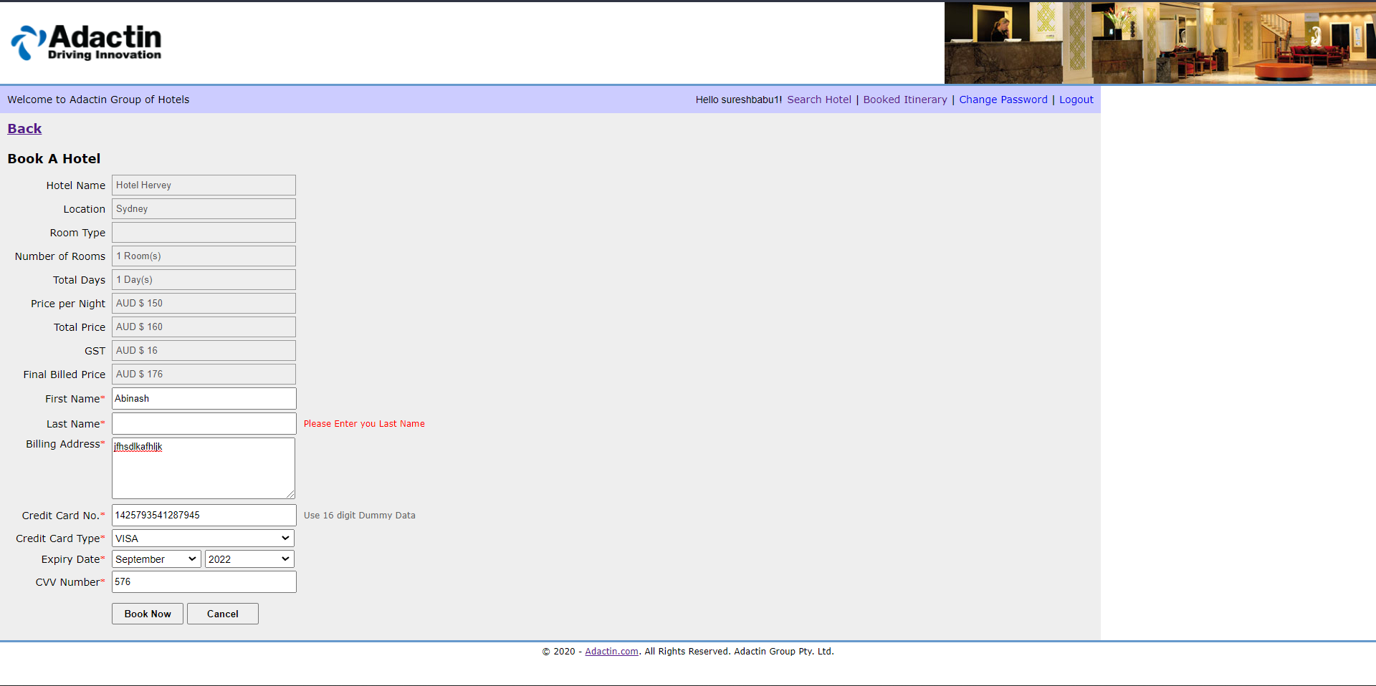
Defect Template

Defect ID | DEF_005 | Assigned To | DEV
Status | NEW | Browser | Chrome
Severity |  | Found in Version | 1
Priority |  | Found in Build | 1
Module | Book a hotel Page | Fixed in version
Reported By | Abinash | Fixed in build

Title | Incorrect display message (Please Enter you Last Name)
Description Steps To Re-Produce : 1.Launch Browser 2.Enter URL 3.Enter valid Username 4.Enter valid password 5.Click login 6.Select all required feilds 7.Click on search 8.Select hotel 9.Click continue 10.Enter first name 11.Leave last name blank 12.Click Book now Expected Result : Error message should be displayed as "Please enter your last name" Actual Result : Error message should be displayed as "Please enter you last name"

Screen Shot

DEF06
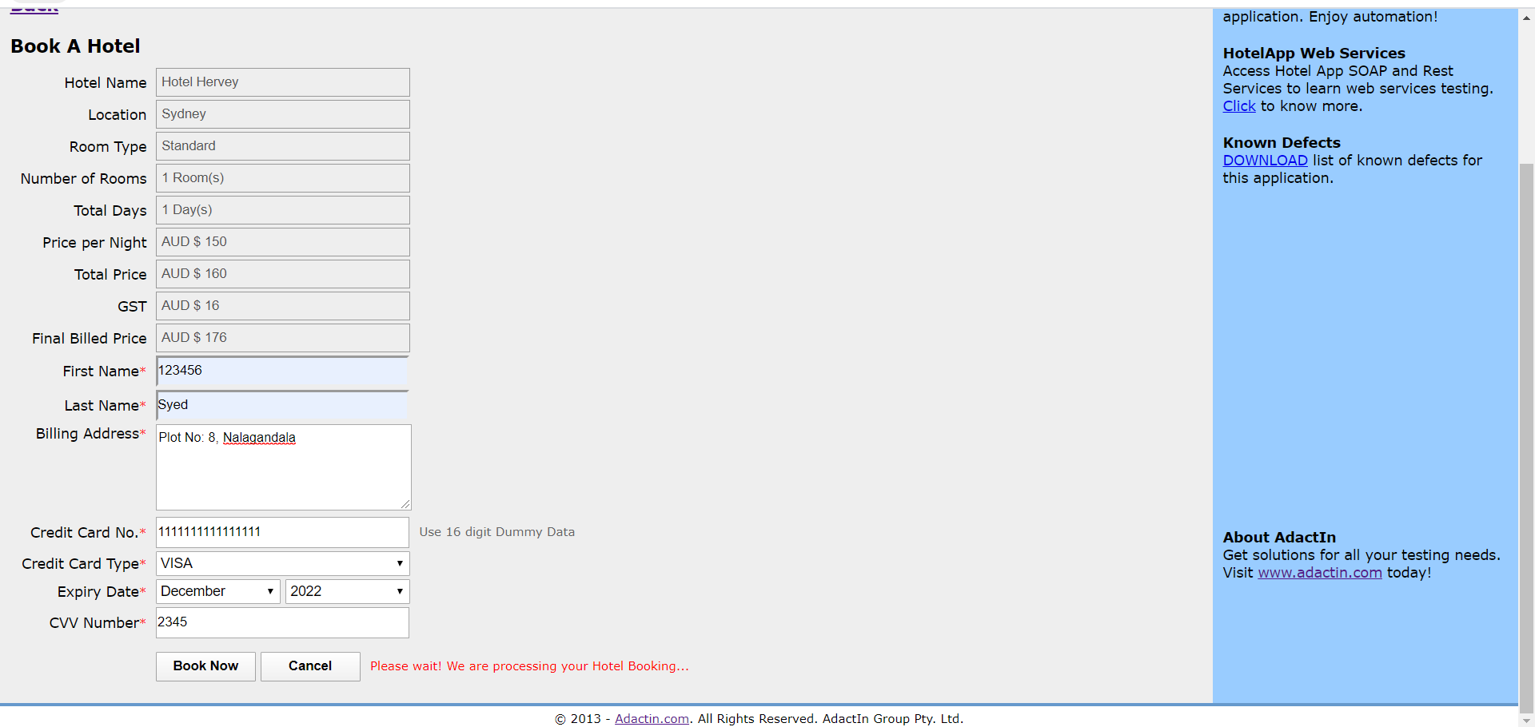
Defect Template

Defect ID | DEF_006 | Assigned To | DEV
Status | NEW | Browser | Chrome
Severity |  | Found in Version | 1
Priority |  | Found in Build | 1
Module | Book a Hotel page | Fixed in version
Reported By | Abinash | Fixed in build

Title | Validation is not working for First Name(Accepting numbers as First Name)
Description Steps To Re-Produce : 1.Launch Browser 2.Enter URL 3.Enter valid Username 4.Enter valid password 5.Click login 6.Select all required feilds 7.Click on search 8.Select hotel 9.Click continue 10.Enter first name as 12345 11.Enter all required feilds 12.Click Book now Expected Result : Error message should be displayed as "First name should be in alphabets" Actual Result : Booking confirmation page is displayed.

Screen Shot

DEF07
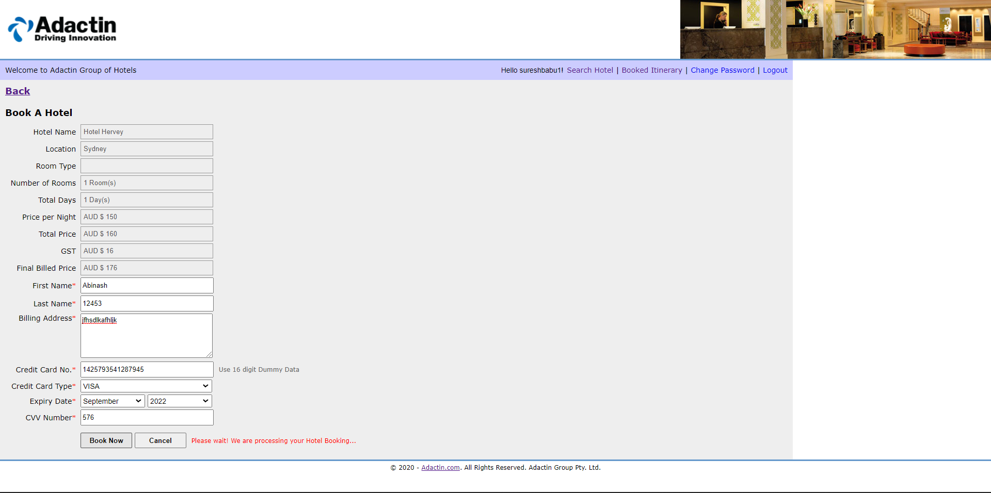
Defect Template

Defect ID | DEF_007 | Assigned To | DEV
Status | NEW | Browser | Chrome
Severity |  | Found in Version | 1
Priority |  | Found in Build | 1
Module | Book a Hotel page | Fixed in version
Reported By | Abinash | Fixed in build

Title | Validation is not working for Last Name (Accepting numbers as Last Name)
Description Steps To Re-Produce : 1.Launch Browser 2.Enter URL 3.Enter valid Username 4.Enter valid password 5.Click login 6.Select all required feilds 7.Click on search 8.Select hotel 9.Click continue 10.Enter first name 11.Enter Last name as 12345 12.Enter all required feilds 13.Click Book now Expected Result : Error message should be displayed as "Last name should be in alphabets" Actual Result : Booking confirmation page is displayed.

Screen Shot

DEF08
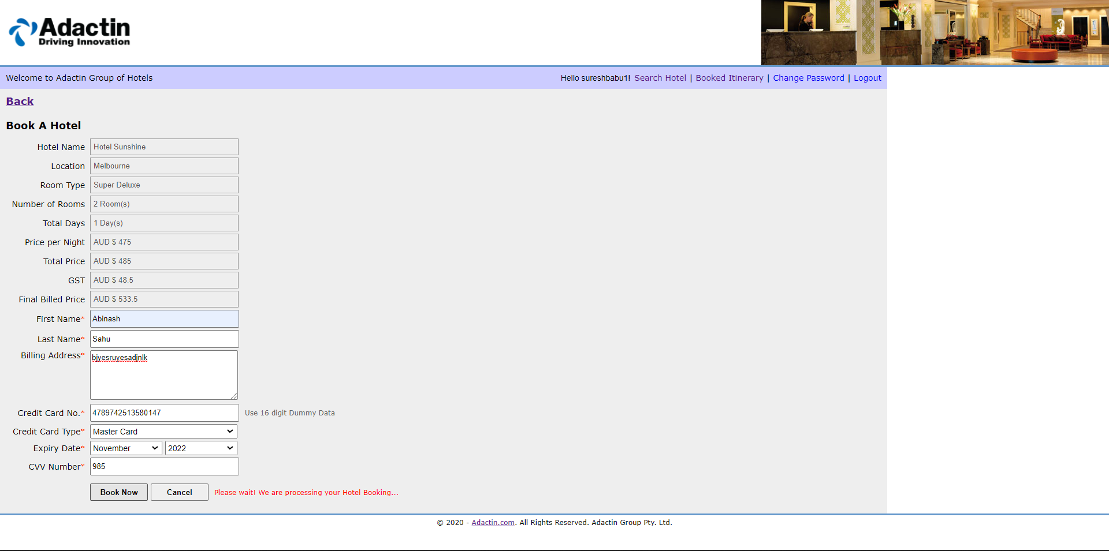
Defect Template

Defect ID | DEF_008 | Assigned To | DEV
Status | NEW | Browser | Chrome
Severity |  | Found in Version | 1
Priority |  | Found in Build | 1
Module | Book a Hotel page | Fixed in version
Reported By | Abinash | Fixed in build

Title | Validation is not working for Billing Address(Accepting invalid billing address)
Description Steps To Re-Produce : 1.Launch Browser 2.Enter URL 3.Enter valid Username 4.Enter valid password 5.Click login 6.Select all required feilds 7.Click on search 8.Select hotel 9.Click continue 10.Enter first name 11.Enter Last name 12.Enter Billing address as jfjdbhjfdujfbdhfgudsfhjhiduhf 13.Enter all required feilds 14.Click Book now Expected Result : Error message should be displayed as "Provide proper billing address" Actual Result : Booking confirmation page is displayed.

Screen Shot

DEF09

Defect Template

Defect ID | DEF_009 | Assigned To | DEV
Status | NEW | Browser | Chrome
Severity |  | Found in Version | 1
Priority |  | Found in Build | 1
Module | Book a Hotel page | Fixed in version
Reported By | Abinash | Fixed in build

Title | Validation is not working for Credit card Number (Accepting invalid credit card number)
Description Steps To Re-Produce : 1.Launch Browser 2.Enter URL 3.Enter valid Username 4.Enter valid password 5.Click login 6.Select all required feilds 7.Click on search 8.Select hotel 9.Click continue 10.Enter first name 11.Enter Last name 12.Enter Billing address 13.Enter Credit Card Number as 2222222222222222 14.Enter all required feilds 15.Click Book now Expected Result : Error message should be displayed as "Provide proper Credit card number" Actual Result : Booking confirmation page is displayed.

Screen Shot

DEF10
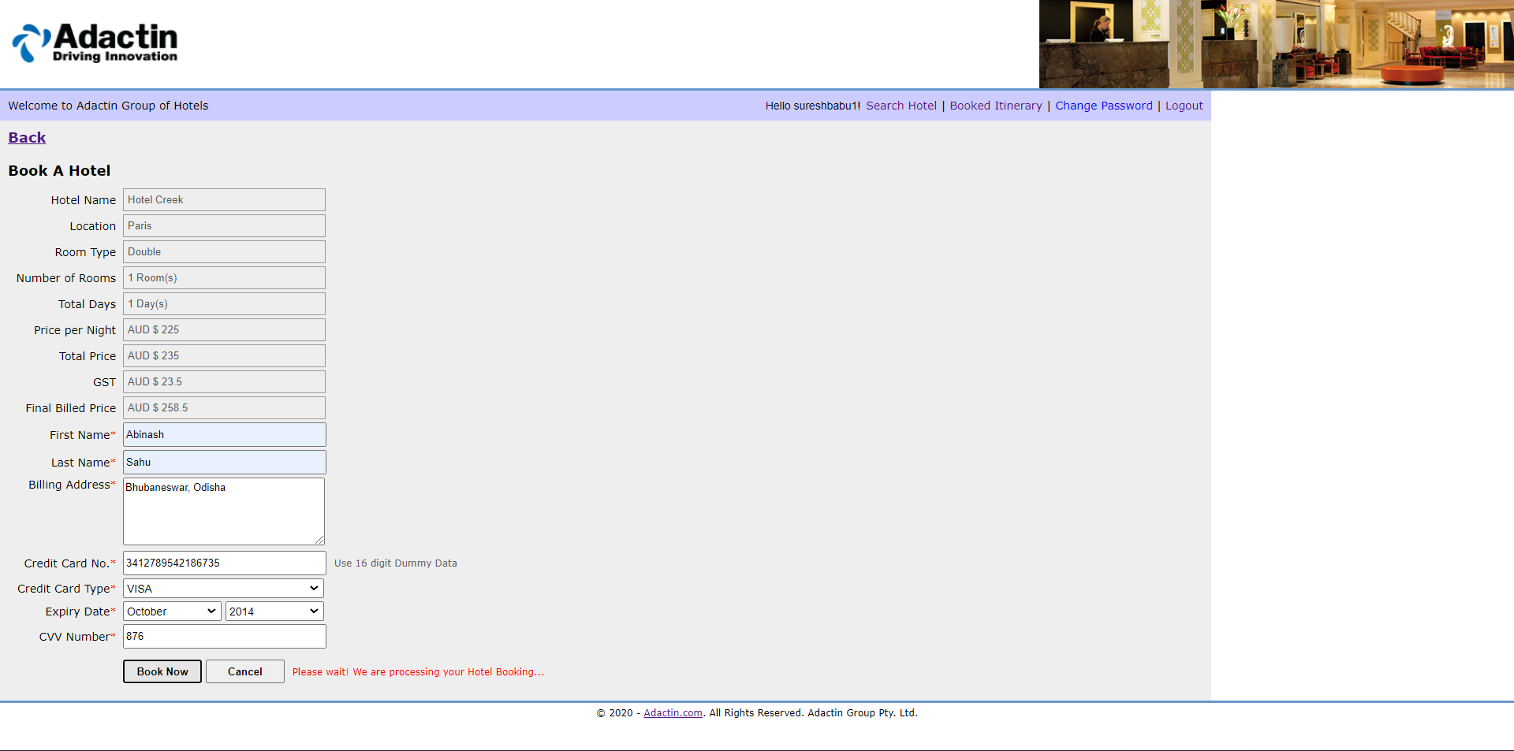
Defect Template

Defect ID | DEF_010 | Assigned To | DEV
Status | NEW | Browser | Chrome
Severity |  | Found in Version | 1
Priority |  | Found in Build | 1
Module | Book a Hotel page | Fixed in version
Reported By | Abinash | Fixed in build

Title | Validation is not working for Expiry date (Accepting past year)
Description Steps To Re-Produce : 1.Launch Browser 2.Enter URL 3.Enter valid Username 4.Enter valid password 5.Click login 6.Select all required feilds 7.Click on search 8.Select hotel 9.Click continue 10.Enter first name 11.Enter Last name 12.Enter Billing address 13.Enter Credit Card Number 14.Select credit card type 15.Select expiry date month (December) year (2018) 16.Enter all required feilds 17.Click Book now Expected Result : Error message should be displayed "Expiry year cannot be passed" Actual Result : Booking confirmation page is displayed.

Screen Shot

DEF11

Defect Template

Defect ID | DEF_011 | Assigned To | DEV
Status | NEW | Browser | Chrome
Severity |  | Found in Version | 1
Priority |  | Found in Build | 1
Module | Book a Hotel page | Fixed in version
Reported By | Abinash | Fixed in build

Title | Validation is not working for CVV Number(Accepting invalid CVV number)
Description Steps To Re-Produce : 1.Launch Browser 2.Enter URL 3.Enter valid Username 4.Enter valid password 5.Click login 6.Select all required feilds 7.Click on search 8.Select hotel 9.Click continue 10.Enter first name 11.Enter Last name 12.Enter Billing address 13.Enter Credit Card Number 14.Select credit card type as American Express 15.Select month (December) year (2021) 16.Enter CVV Number as 2222 17.Enter all required feilds 18.Click Book now Expected Result : Error message should be displayed "Enter valid CVV number" Actual Result : Booking confirmation page is displayed.

Screen Shot

DEF12

Defect Template

Defect ID | DEF_012 | Assigned To | DEV
Status | NEW | Browser | Chrome
Severity |  | Found in Version | 1
Priority |  | Found in Build | 1
Module | Book a Hotel page | Fixed in version
Reported By | Abinash | Fixed in build

Title | Validation is not working CVV Number(Accepting 3-digit number for American express credit card)
Description Steps To Re-Produce : 1.Launch Browser 2.Enter URL 3.Enter valid Username 4.Enter valid password 5.Click login 6.Select all required feilds 7.Click on search 8.Select hotel 9.Click continue 10.Enter first name 11.Enter Last name 12.Enter Billing address 13.Enter Credit Card Number 14.Select credit card type as American Express 15.Select month (December) year (2021) 16.Enter CVV Number as 812 17.Enter all required feilds 18.Click Book now Expected Result : Error message should be displayed "Enter valid CVV number" Actual Result : Booking confirmation page is displayed.

Screen Shot

DEF13
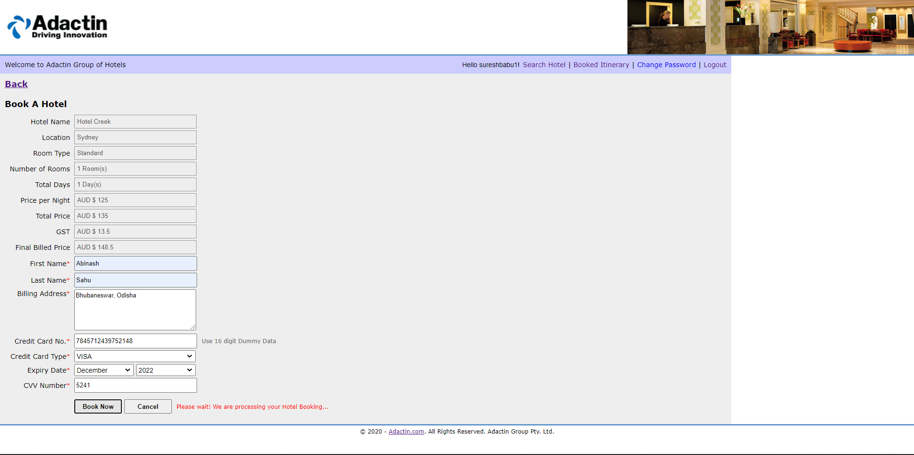
Defect Template

Defect ID | DEF_013 | Assigned To | DEV
Status | NEW | Browser | Chrome
Severity |  | Found in Version | 1
Priority |  | Found in Build | 1
Module | Book a Hotel page | Fixed in version
Reported By | Abinash | Fixed in build

Title | Validation is not working for CVV Number (Accepting 4-digit number for credit card type Visa)
Description Steps To Re-Produce : 1.Launch Browser 2.Enter URL 3.Enter valid Username 4.Enter valid password 5.Click login 6.Select all required feilds 7.Click on search 8.Select hotel 9.Click continue 10.Enter first name 11.Enter Last name 12.Enter Billing address 13.Enter Credit Card Number 14.Select credit card type as Visa 15.Select month (December) year (2021) 16.Enter CVV Number as 6547 17.Enter all required feilds 18.Click Book now Expected Result : Error message should be displayed "Enter valid CVV number" Actual Result : Booking confirmation page is displayed.

Screen Shot

DEF14

Defect Template

Defect ID | DEF_014 | Assigned To | DEV
Status | NEW | Browser | Chrome
Severity |  | Found in Version | 1
Priority |  | Found in Build | 1
Module | Book a Hotel page | Fixed in version
Reported By | Abinash | Fixed in build

Title | Validation is not working for CVV Number (Accepting 4-digit number for Mastercard)
Description Steps To Re-Produce : 1.Launch Browser 2.Enter URL 3.Enter valid Username 4.Enter valid password 5.Click login 6.Select all required feilds 7.Click on search 8.Select hotel 9.Click continue 10.Enter first name 11.Enter Last name 12.Enter Billing address 13.Enter Credit Card Number 14.Select credit card type as Master Card 15.Select month (December) year (2021) 16.Enter CVV Number as 1134 17.Enter all required feilds 18.Click Book now Expected Result : Error message should be displayed "Enter valid CVV number" Actual Result : Booking confirmation page is displayed.

Screen Shot

DEF15

Defect Template

Defect ID | DEF_015 | Assigned To | DEV
Status | NEW | Browser | Chrome
Severity |  | Found in Version | 1
Priority |  | Found in Build | 1
Module | Book a Hotel page | Fixed in version
Reported By | Abinash | Fixed in build

Title | Validation is not working for CVV Number (Accepting 4-digit number for credit card type Other)
Description Steps To Re-Produce : 1.Launch Browser 2.Enter URL 3.Enter valid Username 4.Enter valid password 5.Click login 6.Select all required feilds 7.Click on search 8.Select hotel 9.Click continue 10.Enter first name 11.Enter Last name 12.Enter Billing address 13.Enter Credit Card Number 14.Select credit card type as Other 15.Select month (March) year (2022) 16.Enter CVV Number as 2239 17.Enter all required feilds 18.Click Book now Expected Result : Error message should be displayed "Enter valid CVV number" Actual Result : Booking confirmation page is displayed.

Screen Shot

DEF16

Defect Template

Defect ID | DEF_016 | Assigned To | DEV
Status | NEW | Browser | Chrome
Severity |  | Found in Version | 1
Priority |  | Found in Build | 1
Module | Book a Hotel page | Fixed in version
Reported By | Abinash | Fixed in build

Title | Validation is not working for Billing Address (Billing address must be atleast 16 digit data)
Description Steps To Re-Produce : 1.Launch Browser 2.Enter URL 3.Enter valid Username 4.Enter valid password 5.Click login 6.Select all required feilds 7.Click on search 8.Select hotel 9.Click continue 10.Enter first name 11.Enter Last name 12.Enter Billing address as q 13.Enter Credit Card Number 14.Select credit card type as Visa 15.Select month (September) year (2022) 16.Enter CVV Number 17.Enter all required feilds 18.Click Book now Expected Result : Error message should be displayed "Billing address must contain minimum 16 characters" Actual Result : Booking confirmation page is displayed.

Screen Shot

DEF17

Defect Template

Defect ID | DEF_017 | Assigned To | DEV
Status | NEW | Browser | Chrome
Severity |  | Found in Version | 1
Priority |  | Found in Build | 1
Module | Book a Hotel page | Fixed in version
Reported By | Abinash | Fixed in build

Title | Validation is not working for First name (Accepting single character as First Name)
Description Steps To Re-Produce : 1.Launch Browser 2.Enter URL 3.Enter valid Username 4.Enter valid password 5.Click login 6.Select all required feilds 7.Click on search 8.Select hotel 9.Click continue 10.Enter first name as a 11.Enter Last name 12.Enter Billing address 13.Enter Credit Card Number 14.Select credit card type as Visa 15.Select month (September) year (2022) 16.Enter CVV Number as 502 17.Enter all required feilds 18.Click Book now Expected Result : Error message should be displayed "Firstname must contain minimum 6 characters" Actual Result : Booking confirmation page is displayed.

Screen Shot

DEF18

Defect Template

Defect ID | DEF_018 | Assigned To | DEV
Status | NEW | Browser | Chrome
Severity |  | Found in Version | 1
Priority |  | Found in Build | 1
Module | Book a Hotel page | Fixed in version
Reported By | Abinash | Fixed in build

Title | Validation is not working for Last name (Accepting single character as Last Name)
Description Steps To Re-Produce : 1.Launch Browser 2.Enter URL 3.Enter valid Username 4.Enter valid password 5.Click login 6.Select all required feilds 7.Click on search 8.Select hotel 9.Click continue 10.Enter first name 11.Enter Last name as b 12.Enter Billing address 13.Enter Credit Card Number 14.Select credit card type as Visa 15.Select month (September) year (2022) 16.Enter CVV Number as 502 17.Enter all required feilds 18.Click Book now Expected Result : Error message should be displayed "Lastname must contain minimum 6 characters" Actual Result : Booking confirmation page is displayed.

Screen Shot

DEF21
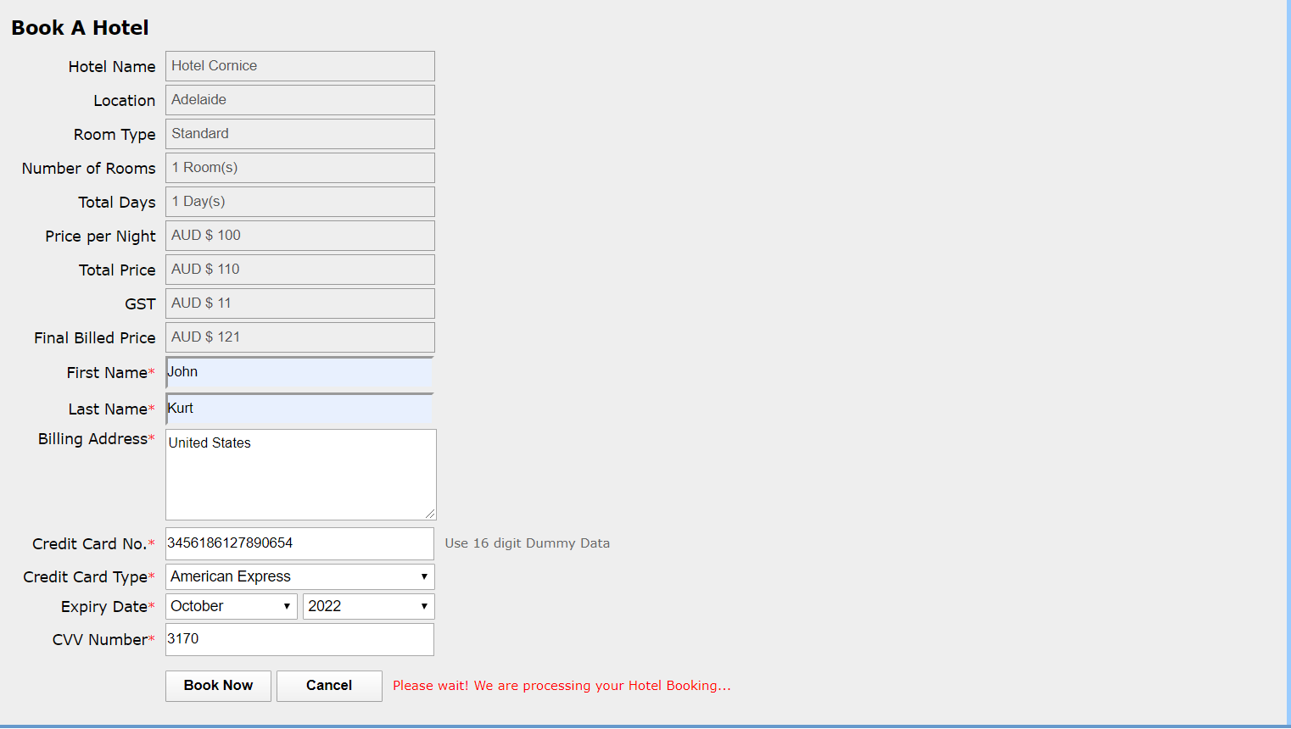
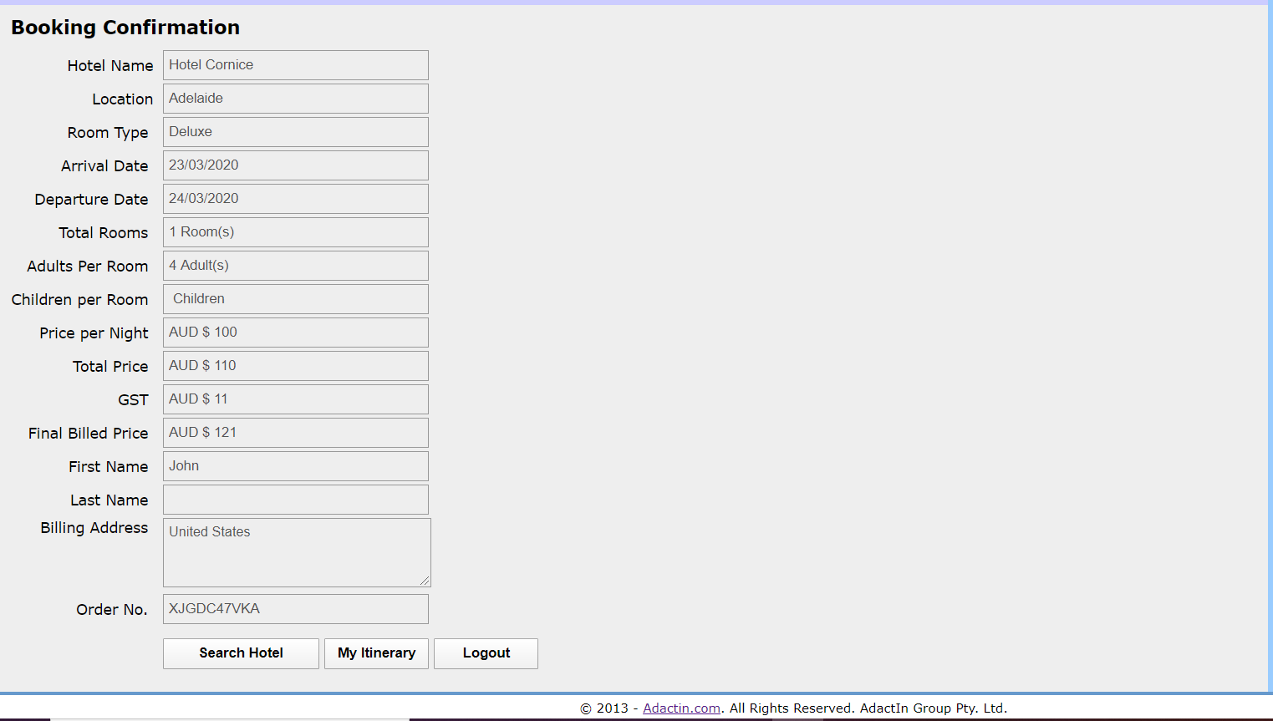
Defect Template

Defect ID | DEF_021 | Assigned To | DEV
Status | NEW | Browser | Chrome
Severity |  | Found in Version | 1
Priority |  | Found in Build | 1
Module | Book a Hotel page | Fixed in version
Reported By | Abinash | Fixed in build

Title | Verification of details in Booking Confirmation page (Selected room type is not getting displayed)
Description Steps To Re-Produce : 1.Launch Browser 2.Enter URL 3.Enter valid Username 4.Enter valid password 5.Click login 6.Select all required feilds 7.Click on search 8.Select hotel 9.Click continue 10.Enter first name as John 11.Enter Last name as Kurt 12.Enter Billing address as United states 13.Enter Credit Card Number 14.Select credit card type as American Express 15.Select month (September) year (2022) 16.Enter CVV Number as 5025 17.Click Book now Expected Result : Selected room type should displayed Actual Result : Selected room type is not getting displayed

Screen Shot:

DEF23
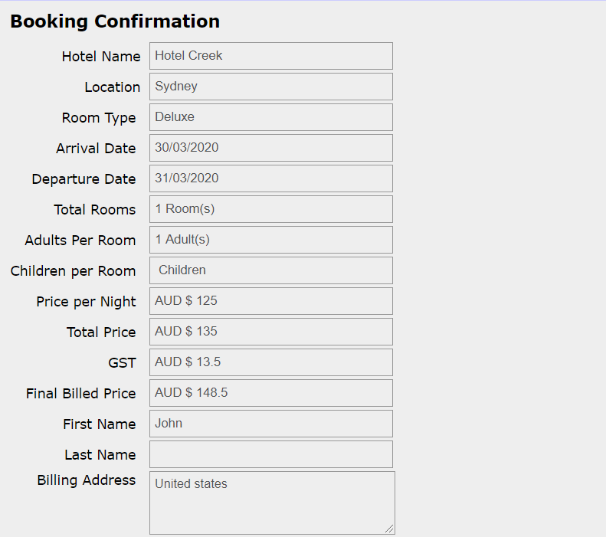
Defect Template

Defect ID | DEF_023 | Assigned To | DEV
Status | NEW | Browser | Chrome
Severity |  | Found in Version | 1
Priority |  | Found in Build | 1
Module | Booking confirmation page | Fixed in version
Reported By | Abinash | Fixed in build

Title | Verification of details in Booking Confirmation page (Children per room should display 0 instead of children)
Description Steps To Re-Produce : 1.Launch Browser 2.Enter URL 3.Enter valid Username 4.Enter valid password 5.Click login 6.Select all required feilds 7.Click on search 8.Select hotel 9.Click continue 10.Enter first name as John 11.Enter Last name as Kurt 12.Enter Billing address as United states 13.Enter Credit Card Number 14.Select credit card type as American Express 15.Select month (September) year (2022) 16.Enter CVV Number as 5025 17.Click Book now Expected Result : Children per room should be 0 instead of children Actual Result : Children per room is displaying as children

Screen Shot

DEF25
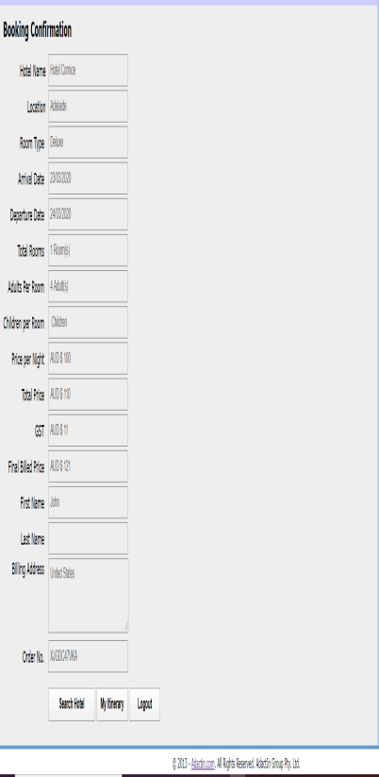
Defect Template

Defect ID | DEF_025 | Assigned To | DEV
Status | NEW | Browser | Chrome
Severity |  | Found in Version | 1
Priority |  | Found in Build | 1
Module | Booking Itinerary page | Fixed in version
Reported By | Abinash | Fixed in build

Title | Title is displaying incorrect of Booking Itinerary page
Description Steps To Re-Produce : 1.Launch Browser 2.Enter URL 3.Enter valid Username 4.Enter valid password 5.Click login 6.Select all required feilds 7.Click on search 8.Select hotel 9.Click continue 10.Enter first name as John 11.Enter Last name as Kurt 12.Enter Billing address as Australia 13.Enter Credit Card Number 14.Select credit card type as American Express 15.Select month (April) year (2022) 16.Enter CVV Number as 410 17.Click Book now 18.Copy Order No :W8883W0CE0 19.Click on My Itinerary 20.Check the title of the page Expected Result : AdactIn.com - Booked Itinerary should be displayed Actual Result : AdactIn.com - Select Hotel is getting displayed

DEF26

Defect Template

Defect ID | DEF_026 | Assigned To | DEV
Status | NEW | Browser | Chrome
Severity |  | Found in Version | 1
Priority |  | Found in Build | 1
Module | Change Password Page | Fixed in version
Reported By | Abinash | Fixed in build

Title | Validation is not working for confirm password
Description Steps To Re-Produce : 1.Launch Browser 2.Enter URL 3.Enter valid Username 4.Enter valid password 5.Click login 6.Click on Change Password 7.Enter Current Password 8.Enter New Password 9.Click on Submit Expected Result : Error message should be displayed " Please enter confirm password" Actual Result : Your Password is successfully updated!!! Message is getting displayed

