Chemicals
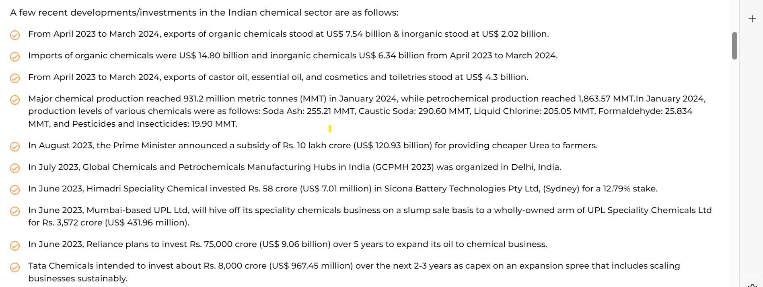
Growth of Demand | Opportunity | Investments
Rise in demand from end-user industries such as food processing, personal care and home care --> driving indias speciality chemicals market | With global companies seeking to de-risk their supply chains, which are dependent on China, the chemical sector in India has the opportunity for a significant growth.​ | The Indian chemical sector has received Foreign Direct Investment of Rs. 14,662 crore in FY 2022-23 in comparison to Rs. 7,202 crore in FY 2021-22 and Rs. 6,300 crore in FY 2020-21
Exports of Organic and Inorganic Chemicals increase by 16.75% and reached US$ 2.50 Billion in April 2024.​ | The Dahej PCPIR project in Bharuch, has attracted an investment of Rs. 1 lakh crore (~US$ 12 billion) and is expected to generate 32,000 jobs.​ | Prime Minister, Mr. Narendra Modi, laid the foundation stone of development projects worth more than Rs. 50,700 crore (US$ 6.11 billion) on September 14, 2023​.
India is expected to nearly triple and reach US$ 1 trillion by 2040.​ | Positive Budget for Chemical Industry
India is the 6th largest producer of chemicals in the world and 3rd in Asia, contributing 7% to India’s GDP.​​ | (PCPIR) set up at Paradip has attracted investments worth US$ 8.84 billion (Rs.73,518 crores) resulting in employment of about 40,000 people.​

Imp Info and facts
bulk chemicals, specialty chemicals, agrochemicals, petrochemicals, polymers, and fertilisers
fourth-largest producer of agrochemicals
India accounts for 16-18% of the world's production of dyestuffs and dye intermediates.
Specialty chemicals account for 20% of the global chemicals industry's US$ 4 trillion, with India's market expected to increase at a CAGR of 12% to US$ 64 billion by 2025.
The Department of Chemicals & Petrochemicals intends to bring PLI in the chemical & petrochemical sector and will redraft the Petroleum, Chemicals and Petrochemicals Investment Region (PCPIR) guidelines.

Speciality Chemicals stats
Facts
Most of the companies call themselves speciality chemicals
pick a specific niche based special chemical related to h high CAGR

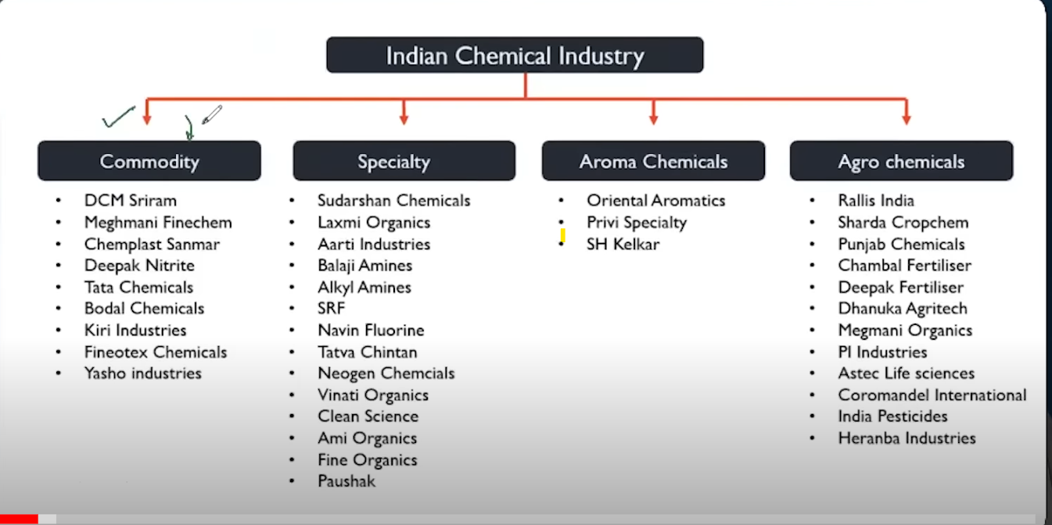

Standard operating procedure
Don’t pick any company doing a high quantity high volume , because then it is a commoditity chemical
Pick companies with high profit margins , those are speciality chemicals
find out which segment of speciality chemicals it is operating
find growth rate of the sector the company provide majority chemicals too.
Find long term contracts , recuring ARR
Are they increasing their Manufacturing capacity
if they are expanding capacity it means most likely contract on top of that if it is already profitable then most likely it is eventually going to reflect after two
Capacity used --> anything above 60% is good.
Are the expanding to new geographies or to new sectors or do have plans to do so.
company building a brand this is a new age thing premiumization for example Hindustan un was able to increase the prices of its product why because it is a very strong
find red flags in a company --> extensive market cap , high debt or debt to quity, or if most of their business depends on 1 or 2 clients.
Now make a list of top performing wannabe blockbuster stocks in this space

