Main
 | Non-Banking Financial Company |  |  |  | Housing Loan company | ()

 | Everything depends on Performance of Housing Markets in india |  |  |  | ~not very good signs housing market will be on a boom for a few years
 | Outstanding individual housing loans as % to GDP stood at 10.52% as of 31 March 2023
 | focused on building low-risk medium-return portfolio where HL contribute 58% of portfolio. Of which, 92% pertains to lower risk segments of salaried ppl. |  |  |  |  |  |  | Price | 70 | ipo range avg
 |  |  |  |  |  |  |  | Shares | 671.22 | cr
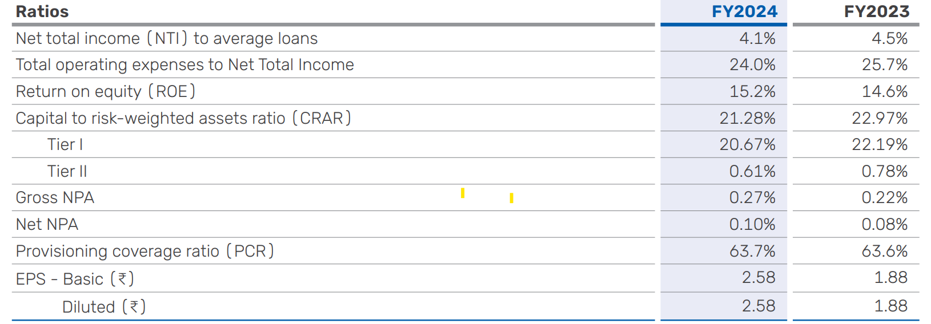
 |  |  |  |  |  |  |  | MC | 46985.4 | targeting | 56000
 |  |  |  |  |  |  |  | Assets
 |  |  |  |  |  |  |  | Cash | 64
 |  |  |  |  |  |  |  | Debt
 |  |  |  |  |  |  |  | EV

 |  |  |  |  |  |  |  | 100% subsidiary of Bajaj Finance Limited
 |  |  |  |  |  |  |  | 88.11 million customers
 |  |  |  |  |  |  |  | finance to individuals as well as corporate entities for the purchase and renovation of homes, or commercial spaces. It also provides loans against property for business or personal needs as well as working capital for business expansion purposes. BHFL also offers finance to developers engaged in the construction of residential and commercial properties as well as lease rental discounting to developers and high-net-worth individuals
 |  |  |  |  |  |  |  | A Good CAR of 21.28 as per March 2024. !5-20% is considered a good CAR --> Less risky investments.
 |  |  |  |  |  |  |  | Gross NON performing assets - 0.27% . Below 1% is seen as excellent.
 |  |  |  |  |  |  | Claims | Convenient application and processing with a quick turnaround time DIY Home Loan application, WhatsApp application, ‘Call to Apply’, etc. Doorstep documentation Disbursal in 72 hours*

Mar-24 | Products
 | home loans | loans against property | lease rental discounting | developer financing.
YOY growth | 24% | 22% | 57% | 69%
Value(cr) | 52,819 | 9568 | 17637 | 9599
clients | Salaries/self emp | sme/msme+salaried+self | HNI/Corporates/Builders | Big developer groups

